ASW
Refresh Curves | Refresh Pricing

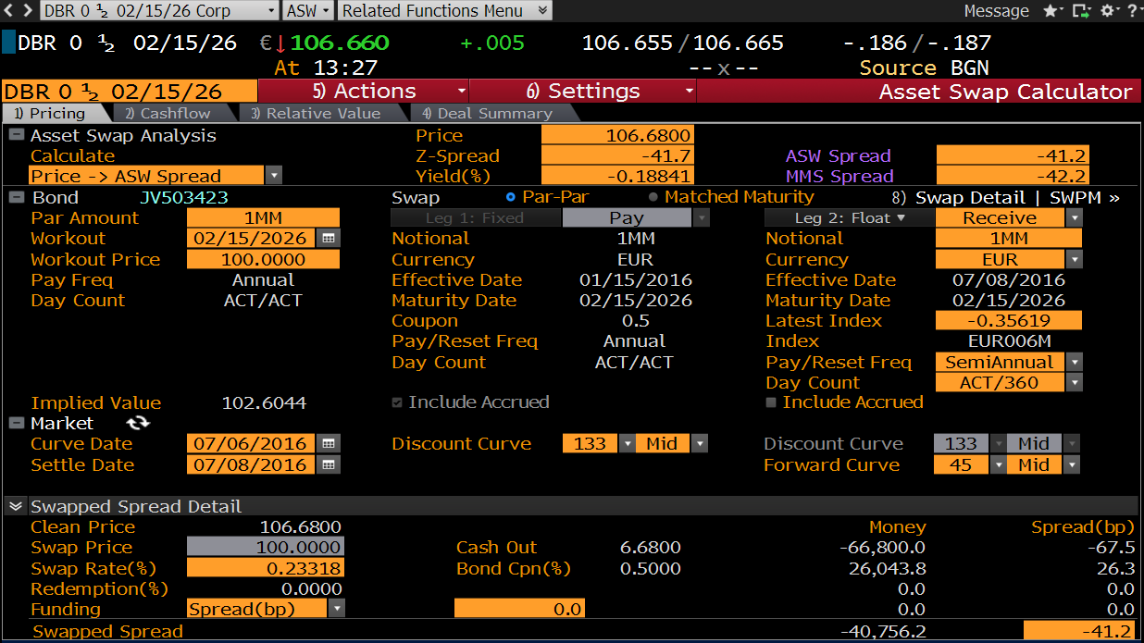
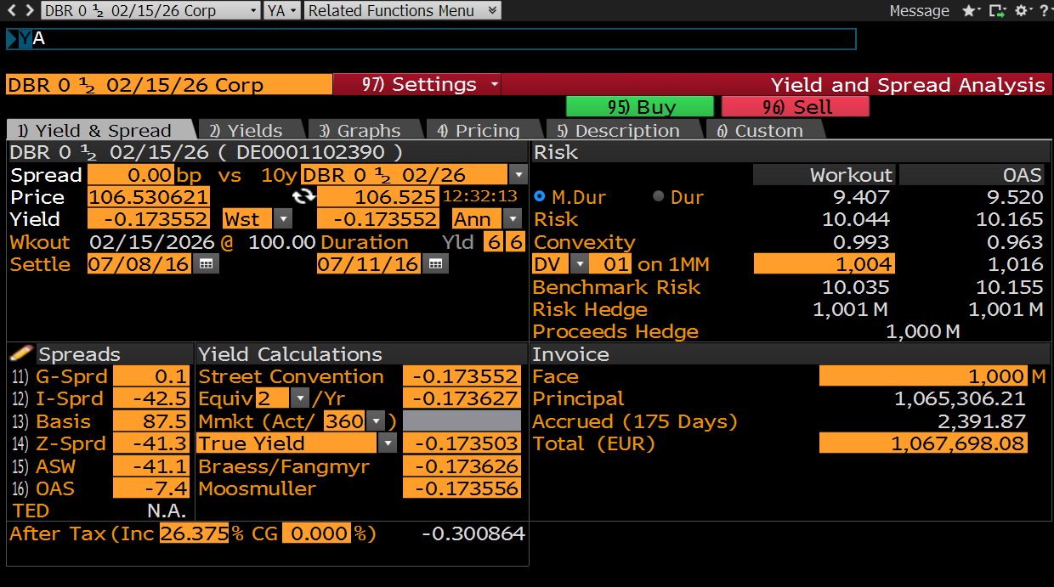
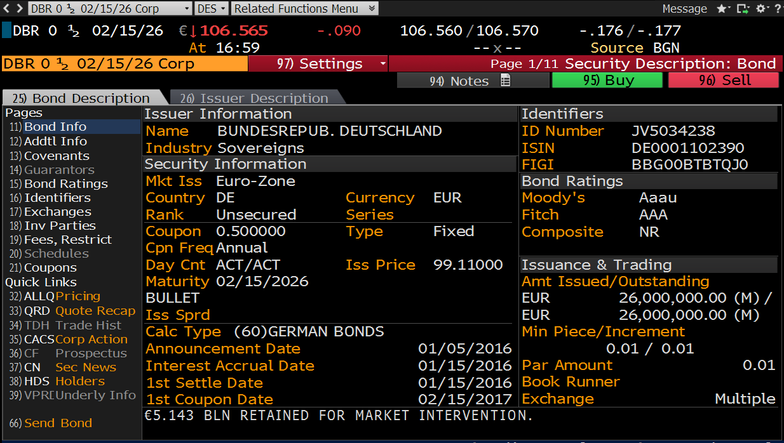
 |  | mirAssetSwapSpread
CleanPrice | 106.680 | AssetSwapSpread | -41.165
DirtyPrice | 106.919 | SwapPV | -66,800
Accrued (175 Days) | 2,390.71 | ParAdjustment | -66,800

Bond Definition |  | Asset Swap
Ticker | DE0001102390 Govt | Notional | 1,000,000
SecurityName | DBR 0 1/2 02/15/26 | PayerReceiver | PAYER
IssueDate | 15-Jan-16 | IssueDate | 15-Jan-16
FirstCouponDate | 15-Feb-17 | EffectiveDate | 8-Jul-16 | 2D
MaturityDate | 15-Feb-26 | MaturityDate | 15-Feb-26
Coupon | 0.50% | CurveCollection | EURYC
Price | 106.680 | ForecastCurve | EUR6ML
isCleanPrice | TRUE | DiscountCurve | EUROIS
Daycount | ACT/ACT | isCleanPrice | TRUE
Frequency | Annual | FixedFrequency | Annual
 |  | FixedDayCount | ACT/ACT
 |  | FixedBusinessDayAdjustment | MOD_FOLLOWING
 |  | FixedCalendar | TGT
 |  | FixedFirstStubDate | 15-Feb-17
 |  | FixedLastStubDate
 |  | FixedRollDay
 |  | FixedStubType |  | LongStart
 |  | FixedPaymentLag | 0D
 |  | FixedRate | 0.50000%
 |  | FloatFrequency | Semi-Annual
 |  | FloatDayCount | ACT/360
 |  | FloatBusinessDayAdjustment | MOD_FOLLOWING
 |  | FloatCalendar | TGT
 |  | FloatFirstStubDate
 |  | FloatLastStubDate
 |  | FloatRollDay
 |  | FloatStubType | ShortStart
 |  | FloatFixingLag | 0D
 |  | FloatPaymentLag | 0D
 |  | FloatFirstFixing
 |  | FloatLastFixing
 |  | FloatSpread | -41.165

