CDS_PRICE
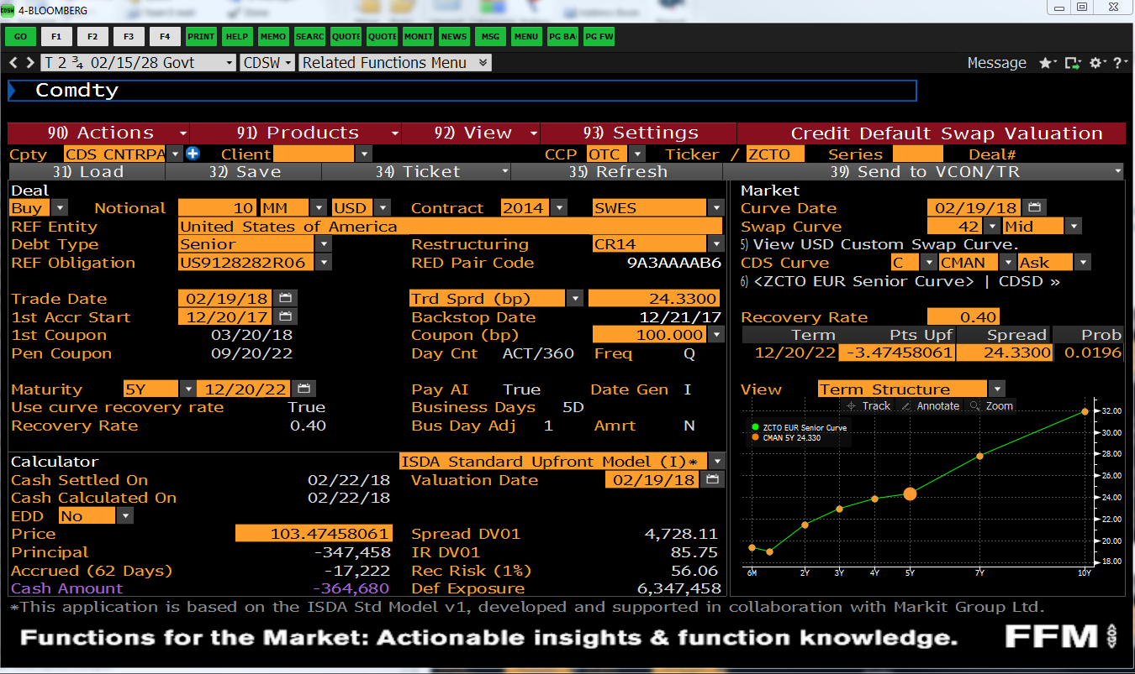
CREATE CDS
SwapName | UST_2.75_FEB2028
CreateCDS | UST_2.75_FEB2028@3:3

CDS TRADE PARAMETERS
PayReceivePremium | PAY
Notional | 10,000,000
EffectiveDate | 21-Feb-18
MaturityDate | 20-Dec-22
CreditSpread | 0.25381%
BasisPoints | 24.330

MODEL INPUTS
IRCurve | USDYC
HazardRate | 0.4230%
RecoveryRate | 40.00%

PRICE
Total PV | 0
Leg1:Premium | -116,956
Leg2:Protection | 116,956

RISK ANNUITY
RiskyAnnuity/SpreadDV01 | 46,079,459
PremiumLegPV | 116,956
+/- | 0.0000

PAR CDS
ParCDSSpread | 0.25381%
Check | 0.25381%
+/- | 0.00000000%

HAZARD RATE
HazardRate | 0.4230%

