CREDIT MODEL
 |  |  |  |  | … Calibration Results
CREATE MODEL
ModelName | CREDITMODEL1
CreateModel | CREDITMODEL1@16

Calibrate Using … | CDS
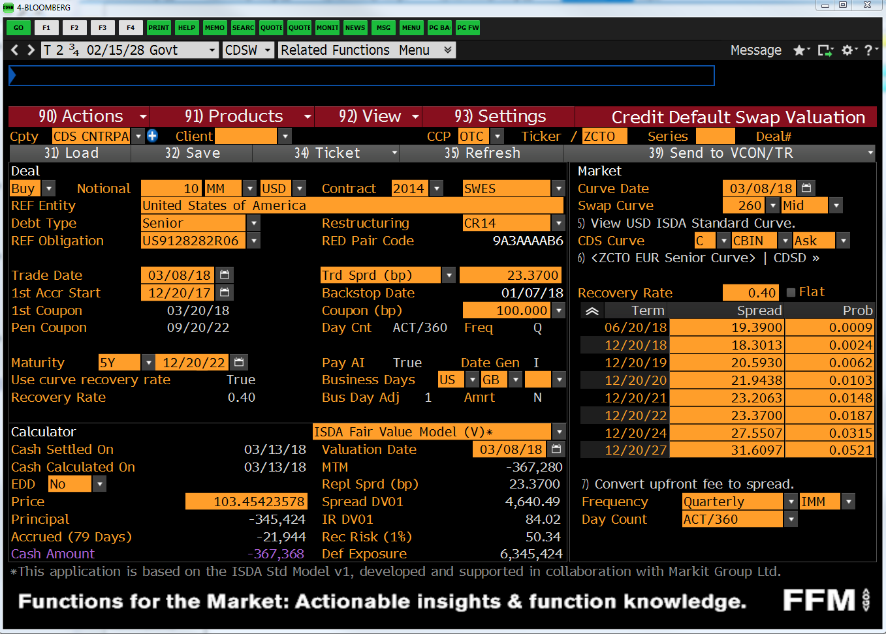
MODEL_PROPERTIES |  | CDS_MARKETDATA
AsOfDate | 5-Jan-22 | Tenor or Maturity | CDS Spread | BBG CDS Spread
SpotLag | 5D | 6M | 0.1781% | 17.81
SpotBusinessDayAdjustment | FOLLOWING | 1Y | 0.1832% | 18.32
SpotCalendar | NYB | 2Y | 0.1878% | 18.78
AccrualStartDate | 5-Jan-22 | 3Y | 0.2129% | 21.29
IMMReferenceDate | 15-Dec-21 | 4Y | 0.2353% | 23.53
Currency | USD | 5Y | 0.2489% | 24.89
RecoveryRate | 40.00% | 7Y | 0.2852% | 28.52
IncludeAccruedInterest | TRUE | 10Y | 0.3214% | 32.14
CDSCurveCollection | USDYC
SwapGenerator | USD_CDS_IMM@3
CreditIndex | US9128282R06 | BOND_MARKETDATA
BondHasRiskyAccruedInterest | TRUE | BondObject Name | Bond Price | Check Repricing *
BondCurveCollection | USDYC | US9128285K26@7 | 99.898 | 99.991
Interpolation | PiecewiseConstant | US912828V806@6 | 96.797 | 98.708
Extrapolation | Flat | US912828X703@5 | 95.359 | 97.970

 |  | * Only instruments included in the calibration will reprice

CDS_PRICE
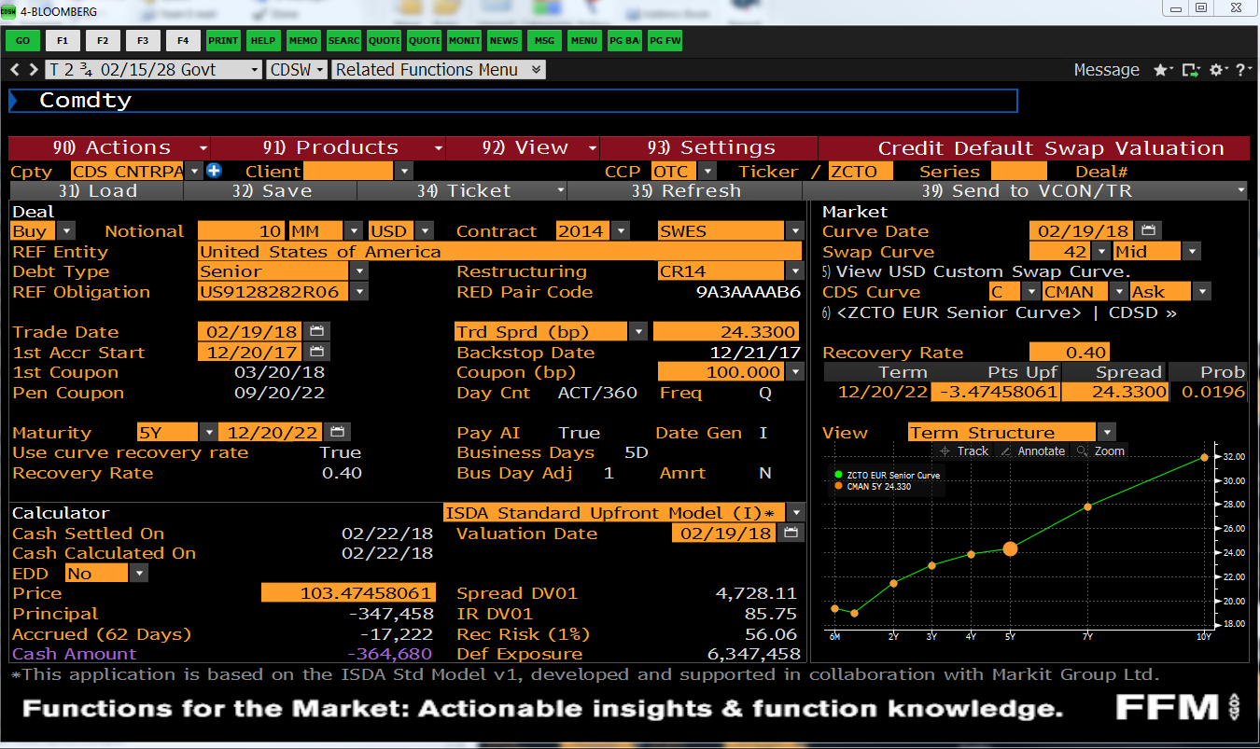
CREATE CDS |  |  | DISPLAY CASHFLOWS: PREMIUM LEG
SwapName | UST_2.75_FEB2028 |  | Leg1:Premium Leg Schedule & Cashflows |  |  |  |  |  |  |  |  |  |  |  |  |  |  |  | Survival Prob | Error
CreateCDS | UST_2.75_FEB2028@17 |  | AccrualStart | AccrualEnd | AccrualDays | AccrualYearFractions | PaymentDate | Notional | NotionalExchange | Leverage | CDSSpread | SurvivalProbability | MarginalDefaultProbability | PremiumCoupon | AccrualOnDefaultCoupon | RiskyCoupon | DiscountFactor | CouponPV
 |  |  | 12-Jan-22 | 16-Mar-22 | 63 | 0.1750 | 16-Mar-22 | -10,000,000 | 0.00 | 100.000000% | 0.002489 | 99.942299% | 0 | -4,353 | -1 | -4,354.367648 | 1 | -4334.8202909 | 99.942% | 0.00E+00
CDS TRADE PARAMETERS |  |  | 16-Mar-22 | 15-Jun-22 | 91 | 0.2528 | 15-Jun-22 | -10,000,000 | 0.00 | 100.000000% | 0.002489 | 99.867338% | 0 | -6,283 | -2 | -6,285.650402 | 1 | -6218.7981248 | 99.867% | 0.00E+00
SwapGenerator | USD_CDS_IMM@3 |  | 15-Jun-22 | 21-Sep-22 | 98 | 0.2722 | 21-Sep-22 | -10,000,000 | 0.00 | 100.000000% | 0.002489 | 99.782393% | 0 | -6,761 | -3 | -6,763.744682 | 1 | -6644.5729974 | 99.782% | 0.00E+00
PayReceivePremium | PAY |  | 21-Sep-22 | 21-Dec-22 | 91 | 0.2528 | 21-Dec-22 | -10,000,000 | 0.00 | 100.000000% | 0.002489 | 99.703454% | 0 | -6,273 | -2 | -6,275.464564 | 1 | -6123.3285433 | 99.703% | 0.00E+00
Notional | 10,000,000 |  | 21-Dec-22 | 15-Mar-23 | 84 | 0.2333 | 15-Mar-23 | -10,000,000 | 0.00 | 100.000000% | 0.002489 | 99.628969% | 0 | -5,786 | -2 | -5,788.281319 | 1 | -5612.3755867 | 99.629% | 0.00E+00
EffectiveDate | 12-Jan-22 | 5D | 15-Mar-23 | 21-Jun-23 | 98 | 0.2722 | 21-Jun-23 | -10,000,000 | 0.00 | 100.000000% | 0.002489 | 99.542140% | 0 | -6,745 | -3 | -6,747.529884 | 1 | -6493.7014086 | 99.542% | 0.00E+00
MaturityDate | 15-Dec-26 | 5Y | 21-Jun-23 | 20-Sep-23 | 91 | 0.2528 | 20-Sep-23 | -10,000,000 | 0.00 | 100.000000% | 0.002489 | 99.461581% | 0 | -6,258 | -3 | -6,260.297754 | 1 | -5982.7589967 | 99.462% | 0.00E+00
CreditSpread | 0.24890% |  | 20-Sep-23 | 20-Dec-23 | 91 | 0.2528 | 20-Dec-23 | -10,000,000 | 0.00 | 100.000000% | 0.002489 | 99.379455% | 0 | -6,253 | -3 | -6,255.179963 | 1 | -5936.2456524 | 99.379% | 0.00E+00
 |  |  | 20-Dec-23 | 20-Mar-24 | 91 | 0.2528 | 20-Mar-24 | -10,000,000 | 0.00 | 100.000000% | 0.002489 | 99.269337% | 0 | -6,246 | -3 | -6,249.132306 | 1 | -5889.6899556 | 99.269% | 0.00E+00
MODEL INPUTS |  |  | 20-Mar-24 | 19-Jun-24 | 91 | 0.2528 | 19-Jun-24 | -10,000,000 | 0.00 | 100.000000% | 0.002489 | 99.159341% | 0 | -6,239 | -3 | -6,242.207938 | 1 | -5843.278802 | 99.159% | 0.00E+00
IRCurve | USDYC |  | 19-Jun-24 | 18-Sep-24 | 91 | 0.2528 | 18-Sep-24 | -10,000,000 | 0.00 | 100.000000% | 0.002489 | 99.049467% | 0 | -6,232 | -3 | -6,235.291243 | 1 | -5797.7423935 | 99.049% | 0.00E+00
CreditModel | CREDITMODEL1@16 |  | 18-Sep-24 | 18-Dec-24 | 91 | 0.2528 | 18-Dec-24 | -10,000,000 | 0.00 | 100.000000% | 0.002489 | 98.939329% | 0 | -6,225 | -3 | -6,228.370068 | 1 | -5752.8268723 | 98.939% | 0.00E+00
 |  |  | 18-Dec-24 | 19-Mar-25 | 91 | 0.2528 | 19-Mar-25 | -10,000,000 | 0.00 | 100.000000% | 0.002489 | 98.812157% | 0 | -6,217 | -4 | -6,220.904708 | 1 | -5707.7057794 | 98.812% | 0.00E+00
 |  |  | 19-Mar-25 | 18-Jun-25 | 91 | 0.2528 | 18-Jun-25 | -10,000,000 | 0.00 | 100.000000% | 0.002489 | 98.685148% | 0 | -6,209 | -4 | -6,212.908619 | 1 | -5662.3001762 | 98.685% | 0.00E+00
PRICE RESULTS |  |  | 18-Jun-25 | 17-Sep-25 | 91 | 0.2528 | 17-Sep-25 | -10,000,000 | 0.00 | 100.000000% | 0.002489 | 98.558302% | 0 | -6,201 | -4 | -6,204.922807 | 1 | -5617.1563338 | 98.558% | 0.00E+00
Total PV | 0 |  | 17-Sep-25 | 17-Dec-25 | 91 | 0.2528 | 17-Dec-25 | -10,000,000 | 0.00 | 100.000000% | 0.002489 | 98.431607% | 0 | -6,193 | -4 | -6,196.946865 | 1 | -5572.3436886 | 98.432% | 0.00E+00
Leg1:Premium | -114,979 |  | 17-Dec-25 | 18-Mar-26 | 91 | 0.2528 | 18-Mar-26 | -10,000,000 | 0.00 | 100.000000% | 0.002489 | 98.304518% | 0 | -6,185 | -4 | -6,188.963279 | 1 | -5527.923964 | 98.305% | 0.00E+00
Leg2:Protection | 114,979 |  | 18-Mar-26 | 17-Jun-26 | 91 | 0.2528 | 17-Jun-26 | -10,000,000 | 0.00 | 100.000000% | 0.002489 | 98.177594% | 0 | -6,177 | -4 | -6,180.972475 | 1 | -5483.8795792 | 98.178% | 0.00E+00
RiskyAnnuity | 46,195,000 |  | 17-Jun-26 | 16-Sep-26 | 91 | 0.2528 | 16-Sep-26 | -10,000,000 | 0.00 | 100.000000% | 0.002489 | 98.050833% | 0 | -6,169 | -4 | -6,172.991988 | 1 | -5440.1462244 | 98.051% | 0.00E+00
ParSpread | 0.24890% |  | 16-Sep-26 | 15-Dec-26 | 90 | 0.2500 | 15-Dec-26 | -10,000,000 | 0.00 | 100.000000% | 0.002489 | 97.925626% | 0 | -6,093 | -4 | -6,097.317568 | 1 | -5337.7587114 | 97.926% | 0.00E+00
CS01 | 4,619

 |  |  | DISPLAY CASHFLOWS: PROTECTION LEG
 |  |  | Leg2:Protection Leg Schedule & Cashflows |  |  |  |  |  |  |  |  |  |  |  |  |  |  |  | DefaultProb | Error
 |  |  | AccrualStart | AccrualEnd | AccrualDays | AccrualYearFractions | PaymentDate | Notional | NotionalExchange | Leverage | SurvivalProbability | MarginalDefaultProbability | Coupon | DiscountFactor | CouponPV
 |  |  | 12-Jan-22 | 16-Mar-22 | 63 | 0.1750 | 16-Mar-22 | 10,000,000 | 0.00 | 100.000000% | 1 | 0.000519 | 3,116 | 1 | 3,102 |  |  |  | 0.052% | 0.00E+00
 |  |  | 16-Mar-22 | 15-Jun-22 | 91 | 0.2528 | 15-Jun-22 | 10,000,000 | 0.00 | 100.000000% | 1 | 0.000750 | 4,498 | 1 | 4,450 |  |  |  | 0.075% | 0.00E+00
 |  |  | 15-Jun-22 | 21-Sep-22 | 98 | 0.2722 | 21-Sep-22 | 10,000,000 | 0.00 | 100.000000% | 1 | 0.000849 | 5,097 | 1 | 5,007 |  |  |  | 0.085% | 0.00E+00
 |  |  | 21-Sep-22 | 21-Dec-22 | 91 | 0.2528 | 21-Dec-22 | 10,000,000 | 0.00 | 100.000000% | 1 | 0.000789 | 4,736 | 1 | 4,622 |  |  |  | 0.079% | 0.00E+00
 |  |  | 21-Dec-22 | 15-Mar-23 | 84 | 0.2333 | 15-Mar-23 | 10,000,000 | 0.00 | 100.000000% | 1 | 0.000745 | 4,469 | 1 | 4,333 |  |  |  | 0.074% | 0.00E+00
 |  |  | 15-Mar-23 | 21-Jun-23 | 98 | 0.2722 | 21-Jun-23 | 10,000,000 | 0.00 | 100.000000% | 1 | 0.000868 | 5,210 | 1 | 5,014 |  |  |  | 0.087% | 0.00E+00
 |  |  | 21-Jun-23 | 20-Sep-23 | 91 | 0.2528 | 20-Sep-23 | 10,000,000 | 0.00 | 100.000000% | 1 | 0.000806 | 4,834 | 1 | 4,619 |  |  |  | 0.081% | 0.00E+00
 |  |  | 20-Sep-23 | 20-Dec-23 | 91 | 0.2528 | 20-Dec-23 | 10,000,000 | 0.00 | 100.000000% | 1 | 0.000821 | 4,928 | 1 | 4,676 |  |  |  | 0.082% | 0.00E+00
 |  |  | 20-Dec-23 | 20-Mar-24 | 91 | 0.2528 | 20-Mar-24 | 10,000,000 | 0.00 | 100.000000% | 1 | 0.001101 | 6,607 | 1 | 6,227 |  |  |  | 0.110% | -2.60E-18
 |  |  | 20-Mar-24 | 19-Jun-24 | 91 | 0.2528 | 19-Jun-24 | 10,000,000 | 0.00 | 100.000000% | 1 | 0.001100 | 6,600 | 1 | 6,178 |  |  |  | 0.110% | 0.00E+00
 |  |  | 19-Jun-24 | 18-Sep-24 | 91 | 0.2528 | 18-Sep-24 | 10,000,000 | 0.00 | 100.000000% | 1 | 0.001099 | 6,592 | 1 | 6,130 |  |  |  | 0.110% | 3.90E-18
 |  |  | 18-Sep-24 | 18-Dec-24 | 91 | 0.2528 | 18-Dec-24 | 10,000,000 | 0.00 | 100.000000% | 1 | 0.001101 | 6,608 | 1 | 6,104 |  |  |  | 0.110% | 0.00E+00
 |  |  | 18-Dec-24 | 19-Mar-25 | 91 | 0.2528 | 19-Mar-25 | 10,000,000 | 0.00 | 100.000000% | 1 | 0.001272 | 7,630 | 1 | 7,001 |  |  |  | 0.127% | 2.39E-18
 |  |  | 19-Mar-25 | 18-Jun-25 | 91 | 0.2528 | 18-Jun-25 | 10,000,000 | 0.00 | 100.000000% | 1 | 0.001270 | 7,621 | 1 | 6,945 |  |  |  | 0.127% | 1.95E-18
 |  |  | 18-Jun-25 | 17-Sep-25 | 91 | 0.2528 | 17-Sep-25 | 10,000,000 | 0.00 | 100.000000% | 1 | 0.001268 | 7,611 | 1 | 6,890 |  |  |  | 0.127% | 1.73E-18
 |  |  | 17-Sep-25 | 17-Dec-25 | 91 | 0.2528 | 17-Dec-25 | 10,000,000 | 0.00 | 100.000000% | 1 | 0.001267 | 7,602 | 1 | 6,836 |  |  |  | 0.127% | 0.00E+00
 |  |  | 17-Dec-25 | 18-Mar-26 | 91 | 0.2528 | 18-Mar-26 | 10,000,000 | 0.00 | 100.000000% | 1 | 0.001271 | 7,625 | 1 | 6,811 |  |  |  | 0.127% | -3.25E-18
 |  |  | 18-Mar-26 | 17-Jun-26 | 91 | 0.2528 | 17-Jun-26 | 10,000,000 | 0.00 | 100.000000% | 1 | 0.001269 | 7,615 | 1 | 6,757 |  |  |  | 0.127% | -2.17E-18
 |  |  | 17-Jun-26 | 16-Sep-26 | 91 | 0.2528 | 16-Sep-26 | 10,000,000 | 0.00 | 100.000000% | 1 | 0.001268 | 7,606 | 1 | 6,703 |  |  |  | 0.127% | 0.00E+00
 |  |  | 16-Sep-26 | 15-Dec-26 | 90 | 0.2500 | 15-Dec-26 | 10,000,000 | 0.00 | 100.000000% | 1 | 0.001252 | 7,512 | 1 | 6,577 |  |  |  | 0.125% | 0.00E+00

