CREDIT MODEL
 |  |  |  |  | … Calibration Results
CREATE MODEL
ModelName | CREDITMODEL1
CreateModel | CREDITMODEL1@15

Calibrate Using … | CDS
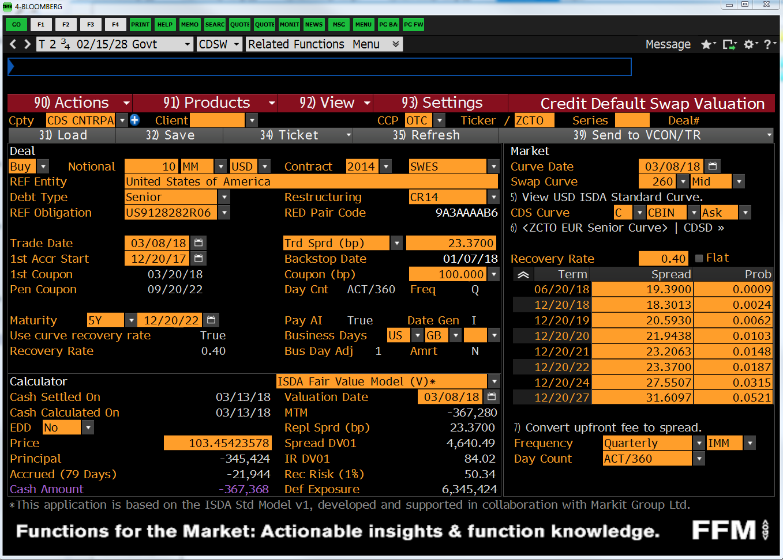
MODEL_PROPERTIES |  | CDS_MARKETDATA
AsOfDate | 6-Feb-19 | Tenor or Maturity | CDS Spread | BBG CDS Spread
SpotLag | 5D | 6M | 0.1781% | 17.81
SpotBusinessDayAdjustment | FOLLOWING | 1Y | 0.1832% | 18.32
SpotCalendar | NYB | 2Y | 0.1878% | 18.78
AccrualStartDate | 6-Feb-19 | 3Y | 0.2129% | 21.29
IMMReferenceDate | 19-Dec-18 | 4Y | 0.2353% | 23.53
Currency | USD | 5Y | 0.2489% | 24.89
RecoveryRate | 40.00% | 7Y | 0.2852% | 28.52
IncludeAccruedInterest | TRUE | 10Y | 0.3214% | 32.14
CDSCurveCollection | USDYC
SwapGenerator | USD_CDS_IMM
CreditIndex | US9128282R06 | BOND_MARKETDATA
BondHasRiskyAccruedInterest | TRUE | BondObject Name | Bond Price | Check Repricing *
BondCurveCollection | USDYC | US912828N894@1 | 99.898 | 99.588
Interpolation | PiecewiseConstant | US912828Q376@5 | 96.797 | 96.687
Extrapolation | Flat | US912828S273@4 | 95.359 | 95.302
 |  | US912828T347@2 | 95.742 | 95.689

 |  | * Only instruments included in the calibration will reprice

CDS_PRICE
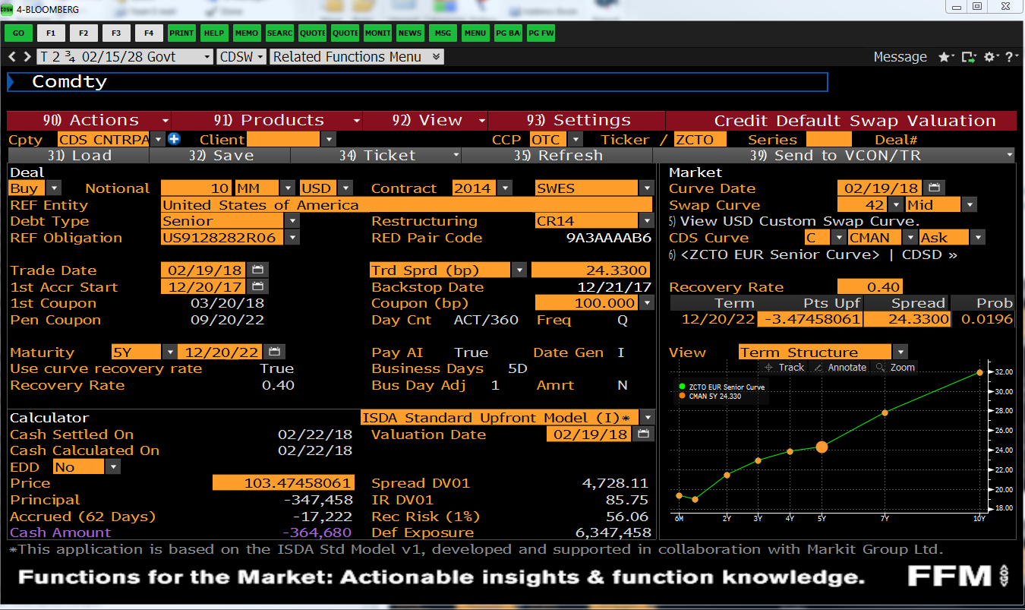
CREATE CDS |  |  | DISPLAY CASHFLOWS: PREMIUM LEG
SwapName | UST_2.75_FEB2028 |  | LEG1:PREMIUM Leg Schedule & Cashflows |  |  |  |  |  |  |  |  |  |  |  |  |  |  |  | Survival Prob | Error
CreateCDS | UST_2.75_FEB2028@10 |  | AccrualStart | AccrualEnd | AccrualDays | AccrualYearFractions | PaymentDate | Notional | NotionalExchange | Leverage | CDSSpread | SurvivalProbability | MarginalDefaultProbability | PremiumCoupon | AccrualOnDefaultCoupon | RiskyCoupon | DiscountFactor | CouponPV
 |  |  | 13-Feb-19 | 20-Mar-19 | 35 | 0.0972 | 20-Mar-19 | -10,000,000 | 0.00 | 100.000000% | 0.002489 | 99.965375% | 0 | -2,419 | 0 | -2,419.372346 | 1 | -2413.0365488 | 99.965% | 9.97E-01
CDS TRADE PARAMETERS |  |  | 20-Mar-19 | 19-Jun-19 | 91 | 0.2528 | 19-Jun-19 | -10,000,000 | 0.00 | 100.000000% | 0.002489 | 99.890397% | 0 | -6,285 | -2 | -6,287.101740 | 1 | -6232.4087747 | 99.890% | 9.96E-01
SwapGenerator | USD_CDS_IMM |  | 19-Jun-19 | 18-Sep-19 | 91 | 0.2528 | 18-Sep-19 | -10,000,000 | 0.00 | 100.000000% | 0.002489 | 99.811833% | 0 | -6,280 | -2 | -6,282.271588 | 1 | -6186.8609894 | 99.812% | 9.96E-01
PayReceivePremium | PAY |  | 18-Sep-19 | 18-Dec-19 | 91 | 0.2528 | 18-Dec-19 | -10,000,000 | 0.00 | 100.000000% | 0.002489 | 99.733332% | 0 | -6,275 | -2 | -6,277.330620 | 1 | -6139.5202759 | 99.733% | 9.95E-01
Notional | 10,000,000 |  | 18-Dec-19 | 18-Mar-20 | 91 | 0.2528 | 18-Mar-20 | -10,000,000 | 0.00 | 100.000000% | 0.002489 | 99.652809% | 0 | -6,270 | -3 | -6,272.327981 | 1 | -6091.5989059 | 99.653% | 9.94E-01
EffectiveDate | 13-Feb-19 | 5D | 18-Mar-20 | 17-Jun-20 | 91 | 0.2528 | 17-Jun-20 | -10,000,000 | 0.00 | 100.000000% | 0.002489 | 99.572327% | 0 | -6,265 | -3 | -6,267.263044 | 1 | -6043.5244597 | 99.572% | 9.93E-01
MaturityDate | 19-Dec-23 | 5Y | 17-Jun-20 | 16-Sep-20 | 91 | 0.2528 | 16-Sep-20 | -10,000,000 | 0.00 | 100.000000% | 0.002489 | 99.491910% | 0 | -6,260 | -3 | -6,262.201470 | 1 | -5995.8278805 | 99.492% | 9.92E-01
CreditSpread | 0.24890% |  | 16-Sep-20 | 16-Dec-20 | 91 | 0.2528 | 16-Dec-20 | -10,000,000 | 0.00 | 100.000000% | 0.002489 | 99.411558% | 0 | -6,255 | -3 | -6,257.143984 | 1 | -5949.0426276 | 99.412% | 9.92E-01
 |  |  | 16-Dec-20 | 17-Mar-21 | 91 | 0.2528 | 17-Mar-21 | -10,000,000 | 0.00 | 100.000000% | 0.002489 | 99.303616% | 0 | -6,248 | -3 | -6,251.220585 | 1 | -5902.7153851 | 99.304% | 9.91E-01
MODEL INPUTS |  |  | 17-Mar-21 | 16-Jun-21 | 91 | 0.2528 | 16-Jun-21 | -10,000,000 | 0.00 | 100.000000% | 0.002489 | 99.194185% | 0 | -6,241 | -3 | -6,244.382399 | 1 | -5857.0805469 | 99.194% | 9.89E-01
IRCurve | USDYC |  | 16-Jun-21 | 15-Sep-21 | 91 | 0.2528 | 15-Sep-21 | -10,000,000 | 0.00 | 100.000000% | 0.002489 | 99.084874% | 0 | -6,234 | -3 | -6,237.501174 | 1 | -5812.7187872 | 99.085% | 9.88E-01
CreditModel | CREDITMODEL1@15 |  | 15-Sep-21 | 15-Dec-21 | 91 | 0.2528 | 15-Dec-21 | -10,000,000 | 0.00 | 100.000000% | 0.002489 | 98.975684% | 0 | -6,227 | -3 | -6,230.627533 | 1 | -5769.1417278 | 98.976% | 9.87E-01
 |  |  | 15-Dec-21 | 16-Mar-22 | 91 | 0.2528 | 16-Mar-22 | -10,000,000 | 0.00 | 100.000000% | 0.002489 | 98.850229% | 0 | -6,219 | -4 | -6,223.246043 | 1 | -5725.1045324 | 98.850% | 9.86E-01
 |  |  | 16-Mar-22 | 15-Jun-22 | 91 | 0.2528 | 15-Jun-22 | -10,000,000 | 0.00 | 100.000000% | 0.002489 | 98.723983% | 0 | -6,211 | -4 | -6,215.327992 | 1 | -5680.1137411 | 98.724% | 9.85E-01
ANALYTICAL PRICE RESULTS |  |  | 15-Jun-22 | 21-Sep-22 | 98 | 0.2722 | 21-Sep-22 | -10,000,000 | 0.00 | 100.000000% | 0.002489 | 98.588205% | 0 | -6,680 | -5 | -6,684.553283 | 1 | -6064.784706 | 98.588% | 9.83E-01
Total PV | 0.00 |  | 21-Sep-22 | 21-Dec-22 | 91 | 0.2528 | 21-Dec-22 | -10,000,000 | 0.00 | 100.000000% | 0.002489 | 98.462274% | 0 | -6,195 | -4 | -6,198.852312 | 1 | -5586.0161263 | 98.462% | 9.82E-01
Leg1:Premium | -113,291 |  | 21-Dec-22 | 15-Mar-23 | 84 | 0.2333 | 15-Mar-23 | -10,000,000 | 0.00 | 100.000000% | 0.002489 | 98.345384% | 0 | -5,712 | -3 | -5,714.966387 | 1 | -5117.8093405 | 98.345% | 9.81E-01
Leg2:Protection | 113,291 |  | 15-Mar-23 | 21-Jun-23 | 98 | 0.2722 | 21-Jun-23 | -10,000,000 | 0.00 | 100.000000% | 0.002489 | 98.209187% | 0 | -6,654 | -5 | -6,658.886683 | 1 | -5919.9971426 | 98.209% | 9.80E-01
RiskyAnnuity | 45,516,715 |  | 21-Jun-23 | 20-Sep-23 | 91 | 0.2528 | 20-Sep-23 | -10,000,000 | 0.00 | 100.000000% | 0.002489 | 98.082888% | 0 | -6,171 | -4 | -6,174.994260 | 1 | -5453.1134877 | 98.083% | 9.78E-01
ParSpread | 0.24890% |  | 20-Sep-23 | 19-Dec-23 | 90 | 0.2500 | 19-Dec-23 | -10,000,000 | 0.00 | 100.000000% | 0.002489 | 97.958136% | 0 | -6,095 | -4 | -6,099.326343 | 1 | -5350.6875726 | 97.958% | 9.77E-01
CS01 | 4,552

MONTE CARLO PRICE RESULTS
RandomNumberGenerator | Sobol
Distribution | Uniform | SobolPower
NumberOfPaths | 4,096 | 12
AntitheticSampling | TRUE
EvaluateInParallel | TRUE |  | DISPLAY CASHFLOWS: PROTECTION LEG
PayDefaultCashflowsOnNextCouponDate | TRUE | +/- | LEG2:PROTECTION Leg Schedule & Cashflows |  |  |  |  |  |  |  |  |  |  |  |  |  |  |  | DefaultProb | Error
PV by MonteCarlo | 1.67 | 2 | AccrualStart | AccrualEnd | AccrualDays | AccrualYearFractions | PaymentDate | Notional | Leverage | SurvivalProbability | MarginalDefaultProbability | Coupon | DiscountFactor | CouponPV
Standard Error | 75.49 |  | 13-Feb-19 | 20-Mar-19 | 35 | 0.0972 | 20-Mar-19 | 10,000,000 | 1.00 | 99.965375% | 0 | 1,731.18 | 1 | 1,727 |  |  |  |  | 0.029% | -9.99E-01
Time Taken | 0.00800 sec | +/- | 20-Mar-19 | 19-Jun-19 | 91 | 0.2528 | 19-Jun-19 | 10,000,000 | 1.00 | 99.890397% | 0 | 4,498.73 | 1 | 4,460 |  |  |  |  | 0.075% | -9.98E-01
Leg1:Premium | -113,291.45 | 0 | 19-Jun-19 | 18-Sep-19 | 91 | 0.2528 | 18-Sep-19 | 10,000,000 | 1.00 | 99.811833% | 0 | 4,713.79 | 1 | 4,642 |  |  |  |  | 0.079% | -9.97E-01
Leg2:Protection | 113,293.12 | 2 | 18-Sep-19 | 18-Dec-19 | 91 | 0.2528 | 18-Dec-19 | 10,000,000 | 1.00 | 99.733332% | 0 | 4,710.08 | 1 | 4,607 |  |  |  |  | 0.079% | -9.97E-01
 |  |  | 18-Dec-19 | 18-Mar-20 | 91 | 0.2528 | 18-Mar-20 | 10,000,000 | 1.00 | 99.652809% | 0 | 4,831.42 | 1 | 4,692 |  |  |  |  | 0.081% | -9.96E-01
NUMERICAL INTEGRATION PRICE RESULTS |  |  | 18-Mar-20 | 17-Jun-20 | 91 | 0.2528 | 17-Jun-20 | 10,000,000 | 1.00 | 99.572327% | 0 | 4,828.90 | 1 | 4,657 |  |  |  |  | 0.080% | -9.95E-01
Num. Integration Points | 500 | +/- | 17-Jun-20 | 16-Sep-20 | 91 | 0.2528 | 16-Sep-20 | 10,000,000 | 1.00 | 99.491910% | 0 | 4,825.00 | 1 | 4,620 |  |  |  |  | 0.080% | -9.94E-01
PV by Integration | 4.94 | 5 | 16-Sep-20 | 16-Dec-20 | 91 | 0.2528 | 16-Dec-20 | 10,000,000 | 1.00 | 99.411558% | 0 | 4,821.11 | 1 | 4,584 |  |  |  |  | 0.080% | -9.93E-01
Leg1:Premium | -113,291.16 | 0 | 16-Dec-20 | 17-Mar-21 | 91 | 0.2528 | 17-Mar-21 | 10,000,000 | 1.00 | 99.303616% | 0 | 6,476.55 | 1 | 6,115 |  |  |  |  | 0.108% | -9.92E-01
Leg2:Protection | 113,296.10 | 5 | 17-Mar-21 | 16-Jun-21 | 91 | 0.2528 | 16-Jun-21 | 10,000,000 | 1.00 | 99.194185% | 0 | 6,565.87 | 1 | 6,159 |  |  |  |  | 0.109% | -9.91E-01
 |  |  | 16-Jun-21 | 15-Sep-21 | 91 | 0.2528 | 15-Sep-21 | 10,000,000 | 1.00 | 99.084874% | 0 | 6,558.64 | 1 | 6,112 |  |  |  |  | 0.109% | -9.90E-01
 |  |  | 15-Sep-21 | 15-Dec-21 | 91 | 0.2528 | 15-Dec-21 | 10,000,000 | 1.00 | 98.975684% | 0 | 6,551.410772 | 1 | 6,066 |  |  |  |  | 0.109% | -9.89E-01
 |  |  | 15-Dec-21 | 16-Mar-22 | 91 | 0.2528 | 16-Mar-22 | 10,000,000 | 1.00 | 98.850229% | 0 | 7,527.254238 | 1 | 6,925 |  |  |  |  | 0.125% | -9.87E-01
 |  |  | 16-Mar-22 | 15-Jun-22 | 91 | 0.2528 | 15-Jun-22 | 10,000,000 | 1.00 | 98.723983% | 0 | 7,574.790626 | 1 | 6,923 |  |  |  |  | 0.126% | -9.86E-01
 |  |  | 15-Jun-22 | 21-Sep-22 | 98 | 0.2722 | 21-Sep-22 | 10,000,000 | 1.00 | 98.588205% | 0 | 8,146.648175 | 1 | 7,391 |  |  |  |  | 0.136% | -9.85E-01
 |  |  | 21-Sep-22 | 21-Dec-22 | 91 | 0.2528 | 21-Dec-22 | 10,000,000 | 1.00 | 98.462274% | 0 | 7,555.865980 | 1 | 6,809 |  |  |  |  | 0.126% | -9.83E-01
 |  |  | 21-Dec-22 | 15-Mar-23 | 84 | 0.2333 | 15-Mar-23 | 10,000,000 | 1.00 | 98.345384% | 0 | 7,013.424722 | 1 | 6,281 |  |  |  |  | 0.117% | -9.82E-01
 |  |  | 15-Mar-23 | 21-Jun-23 | 98 | 0.2722 | 21-Jun-23 | 10,000,000 | 1.00 | 98.209187% | 0 | 8,171.806331 | 1 | 7,265 |  |  |  |  | 0.136% | -9.81E-01
 |  |  | 21-Jun-23 | 20-Sep-23 | 91 | 0.2528 | 20-Sep-23 | 10,000,000 | 1.00 | 98.082888% | 0 | 7,577.972220 | 1 | 6,692 |  |  |  |  | 0.126% | -9.80E-01
 |  |  | 20-Sep-23 | 19-Dec-23 | 90 | 0.2500 | 19-Dec-23 | 10,000,000 | 1.00 | 97.958136% | 0 | 7,485.112339 | 1 | 6,566 |  |  |  |  | 0.125% | -9.78E-01

