BondFutureOption USD
 | AsOfDate | 19-Sep-18
 | ValuationLag | 0D |  | Volatility:
 |  |  |  | ObjectType | Volatility
 | ValuationSetting: |  |  | AsOfDate | 19-Sep-18
 |  |  |  | Currency | USD
 | ValuationDate | 19-Sep-18 |  | VolDataSource | MANUALINPUT
 | VolatilityModel | LOGNORMAL@1:4 |  | Volatility | 5.0000%
 | PricingModel | Black |  | VolType | lognormal
 |  |  |  | ShiftSize | 0.0000%

 | Calendar | NYB |  | Name | lognormal
 | TimeToExpiry (fromAsOfDate) | 9D |  | meLWOVolatility | LOGNORMAL@1:4
 | ExpiryBusinessDayAdj | NO_CHANGE
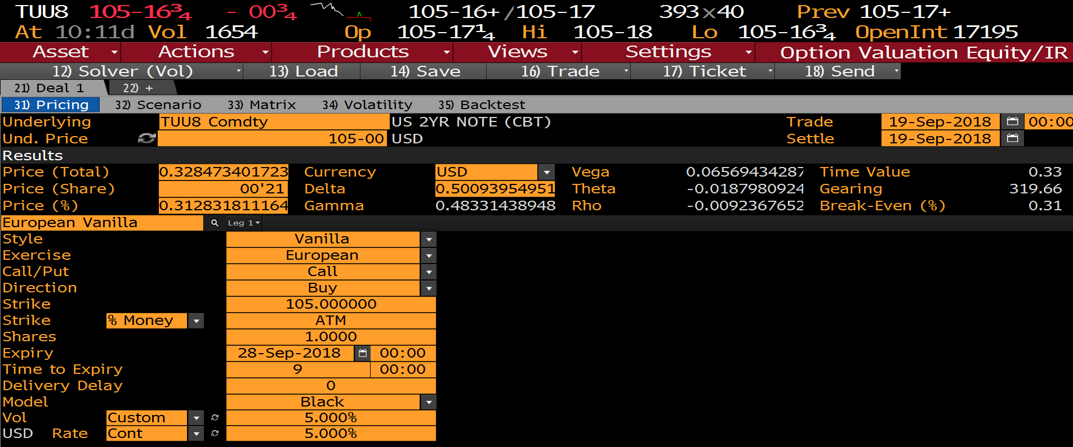
 | DeliveryLag | 0D
 | DeliveryBusinessDayAdj | NO_CHANGE
 | Option LVB:
 | ObjectType | OPTION
 | TradeType | BondOption
 | OptionStyle | European
 | CallPut | Call
 | LongShort | LONG
 | Currency | USD
 | Notional | 1
 | Leverage | 1
 | Strike | 105
 | Expiry | 28-Sep-18
 | DayCount | ACT/365
 | DeliveryDate | 28-Sep-18
 | FutureName | TUU8 Comdty

 | OptionName | BondFutureOption_USD
 | meLWOBondOptionCreate | BONDFUTUREOPTION_USD@2:4
FUT_NORM_PX | FuturePrice | 105 | =BDP($C$29,A34, "SETTLE_DT="&$C$6)
 | DiscountRate | 5.0000%
 | DiscountDayCount | ACT/360
 | meLWOBondFutureOptionPV | 0.328473401723

 | Delta | Gamma | Vega | Theta | Rho
BB greeks: | 0.500939549518 | 0.483314389489 | 0.065694342873 | -0.018798092428 | -0.009236765206

 | meLWOBondFutureOptionGreeks Numercial
 | Delta | Gamma | Vega | Theta | Rho
 | 0.500939549616 | 0.483314877009 | 0.065694342764 | -0.018785620278 | -0.008211824778

 | meLWOBondFutureOptionGreeks Analytical
 | Delta | Gamma | Vega | Theta | Rho
 | 0.500939549518 | 0.483314389489 | 0.065694342873 | -0.018248428576 | -0.008211835043

Numerical Greek Diff | -9.83E-11 | -4.88E-07 | 1.08E-10 | -1.25E-05 | -1.02E-03
Analytical Greek Diff | 0.00E+00 | 0.00E+00 | 3.75E-16 | -5.50E-04 | -1.02E-03

BondOption German
 | AsOfDate | 19-Sep-18 |  |  |  |  | r= 0%
 | BondSettlementLag | 2D |  | Volatility:
 | ValuationLag | 2D |  | ObjectType | Volatility
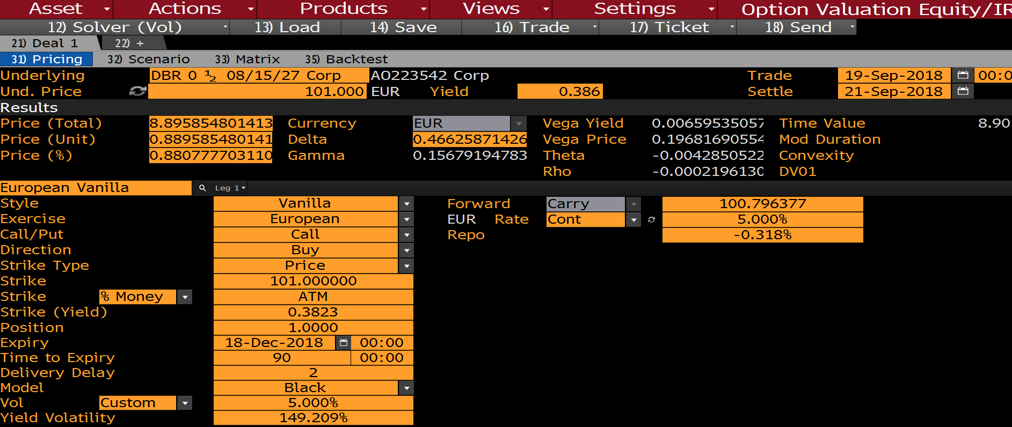
 | ValuationSetting: |  |  | AsOfDate | 19-Sep-18
 | BondSettlementDate | 21-Sep-18 |  | Currency | EUR
 | ValuationDate | 21-Sep-18 |  | VolDataSource | MANUALINPUT
 | VolatilityModel | LOGNORMAL@3:2 |  | Volatility | 5.000% | fwd vol (user input)
 | PricingModel | Black |  | VolType | lognormal
 |  |  |  | ShiftSize | 0.0000%

 | TimeToExpiry | 90D |  | VolName | lognormal
 | Calendar | TGT |  | meLWOVolatility | LOGNORMAL@3:2
 | DeliveryLag | 2D
 |  |  |  | meLWOBondCreateFromGeneratorLVB | DE0001102424@4:2
 | Option LVB: |  |  | BondGenerator | GERMAN_BUND_TYPE60
 | ObjectType | OPTION |  | Bond ID | DE0001102424 Govt
 | TradeType | BondOption |  | Bond Override LVB
 | OptionStyle | European |  | ISIN | DE0001102424
 | CallPut | Call |  | IssueDate | 14-Jul-17
 | LongShort | LONG |  | AccrualStartDate | 14/07/2017
 | Currency | EUR |  | RollDay
 | Notional | 1 |  | Coupon | 0.50%
 | Leverage | 1 |  | MaturityDate | 15-Aug-27
 | Strike | 101 |  | FirstCouponDate | 15-Aug-18
 | Expiry | 18-Dec-18 |  | LastCouponDate | 15-Aug-26
 | DayCount | ACT/365 |  | SettleDateLag | 2D
 | DeliveryDate | 20-Dec-18
 | BondName | DE0001102424@4:2 |  | CurveCollection | EURYC
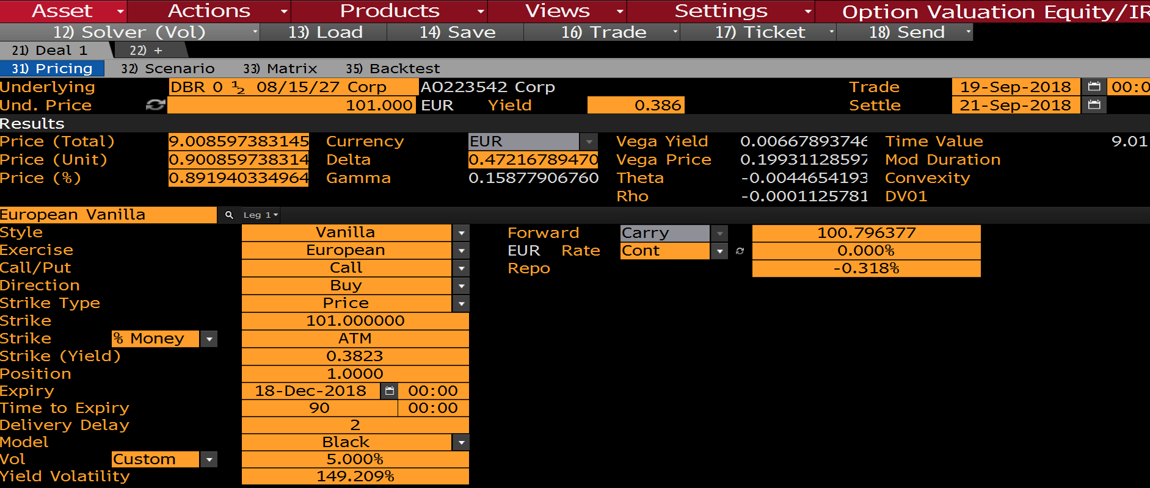
 |  |  |  | DiscountCurve | EUR6ML

 | OptionName | BondOptionMurex
 | meLWOBondOptionCreate | BONDOPTIONMUREX@5:2 |  |  |  |  | r=5%

 | UnderlyingPrice(Clean) | 101 | =BDP($F$16,"PX_MID", "SETTLE_DT="&C6) | r=0% | r=5%
REPO_REPORATE | RepoRate | -0.31800% | =BDP($F$16,A35, "SETTLE_DT="&C5)% | 0.90085973831 | 0.88958548039
REPO_DAY_CNT | RepoDayCount | ACT/360 | MLIB | 9.01E-01 | 0.889669081142
 | DiscountRate | 5.00000% | PV Diff | -2.25E-09 | -8.36E-05
="ACT/"&BDP($F$23,A36) | DiscountDayCount | ACT/360
 | meLWOBondOptionPV | 0.889669081142 | 0.90085974057 | -0.0021383704
 |  |  | 0.902998110955

 | Delta | Gamma | Vega | Theta | Rho
BB greeks r = 0%: | 0.472167894701 | 0.158779067610 | 0.199311285972 | -0.004465419359 | -0.000112578194
BB greeks r = 5%: | 0.466258714260 | 0.156791947835 | 0.196816905550 | -0.004285052273 | -0.000219613093

 | meLWOBondOptionGreeks
 | Delta | Gamma | Vega | Theta | Rho
 | 0.46630597588 | 0.15681109744 | 0.19673041226 | -0.0055562202367 | -0.22234005994

r=0% Greek Diff | 5.86E-03 | 1.97E-03 | 2.58E-03 | 1.09E-03 | 2.22E-01
r=5% Greek Diff | -4.73E-05 | -1.91E-05 | 8.65E-05 | 1.27E-03 | 2.22E-01

BondOption Murex HCdata
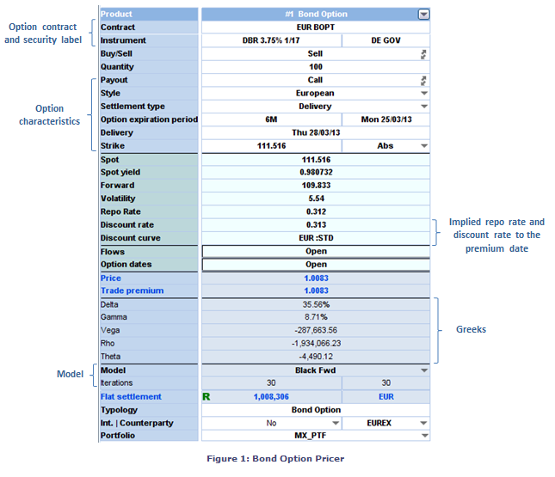
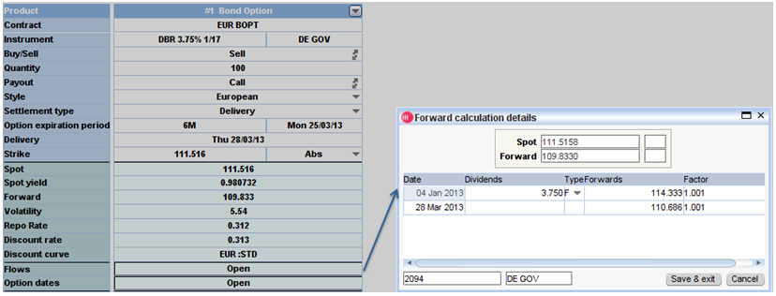
 | AsOfDate | 25-Sep-12
 | ValuationLag | 2D |  | Volatility:
 | BondSettlementLag | 3D |  | ObjectType | Volatility
 | ValuationSetting: |  |  | AsOfDate | 25-Sep-12
 | ValuationDate | 27-Sep-12 | Spot Premium Date | Currency | EUR
 | BondSettlementDate | 28-Sep-12 | Spot Payment Date | VolDataSource | MANUALINPUT
 | VolatilityModel | LOGNORMAL@8:3 |  | Volatility | 5.539% | fwd vol (user input)
 | PricingModel | Black |  | VolType | lognormal
 |  |  |  | ShiftSize | 0.0000%

 |  |  |  | VolName | lognormal
 | TimeToExpiry | 6M |  | meLWOVolatility | LOGNORMAL@8:3
 | Calendar | TGT
 | UnderlyingDeliveryLag | 3D |  | meLWOBondCreateFromGeneratorLVB | DE0001135317@6:3
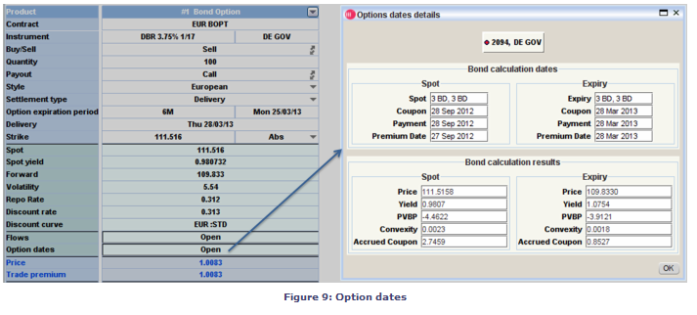
 | Option LVB: |  |  | BondGenerator | GERMAN_BUND_TYPE60
 | ObjectType | OPTION |  | Bond ID | DE0001135317 Govt
 | TradeType | BondOption |  | Bond Override LVB
 | OptionStyle | European |  | ISIN | DE0001135317
 | CallPut | Call |  | IssueDate | 17-Nov-06
 | LongShort | LONG |  | AccrualStartDate | 17/11/2006
 | Currency | EUR |  | RollDay
 | Notional | 1 |  | Coupon | 3.75%
 | Leverage | 1 |  | MaturityDate | 4-Jan-17
 | Strike | 111.5158000000 |  | FirstCouponDate | 4-Jan-08
 | Expiry | 25-Mar-13 |  | LastCouponDate | 4-Jan-16
 | DayCount | ACT/365 |  | SettleDateLag | 2D
 | DeliveryDate | 28-Mar-13
 | BondName | DE0001135317@6:3

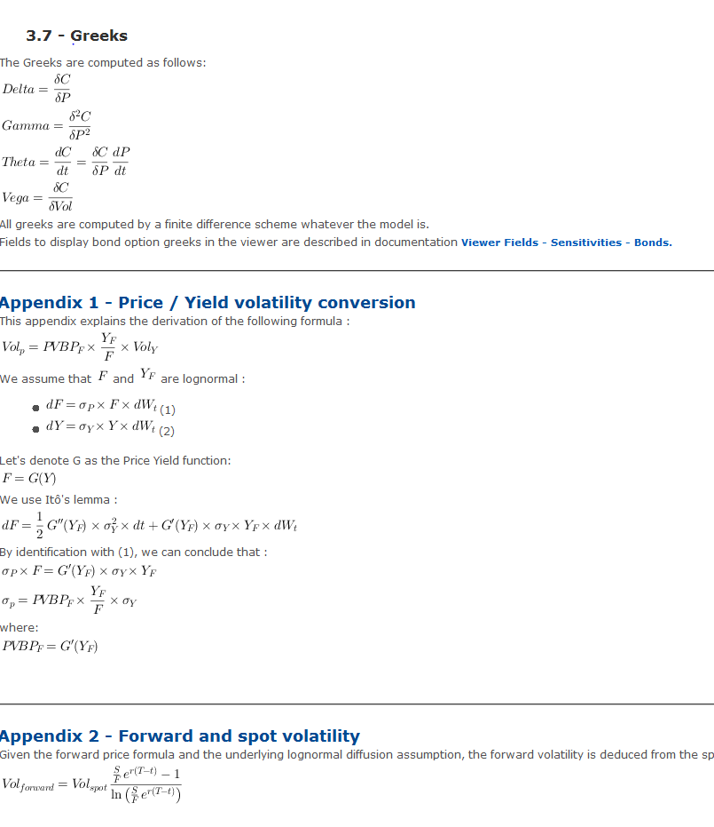
 | OptionName | BondOptionMurex
 | meLWOBondOptionCreate | BONDOPTIONMUREX@7:3

 | UnderlyingPrice(Clean) | 111.5158
REPO_REPORATE | RepoRate | 0.31185%
REPO_DAY_CNT | RepoDayCount | ACT/365
 | DiscountRate | 0.31300%
 | DiscountDayCount | ACT/365
 | meLWOBondOptionPV | 1.008302611413
 | meLWOBondForwardPrice | 109.833000000000

 | Murex forward price | 109.833
 | Murex OptionPV | 1.0083

 | Delta | Gamma | Vega | Theta | Rho
Murex | 0.355600000000 | 0.087100000000 | -0.287663560000 | -0.004490120000 | -1,934,066.230000000000

 | meLWOBondOptionGreeks
 | Delta | Gamma | Vega | Theta | Rho
 | 0.35556573899 | 0.087084117695 | 0.28766343174 | -0.0044679547261 | -0.50242204064
Diff | 3.43E-05 | 1.59E-05 | 1.28E-07 | 2.22E-05

