SwaptionMath
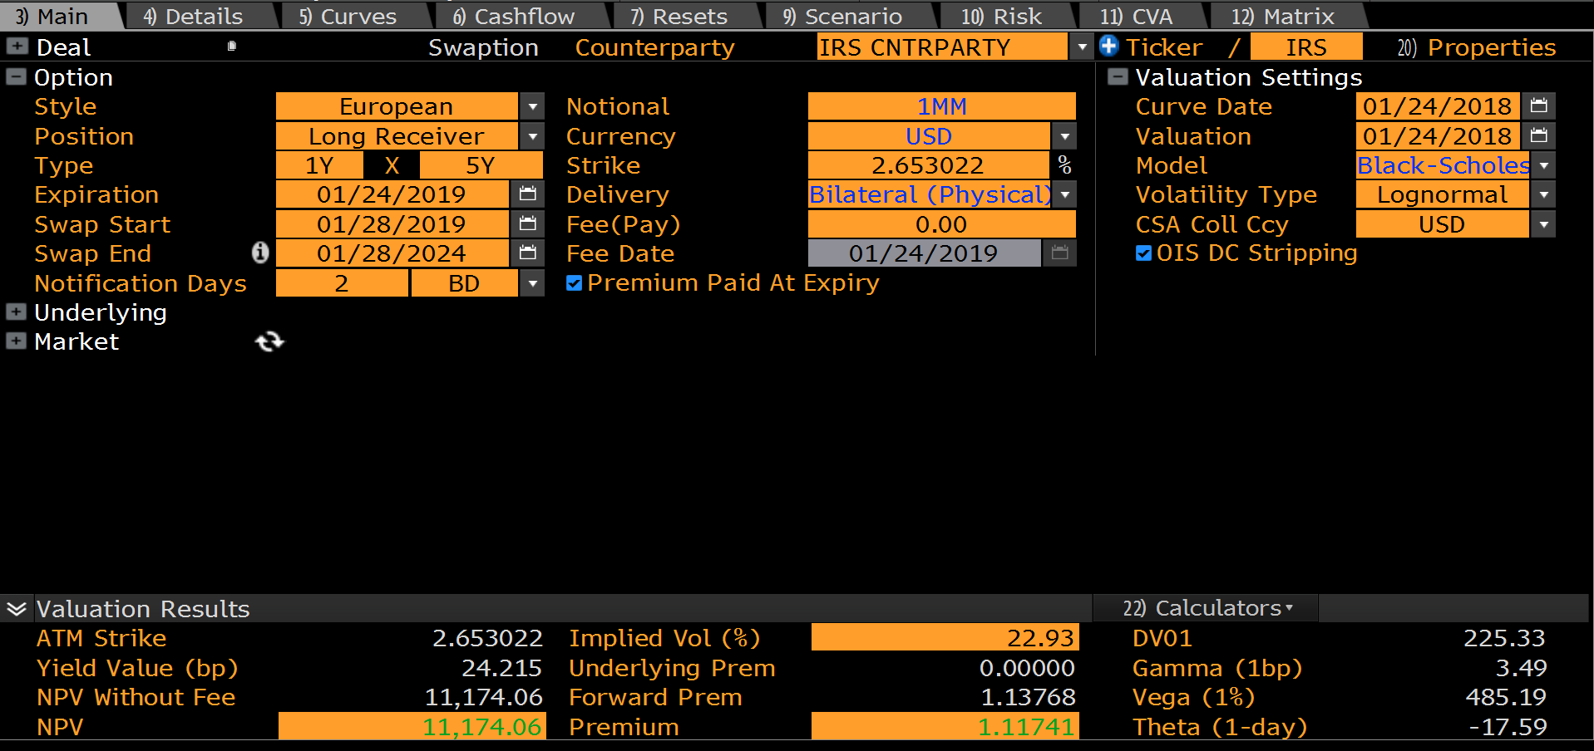
 | USD SWAPTION |  |  |  | LOGNORMAL
 | PayerReceiver | PAYER | 0.9945 | TimeToExpiry
 | Notional | 1,000,000
 | Expiry | 1Y | 15-Aug-19 | NYB:LNB
 | SwapTenor | 5Y | 15-Aug-24 | Unadjusted
 | NotificationLag | 2D | 13-Aug-19 | NYB:LNB
 | UnderlyingSwap | USD_3ML
 | SwapRate | 2.93636% | 2.669155% | SwapRate
 | Strike | 2.93636% | 0.976626 | Discount Factor

 | UNDERLYING SWAP
 | CreateSwap | USD_3ML@14:0 | 5.0000 | Swap Tenor (Annuity Uses Fixed Leg Daycount)
 | FixedFrequency | SEMI-ANNUAL | 2 | No Coupons Per Year
 | StubType | SHORT_START | 4,510,912 | Cash Annuity
 | Annuity | 4,548,911 | 4,548,911 | Physical Annuity

 | PRICE
 | ValuationDate | 15-Aug-18
 | Curve | USDYC
 | SettlementType | PHYSICAL
 | Black-76 Vol | 22.93% | Lognormal Vol
22.93% | LOGNORMAL | 12,159 | USD
0.6070% | NORMAL | 10,985

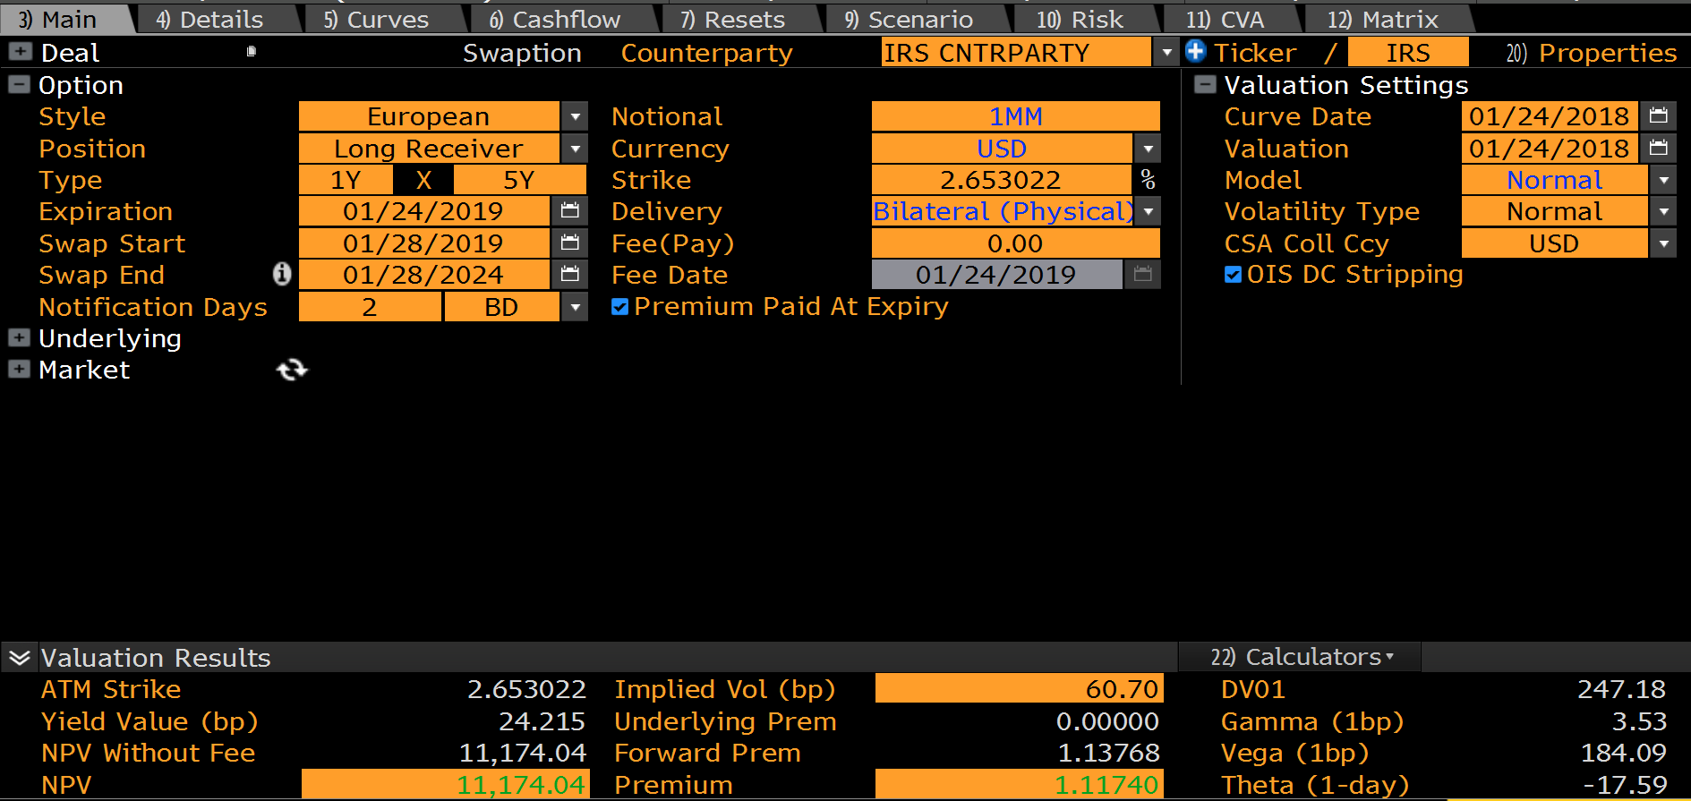
 |  |  |  |  | NORMAL
 | K | Lognormal | Normal
 | 0.00000% | 133,572 | 133,572
 | 0.1000% | 129,023 | 129,023
 | 0.2000% | 124,474 | 124,474
 | 0.3000% | 119,925 | 119,926
 | 0.4000% | 115,377 | 115,377
 | 0.5000% | 110,828 | 110,828
 | 0.6000% | 106,279 | 106,279
 | 0.7000% | 101,730 | 101,731
 | 0.8000% | 97,181 | 97,182
 | 0.9000% | 92,632 | 92,635
 | 1.0000% | 88,083 | 88,088
 | 1.1000% | 83,534 | 83,544
 | 1.2000% | 78,985 | 79,002
 | 1.3000% | 74,437 | 74,465
 | 1.4000% | 69,891 | 69,936
 | 1.5000% | 65,349 | 65,420
 | 1.6000% | 60,817 | 60,921
 | 1.7000% | 56,306 | 56,449
 | 1.8000% | 51,829 | 52,015
 | 1.9000% | 47,411 | 47,632
 | 2.0000% | 43,076 | 43,319
 | 2.1000% | 38,859 | 39,096
 | 2.2000% | 34,793 | 34,990
 | 2.3000% | 30,914 | 31,026
 | 2.4000% | 27,253 | 27,235
 | 2.5000% | 23,837 | 23,647
 | 2.6000% | 20,688 | 20,289
 | 2.7000% | 17,818 | 17,188
 | 2.8000% | 15,233 | 14,364
 | 2.9000% | 12,928 | 11,832
 | 3.0000% | 10,897 | 9,598
 | 3.1000% | 9,124 | 7,662
 | 3.2000% | 7,591 | 6,015
 | 3.3000% | 6,279 | 4,639
 | 3.4000% | 5,164 | 3,513
 | 3.5000% | 4,224 | 2,611
 | 3.6000% | 3,439 | 1,903
 | 3.7000% | 2,786 | 1,360
 | 3.8000% | 2,248 | 952
 | 3.9000% | 1,806 | 652
 | 4.0000% | 1,446 | 438
 | 4.1000% | 1,153 | 287
 | 4.2000% | 917 | 184
 | 4.3000% | 727 | 116
 | 4.4000% | 575 | 71
 | 4.5000% | 453 | 43
 | 4.6000% | 356 | 25
 | 4.7000% | 280 | 14
 | 4.8000% | 219 | 8
 | 4.9000% | 171 | 4
 | 5.0000% | 134 | 2
 | 5.1000% | 104 | 1
 | 5.2000% | 81 | 1
 | 5.3000% | 63 | 0
 | 5.4000% | 49 | 0
 | 5.5000% | 38 | 0
 | 5.6000% | 30 | 0
 | 5.7000% | 23 | 0
 | 5.8000% | 18 | 0
 | 5.9000% | 14 | 0
 | 6.0000% | 11 | 0
 | 6.1000% | 8 | 0
 | 6.2000% | 6 | 0
 | 6.3000% | 5 | 0
 | 6.4000% | 4 | 0
 | 6.5000% | 3 | 0
 | 6.6000% | 2 | 0
 | 6.7000% | 2 | 0
 | 6.8000% | 1 | 0
 | 6.9000% | 1 | 0
 | 7.0000% | 1 | 0
 | 7.1000% | 1 | 0
 | 7.2000% | 0 | 0
 | 7.3000% | 0 | 0
 | 7.4000% | 0 | 0
 | 7.5000% | 0 | 0
 | 7.6000% | 0 | 0
 | 7.7000% | 0 | 0
 | 7.8000% | 0 | 0
 | 7.9000% | 0 | 0
 | 8.0000% | 0 | 0
 | 8.1000% | 0 | 0
 | 8.2000% | 0 | 0
 | 8.3000% | 0 | 0
 | 8.4000% | 0 | 0
 | 8.5000% | 0 | 0
 | 8.6000% | 0 | 0
 | 8.7000% | 0 | 0
 | 8.8000% | 0 | 0
 | 8.9000% | 0 | 0
 | 9.0000% | 0 | 0
 | 9.1000% | 0 | 0

USD Swaption
SWAPTION |  |  | VOLATILITY
ObjectType | OPTION |  | ObjectType | VOLATILITY
TradeType | EUROPEAN_SWAPTION |  | AsOfDate | 15-Aug-18
OptionStyle | EUROPEAN |  | Currency | USD
LongShort | LONG |  | VolDataSource | SWAPTION
PayerReceiver | PAYER |  | Volatility | 22.93%
TenorDescription | 1X5 |  | VolType | LOGNORMAL
EffectiveDate | 15-Aug-18 | 0D | ShiftSize | 0.00%
BusinessDayAdjustment | MOD_FOLLOWING
Calendar | NYB |  | VALUATION SETTINGS
Daycount | ACT/365 |  | CurveCollection | USDYC
Expiry | 1Y | 15-Aug-19 | VolatilityModel | USDSWAPTIONVOL@9:7
NotificationDays | 2D
SettlementType | PHYSICAL |  | PRICING
Currency | USD |  | meLWOSwaptionCreate | USD_SWAPTION@13:8
Notional | 1,000,000 |  | PV | 12,159
Leverage | 1.00
Strike | 2.93636%
SwapGenerator | USD_3ML
SwapStart | 1Y | 15-Aug-19
SwapEnd | 5Y | 15-Aug-24 | FEE VALUATION
Fee | 0 |  | DiscountFactor | 1.000000
FeeDate | 15-Aug-18 |  | FeePV | 0

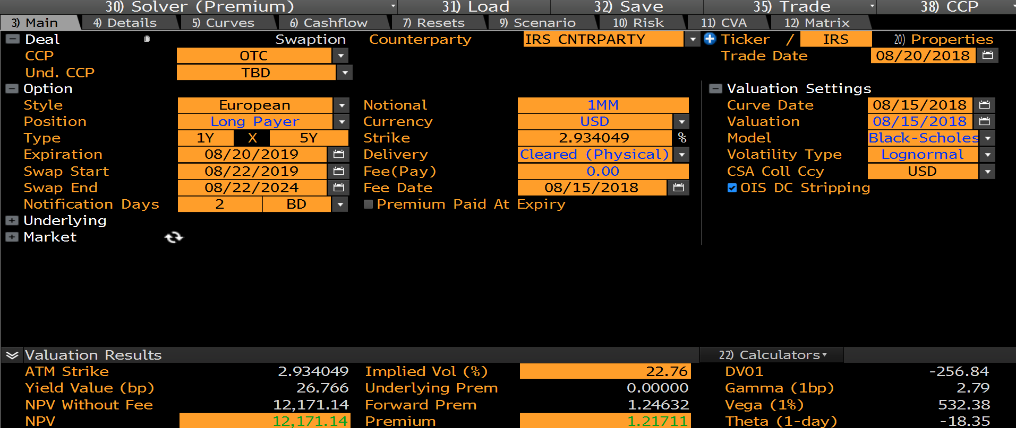
 |  |  |  |  | Underlying | UNDERLYING@11:7
 |  |  |  |  | SwapRate | 2.93636%

 |  |  |  |  | Payer/Receiver | PAYER
 |  |  |  |  | Annuity | 4,548,911
 |  |  |  |  | SwapRate | 2.93636%
 |  |  |  |  | Strike | 2.93636%
 |  |  |  |  | Volatility | 22.93%
 |  |  |  |  | Time | 0.99
 |  |  |  |  | Shift | 0.00
 |  |  |  |  | VolType | LOGNORMAL
 |  |  |  |  | Settlement | PHYSICAL

 |  |  |  |  | Price | 12,159

