SwaptionMath
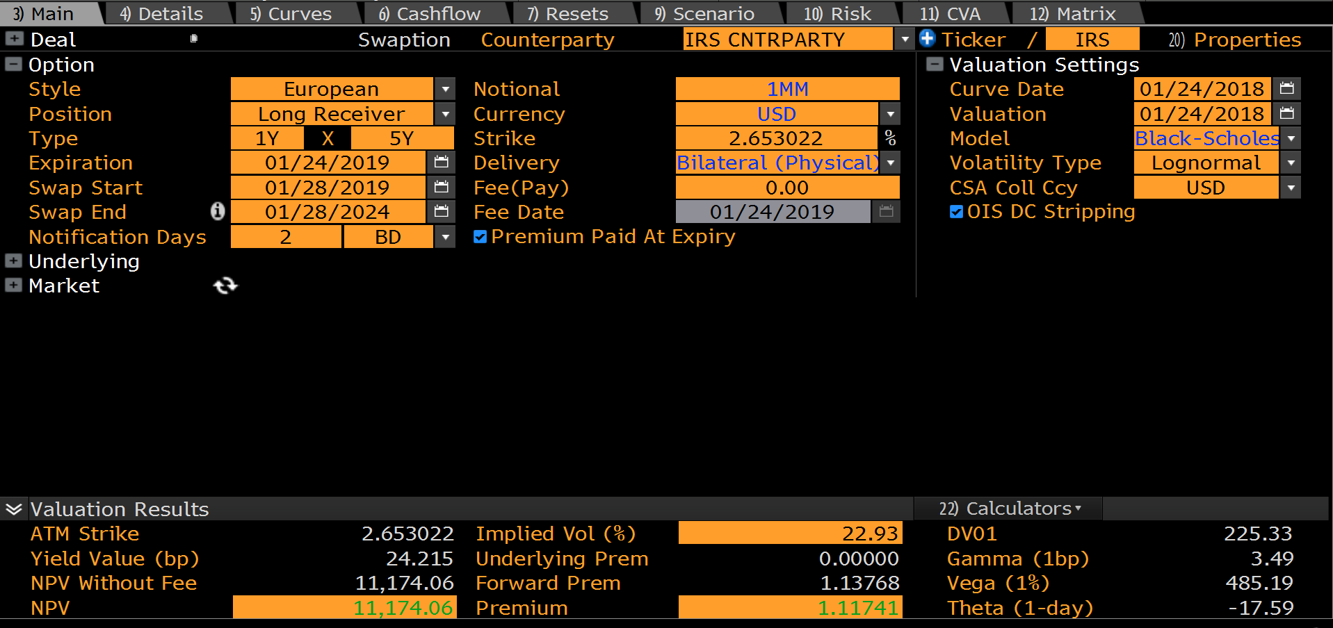
 | USD SWAPTION |  |  |  | LOGNORMAL
 | PayerReceiver | PAYER | 0.9945 | TimeToExpiry
 | Notional | 1,000,000
 | Expiry | 1Y | 5-Sep-19 | NYB:LNB
 | SwapTenor | 5Y | 5-Sep-24 | Unadjusted
 | NotificationLag | 2D | 3-Sep-19 | NYB:LNB
 | UnderlyingSwap | USD_3ML
 | SwapRate | 2.96372% | 2.963719% | SwapRate
 | Strike | 2.96372% | 0.976020 | Discount Factor

 | UNDERLYING SWAP
 | CreateSwap | USD_3ML@28:4 | 5.0000 | Swap Tenor (Annuity Uses Fixed Leg Daycount)
 | FixedFrequency | SEMI-ANNUAL | 2 | No Coupons Per Year
 | StubType | SHORT_START | 4,504,845 | Cash Annuity
 | Annuity | 45,430,079 | 45,430,079 | Physical Annuity

 | PRICE
 | ValuationDate | 5-Sep-18
 | Curve | USDYC
 | SettlementType | PHYSICAL
 | Black-76 Vol | 22.93% | Lognormal Vol
22.93% | LOGNORMAL | 122,562 | USD
0.6070% | NORMAL | 109,711

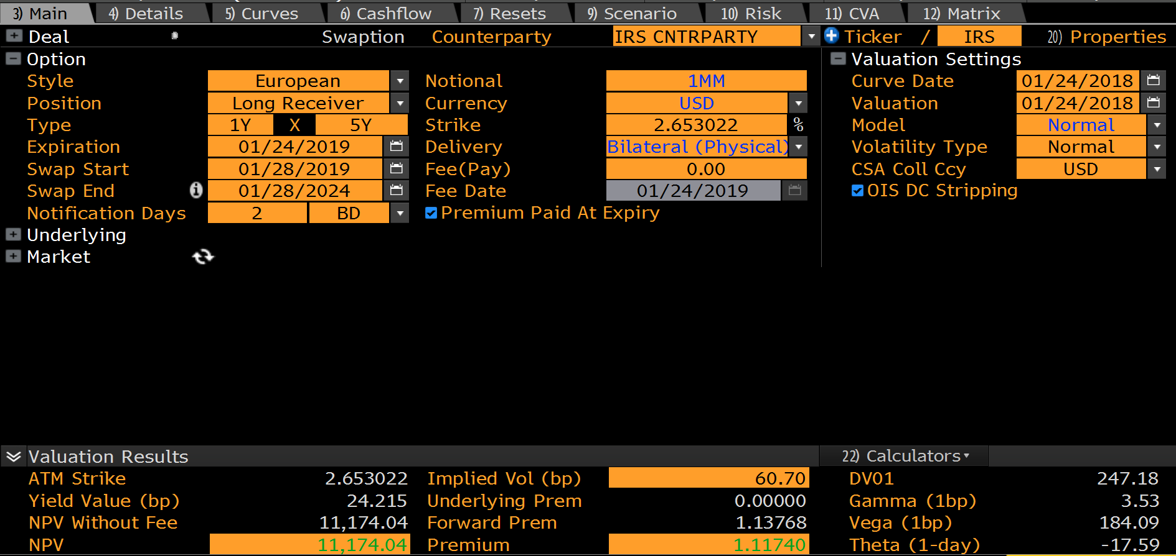
 |  |  |  |  | NORMAL
 | K | Lognormal | Normal
 | 0.00000% | 1,346,420 | 1,346,420
 | 0.1000% | 1,300,990 | 1,300,990
 | 0.2000% | 1,255,560 | 1,255,560
 | 0.3000% | 1,210,130 | 1,210,130
 | 0.4000% | 1,164,700 | 1,164,700
 | 0.5000% | 1,119,270 | 1,119,271
 | 0.6000% | 1,073,840 | 1,073,843
 | 0.7000% | 1,028,410 | 1,028,416
 | 0.8000% | 982,979 | 982,991
 | 0.9000% | 937,549 | 937,572
 | 1.0000% | 892,119 | 892,163
 | 1.1000% | 846,689 | 846,769
 | 1.2000% | 801,261 | 801,401
 | 1.3000% | 755,837 | 756,078
 | 1.4000% | 710,428 | 710,824
 | 1.5000% | 665,059 | 665,677
 | 1.6000% | 619,781 | 620,694
 | 1.7000% | 574,684 | 575,949
 | 1.8000% | 529,911 | 531,546
 | 1.9000% | 485,664 | 487,617
 | 2.0000% | 442,202 | 444,331
 | 2.1000% | 399,836 | 401,891
 | 2.2000% | 358,901 | 360,535
 | 2.3000% | 319,742 | 320,532
 | 2.4000% | 282,682 | 282,171
 | 2.5000% | 247,998 | 245,750
 | 2.6000% | 215,908 | 211,559
 | 2.7000% | 186,556 | 179,865
 | 2.8000% | 160,010 | 150,888
 | 2.9000% | 136,263 | 124,792
 | 3.0000% | 115,245 | 101,667
 | 3.1000% | 96,828 | 81,523
 | 3.2000% | 80,845 | 64,293
 | 3.3000% | 67,099 | 49,831
 | 3.4000% | 55,378 | 37,932
 | 3.5000% | 45,462 | 28,339
 | 3.6000% | 37,136 | 20,767
 | 3.7000% | 30,193 | 14,919
 | 3.8000% | 24,442 | 10,501
 | 3.9000% | 19,705 | 7,239
 | 4.0000% | 15,827 | 4,885
 | 4.1000% | 12,667 | 3,226
 | 4.2000% | 10,104 | 2,083
 | 4.3000% | 8,036 | 1,316
 | 4.4000% | 6,373 | 812
 | 4.5000% | 5,042 | 490
 | 4.6000% | 3,979 | 289
 | 4.7000% | 3,133 | 166
 | 4.8000% | 2,462 | 93
 | 4.9000% | 1,931 | 51
 | 5.0000% | 1,513 | 27
 | 5.1000% | 1,183 | 14
 | 5.2000% | 923 | 7
 | 5.3000% | 720 | 4
 | 5.4000% | 561 | 2
 | 5.5000% | 437 | 1
 | 5.6000% | 339 | 0
 | 5.7000% | 264 | 0
 | 5.8000% | 205 | 0
 | 5.9000% | 159 | 0
 | 6.0000% | 123 | 0
 | 6.1000% | 95 | 0
 | 6.2000% | 74 | 0
 | 6.3000% | 57 | 0
 | 6.4000% | 44 | 0
 | 6.5000% | 34 | 0
 | 6.6000% | 27 | 0
 | 6.7000% | 21 | 0
 | 6.8000% | 16 | 0
 | 6.9000% | 12 | 0
 | 7.0000% | 10 | 0
 | 7.1000% | 7 | 0
 | 7.2000% | 6 | 0
 | 7.3000% | 4 | 0
 | 7.4000% | 3 | 0
 | 7.5000% | 3 | 0
 | 7.6000% | 2 | 0
 | 7.7000% | 2 | 0
 | 7.8000% | 1 | 0
 | 7.9000% | 1 | 0
 | 8.0000% | 1 | 0
 | 8.1000% | 1 | 0
 | 8.2000% | 0 | 0
 | 8.3000% | 0 | 0
 | 8.4000% | 0 | 0
 | 8.5000% | 0 | 0
 | 8.6000% | 0 | 0
 | 8.7000% | 0 | 0
 | 8.8000% | 0 | 0
 | 8.9000% | 0 | 0
 | 9.0000% | 0 | 0
 | 9.1000% | 0 | 0

USD Swaption
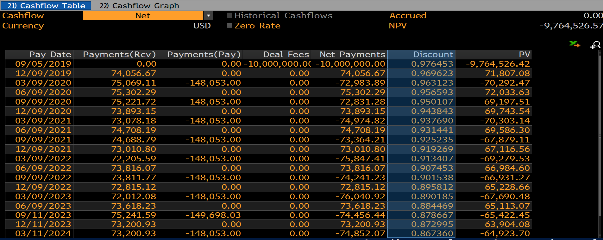
SWAPTION |  |  | VOLATILITY |  | PRICING & RISK |  | BLOOMBERG RISK COMPARE |  | +/-
ObjectType | OPTION |  | ObjectType | VOLATILITY | Price | 122,246.98 | Price | 122,551.36 | -304.38
TradeType | EUROPEAN_SWAPTION |  | AsOfDate | 5-Sep-18 | Delta | -2,449.60 | Delta | -2,560.14 | 110.54
OptionStyle | EUROPEAN |  | Currency | USD | Gamma | 26.65 | Gamma | 27.56 | -0.91
LongShort | LONG |  | VolDataSource | SWAPTION | Vega | 5,317.48 | Vega | 5,330.10 | -12.62
PayerReceiver | PAYER |  | Volatility | 22.89% | Theta | -167.54 | Theta | -216.94 | 49.40
TenorDescription | 1X5 |  | VolType | LOGNORMAL
EffectiveDate | 5-Sep-18 | 0D | ShiftSize | 0.00%
BusinessDayAdjustment | MOD_FOLLOWING
Calendar | NYB |  | VALUATION SETTINGS
Daycount | ACT/365 |  | CurveCollection | USDYC
Expiry | 1Y | 5-Sep-19 | VolatilityModel | USDSWAPTIONVOL@9:8
NotificationDays | 2D | 3-Sep-19
SettlementType | PHYSICAL |  | PRICING
Currency | USD |  | meLWOSwaptionCreate | USD_SWAPTION@13:7
Notional | 10,000,000 |  | PV | 122,247
Leverage | 1.00
Strike | 2.96113% |  | IMPLIED VOLATILITY
SwapGenerator | USD_3ML |  | Volatility | 22.89%
SwapStart | 1Y | 5-Sep-19
SwapEnd | 5Y | 5-Sep-24 | FEE VALUATION
Fee | 0 |  | DiscountFactor | 0.976453
FeeDate | 5-Sep-19 |  | FeePV | 0

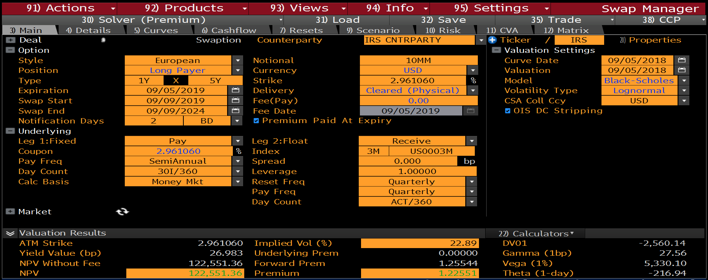
Swaption with USD 10MM Fee |  |  |  |  |  |  | UNDERLYING SWAP
 |  |  |  |  |  |  | Underlying | UNDERLYING_SWAP@12:6
 |  |  |  |  |  |  | SwapRate | 2.96113%

 |  |  |  |  |  |  | Payer/Receiver | PAYER
 |  |  |  |  |  |  | Annuity | 45,431,781
 |  |  |  |  |  |  | SwapRate | 2.96113%
 |  |  |  |  |  |  | Strike | 2.96113%
 |  |  |  |  |  |  | Volatility | 22.89%
 |  |  |  |  |  |  | Expiry * | 0.9945 | * Adjusted for Notification Lag
 |  |  |  |  |  |  | VolShift | 0.00%
 |  |  |  |  |  |  | VolType | LOGNORMAL
 |  |  |  |  |  |  | Settlement | PHYSICAL

 |  |  |  |  |  |  | Price | 122,247

 |  |  |  |  |  |  | ImpliedVol | 22.89%

 |  |  |  |  |  |  |  | Price Risk | Adjusted Risk ** | +/-
 |  |  |  |  |  |  | Delta | -2,478 | -2,450 | 28.41
 |  |  |  |  |  |  | Gamma | 27 | 27 | 0.01
 |  |  |  |  |  |  | Vega | 5,317 | 5,317 | 0.00
 |  |  |  |  |  |  | Theta | -168 | -168 | 0.00
 |  |  |  |  |  |  | ** Includes Fee and Annuity Risk

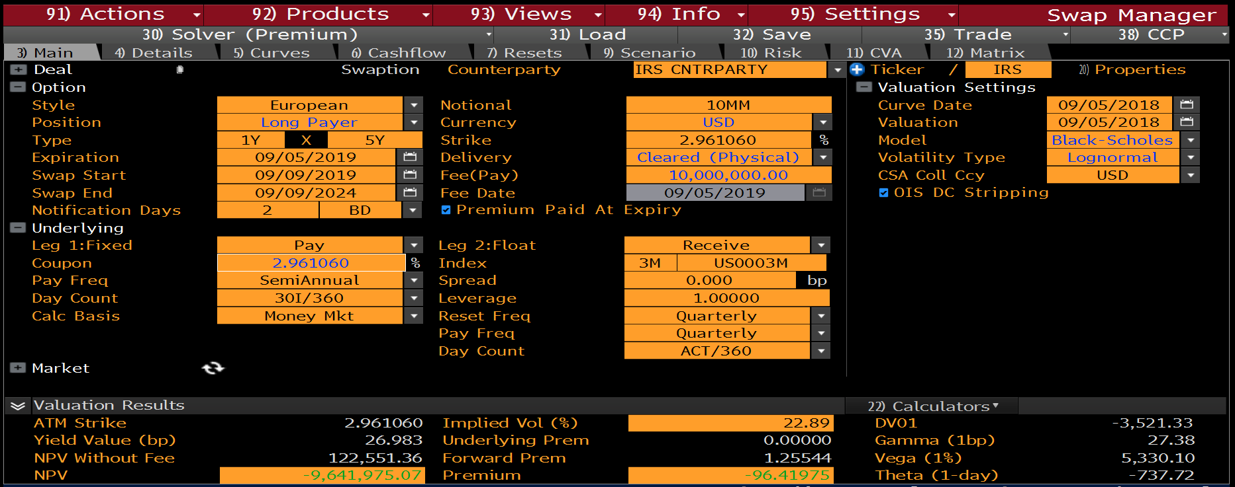
Swaption with USD 10MM Fee |  |  |  |  |  |  | BLOOMBERG DISCOUNT FACTORS & FORWARDS
 |  |  |  |  |  |  | Bloomberg Discount Factors |  |  |  | Bloomberg USD3ML Forward Rates
 |  |  |  |  |  |  | PaymentDate | Discount Factor |  |  | ResetDate | ForwardRate | %
 |  |  |  |  |  |  | 2019-09-05 | 0.976453 |  |  | 2019-09-05 | 2.92971 | 2.92971%
 |  |  |  |  |  |  | 2019-12-09 | 0.969623 |  |  | 2019-12-05 | 2.96977 | 2.96977%
 |  |  |  |  |  |  | 2020-03-09 | 0.963123 |  |  | 2020-03-05 | 2.94661 | 2.94661%
 |  |  |  |  |  |  | 2020-06-09 | 0.956593 |  |  | 2020-06-05 | 2.94346 | 2.94346%
 |  |  |  |  |  |  | 2020-09-09 | 0.950107 |  |  | 2020-09-07 | 2.92325 | 2.92325%
 |  |  |  |  |  |  | 2020-12-09 | 0.943843 |  |  | 2020-12-07 | 2.92313 | 2.92313%
 |  |  |  |  |  |  | 2021-03-09 | 0.937690 |  |  | 2021-03-05 | 2.92336 | 2.92336%
 |  |  |  |  |  |  | 2021-06-09 | 0.931441 |  |  | 2021-06-07 | 2.9226 | 2.92260%
 |  |  |  |  |  |  | 2021-09-09 | 0.925235 |  |  | 2021-09-07 | 2.88834 | 2.88834%
 |  |  |  |  |  |  | 2021-12-09 | 0.919269 |  |  | 2021-12-07 | 2.88822 | 2.88822%
 |  |  |  |  |  |  | 2022-03-09 | 0.913407 |  |  | 2022-03-07 | 2.88845 | 2.88845%
 |  |  |  |  |  |  | 2022-06-09 | 0.907453 |  |  | 2022-06-07 | 2.88829 | 2.88829%
 |  |  |  |  |  |  | 2022-09-09 | 0.901538 |  |  | 2022-09-07 | 2.8806 | 2.88060%
 |  |  |  |  |  |  | 2022-12-09 | 0.895812 |  |  | 2022-12-07 | 2.88048 | 2.88048%
 |  |  |  |  |  |  | 2023-03-09 | 0.890185 |  |  | 2023-03-07 | 2.88071 | 2.88071%
 |  |  |  |  |  |  | 2023-06-09 | 0.884469 |  |  | 2023-06-07 | 2.88159 | 2.88159%
 |  |  |  |  |  |  | 2023-09-11 | 0.878667 |  |  | 2023-09-07 | 2.89586 | 2.89586%
 |  |  |  |  |  |  | 2023-12-11 | 0.872995 |  |  | 2023-12-07 | 2.89586 | 2.89586%
 |  |  |  |  |  |  | 2024-03-11 | 0.867360 |  |  | 2024-03-07 | 2.89586 | 2.89586%
 |  |  |  |  |  |  | 2024-06-10 | 0.861761 |  |  | 2024-06-06 | 2.89586 | 2.89586%
 |  |  |  |  |  |  | 2024-09-09 | 0.856198

 |  |  |  |  |  |  | Use Bloomberg Curves |  | FALSE

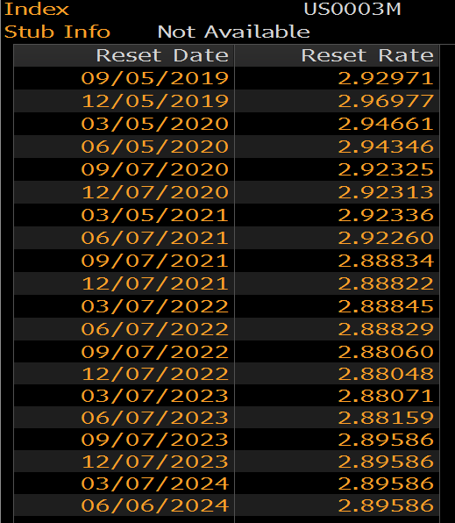
Bloomberg Resets |  |  |  |  |  |  | Disabled |  |  |  | Disabled
 |  |  |  |  |  |  | CurveCollection | USDYC |  |  | CurveCollection | USDYC
 |  |  |  |  |  |  | CurveIndex | OIS |  |  | CurveIndex | USD3ML

Bloomberg Discount Factors

