ItalianType523
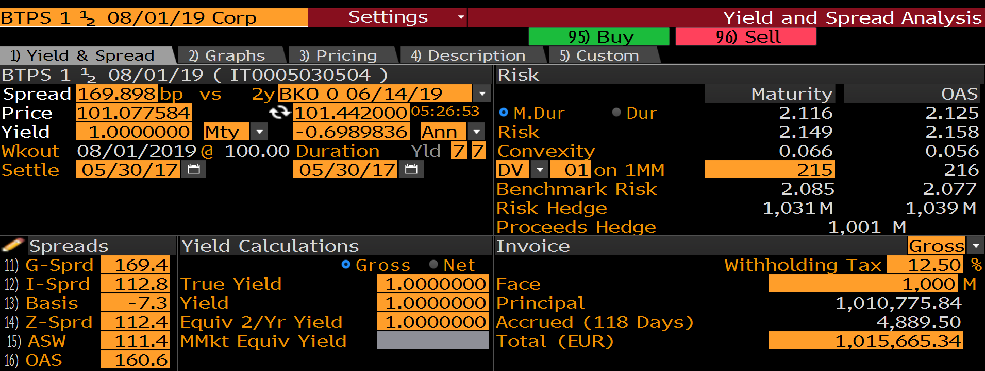
meLWOBondCreate | EK3526614 GOVT@1:0
HandleName | EK3526614 Govt

BondLVB
BondDescription | EK3526614 Govt
BondType | FIXED
Currency | EUR
ISIN | IT0005030504
YieldType | YIELD-TO-MATURITY
IsCleanPrice | TRUE
BondQuoteConvention | QUOTE_IN_32NDS

ScheduleLVB
PayReceive | RECEIVE
NotionalExchange | START_AND_END
FaceValue | 1,000,000
IssueDate | 1-Jul-14
AccrualStartDate | 1-Jul-14
FirstCouponDate | 1-Aug-14
LastCouponDate | 1-Feb-19
MaturityDate | 1-Aug-19
Coupon | 1.50%
Frequency | Semi-Annual
YieldFrequency | Annual
TaxRate | 12.50%
IssuePrice | 100.74
AccrualBusinessDayAdjustment | MOD_FOLLOWING
AccrualCalendar | TGT
PaymentBusinessDayAdjustment | NO_CHANGE
PaymentCalendar | TGT
PaymentLag | 0D
DayCount | ACT/ACT
CalculationType | TYPE523

LWO Display |  | LWO Save
BONDDESCRIPTION | EK3526614 Govt | =meLWOSave(C3,"BOND","C:\Temp\Bond") |  | MLIB | BB
BONDTYPE | FIXED |  | Dirty Price | 101.566534 | 101.566534
PAYRECEIVE | RECEIVE | LWO Load | Accrued Days | 118 | 118
BONDQUOTECONVENTION | QUOTE_IN_32NDS | =meLWOLoad("C:\Temp\Bond.json") | Accrued Interest | 4,889.50 | 4,889.50
YIELDTYPE | YIELD-TO-MATURITY |  | Clean Price | 101.077584 | 101.077584
CURRENCY | EUR | LWO Exists
ISIN | IT0005030504 | TRUE
ISCLEANPRICE | TRUE |  | LWO Display Cashflows
COUPON | 1.50% | LWO List | SettlementDate | 30-May-17
NOTIONALEXCHANGE | START_AND_END | EI6037572 GOVT@1 | Quoted Bond Yield (True Yield) | 1.0000000%
FACEVALUE | 1000000.00 | EK3526614 GOVT@1
ISSUEDATE | 1-Jul-14 |  | AccrualStart | AccrualEnd | AccrualYearFractions | TrueYieldYearFractions | PaymentDate | Notional | NotionalExchange | Leverage | FixedRate | Coupon | DiscountFactor | CouponPV
TAXRATE | 12.50% |  |  |  |  |  | 1-Jul-14 |  | -1,000,000 | 1.00 |  | -1,000,000 | 0.00000000000 | 0
MATURITYDATE | 1-Aug-19 |  | 1-Jul-14 | 1-Aug-14 | 0.085635359116 | 0.50 | 1-Aug-14 | 1,000,000 | 0 | 1.00 | 1.50% | 1,285 | 0.00000000000 | 0
ACCRUALSTARTDATE | 1-Jul-14 |  | 1-Aug-14 | 2-Feb-15 | 0.5 | 0.50 | 1-Feb-15 | 1,000,000 | 0 | 1.00 | 1.50% | 7,500 | 0.00000000000 | 0
FIRSTCOUPONDATE | 1-Aug-14 |  | 2-Feb-15 | 3-Aug-15 | 0.5 | 0.50 | 1-Aug-15 | 1,000,000 | 0 | 1.00 | 1.50% | 7,500 | 0.00000000000 | 0
LASTCOUPONDATE | 1-Feb-19 |  | 3-Aug-15 | 1-Feb-16 | 0.5 | 0.49 | 1-Feb-16 | 1,000,000 | 0 | 1.00 | 1.50% | 7,500 | 0.00000000000 | 0
FREQUENCY | Semi-Annual |  | 1-Feb-16 | 1-Aug-16 | 0.5 | 0.50 | 1-Aug-16 | 1,000,000 | 0 | 1.00 | 1.50% | 7,500 | 0.00000000000 | 0
ACCRUALBUSINESSDAYADJUSTMENT | MOD_FOLLOWING |  | 1-Aug-16 | 1-Feb-17 | 0.5 | 0.50 | 1-Feb-17 | 1,000,000 | 0 | 1.00 | 1.50% | 7,500 | 0.00000000000 | 0
YIELDFREQUENCY | Annual |  | 1-Feb-17 | 1-Aug-17 | 0.5 | 0.50 | 1-Aug-17 | 1,000,000 | 0 | 1.00 | 1.50% | 7,500 | 0.99826981109 | 7,487
ISSUEPRICE | 100.74 |  | 1-Aug-17 | 1-Feb-18 | 0.5 | 0.50 | 1-Feb-18 | 1,000,000 | 0 | 1.00 | 1.50% | 7,500 | 0.99331558790 | 7,450
ACCRUALCALENDAR | TGT |  | 1-Feb-18 | 1-Aug-18 | 0.5 | 0.50 | 1-Aug-18 | 1,000,000 | 0 | 1.00 | 1.50% | 7,500 | 0.98838595158 | 7,413
PAYMENTBUSINESSDAYADJUSTMENT | NO_CHANGE |  | 1-Aug-18 | 1-Feb-19 | 0.5 | 0.50 | 1-Feb-19 | 1,000,000 | 0 | 1.00 | 1.50% | 7,500 | 0.98348078010 | 7,376
PAYMENTCALENDAR | TGT |  | 1-Feb-19 | 1-Aug-19 | 0.5 | 0.50 | 1-Aug-19 | 1,000,000 | 1,000,000 | 1.00 | 1.50% | 1,007,500 | 0.97859995206 | 985,939
PAYMENTLAG | 0D
DAYCOUNT | ACT/ACT
CALCULATIONTYPE | TYPE523

ItalianType527
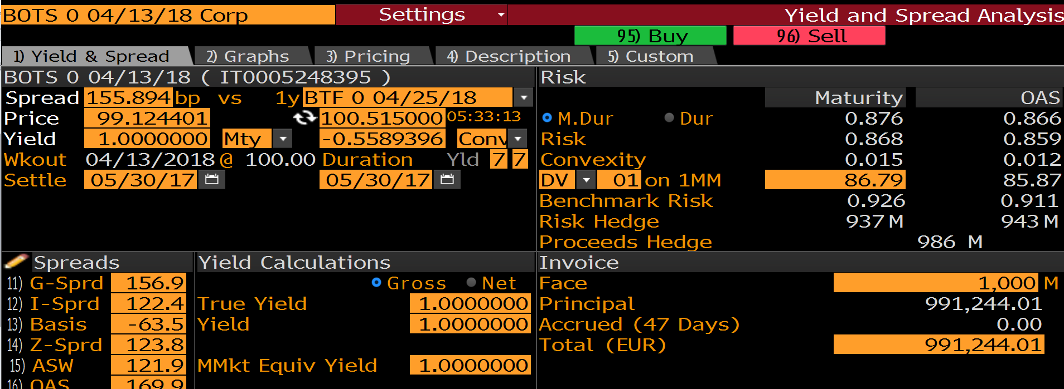
meLWOBondCreate | AN1045482 GOVT@2:5
HandleName | AN1045482 Govt

BondLVB
BondDescription | AN1045482 Govt
BondType | FIXED
Currency | EUR
ISIN | IT0005248395
YieldType | YIELD-TO-MATURITY
IsCleanPrice | TRUE
BondQuoteConvention | QUOTE_IN_32NDS

ScheduleLVB
PayReceive | RECEIVE
NotionalExchange | START_AND_END
FaceValue | 1,000,000
IssueDate | 13-Apr-17
AccrualStartDate
FirstCouponDate
LastCouponDate
MaturityDate | 13-Apr-18
Coupon | 0.00%
Frequency | Annual
YieldFrequency | Annual

AccrualBusinessDayAdjustment | MOD_FOLLOWING
AccrualCalendar | TGT
PaymentBusinessDayAdjustment | NO_CHANGE
PaymentCalendar | TGT
PaymentLag | 0D
DayCount | ACT/360
CalculationType | TYPE527

LWO Display |  | LWO Save
BONDDESCRIPTION | AN1045482 Govt | =meLWOSave(C3,"BOND","C:\Temp\Bond") |  | MLIB | BB
BONDTYPE | FIXED |  | Dirty Price | 99.124401 | 99.124401
PAYRECEIVE | RECEIVE | LWO Load | Accrued Days | 47 | 47
BONDQUOTECONVENTION | QUOTE_IN_32NDS | =meLWOLoad("C:\Temp\Bond.json") | Accrued Interest | 0.00 | 0.00
YIELDTYPE | YIELD-TO-MATURITY |  | Clean Price | 99.124401 | 99.124401
CURRENCY | EUR | LWO Exists
ISIN | IT0005248395 | TRUE
ISCLEANPRICE | TRUE |  | LWO Display Cashflows
COUPON | 0.00% | LWO List | SettlementDate | 30-May-17
NOTIONALEXCHANGE | START_AND_END | AN1045482 GOVT@2 | Quoted Bond Yield (True Yield) | 1.0000000%
FACEVALUE | 1000000.00 | EI6037572 GOVT@1
ISSUEDATE | 13-Apr-17 | EK3526614 GOVT@1 | AccrualStart | AccrualEnd | AccrualYearFractions | TrueYieldYearFractions | PaymentDate | Notional | NotionalExchange | Leverage | FixedRate | Coupon | DiscountFactor | CouponPV
MATURITYDATE | 4320300.00% |  |  |  |  |  | 13-Apr-17 |  | -1,000,000 | 1.00 |  | -1,000,000 | 0.00000000000 | 0
ACCRUALSTARTDATE |  |  | 13-Apr-17 | 13-Apr-18 | 1 | 1.01 | 13-Apr-18 | 1,000,000 | 1,000,000 | 1.00 | 0.00% | 1,000,000 | 0.99124401123 | 991,244
FIRSTCOUPONDATE |  |  | #N/A | #N/A | #N/A | #N/A | #N/A | #N/A | #N/A | #N/A | #N/A | #N/A | #N/A | #N/A
LASTCOUPONDATE |  |  | #N/A | #N/A | #N/A | #N/A | #N/A | #N/A | #N/A | #N/A | #N/A | #N/A | #N/A | #N/A
FREQUENCY | Annual |  | #N/A | #N/A | #N/A | #N/A | #N/A | #N/A | #N/A | #N/A | #N/A | #N/A | #N/A | #N/A
ACCRUALBUSINESSDAYADJUSTMENT | MOD_FOLLOWING |  | #N/A | #N/A | #N/A | #N/A | #N/A | #N/A | #N/A | #N/A | #N/A | #N/A | #N/A | #N/A
YIELDFREQUENCY | Annual |  | #N/A | #N/A | #N/A | #N/A | #N/A | #N/A | #N/A | #N/A | #N/A | #N/A | #N/A | #N/A
ACCRUALCALENDAR | TGT |  | #N/A | #N/A | #N/A | #N/A | #N/A | #N/A | #N/A | #N/A | #N/A | #N/A | #N/A | #N/A
PAYMENTBUSINESSDAYADJUSTMENT | NO_CHANGE |  | #N/A | #N/A | #N/A | #N/A | #N/A | #N/A | #N/A | #N/A | #N/A | #N/A | #N/A | #N/A
PAYMENTCALENDAR | TGT |  | #N/A | #N/A | #N/A | #N/A | #N/A | #N/A | #N/A | #N/A | #N/A | #N/A | #N/A | #N/A
PAYMENTLAG | 0D |  | #N/A | #N/A | #N/A | #N/A | #N/A | #N/A | #N/A | #N/A | #N/A | #N/A | #N/A | #N/A
DAYCOUNT | ACT/360 |  | #N/A | #N/A | #N/A | #N/A | #N/A | #N/A | #N/A | #N/A | #N/A | #N/A | #N/A | #N/A
CALCULATIONTYPE | TYPE527

ItalianType529
meLWOBondCreate | AL4007319 GOVT@3:0
HandleName | AL4007319 Govt
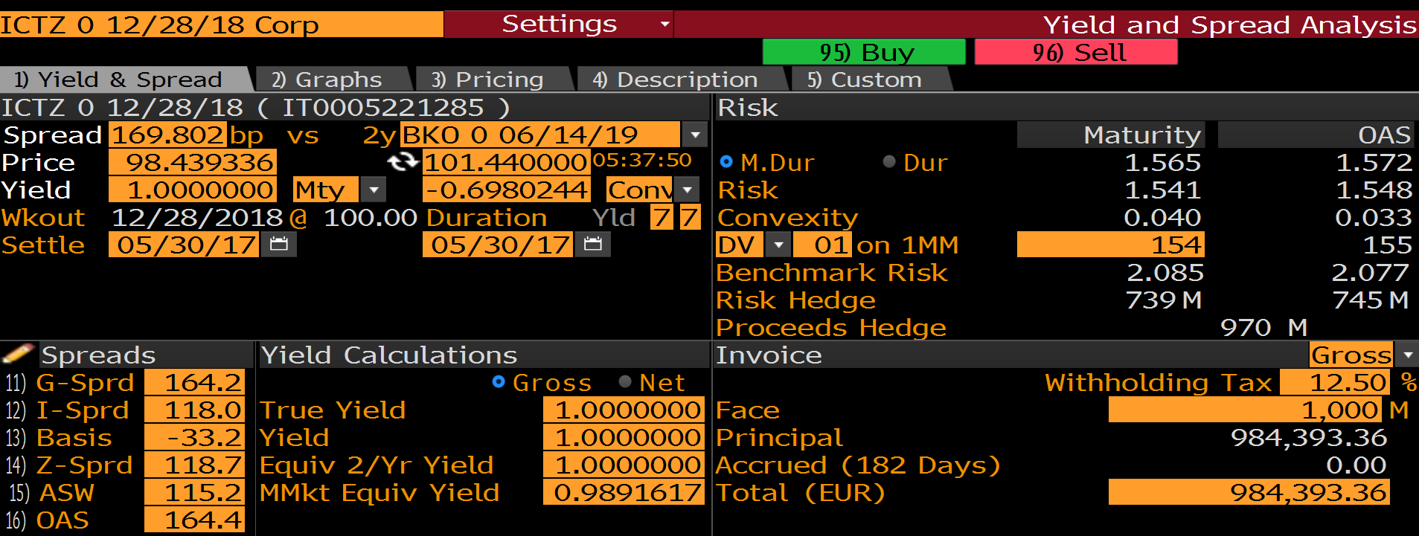
BondLVB
BondDescription | AL4007319 Govt
BondType | FIXED
Currency | EUR
ISIN | IT0005221285
YieldType | YIELD-TO-MATURITY
IsCleanPrice | TRUE
BondQuoteConvention | QUOTE_IN_32NDS

ScheduleLVB
PayReceive | RECEIVE
NotionalExchange | START_AND_END
FaceValue | 1,000,000
IssueDate | 29-Nov-16
AccrualStartDate
FirstCouponDate
LastCouponDate
MaturityDate | 28-Dec-18
Coupon | 0.00%
Frequency | Annual
YieldFrequency | Annual

AccrualBusinessDayAdjustment | MOD_FOLLOWING
AccrualCalendar | TGT
PaymentBusinessDayAdjustment | NO_CHANGE
PaymentCalendar | TGT
PaymentLag | 0D
DayCount | ACT/365
CalculationType | TYPE529

LWO Display |  | LWO Save
BONDDESCRIPTION | AL4007319 Govt | =meLWOSave(C3,"BOND","C:\Temp\Bond") |  | MLIB | BB
BONDTYPE | FIXED |  | Dirty Price | 98.439336 | 98.439336
PAYRECEIVE | RECEIVE | LWO Load | Accrued Days | 153 | 182 | 212
BONDQUOTECONVENTION | QUOTE_IN_32NDS | =meLWOLoad("C:\Temp\Bond.json") | Accrued Interest | 0.00 | 0.00
YIELDTYPE | YIELD-TO-MATURITY |  | Clean Price | 98.439336 | 98.439336
CURRENCY | EUR | LWO Exists
ISIN | IT0005221285 | TRUE
ISCLEANPRICE | TRUE |  | LWO Display Cashflows
COUPON | 0.00% | LWO List | SettlementDate | 30-May-17
NOTIONALEXCHANGE | START_AND_END | AN1045482 GOVT@2 | Quoted Bond Yield (True Yield) | 1.0000000%
FACEVALUE | 1000000.00 | EI6037572 GOVT@1
ISSUEDATE | 29-Nov-16 | EK3526614 GOVT@1 | AccrualStart | AccrualEnd | AccrualYearFractions | TrueYieldYearFractions | PaymentDate | Notional | NotionalExchange | Leverage | FixedRate | Coupon | DiscountFactor | CouponPV
MATURITYDATE | 4346200.00% |  |  |  |  |  | 29-Nov-16 |  | -1,000,000 | 1.00 |  | -1,000,000 | 0.00000000000 | 0
ACCRUALSTARTDATE |  |  | 29-Nov-16 | 28-Dec-16 | 0.079452054795 | 0.08 | 28-Dec-16 | 1,000,000 | 0 | 1.00 | 0.00% | 0 | 0.00000000000 | 0
FIRSTCOUPONDATE |  |  | 28-Dec-16 | 28-Dec-17 | 1 | 1.00 | 28-Dec-17 | 1,000,000 | 0 | 1.00 | 0.00% | 0 | 0.99423729818 | 0
LASTCOUPONDATE |  |  | 28-Dec-17 | 28-Dec-18 | 1 | 1.00 | 28-Dec-18 | 1,000,000 | 1,000,000 | 1.00 | 0.00% | 1,000,000 | 0.98439336454 | 984,393
FREQUENCY | Annual |  | #N/A | #N/A | #N/A | #N/A | #N/A | #N/A | #N/A | #N/A | #N/A | #N/A | #N/A | #N/A
ACCRUALBUSINESSDAYADJUSTMENT | MOD_FOLLOWING |  | #N/A | #N/A | #N/A | #N/A | #N/A | #N/A | #N/A | #N/A | #N/A | #N/A | #N/A | #N/A
YIELDFREQUENCY | Annual |  | #N/A | #N/A | #N/A | #N/A | #N/A | #N/A | #N/A | #N/A | #N/A | #N/A | #N/A | #N/A
ACCRUALCALENDAR | TGT |  | #N/A | #N/A | #N/A | #N/A | #N/A | #N/A | #N/A | #N/A | #N/A | #N/A | #N/A | #N/A
PAYMENTBUSINESSDAYADJUSTMENT | NO_CHANGE |  | #N/A | #N/A | #N/A | #N/A | #N/A | #N/A | #N/A | #N/A | #N/A | #N/A | #N/A | #N/A
PAYMENTCALENDAR | TGT |  | #N/A | #N/A | #N/A | #N/A | #N/A | #N/A | #N/A | #N/A | #N/A | #N/A | #N/A | #N/A
PAYMENTLAG | 0D |  | #N/A | #N/A | #N/A | #N/A | #N/A | #N/A | #N/A | #N/A | #N/A | #N/A | #N/A | #N/A
DAYCOUNT | ACT/365 |  | #N/A | #N/A | #N/A | #N/A | #N/A | #N/A | #N/A | #N/A | #N/A | #N/A | #N/A | #N/A
CALCULATIONTYPE | TYPE529

