EUR Swaps
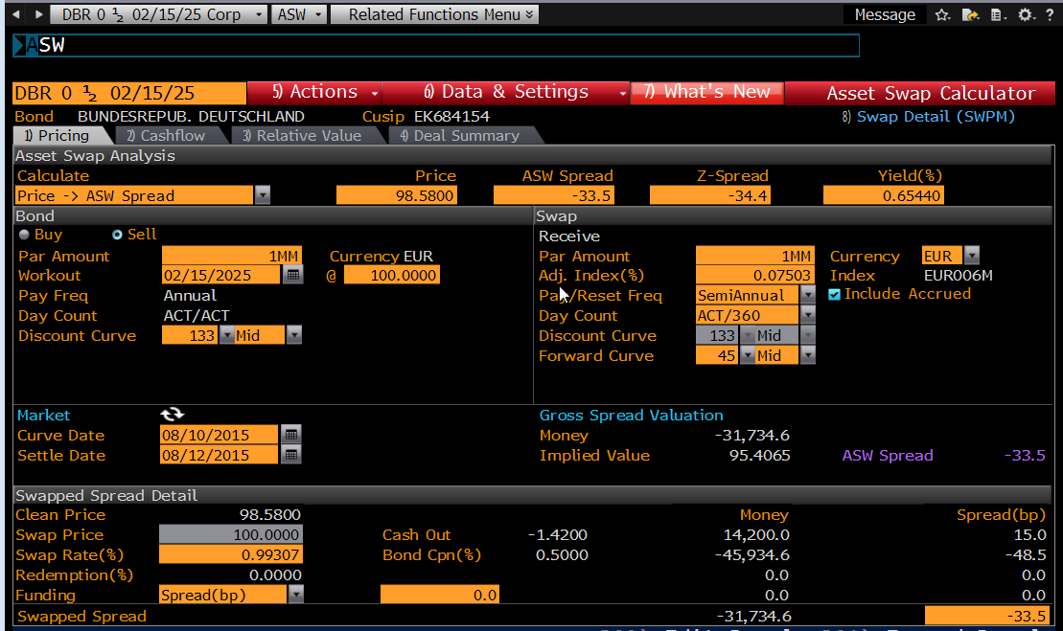
EUR Asset Swap | FIXED LEG | FLOAT LEG
Notional | 1,000,000
Payer/Receiver | PAYER
Effective Date | #NAME? | 2D
MaturityOrTenor | 15-Feb-25
Yield Curve ID | EUR_JPYCSA
Rate / Spread | 0.50000% | 0.00
frequency | Annual | Semi-Annual
daycount | ACT/ACT | ACT/360
rollConv | MOD_FOLLOWING | MOD_FOLLOWING
calendar | TGT | TGT
firstStub
lastStub
rollDay | 15 | 15
fixingLag | - | 0D
firstFixing | -
lastFixing | -
paymentLag | 0D | 0D
StubType | ShortStart | ShortStart
Interpolation | Spline
Forecast Curve | STD
Discount Curve | OIS
Interp Forwards | TRUE
EOM Roll | TRUE

Bond Clean Price | mirGetParRate4 | mirSwapPV
98.5800 | #NAME? | #NAME?

 |  | mirAssetSwapSpread
 |  | #NAME?

