USD Forwards
...
 | OIS | USD3ML
19-Feb-16 | 0.00000% | 0.00000%
0 | 0.00000% | 0.00000%
0 | 0.00000% | 0.00000%
0 | 0.00000% | 0.00000%
0 | 0.00000% | 0.00000%
0 | 0.00000% | 0.00000%
0 | 0.00000% | 0.00000%
0 | 0.00000% | 0.00000%
0 | 0.00000% | 0.00000%
0 | 0.00000% | 0.00000%
0 | 0.00000% | 0.00000%
0 | 0.00000% | 0.00000%
0 | 0.00000% | 0.00000%
0 | 0.00000% | 0.00000%
0 | 0.00000% | 0.00000%
0 | 0.00000% | 0.00000%
0 | 0.00000% | 0.00000%
0 | 0.00000% | 0.00000%
0 | 0.00000% | 0.00000%
0 | 0.00000% | 0.00000%
0 | 0.00000% | 0.00000%
0 | 0.00000% | 0.00000%
0 | 0.00000% | 0.00000%
0 | 0.00000% | 0.00000%
0 | 0.00000% | 0.00000%
0 | 0.00000% | 0.00000%
0 | 0.00000% | 0.00000%
0 | 0.00000% | 0.00000%
0 | 0.00000% | 0.00000%
0 | 0.00000% | 0.00000%
0 | 0.00000% | 0.00000%
0 | 0.00000% | 0.00000%
0 | 0.00000% | 0.00000%
0 | 0.00000% | 0.00000%
0 | 0.00000% | 0.00000%
0 | 0.00000% | 0.00000%
0 | 0.00000% | 0.00000%
0 | 0.00000% | 0.00000%
0 | 0.00000% | 0.00000%
0 | 0.00000% | 0.00000%
0 | 0.00000% | 0.00000%
0 | 0.00000% | 0.00000%
0 | 0.00000% | 0.00000%
0 | 0.00000% | 0.00000%
0 | 0.00000% | 0.00000%
0 | 0.00000% | 0.00000%
0 | 0.00000% | 0.00000%
0 | 0.00000% | 0.00000%
0 | 0.00000% | 0.00000%
0 | 0.00000% | 0.00000%
...
 | USD3ML
 | CurveCollection | USDYC
 | Frequency | Simple
 | Daycount | Act/360
 | SlidingRule | MOD_FOLLOWING
 | Calendar | NYB
 | Interpolation | MonotoneConvex
 | IndexName | USD3ML
 | InterpForwards | TRUE
 | UseFwdData | FALSE
 | Periodicity | 3M
 | Display | TRUE

 | USD3ML Forwards
mirGetForwardRate2 | FromDate | ToDate | mirGetForwardRate2
#NAME? | 19-Feb-16 | #NAME? | #NAME?
#NAME? | #NAME? | #NAME? | #NAME?
#NAME? | #NAME? | #NAME? | #NAME?
#NAME? | #NAME? | #NAME? | #NAME?
#NAME? | #NAME? | #NAME? | #NAME?
#NAME? | #NAME? | #NAME? | #NAME?
#NAME? | #NAME? | #NAME? | #NAME?
#NAME? | #NAME? | #NAME? | #NAME?
#NAME? | #NAME? | #NAME? | #NAME?
#NAME? | #NAME? | #NAME? | #NAME?
#NAME? | #NAME? | #NAME? | #NAME?
#NAME? | #NAME? | #NAME? | #NAME?
#NAME? | #NAME? | #NAME? | #NAME?
#NAME? | #NAME? | #NAME? | #NAME?
#NAME? | #NAME? | #NAME? | #NAME?
#NAME? | #NAME? | #NAME? | #NAME?
#NAME? | #NAME? | #NAME? | #NAME?
#NAME? | #NAME? | #NAME? | #NAME?
#NAME? | #NAME? | #NAME? | #NAME?
#NAME? | #NAME? | #NAME? | #NAME?
#NAME? | #NAME? | #NAME? | #NAME?
#NAME? | #NAME? | #NAME? | #NAME?
#NAME? | #NAME? | #NAME? | #NAME?
#NAME? | #NAME? | #NAME? | #NAME?
#NAME? | #NAME? | #NAME? | #NAME?
#NAME? | #NAME? | #NAME? | #NAME?
#NAME? | #NAME? | #NAME? | #NAME?
#NAME? | #NAME? | #NAME? | #NAME?
#NAME? | #NAME? | #NAME? | #NAME?
#NAME? | #NAME? | #NAME? | #NAME?
#NAME? | #NAME? | #NAME? | #NAME?
#NAME? | #NAME? | #NAME? | #NAME?
#NAME? | #NAME? | #NAME? | #NAME?
...

GBP Forwards
...
 | OIS | GBP3ML | GBP6ML | GBPDF_USDCSA
19-Feb-16 | 0.00000% | 0.00000% | 0.00000% | 0.00000%
0 | 0.00000% | 0.00000% | 0.00000% | 0.00000%
0 | 0.00000% | 0.00000% | 0.00000% | 0.00000%
0 | 0.00000% | 0.00000% | 0.00000% | 0.00000%
0 | 0.00000% | 0.00000% | 0.00000% | 0.00000%
0 | 0.00000% | 0.00000% | 0.00000% | 0.00000%
0 | 0.00000% | 0.00000% | 0.00000% | 0.00000%
0 | 0.00000% | 0.00000% | 0.00000% | 0.00000%
0 | 0.00000% | 0.00000% | 0.00000% | 0.00000%
0 | 0.00000% | 0.00000% | 0.00000% | 0.00000%
0 | 0.00000% | 0.00000% | 0.00000% | 0.00000%
0 | 0.00000% | 0.00000% | 0.00000% | 0.00000%
0 | 0.00000% | 0.00000% | 0.00000% | 0.00000%
0 | 0.00000% | 0.00000% | 0.00000% | 0.00000%
0 | 0.00000% | 0.00000% | 0.00000% | 0.00000%
0 | 0.00000% | 0.00000% | 0.00000% | 0.00000%
0 | 0.00000% | 0.00000% | 0.00000% | 0.00000%
0 | 0.00000% | 0.00000% | 0.00000% | 0.00000%
0 | 0.00000% | 0.00000% | 0.00000% | 0.00000%
0 | 0.00000% | 0.00000% | 0.00000% | 0.00000%
0 | 0.00000% | 0.00000% | 0.00000% | 0.00000%
0 | 0.00000% | 0.00000% | 0.00000% | 0.00000%
0 | 0.00000% | 0.00000% | 0.00000% | 0.00000%
0 | 0.00000% | 0.00000% | 0.00000% | 0.00000%
0 | 0.00000% | 0.00000% | 0.00000% | 0.00000%
0 | 0.00000% | 0.00000% | 0.00000% | 0.00000%
0 | 0.00000% | 0.00000% | 0.00000% | 0.00000%
0 | 0.00000% | 0.00000% | 0.00000% | 0.00000%
0 | 0.00000% | 0.00000% | 0.00000% | 0.00000%
0 | 0.00000% | 0.00000% | 0.00000% | 0.00000%
0 | 0.00000% | 0.00000% | 0.00000% | 0.00000%
0 | 0.00000% | 0.00000% | 0.00000% | 0.00000%
0 | 0.00000% | 0.00000% | 0.00000% | 0.00000%
0 | 0.00000% | 0.00000% | 0.00000% | 0.00000%
0 | 0.00000% | 0.00000% | 0.00000% | 0.00000%
0 | 0.00000% | 0.00000% | 0.00000% | 0.00000%
0 | 0.00000% | 0.00000% | 0.00000% | 0.00000%
0 | 0.00000% | 0.00000% | 0.00000% | 0.00000%
0 | 0.00000% | 0.00000% | 0.00000% | 0.00000%
0 | 0.00000% | 0.00000% | 0.00000% | 0.00000%
0 | 0.00000% | 0.00000% | 0.00000% | 0.00000%
0 | 0.00000% | 0.00000% | 0.00000% | 0.00000%
0 | 0.00000% | 0.00000% | 0.00000% | 0.00000%
0 | 0.00000% | 0.00000% | 0.00000% | 0.00000%
0 | 0.00000% | 0.00000% | 0.00000% | 0.00000%
0 | 0.00000% | 0.00000% | 0.00000% | 0.00000%
0 | 0.00000% | 0.00000% | 0.00000% | 0.00000%
0 | 0.00000% | 0.00000% | 0.00000% | 0.00000%
0 | 0.00000% | 0.00000% | 0.00000% | 0.00000%
0 | 0.00000% | 0.00000% | 0.00000% | 0.00000%
...
 | GBPDF_USDCSA
 | CurveCollection | GBPYC
 | Frequency | Simple
 | Daycount | Act/360
 | SlidingRule | MOD_FOLLOWING
 | Calendar | LNB
 | Interpolation | MonotoneConvex
 | IndexName | GBPDF_USDCSA
 | InterpForwards | TRUE
 | UseFwdData | FALSE
 | Periodicity | 1D
 | Display | TRUE

 | GBPDF_USDCSA Forwards
mirGetForwardRate2 | FromDate | ToDate | mirGetForwardRate2
#NAME? | 19-Feb-16 | #NAME? | #NAME?
#NAME? | #NAME? | #NAME? | #NAME?
#NAME? | #NAME? | #NAME? | #NAME?
#NAME? | #NAME? | #NAME? | #NAME?
#NAME? | #NAME? | #NAME? | #NAME?
#NAME? | #NAME? | #NAME? | #NAME?
#NAME? | #NAME? | #NAME? | #NAME?
#NAME? | #NAME? | #NAME? | #NAME?
#NAME? | #NAME? | #NAME? | #NAME?
#NAME? | #NAME? | #NAME? | #NAME?
#NAME? | #NAME? | #NAME? | #NAME?
#NAME? | #NAME? | #NAME? | #NAME?
#NAME? | #NAME? | #NAME? | #NAME?
#NAME? | #NAME? | #NAME? | #NAME?
#NAME? | #NAME? | #NAME? | #NAME?
#NAME? | #NAME? | #NAME? | #NAME?
#NAME? | #NAME? | #NAME? | #NAME?
#NAME? | #NAME? | #NAME? | #NAME?
#NAME? | #NAME? | #NAME? | #NAME?
#NAME? | #NAME? | #NAME? | #NAME?
#NAME? | #NAME? | #NAME? | #NAME?
#NAME? | #NAME? | #NAME? | #NAME?
#NAME? | #NAME? | #NAME? | #NAME?
#NAME? | #NAME? | #NAME? | #NAME?
#NAME? | #NAME? | #NAME? | #NAME?
#NAME? | #NAME? | #NAME? | #NAME?
#NAME? | #NAME? | #NAME? | #NAME?
#NAME? | #NAME? | #NAME? | #NAME?
#NAME? | #NAME? | #NAME? | #NAME?
#NAME? | #NAME? | #NAME? | #NAME?
#NAME? | #NAME? | #NAME? | #NAME?
#NAME? | #NAME? | #NAME? | #NAME?
#NAME? | #NAME? | #NAME? | #NAME?
...

EURGBP FX FWDS
mirSetUpFwdFXConstantCurve(CurveCollection,StaticDataTable,CurveBuildProperties,FXForwardConventions,IndexName)

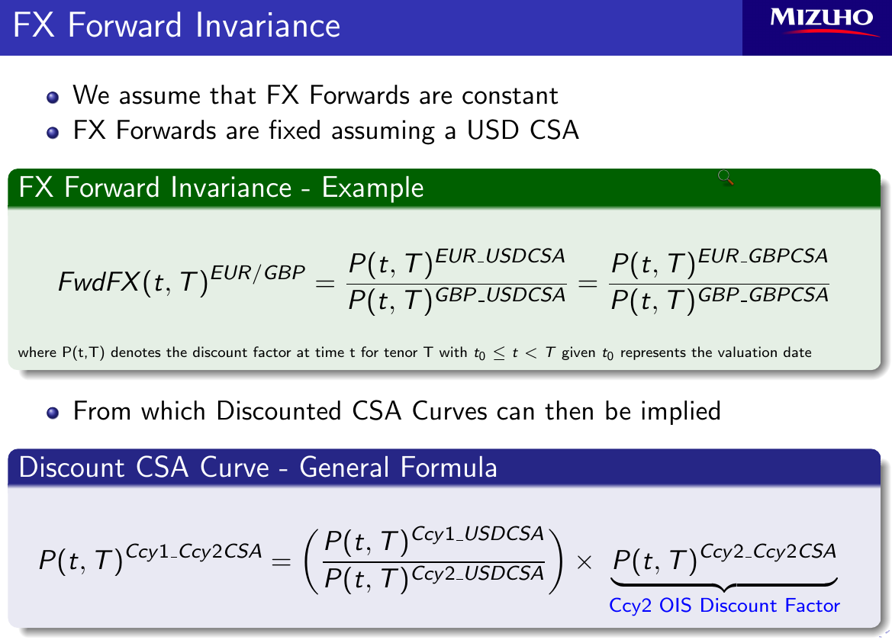
mirSetUpFwdFXConstantCurve

 | mirSetUpFwdFXConstantCurve | #NAME?
 | Curve Loaded | #NAME?

 | Curve Names
 | CurveCollection | EURYC
 | StaticDataTable | FwdFXConstGBP
 | IndexName(s) | FwdFXConstGBP:EURDF_GBPCSA

Curve Build Properties

 | Curve Build Properties
 | AsOfDate | 19-Feb-16
 | Currency | EUR

FX Forwards

 | FX Forward Conventions
 | leg1discount | GBPYC:GBPDF
 | leg1forecast | GBPYC:GBPDF_USDCSA
 | leg2discount | EURYC:XccyBasis
 | leg2forecast | EURYC:EURDF_USDCSA
 | target | Leg2Discount

 | FX Forward Invariance
 | Target DF = Leg1Discount DF * ( Leg2Forecast DF / Leg1Forecast DF )
 | => TargetDF = GBPDF * ( EURDF_USDCSA / GBPDF_USDCSA )

EUR Forwards
...
 | OIS | EUR3ML | EUR6ML | EURDF_USDCSA | EURDF_GBPCSA
19-Feb-16 | 0.00000% | 0.00000% | 0.00000% | 0.00000% | 0.00000%
0 | 0.00000% | 0.00000% | 0.00000% | 0.00000% | 0.00000%
0 | 0.00000% | 0.00000% | 0.00000% | 0.00000% | 0.00000%
0 | 0.00000% | 0.00000% | 0.00000% | 0.00000% | 0.00000%
0 | 0.00000% | 0.00000% | 0.00000% | 0.00000% | 0.00000%
0 | 0.00000% | 0.00000% | 0.00000% | 0.00000% | 0.00000%
0 | 0.00000% | 0.00000% | 0.00000% | 0.00000% | 0.00000%
0 | 0.00000% | 0.00000% | 0.00000% | 0.00000% | 0.00000%
0 | 0.00000% | 0.00000% | 0.00000% | 0.00000% | 0.00000%
0 | 0.00000% | 0.00000% | 0.00000% | 0.00000% | 0.00000%
0 | 0.00000% | 0.00000% | 0.00000% | 0.00000% | 0.00000%
0 | 0.00000% | 0.00000% | 0.00000% | 0.00000% | 0.00000%
0 | 0.00000% | 0.00000% | 0.00000% | 0.00000% | 0.00000%
0 | 0.00000% | 0.00000% | 0.00000% | 0.00000% | 0.00000%
0 | 0.00000% | 0.00000% | 0.00000% | 0.00000% | 0.00000%
0 | 0.00000% | 0.00000% | 0.00000% | 0.00000% | 0.00000%
0 | 0.00000% | 0.00000% | 0.00000% | 0.00000% | 0.00000%
0 | 0.00000% | 0.00000% | 0.00000% | 0.00000% | 0.00000%
0 | 0.00000% | 0.00000% | 0.00000% | 0.00000% | 0.00000%
0 | 0.00000% | 0.00000% | 0.00000% | 0.00000% | 0.00000%
0 | 0.00000% | 0.00000% | 0.00000% | 0.00000% | 0.00000%
0 | 0.00000% | 0.00000% | 0.00000% | 0.00000% | 0.00000%
0 | 0.00000% | 0.00000% | 0.00000% | 0.00000% | 0.00000%
0 | 0.00000% | 0.00000% | 0.00000% | 0.00000% | 0.00000%
0 | 0.00000% | 0.00000% | 0.00000% | 0.00000% | 0.00000%
0 | 0.00000% | 0.00000% | 0.00000% | 0.00000% | 0.00000%
0 | 0.00000% | 0.00000% | 0.00000% | 0.00000% | 0.00000%
0 | 0.00000% | 0.00000% | 0.00000% | 0.00000% | 0.00000%
0 | 0.00000% | 0.00000% | 0.00000% | 0.00000% | 0.00000%
0 | 0.00000% | 0.00000% | 0.00000% | 0.00000% | 0.00000%
0 | 0.00000% | 0.00000% | 0.00000% | 0.00000% | 0.00000%
0 | 0.00000% | 0.00000% | 0.00000% | 0.00000% | 0.00000%
0 | 0.00000% | 0.00000% | 0.00000% | 0.00000% | 0.00000%
0 | 0.00000% | 0.00000% | 0.00000% | 0.00000% | 0.00000%
0 | 0.00000% | 0.00000% | 0.00000% | 0.00000% | 0.00000%
0 | 0.00000% | 0.00000% | 0.00000% | 0.00000% | 0.00000%
0 | 0.00000% | 0.00000% | 0.00000% | 0.00000% | 0.00000%
0 | 0.00000% | 0.00000% | 0.00000% | 0.00000% | 0.00000%
0 | 0.00000% | 0.00000% | 0.00000% | 0.00000% | 0.00000%
0 | 0.00000% | 0.00000% | 0.00000% | 0.00000% | 0.00000%
0 | 0.00000% | 0.00000% | 0.00000% | 0.00000% | 0.00000%
0 | 0.00000% | 0.00000% | 0.00000% | 0.00000% | 0.00000%
0 | 0.00000% | 0.00000% | 0.00000% | 0.00000% | 0.00000%
0 | 0.00000% | 0.00000% | 0.00000% | 0.00000% | 0.00000%
0 | 0.00000% | 0.00000% | 0.00000% | 0.00000% | 0.00000%
0 | 0.00000% | 0.00000% | 0.00000% | 0.00000% | 0.00000%
0 | 0.00000% | 0.00000% | 0.00000% | 0.00000% | 0.00000%
0 | 0.00000% | 0.00000% | 0.00000% | 0.00000% | 0.00000%
0 | 0.00000% | 0.00000% | 0.00000% | 0.00000% | 0.00000%
0 | 0.00000% | 0.00000% | 0.00000% | 0.00000% | 0.00000%
...
 | EURDF_GBPCSA
 | CurveCollection | EURYC
 | Frequency | Simple
 | Daycount | Act/360
 | SlidingRule | MOD_FOLLOWING
 | Calendar | TGT
 | Interpolation | MonotoneConvex
 | IndexName | EURDF_GBPCSA
 | InterpForwards | FALSE
 | UseFwdData | FALSE
 | Periodicity | 1D
 | Display | TRUE

 | EURDF_GBPCSA Forwards
mirGetForwardRate2 | FromDate | ToDate | mirGetForwardRate2
#NAME? | 19-Feb-16 | #NAME? | #NAME?
#NAME? | #NAME? | #NAME? | #NAME?
#NAME? | #NAME? | #NAME? | #NAME?
#NAME? | #NAME? | #NAME? | #NAME?
#NAME? | #NAME? | #NAME? | #NAME?
#NAME? | #NAME? | #NAME? | #NAME?
#NAME? | #NAME? | #NAME? | #NAME?
#NAME? | #NAME? | #NAME? | #NAME?
#NAME? | #NAME? | #NAME? | #NAME?
#NAME? | #NAME? | #NAME? | #NAME?
#NAME? | #NAME? | #NAME? | #NAME?
#NAME? | #NAME? | #NAME? | #NAME?
#NAME? | #NAME? | #NAME? | #NAME?
#NAME? | #NAME? | #NAME? | #NAME?
#NAME? | #NAME? | #NAME? | #NAME?
#NAME? | #NAME? | #NAME? | #NAME?
#NAME? | #NAME? | #NAME? | #NAME?
#NAME? | #NAME? | #NAME? | #NAME?
#NAME? | #NAME? | #NAME? | #NAME?
#NAME? | #NAME? | #NAME? | #NAME?
#NAME? | #NAME? | #NAME? | #NAME?
#NAME? | #NAME? | #NAME? | #NAME?
#NAME? | #NAME? | #NAME? | #NAME?
#NAME? | #NAME? | #NAME? | #NAME?
#NAME? | #NAME? | #NAME? | #NAME?
#NAME? | #NAME? | #NAME? | #NAME?
#NAME? | #NAME? | #NAME? | #NAME?
#NAME? | #NAME? | #NAME? | #NAME?
#NAME? | #NAME? | #NAME? | #NAME?
#NAME? | #NAME? | #NAME? | #NAME?
#NAME? | #NAME? | #NAME? | #NAME?
#NAME? | #NAME? | #NAME? | #NAME?
#NAME? | #NAME? | #NAME? | #NAME?
...

