Sheet1
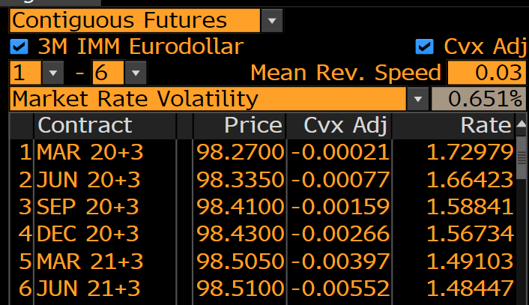
EURODOLLAR FUTURES |  |  |  |  |  |  | 3M TERM SOFR FIXING
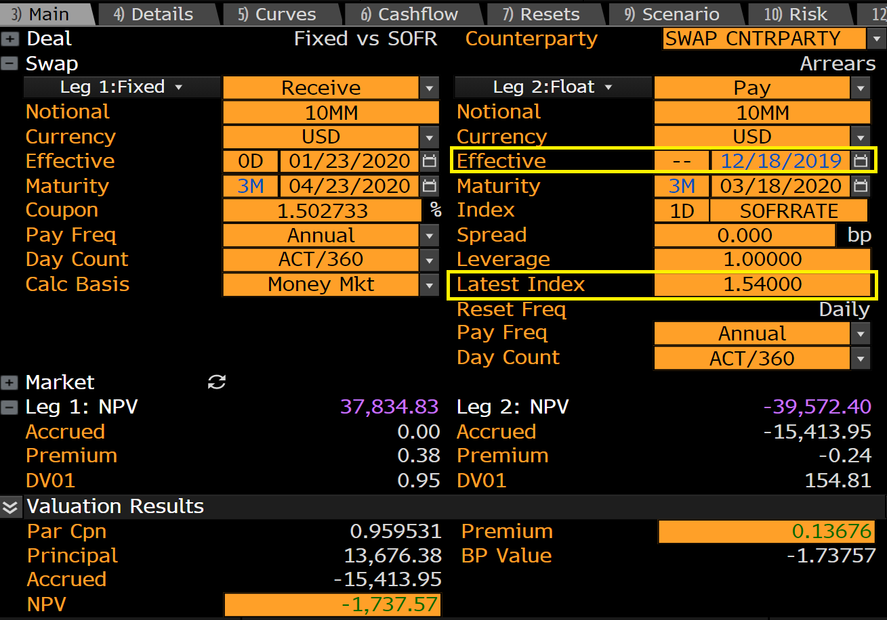
Short Rate Vol |  | Convexity := 0.5 * vol * vol * T(Start) * T(end)
0.65%

EuroDollar Futures Convexity
Future | Start | End | Convexity
1 | 0.25 | 0.5 | -0.00026%
2 | 0.5 | 0.75 | -0.00079%
3 | 0.75 | 1 | -0.00158%
4 | 1 | 1.25 | -0.00264%
5 | 1.25 | 1.5 | -0.00396%
6 | 1.5 | 1.75 | -0.00555%

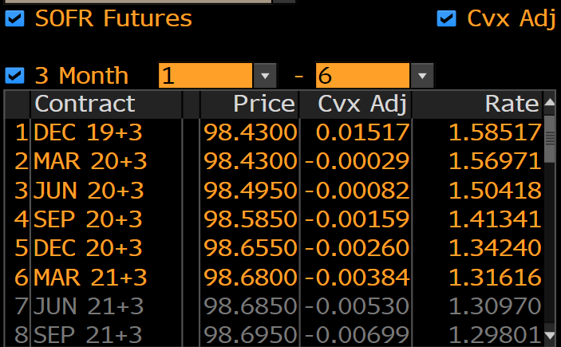
SOFR CONVEXITY ADJUSTMENT

Short Rate Vol |  | Convexity := 0.5 * vol * vol * T(Start) * T(end)
0.65%

SOFR Futures Convexity
Future | Start | End | Convexity |  | Future | 3M SOFR Fixing **
1 |  | 0.125 | 0.01487% | * | 98.4300 | 1.5400%
2 | 0.25 | 0.5 | -0.00026%
3 | 0.5 | 0.75 | -0.00079% |  | Future Rate | Fixing Convexity
4 | 0.75 | 1 | -0.00158% |  | 1.5700% | 0.0300%
5 | 1 | 1.25 | -0.00264% |  | 1.57%
6 | 1.25 | 1.5 | -0.00396% |  | 0.0003000%

* First fixing is pro rated future convexity and fixing convexity, since hedge has fixed

** Quickest way to get the fixing is to price a 3M SOFR Swap in Bloomberg SWPM
with the effective date of the Futures fixing date. Alternatively use EONC <GO>
and select SOFRRATE in the top left dropdown

