Libor In-Arrears
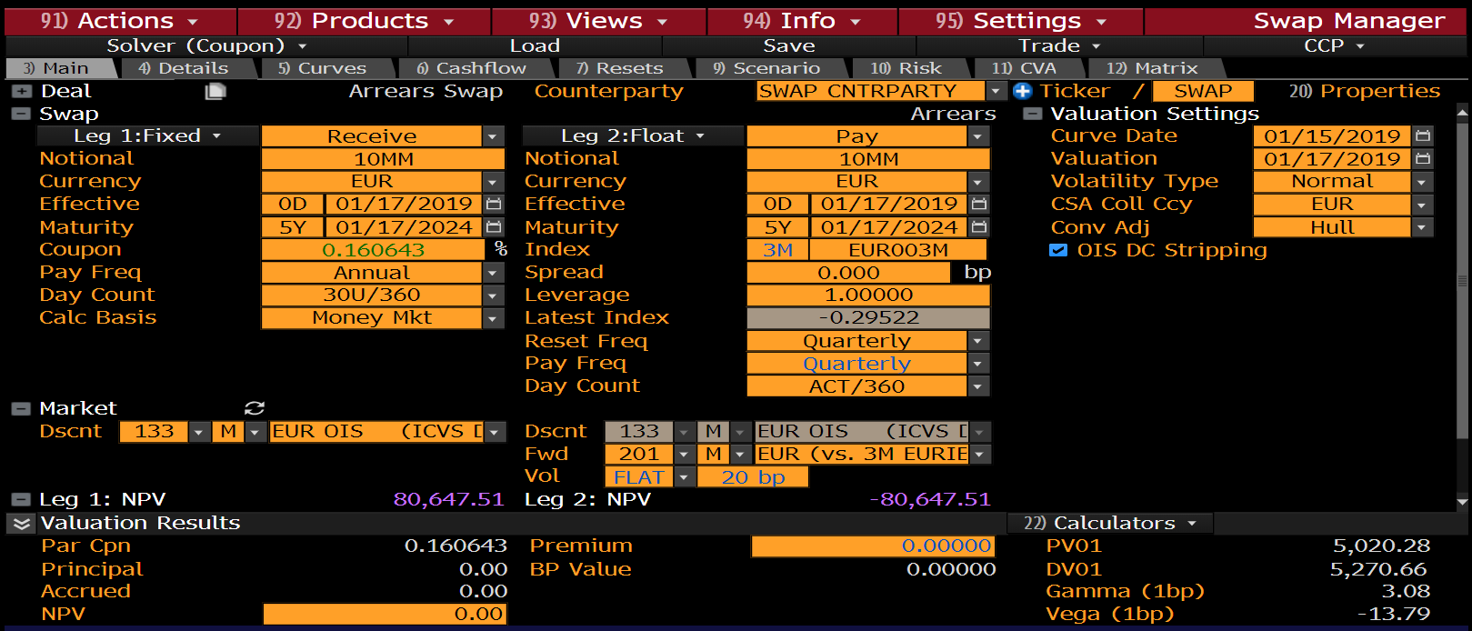
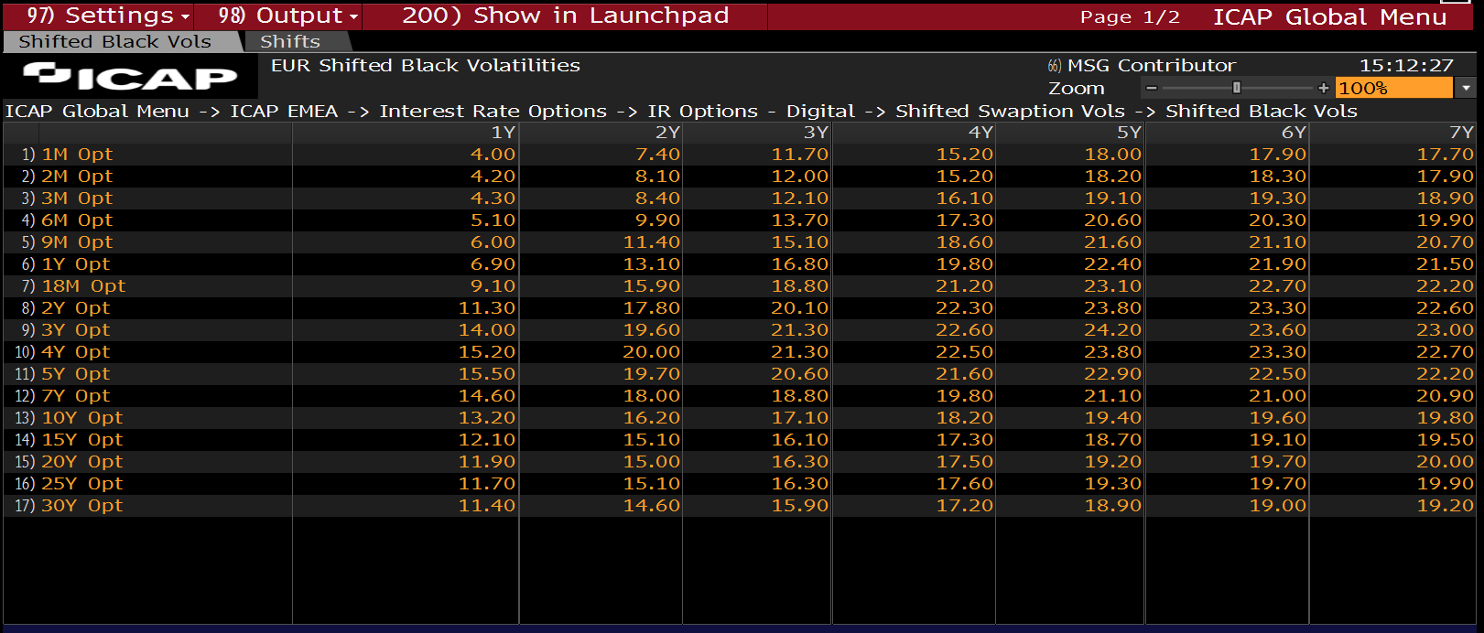
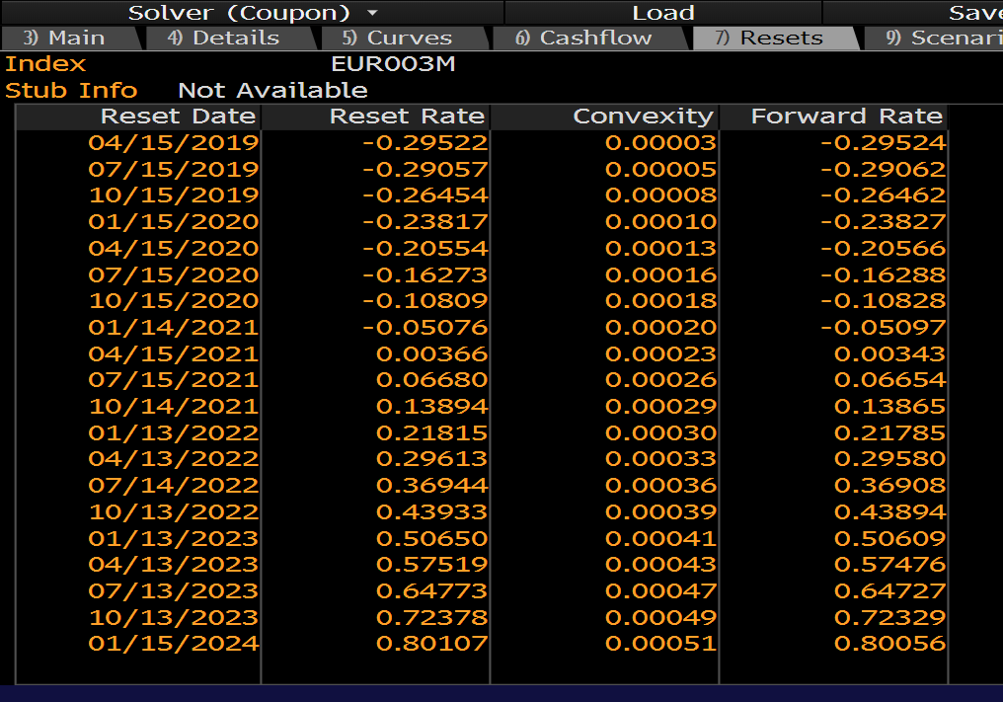
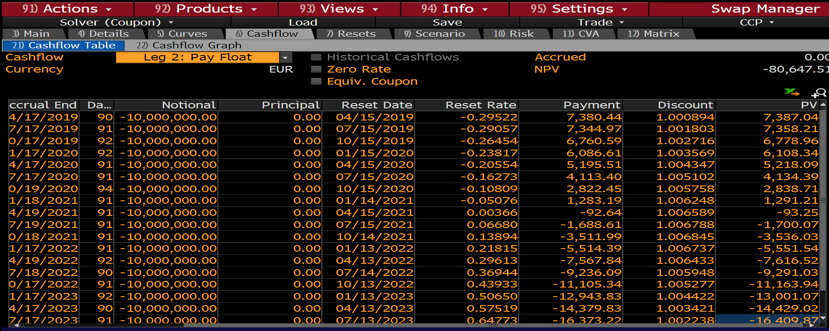
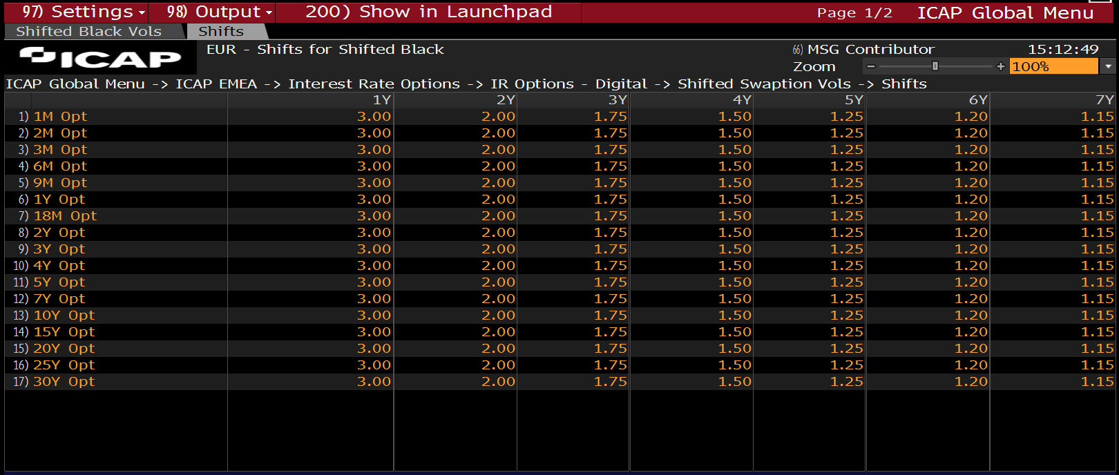
EUR LIBOR IN-ARREARS |  |  |  |  |  |  |  |  |  |  |  |  |  |  | Type | Vol | ShiftSize
 |  |  |  |  |  |  |  |  |  |  |  |  |  |  | NORMAL | 0.20% | 1.25000% |  | RoundTrip Test
Float Leg
Fixing Date | Accrual Start | Accrual End | Pay Date | tj | N | lj | Convexity, c | lj + c | s | lj + c + s | tj | P( tE, tj ) | PVFloat(Unadj) | PVFloat(Adj) | ConvexityAdjustedRate | ConvexityCorrection | Shifted-Lognormal Vol | Normal Vol | Shifted-Lognormal Vol | +/-
16-Apr-19 | 15-Jan-19 | 16-Apr-19 | 16-Apr-19 | 0.25 | -10,000,000 | -0.29524% | 0.00003% | -0.29521% | 0.00 | -0.2952% | 0.25 | 1.000893 | 7,388 | 7,387 | -0.29521% | 0.00003% | 20.95% | 0.20% | 20.95% | 0.00000%
16-Jul-19 | 16-Apr-19 | 16-Jul-19 | 16-Jul-19 | 0.50 | -10,000,000 | -0.29062% | 0.00005% | -0.29057% | 0.00 | -0.2906% | 0.25 | 1.001803 | 7,279 | 7,277 | -0.29057% | 0.00005% | 20.85% | 0.20% | 20.85% | 0.00000%
15-Oct-19 | 16-Jul-19 | 15-Oct-19 | 15-Oct-19 | 0.75 | -10,000,000 | -0.26462% | 0.00008% | -0.26454% | 0.00 | -0.2645% | 0.25 | 1.002716 | 6,633 | 6,632 | -0.26454% | 0.00008% | 20.30% | 0.20% | 20.30% | 0.00000%
15-Jan-20 | 15-Oct-19 | 15-Jan-20 | 15-Jan-20 | 1.00 | -10,000,000 | -0.23827% | 0.00010% | -0.23817% | 0.00 | -0.2382% | 0.25 | 1.003566 | 5,978 | 5,975 | -0.23817% | 0.00010% | 19.77% | 0.20% | 19.77% | 0.00000%
15-Apr-20 | 15-Jan-20 | 15-Apr-20 | 15-Apr-20 | 1.25 | -10,000,000 | -0.20566% | 0.00013% | -0.20553% | 0.00 | -0.2055% | 0.25 | 1.004318 | 5,164 | 5,161 | -0.20553% | 0.00013% | 19.15% | 0.20% | 19.15% | 0.00000%
15-Jul-20 | 15-Apr-20 | 15-Jul-20 | 15-Jul-20 | 1.50 | -10,000,000 | -0.16288% | 0.00015% | -0.16273% | 0.00 | -0.1627% | 0.25 | 1.005071 | 4,093 | 4,089 | -0.16273% | 0.00015% | 18.40% | 0.20% | 18.40% | 0.00000%
15-Oct-20 | 15-Jul-20 | 15-Oct-20 | 15-Oct-20 | 1.75 | -10,000,000 | -0.10828% | 0.00018% | -0.10810% | 0.00 | -0.1081% | 0.25 | 1.005640 | 2,722 | 2,718 | -0.10810% | 0.00018% | 17.52% | 0.20% | 17.52% | 0.00000%
14-Jan-21 | 15-Oct-20 | 14-Jan-21 | 14-Jan-21 | 2.00 | -10,000,000 | -0.05097% | 0.00020% | -0.05077% | 0.00 | -0.0508% | 0.25 | 1.006185 | 1,282 | 1,277 | -0.05077% | 0.00020% | 16.68% | 0.20% | 16.68% | 0.00000%
15-Apr-21 | 14-Jan-21 | 15-Apr-21 | 15-Apr-21 | 2.25 | -10,000,000 | 0.00343% | 0.00022% | 0.00365% | 0.00 | 0.0037% | 0.25 | 1.006446 | -86 | -92 | 0.00365% | 0.00022% | 15.96% | 0.20% | 15.96% | 0.00000%
16-Jul-21 | 15-Apr-21 | 16-Jul-21 | 16-Jul-21 | 2.50 | -10,000,000 | 0.06654% | 0.00025% | 0.06679% | 0.00 | 0.0668% | 0.25 | 1.006703 | -1,675 | -1,681 | 0.06679% | 0.00025% | 15.19% | 0.20% | 15.19% | 0.00000%
15-Oct-21 | 16-Jul-21 | 15-Oct-21 | 15-Oct-21 | 2.75 | -10,000,000 | 0.13865% | 0.00027% | 0.13892% | 0.00 | 0.1389% | 0.25 | 1.006650 | -3,489 | -3,496 | 0.13892% | 0.00027% | 14.40% | 0.20% | 14.40% | 0.00000%
14-Jan-22 | 15-Oct-21 | 14-Jan-22 | 14-Jan-22 | 3.00 | -10,000,000 | 0.21785% | 0.00030% | 0.21815% | 0.00 | 0.2181% | 0.25 | 1.006593 | -5,482 | -5,490 | 0.21815% | 0.00030% | 13.63% | 0.20% | 13.63% | 0.00000%
16-Apr-22 | 14-Jan-22 | 16-Apr-22 | 16-Apr-22 | 3.25 | -10,000,000 | 0.29580% | 0.00032% | 0.29612% | 0.00 | 0.2961% | 0.25 | 1.006013 | -7,439 | -7,448 | 0.29612% | 0.00032% | 12.94% | 0.20% | 12.94% | 0.00000%
16-Jul-22 | 16-Apr-22 | 16-Jul-22 | 16-Jul-22 | 3.50 | -10,000,000 | 0.36908% | 0.00035% | 0.36943% | 0.00 | 0.3694% | 0.25 | 1.005441 | -9,277 | -9,286 | 0.36943% | 0.00035% | 12.35% | 0.20% | 12.35% | 0.00000%
15-Oct-22 | 16-Jul-22 | 15-Oct-22 | 15-Oct-22 | 3.75 | -10,000,000 | 0.43894% | 0.00037% | 0.43931% | 0.00 | 0.4393% | 0.25 | 1.004863 | -11,027 | -11,036 | 0.43931% | 0.00037% | 11.84% | 0.20% | 11.84% | 0.00000%
15-Jan-23 | 15-Oct-22 | 15-Jan-23 | 15-Jan-23 | 4.00 | -10,000,000 | 0.50609% | 0.00040% | 0.50649% | 0.00 | 0.5065% | 0.25 | 1.004279 | -12,706 | -12,716 | 0.50649% | 0.00040% | 11.39% | 0.20% | 11.39% | 0.00000%
16-Apr-23 | 15-Jan-23 | 16-Apr-23 | 16-Apr-23 | 4.25 | -10,000,000 | 0.57476% | 0.00042% | 0.57518% | 0.00 | 0.5752% | 0.25 | 1.003014 | -14,412 | -14,423 | 0.57518% | 0.00042% | 10.96% | 0.20% | 10.96% | 0.00000%
16-Jul-23 | 16-Apr-23 | 16-Jul-23 | 16-Jul-23 | 4.50 | -10,000,000 | 0.64727% | 0.00045% | 0.64772% | 0.00 | 0.6477% | 0.25 | 1.001729 | -16,210 | -16,221 | 0.64772% | 0.00045% | 10.54% | 0.20% | 10.54% | 0.00000%
15-Oct-23 | 16-Jul-23 | 15-Oct-23 | 15-Oct-23 | 4.75 | -10,000,000 | 0.72329% | 0.00047% | 0.72376% | 0.00 | 0.7238% | 0.25 | 1.000432 | -18,090 | -18,102 | 0.72376% | 0.00047% | 10.14% | 0.20% | 10.14% | 0.00000%
15-Jan-24 | 15-Oct-23 | 15-Jan-24 | 15-Jan-24 | 5.00 | -10,000,000 | 0.80056% | 0.00050% | 0.80106% | 0.00 | 0.8011% | 0.25 | 0.999136 | -19,997 | -20,009 | 0.80106% | 0.00050% | 9.75% | 0.20% | 9.75% | 0.00000%

EUR 3ML LIBOR IN-ARREARS |  |  |  |  |  |  |  |  |  |  |  | ICAP EUR SHIFTED-LOGNORMAL VOLS |  |  |  |  |  |  | EUR 3ML LIBOR IN-ARREARS CONVEXITY ADJUSTMENTS

