Libor In-Arrears
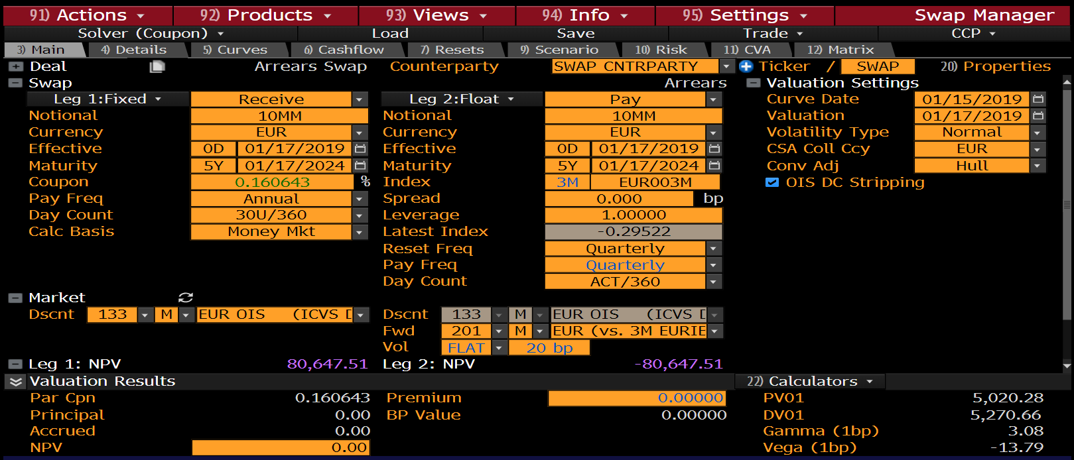
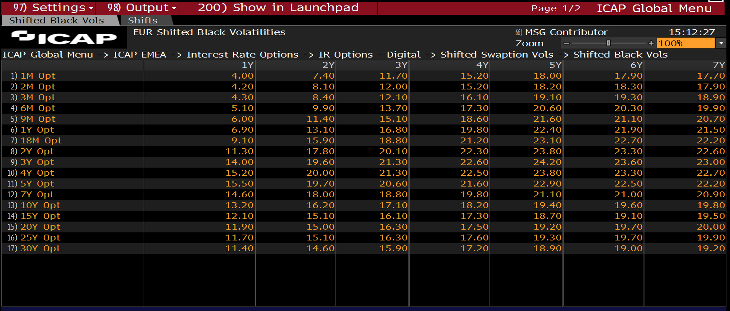
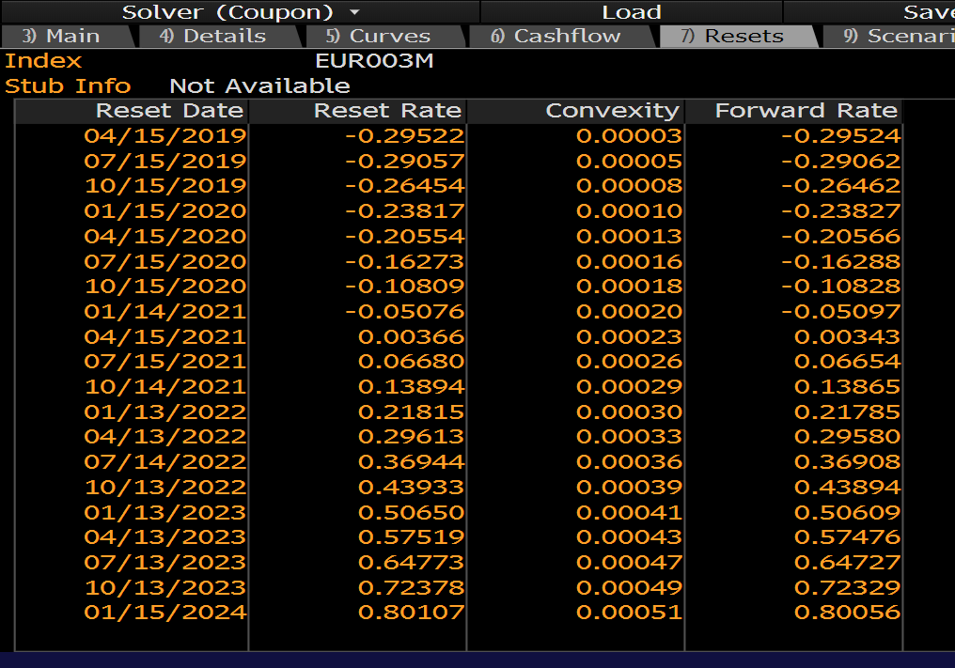
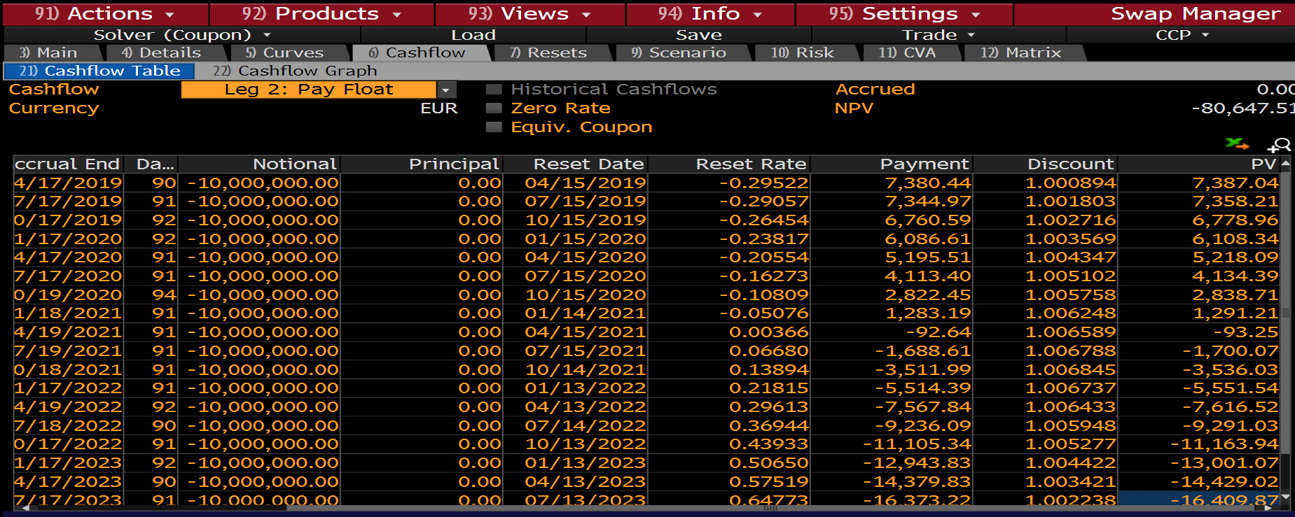
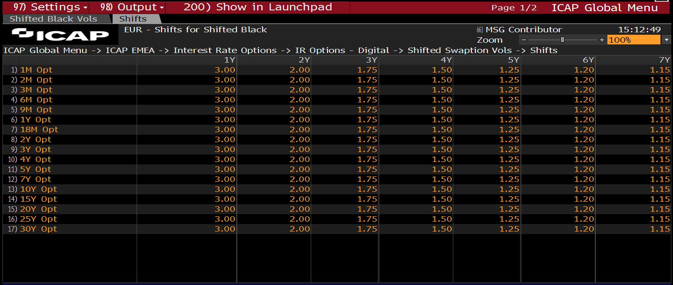
EUR LIBOR IN-ARREARS |  |  |  |  |  |  |  |  |  |  |  |  |  |  | Type | Vol | ShiftSize
 |  |  |  |  |  |  |  |  |  |  |  |  |  |  | SHIFTED_LOGNORMAL | 11.00% | 1.00000% |  | RoundTrip Test
Float Leg
Fixing Date | Accrual Start | Accrual End | Pay Date | tj | N | lj | Convexity, c | lj + c | s | lj + c + s | tj | P( tE, tj ) | PVFloat(Unadj) | PVFloat(Adj) | ConvexityAdjustedRate | ConvexityCorrection | Normal Vol | Shifted-Lognormal Vol | +/-
16-Apr-19 | 15-Jan-19 | 16-Apr-19 | 16-Apr-19 | 0.25 | -10,000,000 | -0.29524% | 0.00000% | -0.29524% | 0.00 | -0.2952% | 0.25 | 1.000893 | 7,388 | 7,387 | -0.295236% | 0.000004% | 0.08% | 11.00% | 0.00000%
16-Jul-19 | 16-Apr-19 | 16-Jul-19 | 16-Jul-19 | 0.50 | -10,000,000 | -0.29062% | 0.00001% | -0.29061% | 0.00 | -0.2906% | 0.25 | 1.001803 | 7,279 | 7,278 | -0.290612% | 0.000008% | 0.08% | 11.00% | 0.00000%
15-Oct-19 | 16-Jul-19 | 15-Oct-19 | 15-Oct-19 | 0.75 | -10,000,000 | -0.26462% | 0.00001% | -0.26461% | 0.00 | -0.2646% | 0.25 | 1.002716 | 6,633 | 6,633 | -0.264608% | 0.000012% | 0.08% | 11.00% | 0.00000%
15-Jan-20 | 15-Oct-19 | 15-Jan-20 | 15-Jan-20 | 1.00 | -10,000,000 | -0.23827% | 0.00002% | -0.23825% | 0.00 | -0.2383% | 0.25 | 1.003566 | 5,978 | 5,978 | -0.238252% | 0.000018% | 0.08% | 11.00% | 0.00000%
15-Apr-20 | 15-Jan-20 | 15-Apr-20 | 15-Apr-20 | 1.25 | -10,000,000 | -0.20566% | 0.00002% | -0.20564% | 0.00 | -0.2056% | 0.25 | 1.004318 | 5,164 | 5,163 | -0.205636% | 0.000024% | 0.09% | 11.00% | 0.00000%
15-Jul-20 | 15-Apr-20 | 15-Jul-20 | 15-Jul-20 | 1.50 | -10,000,000 | -0.16288% | 0.00003% | -0.16285% | 0.00 | -0.1628% | 0.25 | 1.005071 | 4,093 | 4,092 | -0.162848% | 0.000032% | 0.09% | 11.00% | 0.00000%
15-Oct-20 | 15-Jul-20 | 15-Oct-20 | 15-Oct-20 | 1.75 | -10,000,000 | -0.10828% | 0.00004% | -0.10824% | 0.00 | -0.1082% | 0.25 | 1.005640 | 2,722 | 2,721 | -0.108237% | 0.000043% | 0.10% | 11.00% | 0.00000%
14-Jan-21 | 15-Oct-20 | 14-Jan-21 | 14-Jan-21 | 2.00 | -10,000,000 | -0.05097% | 0.00006% | -0.05091% | 0.00 | -0.0509% | 0.25 | 1.006185 | 1,282 | 1,281 | -0.050915% | 0.000055% | 0.10% | 11.00% | 0.00000%
15-Apr-21 | 14-Jan-21 | 15-Apr-21 | 15-Apr-21 | 2.25 | -10,000,000 | 0.00343% | 0.00007% | 0.00350% | 0.00 | 0.0035% | 0.25 | 1.006446 | -86 | -88 | 0.003500% | 0.000070% | 0.11% | 11.00% | 0.00000%
16-Jul-21 | 15-Apr-21 | 16-Jul-21 | 16-Jul-21 | 2.50 | -10,000,000 | 0.06654% | 0.00009% | 0.06663% | 0.00 | 0.0666% | 0.25 | 1.006703 | -1,675 | -1,677 | 0.066627% | 0.000087% | 0.12% | 11.00% | 0.00000%
15-Oct-21 | 16-Jul-21 | 15-Oct-21 | 15-Oct-21 | 2.75 | -10,000,000 | 0.13865% | 0.00011% | 0.13876% | 0.00 | 0.1388% | 0.25 | 1.006650 | -3,489 | -3,492 | 0.138760% | 0.000110% | 0.13% | 11.00% | 0.00000%
14-Jan-22 | 15-Oct-21 | 14-Jan-22 | 14-Jan-22 | 3.00 | -10,000,000 | 0.21785% | 0.00014% | 0.21799% | 0.00 | 0.2180% | 0.25 | 1.006593 | -5,482 | -5,486 | 0.217987% | 0.000137% | 0.13% | 11.00% | 0.00000%
16-Apr-22 | 14-Jan-22 | 16-Apr-22 | 16-Apr-22 | 3.25 | -10,000,000 | 0.29580% | 0.00017% | 0.29597% | 0.00 | 0.2960% | 0.25 | 1.006013 | -7,439 | -7,444 | 0.295968% | 0.000168% | 0.14% | 11.00% | 0.00000%
16-Jul-22 | 16-Apr-22 | 16-Jul-22 | 16-Jul-22 | 3.50 | -10,000,000 | 0.36908% | 0.00020% | 0.36928% | 0.00 | 0.3693% | 0.25 | 1.005441 | -9,277 | -9,282 | 0.369283% | 0.000203% | 0.15% | 11.00% | 0.00000%
15-Oct-22 | 16-Jul-22 | 15-Oct-22 | 15-Oct-22 | 3.75 | -10,000,000 | 0.43894% | 0.00024% | 0.43918% | 0.00 | 0.4392% | 0.25 | 1.004863 | -11,027 | -11,033 | 0.439180% | 0.000240% | 0.16% | 11.00% | 0.00000%
15-Jan-23 | 15-Oct-22 | 15-Jan-23 | 15-Jan-23 | 4.00 | -10,000,000 | 0.50609% | 0.00028% | 0.50637% | 0.00 | 0.5064% | 0.25 | 1.004279 | -12,706 | -12,713 | 0.506371% | 0.000281% | 0.17% | 11.00% | 0.00000%
16-Apr-23 | 15-Jan-23 | 16-Apr-23 | 16-Apr-23 | 4.25 | -10,000,000 | 0.57476% | 0.00033% | 0.57509% | 0.00 | 0.5751% | 0.25 | 1.003014 | -14,412 | -14,421 | 0.575087% | 0.000327% | 0.17% | 11.00% | 0.00000%
16-Jul-23 | 16-Apr-23 | 16-Jul-23 | 16-Jul-23 | 4.50 | -10,000,000 | 0.64727% | 0.00038% | 0.64765% | 0.00 | 0.6476% | 0.25 | 1.001729 | -16,210 | -16,219 | 0.647650% | 0.000380% | 0.18% | 11.00% | 0.00000%
15-Oct-23 | 16-Jul-23 | 15-Oct-23 | 15-Oct-23 | 4.75 | -10,000,000 | 0.72329% | 0.00044% | 0.72373% | 0.00 | 0.7237% | 0.25 | 1.000432 | -18,090 | -18,101 | 0.723729% | 0.000439% | 0.19% | 11.00% | 0.00000%
15-Jan-24 | 15-Oct-23 | 15-Jan-24 | 15-Jan-24 | 5.00 | -10,000,000 | 0.80056% | 0.00051% | 0.80107% | 0.00 | 0.8011% | 0.25 | 0.999136 | -19,997 | -20,009 | 0.801065% | 0.000505% | 0.20% | 11.00% | 0.00000%

EUR 3ML LIBOR IN-ARREARS |  |  |  |  |  |  |  |  |  |  |  | ICAP EUR SHIFTED-LOGNORMAL VOLS |  |  |  |  |  |  | EUR 3ML LIBOR IN-ARREARS CONVEXITY ADJUSTMENTS

