Libor In-Arrears
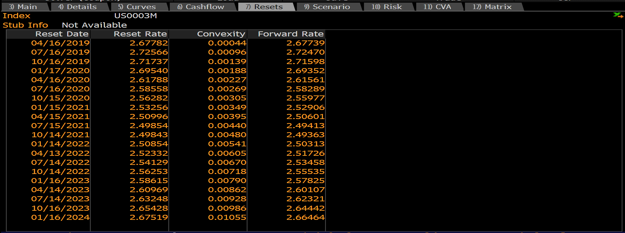
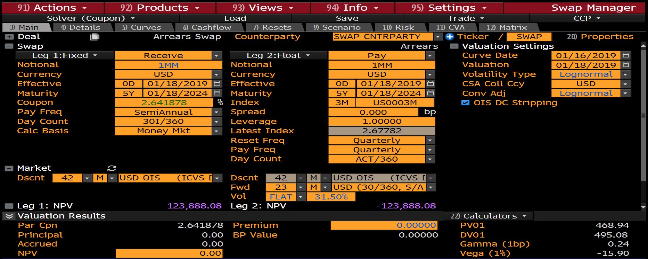
 | USD LIBOR IN-ARREARS |  |  |  |  |  |  | UseHullApprox |  |  |  |  |  |  |  | Type | Vol | LogNormalVol | NormalVol | LogNormalVol | ShiftedLogNormalVol | ShiftSize
 |  |  |  |  |  |  |  | TRUE |  |  |  |  |  |  |  | LOGNORMAL | 31.50000% | 31.50000% | 0.82000% | 31.80741% | 15.00000% | 3.00000%
 | Float Leg
Row | Fixing Date | Accrual Start | Accrual End | Pay Date | tj | N | lj | Convexity, c | lj + c | s | lj + c + s | tj | P( tE, tj ) | PVFloat(Unadj) | PVFloat(Adj) | AdjustedRate | ConvCorrection | NormalVol | LogNormalVol | ShiftedLogNormalVol | Normal
1 | 17-Apr-19 | 16-Jan-19 | 17-Apr-19 | 17-Apr-19 | 0.25 | 1,000,000 | 2.67739% | 0.00044% | 2.67783% | 0.00 | 2.6778% | 0.25 | 0.994283 | 6,655 | 6,656 | 2.67784% | 0.00044% | 0.84338% | 31.50000% | 14.85503% | 0.85161%
2 | 17-Jul-19 | 17-Apr-19 | 17-Jul-19 | 17-Jul-19 | 0.50 | 1,000,000 | 2.72470% | 0.00096% | 2.72566% | 0.00 | 2.7257% | 0.25 | 0.988203 | 13,463 | 13,468 | 2.72564% | 0.00091% | 0.85828% | 31.50000% | 14.99258% | 0.85870%
3 | 16-Oct-19 | 17-Jul-19 | 16-Oct-19 | 16-Oct-19 | 0.75 | 1,000,000 | 2.71598% | 0.00139% | 2.71737% | 0.00 | 2.7174% | 0.25 | 0.982065 | 20,005 | 20,015 | 2.71740% | 0.00136% | 0.85553% | 31.50000% | 14.96740% | 0.85740%
4 | 16-Jan-20 | 16-Oct-19 | 16-Jan-20 | 16-Jan-20 | 1.00 | 1,000,000 | 2.69352% | 0.00188% | 2.69540% | 0.00 | 2.6954% | 0.25 | 0.975651 | 26,279 | 26,298 | 2.69540% | 0.00179% | 0.84846% | 31.50000% | 14.90218% | 0.85403%
5 | 16-Apr-20 | 16-Jan-20 | 16-Apr-20 | 16-Apr-20 | 1.25 | 1,000,000 | 2.61561% | 0.00227% | 2.61788% | 0.00 | 2.6179% | 0.25 | 0.969829 | 31,709 | 31,736 | 2.61785% | 0.00211% | 0.82392% | 31.50000% | 14.67191% | 0.84234%
6 | 16-Jul-20 | 16-Apr-20 | 16-Jul-20 | 16-Jul-20 | 1.50 | 1,000,000 | 2.58289% | 0.00269% | 2.58558% | 0.00 | 2.5856% | 0.25 | 0.964143 | 37,354 | 37,393 | 2.58555% | 0.00247% | 0.81361% | 31.50000% | 14.57328% | 0.83743%
7 | 16-Oct-20 | 16-Jul-20 | 16-Oct-20 | 16-Oct-20 | 1.75 | 1,000,000 | 2.55977% | 0.00305% | 2.56282% | 0.00 | 2.5628% | 0.25 | 0.958565 | 42,940 | 42,991 | 2.56286% | 0.00283% | 0.80633% | 31.50000% | 14.50289% | 0.83397%
8 | 15-Jan-21 | 16-Oct-20 | 15-Jan-21 | 15-Jan-21 | 2.00 | 1,000,000 | 2.52906% | 0.00349% | 2.53255% | 0.00 | 2.5326% | 0.25 | 0.953024 | 48,205 | 48,272 | 2.53255% | 0.00315% | 0.79665% | 31.50000% | 14.40849% | 0.82936%
9 | 16-Apr-21 | 15-Jan-21 | 16-Apr-21 | 16-Apr-21 | 2.25 | 1,000,000 | 2.50601% | 0.00395% | 2.50996% | 0.00 | 2.5100% | 0.25 | 0.947701 | 53,436 | 53,521 | 2.50991% | 0.00348% | 0.78939% | 31.50000% | 14.33694% | 0.82590%
10 | 17-Jul-21 | 16-Apr-21 | 17-Jul-21 | 17-Jul-21 | 2.50 | 1,000,000 | 2.49413% | 0.00440% | 2.49853% | 0.00 | 2.4985% | 0.25 | 0.942398 | 58,762 | 58,865 | 2.49848% | 0.00383% | 0.78565% | 31.50000% | 14.29982% | 0.82412%
11 | 16-Oct-21 | 17-Jul-21 | 16-Oct-21 | 16-Oct-21 | 2.75 | 1,000,000 | 2.49363% | 0.00480% | 2.49843% | 0.00 | 2.4984% | 0.25 | 0.937149 | 64,265 | 64,389 | 2.49848% | 0.00422% | 0.78549% | 31.50000% | 14.29826% | 0.82404%
12 | 15-Jan-22 | 16-Oct-21 | 15-Jan-22 | 15-Jan-22 | 3.00 | 1,000,000 | 2.50313% | 0.00541% | 2.50854% | 0.00 | 2.5085% | 0.25 | 0.931870 | 69,978 | 70,129 | 2.50853% | 0.00463% | 0.78849% | 31.50000% | 14.32795% | 0.82547%
13 | 17-Apr-22 | 15-Jan-22 | 17-Apr-22 | 17-Apr-22 | 3.25 | 1,000,000 | 2.51726% | 0.00605% | 2.52331% | 0.00 | 2.5233% | 0.25 | 0.926655 | 75,811 | 75,993 | 2.52325% | 0.00508% | 0.79294% | 31.50000% | 14.37193% | 0.82759%
14 | 17-Jul-22 | 17-Apr-22 | 17-Jul-22 | 17-Jul-22 | 3.50 | 1,000,000 | 2.53458% | 0.00670% | 2.54128% | 0.00 | 2.5413% | 0.25 | 0.921498 | 81,746 | 81,962 | 2.54121% | 0.00554% | 0.79839% | 31.50000% | 14.42553% | 0.83019%
15 | 16-Oct-22 | 17-Jul-22 | 16-Oct-22 | 16-Oct-22 | 3.75 | 1,000,000 | 2.55535% | 0.00718% | 2.56253% | 0.00 | 2.5625% | 0.25 | 0.916229 | 87,798 | 88,045 | 2.56266% | 0.00604% | 0.80494% | 31.50000% | 14.48937% | 0.83330%
16 | 16-Jan-23 | 16-Oct-22 | 16-Jan-23 | 16-Jan-23 | 4.00 | 1,000,000 | 2.57825% | 0.00790% | 2.58615% | 0.00 | 2.5862% | 0.25 | 0.910962 | 93,948 | 94,235 | 2.58629% | 0.00655% | 0.81215% | 31.50000% | 14.55920% | 0.83674%
17 | 17-Apr-23 | 16-Jan-23 | 17-Apr-23 | 17-Apr-23 | 4.25 | 1,000,000 | 2.60107% | 0.00862% | 2.60969% | 0.00 | 2.6097% | 0.25 | 0.905810 | 100,133 | 100,465 | 2.60989% | 0.00709% | 0.81934% | 31.50000% | 14.62822% | 0.84016%
18 | 17-Jul-23 | 17-Apr-23 | 17-Jul-23 | 17-Jul-23 | 4.50 | 1,000,000 | 2.62321% | 0.00928% | 2.63249% | 0.00 | 2.6325% | 0.25 | 0.900596 | 106,310 | 106,686 | 2.63283% | 0.00763% | 0.82631% | 31.50000% | 14.69465% | 0.84348%
19 | 16-Oct-23 | 17-Jul-23 | 16-Oct-23 | 16-Oct-23 | 4.75 | 1,000,000 | 2.64442% | 0.00986% | 2.65428% | 0.00 | 2.6543% | 0.25 | 0.895313 | 112,460 | 112,880 | 2.65488% | 0.00819% | 0.83299% | 31.50000% | 14.75780% | 0.84666%
20 | 16-Jan-24 | 16-Oct-23 | 16-Jan-24 | 16-Jan-24 | 5.00 | 1,000,000 | 2.66464% | 0.01055% | 2.67519% | 0.00 | 2.6752% | 0.25 | 0.890011 | 118,578 | 119,047 | 2.67597% | 0.00875% | 0.83936% | 31.50000% | 14.81756% | 0.84970%

