Getting Started
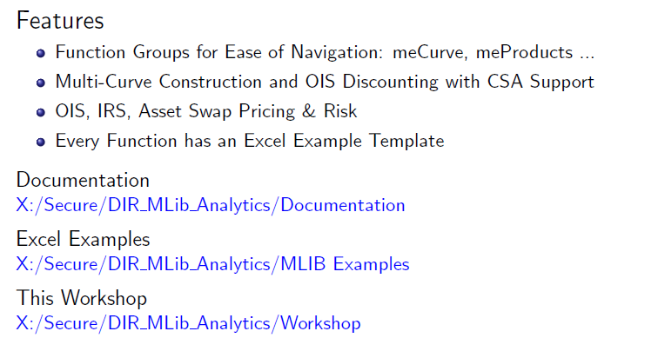
Mlibrary - Getting Started

Excel Launcher
X:\Secure\DIR_MLib_Analytics\MLIB_Excel_Addin

Developer Tools
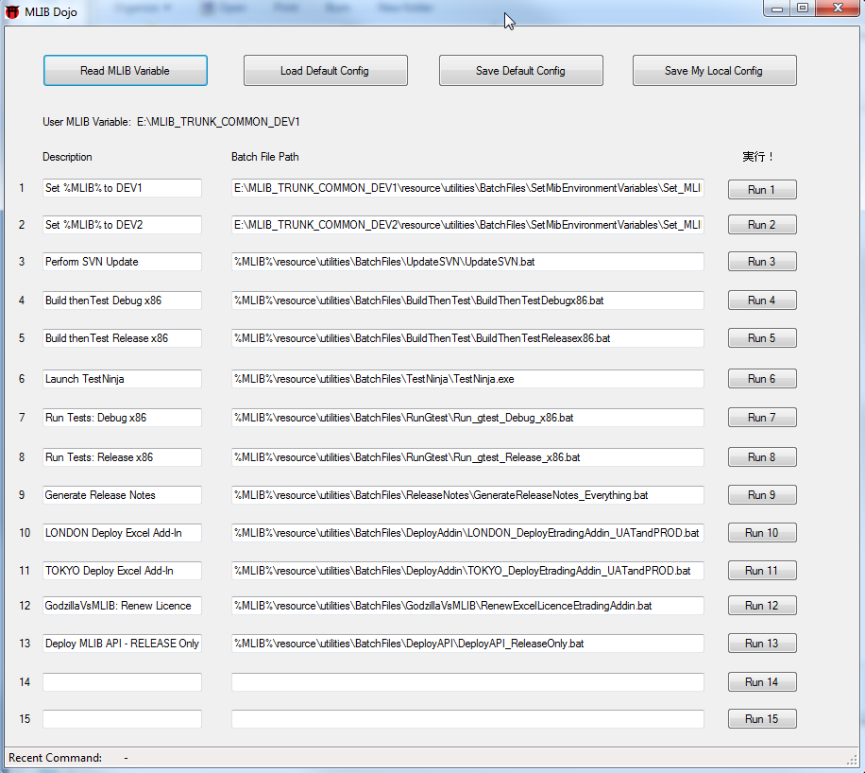
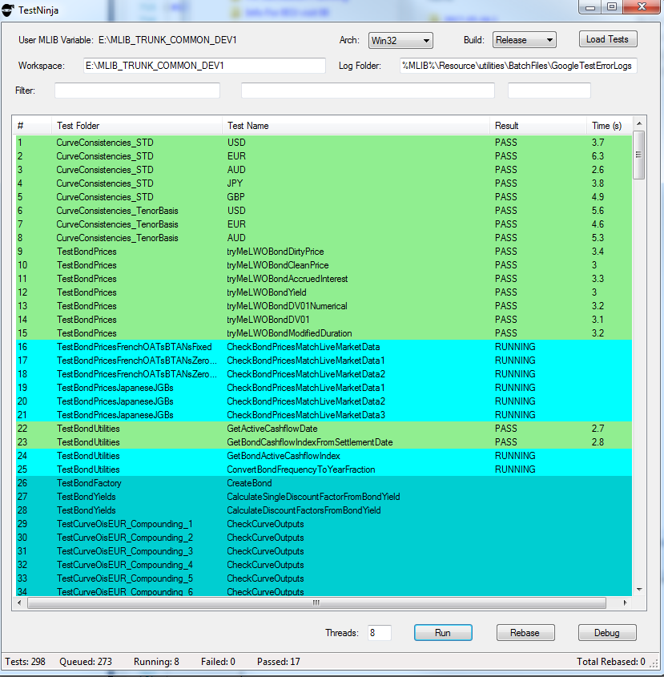
Developer Tools

MLIB Dojo - Automation Dashboard | Test Ninja - Test Harness
Features: Regional and Customized Automation Dashboard for Speedy Automation of Quant Tasks | Features: Parallized Tests, Debug Support, Test Rebasing / Reset Features, Test Failure Logging and Explain

Conventions
Calendar & Daycount Conventions

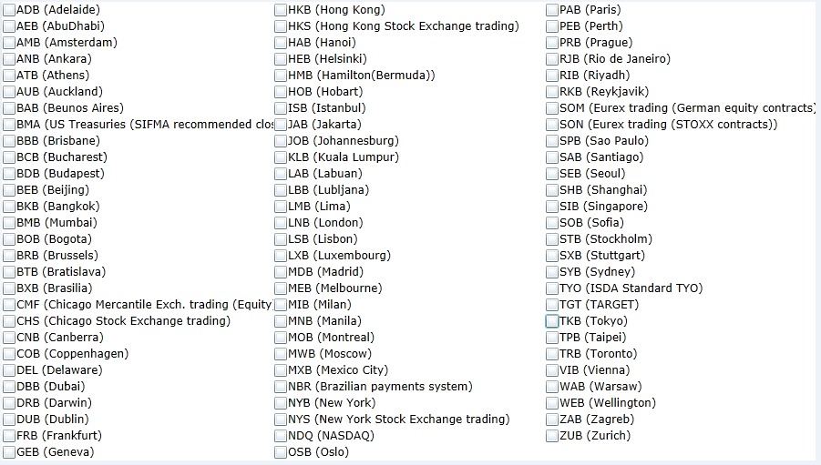
Calendars | BusinessDayAdjustment | Daycounts | Calendar Codes (Sourced from SwapsWire)
AmB | MOD_FOLLOWING | 30/360
AuB | FOLLOWING | ACT/360
BeB | MOD_PRECEDING | ACT/365FJ
BkB | PRECEDING | ACT/365
BMA | NO_CHANGE | ACT/365_ISDA
BmB |  | ACT/ACT
BxB |  | ACT/ACT_ISMA
CoB
FrB
HeB
HKB
IsB
JaB
JoB
KLB
LnB
LxB
MeB
MoB
MwB
MxB
NBR
NYB
OsB
RiB
RJB
SeB
SiB
SPB
SyB
Tgt
TkB
TpB
TrB
StB
ViB
WeB
ZuB

ForwardRates
Forward Rates

Curve Collection | EURYC

EUR Forward Rates
meCurveForwardRates…
FixingDate | EUROIS | EUR3ML | EUR6ML
6-Jun-17 | -0.36053% | -0.32903% | -0.25412%
6-Jul-17 | -0.35574% | -0.32870% | -0.25159%
7-Aug-17 | -0.36402% | -0.32816% | -0.24522%
7-Sep-17 | -0.35784% | -0.32664% | -0.23919%
9-Oct-17 | -0.35989% | -0.32312% | -0.23200%
9-Nov-17 | -0.35809% | -0.31789% | -0.22169%
11-Dec-17 | -0.34776% | -0.31091% | -0.21318%
11-Jan-18 | -0.34745% | -0.30218% | -0.20285%
12-Feb-18 | -0.35151% | -0.29154% | -0.18924%
12-Mar-18 | -0.32933% | -0.27988% | -0.17740%
12-Apr-18 | -0.32995% | -0.26635% | -0.16461%
14-May-18 | -0.32921% | -0.25084% | -0.14591%
14-Jun-18 | -0.31889% | -0.23573% | -0.12317%
16-Jul-18 | -0.30761% | -0.22031% | -0.10188%
16-Aug-18 | -0.29631% | -0.20561% | -0.08378%
17-Sep-18 | -0.28426% | -0.19091% | -0.06706%
17-Oct-18 | -0.27262% | -0.17689% | -0.05261%
19-Nov-18 | -0.25941% | -0.16198% | -0.03743%
19-Dec-18 | -0.24704% | -0.14909% | -0.02370%
21-Jan-19 | -0.23294% | -0.13466% | -0.00820%
21-Feb-19 | -0.21920% | -0.12156% | 0.00683%
21-Mar-19 | -0.20637% | -0.10910% | 0.02086%
23-Apr-19 | -0.19076% | -0.09543% | 0.03802%
23-May-19 | -0.17610% | -0.08224% | 0.05427%
24-Jun-19 | -0.16000% | -0.06762% | 0.07237%
24-Jul-19 | -0.14459% | -0.05294% | 0.09007%
26-Aug-19 | -0.12730% | -0.03572% | 0.11036%
26-Sep-19 | -0.11075% | -0.01879% | 0.13019%
28-Oct-19 | -0.09333% | 0.00031% | 0.15142%
28-Nov-19 | -0.07614% | 0.01952% | 0.17271%
30-Dec-19 | -0.05807% | 0.04001% | 0.19542%
30-Jan-20 | -0.04018% | 0.06118% | 0.21797%
2-Mar-20 | -0.02156% | 0.08446% | 0.24177%
2-Apr-20 | -0.00320% | 0.10726% | 0.26518%
4-May-20 | 0.01608% | 0.13225% | 0.28960%
4-Jun-20 | 0.03508% | 0.15629% | 0.31336%
6-Jul-20 | 0.05491% | 0.18091% | 0.33789%
6-Aug-20 | 0.07417% | 0.20447% | 0.36162%
7-Sep-20 | 0.09411% | 0.22810% | 0.38607%
7-Oct-20 | 0.11286% | 0.25076% | 0.40894%
9-Nov-20 | 0.13354% | 0.27520% | 0.43404%
9-Dec-20 | 0.15240% | 0.29645% | 0.45680%
11-Jan-21 | 0.17370% | 0.32027% | 0.48179%
11-Feb-21 | 0.19342% | 0.34182% | 0.50525%
11-Mar-21 | 0.21128% | 0.36240% | 0.52639%
12-Apr-21 | 0.23175% | 0.38412% | 0.55050%
12-May-21 | 0.25101% | 0.40511% | 0.57306%
14-Jun-21 | 0.27227% | 0.42800% | 0.59785%
14-Jul-21 | 0.29203% | 0.44914% | 0.62037%
16-Aug-21 | 0.31442% | 0.47278% | 0.64513%
16-Sep-21 | 0.33608% | 0.49498% | 0.66841%
18-Oct-21 | 0.35907% | 0.51903% | 0.69249%
18-Nov-21 | 0.38197% | 0.54233% | 0.71588%
20-Dec-21 | 0.40625% | 0.56597% | 0.74011%
20-Jan-22 | 0.43040% | 0.58998% | 0.76366%
21-Feb-22 | 0.45597% | 0.61473% | 0.78801%
21-Mar-22 | 0.47890% | 0.63828% | 0.80932%
21-Apr-22 | 0.50486% | 0.66285% | 0.83286%
23-May-22 | 0.53233% | 0.68916% | 0.85707%
23-Jun-22 | 0.55944% | 0.71418% | 0.88038%
25-Jul-22 | 0.58732% | 0.73982% | 0.90429%
25-Aug-22 | 0.61414% | 0.76449% | 0.92734%
26-Sep-22 | 0.64165% | 0.78937% | 0.95104%
26-Oct-22 | 0.66726% | 0.81331% | 0.97320%
28-Nov-22 | 0.69525% | 0.83901% | 0.99754%
28-Dec-22 | 0.72052% | 0.86142% | 1.01965%
30-Jan-23 | 0.74813% | 0.88675% | 1.04397%
28-Feb-23 | 0.77223% | 0.90846% | 1.06533%
28-Mar-23 | 0.79536% | 0.93083% | 1.08593%
28-Apr-23 | 0.82081% | 0.95382% | 1.10870%
29-May-23 | 0.84609% | 0.97760% | 1.13144%
29-Jun-23 | 0.87126% | 1.00111% | 1.15412%
31-Jul-23 | 0.89725% | 1.02556% | 1.17749%
31-Aug-23 | 0.92244% | 1.04900% | 1.20012%
2-Oct-23 | 0.94847% | 1.07413% | 1.22350%
2-Nov-23 | 0.97370% | 1.09727% | 1.24620%
4-Dec-23 | 0.99977% | 1.12088% | 1.26970%
4-Jan-24 | 1.02224% | 1.14437% | 1.29255%
5-Feb-24 | 1.04822% | 1.16930% | 1.31613%
5-Mar-24 | 1.07179% | 1.19325% | 1.33748%
5-Apr-24 | 1.09701% | 1.21767% | 1.36024%
6-May-24 | 1.12226% | 1.24290% | 1.38285%
6-Jun-24 | 1.14755% | 1.26742% | 1.40527%
8-Jul-24 | 1.17332% | 1.29219% | 1.42813%
8-Aug-24 | 1.19766% | 1.31562% | 1.44994%
9-Sep-24 | 1.22214% | 1.33883% | 1.47204%
9-Oct-24 | 1.24448% | 1.36116% | 1.49230%
11-Nov-24 | 1.26838% | 1.38568% | 1.51400%
11-Dec-24 | 1.28949% | 1.40671% | 1.53313%
13-Jan-25 | 1.31566% | 1.42958% | 1.55350%
13-Feb-25 | 1.33630% | 1.44934% | 1.57205%
13-Mar-25 | 1.35440% | 1.46803% | 1.58835%
14-Apr-25 | 1.37445% | 1.48736% | 1.60651%
14-May-25 | 1.39263% | 1.50577% | 1.62316%
16-Jun-25 | 1.41196% | 1.52548% | 1.64112%
16-Jul-25 | 1.42942% | 1.54335% | 1.65718%

DiscountFactors
Discount Factors

Curve Collection | EURYC

EUR Discount Factors
meCurveDiscountFactors...
Payment Date | EUROIS
6-Jun-17 | 1.000000
3-Jul-17 | 1.000271
3-Aug-17 | 1.000582
4-Sep-17 | 1.000903
4-Oct-17 | 1.001202
6-Nov-17 | 1.001532
6-Dec-17 | 1.001828
8-Jan-18 | 1.002147
8-Feb-18 | 1.002448
8-Mar-18 | 1.002718
9-Apr-18 | 1.003009
9-May-18 | 1.003286
11-Jun-18 | 1.003586
11-Jul-18 | 1.003849
13-Aug-18 | 1.004128
13-Sep-18 | 1.004381
15-Oct-18 | 1.004631
15-Nov-18 | 1.004862
17-Dec-18 | 1.005089
17-Jan-19 | 1.005299
18-Feb-19 | 1.005502
18-Mar-19 | 1.005670
18-Apr-19 | 1.005844
20-May-19 | 1.006010
20-Jun-19 | 1.006157
22-Jul-19 | 1.006295
22-Aug-19 | 1.006414
23-Sep-19 | 1.006523
23-Oct-19 | 1.006610
25-Nov-19 | 1.006691
27-Dec-19 | 1.006753
27-Jan-20 | 1.006797
27-Feb-20 | 1.006826
27-Mar-20 | 1.006839
27-Apr-20 | 1.006837
27-May-20 | 1.006819
29-Jun-20 | 1.006782
29-Jul-20 | 1.006732
31-Aug-20 | 1.006659
30-Sep-20 | 1.006577
30-Oct-20 | 1.006478
30-Nov-20 | 1.006359
30-Dec-20 | 1.006229
1-Feb-21 | 1.006066
1-Mar-21 | 1.005913
1-Apr-21 | 1.005727
3-May-21 | 1.005518
3-Jun-21 | 1.005297
5-Jul-21 | 1.005051
5-Aug-21 | 1.004795
6-Sep-21 | 1.004511
6-Oct-21 | 1.004227
8-Nov-21 | 1.003894
8-Dec-21 | 1.003572
10-Jan-22 | 1.003195
10-Feb-22 | 1.002820
10-Mar-22 | 1.002463
11-Apr-22 | 1.002033
11-May-22 | 1.001608
13-Jun-22 | 1.001116
13-Jul-22 | 1.000647
15-Aug-22 | 1.000105
15-Sep-22 | 0.999572
17-Oct-22 | 0.998999
17-Nov-22 | 0.998421
19-Dec-22 | 0.997801
19-Jan-23 | 0.997177
20-Feb-23 | 0.996511
20-Mar-23 | 0.995909
20-Apr-23 | 0.995222
22-May-23 | 0.994491
22-Jun-23 | 0.993761
24-Jul-23 | 0.992986
24-Aug-23 | 0.992213
25-Sep-23 | 0.991394
25-Oct-23 | 0.990606
27-Nov-23 | 0.989716
27-Dec-23 | 0.988887
29-Jan-24 | 0.987955
29-Feb-24 | 0.987058
2-Apr-24 | 0.986080
2-May-24 | 0.985172
3-Jun-24 | 0.984181
3-Jul-24 | 0.983233
5-Aug-24 | 0.982168
5-Sep-24 | 0.981148
7-Oct-24 | 0.980075
7-Nov-24 | 0.979017
9-Dec-24 | 0.977907
9-Jan-25 | 0.976814
10-Feb-25 | 0.975665
10-Mar-25 | 0.974647
10-Apr-25 | 0.973504
12-May-25 | 0.972309
12-Jun-25 | 0.971138
14-Jul-25 | 0.969914

Swap Pricer Tool
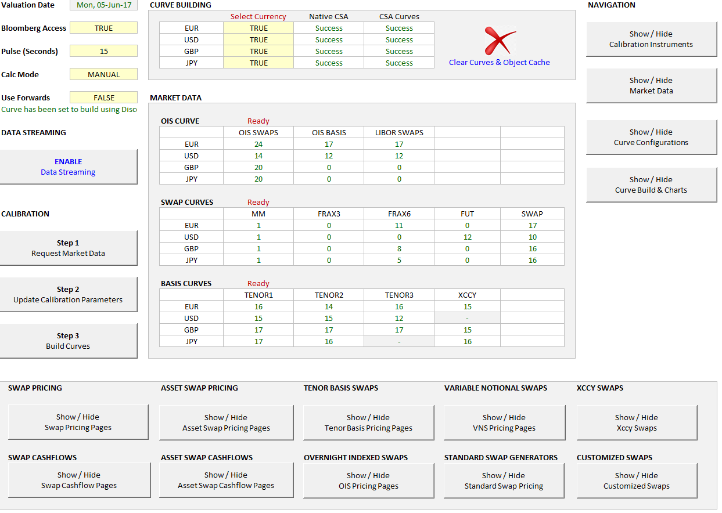
MLIB Analytics Ribbon

Swap Pricing

IRS
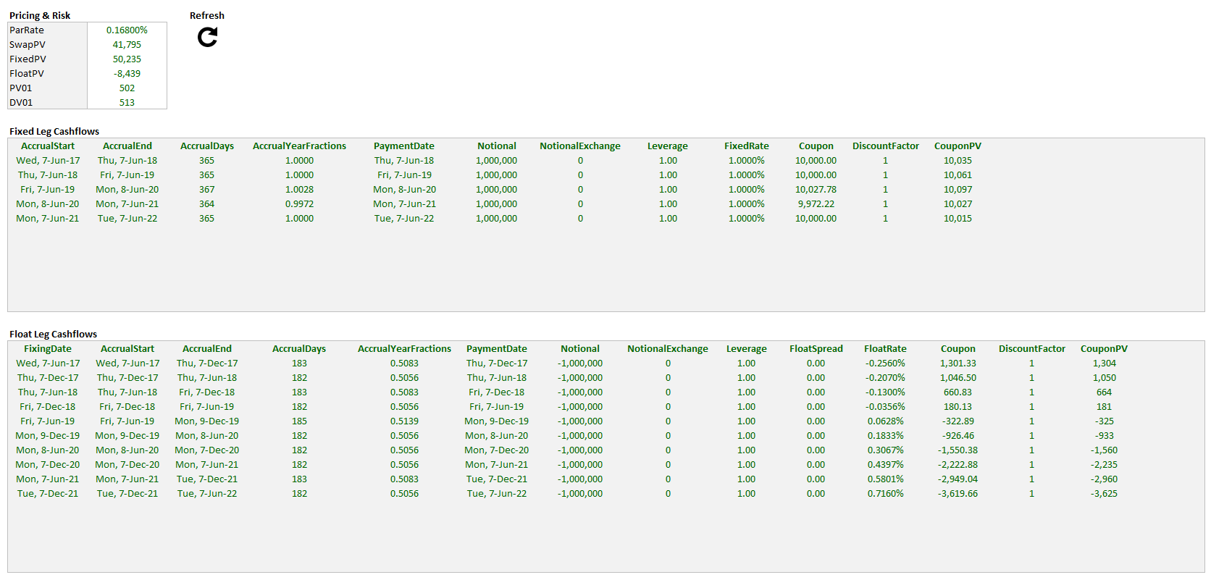
Interest Rate Swaps ( IRS )

ASW
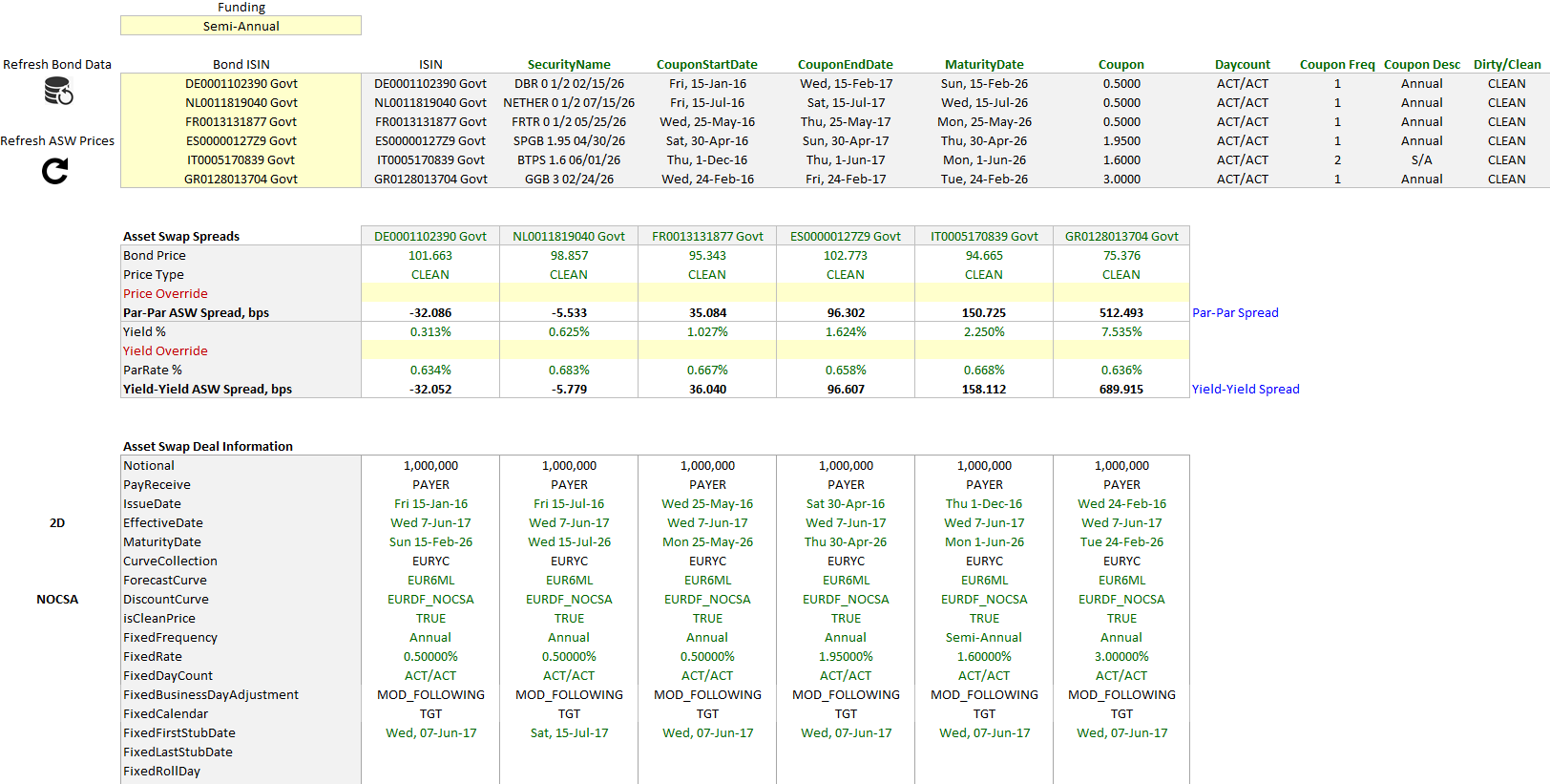
Asset Swap Pricing ( ASW )

VNS
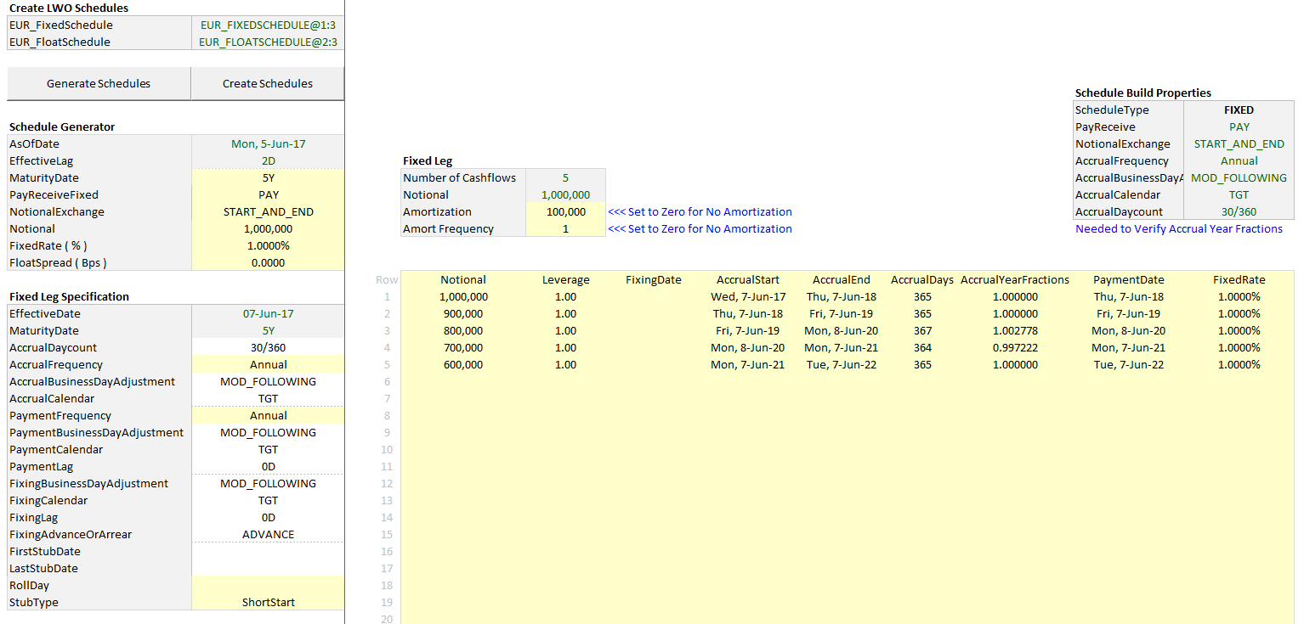
Variable Notional Swaps ( VNS )

StandardSwaps
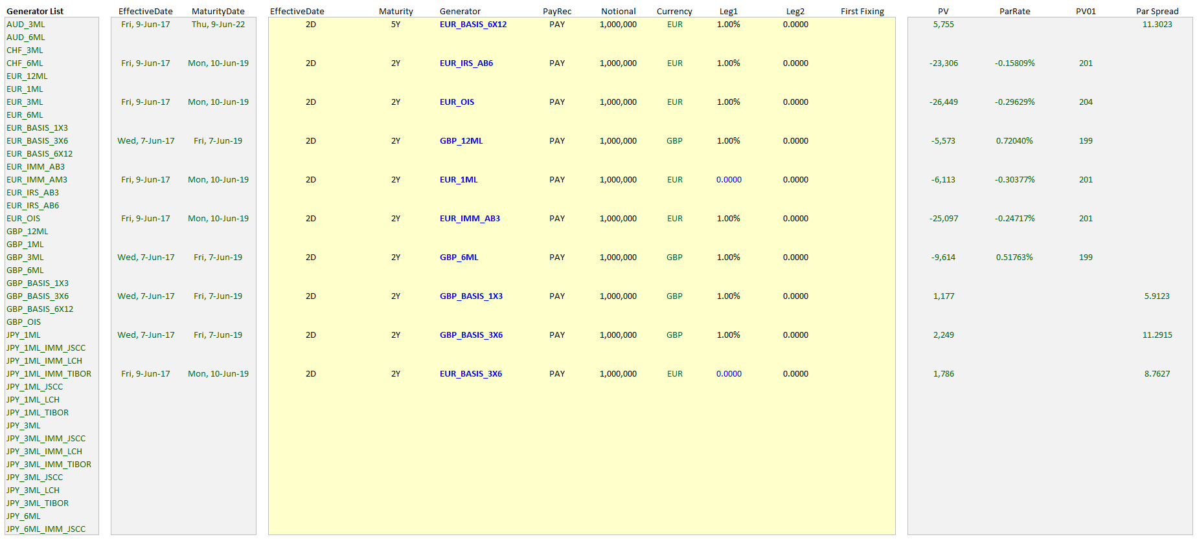
Standard Swaps

CustomSwaps
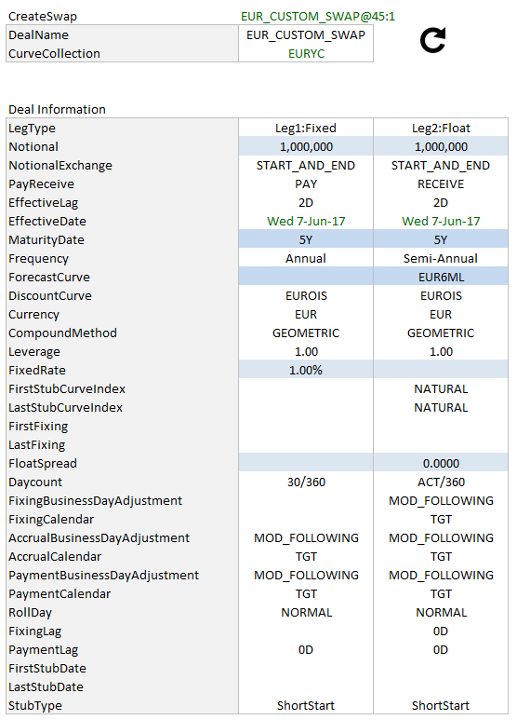
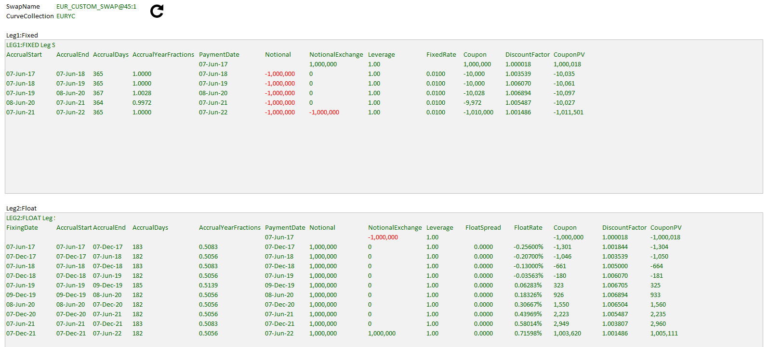
Custom Swaps

XCCY
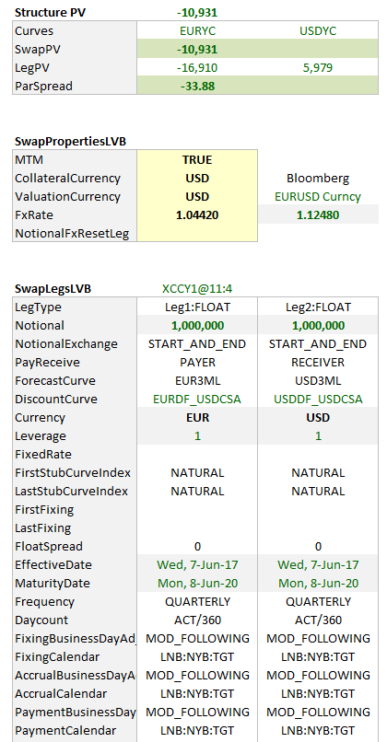
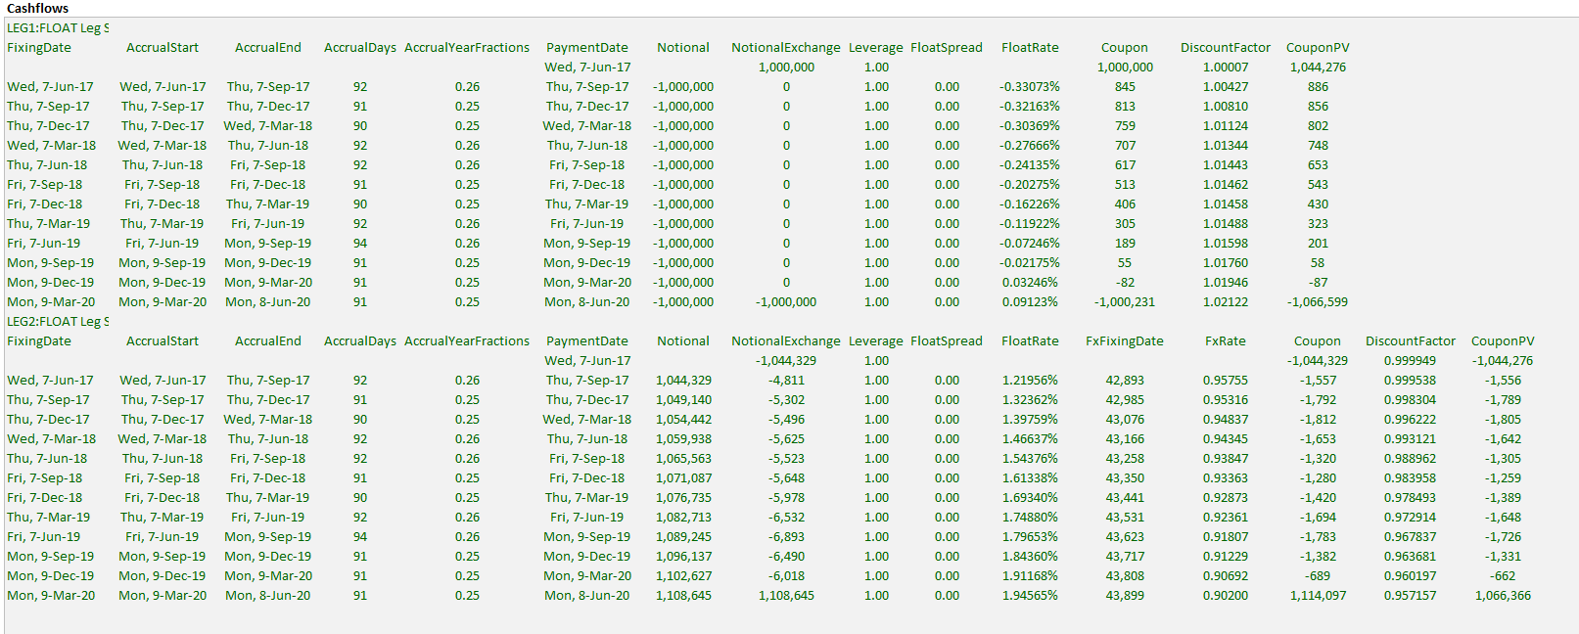
Xccy Swaps

