Getting Started
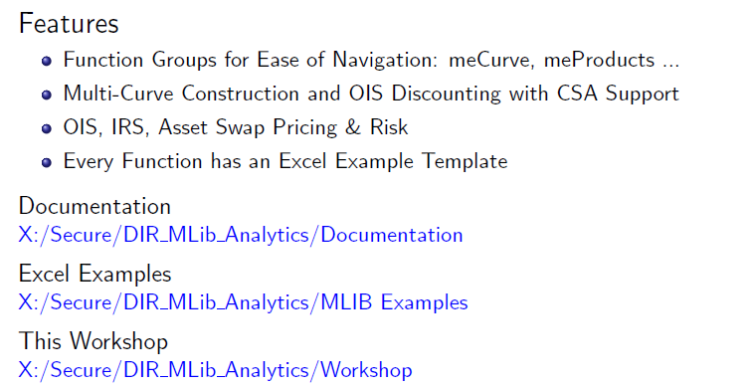
Mlibrary - Getting Started

Excel Launcher
X:\Secure\DIR_MLib_Analytics\MLIB_Excel_Addin

Developer Tools
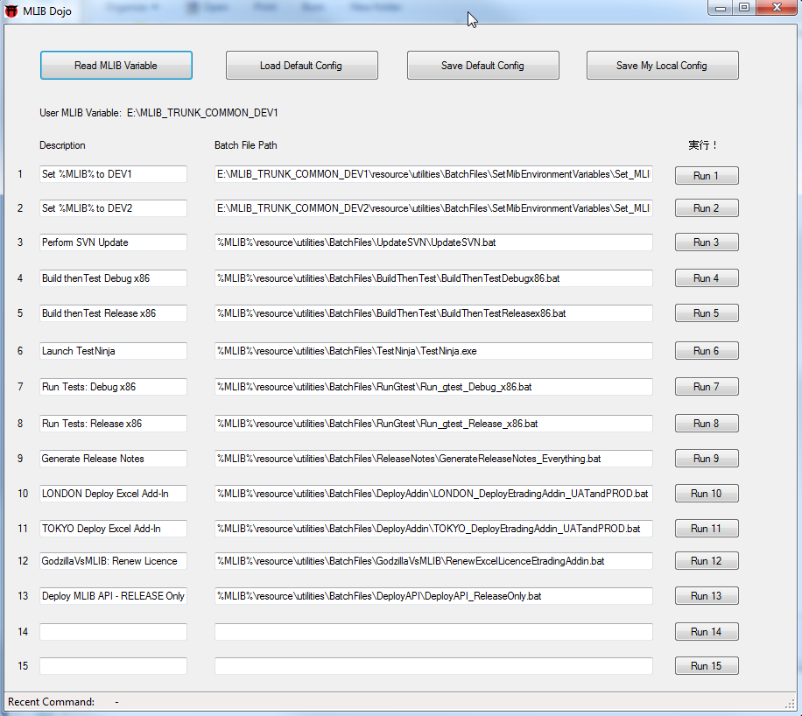
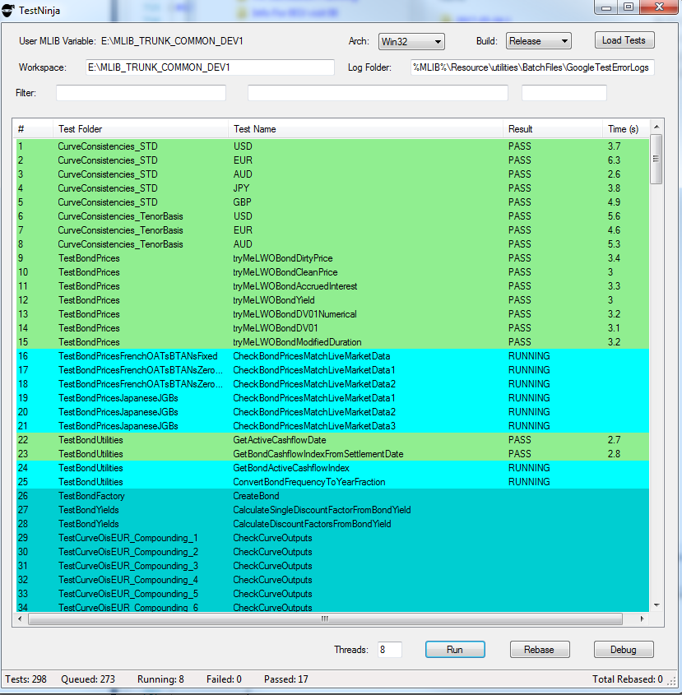
Developer Tools

MLIB Dojo - Automation Dashboard | Test Ninja - Test Harness
Features: Regional and Customized Automation Dashboard for Speedy Automation of Quant Tasks | Features: Parallized Tests, Debug Support, Test Rebasing / Reset Features, Test Failure Logging and Explain

Conventions
Calendar & Daycount Conventions

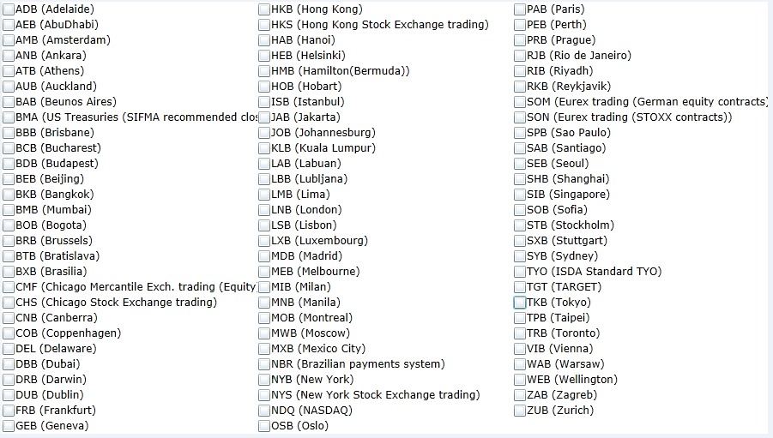
Calendars | BusinessDayAdjustment | Daycounts | Calendar Codes (Sourced from SwapsWire)
AmB | MOD_FOLLOWING | 30/360
AuB | FOLLOWING | ACT/360
BeB | MOD_PRECEDING | ACT/365FJ
BkB | PRECEDING | ACT/365
BMA | NO_CHANGE | ACT/365_ISDA
BmB |  | ACT/ACT
BxB |  | ACT/ACT_ISMA
CoB
FrB
HeB
HKB
IsB
JaB
JoB
KLB
LnB
LxB
MeB
MoB
MwB
MxB
NBR
NYB
OsB
RiB
RJB
SeB
SiB
SPB
SyB
Tgt
TkB
TpB
TrB
StB
ViB
WeB
ZuB

EURYC-ForwardRates
Forward Rates

Curve Collection | EURYC

EUR Forward Rates
meCurveForwardRates
FixingDate | EUROIS | EUR3ML | EUR6ML
23-May-18 | 0.00000% | 0.00000% | 0.00000%
25-Jun-18 | 0.00000% | 0.00000% | 0.00000%
25-Jul-18 | -0.36100% | 0.00000% | 0.00000%
27-Aug-18 | -0.36000% | 0.00000% | 0.00000%
27-Sep-18 | -0.36000% | 0.00000% | 0.00000%

meLWOCurveForwardRatesTable
Start | 0Y
End | 20Y

Fixing Dates | EUROIS | EUR3ML | EUR6ML
23-May-18 | -0.36400% | 0.00147% | 0.01665%
25-Jun-18 | -0.36100% | -0.02279% | -0.25800%
23-Jul-18 | -0.36100% | -0.04342% | -0.25053%
23-Aug-18 | -0.36000% | -0.06637% | -0.24385%
24-Sep-18 | -0.35900% | -0.09008% | -0.23431%
23-Oct-18 | -0.35900% | -0.11073% | -0.22653%
23-Nov-18 | -0.35800% | -0.13076% | -0.21784%
24-Dec-18 | -0.35800% | -0.14766% | -0.20887%
23-Jan-19 | -0.35800% | -0.16104% | -0.19590%
25-Feb-19 | -0.35962% | -0.17277% | -0.18100%
25-Mar-19 | -0.35821% | -0.18053% | -0.16400%
23-Apr-19 | -0.35128% | -0.18642% | -0.14435%
23-May-19 | -0.33827% | -0.19013% | -0.15593%
24-Jun-19 | -0.31968% | -0.19131% | -0.16585%
23-Jul-19 | -0.30098% | -0.18987% | -0.17422%
23-Aug-19 | -0.27833% | -0.18569% | -0.18315%
23-Sep-19 | -0.25595% | -0.17879% | -0.19209%
23-Oct-19 | -0.23342% | -0.16960% | -0.20074%
25-Nov-19 | -0.20846% | -0.15679% | -0.17902%
23-Dec-19 | -0.18650% | -0.14377% | -0.14431%
23-Jan-20 | -0.16017% | -0.12695% | -0.08868%
24-Feb-20 | -0.13176% | -0.10669% | -0.01777%
23-Mar-20 | -0.10535% | -0.08640% | 0.05094%
23-Apr-20 | -0.07436% | -0.06128% | 0.12930%
25-May-20 | -0.04041% | -0.03266% | 0.20722%
23-Jun-20 | -0.00856% | -0.00452% | 0.27118%
23-Jul-20 | 0.02484% | 0.02692% | 0.33032%
24-Aug-20 | 0.06098% | 0.06330% | 0.38624%
23-Sep-20 | 0.09509% | 0.10019% | 0.43263%
23-Oct-20 | 0.13030% | 0.13953% | 0.47383%
23-Nov-20 | 0.16433% | 0.18241% | 0.51165%
23-Dec-20 | 0.19811% | 0.22582% | 0.54429%
25-Jan-21 | 0.23542% | 0.27636% | 0.57654%
23-Feb-21 | 0.26724% | 0.32375% | 0.60229%
23-Mar-21 | 0.29732% | 0.37232% | 0.62542%
23-Apr-21 | 0.33065% | 0.42740% | 0.64966%
24-May-21 | 0.36087% | 0.48113% | 0.67313%
23-Jun-21 | 0.39034% | 0.52960% | 0.69570%
23-Jul-21 | 0.42026% | 0.57441% | 0.71834%
23-Aug-21 | 0.44870% | 0.61727% | 0.74192%
23-Sep-21 | 0.47748% | 0.65694% | 0.76582%
25-Oct-21 | 0.50641% | 0.69441% | 0.79095%
23-Nov-21 | 0.53196% | 0.72511% | 0.81424%
23-Dec-21 | 0.55761% | 0.75345% | 0.83891%
24-Jan-22 | 0.58400% | 0.78008% | 0.86572%
23-Feb-22 | 0.60782% | 0.80199% | 0.89107%
23-Mar-22 | 0.62917% | 0.82013% | 0.91474%
25-Apr-22 | 0.65309% | 0.83959% | 0.94239%
23-May-22 | 0.67234% | 0.85541% | 0.96544%
23-Jun-22 | 0.69311% | 0.87309% | 0.99034%
25-Jul-22 | 0.71469% | 0.89195% | 1.01541%
23-Aug-22 | 0.73435% | 0.90977% | 1.03764%
23-Sep-22 | 0.75627% | 0.92977% | 1.06098%
24-Oct-22 | 0.77705% | 0.95055% | 1.08397%
23-Nov-22 | 0.79809% | 0.97117% | 1.10597%
23-Dec-22 | 0.82055% | 0.99209% | 1.12779%
23-Jan-23 | 0.84189% | 1.01419% | 1.15008%
23-Feb-23 | 0.86473% | 1.03702% | 1.17202%
23-Mar-23 | 0.88573% | 1.05842% | 1.19145%
24-Apr-23 | 0.91026% | 1.08342% | 1.21311%
23-May-23 | 0.93298% | 1.10605% | 1.23214%
23-Jun-23 | 0.95805% | 1.12968% | 1.25180%
24-Jul-23 | 0.98090% | 1.15241% | 1.27081%
23-Aug-23 | 1.00317% | 1.17327% | 1.28870%
25-Sep-23 | 1.02691% | 1.19473% | 1.30791%
23-Oct-23 | 1.04638% | 1.21190% | 1.32393%
23-Nov-23 | 1.06721% | 1.23010% | 1.34146%
27-Dec-23 | 1.08914% | 1.24940% | 1.36054%
23-Jan-24 | 1.10274% | 1.26429% | 1.37559%
23-Feb-24 | 1.12158% | 1.28094% | 1.39277%
25-Mar-24 | 1.13829% | 1.29714% | 1.40987%
23-Apr-24 | 1.15360% | 1.31195% | 1.42579%
23-May-24 | 1.16854% | 1.32698% | 1.44219%
24-Jun-24 | 1.18388% | 1.34278% | 1.45959%
23-Jul-24 | 1.19779% | 1.35712% | 1.47528%
23-Aug-24 | 1.21317% | 1.37274% | 1.49193%
23-Sep-24 | 1.22755% | 1.38888% | 1.50844%
23-Oct-24 | 1.24204% | 1.40481% | 1.52427%
25-Nov-24 | 1.25806% | 1.42233% | 1.54147%
23-Dec-24 | 1.27174% | 1.43695% | 1.55589%
23-Jan-25 | 1.29057% | 1.45297% | 1.57165%
24-Feb-25 | 1.30656% | 1.46945% | 1.58764%
24-Mar-25 | 1.32069% | 1.48391% | 1.60135%
23-Apr-25 | 1.33601% | 1.49934% | 1.61572%
23-May-25 | 1.35208% | 1.51455% | 1.62972%
23-Jun-25 | 1.36753% | 1.52987% | 1.64378%
23-Jul-25 | 1.38278% | 1.54434% | 1.65702%
25-Aug-25 | 1.39928% | 1.55995% | 1.67119%
23-Sep-25 | 1.41353% | 1.57344% | 1.68335%
23-Oct-25 | 1.42802% | 1.58710% | 1.69567%
24-Nov-25 | 1.44319% | 1.60125% | 1.70857%
23-Dec-25 | 1.45669% | 1.61361% | 1.72007%
23-Jan-26 | 1.47135% | 1.62648% | 1.73215%
23-Feb-26 | 1.48472% | 1.63921% | 1.74398%
23-Mar-26 | 1.49700% | 1.65070% | 1.75442%
23-Apr-26 | 1.51033% | 1.66330% | 1.76569%
25-May-26 | 1.52378% | 1.67592% | 1.77698%
23-Jun-26 | 1.53563% | 1.68686% | 1.78689%
23-Jul-26 | 1.54750% | 1.69771% | 1.79686%
24-Aug-26 | 1.55970% | 1.70889% | 1.80721%
23-Sep-26 | 1.57070% | 1.71910% | 1.81671%
23-Oct-26 | 1.58167% | 1.72898% | 1.82604%
23-Nov-26 | 1.59172% | 1.73876% | 1.83557%
23-Dec-26 | 1.60138% | 1.74775% | 1.84471%
25-Jan-27 | 1.61149% | 1.75720% | 1.85465%
23-Feb-27 | 1.61991% | 1.76525% | 1.86323%
23-Mar-27 | 1.62762% | 1.77292% | 1.87135%
23-Apr-27 | 1.63599% | 1.78138% | 1.88010%
24-May-27 | 1.64319% | 1.78991% | 1.88857%
23-Jun-27 | 1.65033% | 1.79828% | 1.89645%
23-Jul-27 | 1.65806% | 1.80665% | 1.90411%
23-Aug-27 | 1.66566% | 1.81513% | 1.91185%
23-Sep-27 | 1.67390% | 1.82330% | 1.91953%
25-Oct-27 | 1.68276% | 1.83156% | 1.92747%
23-Nov-27 | 1.69111% | 1.83911% | 1.93477%
23-Dec-27 | 1.70009% | 1.84716% | 1.94248%
24-Jan-28 | 1.70539% | 1.85616% | 1.95084%
23-Feb-28 | 1.71510% | 1.86514% | 1.95873%
23-Mar-28 | 1.72488% | 1.87435% | 1.96635%
24-Apr-28 | 1.73613% | 1.88475% | 1.97469%
23-May-28 | 1.74676% | 1.89390% | 1.98210%
23-Jun-28 | 1.75853% | 1.90301% | 1.98982%
24-Jul-28 | 1.76877% | 1.91154% | 1.99728%
23-Aug-28 | 1.77851% | 1.91955% | 2.00420%
25-Sep-28 | 1.78850% | 1.92829% | 2.01142%
23-Oct-28 | 1.79636% | 1.93550% | 2.01719%
23-Nov-28 | 1.80440% | 1.94299% | 2.02316%
27-Dec-28 | 1.81240% | 1.95033% | 2.02914%
23-Jan-29 | 1.82312% | 1.95548% | 2.03353%
23-Feb-29 | 1.82928% | 1.96070% | 2.03823%
23-Mar-29 | 1.83393% | 1.96481% | 2.04223%
23-Apr-29 | 1.83808% | 1.96888% | 2.04644%
23-May-29 | 1.84158% | 1.97257% | 2.05037%
25-Jun-29 | 1.84501% | 1.97658% | 2.05461%
23-Jul-29 | 1.84800% | 1.98003% | 2.05816%
23-Aug-29 | 1.85140% | 1.98393% | 2.06205%
24-Sep-29 | 1.85501% | 1.98808% | 2.06606%
23-Oct-29 | 1.85840% | 1.99195% | 2.06969%
23-Nov-29 | 1.86236% | 1.99614% | 2.07360%
24-Dec-29 | 1.86624% | 2.00036% | 2.07755%
23-Jan-30 | 1.86991% | 2.00450% | 2.08137%
25-Feb-30 | 1.87436% | 2.00915% | 2.08553%
25-Mar-30 | 1.87829% | 2.01321% | 2.08899%
23-Apr-30 | 1.88252% | 2.01744% | 2.09247%
23-May-30 | 1.88707% | 2.02176% | 2.09591%
24-Jun-30 | 1.89197% | 2.02619% | 2.09937%
23-Jul-30 | 1.89629% | 2.03006% | 2.10234%
23-Aug-30 | 1.90100% | 2.03406% | 2.10536%
23-Sep-30 | 1.90509% | 2.03793% | 2.10824%
23-Oct-30 | 1.90915% | 2.04154% | 2.11093%
25-Nov-30 | 1.91345% | 2.04532% | 2.11380%
23-Dec-30 | 1.91698% | 2.04837% | 2.11618%
23-Jan-31 | 1.92076% | 2.05158% | 2.11871%
24-Feb-31 | 1.92451% | 2.05477% | 2.12114%
24-Mar-31 | 1.92767% | 2.05748% | 2.12305%
23-Apr-31 | 1.93093% | 2.06032% | 2.12481%
23-May-31 | 1.93426% | 2.06313% | 2.12624%
23-Jun-31 | 1.93716% | 2.06596% | 2.12729%
23-Jul-31 | 1.94003% | 2.06845% | 2.12796%
25-Aug-31 | 1.94305% | 2.07060% | 2.12838%
23-Sep-31 | 1.94557% | 2.07181% | 2.12855%
23-Oct-31 | 1.94806% | 2.07256% | 2.12860%
24-Nov-31 | 1.95057% | 2.07313% | 2.12859%
23-Dec-31 | 1.95273% | 2.07369% | 2.12860%
23-Jan-32 | 1.94974% | 2.07444% | 2.12863%
23-Feb-32 | 1.95161% | 2.07543% | 2.12871%
23-Mar-32 | 1.95340% | 2.07661% | 2.12883%
23-Apr-32 | 1.95536% | 2.07794% | 2.12903%
24-May-32 | 1.95686% | 2.07907% | 2.12931%
23-Jun-32 | 1.95835% | 2.07981% | 2.12966%
23-Jul-32 | 1.95988% | 2.08043% | 2.13003%
23-Aug-32 | 1.96102% | 2.08130% | 2.13036%
23-Sep-32 | 1.96220% | 2.08267% | 2.13057%
25-Oct-32 | 1.96328% | 2.08436% | 2.13058%
23-Nov-32 | 1.96415% | 2.08579% | 2.13033%
23-Dec-32 | 1.96494% | 2.08686% | 2.12977%
24-Jan-33 | 1.97104% | 2.08752% | 2.12886%
23-Feb-33 | 1.97159% | 2.08772% | 2.12774%
23-Mar-33 | 1.97201% | 2.08759% | 2.12651%
25-Apr-33 | 1.97238% | 2.08713% | 2.12487%
23-May-33 | 1.97258% | 2.08659% | 2.12336%
23-Jun-33 | 1.97270% | 2.08590% | 2.12160%
25-Jul-33 | 1.97270% | 2.08513% | 2.11969%
23-Aug-33 | 1.97259% | 2.08436% | 2.11789%
23-Sep-33 | 1.97246% | 2.08347% | 2.11589%
24-Oct-33 | 1.97203% | 2.08249% | 2.11382%
23-Nov-33 | 1.97159% | 2.08142% | 2.11176%
23-Dec-33 | 1.97119% | 2.08024% | 2.10965%
23-Jan-34 | 1.97039% | 2.07891% | 2.10741%
23-Feb-34 | 1.96962% | 2.07749% | 2.10509%
23-Mar-34 | 1.96882% | 2.07616% | 2.10293%
24-Apr-34 | 1.96781% | 2.07458% | 2.10037%
23-May-34 | 1.96679% | 2.07307% | 2.09797%
23-Jun-34 | 1.96566% | 2.07138% | 2.09530%
24-Jul-34 | 1.96430% | 2.06958% | 2.09254%
23-Aug-34 | 1.96294% | 2.06775% | 2.08980%
25-Sep-34 | 1.96134% | 2.06561% | 2.08673%
23-Oct-34 | 1.95988% | 2.06370% | 2.08408%
23-Nov-34 | 1.95818% | 2.06151% | 2.08114%
27-Dec-34 | 1.95619% | 2.05902% | 2.07789%
23-Jan-35 | 1.95452% | 2.05697% | 2.07527%
23-Feb-35 | 1.95255% | 2.05452% | 2.07215%
27-Mar-35 | 1.95034% | 2.05186% | 2.06877%
23-Apr-35 | 1.94842% | 2.04957% | 2.06574%
23-May-35 | 1.94620% | 2.04704% | 2.06214%
25-Jun-35 | 1.94366% | 2.04429% | 2.05784%
23-Jul-35 | 1.94141% | 2.04178% | 2.05397%
23-Aug-35 | 1.93884% | 2.03856% | 2.04950%
24-Sep-35 | 1.93608% | 2.03450% | 2.04474%
23-Oct-35 | 1.93349% | 2.03038% | 2.04037%
23-Nov-35 | 1.93065% | 2.02582% | 2.03570%
24-Dec-35 | 1.92770% | 2.02143% | 2.03109%
23-Jan-36 | 1.91950% | 2.01742% | 2.02671%
25-Feb-36 | 1.91619% | 2.01328% | 2.02202%
24-Mar-36 | 1.91330% | 2.00997% | 2.01815%
23-Apr-36 | 1.91012% | 2.00649% | 2.01414%
23-May-36 | 1.90686% | 2.00289% | 2.01028%
23-Jun-36 | 1.90341% | 1.99890% | 2.00645%
23-Jul-36 | 1.89999% | 1.99499% | 2.00285%
25-Aug-36 | 1.89614% | 1.99098% | 1.99893%
23-Sep-36 | 1.89267% | 1.98792% | 1.99543%
23-Oct-36 | 1.88901% | 1.98503% | 1.99169%
24-Nov-36 | 1.88501% | 1.98192% | 1.98748%
23-Dec-36 | 1.88132% | 1.97882% | 1.98342%
23-Jan-37 | 1.88239% | 1.97511% | 1.97882%
23-Feb-37 | 1.87829% | 1.97099% | 1.97400%
23-Mar-37 | 1.87449% | 1.96691% | 1.96949%
23-Apr-37 | 1.87021% | 1.96211% | 1.96437%
25-May-37 | 1.86571% | 1.95701% | 1.95899%
23-Jun-37 | 1.86156% | 1.95236% | 1.95405%
23-Jul-37 | 1.85719% | 1.94753% | 1.94888%
24-Aug-37 | 1.85245% | 1.94229% | 1.94330%
23-Sep-37 | 1.84794% | 1.93727% | 1.93800%
23-Oct-37 | 1.84330% | 1.93216% | 1.93263%
23-Nov-37 | 1.83855% | 1.92680% | 1.92700%
23-Dec-37 | 1.83383% | 1.92157% | 1.92146%
25-Jan-38 | 1.82855% | 1.91572% | 1.91530%
23-Feb-38 | 1.82385% | 1.91048% | 1.90986%
23-Mar-38 | 1.81926% | 1.90530% | 1.90459%
27-Apr-38 | 1.81343% | 1.89875% | 1.89802%
24-May-38 | 1.80888% | 1.89371% | 1.89300%
#N/A | #N/A | #N/A | #N/A
#N/A | #N/A | #N/A | #N/A
#N/A | #N/A | #N/A | #N/A
#N/A | #N/A | #N/A | #N/A
#N/A | #N/A | #N/A | #N/A
#N/A | #N/A | #N/A | #N/A
#N/A | #N/A | #N/A | #N/A
#N/A | #N/A | #N/A | #N/A
#N/A | #N/A | #N/A | #N/A
#N/A | #N/A | #N/A | #N/A
#N/A | #N/A | #N/A | #N/A
#N/A | #N/A | #N/A | #N/A
#N/A | #N/A | #N/A | #N/A
#N/A | #N/A | #N/A | #N/A
#N/A | #N/A | #N/A | #N/A
#N/A | #N/A | #N/A | #N/A
#N/A | #N/A | #N/A | #N/A
#N/A | #N/A | #N/A | #N/A
#N/A | #N/A | #N/A | #N/A
#N/A | #N/A | #N/A | #N/A
#N/A | #N/A | #N/A | #N/A
#N/A | #N/A | #N/A | #N/A
#N/A | #N/A | #N/A | #N/A
#N/A | #N/A | #N/A | #N/A
#N/A | #N/A | #N/A | #N/A
#N/A | #N/A | #N/A | #N/A
#N/A | #N/A | #N/A | #N/A
#N/A | #N/A | #N/A | #N/A
#N/A | #N/A | #N/A | #N/A
#N/A | #N/A | #N/A | #N/A
#N/A | #N/A | #N/A | #N/A
#N/A | #N/A | #N/A | #N/A
#N/A | #N/A | #N/A | #N/A
#N/A | #N/A | #N/A | #N/A
#N/A | #N/A | #N/A | #N/A
#N/A | #N/A | #N/A | #N/A
#N/A | #N/A | #N/A | #N/A
#N/A | #N/A | #N/A | #N/A

EURYC-DiscountFactors
Forward Rates

Curve Collection | EURYC

EUR Discount Factors
meCurveDiscountFactors
PaymentDate | EURDF
23-May-18 | 1.000000
25-Jun-18 | 1.000000
25-Jul-18 | 1.000000
27-Aug-18 | 1.000963
27-Sep-18 | 1.001273

meLWOCurveDiscountFactorsTable
Start | 0D
End | 10Y

Payment Dates | EURDF
23-May-18 | 1.000000
23-Jun-18 | 1.000311
23-Jul-18 | 1.000612
23-Aug-18 | 1.000923
23-Sep-18 | 1.001233
23-Oct-18 | 1.001532
23-Nov-18 | 1.001841
23-Dec-18 | 1.002140
23-Jan-19 | 1.002449
23-Feb-19 | 1.002759
23-Mar-19 | 1.003039
23-Apr-19 | 1.003346
23-May-19 | 1.003635
23-Jun-19 | 1.003920
23-Jul-19 | 1.004181
23-Aug-19 | 1.004432
23-Sep-19 | 1.004664
23-Oct-19 | 1.004869
23-Nov-19 | 1.005061
23-Dec-19 | 1.005228
23-Jan-20 | 1.005378
23-Feb-20 | 1.005505
23-Mar-20 | 1.005602
23-Apr-20 | 1.005681
23-May-20 | 1.005730
23-Jun-20 | 1.005753
23-Jul-20 | 1.005746
23-Aug-20 | 1.005710
23-Sep-20 | 1.005644
23-Oct-20 | 1.005550
23-Nov-20 | 1.005424
23-Dec-20 | 1.005272
23-Jan-21 | 1.005086
23-Feb-21 | 1.004870
23-Mar-21 | 1.004650
23-Apr-21 | 1.004379
23-May-21 | 1.004091
23-Jun-21 | 1.003767
23-Jul-21 | 1.003429
23-Aug-21 | 1.003054
23-Sep-21 | 1.002654
23-Oct-21 | 1.002245
23-Nov-21 | 1.001798
23-Dec-21 | 1.001343
23-Jan-22 | 1.000852
23-Feb-22 | 1.000339
23-Mar-22 | 0.999858
23-Apr-22 | 0.999307
23-May-22 | 0.998756
23-Jun-22 | 0.998170
23-Jul-22 | 0.997585
23-Aug-22 | 0.996964
23-Sep-22 | 0.996325
23-Oct-22 | 0.995689
23-Nov-22 | 0.995015
23-Dec-22 | 0.994345
23-Jan-23 | 0.993634
23-Feb-23 | 0.992905
23-Mar-23 | 0.992229
23-Apr-23 | 0.991463
23-May-23 | 0.990703
23-Jun-23 | 0.989897
23-Jul-23 | 0.989098
23-Aug-23 | 0.988255
23-Sep-23 | 0.987392
23-Oct-23 | 0.986540
23-Nov-23 | 0.985643
23-Dec-23 | 0.984759
23-Jan-24 | 0.983832
23-Feb-24 | 0.982891
23-Mar-24 | 0.981997
23-Apr-24 | 0.981030
23-May-24 | 0.980081
23-Jun-24 | 0.979089
23-Jul-24 | 0.978118
23-Aug-24 | 0.977104
23-Sep-24 | 0.976078
23-Oct-24 | 0.975075
23-Nov-24 | 0.974026
23-Dec-24 | 0.973001
23-Jan-25 | 0.971927
23-Feb-25 | 0.970842
23-Mar-25 | 0.969851
23-Apr-25 | 0.968742
23-May-25 | 0.967659
23-Jun-25 | 0.966527
23-Jul-25 | 0.965420
23-Aug-25 | 0.964265
23-Sep-25 | 0.963098
23-Oct-25 | 0.961959
23-Nov-25 | 0.960771
23-Dec-25 | 0.959611
23-Jan-26 | 0.958402
23-Feb-26 | 0.957184
23-Mar-26 | 0.956075
23-Apr-26 | 0.954838
23-May-26 | 0.953632
23-Jun-26 | 0.952377
23-Jul-26 | 0.951154
23-Aug-26 | 0.949883
23-Sep-26 | 0.948604
23-Oct-26 | 0.947359
23-Nov-26 | 0.946066
23-Dec-26 | 0.944808
23-Jan-27 | 0.943503
23-Feb-27 | 0.942191
23-Mar-27 | 0.941002
23-Apr-27 | 0.939681
23-May-27 | 0.938398
23-Jun-27 | 0.937069
23-Jul-27 | 0.935778
23-Aug-27 | 0.934440
23-Sep-27 | 0.933098
23-Oct-27 | 0.931794
23-Nov-27 | 0.930442
23-Dec-27 | 0.929128
23-Jan-28 | 0.927768
23-Feb-28 | 0.926403
23-Mar-28 | 0.925121
23-Apr-28 | 0.923743
23-May-28 | 0.922404
#N/A | #N/A
#N/A | #N/A
#N/A | #N/A
#N/A | #N/A
#N/A | #N/A
#N/A | #N/A
#N/A | #N/A
#N/A | #N/A
#N/A | #N/A
#N/A | #N/A
#N/A | #N/A
#N/A | #N/A
#N/A | #N/A
#N/A | #N/A
#N/A | #N/A
#N/A | #N/A
#N/A | #N/A
#N/A | #N/A
#N/A | #N/A
#N/A | #N/A
#N/A | #N/A
#N/A | #N/A
#N/A | #N/A
#N/A | #N/A
#N/A | #N/A
#N/A | #N/A
#N/A | #N/A
#N/A | #N/A
#N/A | #N/A
#N/A | #N/A
#N/A | #N/A
#N/A | #N/A
#N/A | #N/A
#N/A | #N/A
#N/A | #N/A
#N/A | #N/A
#N/A | #N/A
#N/A | #N/A
#N/A | #N/A
#N/A | #N/A
#N/A | #N/A
#N/A | #N/A
#N/A | #N/A
#N/A | #N/A
#N/A | #N/A
#N/A | #N/A
#N/A | #N/A
#N/A | #N/A
#N/A | #N/A
#N/A | #N/A
#N/A | #N/A
#N/A | #N/A
#N/A | #N/A
#N/A | #N/A
#N/A | #N/A
#N/A | #N/A
#N/A | #N/A
#N/A | #N/A
#N/A | #N/A
#N/A | #N/A
#N/A | #N/A
#N/A | #N/A
#N/A | #N/A
#N/A | #N/A
#N/A | #N/A
#N/A | #N/A
#N/A | #N/A
#N/A | #N/A
#N/A | #N/A
#N/A | #N/A
#N/A | #N/A
#N/A | #N/A
#N/A | #N/A
#N/A | #N/A
#N/A | #N/A
#N/A | #N/A
#N/A | #N/A
#N/A | #N/A
#N/A | #N/A
#N/A | #N/A
#N/A | #N/A
#N/A | #N/A
#N/A | #N/A
#N/A | #N/A
#N/A | #N/A
#N/A | #N/A
#N/A | #N/A
#N/A | #N/A
#N/A | #N/A
#N/A | #N/A
#N/A | #N/A
#N/A | #N/A
#N/A | #N/A
#N/A | #N/A
#N/A | #N/A
#N/A | #N/A
#N/A | #N/A
#N/A | #N/A
#N/A | #N/A
#N/A | #N/A
#N/A | #N/A
#N/A | #N/A
#N/A | #N/A
#N/A | #N/A
#N/A | #N/A
#N/A | #N/A
#N/A | #N/A
#N/A | #N/A
#N/A | #N/A
#N/A | #N/A
#N/A | #N/A
#N/A | #N/A
#N/A | #N/A
#N/A | #N/A
#N/A | #N/A
#N/A | #N/A
#N/A | #N/A
#N/A | #N/A
#N/A | #N/A
#N/A | #N/A
#N/A | #N/A
#N/A | #N/A
#N/A | #N/A
#N/A | #N/A
#N/A | #N/A
#N/A | #N/A
#N/A | #N/A
#N/A | #N/A
#N/A | #N/A
#N/A | #N/A
#N/A | #N/A
#N/A | #N/A
#N/A | #N/A
#N/A | #N/A
#N/A | #N/A
#N/A | #N/A
#N/A | #N/A
#N/A | #N/A
#N/A | #N/A
#N/A | #N/A
#N/A | #N/A
#N/A | #N/A
#N/A | #N/A
#N/A | #N/A
#N/A | #N/A
#N/A | #N/A
#N/A | #N/A
#N/A | #N/A
#N/A | #N/A
#N/A | #N/A
#N/A | #N/A
#N/A | #N/A
#N/A | #N/A
#N/A | #N/A
#N/A | #N/A
#N/A | #N/A
#N/A | #N/A
#N/A | #N/A

USDYC-ForwardRates
Forward Rates

Curve Collection | USDYC

USD Forward Rates
meCurveForwardRates
FixingDate | USDOIS | USD3ML | USD6ML
23-May-18 | 1.70000% | 2.33040% | 2.49323%
25-Jun-18 | 1.99422% | 2.33301% | 2.54790%
25-Jul-18 | 1.94311% | 2.38265% | 2.60018%
27-Aug-18 | 1.94445% | 2.43725% | 2.65639%
27-Sep-18 | 2.07862% | 2.48781% | 2.70536%

meLWOCurveForwardRatesTable
Start | 0D
End | 20Y

Fixing Dates | USDOIS | USD3ML | USD6ML
23-May-18 | 1.70000% | 2.33040% | 2.49323%
25-Jun-18 | 1.99422% | 2.33301% | 2.54790%
23-Jul-18 | 1.93796% | 2.37934% | 2.59675%
23-Aug-18 | 1.95361% | 2.43063% | 2.65148%
24-Sep-18 | 2.04838% | 2.48228% | 2.70132%
23-Oct-18 | 2.16551% | 2.53575% | 2.74803%
23-Nov-18 | 2.15521% | 2.59291% | 2.79434%
24-Dec-18 | 2.24721% | 2.64679% | 2.83847%
23-Jan-19 | 2.31767% | 2.68682% | 2.87615%
25-Feb-19 | 2.36956% | 2.73085% | 2.91512%
25-Mar-19 | 2.40293% | 2.76646% | 2.94578%
23-Apr-19 | 2.43839% | 2.79837% | 2.97303%
23-May-19 | 2.47606% | 2.83138% | 3.00057%
24-Jun-19 | 2.51631% | 2.86438% | 3.02420%
23-Jul-19 | 2.55140% | 2.88632% | 3.04424%
23-Aug-19 | 2.58873% | 2.90978% | 3.06320%
23-Sep-19 | 2.62048% | 2.93198% | 3.07873%
23-Oct-19 | 2.64765% | 2.94947% | 3.09347%
25-Nov-19 | 2.67198% | 2.96871% | 3.10720%
23-Dec-19 | 2.68795% | 2.98242% | 3.11799%
23-Jan-20 | 2.69308% | 2.98876% | 3.12878%
24-Feb-20 | 2.70028% | 2.99530% | 3.13896%
23-Mar-20 | 2.70131% | 3.00391% | 3.14707%
23-Apr-20 | 2.69603% | 3.01171% | 3.15394%
25-May-20 | 2.68342% | 3.01816% | 3.16016%
23-Jun-20 | 2.66845% | 3.02387% | 3.16433%
23-Jul-20 | 2.65268% | 3.02953% | 3.16947%
24-Aug-20 | 2.63554% | 3.03519% | 3.17306%
23-Sep-20 | 2.62012% | 3.04000% | 3.17521%
23-Oct-20 | 2.60617% | 3.04401% | 3.17697%
23-Nov-20 | 2.59404% | 3.04695% | 3.17747%
23-Dec-20 | 2.58459% | 3.04829% | 3.17690%
25-Jan-21 | 2.58524% | 3.04799% | 3.17407%
23-Feb-21 | 2.58309% | 3.04620% | 3.17055%
23-Mar-21 | 2.58488% | 3.04321% | 3.16707%
23-Apr-21 | 2.59293% | 3.03896% | 3.16291%
24-May-21 | 2.60579% | 3.03441% | 3.15868%
23-Jun-21 | 2.62114% | 3.03028% | 3.15487%
23-Jul-21 | 2.63599% | 3.02653% | 3.15163%
23-Aug-21 | 2.64880% | 3.02304% | 3.14836%
23-Sep-21 | 2.66067% | 3.01992% | 3.14523%
25-Oct-21 | 2.67083% | 3.01704% | 3.14275%
23-Nov-21 | 2.67819% | 3.01466% | 3.14063%
23-Dec-21 | 2.68372% | 3.01238% | 3.13897%
24-Jan-22 | 2.68699% | 3.01027% | 3.13744%
23-Feb-22 | 2.68756% | 3.00871% | 3.13622%
23-Mar-22 | 2.68568% | 3.00770% | 3.13589%
25-Apr-22 | 2.68009% | 3.00696% | 3.13530%
23-May-22 | 2.67245% | 3.00660% | 3.13538%
23-Jun-22 | 2.66268% | 3.00637% | 3.13552%
25-Jul-22 | 2.65332% | 3.00638% | 3.13636%
23-Aug-22 | 2.64549% | 3.00667% | 3.13732%
23-Sep-22 | 2.63798% | 3.00734% | 3.13821%
24-Oct-22 | 2.63167% | 3.00834% | 3.14013%
23-Nov-22 | 2.62666% | 3.00955% | 3.14200%
23-Dec-22 | 2.62298% | 3.01092% | 3.14456%
23-Jan-23 | 2.62051% | 3.01253% | 3.14732%
23-Feb-23 | 2.61969% | 3.01437% | 3.15013%
23-Mar-23 | 2.62041% | 3.01626% | 3.15394%
24-Apr-23 | 2.62320% | 3.01871% | 3.15674%
23-May-23 | 2.62755% | 3.02120% | 3.16001%
23-Jun-23 | 2.63354% | 3.02411% | 3.16346%
24-Jul-23 | 2.63866% | 3.02683% | 3.16536%
23-Aug-23 | 2.64387% | 3.02880% | 3.16702%
25-Sep-23 | 2.64942% | 3.02981% | 3.16846%
23-Oct-23 | 2.65395% | 3.03004% | 3.17009%
23-Nov-23 | 2.65878% | 3.03019% | 3.17149%
25-Dec-23 | 2.66354% | 3.03075% | 3.17326%
23-Jan-24 | 2.66033% | 3.03173% | 3.17558%
23-Feb-24 | 2.66476% | 3.03324% | 3.17855%
25-Mar-24 | 2.66828% | 3.03516% | 3.18189%
23-Apr-24 | 2.67160% | 3.03712% | 3.18447%
23-May-24 | 2.67476% | 3.03904% | 3.18792%
24-Jun-24 | 2.67781% | 3.04076% | 3.19046%
23-Jul-24 | 2.68025% | 3.04231% | 3.19459%
23-Aug-24 | 2.68279% | 3.04445% | 3.19936%
23-Sep-24 | 2.68442% | 3.04751% | 3.20328%
23-Oct-24 | 2.68588% | 3.05103% | 3.20776%
25-Nov-24 | 2.68705% | 3.05491% | 3.21271%
23-Dec-24 | 2.68766% | 3.05779% | 3.21694%
23-Jan-25 | 2.69528% | 3.06047% | 3.22037%
24-Feb-25 | 2.69506% | 3.06273% | 3.22397%
24-Mar-25 | 2.69445% | 3.06434% | 3.22744%
23-Apr-25 | 2.69333% | 3.06589% | 3.23064%
23-May-25 | 2.69187% | 3.06749% | 3.23459%
23-Jun-25 | 2.68979% | 3.06943% | 3.23798%
23-Jul-25 | 2.68793% | 3.07163% | 3.24205%
25-Aug-25 | 2.68592% | 3.07439% | 3.24647%
23-Sep-25 | 2.68420% | 3.07709% | 3.24986%
23-Oct-25 | 2.68248% | 3.08012% | 3.25442%
24-Nov-25 | 2.68070% | 3.08357% | 3.25922%
23-Dec-25 | 2.67917% | 3.08686% | 3.26371%
23-Jan-26 | 2.67776% | 3.09063% | 3.26838%
23-Feb-26 | 2.67614% | 3.09477% | 3.27354%
23-Mar-26 | 2.67490% | 3.09888% | 3.27839%
23-Apr-26 | 2.67363% | 3.10362% | 3.28293%
25-May-26 | 2.67245% | 3.10838% | 3.28785%
23-Jun-26 | 2.67149% | 3.11234% | 3.29165%
23-Jul-26 | 2.67064% | 3.11607% | 3.29617%
24-Aug-26 | 2.66987% | 3.11970% | 3.29961%
23-Sep-26 | 2.66931% | 3.12284% | 3.30236%
23-Oct-26 | 2.66908% | 3.12568% | 3.30565%
23-Nov-26 | 2.66864% | 3.12823% | 3.30857%
23-Dec-26 | 2.66857% | 3.13029% | 3.31114%
25-Jan-27 | 2.66870% | 3.13216% | 3.31373%
23-Feb-27 | 2.66900% | 3.13355% | 3.31570%
23-Mar-27 | 2.66946% | 3.13477% | 3.31827%
23-Apr-27 | 2.67041% | 3.13612% | 3.32069%
24-May-27 | 2.67114% | 3.13764% | 3.32279%
23-Jun-27 | 2.67228% | 3.13937% | 3.32493%
23-Jul-27 | 2.67391% | 3.14108% | 3.32659%
23-Aug-27 | 2.67533% | 3.14244% | 3.32757%
23-Sep-27 | 2.67726% | 3.14313% | 3.32848%
25-Oct-27 | 2.67955% | 3.14339% | 3.33009%
23-Nov-27 | 2.68188% | 3.14362% | 3.33132%
23-Dec-27 | 2.68455% | 3.14421% | 3.33310%
24-Jan-28 | 2.68037% | 3.14547% | 3.33586%
23-Feb-28 | 2.68362% | 3.14742% | 3.33901%
23-Mar-28 | 2.68704% | 3.15008% | 3.34280%
24-Apr-28 | 2.69114% | 3.15349% | 3.34533%
23-May-28 | 2.69517% | 3.15646% | 3.34817%
23-Jun-28 | 2.69987% | 3.15910% | 3.35091%
24-Jul-28 | 2.70364% | 3.16149% | 3.35420%
23-Aug-28 | 2.70737% | 3.16403% | 3.35763%
25-Sep-28 | 2.71117% | 3.16746% | 3.36068%
23-Oct-28 | 2.71414% | 3.17064% | 3.36338%
23-Nov-28 | 2.71714% | 3.17397% | 3.36592%
25-Dec-28 | 2.71992% | 3.17675% | 3.36860%
23-Jan-29 | 2.72961% | 3.17863% | 3.36926%
23-Feb-29 | 2.73195% | 3.18000% | 3.36953%
23-Mar-29 | 2.73351% | 3.18070% | 3.37013%
23-Apr-29 | 2.73466% | 3.18095% | 3.36954%
23-May-29 | 2.73568% | 3.18078% | 3.36912%
25-Jun-29 | 2.73639% | 3.18020% | 3.36804%
23-Jul-29 | 2.73665% | 3.17946% | 3.36712%
23-Aug-29 | 2.73656% | 3.17841% | 3.36592%
24-Sep-29 | 2.73605% | 3.17712% | 3.36363%
23-Oct-29 | 2.73520% | 3.17576% | 3.36173%
23-Nov-29 | 2.73403% | 3.17407% | 3.35932%
24-Dec-29 | 2.73211% | 3.17210% | 3.35684%
23-Jan-30 | 2.72997% | 3.16992% | 3.35400%
25-Feb-30 | 2.72712% | 3.16724% | 3.35091%
25-Mar-30 | 2.72429% | 3.16474% | 3.34830%
23-Apr-30 | 2.72094% | 3.16202% | 3.34524%
23-May-30 | 2.71701% | 3.15917% | 3.34251%
24-Jun-30 | 2.71253% | 3.15618% | 3.33901%
23-Jul-30 | 2.70849% | 3.15355% | 3.33630%
23-Aug-30 | 2.70427% | 3.15083% | 3.33348%
23-Sep-30 | 2.69996% | 3.14819% | 3.33030%
23-Oct-30 | 2.69590% | 3.14572% | 3.32762%
25-Nov-30 | 2.69148% | 3.14309% | 3.32476%
23-Dec-30 | 2.68778% | 3.14092% | 3.32240%
23-Jan-31 | 2.68374% | 3.13859% | 3.31975%
24-Feb-31 | 2.67964% | 3.13625% | 3.31732%
24-Mar-31 | 2.67610% | 3.13426% | 3.31541%
23-Apr-31 | 2.67238% | 3.13227% | 3.31306%
23-May-31 | 2.66881% | 3.13050% | 3.31114%
23-Jun-31 | 2.66503% | 3.12894% | 3.30876%
23-Jul-31 | 2.66153% | 3.12738% | 3.30574%
25-Aug-31 | 2.65777% | 3.12512% | 3.30200%
23-Sep-31 | 2.65456% | 3.12237% | 3.29859%
23-Oct-31 | 2.65132% | 3.11904% | 3.29543%
24-Nov-31 | 2.64797% | 3.11544% | 3.29192%
23-Dec-31 | 2.64502% | 3.11253% | 3.28904%
23-Jan-32 | 2.63487% | 3.10996% | 3.28693%
23-Feb-32 | 2.63185% | 3.10806% | 3.28541%
23-Mar-32 | 2.62923% | 3.10692% | 3.28433%
23-Apr-32 | 2.62665% | 3.10608% | 3.28310%
24-May-32 | 2.62397% | 3.10526% | 3.28170%
23-Jun-32 | 2.62161% | 3.10422% | 3.28041%
23-Jul-32 | 2.61948% | 3.10331% | 3.28076%
23-Aug-32 | 2.61718% | 3.10304% | 3.28107%
23-Sep-32 | 2.61514% | 3.10387% | 3.28114%
25-Oct-32 | 2.61318% | 3.10543% | 3.28198%
23-Nov-32 | 2.61154% | 3.10687% | 3.28251%
23-Dec-32 | 2.60998% | 3.10789% | 3.28344%
24-Jan-33 | 2.61562% | 3.10847% | 3.28313%
23-Feb-33 | 2.61436% | 3.10873% | 3.28237%
23-Mar-33 | 2.61333% | 3.10886% | 3.28222%
25-Apr-33 | 2.61228% | 3.10893% | 3.28140%
23-May-33 | 2.61155% | 3.10891% | 3.28094%
23-Jun-33 | 2.61082% | 3.10879% | 3.28010%
25-Jul-33 | 2.61006% | 3.10862% | 3.27945%
23-Aug-33 | 2.60936% | 3.10846% | 3.27870%
23-Sep-33 | 2.60878% | 3.10831% | 3.27745%
24-Oct-33 | 2.60785% | 3.10813% | 3.27668%
23-Nov-33 | 2.60710% | 3.10787% | 3.27563%
23-Dec-33 | 2.60651% | 3.10748% | 3.27480%
23-Jan-34 | 2.60555% | 3.10696% | 3.27376%
23-Feb-34 | 2.60475% | 3.10639% | 3.27253%
23-Mar-34 | 2.60402% | 3.10587% | 3.27215%
24-Apr-34 | 2.60318% | 3.10530% | 3.27053%
23-May-34 | 2.60241% | 3.10479% | 3.26950%
23-Jun-34 | 2.60173% | 3.10425% | 3.26834%
24-Jul-34 | 2.60073% | 3.10367% | 3.26688%
23-Aug-34 | 2.59990% | 3.10302% | 3.26554%
25-Sep-34 | 2.59898% | 3.10215% | 3.26377%
23-Oct-34 | 2.59819% | 3.10132% | 3.26243%
23-Nov-34 | 2.59731% | 3.10036% | 3.26078%
25-Dec-34 | 2.59639% | 3.09938% | 3.25928%
23-Jan-35 | 2.59554% | 3.09849% | 3.25764%
23-Feb-35 | 2.59479% | 3.09753% | 3.25596%
23-Mar-35 | 2.59396% | 3.09664% | 3.25488%
23-Apr-35 | 2.59287% | 3.09566% | 3.25288%
23-May-35 | 2.59196% | 3.09475% | 3.25124%
25-Jun-35 | 2.59095% | 3.09379% | 3.24913%
23-Jul-35 | 2.59009% | 3.09274% | 3.24640%
23-Aug-35 | 2.58912% | 3.09098% | 3.24309%
24-Sep-35 | 2.58811% | 3.08822% | 3.23914%
23-Oct-35 | 2.58719% | 3.08515% | 3.23589%
23-Nov-35 | 2.58634% | 3.08176% | 3.23218%
24-Dec-35 | 2.58518% | 3.07869% | 3.22862%
23-Jan-36 | 2.57714% | 3.07616% | 3.22604%
25-Feb-36 | 2.57605% | 3.07388% | 3.22366%
24-Mar-36 | 2.57512% | 3.07236% | 3.22180%
23-Apr-36 | 2.57412% | 3.07090% | 3.21944%
23-May-36 | 2.57325% | 3.06934% | 3.21734%
23-Jun-36 | 2.57204% | 3.06741% | 3.21470%
23-Jul-36 | 2.57101% | 3.06553% | 3.21351%
25-Aug-36 | 2.56986% | 3.06403% | 3.21240%
23-Sep-36 | 2.56884% | 3.06355% | 3.21100%
23-Oct-36 | 2.56778% | 3.06358% | 3.21004%
24-Nov-36 | 2.56663% | 3.06362% | 3.20883%
23-Dec-36 | 2.56558% | 3.06322% | 3.20768%
23-Jan-37 | 2.57163% | 3.06227% | 3.20519%
23-Feb-37 | 2.57033% | 3.06084% | 3.20246%
23-Mar-37 | 2.56929% | 3.05919% | 3.20004%
23-Apr-37 | 2.56813% | 3.05708% | 3.19702%
25-May-37 | 2.56691% | 3.05476% | 3.19404%
23-Jun-37 | 2.56580% | 3.05263% | 3.19112%
23-Jul-37 | 2.56464% | 3.05043% | 3.18842%
24-Aug-37 | 2.56340% | 3.04806% | 3.18501%
23-Sep-37 | 2.56222% | 3.04580% | 3.18168%
23-Oct-37 | 2.56118% | 3.04348% | 3.17866%
23-Nov-37 | 2.55980% | 3.04099% | 3.17539%
23-Dec-37 | 2.55859% | 3.03847% | 3.17219%
25-Jan-38 | 2.55725% | 3.03565% | 3.16862%
23-Feb-38 | 2.55606% | 3.03317% | 3.16538%
23-Mar-38 | 2.55491% | 3.03084% | 3.16258%
23-Apr-38 | 2.55376% | 3.02829% | 3.15927%
24-May-38 | 2.55232% | 3.02573% | 3.15581%
#N/A | #N/A | #N/A | #N/A
#N/A | #N/A | #N/A | #N/A
#N/A | #N/A | #N/A | #N/A
#N/A | #N/A | #N/A | #N/A
#N/A | #N/A | #N/A | #N/A
#N/A | #N/A | #N/A | #N/A
#N/A | #N/A | #N/A | #N/A
#N/A | #N/A | #N/A | #N/A
#N/A | #N/A | #N/A | #N/A
#N/A | #N/A | #N/A | #N/A
#N/A | #N/A | #N/A | #N/A
#N/A | #N/A | #N/A | #N/A
#N/A | #N/A | #N/A | #N/A
#N/A | #N/A | #N/A | #N/A
#N/A | #N/A | #N/A | #N/A
#N/A | #N/A | #N/A | #N/A
#N/A | #N/A | #N/A | #N/A
#N/A | #N/A | #N/A | #N/A
#N/A | #N/A | #N/A | #N/A
#N/A | #N/A | #N/A | #N/A
#N/A | #N/A | #N/A | #N/A
#N/A | #N/A | #N/A | #N/A
#N/A | #N/A | #N/A | #N/A
#N/A | #N/A | #N/A | #N/A
#N/A | #N/A | #N/A | #N/A
#N/A | #N/A | #N/A | #N/A
#N/A | #N/A | #N/A | #N/A
#N/A | #N/A | #N/A | #N/A
#N/A | #N/A | #N/A | #N/A
#N/A | #N/A | #N/A | #N/A
#N/A | #N/A | #N/A | #N/A
#N/A | #N/A | #N/A | #N/A
#N/A | #N/A | #N/A | #N/A
#N/A | #N/A | #N/A | #N/A
#N/A | #N/A | #N/A | #N/A
#N/A | #N/A | #N/A | #N/A
#N/A | #N/A | #N/A | #N/A
#N/A | #N/A | #N/A | #N/A

USDYC-DiscountFactors
Forward Rates

Curve Collection | USDYC

USD Discount Factors
meCurveDiscountFactors
PaymentDate | USDDF
23-May-18 | 1.000000
25-Jun-18 | 1.000000
25-Jul-18 | 0.996753
27-Aug-18 | 0.994963
27-Sep-18 | 0.993270

meLWOCurveDiscountFactorsTable
Start | 0D
End | 10Y

Payment Dates | USDDF
23-May-18 | 1.000000
23-Jun-18 | 0.998475
23-Jul-18 | 0.996853
23-Aug-18 | 0.995174
23-Sep-18 | 0.993496
23-Oct-18 | 0.991731
23-Nov-18 | 0.989903
23-Dec-18 | 0.988091
23-Jan-19 | 0.986152
23-Feb-19 | 0.984164
23-Mar-19 | 0.982341
23-Apr-19 | 0.980298
23-May-19 | 0.978294
23-Jun-19 | 0.976194
23-Jul-19 | 0.974136
23-Aug-19 | 0.971984
23-Sep-19 | 0.969807
23-Oct-19 | 0.967680
23-Nov-19 | 0.965466
23-Dec-19 | 0.963312
23-Jan-20 | 0.961084
23-Feb-20 | 0.958854
23-Mar-20 | 0.956769
23-Apr-20 | 0.954547
23-May-20 | 0.952408
23-Jun-20 | 0.950215
23-Jul-20 | 0.948111
23-Aug-20 | 0.945954
23-Sep-20 | 0.943816
23-Oct-20 | 0.941763
23-Nov-20 | 0.939658
23-Dec-20 | 0.937633
23-Jan-21 | 0.935548
23-Feb-21 | 0.933469
23-Mar-21 | 0.931596
23-Apr-21 | 0.929522
23-May-21 | 0.927512
23-Jun-21 | 0.925428
23-Jul-21 | 0.923403
23-Aug-21 | 0.921304
23-Sep-21 | 0.919200
23-Oct-21 | 0.917160
23-Nov-21 | 0.915049
23-Dec-21 | 0.913007
23-Jan-22 | 0.910898
23-Feb-22 | 0.908792
23-Mar-22 | 0.906896
23-Apr-22 | 0.904804
23-May-22 | 0.902789
23-Jun-22 | 0.900721
23-Jul-22 | 0.898731
23-Aug-22 | 0.896687
23-Sep-22 | 0.894654
23-Oct-22 | 0.892697
23-Nov-22 | 0.890683
23-Dec-22 | 0.888743
23-Jan-23 | 0.886745
23-Feb-23 | 0.884752
23-Mar-23 | 0.882956
23-Apr-23 | 0.880970
23-May-23 | 0.879049
23-Jun-23 | 0.877063
23-Jul-23 | 0.875141
23-Aug-23 | 0.873155
23-Sep-23 | 0.871168
23-Oct-23 | 0.869246
23-Nov-23 | 0.867259
23-Dec-23 | 0.865337
23-Jan-24 | 0.863355
23-Feb-24 | 0.861375
23-Mar-24 | 0.859523
23-Apr-24 | 0.857545
23-May-24 | 0.855633
23-Jun-24 | 0.853658
23-Jul-24 | 0.851749
23-Aug-24 | 0.849778
23-Sep-24 | 0.847810
23-Oct-24 | 0.845909
23-Nov-24 | 0.843947
23-Dec-24 | 0.842052
23-Jan-25 | 0.840094
23-Feb-25 | 0.838139
23-Mar-25 | 0.836378
23-Apr-25 | 0.834432
23-May-25 | 0.832555
23-Jun-25 | 0.830622
23-Jul-25 | 0.828756
23-Aug-25 | 0.826834
23-Sep-25 | 0.824918
23-Oct-25 | 0.823070
23-Nov-25 | 0.821166
23-Dec-25 | 0.819329
23-Jan-26 | 0.817437
23-Feb-26 | 0.815550
23-Mar-26 | 0.813850
23-Apr-26 | 0.811974
23-May-26 | 0.810163
23-Jun-26 | 0.808298
23-Jul-26 | 0.806497
23-Aug-26 | 0.804642
23-Sep-26 | 0.802791
23-Oct-26 | 0.801005
23-Nov-26 | 0.799164
23-Dec-26 | 0.797387
23-Jan-27 | 0.795555
23-Feb-27 | 0.793727
23-Mar-27 | 0.792080
23-Apr-27 | 0.790260
23-May-27 | 0.788503
23-Jun-27 | 0.786690
23-Jul-27 | 0.784940
23-Aug-27 | 0.783134
23-Sep-27 | 0.781331
23-Oct-27 | 0.779590
23-Nov-27 | 0.777793
23-Dec-27 | 0.776057
23-Jan-28 | 0.774268
23-Feb-28 | 0.772483
23-Mar-28 | 0.770816
23-Apr-28 | 0.769034
23-May-28 | 0.767312
#N/A | #N/A
#N/A | #N/A
#N/A | #N/A
#N/A | #N/A
#N/A | #N/A
#N/A | #N/A
#N/A | #N/A
#N/A | #N/A
#N/A | #N/A
#N/A | #N/A
#N/A | #N/A
#N/A | #N/A
#N/A | #N/A
#N/A | #N/A
#N/A | #N/A
#N/A | #N/A
#N/A | #N/A
#N/A | #N/A
#N/A | #N/A
#N/A | #N/A
#N/A | #N/A
#N/A | #N/A
#N/A | #N/A
#N/A | #N/A
#N/A | #N/A
#N/A | #N/A
#N/A | #N/A
#N/A | #N/A
#N/A | #N/A
#N/A | #N/A
#N/A | #N/A
#N/A | #N/A
#N/A | #N/A
#N/A | #N/A
#N/A | #N/A
#N/A | #N/A
#N/A | #N/A
#N/A | #N/A
#N/A | #N/A
#N/A | #N/A
#N/A | #N/A
#N/A | #N/A
#N/A | #N/A
#N/A | #N/A
#N/A | #N/A
#N/A | #N/A
#N/A | #N/A
#N/A | #N/A
#N/A | #N/A
#N/A | #N/A
#N/A | #N/A
#N/A | #N/A
#N/A | #N/A
#N/A | #N/A
#N/A | #N/A
#N/A | #N/A
#N/A | #N/A
#N/A | #N/A
#N/A | #N/A
#N/A | #N/A
#N/A | #N/A
#N/A | #N/A
#N/A | #N/A
#N/A | #N/A
#N/A | #N/A
#N/A | #N/A
#N/A | #N/A
#N/A | #N/A
#N/A | #N/A
#N/A | #N/A
#N/A | #N/A
#N/A | #N/A
#N/A | #N/A
#N/A | #N/A
#N/A | #N/A
#N/A | #N/A
#N/A | #N/A
#N/A | #N/A
#N/A | #N/A
#N/A | #N/A
#N/A | #N/A
#N/A | #N/A
#N/A | #N/A
#N/A | #N/A
#N/A | #N/A
#N/A | #N/A
#N/A | #N/A
#N/A | #N/A
#N/A | #N/A
#N/A | #N/A
#N/A | #N/A
#N/A | #N/A
#N/A | #N/A
#N/A | #N/A
#N/A | #N/A
#N/A | #N/A
#N/A | #N/A
#N/A | #N/A
#N/A | #N/A
#N/A | #N/A
#N/A | #N/A
#N/A | #N/A
#N/A | #N/A
#N/A | #N/A
#N/A | #N/A
#N/A | #N/A
#N/A | #N/A
#N/A | #N/A
#N/A | #N/A
#N/A | #N/A
#N/A | #N/A
#N/A | #N/A
#N/A | #N/A
#N/A | #N/A
#N/A | #N/A
#N/A | #N/A
#N/A | #N/A
#N/A | #N/A
#N/A | #N/A
#N/A | #N/A
#N/A | #N/A
#N/A | #N/A
#N/A | #N/A
#N/A | #N/A
#N/A | #N/A
#N/A | #N/A
#N/A | #N/A
#N/A | #N/A
#N/A | #N/A
#N/A | #N/A
#N/A | #N/A
#N/A | #N/A
#N/A | #N/A
#N/A | #N/A
#N/A | #N/A
#N/A | #N/A
#N/A | #N/A
#N/A | #N/A
#N/A | #N/A
#N/A | #N/A
#N/A | #N/A
#N/A | #N/A
#N/A | #N/A
#N/A | #N/A
#N/A | #N/A
#N/A | #N/A
#N/A | #N/A
#N/A | #N/A
#N/A | #N/A
#N/A | #N/A
#N/A | #N/A
#N/A | #N/A
#N/A | #N/A
#N/A | #N/A
#N/A | #N/A
#N/A | #N/A
#N/A | #N/A
#N/A | #N/A

Swap Pricer Tool
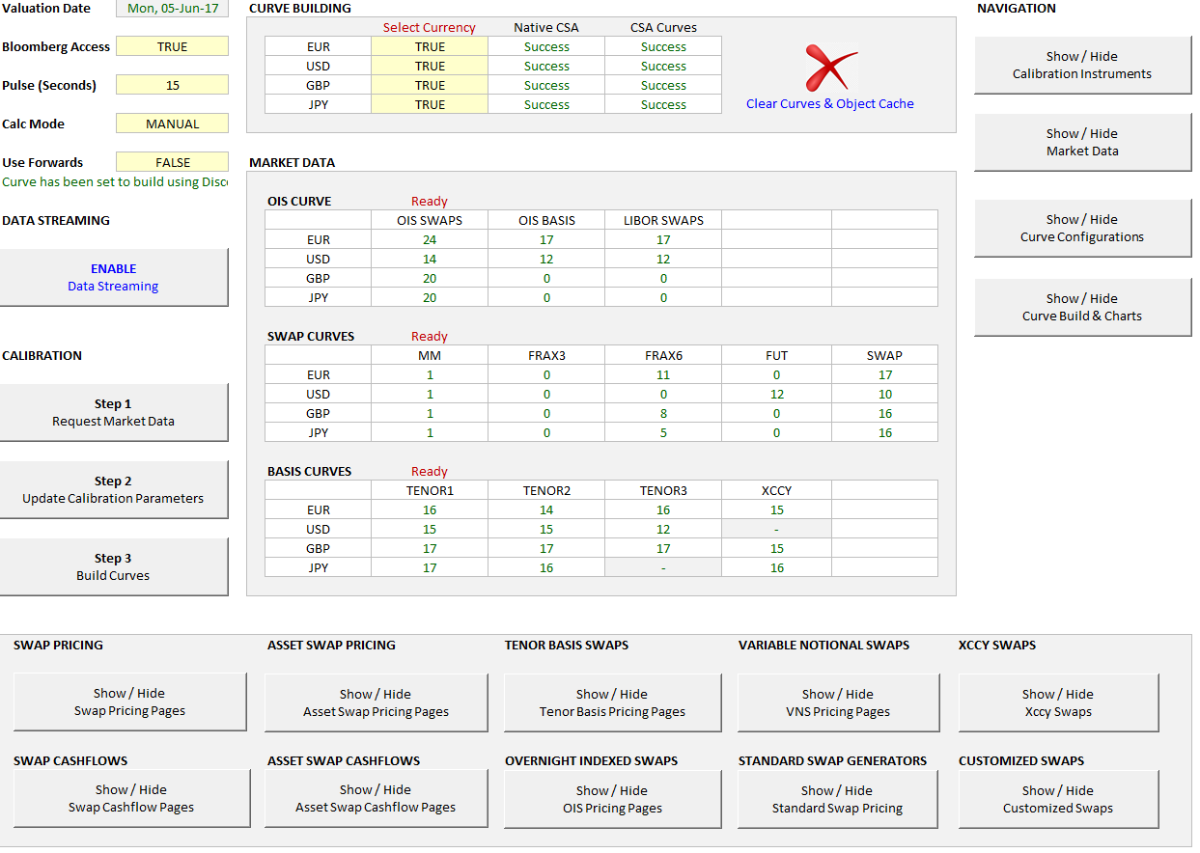
MLIB Analytics Ribbon

Swap Pricing

IRS
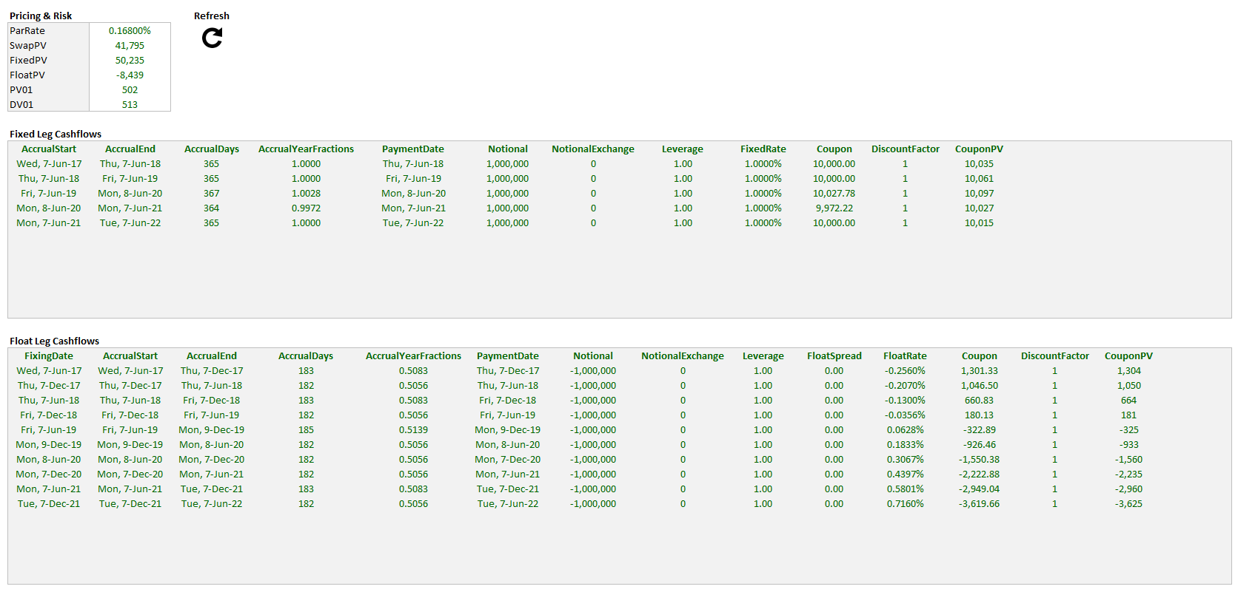
Interest Rate Swaps ( IRS )

ASW
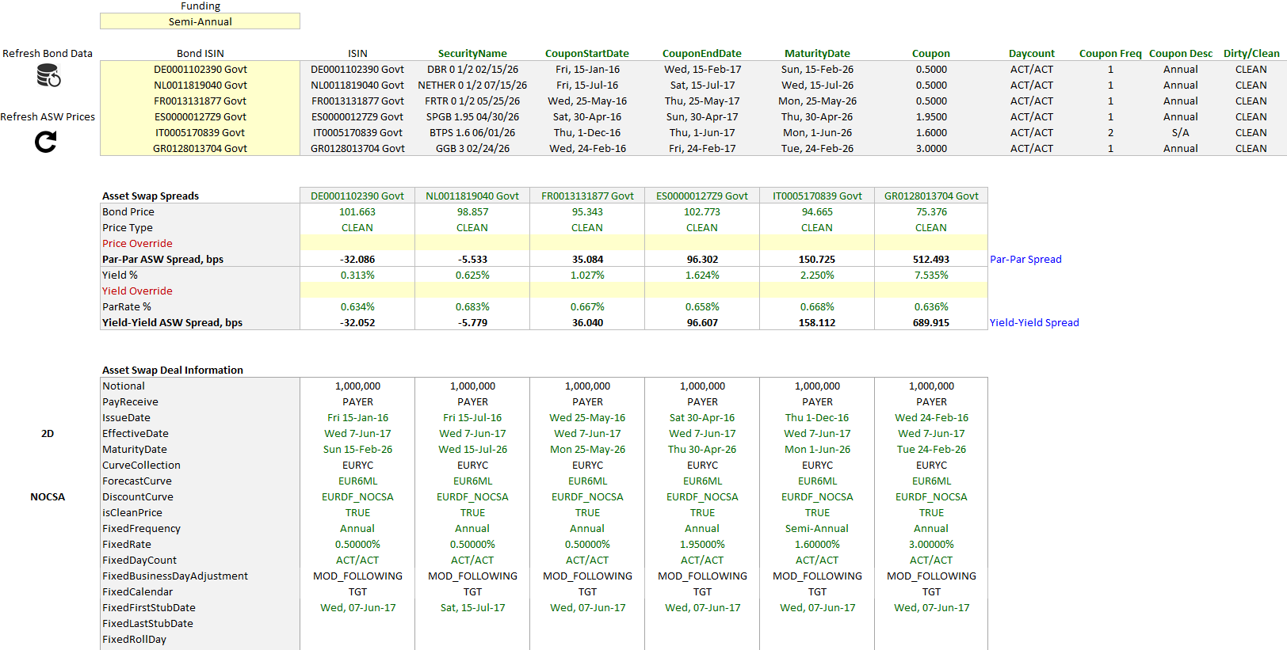
Asset Swap Pricing ( ASW )

VNS
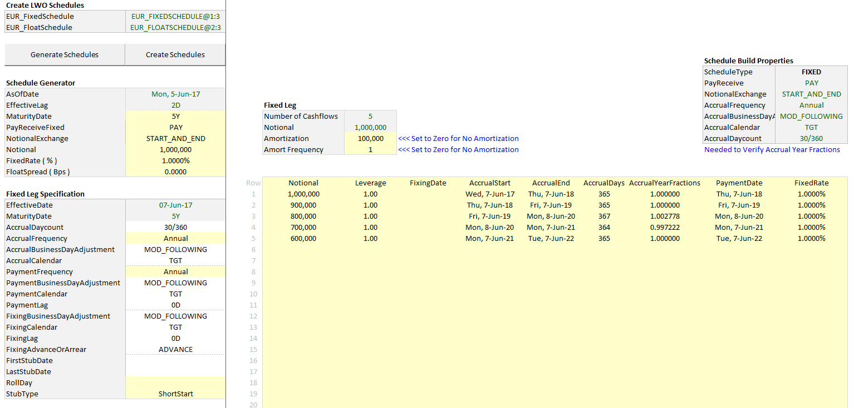
Variable Notional Swaps ( VNS )

StandardSwaps
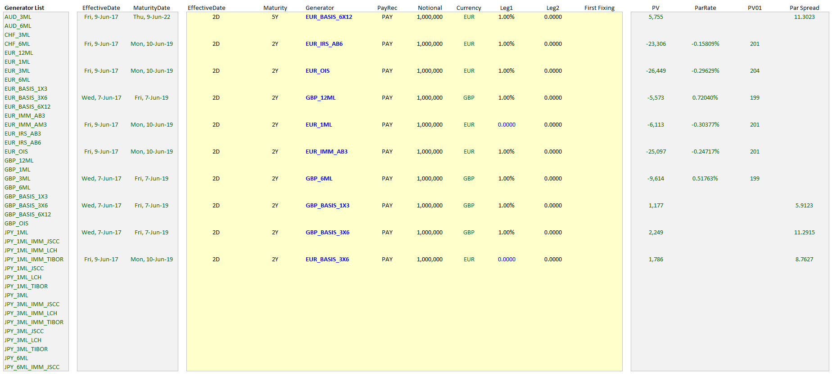
Standard Swaps

CustomSwaps
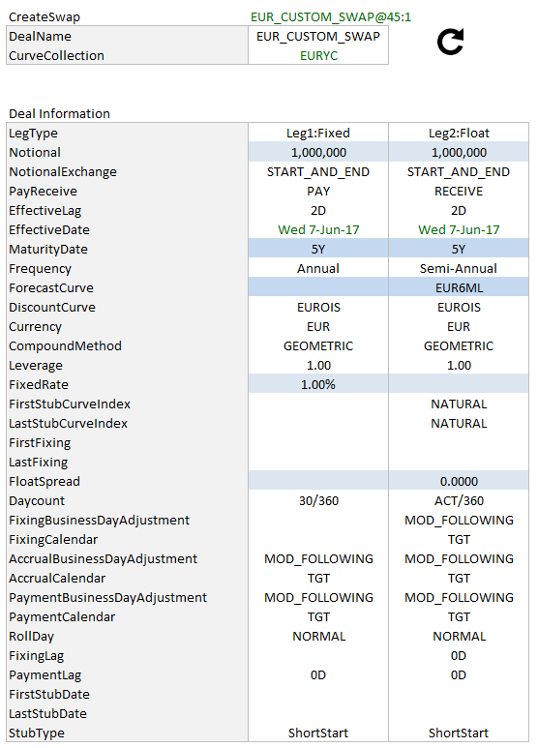
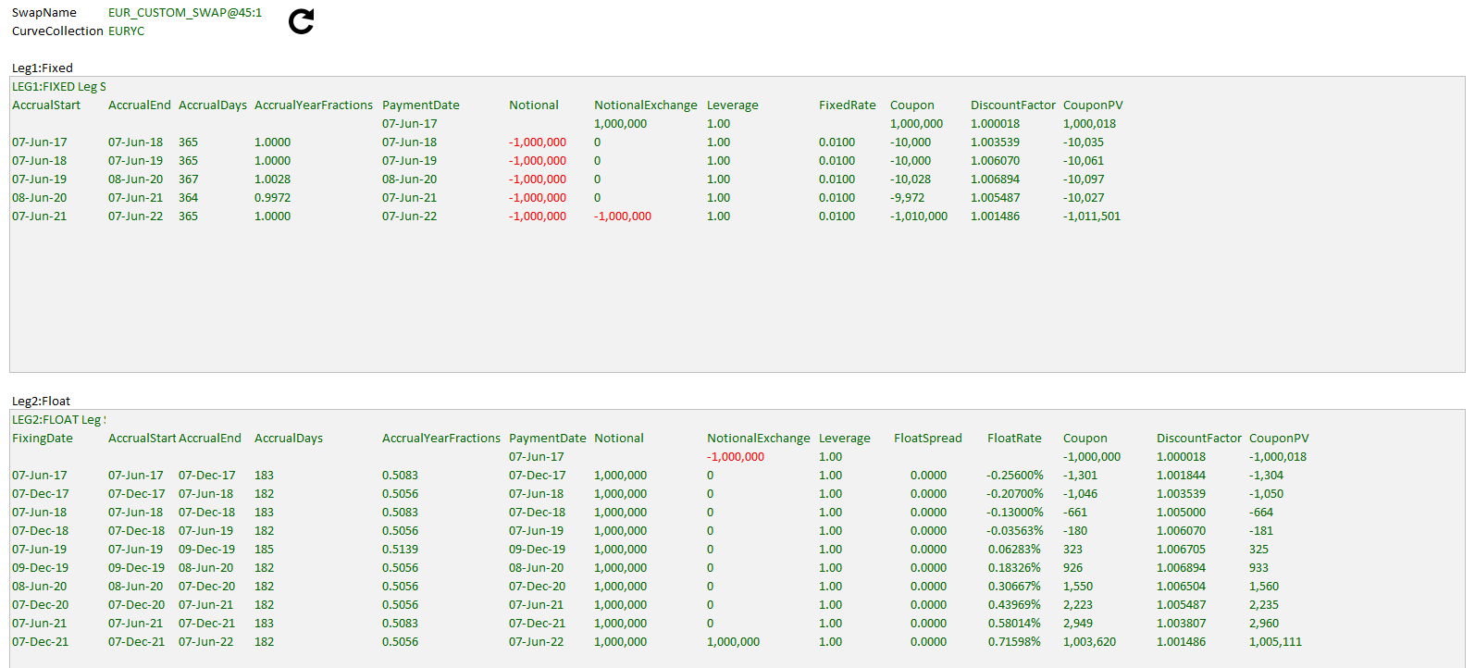
Custom Swaps

XCCY
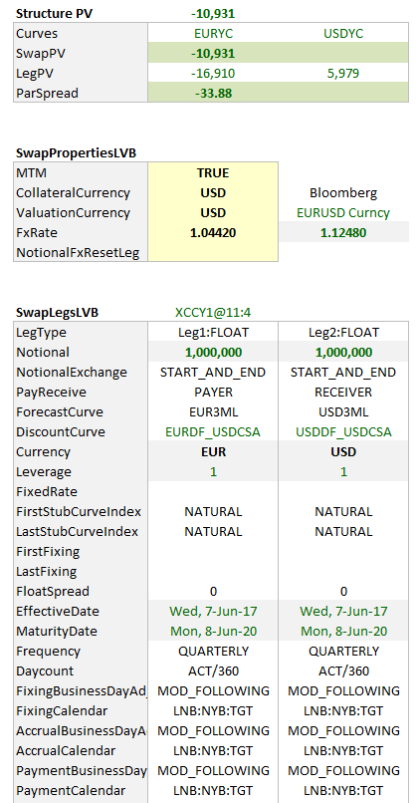
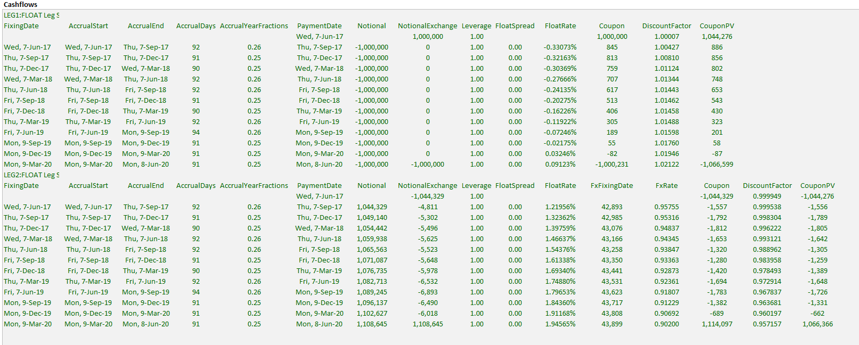
Xccy Swaps

