Developer Tools
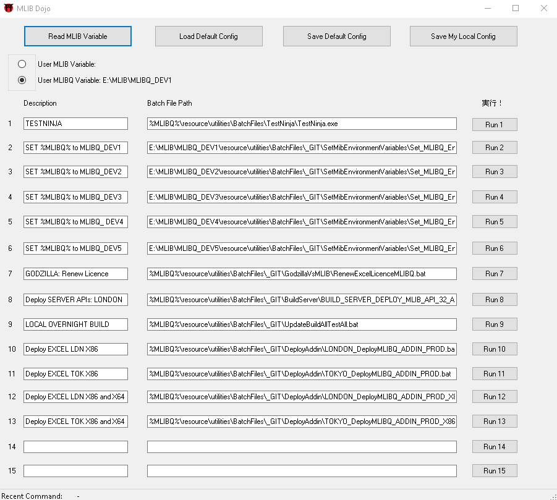
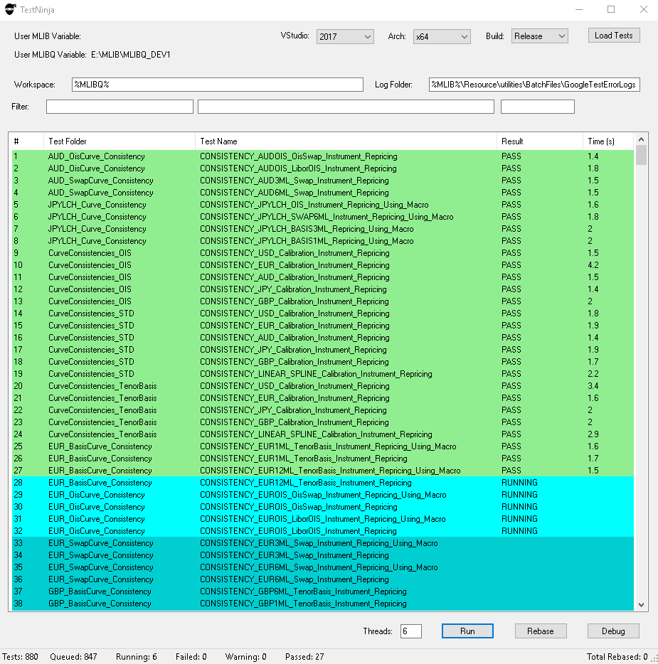
Developer Tools

MLIB Dojo - Automation Dashboard | Test Ninja - Test Harness
Features: Regional and Customized Automation Dashboard for Speedy Automation of Quant Tasks | Features: Parallized Tests, Debug Support, Test Rebasing / Reset Features, Test Failure Logging and Explain

Conventions
Calendar & Daycount Conventions

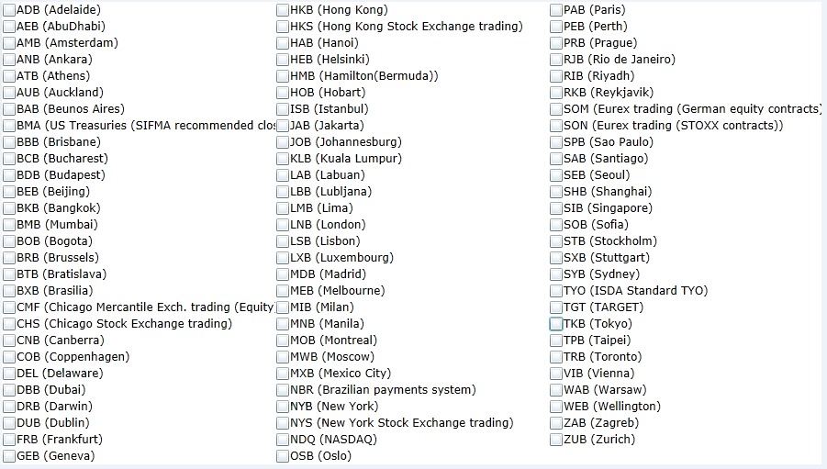
Calendars | BusinessDayAdjustment | Calendar Codes (Sourced from SwapsWire)
AmB | MOD_FOLLOWING
AuB | FOLLOWING
BeB | MOD_PRECEDING
BkB | PRECEDING
BMA | NO_CHANGE
BmB
BxB
CoB | Daycounts
FrB | 30/360
HeB | ACT/360
HKB | ACT/365FJ
IsB | ACT/365
JaB | ACT/365_ISDA
JoB | ACT/ACT
KLB | ACT/ACT_ISMA
LnB
LxB
MeB
MoB
MwB
MxB
NBR
NYB
OsB
RiB
RJB
SeB
SiB
SPB
SyB
Tgt
TkB
TpB
TrB
StB
ViB
WeB
ZuB

ForwardRates
Forward Rates

CurveCollection | USDYC
CurveIndices | USDOIS | USD3ML | USD6ML

USD Forward Rates
meLWOCurveForwardRatesTable
Fixing Dates | USDOIS | USD3ML | USD6ML
2-Sep-19 | 2.12000% | 2.14279% | 2.02824%
2-Oct-19 | 1.87441% | 2.03139% | 1.96293%
4-Nov-19 | 1.76571% | 1.95812% | 1.89243%
2-Dec-19 | 1.65061% | 1.89596% | 1.83082%
2-Jan-20 | 1.56037% | 1.80831% | 1.76579%
3-Feb-20 | 1.46849% | 1.69887% | 1.69972%
2-Mar-20 | 1.38088% | 1.60310% | 1.64278%
2-Apr-20 | 1.34127% | 1.52405% | 1.58617%
4-May-20 | 1.29566% | 1.47089% | 1.53036%
2-Jun-20 | 1.25003% | 1.42271% | 1.48499%
2-Jul-20 | 1.20161% | 1.38053% | 1.43944%
3-Aug-20 | 1.15266% | 1.34318% | 1.39853%
2-Sep-20 | 1.10934% | 1.30816% | 1.36476%
2-Oct-20 | 1.06812% | 1.28717% | 1.33327%
2-Nov-20 | 1.03263% | 1.27815% | 1.30553%
2-Dec-20 | 1.00157% | 1.26943% | 1.28268%
4-Jan-21 | 0.97198% | 1.24510% | 1.26186%
2-Feb-21 | 0.94942% | 1.21422% | 1.24726%
2-Mar-21 | 0.93071% | 1.18440% | 1.23565%
2-Apr-21 | 0.91301% | 1.16472% | 1.22644%
3-May-21 | 0.89985% | 1.15724% | 1.22027%
2-Jun-21 | 0.89009% | 1.14999% | 1.21652%
2-Jul-21 | 0.88346% | 1.14397% | 1.21455%
2-Aug-21 | 0.88016% | 1.14285% | 1.21377%
2-Sep-21 | 0.88005% | 1.14391% | 1.21372%
4-Oct-21 | 0.88253% | 1.14400% | 1.21406%
2-Nov-21 | 0.88575% | 1.14298% | 1.21441%
2-Dec-21 | 0.89003% | 1.14164% | 1.21491%
3-Jan-22 | 0.89521% | 1.14065% | 1.21550%
2-Feb-22 | 0.90000% | 1.14016% | 1.21608%
2-Mar-22 | 0.90441% | 1.13986% | 1.21679%
4-Apr-22 | 0.90900% | 1.13951% | 1.21753%
2-May-22 | 0.91191% | 1.13922% | 1.21830%
2-Jun-22 | 0.91407% | 1.13897% | 1.21917%
4-Jul-22 | 0.91463% | 1.13885% | 1.22027%
2-Aug-22 | 0.91303% | 1.13893% | 1.22136%
2-Sep-22 | 0.90894% | 1.13925% | 1.22255%
3-Oct-22 | 0.90403% | 1.13989% | 1.22409%
2-Nov-22 | 0.89982% | 1.14082% | 1.22567%
2-Dec-22 | 0.89623% | 1.14207% | 1.22752%
2-Jan-23 | 0.89348% | 1.14370% | 1.22956%
2-Feb-23 | 0.89157% | 1.14568% | 1.23173%
2-Mar-23 | 0.89063% | 1.14775% | 1.23421%
3-Apr-23 | 0.89050% | 1.15045% | 1.23670%
2-May-23 | 0.89128% | 1.15319% | 1.23947%
2-Jun-23 | 0.89317% | 1.15643% | 1.24281%
3-Jul-23 | 0.89590% | 1.16000% | 1.24649%
2-Aug-23 | 0.89968% | 1.16384% | 1.25072%
4-Sep-23 | 0.90503% | 1.16860% | 1.25590%
2-Oct-23 | 0.91026% | 1.17315% | 1.26135%
2-Nov-23 | 0.91640% | 1.17876% | 1.26789%
4-Dec-23 | 0.92313% | 1.18520% | 1.27584%
2-Jan-24 | 0.92953% | 1.19159% | 1.28350%
2-Feb-24 | 0.93688% | 1.19901% | 1.29268%
4-Mar-24 | 0.94400% | 1.20701% | 1.30311%
2-Apr-24 | 0.95110% | 1.21501% | 1.31302%
2-May-24 | 0.95862% | 1.22380% | 1.32475%
3-Jun-24 | 0.96684% | 1.23376% | 1.33634%
2-Jul-24 | 0.97442% | 1.24326% | 1.34788%
2-Aug-24 | 0.98292% | 1.25368% | 1.36021%
2-Sep-24 | 0.99092% | 1.26403% | 1.37149%
2-Oct-24 | 0.99905% | 1.27372% | 1.38267%
4-Nov-24 | 1.00810% | 1.28397% | 1.39451%
2-Dec-24 | 1.01588% | 1.29238% | 1.40418%
2-Jan-25 | 1.02457% | 1.30139% | 1.41430%
3-Feb-25 | 1.03358% | 1.31033% | 1.42468%
3-Mar-25 | 1.04150% | 1.31778% | 1.43357%
2-Apr-25 | 1.04999% | 1.32533% | 1.44217%
2-May-25 | 1.05877% | 1.33246% | 1.45082%
2-Jun-25 | 1.06717% | 1.33941% | 1.45866%
2-Jul-25 | 1.07555% | 1.34575% | 1.46619%
4-Aug-25 | 1.08466% | 1.35229% | 1.47371%
2-Sep-25 | 1.09257% | 1.35766% | 1.47941%
2-Oct-25 | 1.10064% | 1.36285% | 1.48527%
3-Nov-25 | 1.10907% | 1.36798% | 1.49074%
2-Dec-25 | 1.11655% | 1.37229% | 1.49514%
2-Jan-26 | 1.12464% | 1.37657% | 1.49915%
2-Feb-26 | 1.13193% | 1.38047% | 1.50272%
2-Mar-26 | 1.13856% | 1.38364% | 1.50547%
2-Apr-26 | 1.14564% | 1.38673% | 1.50774%
4-May-26 | 1.15263% | 1.38947% | 1.50976%
2-Jun-26 | 1.15869% | 1.39157% | 1.51131%
2-Jul-26 | 1.16464% | 1.39342% | 1.51317%
3-Aug-26 | 1.17059% | 1.39527% | 1.51507%
2-Sep-26 | 1.17581% | 1.39719% | 1.51715%
2-Oct-26 | 1.18104% | 1.39954% | 1.52015%
2-Nov-26 | 1.18604% | 1.40248% | 1.52384%
2-Dec-26 | 1.19109% | 1.40584% | 1.52806%
4-Jan-27 | 1.19667% | 1.41016% | 1.53344%
2-Feb-27 | 1.20158% | 1.41449% | 1.53866%
2-Mar-27 | 1.20633% | 1.41918% | 1.54485%
2-Apr-27 | 1.21180% | 1.42494% | 1.55205%
3-May-27 | 1.21686% | 1.43122% | 1.55956%
2-Jun-27 | 1.22197% | 1.43769% | 1.56738%
2-Jul-27 | 1.22728% | 1.44447% | 1.57626%
2-Aug-27 | 1.23234% | 1.45185% | 1.58538%

DiscountFactors
Discount Factors

Curve Collection | USDYC
CurveIndex | USDOIS

USD Discount Factors
 | DiscountFactors
2-Sep-19 | 1.000000
3-Sep-19 | 0.999941
4-Sep-19 | 0.999882
11-Sep-19 | 0.999470
18-Sep-19 | 0.999058
25-Sep-19 | 0.998691
4-Oct-19 | 0.998226
4-Nov-19 | 0.996659
4-Dec-19 | 0.995243
6-Jan-20 | 0.993792
4-Feb-20 | 0.992576
4-Mar-20 | 0.991447
4-Jun-20 | 0.988116
4-Sep-20 | 0.985152
4-Dec-20 | 0.982540
4-Mar-21 | 0.980179
4-Jun-21 | 0.977910
7-Sep-21 | 0.975635
6-Dec-21 | 0.973480
4-Mar-22 | 0.971346
6-Jun-22 | 0.969040
6-Sep-22 | 0.966782
5-Dec-22 | 0.964605
6-Mar-23 | 0.962431
5-Jun-23 | 0.960265
5-Sep-23 | 0.958063
4-Dec-23 | 0.955877
4-Mar-24 | 0.953624
4-Jun-24 | 0.951299
4-Sep-24 | 0.948922
4-Dec-24 | 0.946517
4-Mar-25 | 0.944086
4-Jun-25 | 0.941545
4-Sep-25 | 0.938949
4-Dec-25 | 0.936330
4-Mar-26 | 0.933693
4-Jun-26 | 0.930955
4-Sep-26 | 0.928181
4-Dec-26 | 0.925408
4-Mar-27 | 0.922638
4-Jun-27 | 0.919779
7-Sep-27 | 0.916798
6-Dec-27 | 0.913946
6-Mar-28 | 0.911037
5-Jun-28 | 0.908103
5-Sep-28 | 0.905111
4-Dec-28 | 0.902160
5-Mar-29 | 0.899154
4-Jun-29 | 0.896127
4-Sep-29 | 0.893046
...
meCurveDiscountFactorsDisplay
PaymentDates | DiscountFactors
2-Sep-19 | 1.000000
3-Sep-19 | 0.999941
4-Sep-19 | 0.999882
11-Sep-19 | 0.999470
18-Sep-19 | 0.999058
25-Sep-19 | 0.998691
4-Oct-19 | 0.998226
4-Nov-19 | 0.996659
4-Dec-19 | 0.995243
6-Jan-20 | 0.993792
4-Feb-20 | 0.992576
4-Mar-20 | 0.991447
4-Jun-20 | 0.988116
4-Sep-20 | 0.985152
4-Dec-20 | 0.982540
4-Mar-21 | 0.980179
4-Jun-21 | 0.977910
7-Sep-21 | 0.975635
6-Dec-21 | 0.973480
4-Mar-22 | 0.971346
6-Jun-22 | 0.969040
6-Sep-22 | 0.966782
5-Dec-22 | 0.964605
6-Mar-23 | 0.962431
5-Jun-23 | 0.960265
5-Sep-23 | 0.958063
4-Dec-23 | 0.955877
4-Mar-24 | 0.953624
4-Jun-24 | 0.951299
4-Sep-24 | 0.948922
4-Dec-24 | 0.946517
4-Mar-25 | 0.944086
4-Jun-25 | 0.941545
4-Sep-25 | 0.938949
4-Dec-25 | 0.936330
4-Mar-26 | 0.933693
4-Jun-26 | 0.930955
4-Sep-26 | 0.928181
4-Dec-26 | 0.925408
4-Mar-27 | 0.922638
4-Jun-27 | 0.919779
7-Sep-27 | 0.916798
6-Dec-27 | 0.913946
6-Mar-28 | 0.911037
5-Jun-28 | 0.908103
5-Sep-28 | 0.905111
4-Dec-28 | 0.902160
5-Mar-29 | 0.899154
4-Jun-29 | 0.896127
4-Sep-29 | 0.893046
4-Dec-29 | 0.889980
4-Mar-30 | 0.886933
4-Jun-30 | 0.883805
4-Sep-30 | 0.880667
4-Dec-30 | 0.877557
4-Mar-31 | 0.874479
4-Jun-31 | 0.871334
4-Sep-31 | 0.868194
4-Dec-31 | 0.865097
4-Mar-32 | 0.862010
4-Jun-32 | 0.858900
7-Sep-32 | 0.855700
6-Dec-32 | 0.852679
4-Mar-33 | 0.849736
6-Jun-33 | 0.846603
6-Sep-33 | 0.843549
5-Dec-33 | 0.840572
6-Mar-34 | 0.837573
5-Jun-34 | 0.834585
5-Sep-34 | 0.831575
4-Dec-34 | 0.828641
5-Mar-35 | 0.825684
4-Jun-35 | 0.822738
4-Sep-35 | 0.819771
4-Dec-35 | 0.816847
4-Mar-36 | 0.813934
4-Jun-36 | 0.810999
4-Sep-36 | 0.808076
4-Dec-36 | 0.805195
4-Mar-37 | 0.802357
4-Jun-37 | 0.799466
4-Sep-37 | 0.796586
4-Dec-37 | 0.793748
4-Mar-38 | 0.790951
4-Jun-38 | 0.788101
7-Sep-38 | 0.785169
6-Dec-38 | 0.782401
4-Mar-39 | 0.779703
6-Jun-39 | 0.776829
6-Sep-39 | 0.774026
5-Dec-39 | 0.771292
5-Mar-40 | 0.768535
4-Jun-40 | 0.765788
4-Sep-40 | 0.763021
4-Dec-40 | 0.760293

