UST_CURVE
Bond Selection …

 | BONDCURVE_MARKETDATA |  | Create Bond Curve |  | Benchmark Curve |  |  | Spread Curve |  |  | Benchmark Curve Prices

 | Bond Object | YieldToMaturity | BondCurveName | UST_CURVE | Tenor | Yield | DiscFact | Tenor | Yield | DiscFact | Bond Object | Curve Px | BBG Px | +/-
 | #VALUE! |  | CreateBondCurve | #VALUE! | #VALUE! |  |  | #VALUE! |  |  | #VALUE! | #VALUE! | #VALUE! | #VALUE!
 |  |  |  |  |  |  |  |  |  |  | 0 | #VALUE! | #N/A | #VALUE!
 |  |  | BONDCURVE_PROPERTIES |  |  |  |  |  |  |  | 0 | #VALUE! | #N/A | #VALUE!
 |  |  | SettlementDate | #VALUE! |  |  |  |  |  |  | 0 | #VALUE! | #N/A | #VALUE!
 |  |  | YieldCalculationType |  |  |  |  |  |  |  | 0 | #VALUE! | #N/A | #VALUE!
 |  |  | YieldQuoteInPercent | FALSE |  |  |  |  |  |  | 0 | #VALUE! | #N/A | #VALUE!
 |  |  | Interpolation | PiecewiseConstant |  |  |  |  |  |  | 0 | #VALUE! | #N/A | #VALUE!
 |  |  | Extrapolation | Flat |  |  |  |  |  |  | 0 | #VALUE! | #N/A | #VALUE!
 |  |  |  |  |  |  |  |  |  |  | 0 | #VALUE! | #N/A | #VALUE!
 |  |  | Create Spread Curve |  |  |  |  |  |  |  | 0 | #VALUE! | #N/A | #VALUE!
 |  |  |  |  |  |  |  |  |  |  | 0 | #VALUE! | #N/A | #VALUE!
 |  |  | SpreadCurve Name | USD_CORP |  |  |  |  |  |  | 0 | #VALUE! | #N/A | #VALUE!
 |  |  | Create Spread Curve | #VALUE! |  |  |  |  |  |  | 0 | #VALUE! | #N/A | #VALUE!
 |  |  |  |  |  |  |  |  |  |  | 0 | #VALUE! | #N/A | #VALUE!
 |  |  | BONDSPREADCURVE_PROPERTIES |  |  |  |  |  |  |  | 0 | #VALUE! | #N/A | #VALUE!
 |  |  | Spread | 0.80% |  |  |  |  |  |  | 0 | #VALUE! | #N/A | #VALUE!
 |  |  | BenchmarkBondCurve | #VALUE! |  |  |  |  |  |  | 0 | #VALUE! | #N/A | #VALUE!
 |  |  |  |  |  |  |  |  |  |  | 0 | #VALUE! | #N/A | #VALUE!
Bootstrapped Benchmark- & Spread Curve
 | UST_CURVE | USD_CORP
0
 |  |  |  |  |  |  |  |  |  |  | 0 | #VALUE! | #N/A | #VALUE!
 |  |  |  |  |  |  |  |  |  |  | 0 | #VALUE! | #N/A | #VALUE!
 |  |  |  |  |  |  |  |  |  |  | 0 | #VALUE! | #N/A | #VALUE!
 |  |  |  |  |  |  |  |  |  |  | 0 | #VALUE! | #N/A | #VALUE!
 |  |  |  |  |  |  |  |  |  |  | 0 | #VALUE! | #N/A | #VALUE!
 |  |  |  |  |  |  |  |  |  |  | 0 | #VALUE! | #N/A | #VALUE!
 |  |  |  |  |  |  |  |  |  |  | 0 | #VALUE! | #N/A | #VALUE!
 |  |  |  |  |  |  |  |  |  |  | 0 | #VALUE! | #N/A | #VALUE!
 |  |  |  |  |  |  |  |  |  |  | 0 | #VALUE! | #N/A | #VALUE!
 |  |  |  |  |  |  |  |  |  |  | 0 | #VALUE! | #N/A | #VALUE!
 |  |  |  |  |  |  |  |  |  |  | 0 | #VALUE! | #N/A | #VALUE!
 |  |  |  |  |  |  |  |  |  |  | 0 | #VALUE! | #N/A | #VALUE!
 |  |  |  |  |  |  |  |  |  |  | 0 | #VALUE! | #N/A | #VALUE!
 |  |  |  |  |  |  |  |  |  |  | 0 | #VALUE! | #N/A | #VALUE!
 |  |  |  |  |  |  |  |  |  |  | 0 | #VALUE! | #N/A | #VALUE!
 |  |  |  |  |  |  |  |  |  |  | 0 | #VALUE! | #N/A | #VALUE!
 |  |  |  |  |  |  |  |  |  |  | 0 | #VALUE! | #N/A | #VALUE!
 |  |  |  |  |  |  |  |  |  |  | 0 | #VALUE! | #N/A | #VALUE!
 |  |  |  |  |  |  |  |  |  |  | 0 | #VALUE! | #N/A | #VALUE!
 |  |  |  |  |  |  |  |  |  |  | 0 | #VALUE! | #N/A | #VALUE!
 |  |  |  |  |  |  |  |  |  |  | 0 | #VALUE! | #N/A | #VALUE!
 |  |  |  |  |  |  |  |  |  |  | 0 | #VALUE! | #N/A | #VALUE!
 |  |  |  |  |  |  |  |  |  |  | 0 | #VALUE! | #N/A | #VALUE!
 |  |  |  |  |  |  |  |  |  |  | 0 | #VALUE! | #N/A | #VALUE!
 |  |  |  |  |  |  |  |  |  |  | 0 | #VALUE! | #N/A | #VALUE!
 |  |  |  |  |  |  |  |  |  |  | 0 | #VALUE! | #N/A | #VALUE!
 |  |  |  |  |  |  |  |  |  |  | 0 | #VALUE! | #N/A | #VALUE!
 |  |  |  |  |  |  |  |  |  |  | 0 | #VALUE! | #N/A | #VALUE!

UST_YIELDS
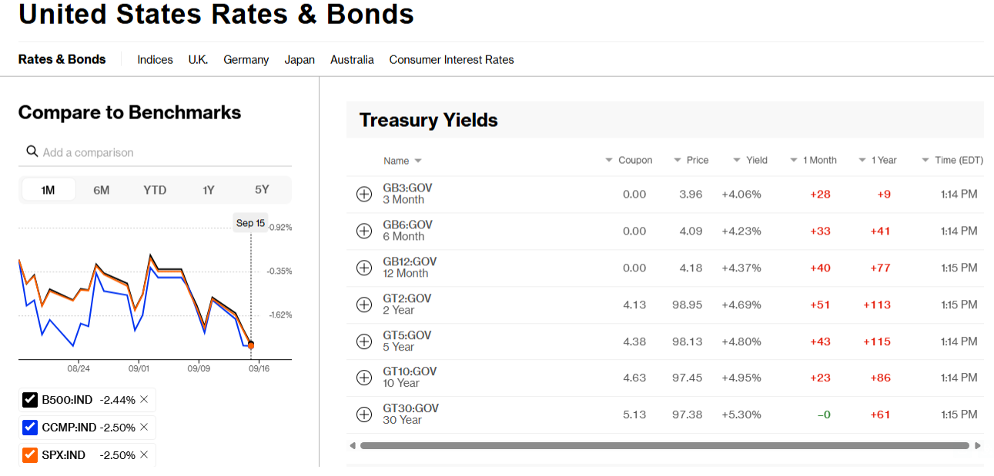
BOND_GENERATOR | Template Selected : | 0 | CREATE BOND | #VALUE!

#VALUE! | #VALUE! |  | LVB
 |  |  | BondDescription | GT2-GOV
 |  |  | ISIN | CT2
 |  |  | IssueDate | 31-Aug-2025
 |  |  | AccrualStartDate | 31-Aug-2025
 |  |  | RollDay | EOM
 |  |  | FirstCouponDate | 28-Feb-2026
 |  |  | LastCouponDate | 29-Feb-2028
 |  |  | Coupon | 4.1250%
 |  |  | MaturityDate | 31-Aug-2028

 |  |  | VALUATION DETAILS
 |  |  | SettlementDate | 18-Sep-2026
 |  |  | Yield | 4.69%

 |  |  | PRICE RESULTS
 |  |  | Quoted Price | #VALUE!
 |  |  | Clean Price | #VALUE!
 |  |  | Dirty Price | #VALUE!

BBG_PRICES
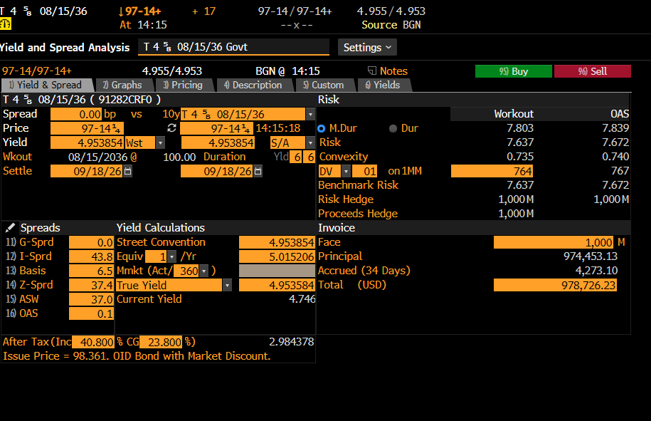
Bond Generator | US_TREASURY_TYPE1

LVB
BondDescription | UST-4.625-AUG36
ISIN | CT10
IssueDate | 15-Aug-2025
AccrualStartDate | 15-Aug-2025
RollDay
FirstCouponDate | 15-Feb-2026
LastCouponDate | 15-Feb-2036
Coupon | 4.6250%
MaturityDate | 15-Aug-2036

VALUATION DETAILS
SettlementDate | 18-Sep-2026
Yield | 4.953854% | ALGO QUANT LIB RESULTS
 |  | Bloomberg Invoice
Create Bond | #VALUE! | Face | 1,000,000
Price | #VALUE! | Principal | #VALUE!
Accrued Interest | #VALUE! | #VALUE! | #VALUE!
Accrued Days | #VALUE! | Total (USD) | #VALUE!

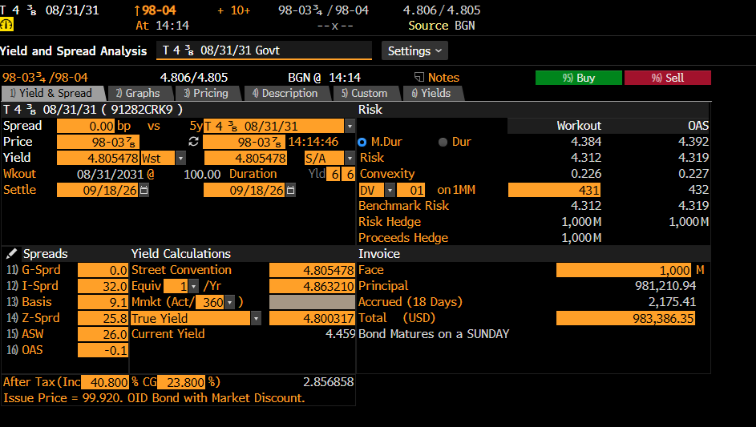
Bond Generator | US_TREASURY_TYPE1

LVB
BondDescription | UST-4.375-AUG31
ISIN | CT5
IssueDate | 31-Aug-2025
AccrualStartDate | 31-Aug-2025
RollDay | EOM
FirstCouponDate | 28-Feb-2026
LastCouponDate | 28-Feb-2031
Coupon | 4.3750%
MaturityDate | 31-Aug-2031

VALUATION DETAILS
SettlementDate | 18-Sep-2026
Yield | 4.805478% | ALGO QUANT LIB RESULTS
 |  | Bloomberg Invoice
Create Bond | #VALUE! | Face | 1,000,000
Price | #VALUE! | Principal | #VALUE!
Accrued Interest | #VALUE! | #VALUE! | #VALUE!
Accrued Days | #VALUE! | Total (USD) | #VALUE!

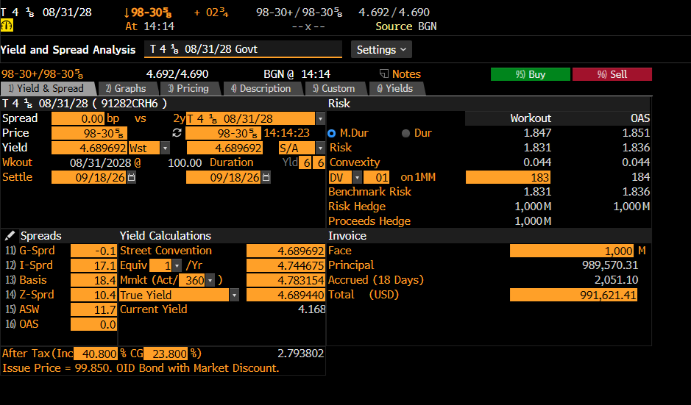
Bond Generator | US_TREASURY_TYPE1

LVB
BondDescription | UST-4.125-AUG28
ISIN | CT2
IssueDate | 31-Aug-2025
AccrualStartDate | 31-Aug-2025
RollDay | EOM
FirstCouponDate | 28-Feb-2026
LastCouponDate | 29-Feb-2028
Coupon | 4.1250%
MaturityDate | 31-Aug-2028

VALUATION DETAILS
SettlementDate | 18-Sep-2026
Yield | 4.689693% | ALGO QUANT LIB RESULTS
 |  | Bloomberg Invoice
Create Bond | #VALUE! | Face | 1,000,000
Price | #VALUE! | Principal | #VALUE!
Accrued Interest | #VALUE! | #VALUE! | #VALUE!
Accrued Days | #VALUE! | Total (USD) | #VALUE!

