Solve USD Curve
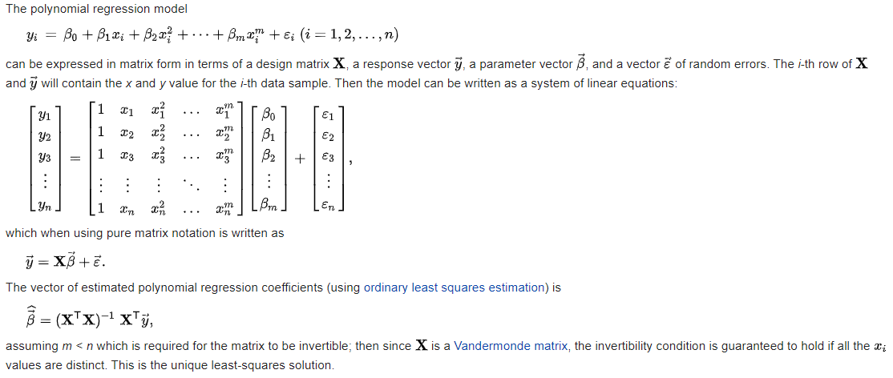
… Click above to expand for instructions
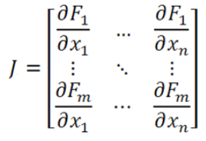
 | USD OIS Market Data |  |  | USD 3ML Market Data |  |  | Multi-Dimensional Newton-Raphson Algorithm |  |  |  |  | Tolerance |  | RMSE | USDOIS Discount Factors |  |  |  | Jacobian, dParRate/dLibor (dp/dL) |  |  |  |  |  |  |  |  |  |  | Inverse Jacobian
 | Tenor | ParRate, p |  | Tenor | ParRate, p |  | Xn+1 = Xn - J-1 f( Xn ) |  |  |  |  | 1.00E-08 |  | 8.72E-12 | Integrate USDOIS Forward Polynomial |  |  |  | p = PV(Float Leg)/Annuity(Fixed Leg)
0 | O/N | 1.55000% | 0.25 | 3M | 1.88713% |  |  |  |  |  |  |  |  |  |  |  |  |  | dpi/dLj = NtjDFj / Ai(Fixed) = DFj / Ai(Fixed), since N=1 and t=1
1 | 1Y | 1.43591% | 1 | 1Y | 1.70896% |  | Iteration: 4 |  |  |  |  | Initial Guess
2 | 2Y | 1.33523% | 2 | 2Y | 1.59204% |  | Curve | Term | Time, t | Xn+1 | Xn | X0 | f( Xn ) | Epsilon | Time, t | DiscFactor | Integrand |  | dL1YOIS | dL2YOIS | dL3YOIS | dL4YOIS | dL5YOIS | dL1YIRS | dL2YIRS | dL3YIRS | dL4YIRS | dL5YIRS |  | dP(OIS1Y) | dP(OIS2Y) | dP(OIS3Y) | dP(OIS4Y) | dP(OIS5Y) | dP(IRS1Y) | dP(IRS2Y) | dP(IRS3Y) | dP(IRS4Y) | dP(IRS5Y)
3 | 3Y | 1.30753% | 3 | 3Y | 1.56020% |  | USDOIS | 1Y | 1.00 | 1.43591% | 1.43591% | 2.00000% | 0.00000% | 0.00E+00 | 1.00 | 0.982281 | 1.78781% | dP(OIS1Y) | 1.00 | 0.00 | 0.00 | 0.00 | 0.00 | 0.00 | 0.00 | 0.00 | 0.00 | 0.00 | dL1YOIS | 1.00 | 0.00 | 0.00 | 0.00 | 0.00 | 0.00 | 0.00 | 0.00 | 0.00 | 0.00
4 | 4Y | 1.30355% | 4 | 4Y | 1.55999% |  | USDOIS | 2Y | 2.00 | 1.23323% | 1.23323% | 2.00000% | 0.00000% | 2.69E-12 | 2.00 | 0.969579 | 3.08936% | dP(OIS2Y) | 0.50 | 0.50 | 0.00 | 0.00 | 0.00 | 0.00 | 0.00 | 0.00 | 0.00 | 0.00 | dL2YOIS | -1.01 | 2.01 | 0.00 | 0.00 | 0.00 | 0.00 | 0.00 | 0.00 | 0.00 | 0.00
5 | 5Y | 1.32192% | 5 | 5Y | 1.57363% |  | USDOIS | 3Y | 3.00 | 1.25107% | 1.25107% | 2.00000% | 0.00000% | 3.86E-12 | 3.00 | 0.957671 | 4.32509% | dP(OIS3Y) | 0.34 | 0.33 | 0.33 | 0.00 | 0.00 | 0.00 | 0.00 | 0.00 | 0.00 | 0.00 | dL3YOIS | 0.00 | -2.04 | 3.04 | 0.00 | 0.00 | 0.00 | 0.00 | 0.00 | 0.00 | 0.00
 |  |  |  |  |  |  | USDOIS | 4Y | 4.00 | 1.29130% | 1.29130% | 2.00000% | 0.00000% | 1.00E-12 | 4.00 | 0.945574 | 5.59628% | dP(OIS4Y) | 0.25 | 0.25 | 0.25 | 0.25 | 0.00 | 0.00 | 0.00 | 0.00 | 0.00 | 0.00 | dL4YOIS | 0.00 | 0.00 | -3.08 | 4.08 | 0.00 | 0.00 | 0.00 | 0.00 | 0.00 | 0.00
 | USD OIS Discount Factors |  |  | USD 3ML Forward Rates |  |  | USDOIS | 5Y | 5.00 | 1.39782% | 1.39782% | 2.00000% | 0.00000% | -3.89E-12 | 5.00 | 0.933074 | 6.92710% | dP(OIS5Y) | 0.21 | 0.20 | 0.20 | 0.20 | 0.19 | 0.00 | 0.00 | 0.00 | 0.00 | 0.00 | dL5YOIS | 0.00 | 0.00 | 0.00 | -4.13 | 5.13 | 0.00 | 0.00 | 0.00 | 0.00 | 0.00
 | Tenor | DiscFact |  | Tenor | ForwardRate |  | USD3ML | 1Y | 1.00 | 1.70896% | 1.70896% | 2.00000% | 0.00000% | 0.00E+00 |  |  |  | dP(IRS1Y) | 0.00 | 0.00 | 0.00 | 0.00 | 0.00 | 1.00 | 0.00 | 0.00 | 0.00 | 0.00 | dL1YIRS | 0.00 | 0.00 | 0.00 | 0.00 | 0.00 | 1.00 | 0.00 | 0.00 | 0.00 | 0.00
 | 1Y | 0.98567 |  | 1Y | 1.68000% |  | USD3ML | 2Y | 2.00 | 1.47359% | 1.47359% | 2.00000% | 0.00000% | 3.13E-12 |  |  |  | dP(IRS2Y) | 0.00 | 0.00 | 0.00 | 0.00 | 0.00 | 0.50 | 0.50 | 0.00 | 0.00 | 0.00 | dL2YIRS | 0.00 | 0.00 | 0.00 | 0.00 | 0.00 | -1.01 | 2.01 | 0.00 | 0.00 | 0.00
 | 2Y | 0.97340 |  | 2Y | 1.47000% |  | USD3ML | 3Y | 3.00 | 1.49531% | 1.49531% | 2.00000% | 0.00000% | 4.44E-12 |  |  |  | dP(IRS3Y) | 0.00 | 0.00 | 0.00 | 0.00 | 0.00 | 0.34 | 0.33 | 0.33 | 0.00 | 0.00 | dL3YIRS | 0.00 | 0.00 | 0.00 | 0.00 | 0.00 | 0.00 | -2.04 | 3.04 | 0.00 | 0.00
 | 3Y | 0.96081 |  | 3Y | 1.50000% |  | USD3ML | 4Y | 4.00 | 1.55934% | 1.55934% | 2.00000% | 0.00000% | 5.28E-14 |  |  |  | dP(IRS4Y) | 0.00 | 0.00 | 0.00 | 0.00 | 0.00 | 0.25 | 0.25 | 0.25 | 0.25 | 0.00 | dL4YIRS | 0.00 | 0.00 | 0.00 | 0.00 | 0.00 | 0.00 | 0.00 | -3.08 | 4.08 | 0.00
 | 4Y | 0.94770 |  | 4Y | 1.56000% |  | USD3ML | 5Y | 5.00 | 1.62999% | 1.62999% | 2.00000% | 0.00000% | -2.89E-12 |  |  |  | dP(IRS5Y) | 0.00 | 0.00 | 0.00 | 0.00 | 0.00 | 0.21 | 0.20 | 0.20 | 0.20 | 0.19 | dL5YIRS | 0.00 | 0.00 | 0.00 | 0.00 | 0.00 | 0.00 | 0.00 | 0.00 | -4.13 | 5.13
 | 5Y | 0.93433 |  | 5Y | 1.63000%
USD Forward Rates
 |  |  |  |  |  |  |  |  |  |  |  |  |  |  | ShowIterations |  |  |  |  |  |  |  |  |  |  |  |  |  |  | Forward Rates Table |  |  |  |  | Forward Rates Table
 |  |  |  |  |  |  |  |  |  |  |  |  |  |  | FALSE
 |  |  | Iteration Results |  |  |  |  |  |  |  |  |  |  |  |  |  |  |  |  |  |  |  |  |  |  |  |  |  |  | USDOIS |  |  |  |  | USD3ML
 | Curve | Term | X0 | X1 | X2 | X3 | X4 | X5 | X6 | X7 | X8 | X9 | X10 |  |  |  |  |  |  |  |  |  |  |  |  |  |  |  |  | x | y | Xn+1 | Check |  | x | y | Xn+1 | Check
 | USDOIS | 1Y | 2.00000% | 1.43591% | 1.43591% | 1.43591% | 1.43591% |  |  |  |  |  |  |  |  |  |  |  |  |  |  |  |  |  |  |  |  |  |  | 0.00 | 2.29928% |  |  |  | 0.00 | 2.59524%
 | USDOIS | 2Y | 2.00000% | 1.23252% | 1.23323% | 1.23323% | 1.23323% |  |  |  |  |  |  |  |  |  |  |  |  |  |  |  |  |  |  |  |  |  |  | 0.50 | 1.74804% |  |  |  | 0.50 | 2.03913%
 | USDOIS | 3Y | 2.00000% | 1.25044% | 1.25107% | 1.25107% | 1.25107% |  |  |  |  |  |  |  |  |  |  |  |  |  |  |  |  |  |  |  |  |  |  | 1.00 | 1.43591% | 1.43591% | 2.8E-13 |  | 1.00 | 1.70896% | 1.70896% | 3.3E-13
 | USDOIS | 4Y | 2.00000% | 1.29112% | 1.29130% | 1.29130% | 1.29130% |  |  |  |  |  |  |  |  |  |  |  |  |  |  |  |  |  |  |  |  |  |  | 1.50 | 1.28517% |  |  |  | 1.50 | 1.53872%
 | USDOIS | 5Y | 2.00000% | 1.39919% | 1.39782% | 1.39782% | 1.39782% |  |  |  |  |  |  |  |  |  |  |  |  |  |  |  |  |  |  |  |  |  |  | 2.00 | 1.23323% | 1.23323% | 2.6E-12 |  | 2.00 | 1.47359% | 1.47359% | 3.1E-12
 | USD3ML | 1Y | 2.00000% | 1.70896% | 1.70896% | 1.70896% | 1.70896% |  |  |  |  |  |  |  |  |  |  |  |  |  |  |  |  |  |  |  |  |  |  | 2.50 | 1.23264% |  |  |  | 2.50 | 1.46993%
 | USD3ML | 2Y | 2.00000% | 1.47276% | 1.47359% | 1.47359% | 1.47359% |  |  |  |  |  |  |  |  |  |  |  |  |  |  |  |  |  |  |  |  |  |  | 3.00 | 1.25107% | 1.25107% | 3.5E-12 |  | 3.00 | 1.49531% | 1.49531% | 4.0E-12
 | USD3ML | 3Y | 2.00000% | 1.49458% | 1.49531% | 1.49531% | 1.49531% |  |  |  |  |  |  |  |  |  |  |  |  |  |  |  |  |  |  |  |  |  |  | 3.50 | 1.27132% |  |  |  | 3.50 | 1.52846%
 | USD3ML | 4Y | 2.00000% | 1.55933% | 1.55934% | 1.55934% | 1.55934% |  |  |  |  |  |  |  |  |  |  |  |  |  |  |  |  |  |  |  |  |  |  | 4.00 | 1.29130% | 1.29130% | 3.1E-13 |  | 4.00 | 1.55934% | 1.55934% | -7.6E-13
 | USD3ML | 5Y | 2.00000% | 1.63100% | 1.62999% | 1.62999% | 1.62999% |  |  |  |  |  |  |  |  |  |  |  |  |  |  |  |  |  |  |  |  |  |  | 4.50 | 1.32408% |  |  |  | 4.50 | 1.58908%
 |  |  |  |  |  |  |  |  |  |  |  |  |  |  |  |  |  |  |  |  |  |  |  |  |  |  |  |  |  | 5.00 | 1.39782% | 1.39782% | -4.9E-12 |  | 5.00 | 1.62999% | 1.62999% | -4.0E-12

 |  |  |  |  |  |  |  |  |  |  |  |  |  |  |  |  |  |  | Polynomial Regression |  |  |  |  |  |  |  |  | b = ( XT X )-1 XT Y

 |  |  |  |  |  |  |  |  |  |  |  |  |  |  |  |  |  |  | USDOIS, Xn |  |  | Vandermonde Matrix |  |  |  |  |  | Polynomial Coefficients |  |  | Integrand Coefficients
 |  |  |  |  |  |  |  |  |  |  |  |  |  |  |  |  |  |  | x | y |  | 1 | x | x^2 | x^3 | x^4 |  | Beta, b |  |  | I
 |  |  |  |  |  |  |  |  |  |  |  |  |  |  |  |  |  |  | 1.00 | 1.43591% |  | 1.00 | 1.00 | 1.00 | 1.00 | 1.00 |  | 2.30% | 1 |  | 2.30% | x
 |  |  |  |  |  |  |  |  |  |  |  |  |  |  |  |  |  |  | 2.00 | 1.23323% |  | 1.00 | 2.00 | 4.00 | 8.00 | 16.00 |  | -1.40% | x |  | -0.70% | x^2
 |  |  |  |  |  |  |  |  |  |  |  |  |  |  |  |  |  |  | 3.00 | 1.25107% |  | 1.00 | 3.00 | 9.00 | 27.00 | 81.00 |  | 0.66% | x^2 |  | 0.22% | x^3
 |  |  |  |  |  |  |  |  |  |  |  |  |  |  |  |  |  |  | 4.00 | 1.29130% |  | 1.00 | 4.00 | 16.00 | 64.00 | 256.00 |  | -0.13% | x^3 |  | -0.03% | x^4
 |  |  |  |  |  |  |  |  |  |  |  |  |  |  |  |  |  |  | 5.00 | 1.39782% |  | 1.00 | 5.00 | 25.00 | 125.00 | 625.00 |  | 0.01% | x^4 |  | 0.00% | x^5

 |  |  |  |  |  |  |  |  |  |  |  |  |  |  |  |  |  |  | USD3ML, Xn |  |  | Vandermonde Matrix |  |  |  |  |  | Polynomial Coefficients |  |  | Integrand Coefficients
 |  |  |  |  |  |  |  |  |  |  |  |  |  |  |  |  |  |  | x | y |  | 1 | x | x^2 | x^3 | x^4 |  | Beta |  |  | I
 |  |  |  |  |  |  |  |  |  |  |  |  |  |  |  |  |  |  | 1.00 | 1.70896% |  | 1.00 | 1.00 | 1.00 | 1.00 | 1.00 |  | 2.60% | 1 |  | 2.60% | x
 |  |  |  |  |  |  |  |  |  |  |  |  |  |  |  |  |  |  | 2.00 | 1.47359% |  | 1.00 | 2.00 | 4.00 | 8.00 | 16.00 |  | -1.39% | x |  | -0.69% | x^2
 |  |  |  |  |  |  |  |  |  |  |  |  |  |  |  |  |  |  | 3.00 | 1.49531% |  | 1.00 | 3.00 | 9.00 | 27.00 | 81.00 |  | 0.60% | x^2 |  | 0.20% | x^3
 |  |  |  |  |  |  |  |  |  |  |  |  |  |  |  |  |  |  | 4.00 | 1.55934% |  | 1.00 | 4.00 | 16.00 | 64.00 | 256.00 |  | -0.11% | x^3 |  | -0.03% | x^4
 |  |  |  |  |  |  |  |  |  |  |  |  |  |  |  |  |  |  | 5.00 | 1.62999% |  | 1.00 | 5.00 | 25.00 | 125.00 | 625.00 |  | 0.01% | x^4 |  | 0.00% | x^5

 |  |  |  |  |  |  |  |  |  |  |  |  |  |  |  |  |  |  | Polynomial Regression

Analytical Risk
Analytical Risk |  |  |  |  | Chg in Forwards | Jacobian, J
PV01= J . Shift Size . Annuity |  |  |  |  |  | The Jacobian gives the change in par rates for a change in Libor Forwards

Instrument | dP | Annuity, AN 1 | PV01 2 |  | Shift Size, dL 3 | dP/dL | dL1YIRS | dL2YIRS | dL3YIRS | dL4YIRS | dL5YIRS
IRS1Y | 0.01% | 982,281 | 98.23 |  | 0.01% | dP(IRS1Y) | 1.00 | 0.00 | 0.00 | 0.00 | 0.00
IRS2Y | 0.01% | 1,951,860 | 195.19 |  | 0.01% | dP(IRS2Y) | 0.50 | 0.50 | 0.00 | 0.00 | 0.00
IRS3Y | 0.01% | 2,909,531 | 290.95 |  | 0.01% | dP(IRS3Y) | 0.34 | 0.33 | 0.33 | 0.00 | 0.00
IRS4Y | 0.01% | 3,855,105 | 385.51 |  | 0.01% | dP(IRS4Y) | 0.25 | 0.25 | 0.25 | 0.25 | 0.00
IRS5Y | 0.01% | 4,788,179 | 478.82 | 4 | 0.01% | dP(IRS5Y) | 0.21 | 0.20 | 0.20 | 0.20 | 0.19

Notes: |  |  |  |  |  | Time, t | YearFrac, t | DiscFactor 5 | Annuity, A | Notional | Annuity, AN
1 We scale the unit annuity by the trade notional of USD 1,000,000 giving AN = N x Annuity |  |  |  |  |  | 1.00 | 1.00 | 0.982281 | 0.982281 | 1,000,000 | 982,281
2 PV01 meassures the change in IRS PV for a 1 bps (0.01%) change in forward rates. |  |  |  |  |  | 2.00 | 1.00 | 0.969579 | 1.951860 | 1,000,000 | 1,951,860
3 We can measure any sensitivity to Libor forward rates by changing the shift size (dL) |  |  |  |  |  | 3.00 | 1.00 | 0.957671 | 2.909531 | 1,000,000 | 2,909,531
4 Below we display risk results for a live 5Y IRS from Bloomberg |  |  |  |  |  | 4.00 | 1.00 | 0.945574 | 3.855105 | 1,000,000 | 3,855,105
5 Discount Factors are sourced from the "Solve USD" Curve worksheet |  |  |  |  |  | 5.00 | 1.00 | 0.933074 | 4.788179 | 1,000,000 | 4,788,179

Bloomberg 5Y IRS Price and Risks
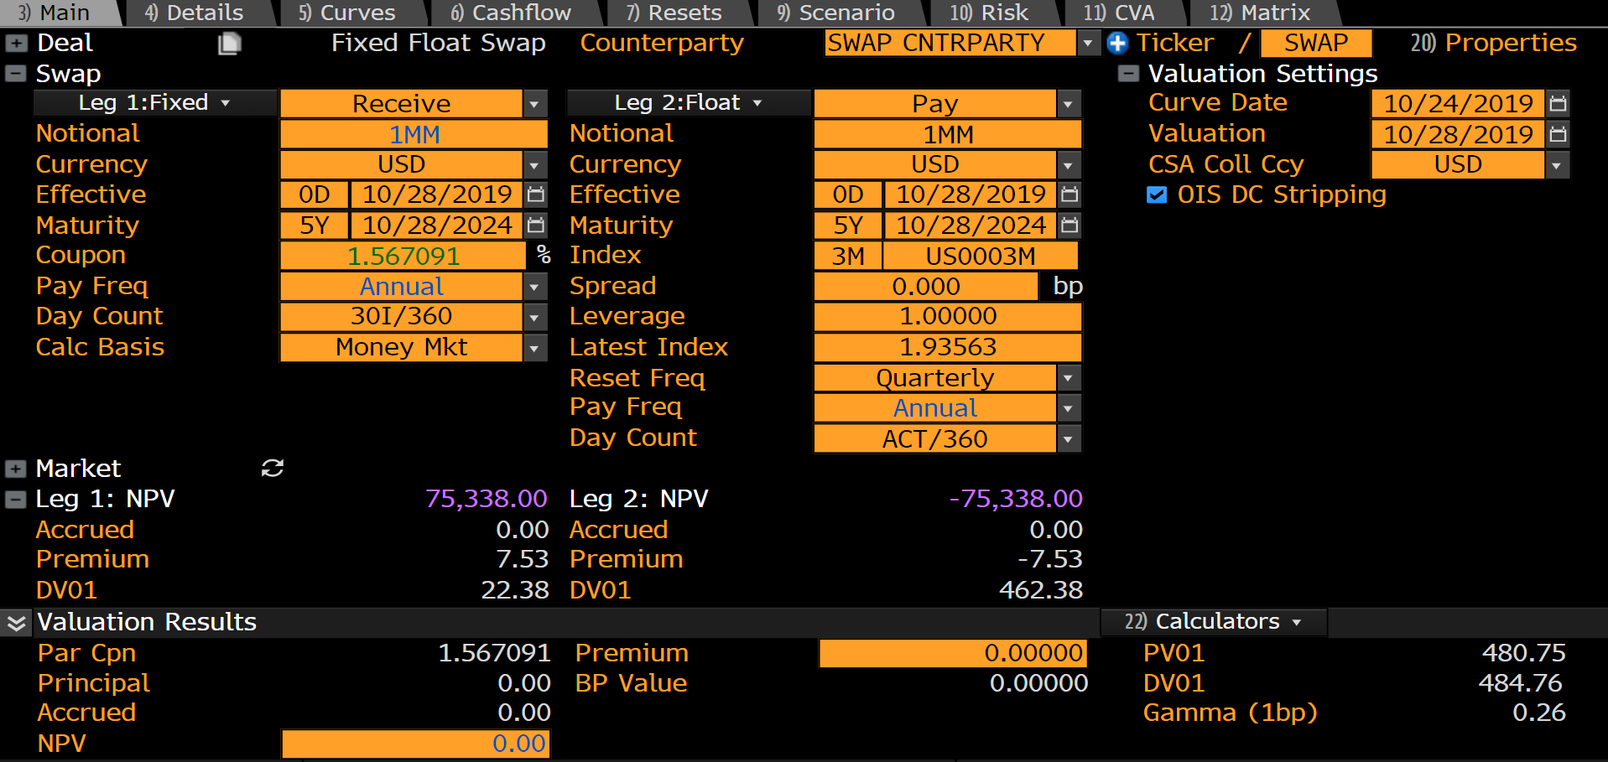

Risks
PV01 | Measures the change in Swap PV for a 1 bps change in Libor Rates
DV01 | Measures the change in Swap PV for a 1 bps change in Libor Rates and Discount Factors

Shifted USD Curve
… Click above to expand for instructions

 | USD OIS Market Data |  |  | USD 3ML Market Data |  |  | Multi-Dimensional Newton-Raphson Algorithm |  |  |  |  | Tolerance |  | RMSE | USDOIS Discount Factors |  |  |  | Jacobian, dParRate/dLibor (dp/dL) |  |  |  |  |  |  |  |  |  |  | Inverse Jacobian
 | Tenor | ParRate, p |  | Tenor | ParRate, p |  | Xn+1 = Xn - J-1 f( Xn ) |  |  |  |  | 1.00E-08 |  | 8.60E-12 | Integrate USDOIS Forward Polynomial |  |  |  | p = PV(Float Leg)/Annuity(Fixed Leg) |  |  |  |  |  |  |  |  |  |  | dLibor/dParRate (dL/dp)
0 | O/N | 1.55000% | 0.25 | 3M | 1.88713% |  |  |  |  |  |  |  |  |  |  |  |  |  | dpi/dLj = NtjDFj / Ai(Fixed) = DFj / Ai(Fixed), since N=1 and t=1
1 | 1Y | 1.44591% | 1 | 1Y | 1.71896% |  | Iteration: 4 |  |  |  |  | Initial Guess
2 | 2Y | 1.34523% | 2 | 2Y | 1.60204% |  | Curve | Term | Time, t | Xn+1 | Xn | X0 | f( Xn ) | Epsilon | Time, t | DiscFactor | Integrand |  | dL1YOIS | dL2YOIS | dL3YOIS | dL4YOIS | dL5YOIS | dL1YIRS | dL2YIRS | dL3YIRS | dL4YIRS | dL5YIRS
3 | 3Y | 1.31753% | 3 | 3Y | 1.57020% |  | USDOIS | 1Y | 1.00 | 1.44591% | 1.44591% | 2.00000% | 0.00000% | 0.00E+00 | 1.00 | 0.982182 | 1.79783% | dP(OIS1Y) | 1.00 | 0.00 | 0.00 | 0.00 | 0.00 | 0.00 | 0.00 | 0.00 | 0.00 | 0.00 |  | 1.00 | 0.00 | 0.00 | 0.00 | 0.00 | 0.00 | 0.00 | 0.00 | 0.00 | 0.00
4 | 4Y | 1.31355% | 4 | 4Y | 1.56999% |  | USDOIS | 2Y | 2.00 | 1.24322% | 1.24322% | 2.00000% | 0.00000% | 2.65E-12 | 2.00 | 0.969385 | 3.10937% | dP(OIS2Y) | 0.50 | 0.50 | 0.00 | 0.00 | 0.00 | 0.00 | 0.00 | 0.00 | 0.00 | 0.00 |  | -1.01 | 2.01 | 0.00 | 0.00 | 0.00 | 0.00 | 0.00 | 0.00 | 0.00 | 0.00
5 | 5Y | 1.33192% | 5 | 5Y | 1.58363% |  | USDOIS | 3Y | 3.00 | 1.26107% | 1.26107% | 2.00000% | 0.00000% | 3.81E-12 | 3.00 | 0.957384 | 4.35509% | dP(OIS3Y) | 0.34 | 0.33 | 0.33 | 0.00 | 0.00 | 0.00 | 0.00 | 0.00 | 0.00 | 0.00 |  | 0.00 | -2.04 | 3.04 | 0.00 | 0.00 | 0.00 | 0.00 | 0.00 | 0.00 | 0.00
 |  |  |  |  |  |  | USDOIS | 4Y | 4.00 | 1.30130% | 1.30130% | 2.00000% | 0.00000% | 9.88E-13 | 4.00 | 0.945196 | 5.63628% | dP(OIS4Y) | 0.25 | 0.25 | 0.25 | 0.25 | 0.00 | 0.00 | 0.00 | 0.00 | 0.00 | 0.00 |  | 0.00 | 0.00 | -3.08 | 4.08 | 0.00 | 0.00 | 0.00 | 0.00 | 0.00 | 0.00
 | Change in Market Data |  |  | Change in Market Data |  |  | USDOIS | 5Y | 5.00 | 1.40784% | 1.40784% | 2.00000% | 0.00000% | -3.83E-12 | 5.00 | 0.932607 | 6.97710% | dP(OIS5Y) | 0.21 | 0.20 | 0.20 | 0.20 | 0.19 | 0.00 | 0.00 | 0.00 | 0.00 | 0.00 |  | 0.00 | 0.00 | 0.00 | -4.13 | 5.13 | 0.00 | 0.00 | 0.00 | 0.00 | 0.00
 | Tenor | Bps |  | Tenor | Bps |  | USD3ML | 1Y | 1.00 | 1.71896% | 1.71896% | 2.00000% | 0.00000% | 0.00E+00 |  |  |  | dP(IRS1Y) | 0.00 | 0.00 | 0.00 | 0.00 | 0.00 | 1.00 | 0.00 | 0.00 | 0.00 | 0.00 |  | 0.00 | 0.00 | 0.00 | 0.00 | 0.00 | 1.00 | 0.00 | 0.00 | 0.00 | 0.00
 | O/N | 0.00 |  | 3M | 0.00 |  | USD3ML | 2Y | 2.00 | 1.48358% | 1.48358% | 2.00000% | 0.00000% | 3.08E-12 |  |  |  | dP(IRS2Y) | 0.00 | 0.00 | 0.00 | 0.00 | 0.00 | 0.50 | 0.50 | 0.00 | 0.00 | 0.00 |  | 0.00 | 0.00 | 0.00 | 0.00 | 0.00 | -1.01 | 2.01 | 0.00 | 0.00 | 0.00
 | 1Y | 1.00 |  | 1Y | 1.00 |  | USD3ML | 3Y | 3.00 | 1.50530% | 1.50530% | 2.00000% | 0.00000% | 4.37E-12 |  |  |  | dP(IRS3Y) | 0.00 | 0.00 | 0.00 | 0.00 | 0.00 | 0.34 | 0.33 | 0.33 | 0.00 | 0.00 |  | 0.00 | 0.00 | 0.00 | 0.00 | 0.00 | 0.00 | -2.04 | 3.04 | 0.00 | 0.00
 | 2Y | 1.00 |  | 2Y | 1.00 |  | USD3ML | 4Y | 4.00 | 1.56934% | 1.56934% | 2.00000% | 0.00000% | 5.21E-14 |  |  |  | dP(IRS4Y) | 0.00 | 0.00 | 0.00 | 0.00 | 0.00 | 0.25 | 0.25 | 0.25 | 0.25 | 0.00 |  | 0.00 | 0.00 | 0.00 | 0.00 | 0.00 | 0.00 | 0.00 | -3.08 | 4.08 | 0.00
 | 3Y | 1.00 |  | 3Y | 1.00 |  | USD3ML | 5Y | 5.00 | 1.64000% | 1.64000% | 2.00000% | 0.00000% | -2.85E-12 |  |  |  | dP(IRS5Y) | 0.00 | 0.00 | 0.00 | 0.00 | 0.00 | 0.21 | 0.20 | 0.20 | 0.20 | 0.19 |  | 0.00 | 0.00 | 0.00 | 0.00 | 0.00 | 0.00 | 0.00 | 0.00 | -4.13 | 5.13
 | 4Y | 1.00 |  | 4Y | 1.00
USD Forward Rates
 | 5Y | 1.00 |  | 5Y | 1.00 |  |  |  |  |  |  |  |  |  | ShowIterations |  |  |  |  |  |  |  |  |  |  |  |  |  |  | Forward Rates Table |  |  |  |  | Forward Rates Table
 |  |  |  |  |  |  |  |  |  |  |  |  |  |  | FALSE
 |  |  | Iteration Results |  |  |  |  |  |  |  |  |  |  |  |  |  |  |  |  |  |  |  |  |  |  |  |  |  |  | USDOIS |  |  |  |  | USD3ML
 | Curve | Term | X0 | X1 | X2 | X3 | X4 | X5 | X6 | X7 | X8 | X9 | X10 |  |  |  |  |  |  |  |  |  |  |  |  |  |  |  |  | x | y | Xn+1 | Check |  | x | y | Xn+1 | Check
 | USDOIS | 1Y | 2.00000% | 1.44591% | 1.44591% | 1.44591% | 1.44591% |  |  |  |  |  |  |  |  |  |  |  |  |  |  |  |  |  |  |  |  |  |  | 0.00 | 2.30933% |  |  |  | 0.00 | 2.60528%
 | USDOIS | 2Y | 2.00000% | 1.24252% | 1.24322% | 1.24322% | 1.24322% |  |  |  |  |  |  |  |  |  |  |  |  |  |  |  |  |  |  |  |  |  |  | 0.50 | 1.75806% |  |  |  | 0.50 | 2.04914%
 | USDOIS | 3Y | 2.00000% | 1.26044% | 1.26107% | 1.26107% | 1.26107% |  |  |  |  |  |  |  |  |  |  |  |  |  |  |  |  |  |  |  |  |  |  | 1.00 | 1.44591% | 1.44591% | 2.8E-13 |  | 1.00 | 1.71896% | 1.71896% | 3.3E-13
 | USDOIS | 4Y | 2.00000% | 1.30112% | 1.30130% | 1.30130% | 1.30130% |  |  |  |  |  |  |  |  |  |  |  |  |  |  |  |  |  |  |  |  |  |  | 1.50 | 1.29516% |  |  |  | 1.50 | 1.54871%
 | USDOIS | 5Y | 2.00000% | 1.40919% | 1.40784% | 1.40784% | 1.40784% |  |  |  |  |  |  |  |  |  |  |  |  |  |  |  |  |  |  |  |  |  |  | 2.00 | 1.24322% | 1.24322% | 2.6E-12 |  | 2.00 | 1.48358% | 1.48358% | 3.0E-12
 | USD3ML | 1Y | 2.00000% | 1.71896% | 1.71896% | 1.71896% | 1.71896% |  |  |  |  |  |  |  |  |  |  |  |  |  |  |  |  |  |  |  |  |  |  | 2.50 | 1.24263% |  |  |  | 2.50 | 1.47992%
 | USD3ML | 2Y | 2.00000% | 1.48276% | 1.48358% | 1.48358% | 1.48358% |  |  |  |  |  |  |  |  |  |  |  |  |  |  |  |  |  |  |  |  |  |  | 3.00 | 1.26107% | 1.26107% | 3.4E-12 |  | 3.00 | 1.50530% | 1.50530% | 3.9E-12
 | USD3ML | 3Y | 2.00000% | 1.50458% | 1.50530% | 1.50530% | 1.50530% |  |  |  |  |  |  |  |  |  |  |  |  |  |  |  |  |  |  |  |  |  |  | 3.50 | 1.28131% |  |  |  | 3.50 | 1.53846%
 | USD3ML | 4Y | 2.00000% | 1.56933% | 1.56934% | 1.56934% | 1.56934% |  |  |  |  |  |  |  |  |  |  |  |  |  |  |  |  |  |  |  |  |  |  | 4.00 | 1.30130% | 1.30130% | 2.9E-13 |  | 4.00 | 1.56934% | 1.56934% | -7.7E-13
 | USD3ML | 5Y | 2.00000% | 1.64100% | 1.64000% | 1.64000% | 1.64000% |  |  |  |  |  |  |  |  |  |  |  |  |  |  |  |  |  |  |  |  |  |  | 4.50 | 1.33408% |  |  |  | 4.50 | 1.59908%
 |  |  |  |  |  |  |  |  |  |  |  |  |  |  |  |  |  |  |  |  |  |  |  |  |  |  |  |  |  | 5.00 | 1.40784% | 1.40784% | -4.8E-12 |  | 5.00 | 1.64000% | 1.64000% | -4.0E-12

 |  |  |  |  |  |  |  |  |  |  |  |  |  |  |  |  |  |  | Polynomial Regression |  |  |  |  |  |  |  |  | b = ( XT X )-1 XT Y

 |  |  |  |  |  |  |  |  |  |  |  |  |  |  |  |  |  |  | USDOIS, Xn |  |  | Vandermonde Matrix |  |  |  |  |  | Polynomial Coefficients |  |  | Integrand Coefficients
 |  |  |  |  |  |  |  |  |  |  |  |  |  |  |  |  |  |  | x | y |  | 1 | x | x^2 | x^3 | x^4 |  | Beta, b |  |  | I
 |  |  |  |  |  |  |  |  |  |  |  |  |  |  |  |  |  |  | 1.00 | 1.44591% |  | 1.00 | 1.00 | 1.00 | 1.00 | 1.00 |  | 2.31% | 1 |  | 2.31% | x
 |  |  |  |  |  |  |  |  |  |  |  |  |  |  |  |  |  |  | 2.00 | 1.24322% |  | 1.00 | 2.00 | 4.00 | 8.00 | 16.00 |  | -1.40% | x |  | -0.70% | x^2
 |  |  |  |  |  |  |  |  |  |  |  |  |  |  |  |  |  |  | 3.00 | 1.26107% |  | 1.00 | 3.00 | 9.00 | 27.00 | 81.00 |  | 0.66% | x^2 |  | 0.22% | x^3
 |  |  |  |  |  |  |  |  |  |  |  |  |  |  |  |  |  |  | 4.00 | 1.30130% |  | 1.00 | 4.00 | 16.00 | 64.00 | 256.00 |  | -0.13% | x^3 |  | -0.03% | x^4
 |  |  |  |  |  |  |  |  |  |  |  |  |  |  |  |  |  |  | 5.00 | 1.40784% |  | 1.00 | 5.00 | 25.00 | 125.00 | 625.00 |  | 0.01% | x^4 |  | 0.00% | x^5

 |  |  |  |  |  |  |  |  |  |  |  |  |  |  |  |  |  |  | USD3ML, Xn |  |  | Vandermonde Matrix |  |  |  |  |  | Polynomial Coefficients |  |  | Integrand Coefficients
 |  |  |  |  |  |  |  |  |  |  |  |  |  |  |  |  |  |  | x | y |  | 1 | x | x^2 | x^3 | x^4 |  | Beta |  |  | I
 |  |  |  |  |  |  |  |  |  |  |  |  |  |  |  |  |  |  | 1.00 | 1.71896% |  | 1.00 | 1.00 | 1.00 | 1.00 | 1.00 |  | 2.61% | 1 |  | 2.61% | x
 |  |  |  |  |  |  |  |  |  |  |  |  |  |  |  |  |  |  | 2.00 | 1.48358% |  | 1.00 | 2.00 | 4.00 | 8.00 | 16.00 |  | -1.39% | x |  | -0.69% | x^2
 |  |  |  |  |  |  |  |  |  |  |  |  |  |  |  |  |  |  | 3.00 | 1.50530% |  | 1.00 | 3.00 | 9.00 | 27.00 | 81.00 |  | 0.60% | x^2 |  | 0.20% | x^3
 |  |  |  |  |  |  |  |  |  |  |  |  |  |  |  |  |  |  | 4.00 | 1.56934% |  | 1.00 | 4.00 | 16.00 | 64.00 | 256.00 |  | -0.11% | x^3 |  | -0.03% | x^4
 |  |  |  |  |  |  |  |  |  |  |  |  |  |  |  |  |  |  | 5.00 | 1.64000% |  | 1.00 | 5.00 | 25.00 | 125.00 | 625.00 |  | 0.01% | x^4 |  | 0.00% | x^5

 |  |  |  |  |  |  |  |  |  |  |  |  |  |  |  |  |  |  | Polynomial Regression

Research
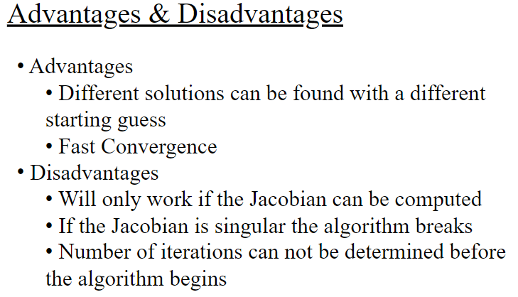
Market Data | IRS 5Y Price and Risk | Newton-Raphson Solver and Jacobian |  | Ultra-Fast Curves using Inverse Jacobian
 |  |  |  | LNEW = LOLD + dL

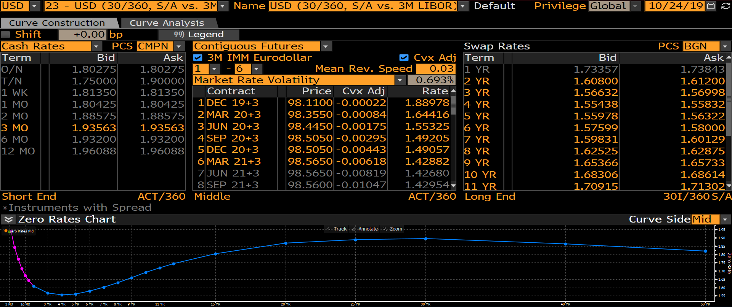
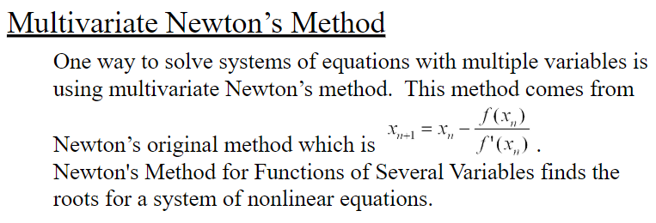
Bloomberg Curve Par Rate Quotes | Bloomberg USD 5Y Par Swap | https://slideplayer.com/slide/5302065/ |  | New Forwards |  | Original Forwards |  | Inverse Jacobian, dL/dP |  |  |  |  |  |  |  |  |  |  | Change in Mkt Data
 |  |  |  | LNEW |  | LOLD |  | OIS1Y | OIS2Y | OIS3Y | OIS4Y | OIS5Y | IRS1Y | IRS2Y | IRS3Y | IRS4Y | IRS5Y |  | dP
 |  |  | L1YOIS | 1.44591% | L1YOIS | 1.43591% | L1YOIS | 1.00 | 0.00 | 0.00 | 0.00 | 0.00 | 0.00 | 0.00 | 0.00 | 0.00 | 0.00 | L1YOIS | 0.01%
 |  |  | L2YOIS | 1.24323% | L2YOIS | 1.23323% | L2YOIS | -1.01 | 2.01 | 0.00 | 0.00 | 0.00 | 0.00 | 0.00 | 0.00 | 0.00 | 0.00 | L2YOIS | 0.01%
 |  |  | L3YOIS | 1.26107% | L3YOIS | 1.25107% | L3YOIS | 0.00 | -2.04 | 3.04 | 0.00 | 0.00 | 0.00 | 0.00 | 0.00 | 0.00 | 0.00 | L3YOIS | 0.01%
 |  |  | L4YOIS | 1.30130% | L4YOIS | 1.29130% | L4YOIS | 0.00 | 0.00 | -3.08 | 4.08 | 0.00 | 0.00 | 0.00 | 0.00 | 0.00 | 0.00 | L4YOIS | 0.01%
 |  |  | L5YOIS | 1.40782% | L5YOIS | 1.39782% | L5YOIS | 0.00 | 0.00 | 0.00 | -4.13 | 5.13 | 0.00 | 0.00 | 0.00 | 0.00 | 0.00 | L5YOIS | 0.01%
 |  |  | L1YIRS | 1.71896% | L1YIRS | 1.70896% | L1YIRS | 0.00 | 0.00 | 0.00 | 0.00 | 0.00 | 1.00 | 0.00 | 0.00 | 0.00 | 0.00 | L1YIRS | 0.01%
 |  |  | L2YIRS | 1.48359% | L2YIRS | 1.47359% | L2YIRS | 0.00 | 0.00 | 0.00 | 0.00 | 0.00 | -1.01 | 2.01 | 0.00 | 0.00 | 0.00 | L2YIRS | 0.01%
 |  |  | L3YIRS | 1.50531% | L3YIRS | 1.49531% | L3YIRS | 0.00 | 0.00 | 0.00 | 0.00 | 0.00 | 0.00 | -2.04 | 3.04 | 0.00 | 0.00 | L3YIRS | 0.01%
 |  |  | L4YIRS | 1.56934% | L4YIRS | 1.55934% | L4YIRS | 0.00 | 0.00 | 0.00 | 0.00 | 0.00 | 0.00 | 0.00 | -3.08 | 4.08 | 0.00 | L4YIRS | 0.01%
 |  |  | L5YIRS | 1.63999% | L5YIRS | 1.62999% | L5YIRS | 0.00 | 0.00 | 0.00 | 0.00 | 0.00 | 0.00 | 0.00 | 0.00 | -4.13 | 5.13 | L5YIRS | 0.01%

 |  |  |  |  |  |  |  | Use Jacobian to Imply Change in Forward Rates
 |  |  |  |  |  |  |  | Change in Forwards = J-1.dP = dL/dP.dP = dL

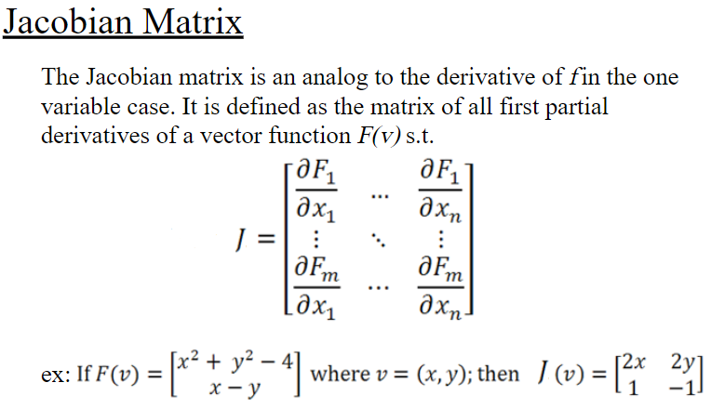
 |  |  |  |  |  |  |  | Jacobian, dP/dL
 |  |  |  |  |  |  |  | L1YOIS | L2YOIS | L3YOIS | L4YOIS | L5YOIS | L1YIRS | L2YIRS | L3YIRS | L4YIRS | L5YIRS
 |  |  |  |  |  |  | OIS1Y | 1.00 | 0.00 | 0.00 | 0.00 | 0.00 | 0.00 | 0.00 | 0.00 | 0.00 | 0.00
 |  |  |  |  |  |  | OIS2Y | 0.50 | 0.50 | 0.00 | 0.00 | 0.00 | 0.00 | 0.00 | 0.00 | 0.00 | 0.00
 |  |  |  |  |  |  | OIS3Y | 0.34 | 0.33 | 0.33 | 0.00 | 0.00 | 0.00 | 0.00 | 0.00 | 0.00 | 0.00
 |  |  |  |  |  |  | OIS4Y | 0.25 | 0.25 | 0.25 | 0.25 | 0.00 | 0.00 | 0.00 | 0.00 | 0.00 | 0.00
 |  |  |  |  |  |  | OIS5Y | 0.21 | 0.20 | 0.20 | 0.20 | 0.19 | 0.00 | 0.00 | 0.00 | 0.00 | 0.00
 |  |  |  |  |  |  | IRS1Y | 0.00 | 0.00 | 0.00 | 0.00 | 0.00 | 1.00 | 0.00 | 0.00 | 0.00 | 0.00
 |  |  |  |  |  |  | IRS2Y | 0.00 | 0.00 | 0.00 | 0.00 | 0.00 | 0.50 | 0.50 | 0.00 | 0.00 | 0.00
 |  |  |  |  |  |  | IRS3Y | 0.00 | 0.00 | 0.00 | 0.00 | 0.00 | 0.34 | 0.33 | 0.33 | 0.00 | 0.00
 |  |  |  |  |  |  | IRS4Y | 0.00 | 0.00 | 0.00 | 0.00 | 0.00 | 0.25 | 0.25 | 0.25 | 0.25 | 0.00
 | Fixed Cashflows |  |  |  |  |  | IRS5Y | 0.00 | 0.00 | 0.00 | 0.00 | 0.00 | 0.21 | 0.20 | 0.20 | 0.20 | 0.19

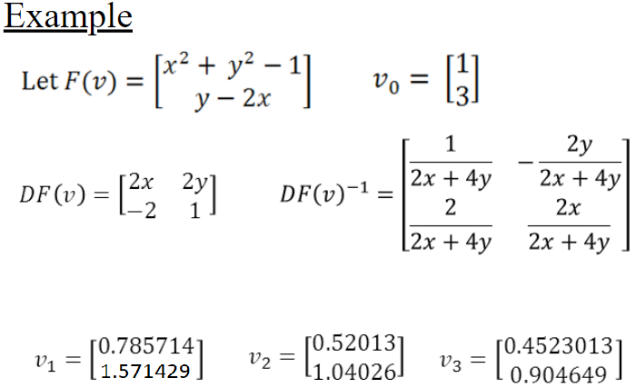
 | Floating Cashflows

