Sheet1
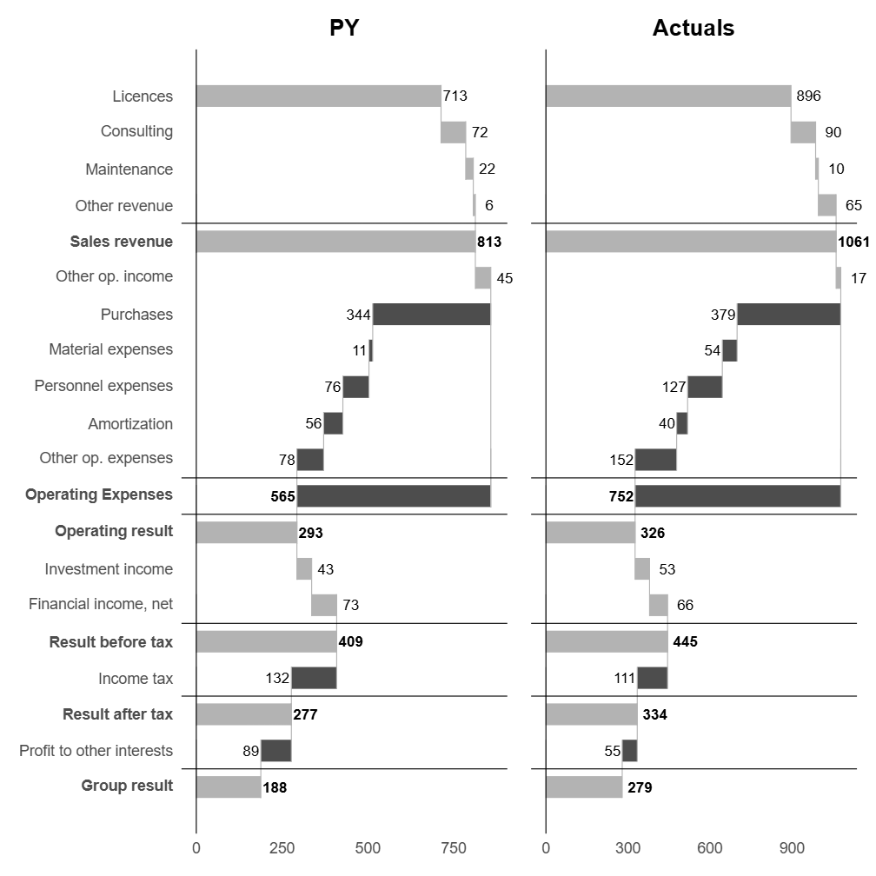
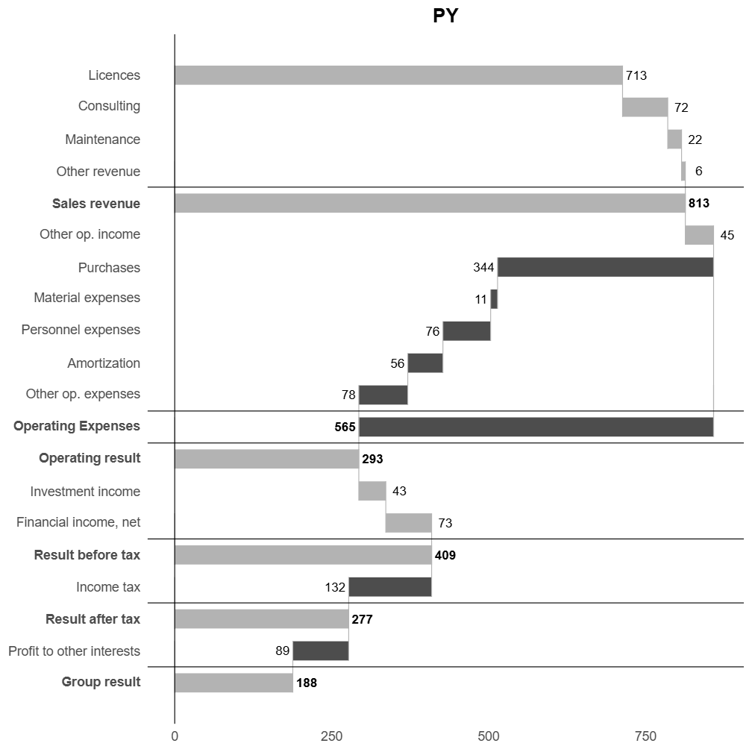
Use Anaconda Code from the Anaconda Toolbox Add-In to run R scripts in Excel
Single-column chart:
Multi-column chart:

position | type | bold | subtotal_group | Line Item | PY
1 | bar | FALSE | 1 | Licences | $713.30
2 | bar | FALSE | 1 | Consulting | $72.00
3 | bar | FALSE | 1 | Maintenance | $22.00
4 | bar | FALSE | 1 | Other revenue | $6.00
5 | divider | FALSE
6 | subtotal | TRUE | 1 | Sales revenue
7 | bar | FALSE |  | Other op. income | $45.00
8 | bar | FALSE | 2 | Purchases | -$344.10
9 | bar | FALSE | 2 | Material expenses | -$11.00
10 | bar | FALSE | 2 | Personnel expenses | -$76.00
11 | bar | FALSE | 2 | Amortization | -$56.00
12 | bar | FALSE | 2 | Other op. expenses | -$78.00
13 | divider | FALSE
14 | subtotal | TRUE | 2 | Operating Expenses
15 | divider | FALSE
16 | result | TRUE |  | Operating result
17 | bar | FALSE |  | Investment income | $43.00
18 | bar | FALSE |  | Financial income, net | $73.00
19 | divider | FALSE
20 | result | TRUE |  | Result before tax
21 | bar | FALSE |  | Income tax | -$132.10
22 | divider | FALSE
23 | result | TRUE |  | Result after tax
24 | bar | FALSE |  | Profit to other interests | -$89.00
25 | divider | FALSE
26 | result | TRUE |  | Group result

