Sheet1
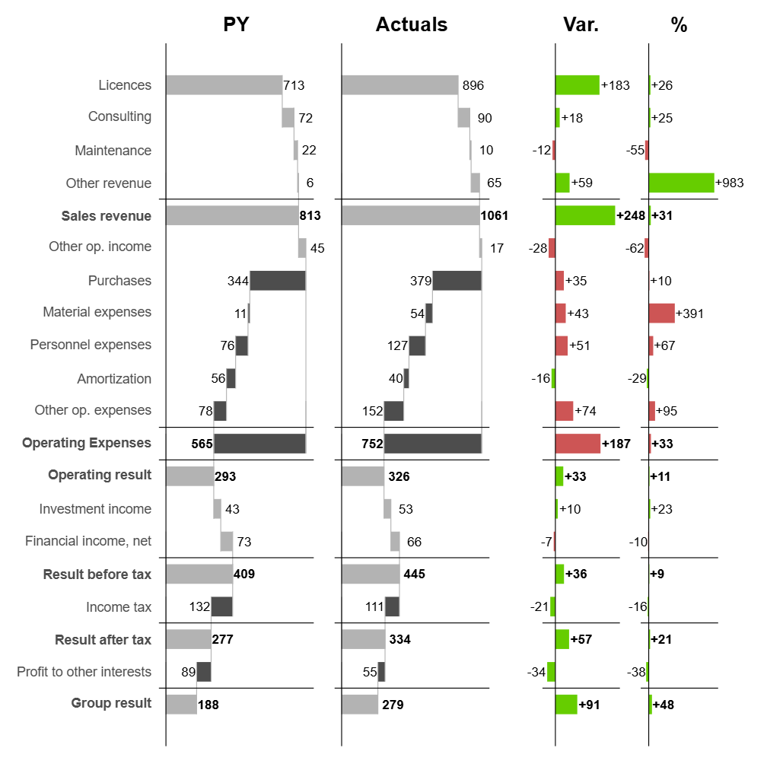
Use Anaconda Code from the Anaconda Toolbox Add-In to run R scripts in Excel
Single-column chart:
Multi-column chart:
Absolute variance:
Pct variance:
All four:

position | type | bold | subtotal_group | Line Item | invert | PY | AC
1 | bar | FALSE | 1 | Licences | FALSE | $713.30 | 896.4
2 | bar | FALSE | 1 | Consulting | FALSE | $72.00 | 90
3 | bar | FALSE | 1 | Maintenance | FALSE | $22.00 | 10
4 | bar | FALSE | 1 | Other revenue | FALSE | $6.00 | 65
5 | divider | FALSE |  |  | FALSE
6 | subtotal | TRUE | 1 | Sales revenue | FALSE
7 | bar | FALSE |  | Other op. income | FALSE | $45.00 | 17
8 | bar | FALSE | 2 | Purchases | TRUE | -$344.10 | -379.2
9 | bar | FALSE | 2 | Material expenses | TRUE | -$11.00 | -54
10 | bar | FALSE | 2 | Personnel expenses | TRUE | -$76.00 | -127.1
11 | bar | FALSE | 2 | Amortization | TRUE | -$56.00 | -40
12 | bar | FALSE | 2 | Other op. expenses | TRUE | -$78.00 | -152.1
13 | divider | FALSE |  |  | FALSE
14 | subtotal | TRUE | 2 | Operating Expenses | TRUE
15 | divider | FALSE |  |  | FALSE
16 | result | TRUE |  | Operating result | FALSE
17 | bar | FALSE |  | Investment income | FALSE | $43.00 | 53
18 | bar | FALSE |  | Financial income, net | FALSE | $73.00 | 66
19 | divider | FALSE |  |  | FALSE
20 | result | TRUE |  | Result before tax | FALSE
21 | bar | FALSE |  | Income tax | TRUE | -$132.10 | -111
22 | divider | FALSE |  |  | FALSE
23 | result | TRUE |  | Result after tax | FALSE
24 | bar | FALSE |  | Profit to other interests | TRUE | -$89.00 | -55
25 | divider | FALSE |  |  | FALSE
26 | result | TRUE |  | Group result | FALSE

