default_1
Molecule name | P (Mean(Activity)=1) | Structure
NCGC00416491-01 | 0.77762919664 | 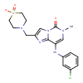
NCGC00416557-01 | 0.44334155321 | 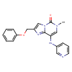
NCGC00418183-01 | 0.33298626542 | 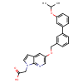
NCGC00418185-01 | 0.22809106112 | 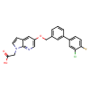
NCGC00418172-01 | 0.12241474539 | 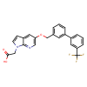
NCGC00418291-01 | 0.12175519019 | 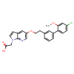
NCGC00418292-01 | 0.12175519019 | 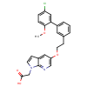
NCGC00432727-01 | 0.10698211938 | 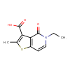
NCGC00432729-01 | 0.10157947987 | 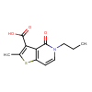
NCGC00432731-01 | 0.10157947987 | 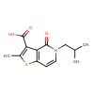
NCGC00416502-01 | 0.093052975833 | 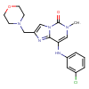
NCGC00418157-01 | 0.084301017225 | 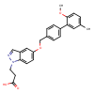
NCGC00418159-01 | 0.07905035466 | 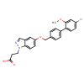
NCGC00418153-01 | 0.077238984406 | 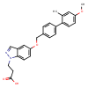
NCGC00416538-01 | 0.075745351613 | 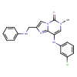
NCGC00418150-01 | 0.0756701231 | 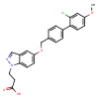
NCGC00416467-01 | 0.07403704524 | 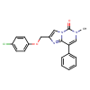
NCGC00410310-01 | 0.06999258697 | 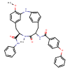
NCGC00416430-01 | 0.067729696631 | 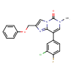
NCGC00433785-01 | 0.067380703986 | 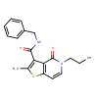
NCGC00416444-01 | 0.064966574311 | 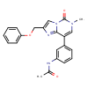
NCGC00416529-01 | 0.062359988689 | 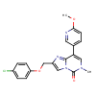
NCGC00416540-01 | 0.062203381211 | 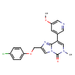
NCGC00416390-01 | 0.057522732764 | 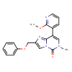
NCGC00416372-01 | 0.056871358305 | 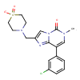
NCGC00416369-01 | 0.054779518396 | 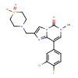
NCGC00416517-01 | 0.053942807019 | 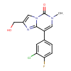
NCGC00416388-01 | 0.051415953785 | 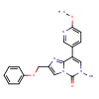
NCGC00433730-01 | 0.048169005662 | 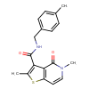
NCGC00433767-01 | 0.048029497266 | 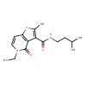
NCGC00416362-01 | 0.04675533995 | 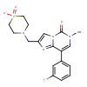
NCGC00416524-01 | 0.046146418899 | 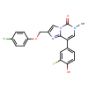
NCGC00416436-01 | 0.045031890273 | 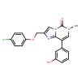
NCGC00433736-01 | 0.04463109374 | 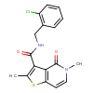
NCGC00473390-01 | 0.044518619776 | 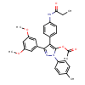
NCGC00418233-01 | 0.044311162084 | 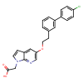
NCGC00475073-01 | 0.042050678283 | 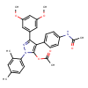
NCGC00473903-01 | 0.042050678283 | 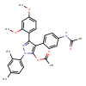
NCGC00473917-01 | 0.041626449674 | 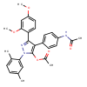
NCGC00416438-01 | 0.040811251849 | 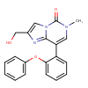
NCGC00410264-01 | 0.039663679898 | 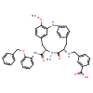
NCGC00474990-01 | 0.039480771869 | 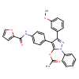
NCGC00473082-01 | 0.039075821638 | 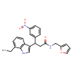
NCGC00416433-01 | 0.038860637695 | 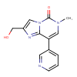
NCGC00416504-01 | 0.03786246106 | 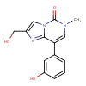
NCGC00473543-01 | 0.037544820458 | 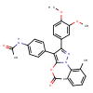
NCGC00473564-01 | 0.037364639342 | 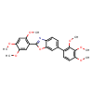
NCGC00504624-01 | 0.0368212834 | 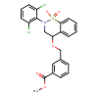
NCGC00416508-01 | 0.03678848967 | 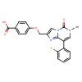
NCGC00416525-01 | 0.036256715655 | 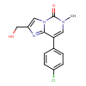
NCGC00416554-01 | 0.036256715655 | 
NCGC00418121-01 | 0.036171551794 | 
NCGC00416471-01 | 0.034580945969 | 
NCGC00416374-01 | 0.034508131444 | 
NCGC00482108-01 | 0.034105114639 | 
NCGC00473720-01 | 0.033292580396 | 
NCGC00416407-01 | 0.033108651638 | 
NCGC00416367-01 | 0.03306896612 | 
NCGC00420489-01 | 0.032719284296 | 
NCGC00416469-01 | 0.032242614776 | 
NCGC00416494-01 | 0.031347904354 | 
NCGC00416533-01 | 0.030476991087 | 
NCGC00416556-01 | 0.030393712223 | 
NCGC00416544-01 | 0.030393712223 | 
NCGC00504247-01 | 0.029943408445 | 
NCGC00416353-01 | 0.028998749331 | 
NCGC00433798-01 | 0.028280142695 | 
NCGC00433759-01 | 0.02746190317 | 
NCGC00473156-01 | 0.027291551232 | 
NCGC00416545-01 | 0.026945738122 | 
NCGC00420375-01 | 0.026614990085 | 
NCGC00416474-01 | 0.026577115059 | 
NCGC00473193-01 | 0.026119224727 | 
NCGC00482109-01 | 0.025580091402 | 
NCGC00473291-01 | 0.025134285912 | 
NCGC00415777-01 | 0.025087827817 | 
NCGC00416462-01 | 0.024301858619 | 
NCGC00433775-01 | 0.023139977828 | 
NCGC00473521-01 | 0.02305771783 | 
NCGC00433762-01 | 0.022866003215 | 
NCGC00416509-01 | 0.022853970528 | 
NCGC00473406-01 | 0.02265753597 | 
NCGC00473403-01 | 0.022441131994 | 
NCGC00473178-01 | 0.02238991484 | 
NCGC00416487-01 | 0.022230738774 | 
NCGC00416484-01 | 0.022137593478 | 
NCGC00416473-01 | 0.022112449631 | 
NCGC00420301-01 | 0.021805152297 | 
NCGC00420296-01 | 0.021805152297 | 
NCGC00416497-01 | 0.021278472617 | 
NCGC00433765-01 | 0.021083492786 | 
NCGC00473320-01 | 0.02086276561 | 
NCGC00474428-01 | 0.020853882656 | 
NCGC00474500-01 | 0.020853882656 | 
NCGC00433841-01 | 0.020778618753 | 
NCGC00482104-01 | 0.020698247477 | 
NCGC00420324-01 | 0.020542576909 | 
NCGC00433772-01 | 0.020260501653 | 
NCGC00433754-01 | 0.020020782948 | 
NCGC00504288-01 | 0.020019309595 | 
NCGC00473416-01 | 0.01997644268 | 
NCGC00433744-01 | 0.019891811535 | 
NCGC00420506-01 | 0.01982675679 | 
NCGC00416515-01 | 0.019673159346 | 
NCGC00433728-01 | 0.019634148106 | 
NCGC00416486-01 | 0.019565194845 | 
NCGC00473402-01 | 0.01938371174 | 
NCGC00473194-01 | 0.019333031029 | 
NCGC00435110-01 | 0.019325274974 | 
NCGC00473386-01 | 0.019270764664 | 
NCGC00416493-01 | 0.019193589687 | 
NCGC00473384-01 | 0.019156701863 | 
NCGC00433825-01 | 0.019137360156 | 
NCGC00416514-01 | 0.01910947077 | 
NCGC00416382-01 | 0.018910711631 | 
NCGC00416550-01 | 0.018249087036 | 
NCGC00416501-01 | 0.018164234236 | 
NCGC00433783-01 | 0.018161734566 | 
NCGC00418125-01 | 0.018106115982 | 
NCGC00418142-01 | 0.018106115982 | 
NCGC00501199-01 | 0.017806207761 | 
NCGC00416381-01 | 0.017791209742 | 
NCGC00473417-01 | 0.017757071182 | 
NCGC00416734-01 | 0.017399063334 | 
NCGC00418144-01 | 0.017300078645 | 

