Design
dataId | SampleId | ExperimentalGroup | GroupFactor | Conc | number | SampleId | AcqMethod | ExperimentalGroup | FileName | sampleNum
RS#001 | S0007 | GroupA | GroupA | 1 | 1 | S0007 | BaseNeg | GroupA | SET2_NEG_Sample_1.mzXML | 1
RS#002 | S0008 | GroupD | GroupD | 1 | 10 | S0007 | BasePos | GroupA | SET2_POS_Sample_1.mzXML | 1
RS#003 | S0009 | GroupE | GroupE | 1 | 11 | S0008 | BaseNeg | GroupD | SET2_NEG_Sample_10.mzXML | 10
RS#004 | S0010 | GroupF | GroupF | 1 | 12 | S0008 | BasePos | GroupD | SET2_POS_Sample_10.mzXML | 10
RS#005 | S0011 | GroupG | GroupG | 1 | 13 | S0009 | BaseNeg | GroupE | SET2_NEG_Sample_11.mzXML | 11
RS#006 | S0012 | GroupD | GroupD | 0.67 | 14 | S0009 | BasePos | GroupE | SET2_POS_Sample_11.mzXML | 11
RS#007 | S0013 | GroupE | GroupE | 0.67 | 15 | S0010 | BaseNeg | GroupF | SET2_NEG_Sample_12.mzXML | 12
RS#008 | S0014 | GroupF | GroupF | 0.67 | 16 | S0010 | BasePos | GroupF | SET2_POS_Sample_12.mzXML | 12
RS#009 | S0015 | GroupD | GroupD | 1 | 17 | S0011 | BaseNeg | GroupG | SET2_NEG_Sample_13.mzXML | 13
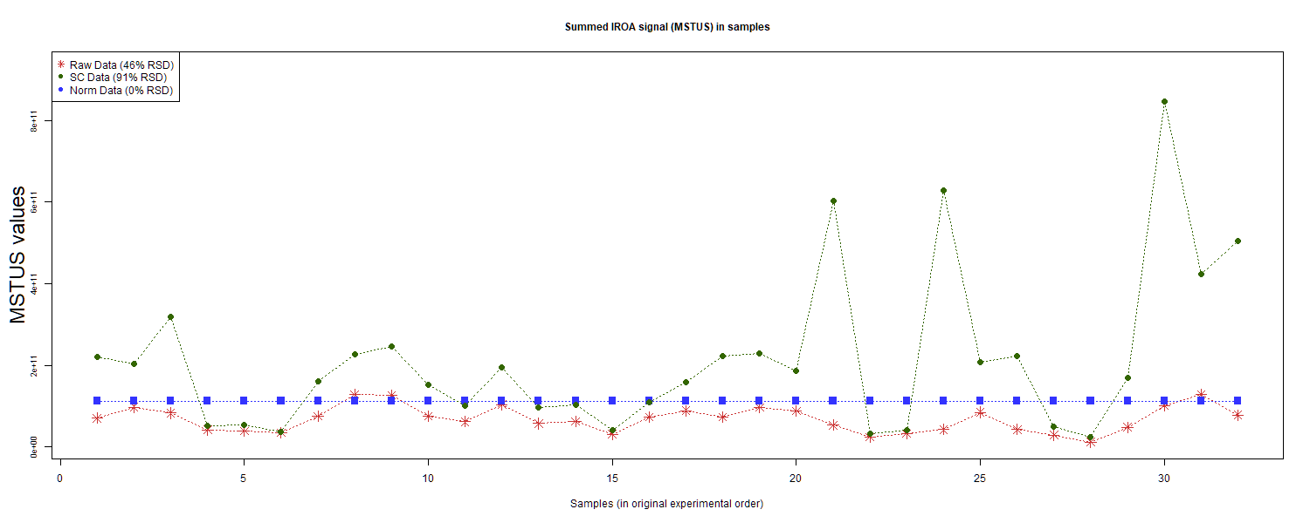
RS#010 | S0016 | GroupE | GroupE | 1 | 18 | S0011 | BasePos | GroupG | SET2_POS_Sample_13.mzXML | 13
RS#011 | S0017 | GroupF | GroupF | 1 | 19 | S0012 | BaseNeg | GroupD | SET2_NEG_Sample_14.mzXML | 14
RS#012 | S0018 | GroupB | GroupB | 1 | 2 | S0012 | BasePos | GroupD | SET2_POS_Sample_14.mzXML | 14
RS#013 | S0019 | GroupG | GroupG | 1 | 20 | S0013 | BaseNeg | GroupE | SET2_NEG_Sample_15.mzXML | 15
RS#014 | S0020 | GroupD | GroupD | 0.67 | 21 | S0013 | BasePos | GroupE | SET2_POS_Sample_15.mzXML | 15
RS#015 | S0021 | GroupE | GroupE | 0.67 | 22 | S0014 | BaseNeg | GroupF | SET2_NEG_Sample_16.mzXML | 16
RS#016 | S0022 | GroupF | GroupF | 0.67 | 23 | S0014 | BasePos | GroupF | SET2_POS_Sample_16.mzXML | 16
RS#017 | S0023 | GroupA | GroupA | 1 | 24 | S0015 | BaseNeg | GroupD | SET2_NEG_Sample_17.mzXML | 17
RS#018 | S0024 | GroupB | GroupB | 1 | 25 | S0015 | BasePos | GroupD | SET2_POS_Sample_17.mzXML | 17
RS#019 | S0025 | GroupC | GroupC | 1 | 26 | S0016 | BaseNeg | GroupE | SET2_NEG_Sample_18.mzXML | 18
RS#020 | S0026 | GroupA | GroupA | 0.5 | 27 | S0016 | BasePos | GroupE | SET2_POS_Sample_18.mzXML | 18
RS#021 | S0027 | GroupB | GroupB | 0.5 | 28 | S0017 | BaseNeg | GroupF | SET2_NEG_Sample_19.mzXML | 19
RS#022 | S0028 | GroupC | GroupC | 0.5 | 29 | S0017 | BasePos | GroupF | SET2_POS_Sample_19.mzXML | 19
RS#023 | S0029 | GroupC | GroupC | 1 | 3 | S0018 | BaseNeg | GroupB | SET2_NEG_Sample_2.mzXML | 2 | This report was compiled on 2025-07-16 21:37:24.110917 Mode = Norm Based on file = data/RR Datasets/4297/Lab2-4297Fixed.tsv
RS#024 | S0030 | GroupA | GroupA | 1.5 | 30 | S0018 | BasePos | GroupB | SET2_POS_Sample_2.mzXML | 2
RS#025 | S0031 | GroupB | GroupB | 1.5 | 31 | S0019 | BaseNeg | GroupG | SET2_NEG_Sample_20.mzXML | 20
RS#026 | S0032 | GroupC | GroupC | 1.5 | 32 | S0019 | BasePos | GroupG | SET2_POS_Sample_20.mzXML | 20
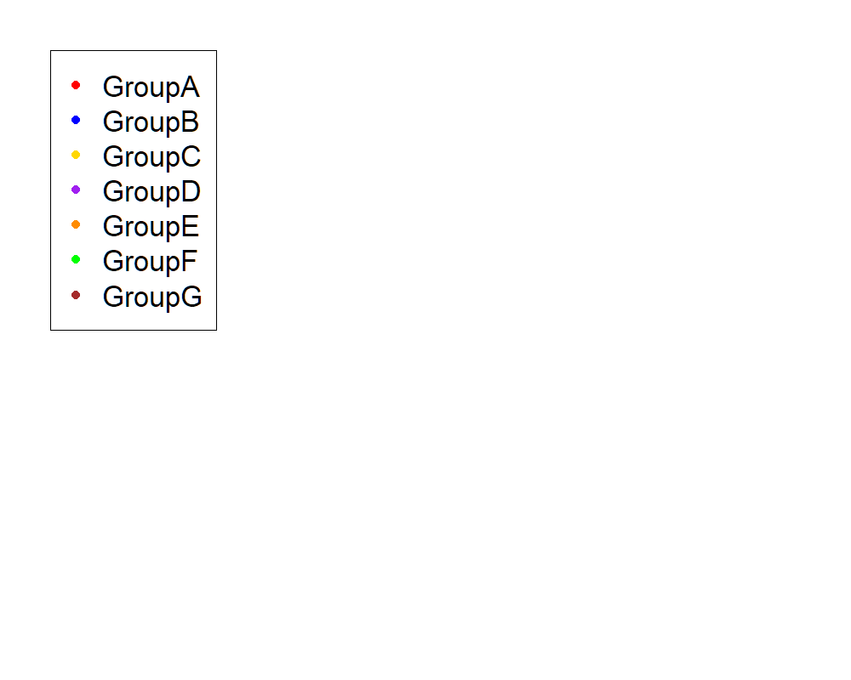
RS#027 | S0035 | GroupA | GroupA | 0.5 | 4 | S0020 | BaseNeg | GroupD | SET2_NEG_Sample_21.mzXML | 21
RS#028 | S0036 | GroupB | GroupB | 0.5 | 5 | S0020 | BasePos | GroupD | SET2_POS_Sample_21.mzXML | 21
RS#029 | S0037 | GroupC | GroupC | 0.5 | 6 | S0021 | BaseNeg | GroupE | SET2_NEG_Sample_22.mzXML | 22
RS#030 | S0038 | GroupA | GroupA | 1.5 | 7 | S0021 | BasePos | GroupE | SET2_POS_Sample_22.mzXML | 22
RS#031 | S0039 | GroupB | GroupB | 1.5 | 8 | S0022 | BaseNeg | GroupF | SET2_NEG_Sample_23.mzXML | 23
RS#032 | S0040 | GroupC | GroupC | 1.5 | 9 | S0022 | BasePos | GroupF | SET2_POS_Sample_23.mzXML | 23
 |  |  |  |  |  | S0023 | BaseNeg | GroupA | SET2_NEG_Sample_24.mzXML | 24
These injections for each sample were examined |  |  |  |  |  | S0023 | BasePos | GroupA | SET2_POS_Sample_24.mzXML | 24
 |  |  |  |  |  | S0024 | BaseNeg | GroupB | SET2_NEG_Sample_25.mzXML | 25
 |  |  |  |  |  | S0024 | BasePos | GroupB | SET2_POS_Sample_25.mzXML | 25
 |  |  |  |  |  | S0025 | BaseNeg | GroupC | SET2_NEG_Sample_26.mzXML | 26
 |  |  |  |  |  | S0025 | BasePos | GroupC | SET2_POS_Sample_26.mzXML | 26
 |  |  |  |  |  | S0026 | BaseNeg | GroupA | SET2_NEG_Sample_27.mzXML | 27
 |  |  |  |  |  | S0026 | BasePos | GroupA | SET2_POS_Sample_27.mzXML | 27
 |  |  |  |  |  | S0027 | BaseNeg | GroupB | SET2_NEG_Sample_28.mzXML | 28
 |  |  |  |  |  | S0027 | BasePos | GroupB | SET2_POS_Sample_28.mzXML | 28
 |  |  |  |  |  | S0028 | BaseNeg | GroupC | SET2_NEG_Sample_29.mzXML | 29
 |  |  |  |  |  | S0028 | BasePos | GroupC | SET2_POS_Sample_29.mzXML | 29
 |  |  |  |  |  | S0029 | BaseNeg | GroupC | SET2_NEG_Sample_3.mzXML | 3
 |  |  |  |  |  | S0029 | BasePos | GroupC | SET2_POS_Sample_3.mzXML | 3
 |  |  |  |  |  | S0030 | BaseNeg | GroupA | SET2_NEG_Sample_30.mzXML | 30
 |  |  |  |  |  | S0030 | BasePos | GroupA | SET2_POS_Sample_30.mzXML | 30
 |  |  |  |  |  | S0031 | BaseNeg | GroupB | SET2_NEG_Sample_31.mzXML | 31
 |  |  |  |  |  | S0031 | BasePos | GroupB | SET2_POS_Sample_31.mzXML | 31
 |  |  |  |  |  | S0032 | BaseNeg | GroupC | SET2_NEG_Sample_32.mzXML | 32
 |  |  |  |  |  | S0032 | BasePos | GroupC | SET2_POS_Sample_32.mzXML | 32
 |  |  |  |  |  | S0035 | BaseNeg | GroupA | SET2_NEG_Sample_4.mzXML | 4
 |  |  |  |  |  | S0035 | BasePos | GroupA | SET2_POS_Sample_4.mzXML | 4
 |  |  |  |  |  | S0036 | BaseNeg | GroupB | SET2_NEG_Sample_5.mzXML | 5
 |  |  |  |  |  | S0036 | BasePos | GroupB | SET2_POS_Sample_5.mzXML | 5
 |  |  |  |  |  | S0037 | BaseNeg | GroupC | SET2_NEG_Sample_6.mzXML | 6
 |  |  |  |  |  | S0037 | BasePos | GroupC | SET2_POS_Sample_6.mzXML | 6
 |  |  |  |  |  | S0038 | BaseNeg | GroupA | SET2_NEG_Sample_7.mzXML | 7
 |  |  |  |  |  | S0038 | BasePos | GroupA | SET2_POS_Sample_7.mzXML | 7
 |  |  |  |  |  | S0039 | BaseNeg | GroupB | SET2_NEG_Sample_8.mzXML | 8
 |  |  |  |  |  | S0039 | BasePos | GroupB | SET2_POS_Sample_8.mzXML | 8
 |  |  |  |  |  | S0040 | BaseNeg | GroupC | SET2_NEG_Sample_9.mzXML | 9
 |  |  |  |  |  | S0040 | BasePos | GroupC | SET2_POS_Sample_9.mzXML | 9

Anova
This tab shows the results of a regression of all compounds by the experimental design. Recommend: sort by p value

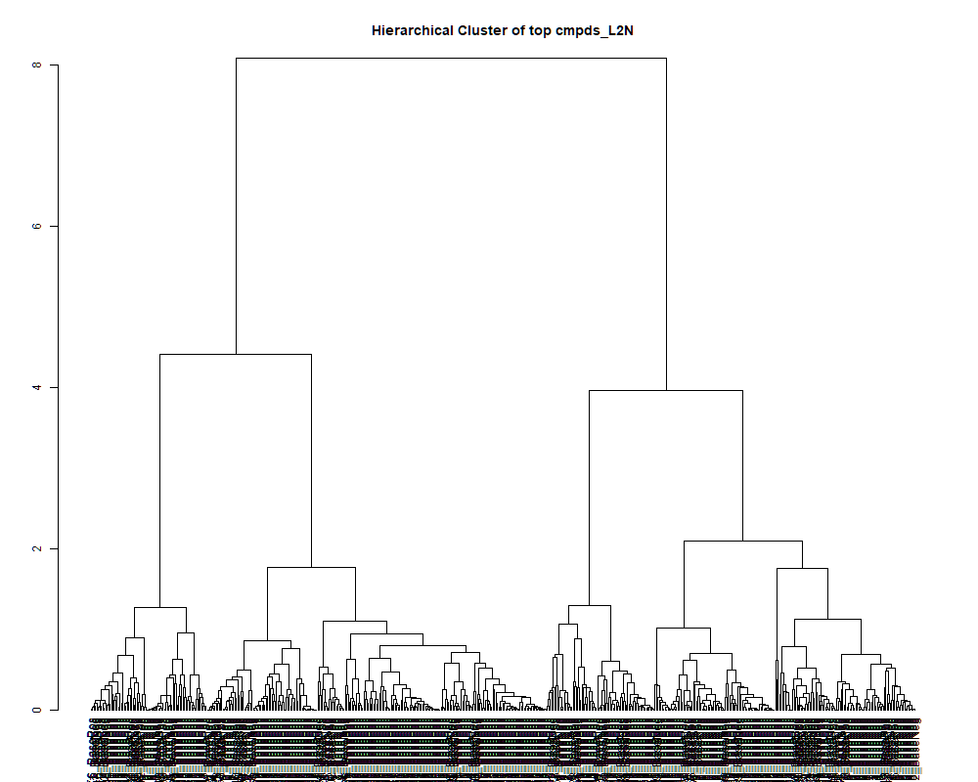
 | row.names | compounds | MF | p.value | F.value
 | LTRS_000001_BaseNeg | Lys-Lys (M-H) | C12H26N4O3 | 4.66E-01 | 0.969
 | LTRS_000001_BasePos | Spermine (M+H -C3H10N2) | C10H26N4 | 1.99E-02 | 3.129
 | LTRS_000002_BaseNeg | Lys-Ser (M-H) | C9H19N3O4 | 9.93E-11 | 33.134
 | LTRS_000002_BasePos | Spermine (M+H -C3H13N3) | C10H26N4 | 3.37E-02 | 2.761
 | LTRS_000003_BaseNeg | Gly-lys (M-H) | C8H17N3O3 | 2.03E-22 | 322.131
 | LTRS_000003_BasePos | Spermidine (M+H) | C7H19N3 | 4.67E-01 | 0.968
 | LTRS_000004_BaseNeg | Asn-Lys (M-H) | C10H20N4O4 | 7.16E-13 | 51.511
 | LTRS_000004_BasePos | C13H29N3O5 (M+H) | C13H29N3O5 | 6.29E-01 | 0.731
 | LTRS_000005_BaseNeg | Gamma-glutamyl-L-putrescine (M-H) | C9H19N3O3 | 1.37E-02 | 3.398
 | LTRS_000005_BasePos | C12H23N3O3 (M+2H) | C12H23N3O3 | 3.43E-02 | 2.748
 | LTRS_000006_BaseNeg | L-Lysine (M-H) | C6H14N2O2 | 1.58E-02 | 3.296
 | LTRS_000006_BasePos | C15H31N5O5 (M+2H) | C15H31N5O5 | 2.53E-01 | 1.402
 | LTRS_000007_BaseNeg | L-Lysine (M-H+HCOONa) | C6H14N2O2 | 6.82E-01 | 0.660
 | LTRS_000007_BasePos | Lys-Lys (M+H) | C12H26N4O3 | 1.26E-03 | 5.267
 | LTRS_000008_BaseNeg | L-Histidine (M-H) | C6H9N3O2 | 2.01E-08 | 19.972
 | LTRS_000008_BasePos | C18H34N4O7 (M+2H) | C18H34N4O7 | 4.70E-01 | 0.962
 | LTRS_000009_BaseNeg | 1-[(5-Amino-5-carboxypentyl)amino]-1-deoxyfructose (M-H) | C12H24N2O7 | 4.95E-02 | 2.498
 | LTRS_000009_BasePos | C15H31N5O4 (M+2H) | C15H31N5O4 | 2.45E-03 | 4.712
 | LTRS_000010_BaseNeg | L-Arginine (M-H) | C6H14N4O2 | 5.30E-04 | 6.022
 | LTRS_000010_BasePos | dapdiamide A zwitterion (M+H) | C12H20N4O5 | 6.69E-01 | 0.677
 | LTRS_000011_BaseNeg | Ornithine (M-H) | C5H12N2O2 | 7.22E-07 | 13.761
 | LTRS_000012_BaseNeg | Ala-Arg (M-H) | C9H19N5O3 | 1.22E-01 | 1.892
 | LTRS_000013_BaseNeg | C4H11N2O7P (M-H) | C4H11N2O7P | 4.56E-02 | 2.553
 | LTRS_000013_BasePos | Peramivir (M+2H) | C15H28N4O4 | 2.24E-02 | 3.047
 | LTRS_000014_BasePos | Arg-Lys (M+H) | C12H26N6O3 | 2.09E-02 | 3.094
 | LTRS_000015_BaseNeg | 3-Ureidopropionate (M-H) | C4H8N2O3 | 3.44E-01 | 1.190
 | LTRS_000015_BasePos | Arg-Lys (M+2H) | C12H26N6O3 | 1.45E-03 | 5.146
 | LTRS_000016_BaseNeg | C5H11NO11 (M-H) | C5H11NO11 | 7.79E-11 | 33.877
 | LTRS_000016_BasePos | C15H41N2O4PS (M+2H) | C15H41N2O4PS | 3.25E-01 | 1.229
 | LTRS_000017_BaseNeg | Glucosamine-1P (M-H) | C6H14NO8P | 7.15E-01 | 0.616
 | LTRS_000017_BasePos | C10H22N2O5 (M+H) | C10H22N2O5 | 5.02E-03 | 4.146
 | LTRS_000018_BaseNeg | C5H17NO10P2 (M-H) | C5H17NO10P2 | 5.85E-01 | 0.791
 | LTRS_000019_BaseNeg | C12H12N10O14 (M-H) | C12H12N10O14 | 1.49E-06 | 12.701
 | LTRS_000019_BasePos | Istamycin A3 (M+2H) | C18H36N6O5 | 7.40E-01 | 0.584
 | LTRS_000020_BaseNeg | Trehalose 6-phosphate (M-H) | C12H23O14P | 5.28E-04 | 6.025
 | LTRS_000020_BasePos | C15H31N7O5 (M+2H) | C15H31N7O5 | 2.83E-02 | 2.881
 | LTRS_000021_BasePos | C18H34N6O7 (M+2H) | C18H34N6O7 | 1.94E-01 | 1.582
 | LTRS_000022_BaseNeg | Glycerylphosphorylethanolamine (M-H) | C5H14NO6P | 1.55E-12 | 48.144
 | LTRS_000022_BasePos | C17H34N6O5 (M+2H) | C17H34N6O5 | 3.64E-01 | 1.149
 | LTRS_000023_BaseNeg | 4-Phospho-D-Erythronohydroxamic Acid (M-H) | C4H10NO8P | 4.08E-12 | 44.188
 | LTRS_000023_BasePos | C11H22N4O5 (M+H) | C11H22N4O5 | 8.65E-02 | 2.121
 | LTRS_000024_BaseNeg | Fumarate (M-H) | C4H4O4 | 4.39E-07 | 14.523
 | LTRS_000024_BasePos | C16H33N7O5 (M+H) | C16H33N7O5 | 6.69E-01 | 0.677
 | LTRS_000025_BaseNeg | L-Aspartate (M-H) | C4H7NO4 | 1.41E-13 | 59.338
 | LTRS_000025_BasePos | C16H32N8O5 (M+2H) | C16H32N8O5 | 4.26E-01 | 1.037
 | LTRS_000026_BasePos | Arg-His (M+2H) | C12H21N7O3 | 1.69E-01 | 1.676
 | LTRS_000027_BaseNeg | C12H27N4O11P (M-H) | C12H27N4O11P | 1.32E-01 | 1.838
 | LTRS_000027_BasePos | C13H25N5O6 (M+H) | C13H25N5O6 | 4.41E-01 | 1.011
 | LTRS_000028_BaseNeg | C9H9N15Na2O2 (M-H) | C9H9N15Na2O2 | 6.61E-01 | 0.688
 | LTRS_000028_BasePos | Ala-Pro (M+H) | C8H14N2O3 | 8.01E-02 | 2.172
 | LTRS_000029_BaseNeg | C8H18NO11P (M-H) | C8H18NO11P | 4.93E-06 | 11.087
 | LTRS_000029_BasePos | Lys-Ser (M+H) | C9H19N3O4 | 6.54E-06 | 10.726
 | LTRS_000030_BaseNeg | C8H17N5O23 (M-H) | C8H17N5O23 | 2.41E-15 | 84.024
 | LTRS_000030_BasePos | Gly-lys (M+H) | C8H17N3O3 | 1.33E-03 | 5.218
 | LTRS_000031_BaseNeg | L-Glutamine (M-H) | C5H10N2O3 | 3.81E-10 | 29.254
 | LTRS_000031_BasePos | C15H31N7O4 (M+2H) | C15H31N7O4 | 2.09E-02 | 3.096
 | LTRS_000032_BasePos | Asn-Lys (M+H) | C10H20N4O4 | 3.38E-01 | 1.201
 | LTRS_000033_BaseNeg | N-(1-Deoxy-1-fructosyl)glycine (M-H) | C8H15NO7 | 2.20E-07 | 15.628
 | LTRS_000033_BasePos | C15H31N7O4 (M+H) | C15H31N7O4 | 6.69E-01 | 0.677
 | LTRS_000034_BaseNeg | C8H11N5Na2O11 (M-H) | C8H11N5Na2O11 | 8.52E-03 | 3.746
 | LTRS_000034_BasePos | Arg-His (M+H) | C12H21N7O3 | 5.10E-01 | 0.901
 | LTRS_000035_BaseNeg | C8H11N11O12 (M-H) | C8H11N11O12 | 6.02E-21 | 244.470
 | LTRS_000036_BaseNeg | C9H21NO10P2 (M-H) | C9H21NO10P2 | 1.12E-01 | 1.949
 | LTRS_000036_BasePos | L-Lysine (M+H -H2O) | C6H14N2O2 | 1.96E-08 | 20.025
 | LTRS_000037_BaseNeg | C9H20NO12P (M-H) | C9H20NO12P | 6.85E-02 | 2.277
 | LTRS_000037_BasePos | L-Lysine (M+H -NH3 -CH2O2) | C6H14N2O2 | 2.95E-02 | 2.853
 | LTRS_000038_BaseNeg | Saccharopine (M-H) | C11H20N2O6 | 3.29E-02 | 2.778
 | LTRS_000038_BasePos | L-Lysine (M+H -NH3) | C6H14N2O2 | 5.49E-02 | 2.427
 | LTRS_000039_BaseNeg | C8H23NO10P2 (M-H) | C8H23NO10P2 | 1.60E-20 | 225.677
 | LTRS_000039_BasePos | L-Lysine (M+H) | C6H14N2O2 | 5.67E-02 | 2.405
 | LTRS_000040_BaseNeg | C8H15N5Na2O8 (M-H) | C8H15N5Na2O8 | 8.22E-21 | 238.340
 | LTRS_000040_BasePos | 1-Methylpyrrole (M+H) | C5H7N | 1.46E-02 | 3.353
 | LTRS_000041_BasePos | Arg-Arg (M+2H) | C12H26N8O3 | 1.74E-01 | 1.654
 | LTRS_000042_BaseNeg | N-Acetyl-D-Glucosamine 6-Phosphate (M-H) | C8H16NO9P | 3.13E-01 | 1.255
 | LTRS_000042_BasePos | Arg-Arg (M+H) | C12H26N8O3 | 6.69E-01 | 0.677
 | LTRS_000044_BaseNeg | Glycerophosphocholine (M+Cl) | C8H20NO6P | 3.77E-17 | 119.072
 | LTRS_000044_BasePos | C6H12N2Na2O2 (M+H) | C6H12N2Na2O2 | 2.00E-01 | 1.561
 | LTRS_000045_BaseNeg | C7H18NO6P (M-H) | C7H18NO6P | 4.58E-17 | 117.147
 | LTRS_000045_BasePos | C5H10KN2NaO2 (M+H) | C5H10KN2NaO2 | 1.18E-16 | 108.296
 | LTRS_000046_BasePos | C6H9KN5O (M+H) | C6H9KN5O | 1.74E-01 | 1.654
 | LTRS_000047_BaseNeg | Asn-Thr (M-H) | C8H15N3O5 | 1.84E-01 | 1.616
 | LTRS_000047_BasePos | C6H6N7NaO8P (M+H) | C6H6N7NaO8P | 5.34E-03 | 4.099
 | LTRS_000048_BaseNeg | Saccharopine (M-H -H2O) | C11H20N2O6 | 4.10E-02 | 2.626
 | LTRS_000048_BasePos | 1,6-Di-O-Phosphono-D-Allitol (M+H) | C6H16O12P2 | 1.73E-02 | 3.229
 | LTRS_000049_BaseNeg | N2-Fructopyranosylarginine (M-H) | C12H24N4O7 | 5.56E-01 | 0.833
 | LTRS_000049_BasePos | C5H15Cl2PS (M+H) | C5H15Cl2PS | 1.62E-14 | 71.459
 | LTRS_000050_BaseNeg | L-Homoserine (M-H) | C4H9NO3 | 5.34E-07 | 14.219
 | LTRS_000050_BasePos | C6H8N4O11P2 (M+H) | C6H8N4O11P2 | 2.29E-05 | 9.218
 | LTRS_000051_BaseNeg | D-Ribulose 5-phosphate (M-H) | C5H11O8P | 5.39E-13 | 52.807
 | LTRS_000051_BasePos | C6H14K2N2S (M+H) | C6H14K2N2S | 2.54E-06 | 11.966
 | LTRS_000052_BaseNeg | Ala-Ala-Ala (M+Cl) | C9H17N3O4 | 6.55E-04 | 5.833
 | LTRS_000052_BasePos | C6H17Cl2PS (M+H) | C6H17Cl2PS | 1.22E-05 | 9.956
 | LTRS_000053_BaseNeg | Asn-asp (M-H) | C8H13N3O6 | 1.47E-07 | 16.301
 | LTRS_000054_BaseNeg | N-Acetylserine (2M-H) | C5H9NO4 | 3.44E-04 | 6.419
 | LTRS_000054_BasePos | C6H6N5PS2 (M+H) | C6H6N5PS2 | 7.63E-01 | 0.553
 | LTRS_000055_BaseNeg | Ser-Thr (M-H) | C7H14N2O5 | 7.82E-07 | 13.642
 | LTRS_000056_BaseNeg | C5H12NO8P (M-H) | C5H12NO8P | 3.11E-01 | 1.259
 | LTRS_000056_BasePos | C9H10N7Na2P (M+H) | C9H10N7Na2P | 3.43E-05 | 8.766
 | LTRS_000057_BaseNeg | (S)-malyl alpha-D-glucosaminide (M-H) | C10H17NO9 | 7.17E-02 | 2.247
 | LTRS_000057_BasePos | C12H18N7NaO2P (M+H) | C12H18N7NaO2P | 3.78E-01 | 1.122
 | LTRS_000058_BaseNeg | N-Acetylserine (M-H) | C5H9NO4 | 7.86E-05 | 7.872
 | LTRS_000058_BasePos | C12H28Cl2N4S (M+H) | C12H28Cl2N4S | 1.19E-02 | 3.502
 | LTRS_000059_BaseNeg | 3-Aminoisobutanoate (M-H) | C4H9NO2 | 1.28E-01 | 1.859
 | LTRS_000059_BasePos | C12H12N9NaO3P (M+H) | C12H12N9NaO3P | 4.88E-01 | 0.935
 | LTRS_000060_BaseNeg | 5-Oxoproline (M-H) | C5H7NO3 | 5.00E-10 | 28.524
 | LTRS_000060_BasePos | C12H19N8P3 (M+H) | C12H19N8P3 | 4.80E-01 | 0.946
 | LTRS_000061_BaseNeg | glycerophosphoglycerol (M-H) | C6H15O8P | 4.75E-09 | 23.016
 | LTRS_000062_BaseNeg | C11H24NO11P (M-H) | C11H24NO11P | 4.36E-01 | 1.019
 | LTRS_000062_BasePos | Gamma-glutamyl-L-putrescine (M+H) | C9H19N3O3 | 1.11E-04 | 7.519
 | LTRS_000063_BaseNeg | beta-Asp-Ala (M-H) | C7H12N2O5 | 8.95E-07 | 13.442
 | LTRS_000063_BasePos | N-[(CYCLOHEXYLAMINO)CARBONYL]GLYCINE (M+H) | C9H16N2O3 | 6.30E-03 | 3.973
 | LTRS_000064_BaseNeg | Galactonic acid (M-H) | C6H12O7 | 4.29E-14 | 65.733
 | LTRS_000064_BasePos | C11H26N3NaP3 (M+H) | C11H26N3NaP3 | 2.93E-01 | 1.301
 | LTRS_000065_BaseNeg | C4H12KN2NaO (M-H) | C4H12KN2NaO | 3.47E-01 | 1.183
 | LTRS_000065_BasePos | N(epsilon, epsilon, epsilon)-trimethyllysine (M+H) | C9H20N2O2 | 3.03E-04 | 6.538
 | LTRS_000066_BaseNeg | Erythronic acid (M-H) | C4H8O5 | 3.55E-07 | 14.858
 | LTRS_000067_BaseNeg | Ala-Gln (M-H) | C8H15N3O4 | 6.39E-09 | 22.361
 | LTRS_000067_BasePos | Asp-Lys (M+H) | C10H19N3O5 | 1.50E-01 | 1.754
 | LTRS_000068_BaseNeg | D-1-[(3-Carboxypropyl)amino]-1-deoxyfructose (M-H) | C10H19NO7 | 6.86E-01 | 0.655
 | LTRS_000069_BaseNeg | N-(1-Deoxy-1-fructosyl)threonine (M-H) | C10H19NO8 | 4.40E-04 | 6.191
 | LTRS_000069_BasePos | His-Ser (M+H) | C9H14N4O4 | 1.48E-01 | 1.760
 | LTRS_000070_BaseNeg | C12H23NO14 (M-H) | C12H23NO14 | 6.69E-01 | 0.677
 | LTRS_000070_BasePos | L-Histidine (M+H) | C6H9N3O2 | 5.05E-06 | 11.055
 | LTRS_000071_BaseNeg | C12H13N11NaO4P2 (M-H) | C12H13N11NaO4P2 | 6.69E-01 | 0.677
 | LTRS_000071_BasePos | C11H22N2O7 (M+H) | C11H22N2O7 | 5.35E-02 | 2.444
 | LTRS_000072_BaseNeg | N-acetyl-2,7-anhydro-alpha-neuraminic acid (M-H) | C11H17NO8 | 8.49E-06 | 10.400
 | LTRS_000073_BaseNeg | C8H11NO5 (M-H) | C8H11NO5 | 5.12E-06 | 11.038
 | LTRS_000073_BasePos | L-Arginine (M+H -CH7NO2) | C6H14N4O2 | 1.33E-01 | 1.832
 | LTRS_000074_BasePos | Fomepizole (M+H) | C4H6N2 | 4.69E-01 | 0.964
 | LTRS_000075_BaseNeg | C11H27N11O11 (M-H) | C11H27N11O11 | 3.39E-01 | 1.200
 | LTRS_000075_BasePos | Lys-Thr (M+H) | C10H21N3O4 | 9.27E-02 | 2.075
 | LTRS_000076_BaseNeg | S-(2-Hydroxyethyl)glutathione (M-H) | C12H21N3O7S | 6.69E-01 | 0.677
 | LTRS_000076_BasePos | Gly-his (M+H) | C8H12N4O3 | 3.31E-01 | 1.215
 | LTRS_000077_BaseNeg | Ala-Asn (M-H) | C7H13N3O4 | 4.35E-01 | 1.020
 | LTRS_000077_BasePos | 1-[(5-Amino-5-carboxypentyl)amino]-1-deoxyfructose (M+H) | C12H24N2O7 | 4.13E-03 | 4.299
 | LTRS_000078_BaseNeg | beta-Asp-Thr (M-H) | C8H14N2O6 | 9.08E-09 | 21.605
 | LTRS_000078_BasePos | N-Butyrylglycine (2M+H) | C6H11NO3 | 9.66E-01 | 0.222
 | LTRS_000079_BaseNeg | O-Succinyl-homoserine (M-H) | C8H13NO6 | 1.64E-03 | 5.045
 | LTRS_000080_BaseNeg | C11H24NO15P (M-H) | C11H24NO15P | 6.69E-01 | 0.677
 | LTRS_000080_BasePos | Ne,Ne dimethyllysine (M+H) | C8H18N2O2 | 1.46E-01 | 1.772
 | LTRS_000081_BaseNeg | N-Acetylneuraminate (M-H) | C11H19NO9 | 2.46E-16 | 101.822
 | LTRS_000081_BasePos | Butalbital (M+H) | C11H16N2O3 | 6.22E-01 | 0.740
 | LTRS_000082_BaseNeg | Gln-Thr (M-H) | C9H17N3O5 | 2.51E-12 | 46.135
 | LTRS_000082_BasePos | N-Acetylthreonine (M+H) | C6H11NO4 | 5.35E-02 | 2.445
 | LTRS_000083_BasePos | Gln-Lys (M+H) | C11H22N4O4 | 4.00E-02 | 2.643
 | LTRS_000084_BaseNeg | C12H25O15P (M-H) | C12H25O15P | 1.85E-10 | 31.284
 | LTRS_000084_BasePos | Carnosine (M+H) | C9H14N4O3 | 7.60E-01 | 0.557
 | LTRS_000085_BasePos | Dihydrothymine (2M+H) | C5H8N2O2 | 4.16E-01 | 1.053
 | LTRS_000086_BaseNeg | beta-Asp-Glu (M-H) | C9H14N2O7 | 1.37E-10 | 32.171
 | LTRS_000086_BasePos | Arg-Gly (M+H) | C8H17N5O3 | 2.68E-01 | 1.363
 | LTRS_000087_BaseNeg | His-Val (M-H) | C11H18N4O3 | 4.15E-02 | 2.617
 | LTRS_000087_BasePos | C15H29N3O8 (M+H) | C15H29N3O8 | 8.32E-01 | 0.459
 | LTRS_000088_BaseNeg | 2-[2-[1-cyano-2-(2-furanylmethylamino)-2-oxoethylidene]-3-(4-methylphenyl)-4-oxo-5-thiazolidinylidene]acetic acid methyl ester (M-H) | C21H17N3O5S | 2.26E-01 | 1.478
 | LTRS_000088_BasePos | Arg-Ser (M+H) | C9H19N5O4 | 4.08E-02 | 2.629
 | LTRS_000089_BaseNeg | C12H25N2O8PS (M-H) | C12H25N2O8PS | 8.26E-07 | 13.561
 | LTRS_000089_BasePos | C12H34NO5PS (M+H) | C12H34NO5PS | 6.97E-01 | 0.641
 | LTRS_000090_BaseNeg | C12H12N10Na2 (M-H) | C12H12N10Na2 | 9.64E-13 | 50.186
 | LTRS_000091_BaseNeg | C12H21N8O5P (M-H) | C12H21N8O5P | 1.62E-01 | 1.703
 | LTRS_000092_BaseNeg | Isomaltose (M-H) | C12H22O11 | 5.91E-03 | 4.021
 | LTRS_000092_BasePos | Histamine (M+H) | C5H9N3 | 7.36E-01 | 0.589
 | LTRS_000093_BasePos | L-Arginine (M+H) | C6H14N4O2 | 6.17E-08 | 17.835
 | LTRS_000094_BasePos | L-Arginine (M+H -NH3) | C6H14N4O2 | 2.43E-03 | 4.722
 | LTRS_000095_BasePos | 4-guanidinobutanal (M+H) | C5H11N3O | 4.93E-03 | 4.160
 | LTRS_000096_BaseNeg | C12H32N8O15 (M-H) | C12H32N8O15 | 6.97E-01 | 0.641
 | LTRS_000096_BasePos | C14H25OPS (M+H) | C14H25OPS | 8.04E-01 | 0.498
 | LTRS_000097_BaseNeg | C12H20N10O8 (M-H) | C12H20N10O8 | 6.69E-01 | 0.677
 | LTRS_000098_BaseNeg | myo-Inositol (M-H) | C6H12O6 | 4.04E-07 | 14.654
 | LTRS_000099_BaseNeg | C12H18N6O6 (M-H) | C12H18N6O6 | 1.85E-10 | 31.291
 | LTRS_000100_BasePos | Arg-Asn (M+H) | C10H20N6O4 | 2.00E-01 | 1.560
 | LTRS_000101_BaseNeg | C9H27Cl2N2Na2P (M-H) | C9H27Cl2N2Na2P | 2.93E-02 | 2.857
 | LTRS_000101_BasePos | C5H11N3 (M+H) | C5H11N3 | 5.11E-02 | 2.475
 | LTRS_000102_BasePos | C6H12N4O (M+H) | C6H12N4O | 8.53E-01 | 0.428
 | LTRS_000103_BasePos | C16H31N3O9 (M+H) | C16H31N3O9 | 7.87E-01 | 0.521
 | LTRS_000104_BasePos | 1-Cyano-2-hydroxy-3-butene (M+H) | C5H7NO | 7.03E-01 | 0.633
 | LTRS_000105_BaseNeg | Uridine 5'-diphosphate (M-H) | C9H14N2O12P2 | 2.41E-01 | 1.435
 | LTRS_000106_BaseNeg | Ala-Ala (M-H) | C6H12N2O3 | 1.09E-02 | 3.563
 | LTRS_000107_BaseNeg | N-Acetyl-b-glucosaminylamine (M-H) | C8H16N2O5 | 3.68E-09 | 23.591
 | LTRS_000107_BasePos | C12H17N3O6 (M+H) | C12H17N3O6 | 5.03E-01 | 0.911
 | LTRS_000108_BaseNeg | C12H25O9P (M-H) | C12H25O9P | 8.08E-08 | 17.348
 | LTRS_000108_BasePos | C11H15N3O3 (M+H) | C11H15N3O3 | 6.97E-01 | 0.641
 | LTRS_000109_BaseNeg | C12H32N10O12 (M-H) | C12H32N10O12 | 6.93E-01 | 0.646
 | LTRS_000109_BasePos | N-(1-Deoxy-1-fructosyl)histidine (M+H) | C12H19N3O7 | 6.25E-02 | 2.340
 | LTRS_000110_BaseNeg | Asn-glu (M-H) | C9H15N3O6 | 1.12E-08 | 21.165
 | LTRS_000110_BasePos | N-Butyrylglycine (M+H) | C6H11NO3 | 4.70E-01 | 0.963
 | LTRS_000111_BaseNeg | C11H33N7O15 (M-H) | C11H33N7O15 | 7.58E-01 | 0.560
 | LTRS_000113_BaseNeg | Ala-Thr (M-H) | C7H14N2O4 | 7.89E-03 | 3.803
 | LTRS_000113_BasePos | Arg-asp (M+H) | C10H19N5O5 | 3.84E-01 | 1.110
 | LTRS_000114_BaseNeg | C12H17N15O5 (M-H) | C12H17N15O5 | 8.15E-08 | 17.332
 | LTRS_000114_BasePos | Ser-Ser (M+H) | C6H12N2O5 | 1.77E-01 | 1.645
 | LTRS_000115_BaseNeg | C11H17N3O11P2 (M-H) | C11H17N3O11P2 | 8.18E-08 | 17.327
 | LTRS_000115_BasePos | Ala-Arg (M+H) | C9H19N5O3 | 9.80E-12 | 40.866
 | LTRS_000116_BaseNeg | Glyceric acid (M-H) | C3H6O4 | 5.71E-14 | 64.141
 | LTRS_000116_BasePos | gGlu-His (M+H) | C11H16N4O5 | 2.45E-01 | 1.423
 | LTRS_000117_BaseNeg | Maltitol (M-H) | C12H24O11 | 6.69E-01 | 0.677
 | LTRS_000117_BasePos | Arg-Thr (M+H) | C10H21N5O4 | 1.04E-01 | 2.000
 | LTRS_000118_BaseNeg | Norophthalmic acid (M-H) | C10H17N3O6 | 2.04E-11 | 38.267
 | LTRS_000118_BasePos | Arg-Gln (M+H) | C11H22N6O4 | 5.61E-01 | 0.826
 | LTRS_000119_BaseNeg | Glu-Ala (M-H) | C8H14N2O5 | 2.73E-02 | 2.906
 | LTRS_000119_BasePos | Gly-Ser (M+H) | C5H10N2O4 | 1.10E-01 | 1.961
 | LTRS_000120_BaseNeg | Cysteineglutathione disulfide (M-H) | C13H22N4O8S2 | 6.99E-10 | 27.639
 | LTRS_000120_BasePos | L-Asparagine (M+H -NH3) | C4H8N2O3 | 5.93E-01 | 0.781
 | LTRS_000121_BaseNeg | C10H23NO17 (M-H) | C10H23NO17 | 4.02E-07 | 14.659
 | LTRS_000121_BasePos | L-Asparagine (M+H) | C4H8N2O3 | 7.36E-01 | 0.589
 | LTRS_000122_BaseNeg | Uridine-5'-diphospho-N-acetylglucosamine (M-H) | C17H27N3O17P2 | 1.00E-09 | 26.718
 | LTRS_000123_BaseNeg | Glu-Thr (M-H) | C9H16N2O6 | 2.25E-03 | 4.784
 | LTRS_000123_BasePos | C14H26N4O7 (M+H) | C14H26N4O7 | 2.93E-01 | 1.300
 | LTRS_000124_BaseNeg | Lys-Val (M-H) | C11H23N3O3 | 7.29E-01 | 0.598
 | LTRS_000124_BasePos | L-Aspartate (M+H -CH2O2) | C4H7NO4 | 6.04E-02 | 2.362
 | LTRS_000125_BaseNeg | N-Carboxyethyl-g-aminobutyric acid (M-H) | C7H13NO4 | 6.69E-01 | 0.677
 | LTRS_000125_BasePos | C13H24N4O6 (M+H) | C13H24N4O6 | 9.12E-01 | 0.334
 | LTRS_000126_BaseNeg | gGln-Glu (M-H) | C10H16N2O7 | 5.15E-15 | 78.781
 | LTRS_000126_BasePos | Phosphorylcholine (M+) | [C5H15NO4P]+ | 1.99E-02 | 3.130
 | LTRS_000127_BaseNeg | C15H30N4O5 (M-H) | C15H30N4O5 | 6.69E-01 | 0.677
 | LTRS_000127_BasePos | L-Aspartate (M+H) | C4H7NO4 | 9.03E-02 | 2.092
 | LTRS_000128_BaseNeg | Asn-Val (M-H) | C9H17N3O4 | 4.47E-18 | 142.112
 | LTRS_000128_BasePos | C17H35N5O4 (M+H) | C17H35N5O4 | 6.84E-01 | 0.658
 | LTRS_000129_BaseNeg | Cytidine monophosphate (M-H) | C9H14N3O8P | 1.01E-13 | 61.053
 | LTRS_000129_BasePos | Glycerylphosphorylethanolamine (M+H) | C5H14NO6P | 8.32E-01 | 0.458
 | LTRS_000130_BaseNeg | Cytidine 2',3'-cyclic phosphate (M-H) | C9H12N3O7P | 1.71E-01 | 1.666
 | LTRS_000130_BasePos | C12H17N3O3 (M+H) | C12H17N3O3 | 3.16E-02 | 2.805
 | LTRS_000131_BaseNeg | Malate (M-H) | C4H6O5 | 1.79E-13 | 58.107
 | LTRS_000131_BasePos | C15H29N5O6 (M+H) | C15H29N5O6 | 6.81E-01 | 0.661
 | LTRS_000132_BaseNeg | Ala-Ala-Pro (M-H) | C11H19N3O4 | 3.70E-02 | 2.696
 | LTRS_000133_BaseNeg | Ser-Val (M-H) | C8H16N2O4 | 3.15E-09 | 23.949
 | LTRS_000133_BasePos | C7H17KNOS (M+H) | C7H17KNOS | 6.95E-01 | 0.642
 | LTRS_000134_BaseNeg | N2-acetyl-Ornithine (M-H) | C7H14N2O3 | 5.95E-06 | 10.846
 | LTRS_000134_BasePos | C9H9N15Na2O2 (M+H) | C9H9N15Na2O2 | 5.56E-01 | 0.833
 | LTRS_000135_BasePos | L-Glutamine (M+H) | C5H10N2O3 | 2.17E-03 | 4.811
 | LTRS_000136_BaseNeg | L-Glutamate (M-H) | C5H9NO4 | 1.69E-09 | 25.416
 | LTRS_000136_BasePos | Sakacin A (M+H) | C12H24N4O4 | 7.03E-02 | 2.260
 | LTRS_000137_BaseNeg | gGlu-His (M-H -H2O) | C11H16N4O5 | 1.01E-05 | 10.185
 | LTRS_000137_BasePos | N-Methylcalystegine C1 (M+H) | C8H15NO5 | 3.47E-01 | 1.183
 | LTRS_000138_BaseNeg | C5H6N8NaP2 (M-H) | C5H6N8NaP2 | 7.61E-02 | 2.207
 | LTRS_000138_BasePos | N-(1-Deoxy-1-fructosyl)glycine (M+H) | C8H15NO7 | 1.29E-01 | 1.857
 | LTRS_000139_BaseNeg | Ile-Lys (M-H) | C12H25N3O3 | 6.11E-06 | 10.813
 | LTRS_000139_BasePos | N2-Fructopyranosylarginine (M+H) | C12H24N4O7 | 1.30E-09 | 26.056
 | LTRS_000140_BaseNeg | C5H7N7NaOP2 (M-H) | C5H7N7NaOP2 | 1.71E-02 | 3.237
 | LTRS_000140_BasePos | L-beta-aspartyl-L-serine (M+H) | C7H12N2O6 | 4.05E-01 | 1.073
 | LTRS_000141_BaseNeg | Betaine (M-H) | C5H11NO2 | 3.87E-04 | 6.310
 | LTRS_000141_BasePos | 5-acetamido-3,5-dideoxy-L-arabino-hept-2-ulopyranosonic acid (M+H) | C9H15NO7 | 4.94E-01 | 0.925
 | LTRS_000142_BaseNeg | C13H26N4O4 (M-H) | C13H26N4O4 | 6.69E-01 | 0.677
 | LTRS_000142_BasePos | Neuraminic acid (M+H) | C9H17NO8 | 1.86E-02 | 3.177
 | LTRS_000143_BaseNeg | Arg-Val (M-H) | C11H23N5O3 | 1.98E-06 | 12.308
 | LTRS_000143_BasePos | N2-Succinyl-L-glutamic acid 5-semialdehyde (M+H) | C9H13NO6 | 4.18E-04 | 6.238
 | LTRS_000144_BaseNeg | C7H14N2O (M-H) | C7H14N2O | 3.91E-01 | 1.097
 | LTRS_000144_BasePos | L-Allothreinine (M+H -CH2O2) | C4H9NO3 | 8.26E-17 | 111.535
 | LTRS_000145_BaseNeg | Uridine 5'-monophosphate (M-H) | C9H13N2O9P | 6.53E-15 | 77.206
 | LTRS_000145_BasePos | L-Allothreinine (M+H) | C4H9NO3 | 1.96E-06 | 12.318
 | LTRS_000146_BaseNeg | Glu-Ala (M-H) | C8H14N2O5 | 2.07E-07 | 15.731
 | LTRS_000146_BasePos | C10H13NO7 (M+H) | C10H13NO7 | 4.76E-01 | 0.953
 | LTRS_000147_BaseNeg | Ala-hPro (M-H) | C8H14N2O4 | 6.45E-13 | 51.978
 | LTRS_000148_BaseNeg | Cytidine (M-H) | C9H13N3O5 | 2.45E-13 | 56.565
 | LTRS_000148_BasePos | C12H22N4O6 (M+H) | C12H22N4O6 | 1.82E-03 | 4.955
 | LTRS_000149_BaseNeg | Val-Asp (M-H) | C9H16N2O5 | 1.13E-17 | 131.647
 | LTRS_000149_BasePos | sn-Glycero-3-phosphocholine (M+H) | C8H20NO6P | 5.66E-24 | 430.560
 | LTRS_000150_BaseNeg | Asn-Ile (M-H) | C10H19N3O4 | 1.03E-12 | 49.882
 | LTRS_000151_BaseNeg | Leu-Ser (M-H) | C9H18N2O4 | 6.44E-07 | 13.935
 | LTRS_000151_BasePos | Neurine (M+H) | C5H13NO | 2.11E-03 | 4.834
 | LTRS_000152_BaseNeg | Aminoadipic acid (M-H) | C6H11NO4 | 6.69E-01 | 0.677
 | LTRS_000152_BasePos | Saccharopine (M+H) | C11H20N2O6 | 2.48E-10 | 30.453
 | LTRS_000153_BaseNeg | Lactate (M-H) | C3H6O3 | 3.51E-02 | 2.733
 | LTRS_000153_BasePos | C8H21NO4P2 (M+H) | C8H21NO4P2 | 1.29E-02 | 3.443
 | LTRS_000154_BaseNeg | Adenine (M-H) | C5H5N5 | 5.73E-02 | 2.398
 | LTRS_000155_BaseNeg | C5H9N4O5P3 (M-H) | C5H9N4O5P3 | 6.49E-01 | 0.704
 | LTRS_000155_BasePos | C14H26N4O6 (M+H) | C14H26N4O6 | 4.70E-01 | 0.963
 | LTRS_000156_BaseNeg | L-Methionine (M-H) | C5H11NO2S | 4.64E-01 | 0.972
 | LTRS_000156_BasePos | C13H26N6O6 (M+H) | C13H26N6O6 | 1.21E-01 | 1.895
 | LTRS_000157_BasePos | Arg-Glu (M+H) | C11H21N5O5 | 2.59E-10 | 30.322
 | LTRS_000158_BaseNeg | C5H6N8NaP2S (M-H) | C5H6N8NaP2S | 4.36E-01 | 1.020
 | LTRS_000158_BasePos | C8H29N20OP3 (M+H) | C8H29N20OP3 | 2.40E-16 | 101.999
 | LTRS_000160_BaseNeg | Guanine (M-H) | C5H5N5O | 2.04E-12 | 46.974
 | LTRS_000161_BaseNeg | Uridine (M-H) | C9H12N2O6 | 1.37E-06 | 12.822
 | LTRS_000161_BasePos | L-Isoleucine (M+H -CH2O2) | C6H13NO2 | 1.25E-02 | 3.466
 | LTRS_000162_BaseNeg | N(3)-(4-methoxyfumaroyl)-2,3-diaminopropionic acid (M-H) | C8H12N2O5 | 1.57E-05 | 9.662
 | LTRS_000163_BaseNeg | Cytidine monophosphate (M-H) | C9H14N3O8P | 3.09E-09 | 23.990
 | LTRS_000163_BasePos | C10H29NO6P2 (M+H) | C10H29NO6P2 | 9.02E-01 | 0.351
 | LTRS_000164_BaseNeg | beta-Asp-Glu (M-H) | C9H14N2O7 | 2.51E-02 | 2.966
 | LTRS_000164_BasePos | gGlu-Glu (M+H) | C10H16N2O7 | 1.16E-05 | 10.019
 | LTRS_000165_BaseNeg | Citramalate (M-H) | C5H8O5 | 3.09E-15 | 82.275
 | LTRS_000165_BasePos | 5-Oxoproline (2M+H) | C5H7NO3 | 6.59E-02 | 2.303
 | LTRS_000166_BaseNeg | C11H20N4O5 (M-H) | C11H20N4O5 | 5.47E-01 | 0.846
 | LTRS_000166_BasePos | N-Carbamoyl-2-amino-2-(4-hydroxyphenyl)acetic acid (M+H) | C9H10N2O4 | 2.85E-01 | 1.320
 | LTRS_000167_BaseNeg | Adenosine monophosphate (M-H) | C10H14N5O7P | 4.52E-02 | 2.560
 | LTRS_000167_BasePos | Distichonic acid A (M+H) | C10H18N2O8 | 1.98E-04 | 6.943
 | LTRS_000168_BaseNeg | N6-Acetyl-L-lysine (M-H) | C8H16N2O3 | 1.48E-01 | 1.763
 | LTRS_000168_BasePos | N-Methylaspartate (M+H -CH2O2) | C5H9NO4 | 8.24E-16 | 91.973
 | LTRS_000169_BaseNeg | Arg-Ile (M-H) | C12H25N5O3 | 1.99E-03 | 4.882
 | LTRS_000169_BasePos | C13H26N4O5 (M+H) | C13H26N4O5 | 1.85E-01 | 1.615
 | LTRS_000170_BaseNeg | Uridine 2',3'-cyclic phosphate (M-H) | C9H11N2O8P | 3.29E-01 | 1.221
 | LTRS_000171_BaseNeg | L-b-Aspartyl-L-leucine (M-H) | C10H18N2O5 | 1.51E-15 | 87.394
 | LTRS_000171_BasePos | N-Methylaspartate (M+H) | C5H9NO4 | 5.25E-10 | 28.392
 | LTRS_000172_BaseNeg | pyroGlu-Gly (M-H) | C7H10N2O4 | 4.01E-06 | 11.356
 | LTRS_000172_BasePos | 5-Oxoproline (M+H) | C5H7NO3 | 1.25E-08 | 20.935
 | LTRS_000173_BaseNeg | C11H19N5O4 (M-H) | C11H19N5O4 | 5.43E-02 | 2.434
 | LTRS_000173_BasePos | C4H5NO (M+H) | C4H5NO | 4.28E-07 | 14.562
 | LTRS_000174_BaseNeg | N2-acetyl-Ornithine (M-H) | C7H14N2O3 | 3.56E-10 | 29.441
 | LTRS_000175_BaseNeg | Guanosine monophosphate (M-H) | C10H14N5O8P | 3.96E-11 | 36.032
 | LTRS_000176_BaseNeg | 5-Methylcytidine (M-H) | C10H15N3O5 | 1.07E-09 | 26.552
 | LTRS_000177_BaseNeg | Asn-Ile (M-H) | C10H19N3O4 | 8.89E-08 | 17.178
 | LTRS_000178_BaseNeg | Uridine (M-H) | C9H12N2O6 | 2.76E-06 | 11.855
 | LTRS_000178_BasePos | C10H15NO8 (M+H) | C10H15NO8 | 1.33E-04 | 7.333
 | LTRS_000179_BaseNeg | C5H6KN2O4S (M-H) | C5H6KN2O4S | 4.86E-16 | 96.149
 | LTRS_000180_BaseNeg | C5H10OP2S2 (M-H) | C5H10OP2S2 | 6.05E-04 | 5.903
 | LTRS_000181_BaseNeg | 5-Oxoproline (M-H) | C5H7NO3 | 2.19E-20 | 220.042
 | LTRS_000181_BasePos | C12H24N6O5 (M+H) | C12H24N6O5 | 4.65E-01 | 0.970
 | LTRS_000182_BasePos | cis-4-Hydroxy-proline (M+H -CH2O2) | C5H9NO3 | 2.82E-04 | 6.605
 | LTRS_000183_BaseNeg | Uridine 5'-monophosphate (M-H) | C9H13N2O9P | 4.59E-02 | 2.548
 | LTRS_000183_BasePos | Dimethylglycine (M+H) | C4H9NO2 | 6.35E-19 | 166.935
 | LTRS_000184_BaseNeg | Ophthalmic acid (M-H) | C11H19N3O6 | 2.65E-22 | 315.236
 | LTRS_000184_BasePos | 2-Methyltetrahydrofuran-3-one (M+H -CH2) | C5H8O2 | 6.59E-01 | 0.691
 | LTRS_000185_BaseNeg | Lys-Tyr (M-H) | C15H23N3O4 | 6.69E-01 | 0.677
 | LTRS_000185_BasePos | 2,8-Dihydroxyadenine (M+H) | C5H5N5O2 | 2.45E-02 | 2.982
 | LTRS_000186_BaseNeg | N-acetyl-2,7-anhydro-alpha-neuraminic acid (M-H) | C11H17NO8 | 1.99E-09 | 25.023
 | LTRS_000186_BasePos | C10H16NO7P (M+H) | C10H16NO7P | 7.46E-01 | 0.576
 | LTRS_000187_BaseNeg | Hypoxanthine (M-H) | C5H4N4O | 5.51E-20 | 204.012
 | LTRS_000187_BasePos | C11H24NO11P (M+H) | C11H24NO11P | 1.47E-01 | 1.769
 | LTRS_000188_BaseNeg | C8H11NO5 (M-H) | C8H11NO5 | 1.44E-11 | 39.482
 | LTRS_000189_BaseNeg | His-Ile (M-H) | C12H20N4O3 | 4.75E-01 | 0.955
 | LTRS_000189_BasePos | Lomustine (M+H) | C9H16ClN3O2 | 1.10E-01 | 1.963
 | LTRS_000190_BaseNeg | Ser-Val (M-H) | C8H16N2O4 | 1.29E-09 | 26.083
 | LTRS_000190_BasePos | C7H18NO6P (M+H) | C7H18NO6P | 7.12E-01 | 0.621
 | LTRS_000191_BaseNeg | N,N'-Bis(gamma-glutamyl)cystine (M-H) | C16H26N4O10S2 | 6.69E-01 | 0.677
 | LTRS_000191_BasePos | Muramic acid (M+H) | C9H17NO7 | 9.28E-05 | 7.701
 | LTRS_000192_BaseNeg | Laninamivir (M-H) | C13H22N4O7 | 6.69E-01 | 0.677
 | LTRS_000192_BasePos | Succinyl proline (M+H) | C9H13NO5 | 1.56E-02 | 3.305
 | LTRS_000193_BaseNeg | Asn-Val (M-H) | C9H17N3O4 | 3.94E-01 | 1.092
 | LTRS_000193_BasePos | 2-Keto-6-acetamidocaproate (M+H) | C8H13NO4 | 2.96E-02 | 2.850
 | LTRS_000194_BaseNeg | N6-Acetyl-L-lysine (M-H) | C8H16N2O3 | 2.15E-04 | 6.864
 | LTRS_000194_BasePos | Ser-Thr (M+H) | C7H14N2O5 | 5.00E-01 | 0.916
 | LTRS_000195_BaseNeg | Glu-Gly (M-H) | C7H11NO5 | 7.87E-03 | 3.805
 | LTRS_000195_BasePos | 1-(Hydroxymethyl)-5,5-dimethyl-2,4-imidazolidinedione (M+H) | C6H10N2O3 | 6.11E-02 | 2.354
 | LTRS_000196_BaseNeg | Ile-Lys (M-H) | C12H25N3O3 | 8.04E-01 | 0.497
 | LTRS_000196_BasePos | Citruline (M+H) | C6H13N3O3 | 3.04E-01 | 1.276
 | LTRS_000197_BasePos | C15H28N4O7 (M+H) | C15H28N4O7 | 1.22E-01 | 1.890
 | LTRS_000198_BaseNeg | C4H5KNO5S (M-H) | C4H5KNO5S | 2.03E-15 | 85.248
 | LTRS_000198_BasePos | 2-Oxo-4-methylthiobutanoic acid (M+H) | C5H8O3S | 3.20E-01 | 1.239
 | LTRS_000199_BaseNeg | Kyotorphin (M-H) | C15H23N5O4 | 6.69E-01 | 0.677
 | LTRS_000199_BasePos | C16H39N3O8 (M+2H) | C16H39N3O8 | 7.56E-01 | 0.562
 | LTRS_000200_BaseNeg | Biotin sulfone (M-H) | C10H16N2O5S | 6.69E-01 | 0.677
 | LTRS_000200_BasePos | Methionine sulfoxide (M+H) | C5H11NO3S | 1.14E-02 | 3.530
 | LTRS_000201_BaseNeg | Asp-Lys (M-H) | C10H19N3O5 | 1.79E-01 | 1.635
 | LTRS_000201_BasePos | L-beta-aspartyl-L-aspartic acid (M+H) | C8H12N2O7 | 4.74E-01 | 0.956
 | LTRS_000202_BaseNeg | gGln-Glu (M-H) | C10H16N2O7 | 1.90E-01 | 1.594
 | LTRS_000202_BasePos | Ala-Gln (M+H) | C8H15N3O4 | 1.25E-05 | 9.930
 | LTRS_000203_BaseNeg | Saccharopine (M-H -H2O) | C11H20N2O6 | 1.49E-02 | 3.335
 | LTRS_000203_BasePos | Argininosuccinic acid (M+H) | C10H18N4O6 | 1.55E-02 | 3.309
 | LTRS_000204_BaseNeg | C11H20N4O5 (M-H) | C11H20N4O5 | 6.69E-01 | 0.677
 | LTRS_000204_BasePos | Homo-L-arginine (M+H) | C7H16N4O2 | 4.62E-02 | 2.544
 | LTRS_000205_BaseNeg | Propionic acid (M-H) | C3H6O2 | 9.61E-21 | 235.332
 | LTRS_000205_BasePos | C9H17N3O3 (M+H) | C9H17N3O3 | 1.75E-01 | 1.649
 | LTRS_000206_BaseNeg | Succinate (M-H -H2O) | C4H6O4 | 2.16E-19 | 182.367
 | LTRS_000206_BasePos | C10H25KN3Na2 (M+H) | C10H25KN3Na2 | 4.10E-01 | 1.064
 | LTRS_000207_BaseNeg | Succinate (M-H) | C4H6O4 | 6.44E-21 | 243.148
 | LTRS_000207_BasePos | Atrazine (M+H) | C8H14ClN5 | 1.40E-01 | 1.799
 | LTRS_000208_BaseNeg | N2-acetyl-Ornithine (M-H) | C7H14N2O3 | 6.99E-10 | 27.639
 | LTRS_000208_BasePos | N-acetylneuraminamide (M+H) | C11H20N2O8 | 1.10E-01 | 1.959
 | LTRS_000209_BaseNeg | Leu-Asp-Ser (M-H) | C13H23N3O7 | 1.97E-01 | 1.572
 | LTRS_000210_BaseNeg | Leu-Ser (M-H) | C9H18N2O4 | 7.77E-02 | 2.192
 | LTRS_000210_BasePos | Temurin (M+H) | C9H12N4O3 | 7.00E-01 | 0.636
 | LTRS_000211_BaseNeg | N-(1-Deoxy-1-fructosyl)histidine (M-H) | C12H19N3O7 | 3.16E-03 | 4.509
 | LTRS_000211_BasePos | N-Succinyl-L,L-2,6-diaminopimelate (M+H) | C11H18N2O7 | 6.79E-01 | 0.664
 | LTRS_000212_BaseNeg | Citramalate (M-H) | C5H8O5 | 2.68E-02 | 2.919
 | LTRS_000212_BasePos | 2'-O-methyl-5-methyluridine (M+H) | C11H16N2O6 | 2.18E-01 | 1.503
 | LTRS_000213_BaseNeg | C10H11NNa2O16 (M-H) | C10H11NNa2O16 | 6.69E-01 | 0.677
 | LTRS_000213_BasePos | N-Acetylglutamine (M+H) | C7H12N2O4 | 9.49E-02 | 2.059
 | LTRS_000214_BaseNeg | C15H23N5O7 (M-H) | C15H23N5O7 | 1.40E-02 | 3.382
 | LTRS_000214_BasePos | Lys-val (M+2H) | C11H23N3O3 | 2.03E-01 | 1.551
 | LTRS_000215_BaseNeg | (3s,8ar)-3-(1h-Imidazol-5-Ylmethyl)Hexahydropyrrolo[1,2-a]Pyrazine-1,4-Dione (M-H) | C11H14N4O2 | 5.84E-01 | 0.792
 | LTRS_000215_BasePos | Ala-Asn (M+H) | C7H13N3O4 | 2.63E-02 | 2.934
 | LTRS_000216_BaseNeg | C8H8KN2OS (M-H) | C8H8KN2OS | 4.13E-01 | 1.059
 | LTRS_000216_BasePos | Nicotinate (M+H) | C6H5NO2 | 9.26E-01 | 0.310
 | LTRS_000217_BaseNeg | 2-Methylcitric acid (M-H) | C7H10O7 | 1.71E-05 | 9.557
 | LTRS_000217_BasePos | 2-O-alpha-D-Galactopyranosyl-1-deoxynojirimycin (M+H) | C12H23NO9 | 3.31E-01 | 1.215
 | LTRS_000218_BaseNeg | Xanthine (M-H) | C5H4N4O2 | 2.68E-09 | 24.322
 | LTRS_000218_BasePos | 2-Furoylglycine (M+H) | C7H7NO4 | 1.57E-01 | 1.722
 | LTRS_000219_BaseNeg | C9H10N14NaO8 (M-H) | C9H10N14NaO8 | 5.90E-01 | 0.784
 | LTRS_000219_BasePos | 2-Piperidinone (M+H) | C5H9NO | 8.01E-01 | 0.501
 | LTRS_000220_BaseNeg | Val-Asp (M-H) | C9H16N2O5 | 1.45E-12 | 48.429
 | LTRS_000220_BasePos | N-(1-Deoxy-1-fructosyl)threonine (M+H) | C10H19NO8 | 1.22E-01 | 1.890
 | LTRS_000221_BaseNeg | Adenosine monophosphate (M-H) | C10H14N5O7P | 3.46E-01 | 1.186
 | LTRS_000221_BasePos | C14H27N7O6 (M+H) | C14H27N7O6 | 5.10E-01 | 0.900
 | LTRS_000222_BaseNeg | phosphinomethylisomalic acid (M-H) | C5H9O7P | 3.57E-01 | 1.163
 | LTRS_000222_BasePos | C10H15NO6 (M+H) | C10H15NO6 | 1.53E-04 | 7.194
 | LTRS_000223_BaseNeg | C9H9N13NaO6 (M-H) | C9H9N13NaO6 | 3.90E-02 | 2.660
 | LTRS_000224_BaseNeg | L-Tyrosine (M-H) | C9H11NO3 | 5.08E-01 | 0.903
 | LTRS_000224_BasePos | Arg-pro (M+2H) | C11H21N5O3 | 2.07E-01 | 1.538
 | LTRS_000225_BaseNeg | L-b-Aspartyl-L-leucine (M-H) | C10H18N2O5 | 3.08E-19 | 177.168
 | LTRS_000225_BasePos | 5-(1-amino-2-hydroperoxyethyl)benzene-1,3-diol (M+H) | C8H11NO4 | 2.10E-01 | 1.528
 | LTRS_000226_BaseNeg | O-Succinyl-homoserine (M-H) | C8H13NO6 | 6.69E-01 | 0.677
 | LTRS_000226_BasePos | Ala-Ser (M+H) | C6H12N2O4 | 4.21E-04 | 6.231
 | LTRS_000227_BaseNeg | Asp-Tyr (M-H) | C13H16N2O6 | 3.92E-16 | 97.915
 | LTRS_000227_BasePos | 4-O-(beta-L-Araf)-cis-L-Hyp zwitterion (M+H) | C10H17NO7 | 6.85E-03 | 3.909
 | LTRS_000228_BaseNeg | Ala-Ile (M-H) | C9H18N2O3 | 1.33E-08 | 20.806
 | LTRS_000228_BasePos | C10H16N4O5 (M+H) | C10H16N4O5 | 5.07E-04 | 6.062
 | LTRS_000229_BaseNeg | Thr-Tyr (M-H) | C13H18N2O5 | 2.15E-09 | 24.840
 | LTRS_000229_BasePos | Lys-Pro (M+H) | C11H21N3O3 | 2.26E-02 | 3.041
 | LTRS_000230_BaseNeg | L-Isoleucine (M-H) | C6H13NO2 | 3.05E-02 | 2.829
 | LTRS_000231_BaseNeg | C16H27N5O8 (M-H) | C16H27N5O8 | 4.06E-01 | 1.071
 | LTRS_000231_BasePos | D-1-[(3-Carboxypropyl)amino]-1-deoxyfructose (M+H) | C10H19NO7 | 3.95E-01 | 1.090
 | LTRS_000232_BaseNeg | Ala-Phe-Thr-Ser (M-H) | C19H28N4O7 | 6.69E-01 | 0.677
 | LTRS_000232_BasePos | Malonylcarnitine (M+H) | C10H17NO6 | 6.36E-02 | 2.328
 | LTRS_000233_BaseNeg | Gln-lle (M-H) | C11H21N3O4 | 3.26E-08 | 19.025
 | LTRS_000233_BasePos | C10H15NO5 (M+H) | C10H15NO5 | 6.34E-01 | 0.724
 | LTRS_000234_BaseNeg | Spermic acid 2 (M-H) | C10H20N2O4 | 1.38E-09 | 25.924
 | LTRS_000234_BasePos | Phenylacetylglycine (M+H) | C10H11NO3 | 3.81E-01 | 1.116
 | LTRS_000235_BaseNeg | Uridine (M-H) | C9H12N2O6 | 2.76E-07 | 15.258
 | LTRS_000235_BasePos | 3-Methoxytyrosine (M+H) | C10H13NO4 | 6.54E-01 | 0.698
 | LTRS_000236_BaseNeg | Pyrrole-2-carboxylate (M-H) | C5H5NO2 | 3.46E-05 | 8.755
 | LTRS_000236_BasePos | S-(2-Hydroxyethyl)glutathione (M+H) | C12H21N3O7S | 3.98E-01 | 1.086
 | LTRS_000237_BaseNeg | C10H11N4Na2OP (M-H) | C10H11N4Na2OP | 7.45E-02 | 2.221
 | LTRS_000237_BasePos | Gln-Thr (M+H) | C9H17N3O5 | 3.03E-01 | 1.277
 | LTRS_000238_BaseNeg | Arg-Ile (M-H) | C12H25N5O3 | 4.65E-02 | 2.539
 | LTRS_000239_BaseNeg | C10H11NNa2O17 (M-H) | C10H11NNa2O17 | 4.23E-01 | 1.042
 | LTRS_000239_BasePos | N-Acetylneuraminate (M+H) | C11H19NO9 | 6.67E-07 | 13.881
 | LTRS_000240_BaseNeg | Asp-Pro (M-H) | C9H14N2O5 | 1.95E-09 | 25.073
 | LTRS_000240_BasePos | C10H20NO5P (M+H) | C10H20NO5P | 7.75E-03 | 3.816
 | LTRS_000241_BaseNeg | pyroGlu-Gly (M-H) | C7H10N2O4 | 1.12E-06 | 13.120
 | LTRS_000241_BasePos | D-1-Piperideine-2-carboxylic acid (M+H) | C6H9NO2 | 6.98E-01 | 0.638
 | LTRS_000242_BasePos | N-acetyl-2,7-anhydro-alpha-neuraminic acid (M+H) | C11H17NO8 | 2.07E-07 | 15.730
 | LTRS_000243_BaseNeg | Guanosine monophosphate (M-H) | C10H14N5O8P | 2.92E-17 | 121.628
 | LTRS_000243_BasePos | C11H15NO7 (M+H) | C11H15NO7 | 3.78E-01 | 1.123
 | LTRS_000244_BaseNeg | N-carbamoyl-2-[4-oxo-2-[(2-oxo-5H-thiazol-4-yl)hydrazo]-5-thiazolyl]acetamide (M-H) | C9H10N6O4S2 | 2.35E-02 | 3.013
 | LTRS_000244_BasePos | Pentobarbital (M+H) | C11H18N2O3 | 6.34E-01 | 0.725
 | LTRS_000245_BaseNeg | 3',5'-Cyclic AMP (M-H) | C10H12N5O6P | 2.36E-11 | 37.762
 | LTRS_000245_BasePos | C8H15ClN12 (M+H) | C8H15ClN12 | 9.46E-02 | 2.061
 | LTRS_000246_BaseNeg | Adenine (M-H) | C5H5N5 | 2.37E-05 | 9.182
 | LTRS_000246_BasePos | C10H18N4O3 (M+H) | C10H18N4O3 | 5.65E-05 | 8.220
 | LTRS_000247_BaseNeg | N-(1-Deoxy-1-fructosyl)tyrosine (M-H) | C15H21NO8 | 7.75E-02 | 2.194
 | LTRS_000247_BasePos | C17H30N6O4 (M+2H) | C17H30N6O4 | 6.84E-01 | 0.657
 | LTRS_000248_BaseNeg | C10H18N3NaP5 (M-H) | C10H18N3NaP5 | 3.15E-02 | 2.807
 | LTRS_000248_BasePos | alcaligin (M+H) | C16H28N4O8 | 2.10E-03 | 4.838
 | LTRS_000249_BaseNeg | Val-Asn-Pro (M-H) | C14H24N4O5 | 8.68E-02 | 2.119
 | LTRS_000249_BasePos | C12H18N4NaO7 (M+H) | C12H18N4NaO7 | 3.61E-01 | 1.154
 | LTRS_000250_BaseNeg | Ribothymidine (M-H) | C10H14N2O6 | 2.40E-14 | 69.098
 | LTRS_000250_BasePos | C14H26N6O7 (M+H) | C14H26N6O7 | 1.73E-01 | 1.658
 | LTRS_000251_BaseNeg | (ÃÂ±)-2-(1-Methylpropyl)-4,6-dinitrophenol (M-H) | C10H12N2O5 | 2.27E-03 | 4.775
 | LTRS_000252_BaseNeg | Neuromedin B (1-3) (M-H) | C12H22N4O5 | 6.69E-01 | 0.677
 | LTRS_000252_BasePos | C10H22NaO2P2 (M+2H) | C10H22NaO2P2 | 6.69E-01 | 0.677
 | LTRS_000253_BaseNeg | C12H17N3O7 (M-H) | C12H17N3O7 | 1.48E-03 | 5.130
 | LTRS_000253_BasePos | C13H24N4O4 (M+H) | C13H24N4O4 | 1.68E-02 | 3.248
 | LTRS_000254_BaseNeg | N5-Acetyl-N2-gamma-L-glutamyl-L-ornithine (M-H) | C12H21N3O6 | 6.98E-01 | 0.640
 | LTRS_000254_BasePos | bis-D-fructose 2',1:2,1'-dianhydride (M+H) | C12H20O10 | 6.36E-01 | 0.721
 | LTRS_000255_BaseNeg | 1,4-dihydroxy-4a,5,6,7,8,8a-hexahydroquinoxaline-2,3-dione (M-H) | C8H12N2O4 | 1.82E-14 | 70.752
 | LTRS_000255_BasePos | Ala-Ala (M+H) | C6H12N2O3 | 2.96E-01 | 1.294
 | LTRS_000256_BaseNeg | ectylurea (M-H) | C7H12N2O2 | 1.47E-01 | 1.768
 | LTRS_000256_BasePos | Itaconate (M+H -CH2O2) | C5H6O4 | 1.03E-02 | 3.604
 | LTRS_000257_BaseNeg | N-Acetylvaline (2M+3Na -4H) | C7H13NO3 | 4.57E-10 | 28.762
 | LTRS_000257_BasePos | C11H22ClN10P (M+H) | C11H22ClN10P | 3.07E-01 | 1.269
 | LTRS_000258_BaseNeg | N(2)-succinyl-L-glutamic acid (M-H) | C9H13NO7 | 5.96E-02 | 2.372
 | LTRS_000258_BasePos | 2-Furancarboxaldehyde (M+H) | C5H4O2 | 5.36E-01 | 0.862
 | LTRS_000259_BaseNeg | Guanosine 3',5'-cyclic monophosphate (M-H) | C10H12N5O7P | 2.10E-09 | 24.902
 | LTRS_000260_BaseNeg | Guanine (M-H) | C5H5N5O | 6.69E-01 | 0.677
 | LTRS_000260_BasePos | bAsp-Thr (M+H) | C8H14N2O6 | 1.05E-02 | 3.595
 | LTRS_000261_BaseNeg | 3-Hydroxy-3-methylglutarate (M-H) | C6H10O5 | 2.84E-16 | 100.594
 | LTRS_000261_BasePos | C13H25N7O5 (M+H) | C13H25N7O5 | 3.63E-01 | 1.151
 | LTRS_000262_BaseNeg | C14H23N3O9 (M-H) | C14H23N3O9 | 6.69E-01 | 0.677
 | LTRS_000262_BasePos | N(alpha)-acetyl-L-methionyl-L-asparagine (M+2H) | C11H19N3O5S | 5.56E-01 | 0.833
 | LTRS_000263_BaseNeg | Glu-Ile-Ser (M-H) | C14H25N3O7 | 1.02E-01 | 2.011
 | LTRS_000263_BasePos | 3-Hexenedioic acid (M+H) | C6H8O4 | 1.76E-01 | 1.648
 | LTRS_000264_BaseNeg | Asn-Ile (M-H) | C10H19N3O4 | 6.69E-01 | 0.677
 | LTRS_000264_BasePos | Uridine (M+H) | C9H12N2O6 | 2.37E-04 | 6.769
 | LTRS_000265_BaseNeg | C13H20N5O9P (M-H) | C13H20N5O9P | 3.31E-01 | 1.215
 | LTRS_000266_BaseNeg | gGln-Tyr (M-H) | C14H18N2O6 | 5.42E-14 | 64.430
 | LTRS_000266_BasePos | N-Acetyl-b-glucosaminylamine (M+H) | C8H16N2O5 | 2.52E-02 | 2.963
 | LTRS_000267_BaseNeg | 3-(3-amino-3-carboxypropyl)uridine (M-H) | C13H19N3O8 | 6.69E-01 | 0.677
 | LTRS_000268_BaseNeg | L-Isoleucine (M-H) | C6H13NO2 | 8.51E-13 | 50.733
 | LTRS_000268_BasePos | pyroGlu-Gly (M+H) | C7H10N2O4 | 2.08E-01 | 1.534
 | LTRS_000269_BaseNeg | gGln-Ile (M-H) | C11H20N2O5 | 1.87E-17 | 126.223
 | LTRS_000269_BasePos | (2R,3R,4R,5R,6R)-3-fluoro-2,4-dihydroxy-5-[(1-hydroxyethylidene)amino]-6-[(1R,2R)-1,2,3-trihydroxypropyl]oxane-2-carboxylic acid (M+H) | C11H18FNO9 | 3.36E-01 | 1.206
 | LTRS_000270_BaseNeg | Ala-Ile (M-H) | C9H18N2O3 | 1.11E-05 | 10.068
 | LTRS_000270_BasePos | C10H19N3O3 (M+H) | C10H19N3O3 | 3.89E-01 | 1.101
 | LTRS_000271_BaseNeg | Gly-Tyr (M-H) | C11H14N2O4 | 7.25E-05 | 7.956
 | LTRS_000271_BasePos | C11H11N7O8 (M+H) | C11H11N7O8 | 5.02E-01 | 0.913
 | LTRS_000272_BaseNeg | Adenosine monophosphate (M-H) | C10H14N5O7P | 1.93E-03 | 4.910
 | LTRS_000272_BasePos | L-Proline (M+H) | C5H9NO2 | 1.77E-12 | 47.583
 | LTRS_000273_BaseNeg | phosphinomethylisomalic acid (M-H) | C5H9O7P | 1.20E-03 | 5.306
 | LTRS_000273_BasePos | Ilicifolinoside A (M+H) | C11H20O7 | 2.45E-01 | 1.424
 | LTRS_000274_BaseNeg | C4H4N4 (M-H) | C4H4N4 | 1.03E-01 | 2.005
 | LTRS_000274_BasePos | Creatine riboside (M+H) | C9H17N3O6 | 1.70E-02 | 3.244
 | LTRS_000275_BaseNeg | Adenine (M-H) | C5H5N5 | 1.07E-01 | 1.981
 | LTRS_000276_BaseNeg | C10H19NO10 (M-H) | C10H19NO10 | 4.26E-02 | 2.599
 | LTRS_000277_BaseNeg | C10H21N2Na2P5 (M-H) | C10H21N2Na2P5 | 3.81E-02 | 2.676
 | LTRS_000278_BaseNeg | Epsilon-gGlu-Lys (M-H) | C11H21N3O5 | 6.69E-01 | 0.677
 | LTRS_000278_BasePos | Asn-glu (M+H) | C9H15N3O6 | 5.72E-02 | 2.399
 | LTRS_000279_BaseNeg | Adenosine (M-H) | C10H13N5O4 | 6.88E-03 | 3.906
 | LTRS_000280_BaseNeg | Leu-Ala-Ser (M-H) | C12H23N3O5 | 6.73E-01 | 0.672
 | LTRS_000280_BasePos | Citicoline (M+H) | C14H26N4O11P2 | 3.38E-01 | 1.201
 | LTRS_000281_BaseNeg | N6-Acetyl-L-lysine (M-H) | C8H16N2O3 | 5.24E-06 | 11.009
 | LTRS_000281_BasePos | C14H26N4O6P2 (M+H) | C14H26N4O6P2 | 6.84E-01 | 0.658
 | LTRS_000282_BaseNeg | Guanosine monophosphate (M-H) | C10H14N5O8P | 1.53E-10 | 31.846
 | LTRS_000282_BasePos | Deoxyinosine (M+H) | C10H12N4O4 | 6.14E-01 | 0.752
 | LTRS_000283_BaseNeg | Lys-Phe (M-H) | C15H23N3O3 | 3.02E-01 | 1.279
 | LTRS_000283_BasePos | N-[N-[1-Hydroxycarboxyethyl-Carbonyl]Leucylamino-Butyl]-Guanidine (M-e) | [C15H30N5O5]+ | 2.04E-05 | 9.352
 | LTRS_000284_BaseNeg | staphylopine(1-) (M+e) | [C13H19N4O6]- | 3.37E-01 | 1.203
 | LTRS_000284_BasePos | C10H21NO10P2 (M+H) | C10H21NO10P2 | 4.50E-01 | 0.995
 | LTRS_000285_BaseNeg | Inosine (M-H) | C10H12N4O5 | 6.29E-13 | 52.093
 | LTRS_000285_BasePos | C5H15NO7P2 (M+H) | C5H15NO7P2 | 2.73E-01 | 1.350
 | LTRS_000286_BaseNeg | C14H24N4O7 (M-H) | C14H24N4O7 | 8.27E-02 | 2.151
 | LTRS_000286_BasePos | Canavaninosuccinate (M+H) | C9H16N4O7 | 4.69E-01 | 0.964
 | LTRS_000287_BaseNeg | C14H21N3O8 (M-H) | C14H21N3O8 | 6.69E-01 | 0.677
 | LTRS_000287_BasePos | C19H26N10O10 (M+2H) | C19H26N10O10 | 6.04E-01 | 0.766
 | LTRS_000288_BaseNeg | 1,3,7-Trimethyluric acid (2M-2H+Na) | C8H10N4O3 | 6.69E-01 | 0.677
 | LTRS_000288_BasePos | Asp-Pro (M+H) | C9H14N2O5 | 1.91E-01 | 1.592
 | LTRS_000289_BaseNeg | Guanosine (M-H) | C10H13N5O5 | 5.07E-15 | 78.878
 | LTRS_000289_BasePos | C10H19NO9P2 (M+H) | C10H19NO9P2 | 6.79E-02 | 2.283
 | LTRS_000290_BaseNeg | C14H25N3O6 (M-H) | C14H25N3O6 | 1.56E-01 | 1.725
 | LTRS_000290_BasePos | C12H24N6O4 (M+H) | C12H24N6O4 | 7.76E-02 | 2.194
 | LTRS_000291_BaseNeg | N-[1,3-dimethyl-2-oxo-5-[[oxo(propoxy)methyl]amino]-4-imidazolidinyl]carbamic acid propyl ester (M-H) | C13H24N4O5 | 1.61E-01 | 1.708
 | LTRS_000291_BasePos | Ala-Thr (M+H) | C7H14N2O4 | 1.86E-03 | 4.939
 | LTRS_000292_BaseNeg | Ser-Tyr (M-H) | C12H16N2O5 | 5.42E-01 | 0.853
 | LTRS_000292_BasePos | C14H28N4O5 (M+H) | C14H28N4O5 | 1.03E-02 | 3.607
 | LTRS_000293_BaseNeg | N-(2-hydroxyethyl)-4-methoxy-3-nitroaniline (M-H) | C9H12N2O4 | 2.02E-05 | 9.366
 | LTRS_000293_BasePos | (3s,8ar)-3-(1h-Imidazol-5-Ylmethyl)Hexahydropyrrolo[1,2-a]Pyrazine-1,4-Dione (M+H) | C11H14N4O2 | 2.47E-04 | 6.732
 | LTRS_000294_BaseNeg | Asn-Tyr (M-H) | C13H17N3O5 | 2.19E-11 | 38.013
 | LTRS_000295_BaseNeg | Mevalonic acid (M-H) | C6H12O4 | 3.66E-02 | 2.705
 | LTRS_000295_BasePos | 5-Hydroxymethyl-4-methyluracil (M+H) | C6H8N2O3 | 2.49E-01 | 1.413
 | LTRS_000296_BaseNeg | Ala-Tyr (M-H) | C12H16N2O4 | 1.07E-07 | 16.852
 | LTRS_000296_BasePos | N-Acetyl-D-galactosamine (M+H) | C8H15NO6 | 6.00E-01 | 0.771
 | LTRS_000297_BaseNeg | N''-{3-[(3s,8ar)-1,4-Dioxooctahydropyrrolo[1,2-a]Pyrazin-3-Yl]Propyl}Guanidine (M-H) | C11H19N5O2 | 8.68E-02 | 2.119
 | LTRS_000297_BasePos | Norophthalmic acid (M+H) | C10H17N3O6 | 5.00E-08 | 18.220
 | LTRS_000298_BaseNeg | Val-Val (M-H) | C10H20N2O3 | 4.69E-18 | 141.544
 | LTRS_000298_BasePos | C10H25Na2O2P (M+H) | C10H25Na2O2P | 2.77E-05 | 9.003
 | LTRS_000299_BaseNeg | Arg-Phe (M-H) | C15H23N5O3 | 6.69E-01 | 0.677
 | LTRS_000299_BasePos | C17H31N5O5 (M+2H) | C17H31N5O5 | 5.30E-01 | 0.870
 | LTRS_000300_BaseNeg | C13H19N3O6 (M-H) | C13H19N3O6 | 6.69E-01 | 0.677
 | LTRS_000300_BasePos | Glu-Ala (M+H) | C8H14N2O5 | 5.44E-01 | 0.851
 | LTRS_000301_BaseNeg | Thr-Tyr (M-H) | C13H18N2O5 | 1.29E-08 | 20.877
 | LTRS_000301_BasePos | C13H24N6O6 (M+H) | C13H24N6O6 | 5.09E-01 | 0.902
 | LTRS_000302_BaseNeg | N5-Acetyl-N2-gamma-L-glutamyl-L-ornithine (M-H) | C12H21N3O6 | 6.69E-01 | 0.677
 | LTRS_000302_BasePos | Asymmetric dimethylarginine (M+H) | C8H18N4O2 | 5.27E-02 | 2.454
 | LTRS_000303_BaseNeg | Epsilon-gGlu-Lys (M-H) | C11H21N3O5 | 6.69E-01 | 0.677
 | LTRS_000303_BasePos | C13H26N6O5 (M+H) | C13H26N6O5 | 6.01E-01 | 0.770
 | LTRS_000304_BaseNeg | C18H30N4O9 (M-H) | C18H30N4O9 | 6.69E-01 | 0.677
 | LTRS_000305_BaseNeg | Ala-Leu-Asp-Gly (M-H) | C15H26N4O7 | 3.04E-01 | 1.276
 | LTRS_000305_BasePos | C9H20N2O3P2 (M+H) | C9H20N2O3P2 | 4.18E-02 | 2.613
 | LTRS_000306_BaseNeg | Dethiobiotin (M-H) | C10H18N2O3 | 7.01E-07 | 13.805
 | LTRS_000306_BasePos | dapdiamide A zwitterion (M+H) | C12H20N4O5 | 1.22E-01 | 1.892
 | LTRS_000307_BaseNeg | Xanthosine (M-H) | C10H12N4O6 | 7.86E-22 | 288.576
 | LTRS_000308_BaseNeg | C9H22KN2Na2 (M-H) | C9H22KN2Na2 | 6.69E-01 | 0.677
 | LTRS_000308_BasePos | L-Cysteinylglycine disulfide (M+H) | C8H15N3O5S2 | 3.61E-01 | 1.154
 | LTRS_000309_BaseNeg | Asp-Phe (M-H) | C13H16N2O5 | 1.50E-10 | 31.893
 | LTRS_000309_BasePos | Cysteineglutathione disulfide (M+H) [LTRS_00212] (M+H) | C13H22N4O8S2 | 6.29E-03 | 3.974
 | LTRS_000310_BaseNeg | C11H18NO8P (M-H) | C11H18NO8P | 7.18E-01 | 0.613
 | LTRS_000310_BasePos | C10H23NO17 (M+H) | C10H23NO17 | 9.85E-01 | 0.162
 | LTRS_000311_BaseNeg | N-(2,3-dihydro-1,4-benzodioxin-6-yl)-2-[(3-methoxyphenyl)methylamino]propanamide (M-H) | C19H22N2O4 | 6.69E-01 | 0.677
 | LTRS_000311_BasePos | Glutathione (M+H) | C10H17N3O6S | 9.32E-04 | 5.522
 | LTRS_000312_BaseNeg | Asn-Ile (M-H) | C10H19N3O4 | 1.54E-14 | 71.777
 | LTRS_000312_BasePos | Cysteineglutathione disulfide (M+2H) | C13H22N4O8S2 | 7.69E-05 | 7.896
 | LTRS_000313_BaseNeg | L-Phenylalanine (M-H) | C9H11NO2 | 7.03E-04 | 5.770
 | LTRS_000313_BasePos | C10H23NO17 (M+2H) | C10H23NO17 | 2.19E-01 | 1.499
 | LTRS_000314_BaseNeg | 4,4'-(ethyl-2-nitropropane-1,3-diyl)bismorpholine (M-H) | C13H25N3O4 | 2.66E-01 | 1.367
 | LTRS_000314_BasePos | His-Pro (M+H) | C11H16N4O3 | 6.38E-04 | 5.856
 | LTRS_000315_BaseNeg | C14H25N3O5 (M-H) | C14H25N3O5 | 7.67E-02 | 2.202
 | LTRS_000316_BaseNeg | L-Phenylalanine (M-H -NH3) | C9H11NO2 | 1.10E-01 | 1.962
 | LTRS_000316_BasePos | Thr-Ala-Asp (M+H) | C11H19N3O7 | 2.95E-04 | 6.561
 | LTRS_000317_BaseNeg | C14H25N3O6 (M-H) | C14H25N3O6 | 6.69E-01 | 0.677
 | LTRS_000317_BasePos | 1,4-dihydroxy-4a,5,6,7,8,8a-hexahydroquinoxaline-2,3-dione (M+H) | C8H12N2O4 | 2.34E-08 | 19.668
 | LTRS_000318_BaseNeg | 5-N-Acetyl-4-Amino-6-Diethylcarboxamide-4,5-Dihydro-2h-Pyran-2-Carboxylic Acid (M-H) | C13H23N3O5 | 9.31E-06 | 10.287
 | LTRS_000318_BasePos | C12H31N3Na2O7 (M+H) | C12H31N3Na2O7 | 5.73E-01 | 0.809
 | LTRS_000319_BaseNeg | C15H27N3O7 (M-H) | C15H27N3O7 | 1.94E-03 | 4.904
 | LTRS_000319_BasePos | bAsp-Glu (M+H) | C9H14N2O7 | 5.94E-10 | 28.063
 | LTRS_000320_BaseNeg | C13H19N3O5 (M-H) | C13H19N3O5 | 7.70E-01 | 0.544
 | LTRS_000321_BaseNeg | Leu-Gly-Pro (M-H) | C13H23N3O4 | 3.08E-02 | 2.824
 | LTRS_000321_BasePos | Glu-Thr (M+H) | C9H16N2O6 | 3.46E-02 | 2.742
 | LTRS_000322_BaseNeg | C14H27N3O6 (M-H) | C14H27N3O6 | 6.69E-01 | 0.677
 | LTRS_000322_BasePos | Arg-val (M+2H) | C11H23N5O3 | 2.42E-01 | 1.431
 | LTRS_000323_BaseNeg | Leu-Ala-Asp (M-H) | C13H23N3O6 | 6.69E-01 | 0.677
 | LTRS_000323_BasePos | C17H31N3O8 (M+H) | C17H31N3O8 | 3.11E-01 | 1.260
 | LTRS_000324_BaseNeg | Leu-Val-Ser (M-H) | C14H27N3O5 | 4.71E-01 | 0.962
 | LTRS_000324_BasePos | C17H21N7O13 (M+H) | C17H21N7O13 | 6.69E-01 | 0.677
 | LTRS_000325_BaseNeg | Leu-Ala-Ser (M-H) | C12H23N3O5 | 6.69E-01 | 0.677
 | LTRS_000325_BasePos | C21H42N6O6 (M+2H) | C21H42N6O6 | 8.77E-01 | 0.392
 | LTRS_000326_BaseNeg | C14H26N4O6 (M-H) | C14H26N4O6 | 2.66E-01 | 1.369
 | LTRS_000327_BaseNeg | Glu-Glu-Ile (M-H) | C16H27N3O8 | 9.50E-03 | 3.665
 | LTRS_000327_BasePos | C10H23NO5 (M+H) | C10H23NO5 | 8.87E-01 | 0.377
 | LTRS_000328_BaseNeg | Met-Val (M-H) | C10H20N2O3S | 3.74E-06 | 11.448
 | LTRS_000328_BasePos | C13H24N2O10 (M+H) | C13H24N2O10 | 4.87E-01 | 0.937
 | LTRS_000329_BaseNeg | Porphobilinogen (M-H) | C10H14N2O4 | 2.81E-12 | 45.673
 | LTRS_000329_BasePos | Thr-Ala-Ser (M+H) | C10H19N3O6 | 3.69E-01 | 1.139
 | LTRS_000330_BaseNeg | Leu-Ser (M-H) | C9H18N2O4 | 4.16E-12 | 44.106
 | LTRS_000331_BaseNeg | 1-(Cyclopropylmethyl)-2-(nitromethylidene)pyrrolidine (M-H) | C9H14N2O2 | 1.91E-05 | 9.428
 | LTRS_000331_BasePos | C17H32N6O4 (M+2H) | C17H32N6O4 | 6.77E-01 | 0.668
 | LTRS_000332_BaseNeg | C14H21N3O6 (M-H) | C14H21N3O6 | 5.60E-07 | 14.147
 | LTRS_000333_BaseNeg | Val-FMDP (M-H) | C13H21N3O6 | 1.32E-02 | 3.424
 | LTRS_000333_BasePos | C9H30N7O17P (M+2H) | C9H30N7O17P | 4.41E-01 | 1.010
 | LTRS_000334_BaseNeg | Lys-Trp (M-H) | C17H24N4O3 | 6.69E-01 | 0.677
 | LTRS_000334_BasePos | (9-methyldecyl)sulfamic acid (M+H) | C11H25NO3S | 6.60E-01 | 0.690
 | LTRS_000335_BaseNeg | gGln-Phe (M-H) | C14H18N2O5 | 2.71E-11 | 37.295
 | LTRS_000335_BasePos | Gln-Pro (M+H) | C10H17N3O4 | 7.49E-04 | 5.713
 | LTRS_000336_BaseNeg | 3-Methylcrotonylglycine (M-H) | C7H11NO3 | 6.69E-01 | 0.677
 | LTRS_000336_BasePos | C10H20N2O5P2 (M+H) | C10H20N2O5P2 | 5.49E-01 | 0.842
 | LTRS_000337_BaseNeg | Tyr-Val (M-H) | C14H20N2O4 | 1.62E-07 | 16.144
 | LTRS_000337_BasePos | C16H24N6O6 (M+2H) | C16H24N6O6 | 6.43E-01 | 0.713
 | LTRS_000338_BaseNeg | C16H32N6O4 (M-H) | C16H32N6O4 | 7.86E-01 | 0.523
 | LTRS_000338_BasePos | C16H43N4O3PS (M+2H) | C16H43N4O3PS | 9.14E-01 | 0.331
 | LTRS_000339_BaseNeg | Glu-Val-Val (M-H) | C15H27N3O6 | 9.35E-01 | 0.293
 | LTRS_000339_BasePos | Lys-Val (M+H) | C11H23N3O3 | 4.06E-05 | 8.580
 | LTRS_000340_BaseNeg | N(6),N(6)-dimethyl-AMP (M-H) | C12H18N5O7P | 6.69E-01 | 0.677
 | LTRS_000340_BasePos | Ile-Pro (M+H) | C11H20N2O3 | 4.86E-01 | 0.938
 | LTRS_000341_BaseNeg | N6-Acetyl-L-lysine (M-H) | C8H16N2O3 | 3.07E-02 | 2.825
 | LTRS_000341_BasePos | C17H45N2O3PS (M+2H) | C17H45N2O3PS | 2.65E-04 | 6.664
 | LTRS_000342_BaseNeg | Gly-Phe (M-H) | C11H14N2O3 | 1.32E-16 | 107.244
 | LTRS_000343_BaseNeg | Spermic acid 2 (M-H) | C10H20N2O4 | 3.00E-02 | 2.842
 | LTRS_000343_BasePos | 2-Butyl-5,6-Dihydro-1h-Imidazo[4,5-D]Pyridazine-4,7-Dione (M+H) | C9H12N4O2 | 2.34E-01 | 1.456
 | LTRS_000344_BaseNeg | C16H38NO4PS (M-H) | C16H38NO4PS | 6.69E-01 | 0.677
 | LTRS_000344_BasePos | N-Carboxyethyl-gamma-aminobutyric acid (M+H) | C7H13NO4 | 2.97E-14 | 67.843
 | LTRS_000345_BaseNeg | 4-Pyridoxate (M-H) | C8H9NO4 | 6.69E-01 | 0.677
 | LTRS_000346_BaseNeg | N1-(alpha-D-ribosyl)-5,6-dimethyl-benzimidazole (M-H) | C14H18N2O4 | 7.60E-04 | 5.700
 | LTRS_000347_BaseNeg | Gly-Pro-hPro (M-H) | C12H19N3O5 | 1.84E-02 | 3.185
 | LTRS_000347_BasePos | C10H24N2O8 (M+H) | C10H24N2O8 | 5.91E-02 | 2.377
 | LTRS_000348_BaseNeg | gGln-Ile (M-H) | C11H20N2O5 | 4.86E-14 | 65.039
 | LTRS_000349_BaseNeg | Glu-Ile-Val (M-H) | C16H29N3O6 | 3.60E-02 | 2.714
 | LTRS_000349_BasePos | C14H26N6O6 (M+H) | C14H26N6O6 | 5.87E-01 | 0.789
 | LTRS_000350_BaseNeg | N-(3-carboxypropanoyl)-L-norvaline (M-H) | C9H15NO5 | 6.69E-01 | 0.677
 | LTRS_000350_BasePos | C18H34N4O4 (M+2H) | C18H34N4O4 | 6.54E-01 | 0.698
 | LTRS_000351_BaseNeg | C16H28N6O5 (M-H) | C16H28N6O5 | 4.52E-01 | 0.993
 | LTRS_000351_BasePos | N-Acetylhistidine (M+H) | C8H11N3O3 | 2.64E-12 | 45.919
 | LTRS_000352_BaseNeg | Ile-Pro (M-H) | C11H20N2O3 | 4.66E-09 | 23.058
 | LTRS_000352_BasePos | C15H29N7O5 (M+H) | C15H29N7O5 | 7.94E-01 | 0.512
 | LTRS_000353_BaseNeg | 6-[[[1-(2,6-dimethylphenyl)-5-tetrazolyl]thio]methyl]-N2,N2-dimethyl-1,3,5-triazine-2,4-diamine (M-H) | C15H19N9S | 4.54E-01 | 0.988
 | LTRS_000353_BasePos | C17H35N9O4 (M+2H) | C17H35N9O4 | 1.56E-04 | 7.176
 | LTRS_000354_BaseNeg | Midodrine (M-H) | C12H18N2O4 | 2.42E-16 | 101.949
 | LTRS_000354_BasePos | Val-Ala-Lys (M+H) | C14H28N4O4 | 2.46E-03 | 4.710
 | LTRS_000355_BaseNeg | Succinyladenosine (M-H) | C14H17N5O8 | 1.73E-13 | 58.280
 | LTRS_000355_BasePos | Lys-Thr (M+H) | C10H21N3O4 | 1.97E-09 | 25.046
 | LTRS_000356_BaseNeg | Ala-Tyr (M-H) | C12H16N2O4 | 8.70E-08 | 17.215
 | LTRS_000356_BasePos | C24H50N8NaO9 (M+2H) | C24H50N8NaO9 | 3.45E-01 | 1.188
 | LTRS_000357_BaseNeg | Asn-Phe (M-H) | C13H17N3O4 | 4.79E-12 | 43.562
 | LTRS_000357_BasePos | Asn-Val (M+H -NH3) | C9H17N3O4 | 1.41E-02 | 3.377
 | LTRS_000358_BaseNeg | Leul-Val (M-H) | C11H22N2O3 | 3.42E-10 | 29.551
 | LTRS_000358_BasePos | guanylyl-(3'->5')-cytidine (M+H) | C19H25N8O12P | 8.88E-02 | 2.104
 | LTRS_000359_BaseNeg | C16H27N3O6 (M-H) | C16H27N3O6 | 1.03E-03 | 5.437
 | LTRS_000359_BasePos | 4-Pyridoxate (M+H) | C8H9NO4 | 3.88E-01 | 1.103
 | LTRS_000360_BaseNeg | 2-Methylbutyrylglycine (M-H) | C7H13NO3 | 3.53E-01 | 1.170
 | LTRS_000360_BasePos | C10H19N5O3 (M+H) | C10H19N5O3 | 9.75E-03 | 3.646
 | LTRS_000361_BaseNeg | 2-{[hydroxy(4-hydroxy-3,5-dimethoxyphenyl)methylidene]amino}acetic acid (M-H) | C11H13NO6 | 6.69E-01 | 0.677
 | LTRS_000361_BasePos | Arg-Pro (M+H) | C11H21N5O3 | 3.87E-01 | 1.105
 | LTRS_000362_BaseNeg | Gly-Phe (M-H) | C11H14N2O3 | 6.09E-07 | 14.017
 | LTRS_000362_BasePos | alpha-Neu5Ac-(2->3)-D-Gal (M+H) | C17H29NO14 | 8.62E-09 | 21.714
 | LTRS_000363_BaseNeg | Ile-Tyr (M-H) | C15H22N2O4 | 1.68E-05 | 9.581
 | LTRS_000363_BasePos | Asn-Val (M+H) | C9H17N3O4 | 7.06E-02 | 2.258
 | LTRS_000364_BaseNeg | 2-Hydroxy-3-methylbutyric acid (M-H) | C5H10O3 | 4.67E-21 | 249.591
 | LTRS_000364_BasePos | C14H28N6O5 (M+H) | C14H28N6O5 | 9.04E-04 | 5.549
 | LTRS_000365_BaseNeg | biotinate sulfoxide(1-) (M+e) | [C10H15N2O4S]- | 1.13E-04 | 7.501
 | LTRS_000365_BasePos | Peramivir (M+2H) | C15H28N4O4 | 7.58E-02 | 2.209
 | LTRS_000366_BaseNeg | Pro-hPro (M-H) | C10H16N2O4 | 3.35E-10 | 29.612
 | LTRS_000366_BasePos | Adenosine 3',5'-diphosphate (M+H) | C10H15N5O10P2 | 5.90E-03 | 4.023
 | LTRS_000367_BaseNeg | N-(3-acetamidopropyl)pyrrolidin-2-one (M-H) | C9H16N2O2 | 1.17E-08 | 21.065
 | LTRS_000367_BasePos | Ala-Pro (M+H) | C8H14N2O3 | 1.82E-04 | 7.025
 | LTRS_000368_BaseNeg | C10H17O8PS (M-H) | C10H17O8PS | 5.26E-01 | 0.876
 | LTRS_000368_BasePos | Cytidine monophosphate (M+H) | C9H14N3O8P | 2.61E-22 | 315.595
 | LTRS_000369_BaseNeg | Valopicitabine (M-H) | C15H24N4O6 | 2.16E-02 | 3.070
 | LTRS_000369_BasePos | C8H15N5O2 (M+H) | C8H15N5O2 | 2.18E-01 | 1.502
 | LTRS_000370_BaseNeg | L-Tryptophan (M-H) | C11H12N2O2 | 5.87E-03 | 4.027
 | LTRS_000370_BasePos | C17H31N7O5 (M+2H) | C17H31N7O5 | 7.47E-01 | 0.574
 | LTRS_000371_BaseNeg | C15H27N3O5 (M-H) | C15H27N3O5 | 1.30E-01 | 1.849
 | LTRS_000372_BaseNeg | Phe-Ala (M-H) | C12H16N2O3 | 2.73E-03 | 4.625
 | LTRS_000372_BasePos | Cytosine (M+H) | C4H5N3O | 2.17E-14 | 69.680
 | LTRS_000373_BaseNeg | C10H18Cl2NPS (M-H) | C10H18Cl2NPS | 6.69E-01 | 0.677
 | LTRS_000373_BasePos | Cytidine 2',3'-cyclic phosphate (M+H) | C9H12N3O7P | 1.83E-03 | 4.953
 | LTRS_000374_BaseNeg | C14H25N3O5 (M-H) | C14H25N3O5 | 4.49E-03 | 4.233
 | LTRS_000376_BaseNeg | C14H25N3O4 (M-H) | C14H25N3O4 | 5.45E-01 | 0.849
 | LTRS_000377_BaseNeg | Phe-Thr (M-H) | C13H18N2O4 | 2.54E-07 | 15.394
 | LTRS_000377_BasePos | Leu-Gln-Pro (M+2H) | C16H28N4O5 | 4.02E-01 | 1.077
 | LTRS_000378_BaseNeg | Glu-Ile-Ser (M-H) | C14H25N3O7 | 2.04E-01 | 1.547
 | LTRS_000378_BasePos | C16H29NO12 (M+H) | C16H29NO12 | 3.77E-01 | 1.124
 | LTRS_000379_BaseNeg | Gly-Pro-hPro (M-H) | C12H19N3O5 | 1.31E-02 | 3.429
 | LTRS_000379_BasePos | Fumarycarnitine (M+H) | C11H17NO6 | 3.69E-03 | 4.387
 | LTRS_000380_BaseNeg | C15H27N3O4 (M-H) | C15H27N3O4 | 3.97E-01 | 1.086
 | LTRS_000380_BasePos | N-(1-Deoxy-1-fructosyl)proline (M+H) | C11H19NO7 | 1.01E-02 | 3.622
 | LTRS_000381_BaseNeg | N-Acetylmethionine (M-H) | C7H13NO3S | 6.51E-01 | 0.701
 | LTRS_000382_BaseNeg | (2S,4S)-Monatin (M-H) | C14H16N2O5 | 4.22E-03 | 4.281
 | LTRS_000382_BasePos | L-Threonine (M+H -H2O) | C4H9NO3 | 3.66E-01 | 1.144
 | LTRS_000383_BaseNeg | 6-Hydroxymelatonin (M-H) | C13H16N2O3 | 6.69E-01 | 0.677
 | LTRS_000383_BasePos | L-Threonine (M+H) | C4H9NO3 | 1.03E-01 | 2.003
 | LTRS_000384_BaseNeg | Leu-FMDP (M-H) | C14H23N3O6 | 6.69E-01 | 0.677
 | LTRS_000384_BasePos | 1-(Cyclopropylmethyl)-2-(nitromethylidene)pyrrolidine (M+H) | C9H14N2O2 | 6.26E-01 | 0.735
 | LTRS_000385_BaseNeg | Adenine (M-H) | C5H5N5 | 2.87E-11 | 37.099
 | LTRS_000385_BasePos | N-Acetylthreonine (M+H) | C6H11NO4 | 6.96E-01 | 0.642
 | LTRS_000386_BaseNeg | Leul-Val (M-H) | C11H22N2O3 | 2.07E-18 | 151.412
 | LTRS_000386_BasePos | Glu-pro (M+H) | C10H16N2O5 | 6.47E-02 | 2.316
 | LTRS_000387_BaseNeg | N-hydroxydebrisoquine O-glucuronide (M-H) | C16H21N3O7 | 6.69E-01 | 0.677
 | LTRS_000387_BasePos | L-Isoleucine (M+H -CH2O2) | C6H13NO2 | 9.26E-01 | 0.309
 | LTRS_000388_BasePos | Pipicolate (M+H) | C6H11NO2 | 3.68E-01 | 1.142
 | LTRS_000389_BaseNeg | Phe-Pro (M-H) | C14H18N2O3 | 9.94E-08 | 16.981
 | LTRS_000389_BasePos | C14H23N5O4 (M+H) | C14H23N5O4 | 2.43E-01 | 1.429
 | LTRS_000390_BaseNeg | N-Acetyltyrosine (M-H) | C11H13NO4 | 1.53E-08 | 20.520
 | LTRS_000390_BasePos | C17H33N3O8 (M+H) | C17H33N3O8 | 6.75E-01 | 0.670
 | LTRS_000391_BaseNeg | C10H24KN2Na2 (M-H) | C10H24KN2Na2 | 6.69E-01 | 0.677
 | LTRS_000391_BasePos | LSM-12309 (M+H) | C20H25N3O3 | 2.57E-04 | 6.694
 | LTRS_000392_BaseNeg | 6-[[[1-(2,6-dimethylphenyl)-5-tetrazolyl]thio]methyl]-N2,N2-dimethyl-1,3,5-triazine-2,4-diamine (M-H) | C15H19N9S | 6.69E-01 | 0.677
 | LTRS_000392_BasePos | C10H28NO2PS (M+H) | C10H28NO2PS | 4.51E-01 | 0.994
 | LTRS_000393_BaseNeg | Ser-TRP (M-H) | C14H17N3O4 | 5.09E-11 | 35.217
 | LTRS_000393_BasePos | Ala-Ala-Pro (M+H) | C11H19N3O4 | 8.85E-01 | 0.379
 | LTRS_000394_BaseNeg | Val-Phe (M-H) | C14H20N2O3 | 7.72E-08 | 17.430
 | LTRS_000395_BaseNeg | C15H23N3O5 (M-H) | C15H23N3O5 | 6.69E-01 | 0.677
 | LTRS_000395_BasePos | Arg-Val (M+H) | C11H23N5O3 | 1.28E-04 | 7.375
 | LTRS_000396_BaseNeg | Asn-Try (M-H) | C15H18N4O4 | 5.14E-10 | 28.451
 | LTRS_000396_BasePos | L-Valine (M+H) | C5H11NO2 | 3.71E-07 | 14.787
 | LTRS_000397_BaseNeg | Gly-Trp (M-H) | C13H15N3O3 | 6.05E-03 | 4.004
 | LTRS_000397_BasePos | C19H48N3O4PS (M+H) | C19H48N3O4PS | 3.31E-01 | 1.215
 | LTRS_000398_BaseNeg | C13H21N3O5 (M-H) | C13H21N3O5 | 6.69E-01 | 0.677
 | LTRS_000399_BaseNeg | Ala-Leu-Ala-Pro (M-H) | C17H30N4O5 | 3.69E-01 | 1.140
 | LTRS_000399_BasePos | Leu-Pro (M+K) | C11H20N2O3 | 1.63E-07 | 16.134
 | LTRS_000400_BaseNeg | Ala-Trp (M-H) | C14H17N3O3 | 4.83E-01 | 0.942
 | LTRS_000400_BasePos | Lys-Met (M+H) | C11H23N3O3S | 3.49E-02 | 2.738
 | LTRS_000401_BaseNeg | C16H25N3O7 (M-H) | C16H25N3O7 | 2.07E-01 | 1.537
 | LTRS_000401_BasePos | L-Lysine (M+H -H2O) | C6H14N2O2 | 2.03E-01 | 1.552
 | LTRS_000402_BasePos | C13H26N4O4 (M+H) | C13H26N4O4 | 1.45E-01 | 1.775
 | LTRS_000403_BasePos | Xanthinol (M+H) | C13H21N5O4 | 5.91E-01 | 0.783
 | LTRS_000404_BaseNeg | Indole (M-H) | C8H7N | 4.93E-05 | 8.367
 | LTRS_000404_BasePos | Gly-Pro (M+H) | C7H12N2O3 | 1.47E-01 | 1.767
 | LTRS_000405_BaseNeg | Ile-Tyr (M-H) | C15H22N2O4 | 2.41E-06 | 12.036
 | LTRS_000405_BasePos | C13H21N3O9 (M+H) | C13H21N3O9 | 1.09E-02 | 3.563
 | LTRS_000406_BaseNeg | C17H30N6O5 (M-H) | C17H30N6O5 | 1.17E-01 | 1.918
 | LTRS_000406_BasePos | His-Ile (M+H) | C12H20N4O3 | 7.69E-19 | 164.319
 | LTRS_000407_BaseNeg | Val-Phe (M-H) | C14H20N2O3 | 1.88E-12 | 47.331
 | LTRS_000407_BasePos | Glu-Ala (M+H) | C8H14N2O5 | 1.09E-03 | 5.387
 | LTRS_000408_BaseNeg | 4,4'-(ethyl-2-nitropropane-1,3-diyl)bismorpholine (M-H) | C13H25N3O4 | 2.24E-01 | 1.485
 | LTRS_000408_BasePos | Ala-hPro (M+H) | C8H14N2O4 | 9.05E-08 | 17.146
 | LTRS_000409_BaseNeg | C13H22KN2Na2 (M-H) | C13H22KN2Na2 | 3.31E-01 | 1.215
 | LTRS_000409_BasePos | Lys-Tyr (M+H) | C15H23N3O4 | 1.12E-06 | 13.117
 | LTRS_000410_BaseNeg | Trp-Val (M-H) | C16H21N3O3 | 1.06E-01 | 1.983
 | LTRS_000411_BaseNeg | N-cyclobutyl-2-[(2R,5S,6R)-6-(hydroxymethyl)-5-[[oxo(propylamino)methyl]amino]-2-oxanyl]acetamide (M-H) | C16H29N3O4 | 5.96E-03 | 4.015
 | LTRS_000411_BasePos | C11H25Na2O2P (M+H) | C11H25Na2O2P | 3.64E-01 | 1.148
 | LTRS_000412_BaseNeg | 4-Hydroxybenzaldehyde (M-H) | C7H6O2 | 3.25E-02 | 2.785
 | LTRS_000412_BasePos | C16H30N4O6 (M+H) | C16H30N4O6 | 6.17E-03 | 3.989
 | LTRS_000413_BaseNeg | C15H28N4O5 (M-H) | C15H28N4O5 | 4.89E-01 | 0.933
 | LTRS_000413_BasePos | N2-Succinylornithine (M+H) | C9H16N2O5 | 8.29E-09 | 21.799
 | LTRS_000414_BaseNeg | 3-Methoxytyrosine (M-H) | C10H13NO4 | 6.69E-01 | 0.677
 | LTRS_000414_BasePos | Asn-Trp (M+H) | C15H18N4O4 | 2.93E-16 | 100.332
 | LTRS_000415_BaseNeg | Imidaprilat (M-H) | C18H23N3O6 | 8.94E-11 | 33.454
 | LTRS_000415_BasePos | Ala-Gln-Pro (M+H) | C13H22N4O5 | 2.15E-01 | 1.512
 | LTRS_000416_BaseNeg | Glu-Val-Val (M-H) | C15H27N3O6 | 2.29E-01 | 1.470
 | LTRS_000416_BasePos | N-[N-[1-Hydroxycarboxyethyl-Carbonyl]Leucylamino-Butyl]-Guanidine (M-e) | [C15H30N5O5]+ | 3.30E-01 | 1.219
 | LTRS_000417_BaseNeg | Ile-Leu (M-H) | C12H24N2O3 | 7.23E-03 | 3.869
 | LTRS_000417_BasePos | Asn-Ile (M+H) | C10H19N3O4 | 3.23E-07 | 15.009
 | LTRS_000418_BaseNeg | gGln-Ile (M-H) | C11H20N2O5 | 5.67E-05 | 8.216
 | LTRS_000418_BasePos | Leu-Ser (M+H) | C9H18N2O4 | 8.22E-02 | 2.155
 | LTRS_000419_BaseNeg | C13H21N3O5 (M-H) | C13H21N3O5 | 6.69E-01 | 0.677
 | LTRS_000419_BasePos | Val-Ala-Lys (M+H) | C14H28N4O4 | 8.53E-01 | 0.428
 | LTRS_000420_BaseNeg | C11H19N2O2P (M-H) | C11H19N2O2P | 1.65E-08 | 20.365
 | LTRS_000420_BasePos | C17H31N7O5 (M+2H) | C17H31N7O5 | 9.64E-01 | 0.228
 | LTRS_000421_BaseNeg | C11H18N2O4 (M-H) | C11H18N2O4 | 1.50E-09 | 25.711
 | LTRS_000421_BasePos | 4-Guanidinobutanoate (M+H) | C5H11N3O2 | 1.53E-15 | 87.322
 | LTRS_000422_BaseNeg | slaframine (M-H) | C10H18N2O2 | 2.72E-04 | 6.638
 | LTRS_000422_BasePos | N(2)-Acetyllysine (M+H) | C8H16N2O3 | 1.37E-18 | 156.669
 | LTRS_000423_BaseNeg | C11H20Cl2NPS (M-H) | C11H20Cl2NPS | 6.69E-01 | 0.677
 | LTRS_000423_BasePos | C16H29NO12 (M+H) | C16H29NO12 | 8.46E-01 | 0.439
 | LTRS_000424_BaseNeg | Xamoterol (M-H) | C16H25N3O5 | 6.69E-01 | 0.677
 | LTRS_000424_BasePos | Arg-Pro (M+H) | C11H21N5O3 | 1.07E-01 | 1.976
 | LTRS_000425_BaseNeg | Gabexate (M-H) | C16H23N3O4 | 6.69E-01 | 0.677
 | LTRS_000425_BasePos | C14H28N6O5 (M+H) | C14H28N6O5 | 1.27E-01 | 1.862
 | LTRS_000426_BaseNeg | Ile-TRP (M-H) | C17H23N3O3 | 5.93E-01 | 0.781
 | LTRS_000426_BasePos | L-Methionine (M+H -NH3 [S34]) | C5H11NO2S | 1.91E-04 | 6.980
 | LTRS_000427_BaseNeg | Leu-Phe (M-H) | C15H22N2O3 | 2.08E-06 | 12.238
 | LTRS_000427_BasePos | L-Methionine (M+H) | C5H11NO2S | 1.20E-08 | 21.019
 | LTRS_000428_BaseNeg | gGln-Phe (M-H) | C14H18N2O5 | 2.79E-01 | 1.334
 | LTRS_000428_BasePos | L-Methionine (M+H -NH3) | C5H11NO2S | 4.06E-01 | 1.072
 | LTRS_000429_BaseNeg | 2-Hydroxy-3-methylpentanoic acid (M-H) | C6H12O3 | 1.31E-18 | 157.305
 | LTRS_000429_BasePos | L-Methionine (M+H -CH2O2) | C5H11NO2S | 6.48E-09 | 22.329
 | LTRS_000430_BaseNeg | Isovalerylglutamate (M-H) | C10H17NO5 | 6.69E-01 | 0.677
 | LTRS_000430_BasePos | 1-Aminocyclopropane-1-carboxylate (M+H) | C4H7NO2 | 3.12E-10 | 29.805
 | LTRS_000431_BaseNeg | L-Acetylcarnitine (M-H) | C9H17NO4 | 6.69E-01 | 0.677
 | LTRS_000431_BasePos | L-Methionine (M+H -NH3 -CH2O2) | C5H11NO2S | 3.76E-10 | 29.289
 | LTRS_000432_BaseNeg | Leu-Leu-Gly (M-H) | C14H27N3O4 | 6.69E-01 | 0.677
 | LTRS_000432_BasePos | Adenine (M+H) | C5H5N5 | 2.43E-03 | 4.721
 | LTRS_000433_BaseNeg | Hexanoylglycine (M-H) | C8H15NO3 | 4.38E-02 | 2.581
 | LTRS_000433_BasePos | C10H13N3O5 (M+H) | C10H13N3O5 | 3.31E-01 | 1.215
 | LTRS_000434_BaseNeg | L-Isoleucine (M-H) | C6H13NO2 | 1.53E-01 | 1.741
 | LTRS_000434_BasePos | Uracil (M+H) | C4H4N2O2 | 1.74E-12 | 47.633
 | LTRS_000435_BaseNeg | N-lactoyl-Tryptophan (M-H) | C14H16N2O4 | 7.11E-04 | 5.759
 | LTRS_000435_BasePos | C10H25NO9 (M+H) | C10H25NO9 | 9.53E-03 | 3.663
 | LTRS_000436_BaseNeg | Melatonin (M-H) | C13H16N2O2 | 3.31E-01 | 1.215
 | LTRS_000436_BasePos | 6-Methyladenine (M+H) | C6H7N5 | 3.95E-01 | 1.091
 | LTRS_000437_BaseNeg | C14H17O8PS (M-H) | C14H17O8PS | 6.69E-01 | 0.677
 | LTRS_000437_BasePos | C15H28N6O6 (M+H) | C15H28N6O6 | 3.48E-01 | 1.181
 | LTRS_000438_BaseNeg | 5-[(4-methoxy-2-methylanilino)methylidene]-1-prop-2-enyl-1,3-diazinane-2,4,6-trione (M-H) | C16H17N3O4 | 7.11E-11 | 34.163
...

Anova->NMF3
This tab has the report for k= 3

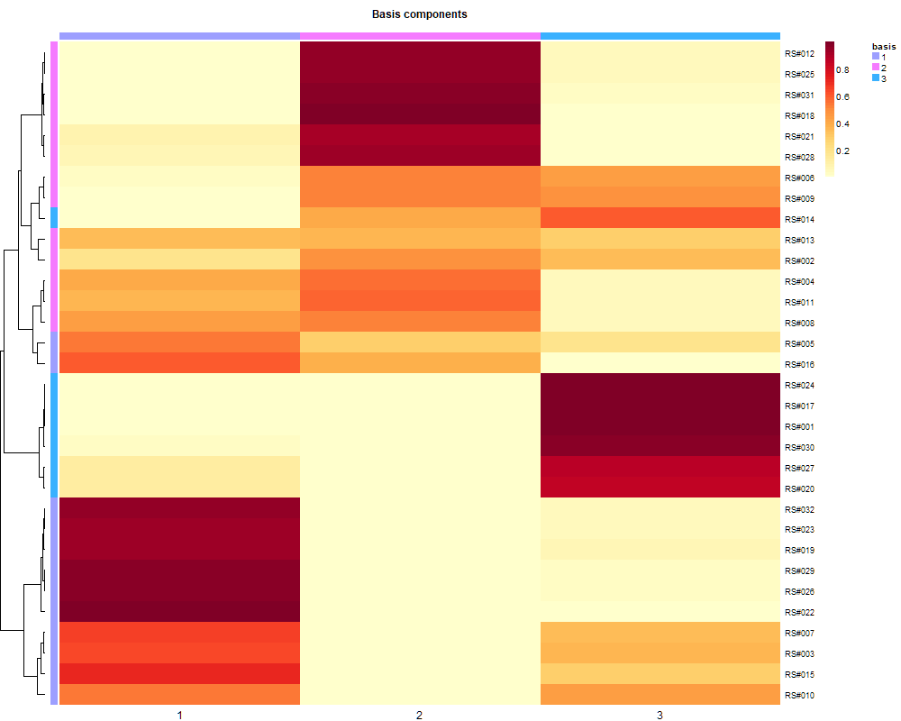
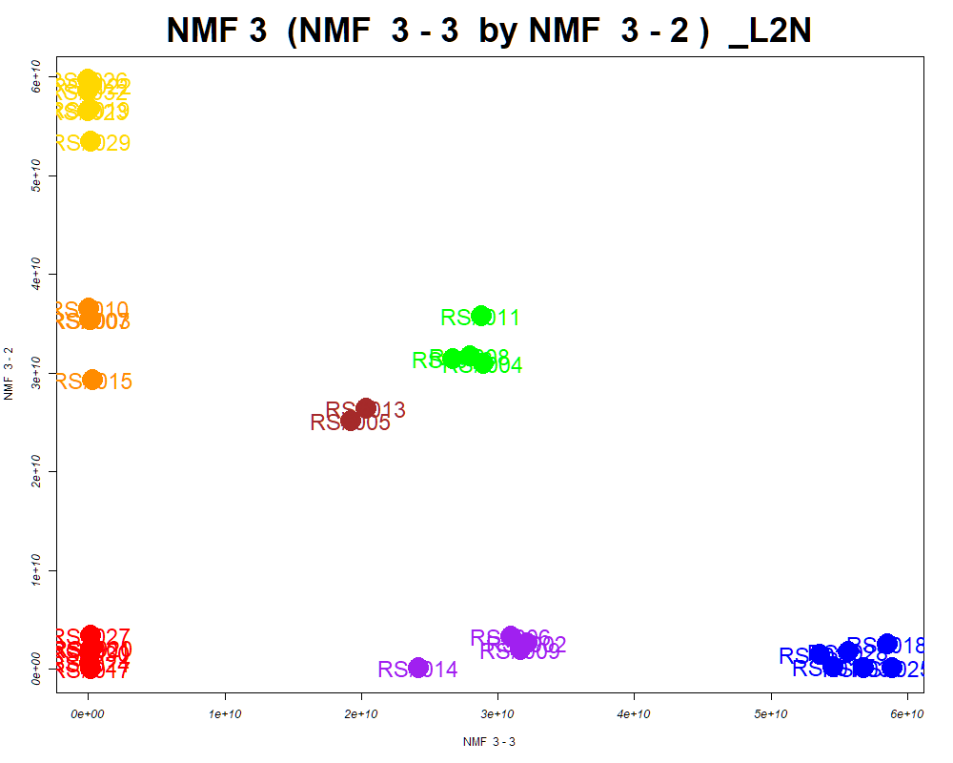
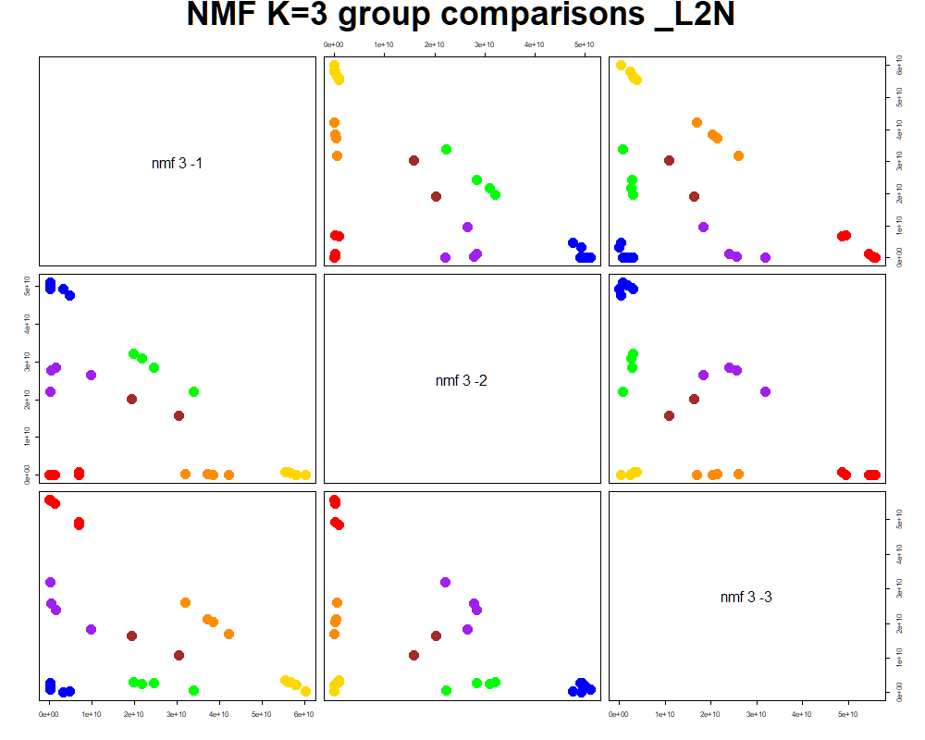
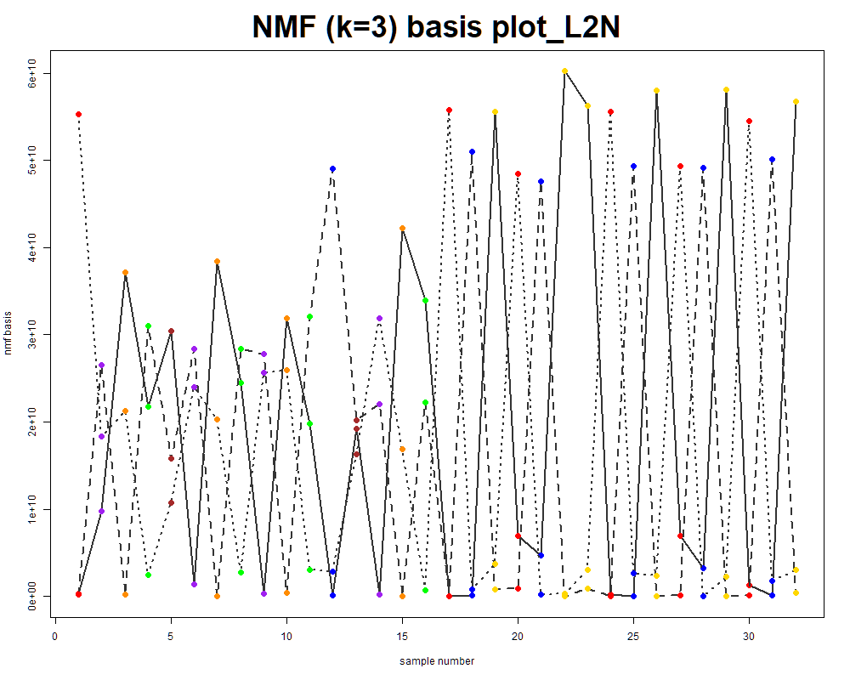
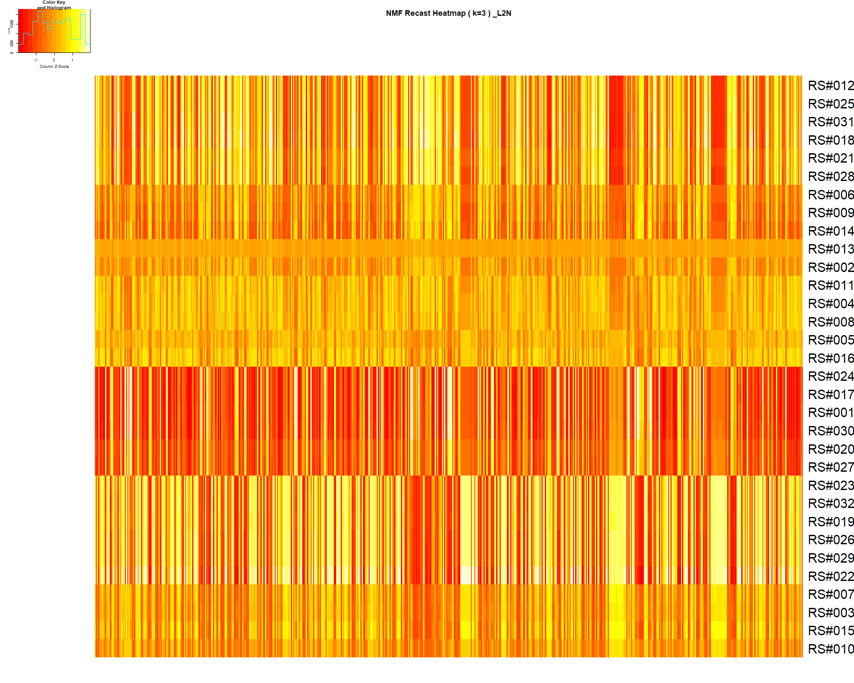

LabNum | BinID | Name | MF | BinC12mz | BinRT | nmf 3 -1 | nmf 3 -2 | nmf 3 -3 | Group |  | ExperimentalGroup | GroupFactor | nmf 3 -1 | nmf 3 -2 | nmf 3 -3 |  | p value
_L2N | LTRS_000002_BaseNeg | Lys-Ser (M-H) | C9H19N3O4 | 232.1303 | 1.01 | 18.3% | 65.3% | 16.4% | GroupC | RS#001 | GroupA | GroupA | 6.41E+10 | 2.08E+09 | 2.24E+08 | nmf 3 -1 | 1.88E-24
_L2N | LTRS_000003_BaseNeg | Gly-lys (M-H) | C8H17N3O3 | 202.1197 | 1.01 | 4.1% | 9.9% | 85.9% | NotClr | RS#017 | GroupA | GroupA | 5.52E+10 | 2.22E-16 | 2.03E+08 | nmf 3 -2 | 1.80E-26
_L2N | LTRS_000004_BaseNeg | Asn-Lys (M-H) | C10H20N4O4 | 259.1412 | 1.01 | 21.7% | 21.6% | 56.7% | - | RS#020 | GroupA | GroupA | 6.20E+10 | 2.20E+09 | 3.09E+08 | nmf 3 -3 | 5.35E-28
_L2N | LTRS_000008_BaseNeg | L-Histidine (M-H) | C6H9N3O2 | 154.0622 | 1.11 | 53.6% | 10.4% | 36.0% | - | RS#024 | GroupA | GroupA | 5.56E+10 | 5.81E+08 | 1.52E+08
_L2N | LTRS_000011_BaseNeg | Ornithine (M-H) | C5H12N2O2 | 131.0826 | 1.11 | 23.0% | 28.9% | 48.1% | - | RS#027 | GroupA | GroupA | 5.85E+10 | 3.44E+09 | 1.82E+08 | Average | 6.35E-25
_L2N | LTRS_000016_BaseNeg | C5H11NO11 (M-H) | C5H11NO11 | 260.0259 | 1.16 | 40.4% | 1.2% | 58.4% | - | RS#030 | GroupA | GroupA | 6.37E+10 | 1.66E+09 | 1.45E+08
_L2N | LTRS_000019_BaseNeg | C12H12N10O14 (M-H) | C12H12N10O14 | 519.0462 | 1.16 | 27.3% | 0.0% | 72.7% | NotClr | RS#012 | GroupB | GroupB | 3.55E+09 | 2.62E+08 | 5.45E+10
...

Random Forest
...
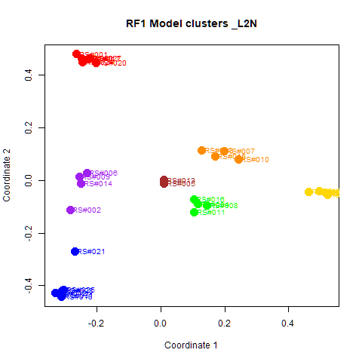
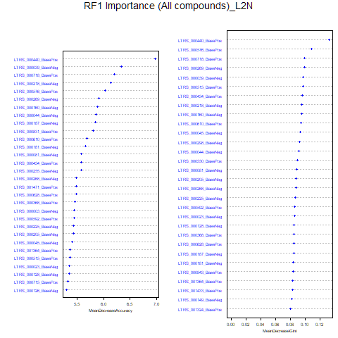
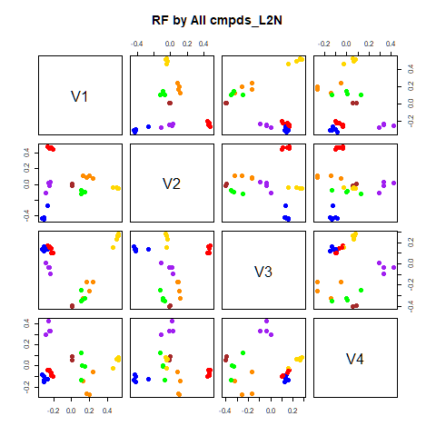
GroupD | GroupE | GroupF | GroupG | class.error
0 | 0 | 0 | 0 | 0
0 | 0 | 0 | 0 | 0
0 | 0 | 0 | 0 | 0
4 | 0 | 0 | 0 | 0
0 | 4 | 0 | 0 | 0
0 | 1 | 3 | 0 | 0.25
0 | 1 | 1 | 0 | 1
...
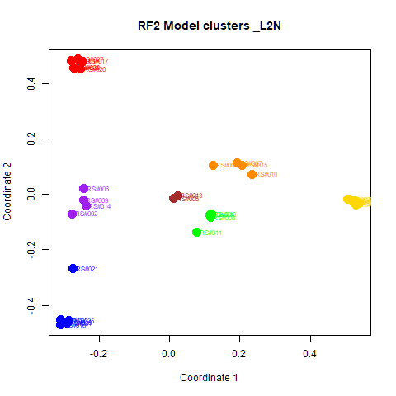
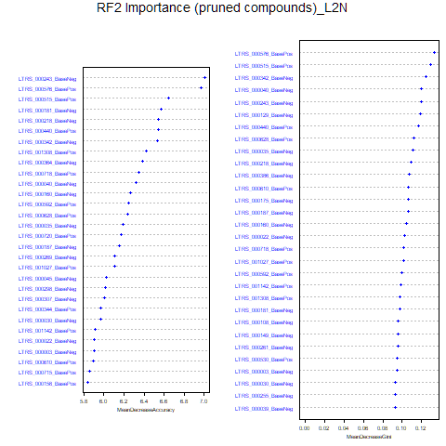
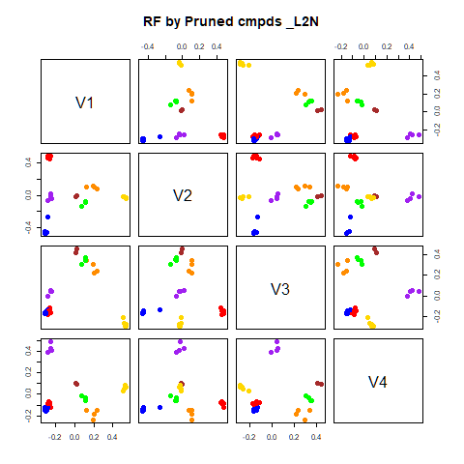
GroupD | GroupE | GroupF | GroupG | class.error
0 | 0 | 0 | 0 | 0
0 | 0 | 0 | 0 | 0
0 | 0 | 0 | 0 | 0
4 | 0 | 0 | 0 | 0
0 | 4 | 0 | 0 | 0
0 | 0 | 4 | 0 | 0
0 | 0 | 0 | 2 | 0

GroupC | GroupD | GroupE | GroupF | GroupG | MeanDecreaseAccuracy | MeanDecreaseGini |  | GroupA | GroupB | GroupC | GroupD | GroupE | GroupF | GroupG | MeanDecreaseAccuracy | MeanDecreaseGini
2.03680783157582 | 2.97083982658225 | 3.57173860974464 | 3.81663733232392 | 2.23793369995829 | 6.97289823309425 | 0.131837344225735 | LTRS_000243_BaseNeg | 2.385 | 5.324 | 4.277 | 2.744 | 1.675 | 2.416 | 2.001 | 7.005 | 0.120
3.91470887881883 | 2.67106237025896 | 2.78903892332408 | 2.71401310310489 | 1.00016670834491 | 6.33335596260853 | 0.097167517428529 | LTRS_000576_BasePos | 4.837 | 1.690 | 3.782 | 4.494 | 2.419 | 3.960 | 0.577 | 6.967 | 0.133
4.33905816539795 | 2.89076909506844 | 3.25226555977636 | 1.00016670834491 | 1.00016670834491 | 6.19779444578302 | 0.0993177969852745 | LTRS_000515_BasePos | 5.012 | 2.807 | 4.001 | 4.081 | 2.551 | 2.633 | 1.000 | 6.649 | 0.130
1.93854281758486 | 2.82631168543053 | 2.8616356917639 | 2.09398609923575 | 0 | 6.13988515981191 | 0.0947643348792864 | LTRS_000181_BaseNeg | 3.295 | 4.350 | 4.008 | 3.486 | 2.776 | 2.956 | 2.001 | 6.572 | 0.097
3.74105853338186 | 3.07835467951409 | 2.46223204746855 | 3.02833390938278 | 1.00016670834491 | 6.02890090330336 | 0.108364844507183 | LTRS_000218_BaseNeg | 5.266 | 4.109 | 1.887 | 2.326 | 2.649 | 2.701 | 1.134 | 6.544 | 0.109
3.80543452032536 | 1.65102356493514 | 2.63342228903659 | 3.02833390938278 | 1.41468520272717 | 5.91301745103178 | 0.0988991072150804 | LTRS_000440_BasePos | 4.759 | 4.099 | 3.038 | 3.118 | 3.162 | 4.286 | 1.415 | 6.540 | 0.117
...

RF->NMF3
This tab has the report for k= 3

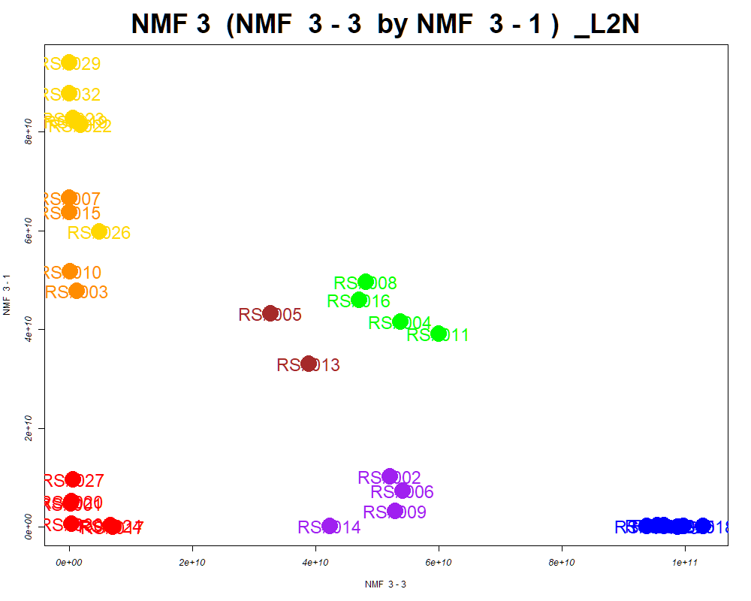

LabNum | BinID | Name | MF | BinC12mz | BinRT | nmf 3 -1 | nmf 3 -2 | nmf 3 -3 | Group |  | ExperimentalGroup | GroupFactor | nmf 3 -1
_L2N | LTRS_000002_BaseNeg | Lys-Ser (M-H) | C9H19N3O4 | 232.1303 | 1.01 | 66.6% | 17.5% | 15.9% | GroupC | RS#001 | GroupA | GroupA | 4.73E+09
_L2N | LTRS_000003_BaseNeg | Gly-lys (M-H) | C8H17N3O3 | 202.1197 | 1.01 | 11.0% | 3.6% | 85.4% | NotClr | RS#017 | GroupA | GroupA | 2.67E+01
_L2N | LTRS_000004_BaseNeg | Asn-Lys (M-H) | C10H20N4O4 | 259.1412 | 1.01 | 23.3% | 22.5% | 54.2% | - | RS#020 | GroupA | GroupA | 5.17E+09
_L2N | LTRS_000005_BaseNeg | Gamma-glutamyl-L-putrescine (M-H) | C9H19N3O3 | 216.1354 | 1.02 | 56.1% | 9.6% | 34.3% | - | RS#024 | GroupA | GroupA | 3.43E+08
_L2N | LTRS_000008_BaseNeg | L-Histidine (M-H) | C6H9N3O2 | 154.0622 | 1.11 | 11.2% | 55.9% | 32.8% | - | RS#027 | GroupA | GroupA | 9.70E+09
_L2N | LTRS_000013_BasePos | Peramivir (M+2H) | C15H28N4O4 | 165.1128 | 0.93 | 59.0% | 10.8% | 30.2% | - | RS#030 | GroupA | GroupA | 6.92E+08
_L2N | LTRS_000016_BaseNeg | C5H11NO11 (M-H) | C5H11NO11 | 260.0259 | 1.16 | 1.5% | 43.9% | 54.6% | - | RS#012 | GroupB | GroupB | 3.13E+08
...

PCA
This tab shows results from PCA analyses on the two RF datasets.
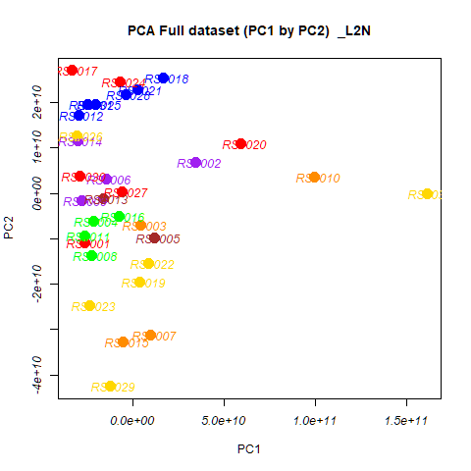

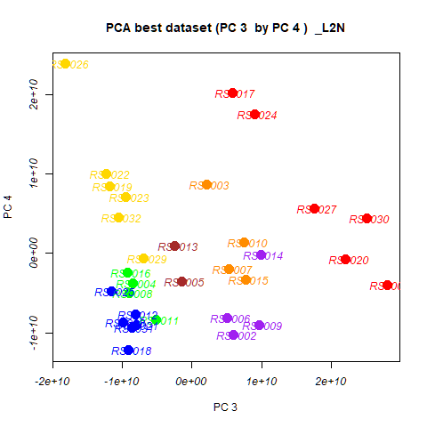
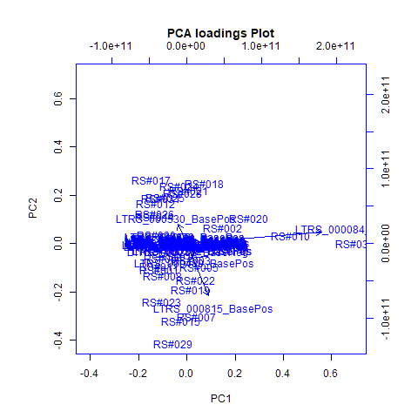
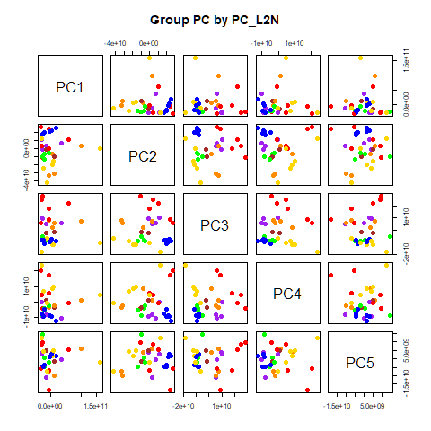
 | %TotVar | SD | p Design | p Lab2
PC1 | 71.69% | 4.07E+10 | 6.35E-01 | 6.35E-01
PC2 | 14.30% | 1.82E+10 | 4.51E-04 | 4.51E-04
PC3 | 6.15% | 1.19E+10 | 2.57E-10 | 2.57E-10
PC4 | 3.55% | 9.06E+09 | 4.25E-04 | 4.25E-04
PC5 | 2.19% | 7.11E+09 | 9.48E-01 | 9.48E-01
PC6 | 0.87% | 4.49E+09 | 5.96E-01 | 5.96E-01
PC7 | 0.37% | 2.93E+09 | 9.30E-02 | 9.30E-02
PC8 | 0.30% | 2.62E+09 | 5.30E-01 | 5.30E-01
PC9 | 0.19% | 2.07E+09 | 1.75E-01 | 1.75E-01
PC10 | 0.13% | 1.73E+09 | 9.36E-01 | 9.36E-01

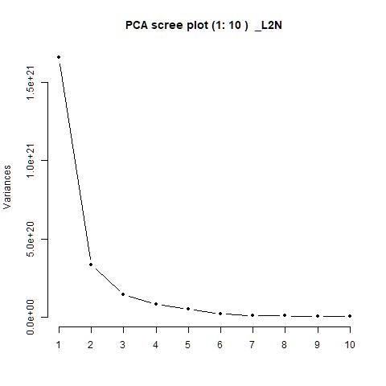
 |  | PC1 | PC2 | PC3 | PC4 | PC5 |  | PC1 | PC2 | PC3 | PC4 | PC5
 | LTRS_000001_BaseNeg | -2.54E-08 | 1.17E-08 | -3.77E-07 | 8.88E-08 | 7.96E-07 | RS#001 | -2.59E+10 | -1.09E+10 | 2.81E+10 | -3.98E+09 | 9.55E+09
 | LTRS_000001_BasePos | -4.12E-05 | -1.07E-04 | -6.32E-05 | -6.59E-05 | 1.23E-04 | RS#002 | 3.48E+10 | 6.88E+09 | 5.97E+09 | -1.03E+10 | -1.65E+08
 | LTRS_000002_BaseNeg | 5.97E-06 | -6.42E-05 | -6.60E-05 | 8.34E-05 | 6.22E-05 | RS#003 | 4.53E+09 | -7.03E+09 | 2.06E+09 | 8.68E+09 | 3.67E+09
 | LTRS_000002_BasePos | -2.65E-05 | -8.63E-05 | -8.48E-05 | -5.80E-05 | 2.75E-05 | RS#004 | -2.14E+10 | -6.23E+09 | -8.45E+09 | -3.77E+09 | 4.70E+08
 |  |  |  |  |  |  |  | 1.21E+10 | -9.83E+09 | -1.50E+09 | -3.51E+09 | -1.41E+09
 |  |  |  |  |  |  |  | -1.45E+10 | 3.12E+09 | 5.04E+09 | -8.14E+09 | -1.08E+10
 |  |  |  |  |  |  |  | 9.86E+09 | -3.12E+10 | 5.37E+09 | -1.99E+09 | -9.93E+09
 |  |  |  |  |  |  |  | -2.23E+10 | -1.37E+10 | -8.97E+09 | -5.03E+09 | -4.82E+09
 |  |  |  |  |  |  |  | -2.78E+10 | -1.57E+09 | 9.68E+09 | -9.02E+09 | 4.08E+09
 |  |  |  |  |  |  |  | 9.97E+10 | 3.60E+09 | 7.50E+09 | 1.38E+09 | 6.08E+09
 |  |  |  |  |  |  |  | -2.61E+10 | -9.48E+09 | -5.18E+09 | -8.36E+09 | 1.47E+10
 |  |  |  |  |  |  |  | -2.95E+10 | 1.73E+10 | -8.16E+09 | -7.70E+09 | -4.81E+09
 |  |  |  |  |  |  |  | -1.60E+10 | -1.07E+09 | -2.48E+09 | 9.39E+08 | 5.14E+09
 |  |  |  |  |  |  |  | -3.01E+10 | 1.15E+10 | 9.90E+09 | -1.25E+08 | 2.81E+09
 |  |  |  |  |  |  |  | -5.23E+09 | -3.28E+10 | 7.71E+09 | -3.32E+09 | -7.27E+09
 |  |  |  |  |  |  |  | -7.28E+09 | -5.11E+09 | -9.28E+09 | -2.38E+09 | -2.25E+09
 |  |  |  |  |  |  |  | -3.31E+10 | 2.71E+10 | 5.76E+09 | 2.02E+10 | -5.58E+09
 |  |  |  |  |  |  |  | 1.70E+10 | 2.55E+10 | -9.11E+09 | -1.22E+10 | 1.50E+09
 |  |  |  |  |  |  |  | 3.96E+09 | -1.95E+10 | -1.19E+10 | 8.45E+09 | 1.51E+09
...

PCA->NMF3
This tab has the report for k= 3

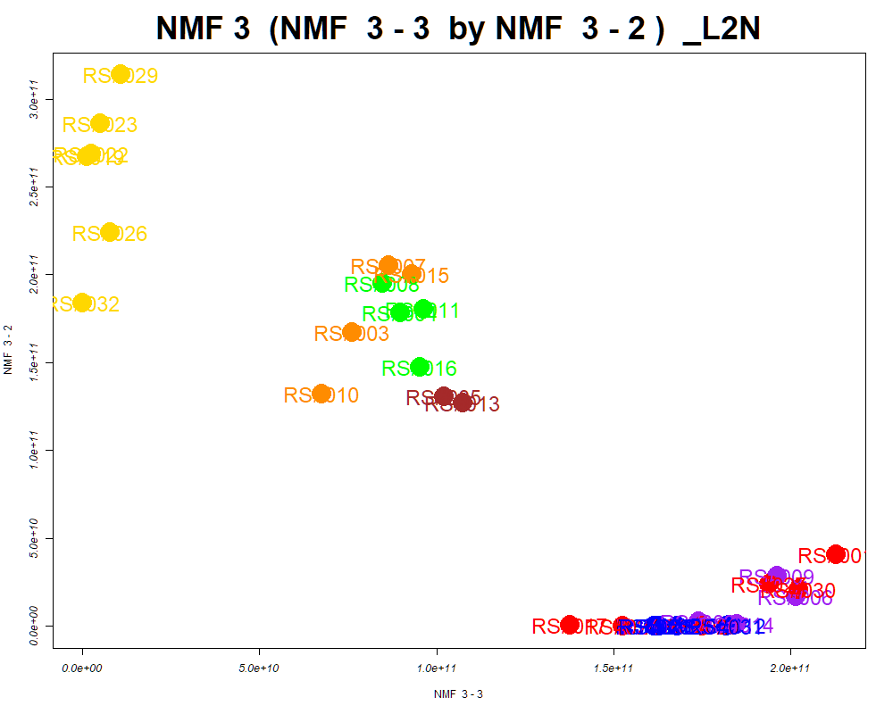

LabNum | BinID | Name | MF | BinC12mz | BinRT | nmf 3 -1 | nmf 3 -2 | nmf 3 -3 | Group |  | ExperimentalGroup | GroupFactor | nmf 3 -1
_L2N | LTRS_000003_BaseNeg | Gly-lys (M-H) | C8H17N3O3 | 202.1197 | 1.01 | 0.0% | 10.7% | 89.3% | NotClr | RS#001 | GroupA | GroupA | 2.22E-16
_L2N | LTRS_000003_BasePos | Spermidine (M+H) | C7H19N3 | 146.1652 | 0.91 | 68.2% | 24.7% | 7.1% | NotClr | RS#017 | GroupA | GroupA | 2.22E-16
_L2N | LTRS_000008_BaseNeg | L-Histidine (M-H) | C6H9N3O2 | 154.0622 | 1.11 | 6.0% | 10.9% | 83.1% | NotClr | RS#020 | GroupA | GroupA | 2.00E+11
_L2N | LTRS_000016_BaseNeg | C5H11NO11 (M-H) | C5H11NO11 | 260.0259 | 1.16 | 1.2% | 1.2% | 97.6% | NotClr | RS#024 | GroupA | GroupA | 5.14E+10
_L2N | LTRS_000019_BaseNeg | C12H12N10O14 (M-H) | C12H12N10O14 | 519.0462 | 1.16 | 0.2% | 0.0% | 99.8% | NotClr | RS#027 | GroupA | GroupA | 5.08E+10
_L2N | LTRS_000022_BaseNeg | Glycerylphosphorylethanolamine (M-H) | C5H14NO6P | 214.0486 | 1.16 | 6.8% | 5.6% | 87.6% | NotClr | RS#030 | GroupA | GroupA | 2.22E-16
_L2N | LTRS_000025_BaseNeg | L-Aspartate (M-H) | C4H7NO4 | 132.0302 | 1.16 | 13.8% | 67.2% | 18.9% | GroupC | RS#012 | GroupB | GroupB | 4.43E+09
...

SOM
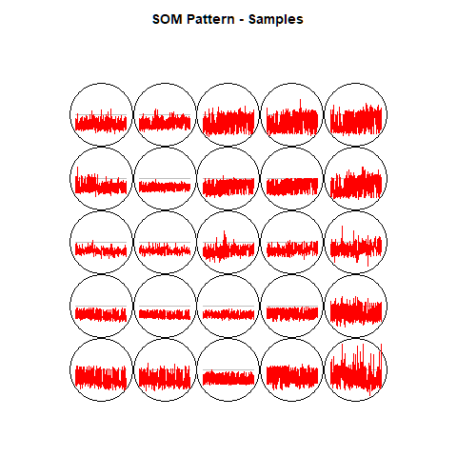
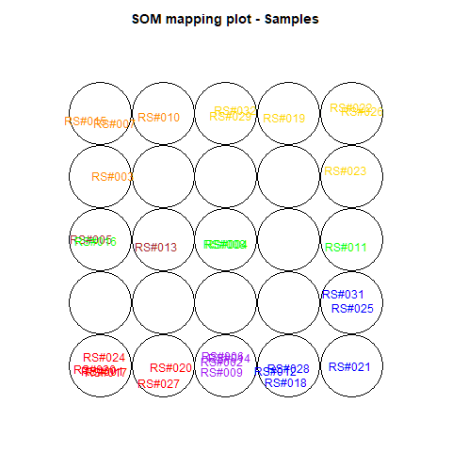
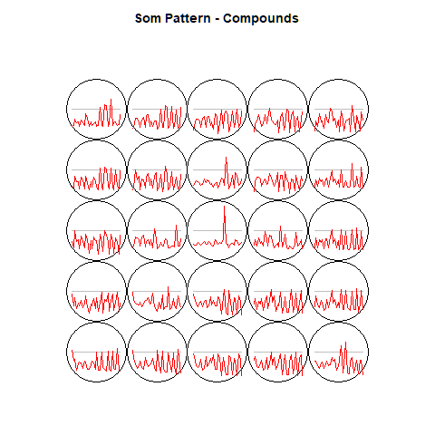
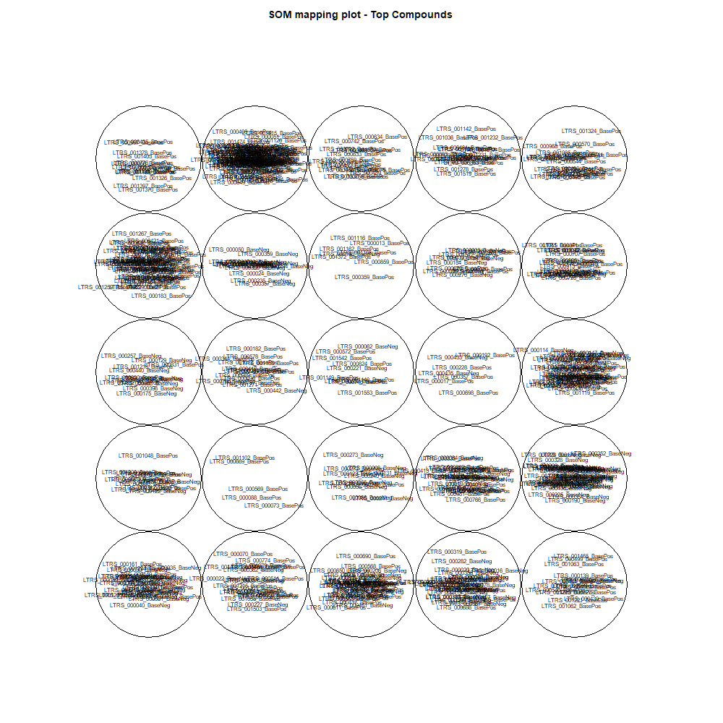
This tab show the output from a SOM analysis

NMF(full)->NMF3
This tab has the report for k= 3

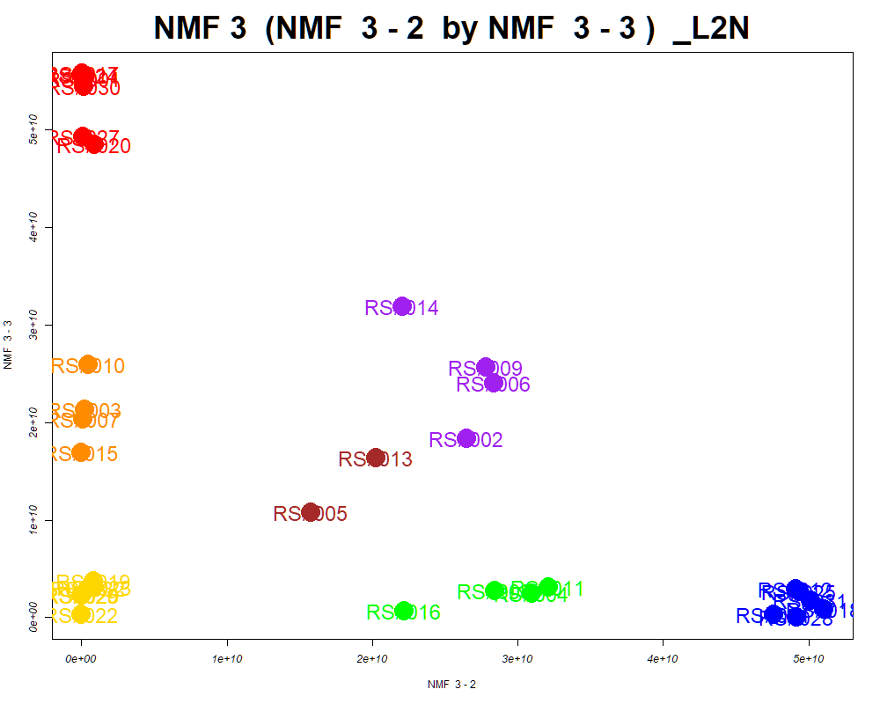

LabNum | BinID | Name | MF | BinC12mz | BinRT | nmf 3 -1 | nmf 3 -2 | nmf 3 -3 | Group |  | ExperimentalGroup | GroupFactor | nmf 3 -1
_L2N | LTRS_000002_BaseNeg | Lys-Ser (M-H) | C9H19N3O4 | 232.1303 | 1.01 | 84.9% | 10.0% | 5.0% | NotClr | RS#001 | GroupA | GroupA | 3.37E+08
_L2N | LTRS_000003_BaseNeg | Gly-lys (M-H) | C8H17N3O3 | 202.1197 | 1.01 | 18.7% | 80.1% | 1.2% | GroupB | RS#017 | GroupA | GroupA | 1.13E+07
_L2N | LTRS_000004_BaseNeg | Asn-Lys (M-H) | C10H20N4O4 | 259.1412 | 1.01 | 41.2% | 49.3% | 9.5% | - | RS#020 | GroupA | GroupA | 6.90E+09
_L2N | LTRS_000004_BasePos | C13H29N3O5 (M+H) | C13H29N3O5 | 308.2180 | 0.92 | 10.9% | 57.8% | 31.2% | - | RS#024 | GroupA | GroupA | 2.33E+08
_L2N | LTRS_000005_BaseNeg | Gamma-glutamyl-L-putrescine (M-H) | C9H19N3O3 | 216.1354 | 1.02 | 66.4% | 30.9% | 2.7% | NotClr | RS#027 | GroupA | GroupA | 6.97E+09
_L2N | LTRS_000005_BasePos | C12H23N3O3 (M+2H) | C12H23N3O3 | 129.5942 | 0.91 | 38.1% | 40.0% | 21.9% | - | RS#030 | GroupA | GroupA | 1.29E+09
_L2N | LTRS_000006_BaseNeg | L-Lysine (M-H) | C6H14N2O2 | 145.0983 | 1.04 | 64.9% | 23.3% | 11.9% | NotClr | RS#012 | GroupB | GroupB | 1.70E+08
...

Scored_Cmpds
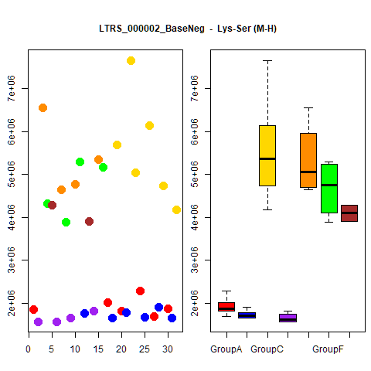
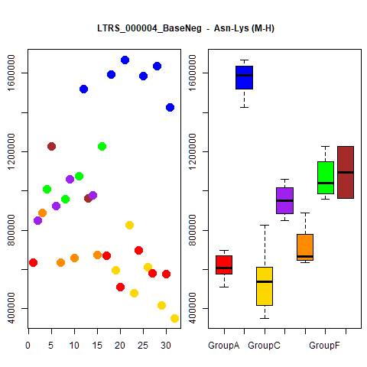
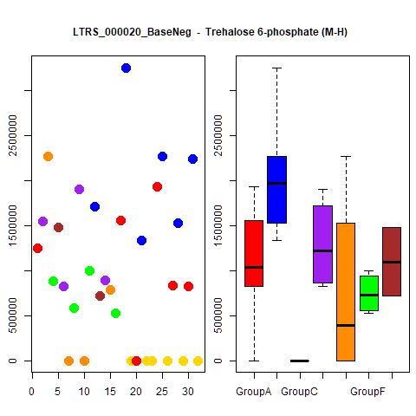
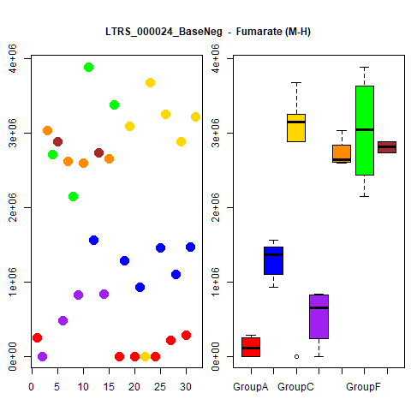
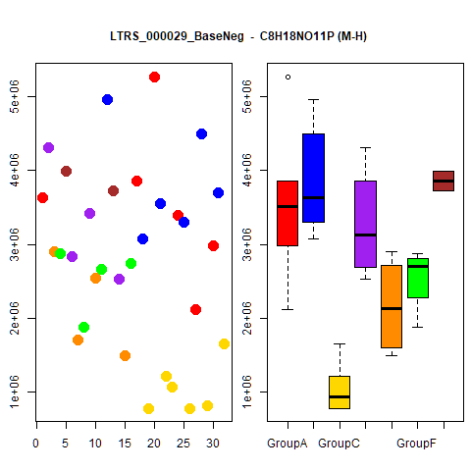
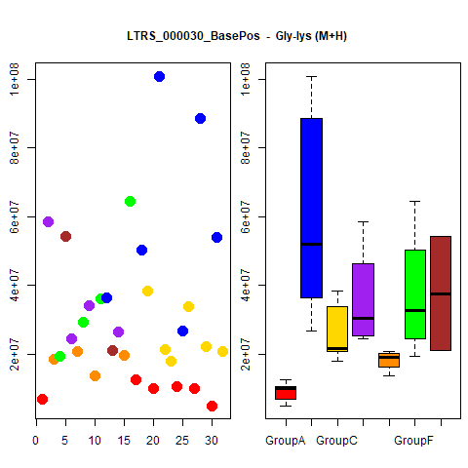
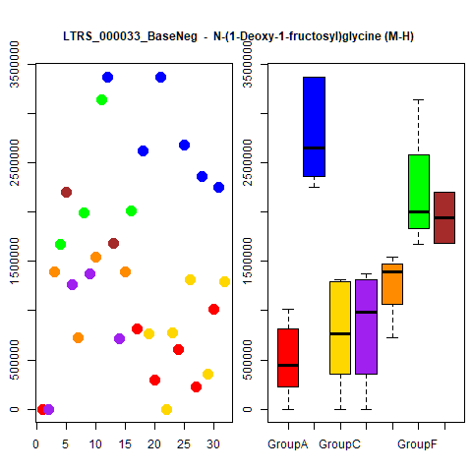
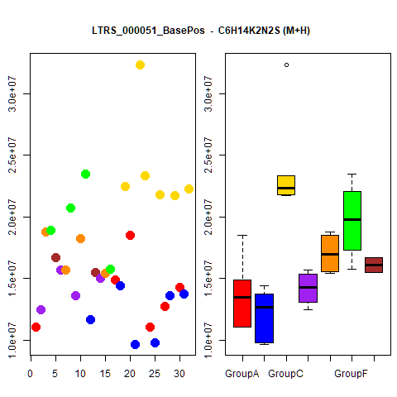
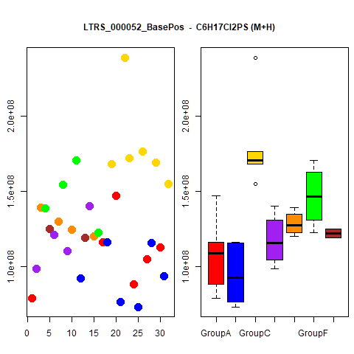
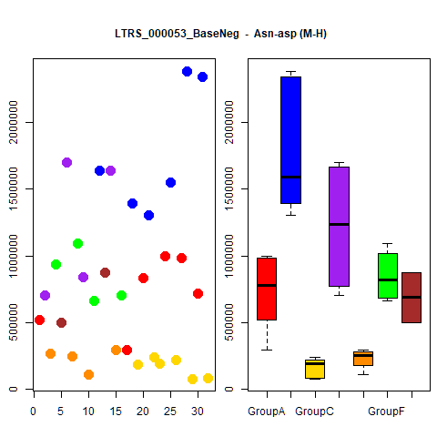
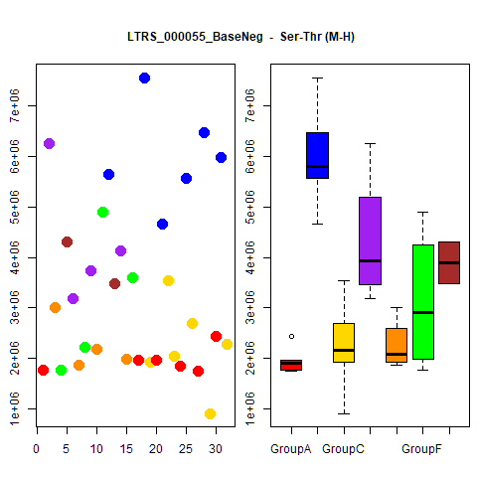
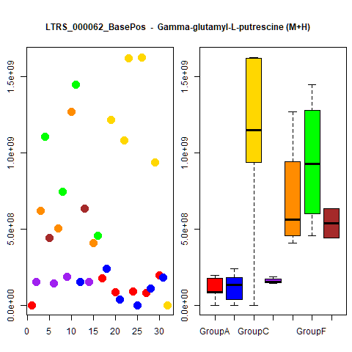
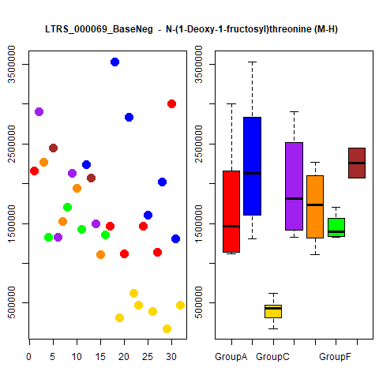
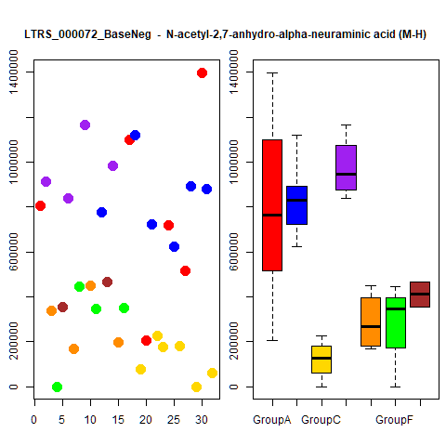
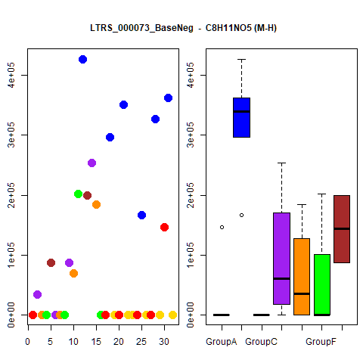
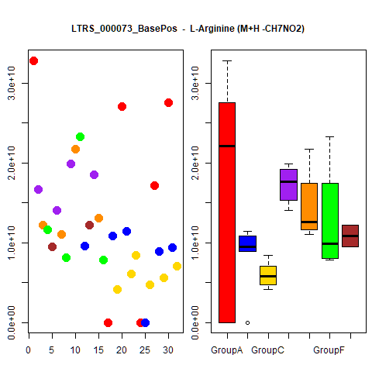
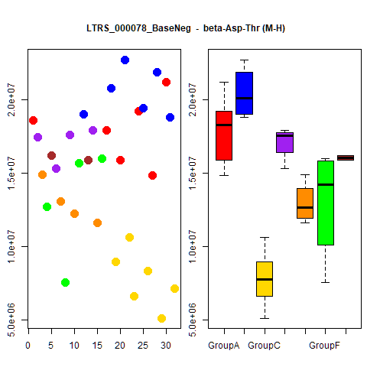
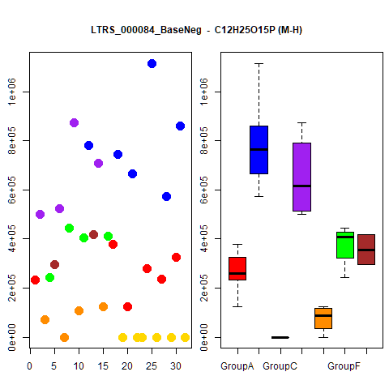
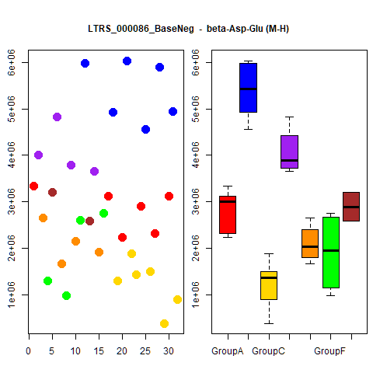
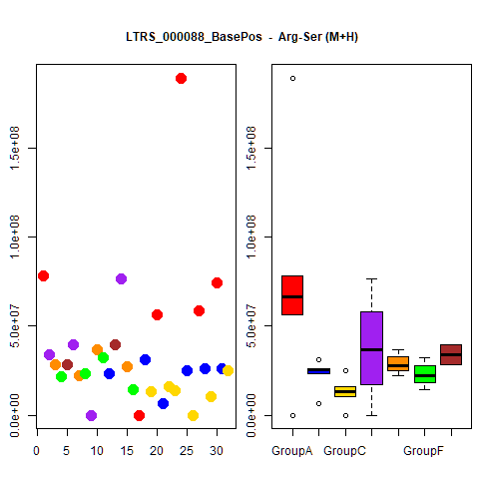
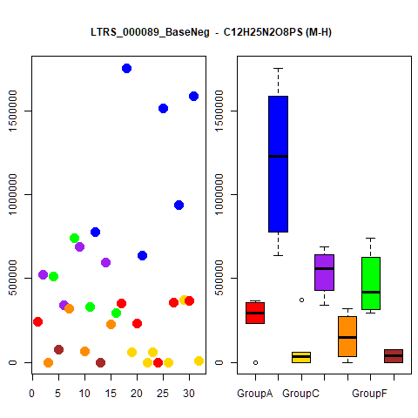
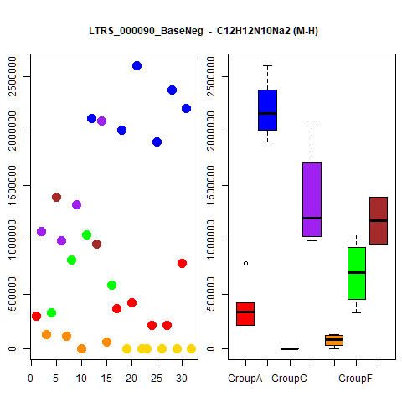
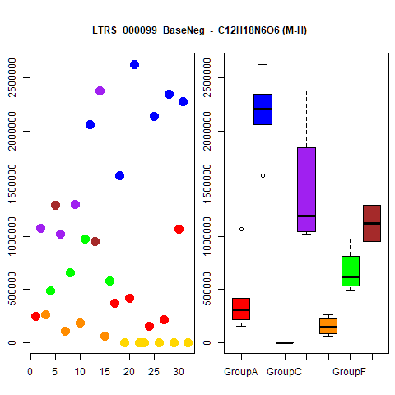
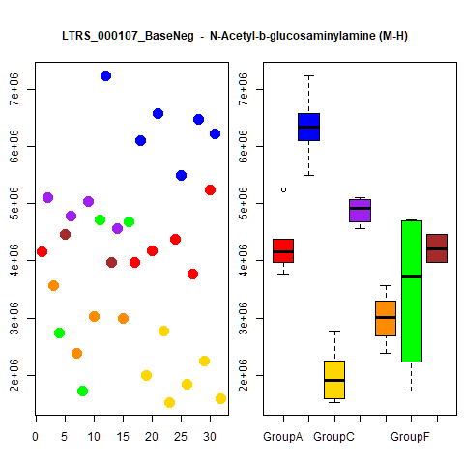
















































































































































































































































...




 |  |  | Count
1 | 1 | 1 | 4
1 | 1 | 1 | 4
1 | 1 | 1 | 4
1 | 1 | 1 | 4
1 | 1 | 1 | 4
1 | 1 | 1 | 4
1 | 1 | 1 | 4
1 | 1 | 1 | 4
1 | 1 | 1 | 4
1 | 1 | 1 | 4





1 | 1 | 1 | 4
1 | 1 | 1 | 4
1 | 1 | 1 | 4
1 | 1 | 1 | 4
1 | 1 | 1 | 4
1 | 1 | 1 | 4
1 | 1 | 1 | 4
1 | 1 | 1 | 4
1 | 1 | 1 | 4
1 | 1 | 1 | 4





1 | 1 | 1 | 4
1 | 1 | 1 | 4
1 | 1 | 1 | 4
1 | 1 | 1 | 4
1 | 1 | 1 | 4
1 | 1 | 1 | 4
1 | 1 | 1 | 4
1 | 1 | 1 | 4
1 | 1 | 1 | 4
1 | 1 | 1 | 4





1 | 1 | 1 | 4
1 | 1 | 1 | 4
1 | 1 | 1 | 4
1 | 1 | 1 | 4
1 | 1 | 1 | 4
1 | 1 | 1 | 4
1 | 1 | 1 | 4
1 | 1 | 1 | 4
1 | 1 | 1 | 4
1 | 1 | 1 | 4





1 | 1 | 1 | 4
1 | 1 | 1 | 4
1 | 1 | 1 | 4
1 | 1 | 1 | 4
1 | 1 | 1 | 4
1 | 1 | 1 | 4
1 | 1 | 1 | 4
1 | 1 | 1 | 4
1 | 1 | 1 | 4
1 | 1 | 1 | 4





1 | 1 | 1 | 4
1 | 1 | 1 | 4
1 | 1 | 1 | 4
1 | 1 | 1 | 4
1 | 1 | 1 | 4
1 | 1 | 1 | 4
1 | 1 | 1 | 4
1 | 1 | 1 | 4
1 | 1 | 1 | 4
1 | 0 | 1 | 3





1 | 0 | 1 | 3
1 | 0 | 1 | 3
1 | 0 | 1 | 3
1 | 1 | 0 | 3
1 | 0 | 1 | 3
1 | 0 | 1 | 3
1 | 0 | 1 | 3
1 | 0 | 1 | 3
1 | 0 | 1 | 3
1 | 0 | 1 | 3





1 | 0 | 1 | 3
1 | 0 | 1 | 3
1 | 0 | 1 | 3
1 | 0 | 1 | 3
1 | 0 | 1 | 3
1 | 0 | 1 | 3
1 | 0 | 1 | 3
1 | 0 | 1 | 3
1 | 0 | 1 | 3
1 | 0 | 1 | 3





1 | 0 | 1 | 3
1 | 0 | 1 | 3
1 | 0 | 1 | 3
1 | 0 | 1 | 3
1 | 0 | 1 | 3
1 | 1 | 0 | 3
1 | 1 | 0 | 3
1 | 1 | 1 | 3
1 | 1 | 0 | 3
1 | 0 | 1 | 3





1 | 0 | 1 | 3
1 | 0 | 1 | 3
1 | 0 | 1 | 3
1 | 1 | 0 | 3
1 | 0 | 1 | 3
1 | 0 | 1 | 3
1 | 0 | 1 | 3
1 | 1 | 0 | 3
1 | 0 | 1 | 3
1 | 0 | 1 | 3





1 | 0 | 1 | 3
1 | 0 | 1 | 3
1 | 0 | 1 | 3
1 | 0 | 1 | 3
1 | 0 | 1 | 3
1 | 1 | 0 | 3
1 | 0 | 1 | 3
1 | 1 | 0 | 3
1 | 0 | 1 | 3
1 | 0 | 1 | 3





1 | 1 | 0 | 3
1 | 0 | 1 | 3
1 | 0 | 1 | 3
1 | 1 | 0 | 3
1 | 1 | 0 | 3
1 | 0 | 1 | 3
1 | 1 | 0 | 3
1 | 0 | 1 | 3
1 | 1 | 0 | 3
1 | 1 | 0 | 3





1 | 0 | 1 | 3
1 | 1 | 0 | 3
1 | 1 | 0 | 3
1 | 1 | 0 | 3
1 | 0 | 1 | 3
1 | 0 | 1 | 3
1 | 0 | 1 | 3
1 | 1 | 0 | 3
1 | 0 | 1 | 3
1 | 0 | 1 | 3





1 | 0 | 1 | 3
1 | 1 | 0 | 3
1 | 1 | 0 | 3
1 | 0 | 1 | 3
1 | 1 | 0 | 3
1 | 1 | 0 | 3
1 | 1 | 0 | 3
1 | 1 | 0 | 3
1 | 0 | 1 | 3
1 | 1 | 1 | 3





1 | 0 | 1 | 3
1 | 1 | 0 | 3
1 | 0 | 1 | 3
1 | 0 | 1 | 3
1 | 0 | 1 | 3
1 | 0 | 1 | 3
1 | 0 | 1 | 3
1 | 0 | 1 | 3
1 | 0 | 1 | 3
1 | 0 | 1 | 3





1 | 0 | 1 | 3
1 | 0 | 1 | 3
1 | 0 | 1 | 3
1 | 0 | 1 | 3
1 | 0 | 1 | 3
1 | 0 | 1 | 3
1 | 1 | 0 | 3
1 | 0 | 1 | 3
1 | 0 | 1 | 3
1 | 0 | 1 | 3





1 | 0 | 1 | 3
1 | 0 | 1 | 3
1 | 1 | 0 | 3
1 | 1 | 0 | 3
1 | 0 | 1 | 3
1 | 1 | 0 | 3
1 | 0 | 1 | 3
1 | 0 | 1 | 3
1 | 0 | 1 | 3
1 | 0 | 1 | 3





1 | 0 | 1 | 3
1 | 0 | 1 | 3
1 | 0 | 1 | 3
1 | 0 | 1 | 3
1 | 0 | 1 | 3
1 | 0 | 1 | 3
1 | 0 | 1 | 3
1 | 0 | 1 | 3
1 | 0 | 1 | 3
1 | 0 | 1 | 3





1 | 0 | 1 | 3
1 | 0 | 1 | 3
1 | 0 | 1 | 3
1 | 0 | 1 | 3
1 | 1 | 0 | 3
1 | 1 | 0 | 3
1 | 0 | 1 | 3
1 | 0 | 1 | 3
1 | 0 | 1 | 3
1 | 0 | 1 | 3





1 | 1 | 0 | 3
1 | 0 | 1 | 3
1 | 0 | 1 | 3
1 | 0 | 1 | 3
1 | 0 | 1 | 3
1 | 0 | 1 | 3
1 | 0 | 1 | 3
1 | 0 | 1 | 3
1 | 1 | 0 | 3
1 | 0 | 1 | 3





1 | 0 | 1 | 3
1 | 0 | 1 | 3
1 | 1 | 0 | 3
1 | 1 | 0 | 3
1 | 0 | 1 | 3
1 | 0 | 1 | 3
1 | 0 | 1 | 3
1 | 0 | 1 | 3
1 | 0 | 1 | 3
1 | 0 | 1 | 3





1 | 0 | 1 | 3
1 | 0 | 1 | 3
1 | 1 | 0 | 3
1 | 1 | 0 | 3
1 | 1 | 0 | 3
1 | 0 | 1 | 3
1 | 0 | 1 | 3
1 | 0 | 1 | 3
1 | 0 | 1 | 3
1 | 1 | 0 | 3





1 | 0 | 1 | 3
1 | 0 | 1 | 3
1 | 1 | 0 | 3
1 | 0 | 1 | 3
1 | 0 | 1 | 3
1 | 0 | 1 | 3
1 | 1 | 0 | 3
1 | 0 | 1 | 3
1 | 0 | 1 | 3
1 | 1 | 0 | 3





1 | 0 | 1 | 3
1 | 0 | 1 | 3
1 | 0 | 1 | 3
1 | 0 | 1 | 3
1 | 0 | 1 | 3
1 | 0 | 1 | 3
1 | 0 | 1 | 3
1 | 0 | 1 | 3
1 | 0 | 1 | 3
1 | 0 | 1 | 3





1 | 0 | 1 | 3
1 | 0 | 1 | 3
1 | 0 | 1 | 3
1 | 0 | 1 | 3
1 | 0 | 1 | 3
1 | 0 | 1 | 3
1 | 0 | 1 | 3
1 | 1 | 0 | 3
1 | 0 | 1 | 3
1 | 1 | 0 | 3





1 | 0 | 1 | 3
1 | 1 | 0 | 3
1 | 1 | 0 | 3
1 | 0 | 1 | 3
1 | 0 | 1 | 3
1 | 1 | 0 | 3
1 | 0 | 1 | 3
1 | 1 | 0 | 3
1 | 1 | 0 | 3
1 | 0 | 1 | 3





1 | 1 | 0 | 3
1 | 0 | 1 | 3
1 | 1 | 0 | 3
1 | 1 | 0 | 3
1 | 0 | 0 | 2
1 | 0 | 0 | 2
1 | 0 | 0 | 2
1 | 0 | 0 | 2
1 | 0 | 0 | 2
1 | 0 | 1 | 2





1 | 0 | 0 | 2
1 | 0 | 0 | 2
0 | 0 | 1 | 2
1 | 0 | 0 | 2
1 | 0 | 0 | 2
0 | 0 | 1 | 2
1 | 0 | 0 | 2
1 | 0 | 0 | 2
1 | 0 | 0 | 2
1 | 0 | 1 | 2





1 | 0 | 0 | 2
1 | 0 | 0 | 2
1 | 0 | 0 | 2
1 | 0 | 1 | 2
1 | 0 | 0 | 2
1 | 0 | 0 | 2
1 | 0 | 0 | 2
1 | 0 | 0 | 2
1 | 0 | 0 | 2
1 | 0 | 0 | 2





1 | 0 | 0 | 2
1 | 0 | 0 | 2
1 | 0 | 0 | 2
1 | 0 | 0 | 2
1 | 0 | 0 | 2
0 | 0 | 1 | 2
1 | 0 | 0 | 2
1 | 0 | 0 | 2
1 | 0 | 0 | 2
1 | 0 | 0 | 2





1 | 0 | 0 | 2
1 | 0 | 1 | 2
1 | 0 | 0 | 2
1 | 0 | 1 | 2
1 | 0 | 0 | 2
1 | 0 | 0 | 2
1 | 0 | 0 | 2
1 | 0 | 0 | 2
1 | 0 | 0 | 2
1 | 0 | 0 | 2





1 | 0 | 0 | 2
0 | 0 | 1 | 2
1 | 0 | 0 | 2
1 | 0 | 0 | 2
1 | 0 | 0 | 2
1 | 1 | 0 | 2
0 | 0 | 1 | 2
1 | 0 | 0 | 2
1 | 0 | 0 | 2
1 | 0 | 1 | 2





1 | 0 | 0 | 2
1 | 0 | 0 | 2
1 | 0 | 0 | 2
1 | 0 | 0 | 2
1 | 0 | 0 | 2
1 | 0 | 0 | 2
1 | 0 | 0 | 2
1 | 0 | 0 | 2
1 | 0 | 0 | 2
1 | 0 | 0 | 2





1 | 0 | 0 | 2
1 | 0 | 0 | 2
1 | 0 | 0 | 2
0 | 0 | 1 | 2
1 | 0 | 0 | 2
1 | 0 | 0 | 2
1 | 0 | 0 | 2
0 | 0 | 1 | 2
1 | 0 | 0 | 2
1 | 0 | 0 | 2





1 | 0 | 0 | 2
1 | 0 | 1 | 2
1 | 0 | 0 | 2
1 | 0 | 0 | 2
1 | 0 | 0 | 2
1 | 0 | 0 | 2
1 | 0 | 0 | 2
1 | 0 | 1 | 2
1 | 0 | 0 | 2
1 | 0 | 0 | 2





1 | 0 | 0 | 2
1 | 0 | 0 | 2
1 | 0 | 0 | 2
1 | 0 | 0 | 2
1 | 0 | 0 | 2
1 | 0 | 0 | 2
1 | 0 | 0 | 2
1 | 0 | 0 | 2
1 | 0 | 0 | 2
1 | 0 | 0 | 2





0 | 0 | 1 | 2
1 | 0 | 0 | 2
1 | 0 | 0 | 2
1 | 0 | 0 | 2
0 | 0 | 1 | 2
0 | 0 | 1 | 2
1 | 0 | 0 | 2
1 | 0 | 0 | 2
1 | 0 | 0 | 2
1 | 0 | 0 | 2





1 | 0 | 0 | 2
1 | 0 | 0 | 2
1 | 0 | 0 | 2
1 | 0 | 0 | 2
1 | 0 | 0 | 2
1 | 0 | 0 | 2
0 | 0 | 1 | 2
1 | 0 | 0 | 2
1 | 0 | 1 | 2
1 | 0 | 0 | 2





1 | 0 | 0 | 2
1 | 0 | 0 | 2
0 | 0 | 1 | 2
1 | 0 | 0 | 2
1 | 0 | 0 | 2
1 | 0 | 0 | 2
1 | 0 | 0 | 2
1 | 0 | 0 | 2
1 | 0 | 0 | 2
1 | 0 | 0 | 2





1 | 0 | 0 | 2
1 | 0 | 0 | 2
1 | 0 | 1 | 2
1 | 0 | 0 | 2
1 | 0 | 1 | 2
1 | 0 | 0 | 2
1 | 0 | 1 | 2
0 | 0 | 1 | 2
1 | 0 | 0 | 2
0 | 0 | 1 | 2





1 | 0 | 1 | 2
1 | 0 | 1 | 2
1 | 0 | 0 | 2
1 | 0 | 0 | 2
1 | 0 | 0 | 2
1 | 0 | 0 | 2
1 | 0 | 0 | 2
1 | 0 | 0 | 2
0 | 0 | 1 | 2
1 | 0 | 0 | 2





1 | 0 | 0 | 2
1 | 0 | 0 | 2
1 | 0 | 0 | 2
1 | 1 | 0 | 2
1 | 0 | 0 | 2
1 | 0 | 0 | 2
1 | 0 | 0 | 2
1 | 0 | 0 | 2
1 | 0 | 0 | 2
1 | 0 | 0 | 2





1 | 0 | 1 | 2
1 | 0 | 1 | 2
1 | 0 | 0 | 2
1 | 0 | 0 | 2
1 | 0 | 0 | 2
1 | 0 | 0 | 2
1 | 0 | 0 | 2
1 | 0 | 0 | 2
1 | 0 | 0 | 2
1 | 0 | 0 | 2





1 | 0 | 0 | 2
1 | 0 | 0 | 2
1 | 0 | 0 | 2
1 | 0 | 0 | 2
1 | 0 | 0 | 2
1 | 0 | 0 | 2
1 | 0 | 0 | 2
1 | 0 | 0 | 2
1 | 0 | 0 | 2
1 | 0 | 0 | 2





1 | 0 | 0 | 2
1 | 0 | 0 | 2
0 | 0 | 1 | 2
0 | 0 | 1 | 2
1 | 0 | 0 | 2
0 | 0 | 1 | 2
1 | 0 | 1 | 2
0 | 0 | 1 | 2
1 | 0 | 0 | 2
1 | 0 | 0 | 2





1 | 0 | 0 | 2
1 | 0 | 1 | 2
1 | 0 | 0 | 2
1 | 0 | 0 | 2
1 | 0 | 0 | 2
1 | 0 | 0 | 2
1 | 0 | 0 | 2
1 | 0 | 0 | 2
1 | 0 | 0 | 2
1 | 0 | 0 | 2





1 | 0 | 0 | 2
1 | 0 | 0 | 2
1 | 0 | 0 | 2
1 | 0 | 0 | 2
1 | 0 | 0 | 2
1 | 0 | 0 | 2
1 | 0 | 0 | 2
1 | 0 | 0 | 2
1 | 0 | 0 | 2
1 | 0 | 0 | 2





1 | 0 | 0 | 2
1 | 0 | 0 | 2
1 | 0 | 0 | 2
1 | 0 | 0 | 2
1 | 0 | 0 | 2
1 | 0 | 0 | 2
1 | 0 | 0 | 2
1 | 0 | 0 | 2
1 | 0 | 0 | 2
1 | 0 | 0 | 2





1 | 0 | 0 | 2
1 | 0 | 0 | 2
1 | 0 | 0 | 2
1 | 0 | 0 | 2
1 | 0 | 0 | 2
1 | 0 | 0 | 2
1 | 0 | 0 | 2
1 | 0 | 0 | 2
1 | 0 | 0 | 2
1 | 0 | 0 | 2





1 | 0 | 0 | 2
1 | 0 | 0 | 2
1 | 0 | 0 | 2
1 | 0 | 0 | 2
1 | 0 | 0 | 2
1 | 0 | 0 | 2
1 | 0 | 0 | 2
1 | 0 | 0 | 2
1 | 0 | 0 | 2
1 | 0 | 0 | 2





1 | 0 | 0 | 2
1 | 0 | 0 | 2
1 | 0 | 0 | 2
1 | 0 | 0 | 2
1 | 0 | 0 | 2
1 | 0 | 1 | 2
1 | 0 | 0 | 2
1 | 0 | 0 | 2
1 | 0 | 0 | 2
1 | 0 | 0 | 2





1 | 0 | 0 | 2
1 | 0 | 0 | 2
1 | 0 | 0 | 2
1 | 0 | 0 | 2
1 | 0 | 0 | 2
1 | 0 | 0 | 2
0 | 0 | 1 | 2
1 | 0 | 0 | 2
1 | 0 | 0 | 2
1 | 0 | 0 | 2





1 | 0 | 0 | 2
1 | 0 | 0 | 2
1 | 0 | 0 | 2
1 | 0 | 0 | 2
1 | 0 | 0 | 2
1 | 0 | 0 | 2
1 | 0 | 0 | 2
1 | 0 | 0 | 2

Grouped_Cmpds



























































...

