Design
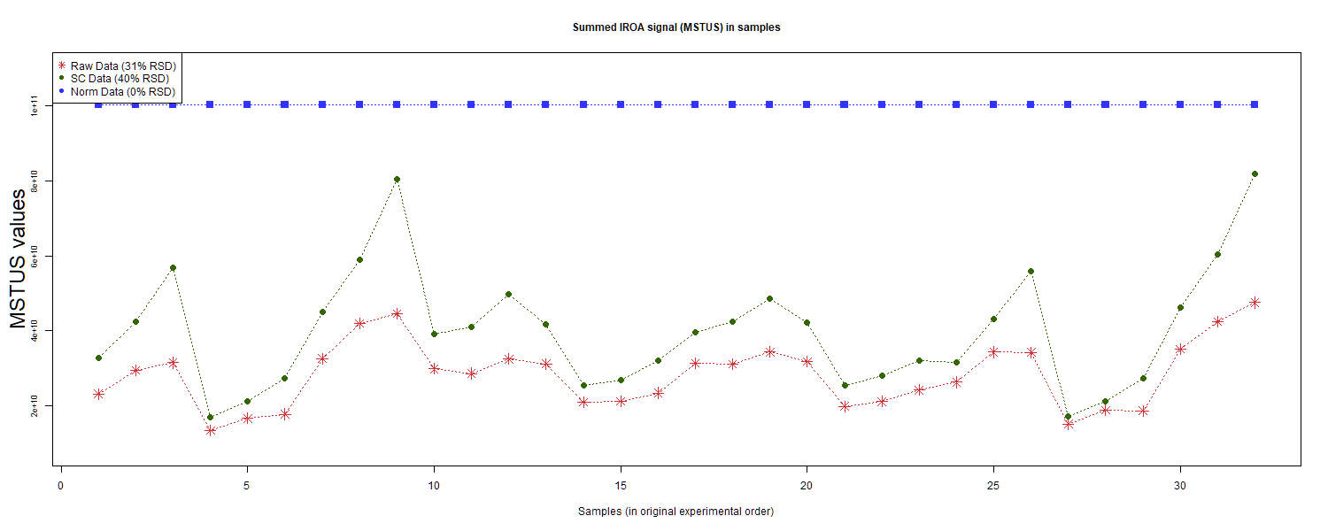
dataId | SampleId | ExperimentalGroup | GroupFactor | Conc | number | SampleId | AcqMethod | ExperimentalGroup | FileName | sampleNum
RS#001 | S0007 | GroupD | GroupD | 1 | 10 | S0007 | SECIM-RP-Neg | GroupD | TG_QE3_IROA_RR_S10_neg.mzXML | 10
RS#002 | S0008 | GroupE | GroupE | 1 | 11 | S0007 | SECIM-RP-Pos | GroupD | TG_QE3_IROA_RR_S10_pos.mzXML | 10
RS#003 | S0009 | GroupF | GroupF | 1 | 12 | S0008 | SECIM-RP-Neg | GroupE | TG_QE3_IROA_RR_S11_neg.mzXML | 11
RS#004 | S0010 | GroupG | GroupG | 1 | 13 | S0008 | SECIM-RP-Pos | GroupE | TG_QE3_IROA_RR_S11_pos.mzXML | 11
RS#005 | S0011 | GroupD | GroupD | 0.67 | 14 | S0009 | SECIM-RP-Neg | GroupF | TG_QE3_IROA_RR_S12_neg.mzXML | 12
RS#006 | S0012 | GroupE | GroupE | 0.67 | 15 | S0009 | SECIM-RP-Pos | GroupF | TG_QE3_IROA_RR_S12_pos.mzXML | 12
RS#007 | S0013 | GroupF | GroupF | 0.67 | 16 | S0010 | SECIM-RP-Neg | GroupG | TG_QE3_IROA_RR_S13_neg.mzXML | 13
RS#008 | S0014 | GroupD | GroupD | 1 | 17 | S0010 | SECIM-RP-Pos | GroupG | TG_QE3_IROA_RR_S13_pos.mzXML | 13
RS#009 | S0015 | GroupE | GroupE | 1 | 18 | S0011 | SECIM-RP-Neg | GroupD | TG_QE3_IROA_RR_S14_neg.mzXML | 14
RS#010 | S0016 | GroupF | GroupF | 1 | 19 | S0011 | SECIM-RP-Pos | GroupD | TG_QE3_IROA_RR_S14_pos.mzXML | 14
RS#011 | S0017 | GroupA | GroupA | 1 | 1 | S0012 | SECIM-RP-Neg | GroupE | TG_QE3_IROA_RR_S15_neg.mzXML | 15
RS#012 | S0018 | GroupG | GroupG | 1 | 20 | S0012 | SECIM-RP-Pos | GroupE | TG_QE3_IROA_RR_S15_pos.mzXML | 15
RS#013 | S0019 | GroupD | GroupD | 0.67 | 21 | S0013 | SECIM-RP-Neg | GroupF | TG_QE3_IROA_RR_S16_neg.mzXML | 16
RS#014 | S0020 | GroupE | GroupE | 0.67 | 22 | S0013 | SECIM-RP-Pos | GroupF | TG_QE3_IROA_RR_S16_pos.mzXML | 16
RS#015 | S0021 | GroupF | GroupF | 0.67 | 23 | S0014 | SECIM-RP-Neg | GroupD | TG_QE3_IROA_RR_S17_neg.mzXML | 17
RS#016 | S0022 | GroupA | GroupA | 1 | 24 | S0014 | SECIM-RP-Pos | GroupD | TG_QE3_IROA_RR_S17_pos.mzXML | 17
RS#017 | S0023 | GroupB | GroupB | 1 | 25 | S0015 | SECIM-RP-Neg | GroupE | TG_QE3_IROA_RR_S18_neg.mzXML | 18
RS#018 | S0024 | GroupC | GroupC | 1 | 26 | S0015 | SECIM-RP-Pos | GroupE | TG_QE3_IROA_RR_S18_pos.mzXML | 18
RS#019 | S0025 | GroupA | GroupA | 0.5 | 27 | S0016 | SECIM-RP-Neg | GroupF | TG_QE3_IROA_RR_S19_neg.mzXML | 19
RS#020 | S0026 | GroupB | GroupB | 0.5 | 28 | S0016 | SECIM-RP-Pos | GroupF | TG_QE3_IROA_RR_S19_pos.mzXML | 19
RS#021 | S0027 | GroupC | GroupC | 0.5 | 29 | S0017 | SECIM-RP-Neg | GroupA | TG_QE3_IROA_RR_S1_neg.mzXML | 1
RS#022 | S0028 | GroupB | GroupB | 1 | 2 | S0017 | SECIM-RP-Pos | GroupA | TG_QE3_IROA_RR_S1_pos.mzXML | 1
RS#023 | S0029 | GroupA | GroupA | 1.5 | 30 | S0018 | SECIM-RP-Neg | GroupG | TG_QE3_IROA_RR_S20_neg.mzXML | 20 | This report was compiled on 2025-07-16 21:37:24.110917 Mode = Norm Based on file = data/RR Datasets/4297/Lab1-4297Fixed.tsv
RS#024 | S0030 | GroupB | GroupB | 1.5 | 31 | S0018 | SECIM-RP-Pos | GroupG | TG_QE3_IROA_RR_S20_pos.mzXML | 20
RS#025 | S0031 | GroupC | GroupC | 1.5 | 32 | S0019 | SECIM-RP-Neg | GroupD | TG_QE3_IROA_RR_S21_neg.mzXML | 21
RS#026 | S0034 | GroupC | GroupC | 1 | 3 | S0019 | SECIM-RP-Pos | GroupD | TG_QE3_IROA_RR_S21_pos.mzXML | 21
RS#027 | S0035 | GroupA | GroupA | 0.5 | 4 | S0020 | SECIM-RP-Neg | GroupE | TG_QE3_IROA_RR_S22_neg.mzXML | 22
RS#028 | S0036 | GroupB | GroupB | 0.5 | 5 | S0020 | SECIM-RP-Pos | GroupE | TG_QE3_IROA_RR_S22_pos.mzXML | 22
RS#029 | S0037 | GroupC | GroupC | 0.5 | 6 | S0021 | SECIM-RP-Neg | GroupF | TG_QE3_IROA_RR_S23_neg.mzXML | 23
RS#030 | S0038 | GroupA | GroupA | 1.5 | 7 | S0021 | SECIM-RP-Pos | GroupF | TG_QE3_IROA_RR_S23_pos.mzXML | 23
RS#031 | S0039 | GroupB | GroupB | 1.5 | 8 | S0022 | SECIM-RP-Neg | GroupA | TG_QE3_IROA_RR_S24_neg.mzXML | 24
RS#032 | S0040 | GroupC | GroupC | 1.5 | 9 | S0022 | SECIM-RP-Pos | GroupA | TG_QE3_IROA_RR_S24_pos.mzXML | 24
 |  |  |  |  |  | S0023 | SECIM-RP-Neg | GroupB | TG_QE3_IROA_RR_S25_neg.mzXML | 25
These injections for each sample were examined |  |  |  |  |  | S0023 | SECIM-RP-Pos | GroupB | TG_QE3_IROA_RR_S25_pos.mzXML | 25
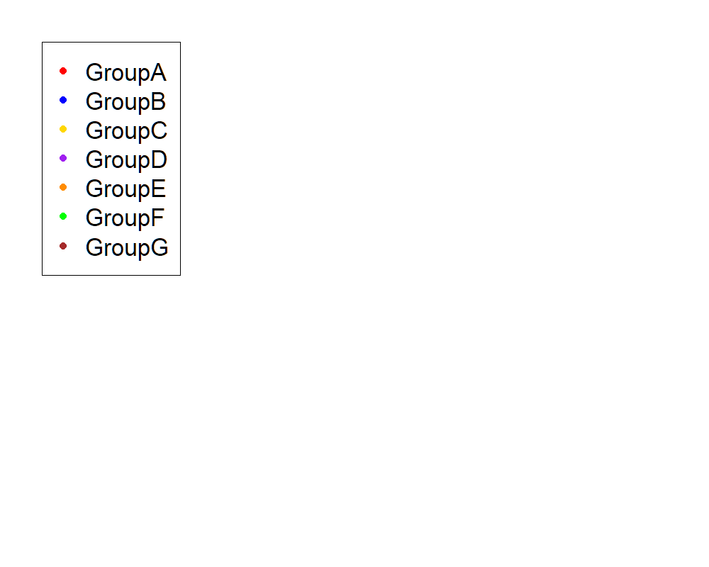
 |  |  |  |  |  | S0024 | SECIM-RP-Neg | GroupC | TG_QE3_IROA_RR_S26_neg.mzXML | 26
 |  |  |  |  |  | S0024 | SECIM-RP-Pos | GroupC | TG_QE3_IROA_RR_S26_pos.mzXML | 26
 |  |  |  |  |  | S0025 | SECIM-RP-Neg | GroupA | TG_QE3_IROA_RR_S27_neg.mzXML | 27
 |  |  |  |  |  | S0025 | SECIM-RP-Pos | GroupA | TG_QE3_IROA_RR_S27_pos.mzXML | 27
 |  |  |  |  |  | S0026 | SECIM-RP-Neg | GroupB | TG_QE3_IROA_RR_S28_neg.mzXML | 28
 |  |  |  |  |  | S0026 | SECIM-RP-Pos | GroupB | TG_QE3_IROA_RR_S28_pos.mzXML | 28
 |  |  |  |  |  | S0027 | SECIM-RP-Neg | GroupC | TG_QE3_IROA_RR_S29_neg.mzXML | 29
 |  |  |  |  |  | S0027 | SECIM-RP-Pos | GroupC | TG_QE3_IROA_RR_S29_pos.mzXML | 29
 |  |  |  |  |  | S0028 | SECIM-RP-Neg | GroupB | TG_QE3_IROA_RR_S2_neg.mzXML | 2
 |  |  |  |  |  | S0028 | SECIM-RP-Pos | GroupB | TG_QE3_IROA_RR_S2_pos.mzXML | 2
 |  |  |  |  |  | S0029 | SECIM-RP-Neg | GroupA | TG_QE3_IROA_RR_S30_neg.mzXML | 30
 |  |  |  |  |  | S0029 | SECIM-RP-Pos | GroupA | TG_QE3_IROA_RR_S30_pos.mzXML | 30
 |  |  |  |  |  | S0030 | SECIM-RP-Neg | GroupB | TG_QE3_IROA_RR_S31_neg.mzXML | 31
 |  |  |  |  |  | S0030 | SECIM-RP-Pos | GroupB | TG_QE3_IROA_RR_S31_pos.mzXML | 31
 |  |  |  |  |  | S0031 | SECIM-RP-Neg | GroupC | TG_QE3_IROA_RR_S32_neg.mzXML | 32
 |  |  |  |  |  | S0031 | SECIM-RP-Pos | GroupC | TG_QE3_IROA_RR_S32_pos.mzXML | 32
 |  |  |  |  |  | S0034 | SECIM-RP-Neg | GroupC | TG_QE3_IROA_RR_S3_neg.mzXML | 3
 |  |  |  |  |  | S0034 | SECIM-RP-Pos | GroupC | TG_QE3_IROA_RR_S3_pos.mzXML | 3
 |  |  |  |  |  | S0035 | SECIM-RP-Neg | GroupA | TG_QE3_IROA_RR_S4_neg.mzXML | 4
 |  |  |  |  |  | S0035 | SECIM-RP-Pos | GroupA | TG_QE3_IROA_RR_S4_pos.mzXML | 4
 |  |  |  |  |  | S0036 | SECIM-RP-Neg | GroupB | TG_QE3_IROA_RR_S5_neg.mzXML | 5
 |  |  |  |  |  | S0036 | SECIM-RP-Pos | GroupB | TG_QE3_IROA_RR_S5_pos.mzXML | 5
 |  |  |  |  |  | S0037 | SECIM-RP-Neg | GroupC | TG_QE3_IROA_RR_S6_neg.mzXML | 6
 |  |  |  |  |  | S0037 | SECIM-RP-Pos | GroupC | TG_QE3_IROA_RR_S6_pos.mzXML | 6
 |  |  |  |  |  | S0038 | SECIM-RP-Neg | GroupA | TG_QE3_IROA_RR_S7_neg.mzXML | 7
 |  |  |  |  |  | S0038 | SECIM-RP-Pos | GroupA | TG_QE3_IROA_RR_S7_pos.mzXML | 7
 |  |  |  |  |  | S0039 | SECIM-RP-Neg | GroupB | TG_QE3_IROA_RR_S8_neg.mzXML | 8
 |  |  |  |  |  | S0039 | SECIM-RP-Pos | GroupB | TG_QE3_IROA_RR_S8_pos.mzXML | 8
 |  |  |  |  |  | S0040 | SECIM-RP-Neg | GroupC | TG_QE3_IROA_RR_S9_neg.mzXML | 9
 |  |  |  |  |  | S0040 | SECIM-RP-Pos | GroupC | TG_QE3_IROA_RR_S9_pos.mzXML | 9

Anova
This tab shows the results of a regression of all compounds by the experimental design. Recommend: sort by p value

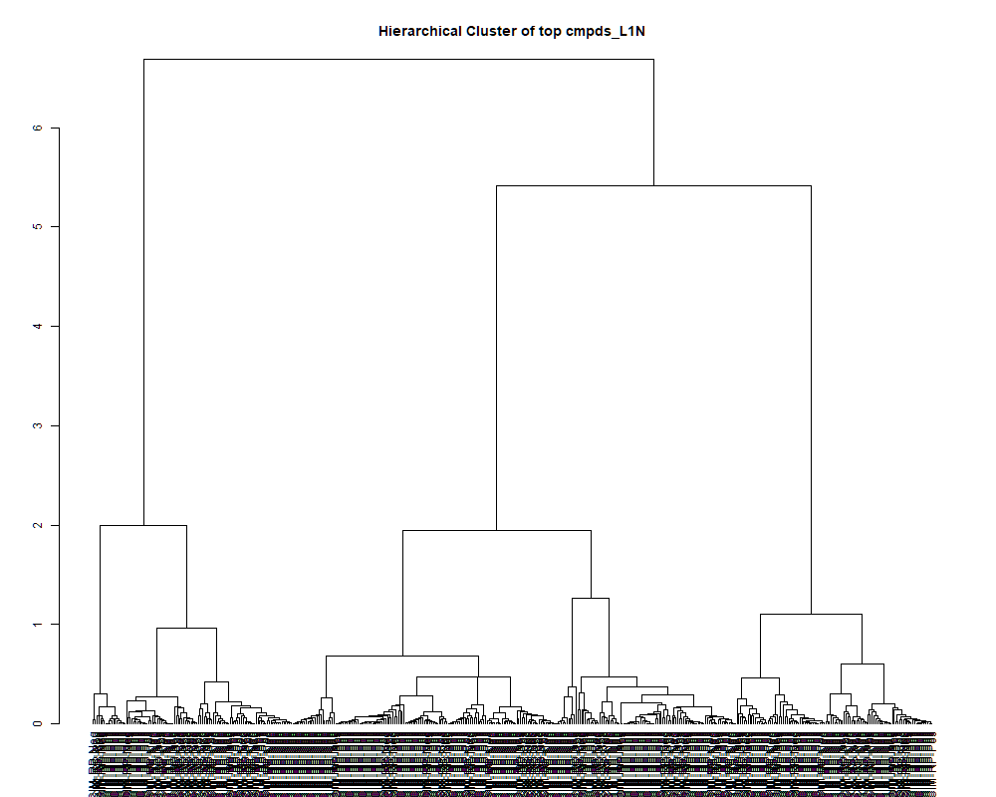
 | row.names | compounds | MF | p.value | F.value
 | LTRS_000001_SECIM-RP-Neg | Lys-Ser (M-H) | C9H19N3O4 | 2.42E-01 | 1.431
 | LTRS_000002_SECIM-RP-Neg | L-Lysine (M-H) | C6H14N2O2 | 4.74E-03 | 4.191
 | LTRS_000003_SECIM-RP-Neg | Glucosamine-1P (M-H) | C6H14NO8P | 1.32E-01 | 1.839
 | LTRS_000004_SECIM-RP-Neg | C5H11NO11 (M-H) | C5H11NO11 | 1.46E-07 | 16.312
 | LTRS_000005_SECIM-RP-Neg | 3-Ureidopropionate (M-H) | C4H8N2O3 | 4.02E-07 | 14.662
 | LTRS_000005_SECIM-RP-Pos | Spermidine (M+H) | C7H19N3 | 9.22E-01 | 0.318
 | LTRS_000006_SECIM-RP-Neg | Dihydrouracil (M-H) | C4H6N2O2 | 1.11E-05 | 10.071
 | LTRS_000007_SECIM-RP-Neg | C6H8N14O12 (M-H) | C6H8N14O12 | 8.95E-02 | 2.098
 | LTRS_000007_SECIM-RP-Pos | C13H29N3O5 (M+H) | C13H29N3O5 | 5.11E-01 | 0.898
 | LTRS_000008_SECIM-RP-Neg | L-Arginine (M-H) | C6H14N4O2 | 2.67E-06 | 11.896
 | LTRS_000009_SECIM-RP-Pos | Lys-Lys (M+H) | C12H26N4O3 | 1.94E-01 | 1.580
 | LTRS_000010_SECIM-RP-Pos | Lys-Lys (M+2H) | C12H26N4O3 | 4.05E-02 | 2.635
 | LTRS_000011_SECIM-RP-Neg | maleamate (M+e) | [C4H4NO3]- | 2.51E-08 | 19.532
 | LTRS_000011_SECIM-RP-Pos | C12H23N3O3 (M+2H) | C12H23N3O3 | 7.30E-03 | 3.862
 | LTRS_000012_SECIM-RP-Neg | Glycerylphosphorylethanolamine (M-H) | C5H14NO6P | 2.28E-18 | 150.255
 | LTRS_000012_SECIM-RP-Pos | C15H31N5O5 (M+2H) | C15H31N5O5 | 2.77E-01 | 1.340
 | LTRS_000013_SECIM-RP-Pos | Peramivir (M+2H) | C15H28N4O4 | 1.23E-01 | 1.887
 | LTRS_000014_SECIM-RP-Neg | C8H18NO11P (M-H) | C8H18NO11P | 1.04E-01 | 1.998
 | LTRS_000015_SECIM-RP-Pos | C15H31N5O4 (M+2H) | C15H31N5O4 | 9.94E-04 | 5.467
 | LTRS_000016_SECIM-RP-Pos | C17H36N5PS (M+2H) | C17H36N5PS | 6.69E-01 | 0.677
 | LTRS_000017_SECIM-RP-Neg | Fumarate (M-H) | C4H4O4 | 3.87E-11 | 36.104
 | LTRS_000018_SECIM-RP-Neg | L-Aspartate (M-H) | C4H7NO4 | 3.99E-22 | 304.902
 | LTRS_000018_SECIM-RP-Pos | C16H33N5O5 (M+2H) | C16H33N5O5 | 6.07E-04 | 5.899
 | LTRS_000019_SECIM-RP-Neg | 4-Phospho-D-Erythronohydroxamic Acid (M-H) | C4H10NO8P | 9.61E-04 | 5.496
 | LTRS_000019_SECIM-RP-Pos | Arg-Lys (M+2H) | C12H26N6O3 | 3.40E-02 | 2.755
 | LTRS_000020_SECIM-RP-Neg | N-(1-Deoxy-1-fructosyl)glycine (M-H) | C8H15NO7 | 3.20E-04 | 6.487
 | LTRS_000020_SECIM-RP-Pos | C10H22N2O5 (M+H) | C10H22N2O5 | 2.47E-01 | 1.418
 | LTRS_000022_SECIM-RP-Neg | Ala-Ala-Ala (M+Cl) | C9H17N3O4 | 1.20E-02 | 3.496
 | LTRS_000022_SECIM-RP-Pos | Arg-Lys (M+H) | C12H26N6O3 | 3.31E-01 | 1.215
 | LTRS_000023_SECIM-RP-Neg | N-Acetyl-D-Glucosamine 6-Phosphate (M-H) | C8H16NO9P | 1.86E-05 | 9.458
 | LTRS_000023_SECIM-RP-Pos | C14H39N4O4PS (M+2H) | C14H39N4O4PS | 8.63E-01 | 0.413
 | LTRS_000024_SECIM-RP-Neg | C9H10N11Na2OP (M-H) | C9H10N11Na2OP | 5.11E-01 | 0.898
 | LTRS_000024_SECIM-RP-Pos | Lys-Ser (M+H) | C9H19N3O4 | 4.02E-18 | 143.351
 | LTRS_000025_SECIM-RP-Neg | L-Glutamine (M-H) | C5H10N2O3 | 1.86E-16 | 104.198
 | LTRS_000025_SECIM-RP-Pos | Gly-lys (M+H) | C8H17N3O3 | 1.04E-01 | 1.995
 | LTRS_000026_SECIM-RP-Neg | L-Homoserine (M-H) | C4H9NO3 | 1.15E-10 | 32.699
 | LTRS_000026_SECIM-RP-Pos | Asn-Lys (M+H) | C10H20N4O4 | 2.21E-06 | 12.158
 | LTRS_000027_SECIM-RP-Neg | C6H14N6O3P2 (M-H) | C6H14N6O3P2 | 2.51E-01 | 1.406
 | LTRS_000027_SECIM-RP-Pos | L-Lysine (M+H -NH3 -CH2O2) | C6H14N2O2 | 5.29E-01 | 0.872
 | LTRS_000028_SECIM-RP-Neg | C10H11N12Na2OP (M-H) | C10H11N12Na2OP | 2.99E-03 | 4.554
 | LTRS_000028_SECIM-RP-Pos | L-Lysine (M+H) | C6H14N2O2 | 4.34E-07 | 14.541
 | LTRS_000029_SECIM-RP-Neg | C4H12KN2NaO (M-H) | C4H12KN2NaO | 9.16E-02 | 2.082
 | LTRS_000029_SECIM-RP-Pos | L-Lysine (M+H -NH3) | C6H14N2O2 | 1.72E-01 | 1.662
 | LTRS_000030_SECIM-RP-Neg | glycerophosphoglycerol (M-H) | C6H15O8P | 5.20E-11 | 35.154
 | LTRS_000030_SECIM-RP-Pos | L-Lysine (M+H -H2O) | C6H14N2O2 | 1.35E-01 | 1.824
 | LTRS_000031_SECIM-RP-Neg | N-Acetylserine (2M-H) | C5H9NO4 | 1.21E-01 | 1.895
 | LTRS_000031_SECIM-RP-Pos | 2-((5-(hydroxyamino)furan-2-yl)methylene)hydrazinecarboxamide (M+H) | C6H8N4O3 | 5.34E-05 | 8.280
 | LTRS_000032_SECIM-RP-Neg | (2Z,4S,5R)-2-amino-4,5,6-trihydroxyhex-2-enoic acid zwitterion (M-H) | C6H11NO5 | 1.24E-04 | 7.410
 | LTRS_000033_SECIM-RP-Neg | Saccharopine (M-H) | C11H20N2O6 | 9.76E-02 | 2.040
 | LTRS_000033_SECIM-RP-Pos | 1-[(5-Amino-5-carboxypentyl)amino]-1-deoxyfructose (M+H) | C12H24N2O7 | 9.56E-02 | 2.054
 | LTRS_000034_SECIM-RP-Neg | C10H28KN2P2 (M-H) | C10H28KN2P2 | 1.59E-02 | 3.290
 | LTRS_000034_SECIM-RP-Pos | C9H22N9NaP (M+H) | C9H22N9NaP | 5.98E-01 | 0.773
 | LTRS_000035_SECIM-RP-Neg | Muramic acid (M-H) | C9H17NO7 | 1.92E-07 | 15.857
 | LTRS_000035_SECIM-RP-Pos | Gln-Lys (M+H) | C11H22N4O4 | 2.87E-01 | 1.315
 | LTRS_000036_SECIM-RP-Neg | (S)-malyl alpha-D-glucosaminide (M-H) | C10H17NO9 | 1.34E-03 | 5.211
 | LTRS_000036_SECIM-RP-Pos | Gamma-glutamyl-L-putrescine (M+H) | C9H19N3O3 | 5.29E-25 | 521.427
 | LTRS_000037_SECIM-RP-Neg | Ser-Thr (M-H) | C7H14N2O5 | 2.98E-10 | 29.935
 | LTRS_000037_SECIM-RP-Pos | Lys-Thr (M+H) | C10H21N3O4 | 2.32E-18 | 150.031
 | LTRS_000038_SECIM-RP-Neg | N-Acetylserine (M-H) | C5H9NO4 | 1.09E-08 | 21.229
 | LTRS_000038_SECIM-RP-Pos | 4-guanidinobutanal (M+H) | C5H11N3O | 2.72E-03 | 4.628
 | LTRS_000039_SECIM-RP-Neg | Galactonic acid (M-H) | C6H12O7 | 6.01E-18 | 138.665
 | LTRS_000039_SECIM-RP-Pos | L-Arginine (M+H) | C6H14N4O2 | 4.00E-18 | 143.424
 | LTRS_000040_SECIM-RP-Neg | C8H9N14NaP (M-H) | C8H9N14NaP | 1.12E-17 | 131.732
 | LTRS_000040_SECIM-RP-Pos | L-Arginine (M+H -NH3) | C6H14N4O2 | 6.39E-08 | 17.771
 | LTRS_000041_SECIM-RP-Neg | 5-Oxoproline (M-H) | C5H7NO3 | 8.37E-05 | 7.808
 | LTRS_000042_SECIM-RP-Neg | Aminoadipic acid (M-H) | C6H11NO4 | 3.29E-04 | 6.459
 | LTRS_000042_SECIM-RP-Pos | N-(1-Deoxy-1-fructosyl)histidine (M+H) | C12H19N3O7 | 9.95E-10 | 26.733
 | LTRS_000043_SECIM-RP-Pos | L-Asparagine (M+H -NH3) | C4H8N2O3 | 5.62E-24 | 430.802
 | LTRS_000044_SECIM-RP-Neg | C8H10N15P (M-H) | C8H10N15P | 1.01E-10 | 33.069
 | LTRS_000044_SECIM-RP-Pos | Arg-Ser (M+H) | C9H19N5O4 | 1.58E-16 | 105.631
 | LTRS_000045_SECIM-RP-Neg | L-beta-aspartyl-L-serine (M-H) | C7H12N2O6 | 4.81E-01 | 0.946
 | LTRS_000045_SECIM-RP-Pos | Arg-Gly (M+H) | C8H17N5O3 | 1.46E-02 | 3.351
 | LTRS_000046_SECIM-RP-Neg | C11H24NO11P (M-H) | C11H24NO11P | 3.49E-01 | 1.179
 | LTRS_000046_SECIM-RP-Pos | L-Aspartate (M+H) | C4H7NO4 | 3.77E-32 | 1958.340
 | LTRS_000047_SECIM-RP-Neg | Sedoheptulose (M-H) | C7H14O7 | 1.64E-11 | 39.012
 | LTRS_000047_SECIM-RP-Pos | C15H29N3O8 (M+H) | C15H29N3O8 | 1.86E-01 | 1.610
 | LTRS_000048_SECIM-RP-Pos | N(epsilon, epsilon, epsilon)-trimethyllysine (M+H) | C9H20N2O2 | 4.32E-26 | 638.209
 | LTRS_000049_SECIM-RP-Neg | C7H18NO6P (M-H) | C7H18NO6P | 9.74E-20 | 194.724
 | LTRS_000050_SECIM-RP-Neg | Gly-Asp (M-H) | C6H10N2O5 | 3.83E-01 | 1.113
 | LTRS_000050_SECIM-RP-Pos | Gly-Ser (M+H) | C5H10N2O4 | 2.70E-04 | 6.645
 | LTRS_000051_SECIM-RP-Neg | C12H14N10Na2O6 (M-H) | C12H14N10Na2O6 | 1.21E-07 | 16.635
 | LTRS_000052_SECIM-RP-Neg | C12H15N12O5P (M-H) | C12H15N12O5P | 3.46E-01 | 1.184
 | LTRS_000052_SECIM-RP-Pos | L-Glutamine (M+H) | C5H10N2O3 | 3.48E-25 | 539.345
 | LTRS_000053_SECIM-RP-Neg | C12H12N13NaO8P (M-H) | C12H12N13NaO8P | 7.06E-03 | 3.887
 | LTRS_000053_SECIM-RP-Pos | N-(1-Deoxy-1-fructosyl)glycine (M+H) | C8H15NO7 | 2.23E-01 | 1.487
 | LTRS_000054_SECIM-RP-Neg | Asn-asp (M-H) | C8H13N3O6 | 3.97E-08 | 18.651
 | LTRS_000054_SECIM-RP-Pos | Neuraminic acid (M+H) | C9H17NO8 | 5.01E-01 | 0.915
 | LTRS_000055_SECIM-RP-Neg | Calystegine C1 (M-H) | C7H13NO5 | 1.53E-04 | 7.199
 | LTRS_000055_SECIM-RP-Pos | Phosphorylcholine (M+) | [C5H15NO4P]+ | 1.61E-26 | 690.923
 | LTRS_000056_SECIM-RP-Neg | N-(1-Deoxy-1-fructosyl)threonine (M-H) | C10H19NO8 | 1.60E-02 | 3.284
 | LTRS_000056_SECIM-RP-Pos | Saccharopine (M+H) | C11H20N2O6 | 2.51E-01 | 1.407
 | LTRS_000057_SECIM-RP-Neg | C11H33N18O11P (M-H) | C11H33N18O11P | 2.82E-01 | 1.327
 | LTRS_000057_SECIM-RP-Pos | L-Allothreinine (M+H) | C4H9NO3 | 6.53E-25 | 512.619
 | LTRS_000058_SECIM-RP-Neg | C12H31N8O11P (M-H) | C12H31N8O11P | 6.69E-01 | 0.677
 | LTRS_000058_SECIM-RP-Pos | Distichonic acid A (M+H) | C10H18N2O8 | 8.90E-04 | 5.562
 | LTRS_000059_SECIM-RP-Neg | C11H26N10O12 (M-H) | C11H26N10O12 | 5.61E-01 | 0.825
 | LTRS_000059_SECIM-RP-Pos | gGlu-Glu (M+H) | C10H16N2O7 | 1.72E-03 | 5.002
 | LTRS_000060_SECIM-RP-Neg | C11H35N16O14P (M-H) | C11H35N16O14P | 3.84E-05 | 8.639
 | LTRS_000061_SECIM-RP-Neg | C12H23NO14 (M-H) | C12H23NO14 | 6.47E-02 | 2.316
 | LTRS_000061_SECIM-RP-Pos | N2-Fructopyranosylarginine (M+H) | C12H24N4O7 | 1.92E-04 | 6.975
 | LTRS_000062_SECIM-RP-Neg | C11H24N14O10 (M-H) | C11H24N14O10 | 7.82E-01 | 0.528
 | LTRS_000062_SECIM-RP-Pos | (S)-malyl alpha-D-glucosaminide (M+H) | C10H17NO9 | 1.64E-01 | 1.693
 | LTRS_000063_SECIM-RP-Neg | C11H30N19NaO7P (M-H) | C11H30N19NaO7P | 2.49E-01 | 1.414
 | LTRS_000063_SECIM-RP-Pos | C10H15NO8 (M+H) | C10H15NO8 | 4.15E-05 | 8.553
 | LTRS_000064_SECIM-RP-Neg | C12H17N8OP3 (M-H) | C12H17N8OP3 | 1.47E-03 | 5.136
 | LTRS_000065_SECIM-RP-Neg | C17H18N17OP (M-H) | C17H18N17OP | 2.59E-05 | 9.077
 | LTRS_000065_SECIM-RP-Pos | Muramic acid (M+H) | C9H17NO7 | 2.17E-01 | 1.507
 | LTRS_000066_SECIM-RP-Neg | C12H19N8OP3 (M-H) | C12H19N8OP3 | 2.77E-01 | 1.339
 | LTRS_000066_SECIM-RP-Pos | Arg-Thr (M+H) | C10H21N5O4 | 4.70E-09 | 23.037
 | LTRS_000067_SECIM-RP-Neg | C6H14KN2NaO3 (M-H) | C6H14KN2NaO3 | 8.77E-02 | 2.112
 | LTRS_000067_SECIM-RP-Pos | Ala-Arg (M+H) | C9H19N5O3 | 6.87E-14 | 63.125
 | LTRS_000068_SECIM-RP-Neg | C6H12KN2NaO3 (M-H) | C6H12KN2NaO3 | 8.07E-12 | 41.583
 | LTRS_000068_SECIM-RP-Pos | C10H26KN2O2S (M+H) | C10H26KN2O2S | 2.88E-05 | 8.959
 | LTRS_000069_SECIM-RP-Neg | D-Glucuronolactone (M-H) | C6H8O6 | 5.59E-11 | 34.919
 | LTRS_000069_SECIM-RP-Pos | C10H19N5O3 (M+2H) | C10H19N5O3 | 1.30E-04 | 7.362
 | LTRS_000070_SECIM-RP-Pos | N-Methylaspartate (M+H -CH2O2) | C5H9NO4 | 4.30E-20 | 208.198
 | LTRS_000071_SECIM-RP-Neg | C12H12N14O5 (M-H) | C12H12N14O5 | 1.72E-09 | 25.376
 | LTRS_000071_SECIM-RP-Pos | Pyroglutamic acid (M+H) | C5H7NO3 | 8.73E-16 | 91.528
 | LTRS_000072_SECIM-RP-Neg | Isomaltose (M-H) | C12H22O11 | 9.60E-12 | 40.940
 | LTRS_000072_SECIM-RP-Pos | C4H5NO (M+H) | C4H5NO | 8.86E-10 | 27.028
 | LTRS_000073_SECIM-RP-Pos | N-Methylaspartate (M+H) | C5H9NO4 | 3.76E-17 | 119.094
 | LTRS_000075_SECIM-RP-Neg | beta-Asp-Ala (M-H) | C7H12N2O5 | 4.04E-02 | 2.636
 | LTRS_000076_SECIM-RP-Neg | L-beta-aspartyl-L-aspartic acid (M-H) | C8H12N2O7 | 1.48E-13 | 59.077
 | LTRS_000076_SECIM-RP-Pos | sn-Glycero-3-phosphocholine (M+H) | C8H20NO6P | 3.25E-36 | 4145.631
 | LTRS_000077_SECIM-RP-Neg | 4-[(6-methoxy-2-naphthalenyl)sulfonyl]morpholine (M-H) | C15H17NO4S | 1.12E-11 | 40.369
 | LTRS_000078_SECIM-RP-Neg | myo-Inositol (M-H) | C6H12O6 | 1.42E-12 | 48.512
 | LTRS_000078_SECIM-RP-Pos | bAsp-Gly (M+H) | C6H10N2O5 | 4.99E-02 | 2.492
 | LTRS_000079_SECIM-RP-Neg | Arg-Glu (M-H) | C11H21N5O5 | 1.50E-08 | 20.563
 | LTRS_000079_SECIM-RP-Pos | 1-(Hydroxymethyl)-5,5-dimethyl-2,4-imidazolidinedione (M+H) | C6H10N2O3 | 1.66E-01 | 1.684
 | LTRS_000080_SECIM-RP-Neg | N-Acetylneuraminate (M-H) | C11H19NO9 | 3.22E-14 | 67.376
 | LTRS_000080_SECIM-RP-Pos | Methionine sulfoxide (M+H) | C5H11NO3S | 6.17E-02 | 2.348
 | LTRS_000081_SECIM-RP-Neg | N-acetyl-2,7-anhydro-alpha-neuraminic acid (M-H) | C11H17NO8 | 1.75E-09 | 25.334
 | LTRS_000081_SECIM-RP-Pos | Citruline (M+H) | C6H13N3O3 | 5.81E-27 | 750.135
 | LTRS_000082_SECIM-RP-Neg | O-Succinyl-homoserine (M-H) | C8H13NO6 | 1.15E-01 | 1.933
 | LTRS_000082_SECIM-RP-Pos | N-acetylneuraminamide (M+H) | C11H20N2O8 | 7.03E-15 | 76.718
 | LTRS_000083_SECIM-RP-Neg | C11H36N4O19 (M-H) | C11H36N4O19 | 3.67E-01 | 1.143
 | LTRS_000083_SECIM-RP-Pos | 4-O-(beta-L-Araf)-cis-L-Hyp zwitterion (M+H) | C10H17NO7 | 6.69E-01 | 0.677
 | LTRS_000084_SECIM-RP-Pos | 2,8-Dihydroxyadenine (M+H) | C5H5N5O2 | 3.75E-02 | 2.686
 | LTRS_000085_SECIM-RP-Neg | S-(2-Hydroxyethyl)glutathione (M-H) | C12H21N3O7S | 2.47E-01 | 1.417
 | LTRS_000085_SECIM-RP-Pos | N-(1-Deoxy-1-fructosyl)threonine (M+H) | C10H19NO8 | 2.50E-02 | 2.967
 | LTRS_000086_SECIM-RP-Pos | C12H21N11O7 (M+H) | C12H21N11O7 | 5.03E-01 | 0.911
 | LTRS_000087_SECIM-RP-Neg | C11H11N7O8 (M-H) | C11H11N7O8 | 4.24E-07 | 14.577
 | LTRS_000087_SECIM-RP-Pos | Ser-Thr (M+H) | C7H14N2O5 | 6.80E-14 | 63.185
 | LTRS_000088_SECIM-RP-Neg | Gln-Thr (M-H) | C9H17N3O5 | 2.56E-16 | 101.451
 | LTRS_000088_SECIM-RP-Pos | C7H18NO6P (M+H) | C7H18NO6P | 2.94E-14 | 67.896
 | LTRS_000089_SECIM-RP-Neg | Ala-Asn (M-H) | C7H13N3O4 | 3.87E-03 | 4.350
 | LTRS_000089_SECIM-RP-Pos | Isomaltose (M+K) | C12H22O11 | 6.69E-01 | 0.677
 | LTRS_000090_SECIM-RP-Neg | Uridine 5'-diphosphate (M-H) | C9H14N2O12P2 | 3.76E-02 | 2.685
 | LTRS_000091_SECIM-RP-Neg | Glyceric acid (M-H) | C3H6O4 | 1.81E-15 | 86.088
 | LTRS_000091_SECIM-RP-Pos | C14H26N4O6 (M+H) | C14H26N4O6 | 9.83E-01 | 0.169
 | LTRS_000092_SECIM-RP-Neg | N-Acetyl-b-glucosaminylamine (M-H) | C8H16N2O5 | 1.08E-13 | 60.735
 | LTRS_000092_SECIM-RP-Pos | 2-Furancarboxaldehyde (M+H) | C5H4O2 | 1.43E-04 | 7.265
 | LTRS_000093_SECIM-RP-Neg | Lys-Val (M-H) | C11H23N3O3 | 2.54E-04 | 6.703
 | LTRS_000093_SECIM-RP-Pos | Dimethylglycine (M+H) | C4H9NO2 | 9.28E-24 | 413.669
 | LTRS_000094_SECIM-RP-Neg | D-1-[(3-Carboxypropyl)amino]-1-deoxyfructose (M-H) | C10H19NO7 | 3.22E-01 | 1.236
 | LTRS_000094_SECIM-RP-Pos | cis-4-Hydroxy-proline (M+H -CH2O2) | C5H9NO3 | 8.45E-01 | 0.440
 | LTRS_000095_SECIM-RP-Neg | N-Carboxyethyl-g-aminobutyric acid (M-H) | C7H13NO4 | 3.32E-06 | 11.604
 | LTRS_000095_SECIM-RP-Pos | Palatinose (M+Na) | C12H22O11 | 2.55E-05 | 9.096
 | LTRS_000096_SECIM-RP-Neg | Ala-Ala (M-H) | C6H12N2O3 | 6.27E-06 | 10.780
 | LTRS_000096_SECIM-RP-Pos | 2-Methyltetrahydrofuran-3-one (M+H -CH2) | C5H8O2 | 9.42E-01 | 0.278
 | LTRS_000097_SECIM-RP-Neg | beta-Asp-Thr (M-H) | C8H14N2O6 | 1.12E-11 | 40.365
 | LTRS_000097_SECIM-RP-Pos | 1,2,3-Trihydroxybenzene (M+H) | C6H6O3 | 5.48E-08 | 18.051
 | LTRS_000098_SECIM-RP-Neg | beta-Asp-Glu (M-H) | C9H14N2O7 | 9.85E-11 | 33.158
 | LTRS_000098_SECIM-RP-Pos | C12H24N13O4P (M+H) | C12H24N13O4P | 1.35E-03 | 5.208
 | LTRS_000099_SECIM-RP-Neg | Norophthalmic acid (M-H) | C10H17N3O6 | 5.84E-11 | 34.779
 | LTRS_000099_SECIM-RP-Pos | Ala-Gln (M+H) | C8H15N3O4 | 7.60E-24 | 420.387
 | LTRS_000100_SECIM-RP-Neg | Cysteineglutathione disulfide (M-H) | C13H22N4O8S2 | 2.67E-07 | 15.313
 | LTRS_000100_SECIM-RP-Pos | 3-Hydroxy-3-methylglutarate (M+H) | C6H10O5 | 2.57E-11 | 37.470
 | LTRS_000101_SECIM-RP-Neg | C10H23NO17 (M-H) | C10H23NO17 | 2.03E-02 | 3.116
 | LTRS_000101_SECIM-RP-Pos | Palatinose (M+NH4) | C12H22O11 | 1.02E-08 | 21.368
 | LTRS_000102_SECIM-RP-Neg | Glutathione (M-H) | C10H17N3O6S | 2.65E-07 | 15.328
 | LTRS_000102_SECIM-RP-Pos | bis-D-fructose 2',1:2,1'-dianhydride (M+H) | C12H20O10 | 5.55E-10 | 28.244
 | LTRS_000103_SECIM-RP-Neg | Uridine-5'-diphospho-N-acetylglucosamine (M-H) | C17H27N3O17P2 | 2.86E-14 | 68.071
 | LTRS_000103_SECIM-RP-Pos | Arg-Glu (M+H) | C11H21N5O5 | 8.66E-17 | 111.088
 | LTRS_000104_SECIM-RP-Neg | Glu-Ala (M-H) | C8H14N2O5 | 4.18E-12 | 44.093
 | LTRS_000105_SECIM-RP-Neg | 5-Hydroxymethyl-4-methyluracil (M-H) | C6H8N2O3 | 7.00E-06 | 10.641
 | LTRS_000105_SECIM-RP-Pos | Neurine (M+H) | C5H13NO | 4.41E-17 | 117.530
 | LTRS_000106_SECIM-RP-Pos | N-Acetylneuraminate (M+H) | C11H19NO9 | 1.10E-09 | 26.471
 | LTRS_000107_SECIM-RP-Neg | Thr-Ala-Ser (M-H) | C10H19N3O6 | 1.51E-04 | 7.209
 | LTRS_000107_SECIM-RP-Pos | N-acetyl-2,7-anhydro-alpha-neuraminic acid (M+H) | C11H17NO8 | 1.40E-09 | 25.885
 | LTRS_000108_SECIM-RP-Neg | Glu-Thr (M-H) | C9H16N2O6 | 4.02E-11 | 35.981
 | LTRS_000108_SECIM-RP-Pos | Arg-Gln (M+H) | C11H22N6O4 | 4.88E-01 | 0.935
 | LTRS_000109_SECIM-RP-Neg | Cytidine monophosphate (M-H) | C9H14N3O8P | 2.11E-19 | 182.763
 | LTRS_000109_SECIM-RP-Pos | N1-Acetylspermidine (M+H) | C9H21N3O | 1.05E-01 | 1.990
 | LTRS_000110_SECIM-RP-Neg | Asn-Val (M-H) | C9H17N3O4 | 7.50E-13 | 51.301
 | LTRS_000110_SECIM-RP-Pos | S-(2-Hydroxyethyl)glutathione (M+2H) | C12H21N3O7S | 3.31E-01 | 1.215
 | LTRS_000111_SECIM-RP-Neg | Malate (M-H) | C4H6O5 | 6.94E-15 | 76.809
 | LTRS_000111_SECIM-RP-Pos | Calystegine C1 (M+H) | C7H13NO5 | 3.02E-02 | 2.837
 | LTRS_000112_SECIM-RP-Neg | Malate (M-H -H2O) | C4H6O5 | 4.41E-14 | 65.584
 | LTRS_000112_SECIM-RP-Pos | (2R,3R,4R,5R,6R)-3-fluoro-2,4-dihydroxy-5-[(1-hydroxyethylidene)amino]-6-[(1R,2R)-1,2,3-trihydroxypropyl]oxane-2-carboxylic acid (M+H) | C11H18FNO9 | 4.48E-06 | 11.211
 | LTRS_000113_SECIM-RP-Neg | Adenosine 3',5'-diphosphate (M-H) | C10H15N5O10P2 | 1.26E-14 | 72.992
 | LTRS_000114_SECIM-RP-Neg | 4-Hydroxyglutamate (M-H -H2O) | C5H9NO5 | 1.02E-05 | 10.181
 | LTRS_000114_SECIM-RP-Pos | N(alpha)-acetyl-L-methionyl-L-asparagine (M+2H) | C11H19N3O5S | 6.69E-01 | 0.677
 | LTRS_000115_SECIM-RP-Neg | Hydroxyminaline (M-H) | C5H5NO3 | 6.04E-01 | 0.766
 | LTRS_000115_SECIM-RP-Pos | C11H11N7O8 (M+H) | C11H11N7O8 | 1.49E-01 | 1.759
 | LTRS_000116_SECIM-RP-Neg | L-Rhamnose (M-H) | C6H12O5 | 2.94E-11 | 37.014
 | LTRS_000117_SECIM-RP-Neg | L-Glutamate (M-H) | C5H9NO4 | 4.56E-15 | 79.594
 | LTRS_000117_SECIM-RP-Pos | Ala-Ser (M+H) | C6H12N2O4 | 7.66E-21 | 239.722
 | LTRS_000118_SECIM-RP-Neg | Cytidine 2',3'-cyclic phosphate (M-H) | C9H12N3O7P | 1.17E-05 | 10.004
 | LTRS_000118_SECIM-RP-Pos | Ala-Asn (M+H) | C7H13N3O4 | 4.26E-03 | 4.275
 | LTRS_000119_SECIM-RP-Neg | Arg-Val (M-H) | C11H23N5O3 | 2.74E-13 | 56.004
 | LTRS_000119_SECIM-RP-Pos | C17H35N5O4 (M+2H) | C17H35N5O4 | 4.03E-05 | 8.587
 | LTRS_000120_SECIM-RP-Neg | C13H26N6O5 (M-H) | C13H26N6O5 | 1.56E-02 | 3.305
 | LTRS_000120_SECIM-RP-Pos | L-Cystathionine (M+H) | C7H14N2O4S | 5.90E-06 | 10.857
 | LTRS_000121_SECIM-RP-Neg | His-Val (M-H) | C11H18N4O3 | 1.81E-16 | 104.465
 | LTRS_000121_SECIM-RP-Pos | L-Proline (M+H) | C5H9NO2 | 3.37E-29 | 1135.093
 | LTRS_000122_SECIM-RP-Neg | Lys-Pro (M-H) | C11H21N3O3 | 2.05E-04 | 6.908
 | LTRS_000122_SECIM-RP-Pos | L-Proline (M+H -CH2O2) | C5H9NO2 | 1.05E-22 | 339.825
 | LTRS_000123_SECIM-RP-Neg | gGln-Glu (M-H) | C10H16N2O7 | 1.10E-17 | 131.866
 | LTRS_000123_SECIM-RP-Pos | Lys-Val (M+H) | C11H23N3O3 | 3.48E-17 | 119.871
 | LTRS_000124_SECIM-RP-Neg | Isocitrate (M-H) | C6H8O7 | 2.62E-03 | 4.658
 | LTRS_000124_SECIM-RP-Pos | L-Proline (M+Na) | C5H9NO2 | 2.57E-12 | 46.028
 | LTRS_000125_SECIM-RP-Neg | Norophthalmic acid (M-H) | C10H17N3O6 | 6.95E-19 | 165.690
 | LTRS_000125_SECIM-RP-Pos | N-Acetyl-b-glucosaminylamine (M+H) | C8H16N2O5 | 1.56E-18 | 155.012
 | LTRS_000126_SECIM-RP-Neg | Pro-Thr (M-H) | C9H16N2O4 | 1.12E-07 | 16.769
 | LTRS_000126_SECIM-RP-Pos | Lys-val (M+2H) | C11H23N3O3 | 3.97E-13 | 54.232
 | LTRS_000127_SECIM-RP-Neg | C5H6N8NaP2 (M-H) | C5H6N8NaP2 | 1.06E-04 | 7.564
 | LTRS_000127_SECIM-RP-Pos | Malonylcarnitine (M+H) | C10H17NO6 | 1.25E-01 | 1.877
 | LTRS_000128_SECIM-RP-Neg | N2-acetyl-Ornithine (M-H) | C7H14N2O3 | 3.06E-02 | 2.828
 | LTRS_000128_SECIM-RP-Pos | C10H23N2NaP3 (M+H) | C10H23N2NaP3 | 5.91E-02 | 2.377
 | LTRS_000129_SECIM-RP-Neg | Val-Ser (M-H) | C8H16N2O4 | 3.71E-12 | 44.556
 | LTRS_000129_SECIM-RP-Pos | N-[3-(dimethylamino)propyl]-2-[(2R,3R,6R)-2-(hydroxymethyl)-3-[[oxo-(propan-2-ylamino)methyl]amino]-3,6-dihydro-2H-pyran-6-yl]acetamide (M+2H) | C17H32N4O4 | 6.57E-01 | 0.694
 | LTRS_000130_SECIM-RP-Neg | Val-Ala-Lys (M-H) | C14H28N4O4 | 5.74E-04 | 5.950
 | LTRS_000131_SECIM-RP-Pos | D-1-[(3-Carboxypropyl)amino]-1-deoxyfructose (M+H) | C10H19NO7 | 1.11E-01 | 1.957
 | LTRS_000132_SECIM-RP-Neg | Lys-Val (M-H) | C11H23N3O3 | 3.10E-04 | 6.514
 | LTRS_000133_SECIM-RP-Neg | C15H30N4O5 (M-H) | C15H30N4O5 | 6.69E-01 | 0.677
 | LTRS_000134_SECIM-RP-Neg | beta-Asp-Thr (M-H) | C8H14N2O6 | 2.85E-03 | 4.590
 | LTRS_000135_SECIM-RP-Neg | Uridine 5'-monophosphate (M-H) | C9H13N2O9P | 3.05E-19 | 177.309
 | LTRS_000135_SECIM-RP-Pos | C8H14N11OP (M+H) | C8H14N11OP | 6.69E-01 | 0.677
 | LTRS_000136_SECIM-RP-Neg | C9H17N2O11P3 (M-H) | C9H17N2O11P3 | 5.61E-11 | 34.908
 | LTRS_000136_SECIM-RP-Pos | Ala-Ala (M+H) | C6H12N2O3 | 2.08E-01 | 1.536
 | LTRS_000137_SECIM-RP-Neg | C9H11N5NaO13 (M-H) | C9H11N5NaO13 | 1.60E-01 | 1.712
 | LTRS_000137_SECIM-RP-Pos | 3-(4-hydroxy-3-methoxyphenyl)-N-(4-oxobutyl)prop-2-enimidic acid (M+H) | C14H17NO4 | 1.82E-01 | 1.625
 | LTRS_000138_SECIM-RP-Neg | C9H11N6Na2O7P (M-H) | C9H11N6Na2O7P | 4.52E-08 | 18.408
 | LTRS_000138_SECIM-RP-Pos | bAsp-Thr (M+H) | C8H14N2O6 | 5.97E-11 | 34.712
 | LTRS_000139_SECIM-RP-Neg | A-Ketoglutaric acid oxime (M-H) | C5H7NO5 | 9.98E-01 | 0.075
 | LTRS_000139_SECIM-RP-Pos | Arg-pro (M+2H) | C11H21N5O3 | 3.34E-01 | 1.210
 | LTRS_000140_SECIM-RP-Neg | N-Acetylglycine (M-H) | C4H7NO3 | 3.51E-03 | 4.426
 | LTRS_000142_SECIM-RP-Neg | Aminoadipic acid (M-H) | C6H11NO4 | 2.96E-02 | 2.850
 | LTRS_000143_SECIM-RP-Neg | Glu-Ala (M-H) | C8H14N2O5 | 1.27E-09 | 26.128
 | LTRS_000144_SECIM-RP-Neg | 5-Oxoproline (M-H) | C5H7NO3 | 7.47E-08 | 17.489
 | LTRS_000145_SECIM-RP-Neg | (2Z,4S,5R)-2-amino-4,5,6-trihydroxyhex-2-enoic acid zwitterion (M-H) | C6H11NO5 | 1.27E-14 | 72.973
 | LTRS_000145_SECIM-RP-Pos | Norophthalmic acid (M+H) | C10H17N3O6 | 1.67E-04 | 7.111
 | LTRS_000146_SECIM-RP-Neg | N-Methylcalystegine B2 (M-H) | C8H15NO4 | 2.44E-03 | 4.717
 | LTRS_000147_SECIM-RP-Neg | Betaine (M-H) | C5H11NO2 | 3.10E-03 | 4.524
 | LTRS_000147_SECIM-RP-Pos | C17H30N6O4 (M+2H) | C17H30N6O4 | 6.08E-01 | 0.760
 | LTRS_000148_SECIM-RP-Neg | N-(1-Deoxy-1-fructosyl)valine (M-H) | C11H21NO7 | 4.32E-03 | 4.263
 | LTRS_000149_SECIM-RP-Neg | Leu-Thr-Gln (M-H) | C15H28N4O6 | 2.12E-10 | 30.893
 | LTRS_000149_SECIM-RP-Pos | C12H22N2O9 (M+H) | C12H22N2O9 | 1.19E-01 | 1.910
 | LTRS_000150_SECIM-RP-Neg | N6-Acetyl-L-lysine (M-H) | C8H16N2O3 | 4.76E-23 | 362.325
 | LTRS_000151_SECIM-RP-Neg | Val-Asp (M-H) | C9H16N2O5 | 2.18E-18 | 150.778
 | LTRS_000152_SECIM-RP-Neg | Leu-Ser (M-H) | C9H18N2O4 | 1.86E-11 | 38.579
 | LTRS_000153_SECIM-RP-Neg | N-Acetylglutamine (M-H) | C7H12N2O4 | 4.68E-13 | 53.458
 | LTRS_000153_SECIM-RP-Pos | Cysteineglutathione disulfide (M+2H) | C13H22N4O8S2 | 4.13E-05 | 8.560
 | LTRS_000154_SECIM-RP-Neg | Ile-Lys (M-H) | C12H25N3O3 | 2.20E-08 | 19.789
 | LTRS_000154_SECIM-RP-Pos | C10H23NO17 (M+2H) | C10H23NO17 | 6.02E-01 | 0.768
 | LTRS_000155_SECIM-RP-Neg | C17H33N3O8 (M-H) | C17H33N3O8 | 1.31E-02 | 3.428
 | LTRS_000155_SECIM-RP-Pos | Cysteineglutathione disulfide (M+H) | C13H22N4O8S2 | 5.48E-05 | 8.254
 | LTRS_000156_SECIM-RP-Neg | Asn-Ile (M-H) | C10H19N3O4 | 8.94E-16 | 91.345
 | LTRS_000157_SECIM-RP-Neg | His-Ile (M-H) | C12H20N4O3 | 1.28E-19 | 190.419
 | LTRS_000158_SECIM-RP-Neg | L-Glutamate (M-H) | C5H9NO4 | 1.66E-04 | 7.114
 | LTRS_000159_SECIM-RP-Neg | Nicotinate (M-H) | C6H5NO2 | 6.33E-02 | 2.330
 | LTRS_000159_SECIM-RP-Pos | Glutathione (M+H) | C10H17N3O6S | 5.97E-02 | 2.370
 | LTRS_000160_SECIM-RP-Neg | C7H20KN4O3 (M-H) | C7H20KN4O3 | 4.35E-01 | 1.020
 | LTRS_000161_SECIM-RP-Neg | C5H6N8NaP2S (M-H) | C5H6N8NaP2S | 8.77E-01 | 0.392
 | LTRS_000161_SECIM-RP-Pos | C10H23NO17 (M+H) | C10H23NO17 | 6.69E-01 | 0.677
 | LTRS_000162_SECIM-RP-Neg | C13H21N3O9 (M-H) | C13H21N3O9 | 4.00E-01 | 1.081
 | LTRS_000163_SECIM-RP-Neg | Ala-hPro (M-H) | C8H14N2O4 | 5.66E-17 | 115.100
 | LTRS_000163_SECIM-RP-Pos | Citicoline (M+H) | C14H26N4O11P2 | 3.67E-11 | 36.286
 | LTRS_000165_SECIM-RP-Neg | Norophthalmic acid (M-H) | C10H17N3O6 | 3.94E-17 | 118.618
 | LTRS_000165_SECIM-RP-Pos | Citicoline (M+2H) | C14H26N4O11P2 | 2.58E-02 | 2.946
 | LTRS_000166_SECIM-RP-Neg | Uracil (M-H) | C4H4N2O2 | 1.58E-17 | 128.003
 | LTRS_000166_SECIM-RP-Pos | C14H33NO9 (M+H) | C14H33NO9 | 1.50E-15 | 87.431
 | LTRS_000167_SECIM-RP-Neg | L-Methionine (M-H) | C5H11NO2S | 3.91E-03 | 4.340
 | LTRS_000167_SECIM-RP-Pos | N-Carboxyethyl-gamma-aminobutyric acid (M+H) | C7H13NO4 | 6.75E-01 | 0.669
 | LTRS_000168_SECIM-RP-Neg | N(3)-(4-methoxyfumaroyl)-2,3-diaminopropionic acid (M-H) | C8H12N2O5 | 2.66E-10 | 30.256
 | LTRS_000168_SECIM-RP-Pos | Deoxyinosine (M+H) | C10H12N4O4 | 3.31E-01 | 1.215
 | LTRS_000169_SECIM-RP-Neg | C5H5N7NaO (M-H) | C5H5N7NaO | 5.96E-04 | 5.915
 | LTRS_000169_SECIM-RP-Pos | C17H21N7O13 (M+2H) | C17H21N7O13 | 3.31E-01 | 1.215
 | LTRS_000170_SECIM-RP-Neg | 2,3-Dihydroxyvaleric acid (M-H) | C5H10O4 | 2.25E-03 | 4.783
 | LTRS_000171_SECIM-RP-Neg | Cytidine monophosphate (M-H) | C9H14N3O8P | 1.25E-15 | 88.804
 | LTRS_000171_SECIM-RP-Pos | 1,4-dihydroxy-4a,5,6,7,8,8a-hexahydroquinoxaline-2,3-dione (M+H) | C8H12N2O4 | 1.66E-16 | 105.197
 | LTRS_000172_SECIM-RP-Neg | Uridine (M-H) | C9H12N2O6 | 2.10E-14 | 69.892
 | LTRS_000172_SECIM-RP-Pos | C9H17N5O3 (M+H) | C9H17N5O3 | 3.44E-01 | 1.189
 | LTRS_000173_SECIM-RP-Neg | N-Acetylaspartate (M-H) | C6H9NO5 | 2.38E-01 | 1.444
 | LTRS_000173_SECIM-RP-Pos | C19H38N6O5 (M+2H) | C19H38N6O5 | 1.83E-01 | 1.621
 | LTRS_000174_SECIM-RP-Neg | Arg-Val (M-H) | C11H23N5O3 | 2.41E-13 | 56.641
 | LTRS_000174_SECIM-RP-Pos | Lys-Pro (M+H) | C11H21N3O3 | 1.57E-11 | 39.163
 | LTRS_000175_SECIM-RP-Neg | Adenosine monophosphate (M-H) | C10H14N5O7P | 4.08E-07 | 14.637
 | LTRS_000175_SECIM-RP-Pos | Asymmetric dimethylarginine (M+H) | C8H18N4O2 | 1.65E-21 | 271.705
 | LTRS_000176_SECIM-RP-Neg | C13H23N3O8 (M-H) | C13H23N3O8 | 1.14E-02 | 3.531
 | LTRS_000176_SECIM-RP-Pos | C12H24N6O4 (M+H) | C12H24N6O4 | 8.13E-01 | 0.485
 | LTRS_000177_SECIM-RP-Neg | C10H12N9Na2O5P (M-H) | C10H12N9Na2O5P | 4.98E-07 | 14.327
 | LTRS_000177_SECIM-RP-Pos | C7H23K2N3Na (M+H) | C7H23K2N3Na | 9.08E-01 | 0.342
 | LTRS_000178_SECIM-RP-Neg | Citramalate (M-H -H2O) | C5H8O5 | 2.05E-19 | 183.203
 | LTRS_000178_SECIM-RP-Pos | thiomorpholine-3,5-dicarboxylic acid (M+H) | C6H9NO4S | 4.98E-04 | 6.078
 | LTRS_000179_SECIM-RP-Neg | Citramalate (M-H) | C5H8O5 | 3.08E-16 | 99.907
 | LTRS_000179_SECIM-RP-Pos | N-Methyl-1-deoxynojirimycin (M+H) | C7H15NO4 | 1.38E-01 | 1.812
 | LTRS_000180_SECIM-RP-Neg | beta-Asp-Glu (M-H) | C9H14N2O7 | 3.42E-15 | 81.561
 | LTRS_000180_SECIM-RP-Pos | C10H19N3O (M+2H) | C10H19N3O | 4.47E-02 | 2.566
 | LTRS_000181_SECIM-RP-Neg | C13H23N3O7P2 (M-H) | C13H23N3O7P2 | 6.22E-05 | 8.119
 | LTRS_000181_SECIM-RP-Pos | N-(1-Deoxy-1-fructosyl)proline (M+H) | C11H19NO7 | 3.14E-01 | 1.254
 | LTRS_000182_SECIM-RP-Neg | C11H20N4O5 (M-H) | C11H20N4O5 | 8.55E-03 | 3.744
 | LTRS_000182_SECIM-RP-Pos | C18H45N3Na2O6 (M+2H) | C18H45N3Na2O6 | 6.88E-03 | 3.906
 | LTRS_000183_SECIM-RP-Neg | C11H21N3O6 (M-H) | C11H21N3O6 | 7.48E-01 | 0.572
 | LTRS_000183_SECIM-RP-Pos | alpha-Neu5Ac-(2->3)-D-Gal (M+H) | C17H29NO14 | 3.31E-01 | 1.215
 | LTRS_000184_SECIM-RP-Neg | pyroGlu-Gly (M-H) | C7H10N2O4 | 3.59E-04 | 6.379
 | LTRS_000184_SECIM-RP-Pos | Cytidine monophosphate (M+H) | C9H14N3O8P | 8.49E-29 | 1053.859
 | LTRS_000185_SECIM-RP-Neg | Val-Ala (M-H) | C8H16N2O3 | 5.45E-12 | 43.062
 | LTRS_000185_SECIM-RP-Pos | dapdiamide A zwitterion (M+H) | C12H20N4O5 | 7.91E-01 | 0.515
 | LTRS_000186_SECIM-RP-Neg | N-acetyl-2,7-anhydro-alpha-neuraminic acid (M-H) | C11H17NO8 | 1.48E-12 | 48.337
 | LTRS_000187_SECIM-RP-Neg | C8H11NO5 (M-H) | C8H11NO5 | 4.01E-15 | 80.467
 | LTRS_000188_SECIM-RP-Neg | Uridine 2',3'-cyclic phosphate (M-H) | C9H11N2O8P | 4.48E-15 | 79.718
 | LTRS_000188_SECIM-RP-Pos | Asn-Val (M+H) | C9H17N3O4 | 2.51E-29 | 1162.218
 | LTRS_000189_SECIM-RP-Neg | C11H12N8NaO5 (M-H) | C11H12N8NaO5 | 1.86E-10 | 31.266
 | LTRS_000189_SECIM-RP-Pos | C18H37N5O4 (M+2H) | C18H37N5O4 | 1.03E-01 | 2.006
 | LTRS_000190_SECIM-RP-Pos | C17H31N5O5 (M+2H) | C17H31N5O5 | 6.63E-01 | 0.685
 | LTRS_000191_SECIM-RP-Neg | Aminoadipic acid (M-H) | C6H11NO4 | 3.06E-09 | 24.017
 | LTRS_000191_SECIM-RP-Pos | C14H40KN2NaP2 (M+H) | C14H40KN2NaP2 | 3.06E-01 | 1.270
 | LTRS_000192_SECIM-RP-Neg | Asp-Lys (M-H) | C10H19N3O5 | 7.17E-02 | 2.247
 | LTRS_000192_SECIM-RP-Pos | 4-guanidinobutanamide (M+H) | C5H12N4O | 4.74E-04 | 6.123
 | LTRS_000193_SECIM-RP-Neg | Lys-Tyr (M-H) | C15H23N3O4 | 1.61E-05 | 9.631
 | LTRS_000193_SECIM-RP-Pos | Adenosine 3',5'-diphosphate (M+H) | C10H15N5O10P2 | 3.17E-15 | 82.087
 | LTRS_000194_SECIM-RP-Neg | 5-Methylcytidine (M-H) | C10H15N3O5 | 3.50E-11 | 36.440
 | LTRS_000194_SECIM-RP-Pos | C13H36NO4PS (M+2H) | C13H36NO4PS | 9.92E-02 | 2.030
 | LTRS_000195_SECIM-RP-Pos | C14H28N4O5 (M+H) | C14H28N4O5 | 4.70E-01 | 0.962
 | LTRS_000196_SECIM-RP-Neg | C5H16ClNaPS (M-H) | C5H16ClNaPS | 8.37E-18 | 134.909
 | LTRS_000196_SECIM-RP-Pos | C13H32N3NaO3P (M+2H) | C13H32N3NaO3P | 5.55E-01 | 0.835
 | LTRS_000197_SECIM-RP-Neg | Leu-Ala (2M-2H+K) | C9H18N2O3 | 7.00E-01 | 0.637
 | LTRS_000197_SECIM-RP-Pos | 3-Methylcrotonylglycine (M+H) | C7H11NO3 | 6.99E-01 | 0.638
 | LTRS_000198_SECIM-RP-Neg | D-Glucono-1,5-lactone (M-H) | C6H10O6 | 4.07E-02 | 2.630
 | LTRS_000198_SECIM-RP-Pos | Arg-Val (M+H) | C11H23N5O3 | 3.66E-14 | 66.636
 | LTRS_000199_SECIM-RP-Neg | Asn-Ile (M-H) | C10H19N3O4 | 1.30E-16 | 107.395
 | LTRS_000199_SECIM-RP-Pos | L-Arginine (M+H) | C6H14N4O2 | 1.46E-10 | 31.981
 | LTRS_000200_SECIM-RP-Neg | C10H13N6PS (M-H) | C10H13N6PS | 1.56E-06 | 12.636
 | LTRS_000200_SECIM-RP-Pos | Cytidine 2',3'-cyclic phosphate (M+H) | C9H12N3O7P | 3.95E-01 | 1.091
 | LTRS_000201_SECIM-RP-Neg | 5-Oxoproline (2M-H) | C5H7NO3 | 2.82E-06 | 11.821
 | LTRS_000201_SECIM-RP-Pos | Arg-val (M+2H) | C11H23N5O3 | 1.67E-09 | 25.451
 | LTRS_000202_SECIM-RP-Neg | 5-Oxoproline (M-H) | C5H7NO3 | 1.56E-20 | 226.148
 | LTRS_000202_SECIM-RP-Pos | 2-Oxoarginine (M+H) | C6H11N3O3 | 1.46E-01 | 1.773
 | LTRS_000203_SECIM-RP-Neg | Ophthalmic acid (M-H) | C11H19N3O6 | 7.96E-21 | 238.982
 | LTRS_000203_SECIM-RP-Pos | 2-Butyl-5,6-Dihydro-1h-Imidazo[4,5-D]Pyridazine-4,7-Dione (M+H) | C9H12N4O2 | 8.01E-01 | 0.502
 | LTRS_000204_SECIM-RP-Neg | Guanosine monophosphate (M-H) | C10H14N5O8P | 3.09E-07 | 15.079
 | LTRS_000204_SECIM-RP-Pos | C13H26N6O5 (M+H) | C13H26N6O5 | 5.16E-01 | 0.892
 | LTRS_000205_SECIM-RP-Neg | Syndesine (M-H) | C12H23N3O6 | 3.37E-01 | 1.203
 | LTRS_000205_SECIM-RP-Pos | N-Acetylputrescine (M+H) | C6H14N2O | 9.92E-01 | 0.126
 | LTRS_000206_SECIM-RP-Neg | L-b-Aspartyl-L-leucine (M-H) | C10H18N2O5 | 2.49E-17 | 123.246
 | LTRS_000206_SECIM-RP-Pos | His-Val (M+H) | C11H18N4O3 | 1.64E-20 | 225.249
 | LTRS_000207_SECIM-RP-Neg | Gly-Val (M-H) | C7H14N2O3 | 9.43E-12 | 41.008
 | LTRS_000207_SECIM-RP-Pos | L-Valine (M+H) | C5H11NO2 | 1.76E-07 | 16.002
 | LTRS_000208_SECIM-RP-Neg | Isocitrate (M-H) | C6H8O7 | 6.38E-21 | 243.314
 | LTRS_000208_SECIM-RP-Pos | L-Valine (M+H -CH2O2) | C5H11NO2 | 9.34E-07 | 13.380
 | LTRS_000209_SECIM-RP-Neg | Asp-Pro (M-H) | C9H14N2O5 | 5.32E-12 | 43.155
 | LTRS_000209_SECIM-RP-Pos | Pro-Thr (M+H) | C9H16N2O4 | 1.01E-17 | 132.849
 | LTRS_000210_SECIM-RP-Neg | Uridine 5'-monophosphate (M-H) | C9H13N2O9P | 2.64E-17 | 122.655
 | LTRS_000210_SECIM-RP-Pos | L-Valine (M+Na) | C5H11NO2 | 6.47E-01 | 0.707
 | LTRS_000211_SECIM-RP-Neg | C9H11N6Na2O7P (M-H) | C9H11N6Na2O7P | 2.07E-03 | 4.852
 | LTRS_000211_SECIM-RP-Pos | C10H18N6O3 (M+H) | C10H18N6O3 | 2.34E-01 | 1.454
 | LTRS_000212_SECIM-RP-Neg | Uridine (M-H) | C9H12N2O6 | 2.66E-08 | 19.421
 | LTRS_000212_SECIM-RP-Pos | Val-Ser (M+Na) | C8H16N2O4 | 1.26E-10 | 32.419
 | LTRS_000213_SECIM-RP-Neg | Glu-Thr (M-H) | C9H16N2O6 | 8.40E-02 | 2.141
 | LTRS_000213_SECIM-RP-Pos | 2,3-Butanediol glucoside (M+H) | C10H20O7 | 8.27E-06 | 10.434
 | LTRS_000214_SECIM-RP-Neg | Pro-Ala (M-H) | C8H14N2O3 | 7.83E-14 | 62.422
 | LTRS_000214_SECIM-RP-Pos | Val-Ala-Lys (M+2H) | C14H28N4O4 | 6.21E-01 | 0.742
 | LTRS_000215_SECIM-RP-Neg | C11H19N5O4 (M-H) | C11H19N5O4 | 1.52E-09 | 25.685
 | LTRS_000216_SECIM-RP-Neg | Arg-Ile (M-H) | C12H25N5O3 | 1.75E-07 | 16.009
 | LTRS_000216_SECIM-RP-Pos | Val-Ser (M+H) | C8H16N2O4 | 8.45E-20 | 197.001
 | LTRS_000217_SECIM-RP-Neg | 2-(dimethylamino)-N-[(2S,3R,6S)-2-(hydroxymethyl)-6-[2-[[oxo-(propan-2-ylamino)methyl]amino]ethyl]-3-oxanyl]acetamide (M-H) | C16H32N4O4 | 1.49E-18 | 155.606
 | LTRS_000217_SECIM-RP-Pos | N-Acetylthreonine (M+H) | C6H11NO4 | 8.02E-02 | 2.172
 | LTRS_000218_SECIM-RP-Pos | C15H29N7O5 (M+H) | C15H29N7O5 | 8.05E-01 | 0.496
 | LTRS_000219_SECIM-RP-Neg | C13H26N4O4 (M-H) | C13H26N4O4 | 3.31E-01 | 1.215
 | LTRS_000219_SECIM-RP-Pos | C7H18KN2Na2 (M+H) | C7H18KN2Na2 | 1.69E-01 | 1.673
 | LTRS_000220_SECIM-RP-Neg | Val-Ser (M-H) | C8H16N2O4 | 1.42E-13 | 59.287
 | LTRS_000220_SECIM-RP-Pos | L-Lysine (M+H -H2O) | C6H14N2O2 | 8.85E-03 | 3.717
 | LTRS_000221_SECIM-RP-Neg | Val-Thr (M-H) | C9H18N2O4 | 5.45E-05 | 8.260
 | LTRS_000221_SECIM-RP-Pos | p-Aminohippuric acid (M+H) | C9H10N2O3 | 5.95E-17 | 114.618
 | LTRS_000222_SECIM-RP-Neg | C15H30N4O5 (M-H) | C15H30N4O5 | 8.58E-02 | 2.126
 | LTRS_000222_SECIM-RP-Pos | C15H30N4O5 (M+H) | C15H30N4O5 | 8.25E-01 | 0.469
 | LTRS_000223_SECIM-RP-Neg | 5-(carboxymethylaminomethyl)uridine (M-H) | C12H17N3O8 | 1.85E-01 | 1.612
 | LTRS_000223_SECIM-RP-Pos | Ala-Pro (M+H) | C8H14N2O3 | 2.15E-17 | 124.771
 | LTRS_000224_SECIM-RP-Neg | C15H30N4O4 (M-H) | C15H30N4O4 | 6.69E-01 | 0.678
 | LTRS_000224_SECIM-RP-Pos | Lys-Val (M+H) | C11H23N3O3 | 2.71E-04 | 6.643
 | LTRS_000225_SECIM-RP-Pos | C17H35N9O4 (M+2H) | C17H35N9O4 | 3.80E-01 | 1.118
 | LTRS_000226_SECIM-RP-Neg | Ala-Ala-Ala (2M-H) | C9H17N3O4 | 2.33E-01 | 1.458
 | LTRS_000226_SECIM-RP-Pos | Uridine 5'-Monophosphate (M+H) | C9H13N2O9P | 7.16E-32 | 1860.073
 | LTRS_000227_SECIM-RP-Neg | His-Ile (M-H) | C12H20N4O3 | 4.69E-05 | 8.422
 | LTRS_000227_SECIM-RP-Pos | C9H14N4O14 (M+H) | C9H14N4O14 | 1.18E-01 | 1.914
 | LTRS_000228_SECIM-RP-Neg | C6H8N8NaP2 (M-H) | C6H8N8NaP2 | 1.78E-05 | 9.510
 | LTRS_000228_SECIM-RP-Pos | C14H26N6O6 (M+H) | C14H26N6O6 | 2.28E-01 | 1.474
 | LTRS_000229_SECIM-RP-Pos | Vinylacetylglycine (M+H) | C6H9NO3 | 7.48E-01 | 0.573
 | LTRS_000230_SECIM-RP-Neg | Glu-Gly (M-H) | C7H11NO5 | 1.27E-01 | 1.865
 | LTRS_000230_SECIM-RP-Pos | C13H24N6O4 (M+H) | C13H24N6O4 | 7.00E-01 | 0.636
 | LTRS_000231_SECIM-RP-Neg | 2,3-Dihydroxyvaleric acid (M-H) | C5H10O4 | 2.39E-02 | 3.001
 | LTRS_000231_SECIM-RP-Pos | Glu-Ala (M+H) | C8H14N2O5 | 8.42E-17 | 111.357
 | LTRS_000232_SECIM-RP-Neg | N-Acetylalanine (M-H) | C5H9NO3 | 6.80E-16 | 93.473
 | LTRS_000232_SECIM-RP-Pos | N-(1-Deoxy-1-fructosyl)valine (M+H) | C11H21NO7 | 1.71E-02 | 3.239
 | LTRS_000233_SECIM-RP-Neg | N,N'-Bis(gamma-glutamyl)cystine (M-H) | C16H26N4O10S2 | 6.69E-01 | 0.677
 | LTRS_000233_SECIM-RP-Pos | C10H25KNO2S (M+H) | C10H25KNO2S | 6.36E-01 | 0.722
 | LTRS_000234_SECIM-RP-Neg | Citramalate (M-H) | C5H8O5 | 9.50E-06 | 10.262
 | LTRS_000234_SECIM-RP-Pos | C10H21KN3NaO (M+H) | C10H21KN3NaO | 2.02E-02 | 3.118
 | LTRS_000235_SECIM-RP-Neg | C4H8Cl2N2S2 (M-H) | C4H8Cl2N2S2 | 4.30E-11 | 35.768
 | LTRS_000235_SECIM-RP-Pos | Leu-Thr-Gln (M+H) | C15H28N4O6 | 7.77E-16 | 92.429
 | LTRS_000236_SECIM-RP-Pos | N-(4-butylphenyl)-4-(2-pyrimidinyl)-1-piperazinecarbothioamide (M+H) | C19H25N5S | 2.87E-02 | 2.873
 | LTRS_000237_SECIM-RP-Pos | C9H17N3O2 (M+H) | C9H17N3O2 | 8.76E-01 | 0.394
 | LTRS_000238_SECIM-RP-Neg | N6-Acetyl-L-lysine (M-H) | C8H16N2O3 | 7.22E-08 | 17.549
 | LTRS_000238_SECIM-RP-Pos | N2-Succinylornithine (M+H) | C9H16N2O5 | 3.16E-33 | 2389.184
 | LTRS_000239_SECIM-RP-Neg | C8H13N4P3 (M-H) | C8H13N4P3 | 2.14E-05 | 9.299
 | LTRS_000239_SECIM-RP-Pos | Leu-Ser (M+H) | C9H18N2O4 | 2.04E-19 | 183.241
 | LTRS_000240_SECIM-RP-Neg | Succinate (M-H -H2O) | C4H6O4 | 9.40E-19 | 161.617
 | LTRS_000240_SECIM-RP-Pos | C15H41N5O5S (M+2H) | C15H41N5O5S | 9.89E-01 | 0.144
 | LTRS_000241_SECIM-RP-Neg | Succinate (M-H) | C4H6O4 | 8.93E-20 | 196.112
 | LTRS_000241_SECIM-RP-Pos | C17H33N3O8 (M+H) | C17H33N3O8 | 5.45E-01 | 0.848
 | LTRS_000242_SECIM-RP-Neg | Asn-Val (M-H) | C9H17N3O4 | 8.35E-01 | 0.454
 | LTRS_000242_SECIM-RP-Pos | Xanthinol (M+H) | C13H21N5O4 | 8.53E-01 | 0.429
 | LTRS_000243_SECIM-RP-Neg | Val-Asp (M-H) | C9H16N2O5 | 6.43E-16 | 93.914
 | LTRS_000243_SECIM-RP-Pos | aminohydroquinone (M+H) | C6H7NO2 | 1.14E-01 | 1.935
 | LTRS_000244_SECIM-RP-Neg | Ophthalmic acid (M-H) | C11H19N3O6 | 1.94E-09 | 25.089
 | LTRS_000244_SECIM-RP-Pos | Ile-Lys (M+H) | C12H25N3O3 | 6.32E-18 | 138.084
 | LTRS_000245_SECIM-RP-Neg | Laninamivir (M-H) | C13H22N4O7 | 7.55E-03 | 3.836
 | LTRS_000245_SECIM-RP-Pos | C14H36KN2NaP2 (M+H) | C14H36KN2NaP2 | 9.73E-01 | 0.202
 | LTRS_000246_SECIM-RP-Neg | gGln-Glu (M-H) | C10H16N2O7 | 9.27E-08 | 17.103
 | LTRS_000246_SECIM-RP-Pos | Glu-pro (M+H) | C10H16N2O5 | 9.26E-09 | 21.563
 | LTRS_000247_SECIM-RP-Neg | N-(1-Deoxy-1-fructosyl)histidine (M-H) | C12H19N3O7 | 2.07E-13 | 57.382
 | LTRS_000247_SECIM-RP-Pos | Asn-Ile (M+H) | C10H19N3O4 | 2.07E-28 | 980.856
 | LTRS_000248_SECIM-RP-Neg | Pro-Thr (M-H) | C9H16N2O4 | 6.38E-15 | 77.353
 | LTRS_000248_SECIM-RP-Pos | Asn-Ile (M+Na) | C10H19N3O4 | 3.78E-18 | 144.104
 | LTRS_000249_SECIM-RP-Neg | Asp-Lys (M-H) | C10H19N3O5 | 2.05E-01 | 1.544
 | LTRS_000249_SECIM-RP-Pos | C17H31N7O5 (M+2H) | C17H31N7O5 | 4.82E-01 | 0.943
 | LTRS_000250_SECIM-RP-Neg | Uridine 5'-monophosphate (M-H) | C9H13N2O9P | 4.95E-10 | 28.548
 | LTRS_000250_SECIM-RP-Pos | C11H22O7 (M+H) | C11H22O7 | 6.08E-02 | 2.358
 | LTRS_000251_SECIM-RP-Neg | Mevalonic acid (M-H) | C6H12O4 | 3.14E-05 | 8.861
 | LTRS_000251_SECIM-RP-Pos | Nicotinate (M+H) | C6H5NO2 | 6.30E-01 | 0.730
 | LTRS_000252_SECIM-RP-Neg | Ile-Lys (M-H) | C12H25N3O3 | 3.31E-01 | 1.215
 | LTRS_000252_SECIM-RP-Pos | C13H26N4O4 (M+H) | C13H26N4O4 | 1.90E-04 | 6.984
 | LTRS_000253_SECIM-RP-Neg | Biotin sulfone (M-H) | C10H16N2O5S | 6.79E-02 | 2.283
 | LTRS_000253_SECIM-RP-Pos | N-butanoyl-lhomoserine lactone (M+H) | C8H13NO3 | 3.56E-02 | 2.723
 | LTRS_000254_SECIM-RP-Neg | Aminoadipic acid (M-H) | C6H11NO4 | 3.67E-01 | 1.143
 | LTRS_000254_SECIM-RP-Pos | C13H21N3O9 (M+H) | C13H21N3O9 | 1.33E-06 | 12.868
 | LTRS_000255_SECIM-RP-Neg | Ala-Pro (M-H) | C8H14N2O3 | 8.56E-13 | 50.707
 | LTRS_000256_SECIM-RP-Neg | O-Succinyl-homoserine (M-H) | C8H13NO6 | 1.18E-01 | 1.911
 | LTRS_000256_SECIM-RP-Pos | Ala-hPro (M+H) | C8H14N2O4 | 8.65E-27 | 726.519
 | LTRS_000257_SECIM-RP-Neg | Asn-Ile (M-H) | C10H19N3O4 | 6.85E-12 | 42.191
 | LTRS_000258_SECIM-RP-Neg | C6H8N8NaP2 (M-H) | C6H8N8NaP2 | 1.28E-05 | 9.898
 | LTRS_000258_SECIM-RP-Pos | Ala-hPro (M+Na) | C8H14N2O4 | 1.67E-01 | 1.682
 | LTRS_000259_SECIM-RP-Neg | L-Isoleucine (M-H) | C6H13NO2 | 1.70E-04 | 7.090
 | LTRS_000259_SECIM-RP-Pos | L-Methionine (M+H) | C5H11NO2S | 1.46E-07 | 16.321
 | LTRS_000260_SECIM-RP-Neg | Glu-Ala (M-H) | C8H14N2O5 | 1.04E-19 | 193.627
 | LTRS_000260_SECIM-RP-Pos | L-Methionine (M+H -NH3) | C5H11NO2S | 3.56E-06 | 11.513
 | LTRS_000261_SECIM-RP-Neg | Xanthine (M-H) | C5H4N4O2 | 6.69E-01 | 0.677
 | LTRS_000261_SECIM-RP-Pos | L-Methionine (M+H -NH3 [S34]) | C5H11NO2S | 7.18E-04 | 5.751
 | LTRS_000262_SECIM-RP-Neg | Spermic acid 2 (M-H) | C10H20N2O4 | 1.41E-12 | 48.521
 | LTRS_000262_SECIM-RP-Pos | Uracil (M+H) | C4H4N2O2 | 8.66E-23 | 345.177
 | LTRS_000263_SECIM-RP-Neg | L-b-Aspartyl-L-leucine (M-H) | C10H18N2O5 | 1.61E-17 | 127.762
 | LTRS_000263_SECIM-RP-Pos | 1-Aminocyclopropane-1-carboxylate (M+H) | C4H7NO2 | 6.83E-01 | 0.659
 | LTRS_000264_SECIM-RP-Neg | C10H12N9Na2O5P (M-H) | C10H12N9Na2O5P | 4.25E-02 | 2.602
 | LTRS_000264_SECIM-RP-Pos | L-Methionine (M+H -CH2O2) | C5H11NO2S | 1.49E-07 | 16.281
 | LTRS_000265_SECIM-RP-Neg | C10H10N13Na2O3P (M-H) | C10H10N13Na2O3P | 3.17E-03 | 4.507
 | LTRS_000265_SECIM-RP-Pos | N(3)-(4-methoxyfumaroyl)-2,3-diaminopropionic acid (M+H) | C8H12N2O5 | 2.62E-01 | 1.378
 | LTRS_000266_SECIM-RP-Neg | Adenosine monophosphate (M-H) | C10H14N5O7P | 2.39E-18 | 149.638
 | LTRS_000266_SECIM-RP-Pos | C9H24KN6O (M+H) | C9H24KN6O | 4.34E-09 | 23.215
 | LTRS_000267_SECIM-RP-Neg | C10H11NNa2O16 (M-H) | C10H11NNa2O16 | 4.16E-01 | 1.054
 | LTRS_000267_SECIM-RP-Pos | Cytosine (M+H) | C4H5N3O | 1.84E-04 | 7.015
 | LTRS_000268_SECIM-RP-Neg | Asp-Pro (M-H) | C9H14N2O5 | 2.12E-11 | 38.128
 | LTRS_000268_SECIM-RP-Pos | Cytidine monophosphate (M+H) | C9H14N3O8P | 3.84E-06 | 11.412
 | LTRS_000269_SECIM-RP-Neg | pyroGlu-Gly (M-H) | C7H10N2O4 | 6.72E-08 | 17.679
 | LTRS_000269_SECIM-RP-Pos | Gly-Pro (M+H) | C7H12N2O3 | 1.53E-16 | 105.934
 | LTRS_000270_SECIM-RP-Neg | C9H9N9NaO2 (M-H) | C9H9N9NaO2 | 3.07E-01 | 1.268
 | LTRS_000270_SECIM-RP-Pos | Adenine (M+H) | C5H5N5 | 2.44E-18 | 149.413
 | LTRS_000271_SECIM-RP-Neg | Leu-Asp-Ser (M-H) | C13H23N3O7 | 6.69E-01 | 0.677
 | LTRS_000272_SECIM-RP-Neg | N2-acetyl-Ornithine (M-H) | C7H14N2O3 | 9.12E-14 | 61.607
 | LTRS_000272_SECIM-RP-Pos | Ile-Lys (M+2H) | C12H25N3O3 | 1.13E-14 | 73.704
 | LTRS_000273_SECIM-RP-Neg | Asn-Val (M-H) | C9H17N3O4 | 8.66E-01 | 0.409
 | LTRS_000273_SECIM-RP-Pos | L-Isoleucine (M+H -CH2O2) | C6H13NO2 | 1.66E-01 | 1.687
 | LTRS_000274_SECIM-RP-Neg | Glutathione (M-H) | C10H17N3O6S | 2.09E-07 | 15.718
 | LTRS_000274_SECIM-RP-Pos | L-Lysine (M+H -NH3) | C6H14N2O2 | 6.83E-07 | 13.846
 | LTRS_000275_SECIM-RP-Neg | Saccharopine (M-H -H2O) | C11H20N2O6 | 1.43E-03 | 5.159
 | LTRS_000275_SECIM-RP-Pos | L-Lysine (M+H) | C6H14N2O2 | 5.91E-02 | 2.377
 | LTRS_000276_SECIM-RP-Neg | C9H16N3NaP5 (M-H) | C9H16N3NaP5 | 1.62E-07 | 16.142
 | LTRS_000276_SECIM-RP-Pos | Guanine (M+H) | C5H5N5O | 2.23E-29 | 1173.399
 | LTRS_000277_SECIM-RP-Neg | 6-[(2-carboxyacetyl)oxy]-3,4,5-trihydroxyoxane-2-carboxylic acid (M-H) | C9H12O10 | 5.72E-02 | 2.399
 | LTRS_000277_SECIM-RP-Pos | C18H33N3O7 (M+2H) | C18H33N3O7 | 1.16E-01 | 1.923
 | LTRS_000278_SECIM-RP-Neg | Pseudouridine (M-H) | C9H12N2O6 | 1.38E-09 | 25.915
 | LTRS_000278_SECIM-RP-Pos | 4-guanidinobutanal (M+H) | C5H11N3O | 4.66E-02 | 2.538
 | LTRS_000279_SECIM-RP-Neg | C15H23N5O7 (M-H) | C15H23N5O7 | 9.91E-02 | 2.030
 | LTRS_000279_SECIM-RP-Pos | Histamine (M+H) | C5H9N3 | 1.44E-05 | 9.765
 | LTRS_000282_SECIM-RP-Neg | 1-(sn-Glycero-3-phospho)-1D-myo-inositol (M-H) | C9H19O11P | 2.75E-07 | 15.266
 | LTRS_000282_SECIM-RP-Pos | Arg-Val (M+H) | C11H23N5O3 | 1.68E-21 | 271.303
 | LTRS_000283_SECIM-RP-Neg | Gln-lle (M-H) | C11H21N3O4 | 6.89E-10 | 27.676
 | LTRS_000283_SECIM-RP-Pos | C11H19N3O5 (M+H) | C11H19N3O5 | 6.88E-16 | 93.386
 | LTRS_000284_SECIM-RP-Neg | C14H23N3O8P2 (M-H) | C14H23N3O8P2 | 4.65E-05 | 8.430
 | LTRS_000284_SECIM-RP-Pos | C16H30N4O6 (M+H) | C16H30N4O6 | 7.49E-01 | 0.572
 | LTRS_000285_SECIM-RP-Neg | His-Ile (M-H) | C12H20N4O3 | 1.48E-01 | 1.764
 | LTRS_000285_SECIM-RP-Pos | Arg-Glu (M+H) | C11H21N5O5 | 3.85E-05 | 8.637
 | LTRS_000286_SECIM-RP-Neg | Mevalonic acid (M-H) | C6H12O4 | 5.99E-14 | 63.876
 | LTRS_000286_SECIM-RP-Pos | Adenosine monophosphate (M+H) | C10H14N5O7P | 1.92E-14 | 70.413
 | LTRS_000287_SECIM-RP-Neg | N-(1-Deoxy-1-fructosyl)leucine (M-H) | C12H23NO7 | 3.18E-03 | 4.505
 | LTRS_000287_SECIM-RP-Pos | C13H23N3O8 (M+H) | C13H23N3O8 | 4.15E-06 | 11.312
 | LTRS_000288_SECIM-RP-Neg | L-Acetylcarnitine (M-H) | C9H17NO4 | 1.04E-03 | 5.426
 | LTRS_000288_SECIM-RP-Pos | Lys-Met (M+H) | C11H23N3O3S | 2.30E-01 | 1.466
 | LTRS_000289_SECIM-RP-Neg | C8H10N6Na2O2 (M-H) | C8H10N6Na2O2 | 1.66E-05 | 9.593
 | LTRS_000289_SECIM-RP-Pos | 4-Guanidinobutanoate (M+H) | C5H11N3O2 | 1.99E-36 | 4312.479
 | LTRS_000290_SECIM-RP-Neg | 3-Hydroxy-3-methylglutarate (M-H) | C6H10O5 | 3.82E-20 | 210.215
 | LTRS_000290_SECIM-RP-Pos | C14H28N6O5 (M+2H) | C14H28N6O5 | 4.92E-17 | 116.447
 | LTRS_000291_SECIM-RP-Neg | L-b-Aspartyl-L-leucine (M-H) | C10H18N2O5 | 2.49E-15 | 83.768
 | LTRS_000291_SECIM-RP-Pos | C13H23N3O7P2 (M+H) | C13H23N3O7P2 | 2.71E-02 | 2.912
 | LTRS_000292_SECIM-RP-Neg | 1,4-dihydroxy-4a,5,6,7,8,8a-hexahydroquinoxaline-2,3-dione (M-H) | C8H12N2O4 | 1.26E-16 | 107.693
 | LTRS_000292_SECIM-RP-Pos | C14H28N6O5 (M+H) | C14H28N6O5 | 4.28E-10 | 28.938
 | LTRS_000293_SECIM-RP-Neg | Ser-Tyr (M-H) | C12H16N2O5 | 1.51E-13 | 58.987
 | LTRS_000293_SECIM-RP-Pos | C11H20N4O5 (M+H) | C11H20N4O5 | 1.94E-04 | 6.963
 | LTRS_000294_SECIM-RP-Neg | AICA-riboside (M-H) | C9H14N4O5 | 7.79E-16 | 92.416
 | LTRS_000294_SECIM-RP-Pos | C9H16KNa2 (M+H) | C9H16KNa2 | 8.59E-01 | 0.419
 | LTRS_000295_SECIM-RP-Neg | C14H23N3O8P2 (M-H) | C14H23N3O8P2 | 5.39E-05 | 8.271
 | LTRS_000295_SECIM-RP-Pos | Asn-Pro (M+H) | C9H15N3O4 | 6.98E-13 | 51.624
 | LTRS_000296_SECIM-RP-Neg | Spermic acid 2 (M-H) | C10H20N2O4 | 1.30E-12 | 48.883
 | LTRS_000296_SECIM-RP-Pos | Ophthalmic acid (M+Na) | C11H19N3O6 | 1.74E-02 | 3.226
 | LTRS_000297_SECIM-RP-Neg | C10H13N6PS (M-H) | C10H13N6PS | 6.09E-03 | 3.998
 | LTRS_000298_SECIM-RP-Neg | Ribothymidine (M-H) | C10H14N2O6 | 9.52E-02 | 2.057
 | LTRS_000299_SECIM-RP-Neg | N-(1-Deoxy-1-fructosyl)tyrosine (M-H) | C15H21NO8 | 8.70E-02 | 2.117
 | LTRS_000300_SECIM-RP-Neg | C14H29KNO2P2 (M-H) | C14H29KNO2P2 | 9.50E-02 | 2.058
 | LTRS_000300_SECIM-RP-Pos | D-octopine (M+H) | C9H18N4O4 | 6.26E-01 | 0.736
 | LTRS_000301_SECIM-RP-Neg | N-Acetylvanilalanine (M-H) | C12H15NO5 | 2.05E-02 | 3.109
 | LTRS_000301_SECIM-RP-Pos | Nicotinamide (M+H) | C6H6N2O | 6.84E-21 | 241.963
 | LTRS_000302_SECIM-RP-Neg | Gln-lle (M-H) | C11H21N3O4 | 4.80E-10 | 28.634
 | LTRS_000303_SECIM-RP-Neg | C12H13N3O4 (M-H) | C12H13N3O4 | 3.31E-01 | 1.215
 | LTRS_000303_SECIM-RP-Pos | C14H28N6O4 (M+H) | C14H28N6O4 | 8.96E-01 | 0.362
 | LTRS_000304_SECIM-RP-Neg | Ile-Lys (M-H) | C12H25N3O3 | 1.33E-08 | 20.800
 | LTRS_000304_SECIM-RP-Pos | C14H28N6O4 (M+2H) | C14H28N6O4 | 1.34E-03 | 5.213
 | LTRS_000305_SECIM-RP-Neg | C12H20N10Na (M-H) | C12H20N10Na | 6.12E-02 | 2.353
 | LTRS_000305_SECIM-RP-Pos | C14H28N4O5 (M+H) | C14H28N4O5 | 7.90E-01 | 0.517
 | LTRS_000306_SECIM-RP-Pos | C12H33N6O8P (M+H) | C12H33N6O8P | 2.79E-01 | 1.336
 | LTRS_000307_SECIM-RP-Neg | Asn-Ile (M-H) | C10H19N3O4 | 2.77E-07 | 15.252
 | LTRS_000307_SECIM-RP-Pos | C20H44N6Na2O8 (M+2H) | C20H44N6Na2O8 | 6.72E-01 | 0.674
 | LTRS_000308_SECIM-RP-Neg | C12H17N3O7 (M-H) | C12H17N3O7 | 1.27E-02 | 3.451
 | LTRS_000308_SECIM-RP-Pos | C16H27N5O6 (M+H) | C16H27N5O6 | 5.38E-01 | 0.859
 | LTRS_000309_SECIM-RP-Neg | Dopa (M-H) | C9H11NO4 | 5.70E-07 | 14.120
 | LTRS_000309_SECIM-RP-Pos | N(2)-Acetyllysine (M+H) | C8H16N2O3 | 1.09E-21 | 280.929
 | LTRS_000310_SECIM-RP-Pos | pyroGlu-Gly (M+H) | C7H10N2O4 | 8.70E-04 | 5.582
 | LTRS_000311_SECIM-RP-Neg | N(alpha)-formyl-N(epsilon)-fructosyllysine (M-H) | C13H24N2O8 | 7.49E-01 | 0.572
 | LTRS_000311_SECIM-RP-Pos | 2-Hydroxy-4,7-dimethoxy-2H-1,4-benzoxazin-3(4H)-one (M+H) | C10H11NO5 | 5.11E-09 | 22.852
 | LTRS_000312_SECIM-RP-Neg | o-Tyrosine (M-H) | C9H11NO3 | 1.96E-09 | 25.068
 | LTRS_000312_SECIM-RP-Pos | C11H15NO7 (M+H) | C11H15NO7 | 1.49E-13 | 59.032
 | LTRS_000313_SECIM-RP-Neg | Leu-Thr-Ser (M-H) | C13H25N3O6 | 1.39E-06 | 12.799
 | LTRS_000313_SECIM-RP-Pos | Nicotinate D-ribonucleoside (M-e) | [C11H14NO6]+ | 3.47E-11 | 36.465
 | LTRS_000314_SECIM-RP-Neg | Leu-Asp-Ser (M-H) | C13H23N3O7 | 3.52E-07 | 14.869
 | LTRS_000314_SECIM-RP-Pos | N-Benzoylaspartic acid (M+H) | C11H11NO5 | 5.70E-10 | 28.176
 | LTRS_000315_SECIM-RP-Neg | Epsilon-gGlu-Lys (M-H) | C11H21N3O5 | 2.11E-04 | 6.881
 | LTRS_000315_SECIM-RP-Pos | C15H28N6O6 (M+H) | C15H28N6O6 | 7.11E-01 | 0.622
 | LTRS_000316_SECIM-RP-Pos | C11H18N5P3 (M+H) | C11H18N5P3 | 2.85E-11 | 37.119
 | LTRS_000317_SECIM-RP-Neg | Droxidopa (M-H) | C9H11NO5 | 1.52E-04 | 7.204
 | LTRS_000317_SECIM-RP-Pos | Uridine 2',3'-cyclic phosphate (M+H) | C9H11N2O8P | 2.61E-01 | 1.380
 | LTRS_000318_SECIM-RP-Neg | Neuromedin B (1-3) (M-H) | C12H22N4O5 | 1.37E-09 | 25.932
 | LTRS_000318_SECIM-RP-Pos | C18H34N4O4 (M+2H) | C18H34N4O4 | 1.41E-01 | 1.794
 | LTRS_000319_SECIM-RP-Neg | Adenine (M-H) | C5H5N5 | 1.68E-01 | 1.679
 | LTRS_000319_SECIM-RP-Pos | C12H22N4O6 (M+H) | C12H22N4O6 | 1.53E-01 | 1.741
 | LTRS_000320_SECIM-RP-Neg | 3',5'-Cyclic AMP (M-H) | C10H12N5O6P | 1.31E-12 | 48.838
 | LTRS_000320_SECIM-RP-Pos | Betaine aldehyde (M-e) | [C5H12NO]+ | 5.31E-01 | 0.870
 | LTRS_000321_SECIM-RP-Neg | C10H21N3O13P2 (M-H) | C10H21N3O13P2 | 6.69E-01 | 0.677
 | LTRS_000321_SECIM-RP-Pos | (2R,3R,4R)-2-Amino-4-hydroxy-3-methylpentanoic acid (M+H) | C6H13NO3 | 2.77E-05 | 9.003
 | LTRS_000322_SECIM-RP-Neg | 2-Methylcitric acid (M-H) | C7H10O7 | 6.75E-01 | 0.670
 | LTRS_000322_SECIM-RP-Pos | C13H26N6O4 (M+2H) | C13H26N6O4 | 1.47E-01 | 1.769
 | LTRS_000323_SECIM-RP-Neg | Guanosine monophosphate (M-H) | C10H14N5O8P | 7.83E-17 | 112.031
 | LTRS_000323_SECIM-RP-Pos | C15H30N4O5 (M+H) | C15H30N4O5 | 7.25E-01 | 0.603
 | LTRS_000324_SECIM-RP-Neg | N(2)-(5'-phosphopyridoxyl)-L-lysine (M-H) | C14H24N3O7P | 4.00E-07 | 14.666
 | LTRS_000324_SECIM-RP-Pos | L-Lysine (M+H -H2O) | C6H14N2O2 | 1.66E-01 | 1.685
 | LTRS_000325_SECIM-RP-Neg | C10H15N9P4 (M-H) | C10H15N9P4 | 1.72E-03 | 5.002
 | LTRS_000325_SECIM-RP-Pos | Dynorphin A (6-8) (M+2H) | C18H37N9O4 | 6.73E-01 | 0.672
 | LTRS_000326_SECIM-RP-Neg | C9H9N5Na2O2P2 (M-H) | C9H9N5Na2O2P2 | 1.17E-04 | 7.467
 | LTRS_000326_SECIM-RP-Pos | 2-[(4-methyl-2-quinolinyl)hydrazinylidene]pentanedioic acid (M+2H) | C15H15N3O4 | 3.57E-04 | 6.383
 | LTRS_000327_SECIM-RP-Neg | Lys-Tyr (M-H) | C15H23N3O4 | 5.71E-01 | 0.812
 | LTRS_000327_SECIM-RP-Pos | Asn-Trp (M+H) | C15H18N4O4 | 1.25E-11 | 39.980
 | LTRS_000328_SECIM-RP-Neg | N(2)-succinyl-L-glutamic acid (M-H) | C9H13NO7 | 8.75E-15 | 75.308
 | LTRS_000328_SECIM-RP-Pos | L-Tyrosine (M+H -CH2O2) | C9H11NO3 | 3.74E-01 | 1.131
 | LTRS_000329_SECIM-RP-Neg | Thr-Tyr (M-H) | C13H18N2O5 | 2.03E-11 | 38.279
 | LTRS_000329_SECIM-RP-Pos | Lys-tyr (M+2H) | C15H23N3O4 | 4.65E-09 | 23.061
 | LTRS_000330_SECIM-RP-Neg | (3s,8ar)-3-(1h-Imidazol-5-Ylmethyl)Hexahydropyrrolo[1,2-a]Pyrazine-1,4-Dione (M-H) | C11H14N4O2 | 1.90E-04 | 6.981
 | LTRS_000330_SECIM-RP-Pos | C9H21KN5Na (M+H) | C9H21KN5Na | 5.87E-08 | 17.925
 | LTRS_000331_SECIM-RP-Neg | Asp-Tyr (M-H) | C13H16N2O6 | 1.30E-15 | 88.528
 | LTRS_000331_SECIM-RP-Pos | Phenylbutyrylglutamine (M+2H) | C15H20N2O4 | 1.89E-03 | 4.923
 | LTRS_000332_SECIM-RP-Neg | N5-Acetyl-N2-gamma-L-glutamyl-L-ornithine (M-H) | C12H21N3O6 | 3.11E-03 | 4.521
 | LTRS_000332_SECIM-RP-Pos | Lys-Tyr (M+H) | C15H23N3O4 | 5.52E-11 | 34.958
 | LTRS_000333_SECIM-RP-Neg | GLUTATHIONE SULFINATE (M-H) | C10H17N3O8S | 1.37E-15 | 88.118
 | LTRS_000333_SECIM-RP-Pos | C17H35N9O4 (M+2H) | C17H35N9O4 | 4.18E-01 | 1.049
 | LTRS_000334_SECIM-RP-Neg | C19H31N3Na2O18 (M-H) | C19H31N3Na2O18 | 1.14E-15 | 89.515
 | LTRS_000334_SECIM-RP-Pos | Alal-Met (M+H) | C8H16N2O3S | 9.19E-01 | 0.322
 | LTRS_000335_SECIM-RP-Neg | Glutathione (M-H) | C10H17N3O6S | 2.13E-17 | 124.840
 | LTRS_000335_SECIM-RP-Pos | 5-Methylcytidine (M+H) | C10H15N3O5 | 4.75E-06 | 11.135
 | LTRS_000336_SECIM-RP-Neg | Dethiobiotin (M-H) | C10H18N2O3 | 1.46E-07 | 16.318
 | LTRS_000336_SECIM-RP-Pos | C15H30N6O5 (M+H) | C15H30N6O5 | 2.88E-01 | 1.312
 | LTRS_000337_SECIM-RP-Neg | Glu-Ile-Ser (M-H) | C14H25N3O7 | 5.80E-01 | 0.798
 | LTRS_000337_SECIM-RP-Pos | Val-Asn-Pro (M+H) | C14H24N4O5 | 6.67E-01 | 0.680
 | LTRS_000338_SECIM-RP-Neg | Arg-Ile (M-H) | C12H25N5O3 | 3.31E-01 | 1.215
 | LTRS_000338_SECIM-RP-Pos | Val-Ala-Lys (M+H) | C14H28N4O4 | 3.10E-01 | 1.263
 | LTRS_000339_SECIM-RP-Neg | Ala-Ile (M-H) | C9H18N2O3 | 1.34E-08 | 20.791
 | LTRS_000339_SECIM-RP-Pos | Ala-Leu (2M+K) | C9H18N2O3 | 3.31E-01 | 1.215
 | LTRS_000340_SECIM-RP-Neg | gGln-Ile (M-H) | C11H20N2O5 | 1.48E-17 | 128.693
 | LTRS_000340_SECIM-RP-Pos | Pro-Hyp (M+H) | C10H16N2O4 | 1.58E-01 | 1.720
 | LTRS_000341_SECIM-RP-Neg | C11H12N12O (M-H) | C11H12N12O | 4.28E-13 | 53.877
 | LTRS_000341_SECIM-RP-Pos | Asn-Ile (M+H) | C10H19N3O4 | 5.11E-25 | 522.894
 | LTRS_000342_SECIM-RP-Neg | Epsilon-gGlu-Lys (M-H) | C11H21N3O5 | 4.13E-01 | 1.059
 | LTRS_000342_SECIM-RP-Pos | C5H16KN2O2S (M+H) | C5H16KN2O2S | 6.07E-02 | 2.359
 | LTRS_000343_SECIM-RP-Neg | N-Acetylvaline (2M+3Na -4H) | C7H13NO3 | 1.03E-19 | 193.880
 | LTRS_000343_SECIM-RP-Pos | 5-Oxoproline (2M+H) | C5H7NO3 | 2.66E-07 | 15.320
 | LTRS_000344_SECIM-RP-Neg | Kyotorphin (M-H) | C15H23N5O4 | 7.66E-01 | 0.549
 | LTRS_000344_SECIM-RP-Pos | Thiocoumarin (M+H) | C14H17NO2S | 2.38E-07 | 15.501
 | LTRS_000345_SECIM-RP-Neg | Mono-ethyl malonate (M-H) | C5H8O4 | 5.27E-17 | 115.784
 | LTRS_000345_SECIM-RP-Pos | L-Valine (M+H) | C5H11NO2 | 7.39E-01 | 0.584
 | LTRS_000346_SECIM-RP-Pos | 5-Oxoproline (M+Na) | C5H7NO3 | 7.34E-23 | 349.839
 | LTRS_000347_SECIM-RP-Neg | Ala-Ile (M-H) | C9H18N2O3 | 8.74E-05 | 7.762
 | LTRS_000347_SECIM-RP-Pos | 5-Oxoproline (M+H) | C5H7NO3 | 8.04E-28 | 879.559
 | LTRS_000348_SECIM-RP-Neg | Val-Ala (M-H) | C8H16N2O3 | 2.15E-04 | 6.862
 | LTRS_000349_SECIM-RP-Neg | Guanosine 3',5'-cyclic monophosphate (M-H) | C10H12N5O7P | 4.58E-05 | 8.447
 | LTRS_000349_SECIM-RP-Pos | Ophthalmic acid (M+H) | C11H19N3O6 | 7.85E-34 | 2670.985
 | LTRS_000350_SECIM-RP-Neg | Arg-Ile (M-H) | C12H25N5O3 | 3.31E-01 | 1.215
 | LTRS_000350_SECIM-RP-Pos | GMP (M+H) | C10H14N5O8P | 5.97E-25 | 516.376
 | LTRS_000351_SECIM-RP-Neg | N-[5-(ethylthio)-1,3,4-thiadiazol-2-yl]-2,2-bis(trifluoromethyl)butanamide (M-H) | C10H11F6N3OS2 | 3.31E-01 | 1.215
 | LTRS_000351_SECIM-RP-Pos | C19H40N2Na2O6 (M+2H) | C19H40N2Na2O6 | 4.32E-01 | 1.026
 | LTRS_000352_SECIM-RP-Neg | C9H10N6Na2O2 (M-H) | C9H10N6Na2O2 | 3.31E-01 | 1.215
 | LTRS_000352_SECIM-RP-Pos | Val-Glu (M+H) | C10H18N2O5 | 2.28E-32 | 2039.185
 | LTRS_000353_SECIM-RP-Neg | N-(2-hydroxyethyl)-4-methoxy-3-nitroaniline (M-H) | C9H12N2O4 | 1.30E-02 | 3.437
 | LTRS_000353_SECIM-RP-Pos | Val-Glu (M+Na) | C10H18N2O5 | 2.04E-18 | 151.645
 | LTRS_000354_SECIM-RP-Neg | gGln-Ile (M-H) | C11H20N2O5 | 1.83E-15 | 85.996
 | LTRS_000354_SECIM-RP-Pos | Ala-Thr-Ala-Pro (M+H) | C15H26N4O6 | 5.60E-01 | 0.827
 | LTRS_000355_SECIM-RP-Neg | Leu-Thr-Ser (M-H) | C13H25N3O6 | 4.67E-01 | 0.968
 | LTRS_000355_SECIM-RP-Pos | L-Valine (M+H -CH2O2) | C5H11NO2 | 2.92E-17 | 121.611
 | LTRS_000356_SECIM-RP-Neg | C10H12N9Na2O5P (M-H) | C10H12N9Na2O5P | 7.52E-06 | 10.552
 | LTRS_000356_SECIM-RP-Pos | Gly-Val (M+H) | C7H14N2O3 | 1.14E-26 | 710.282
 | LTRS_000357_SECIM-RP-Neg | Adenosine monophosphate (M-H) | C10H14N5O7P | 1.43E-11 | 39.494
 | LTRS_000357_SECIM-RP-Pos | C13H26N6O4 (M+H) | C13H26N6O4 | 3.08E-01 | 1.265
 | LTRS_000358_SECIM-RP-Pos | Gly-Val (M+Na) | C7H14N2O3 | 2.92E-16 | 100.340
 | LTRS_000359_SECIM-RP-Neg | C10H22NNa2O5P (M-H) | C10H22NNa2O5P | 3.36E-02 | 2.764
 | LTRS_000359_SECIM-RP-Pos | C16H34N2NaO6 (M+H) | C16H34N2NaO6 | 7.90E-01 | 0.517
 | LTRS_000360_SECIM-RP-Neg | Adenosine (M-H) | C10H13N5O4 | 3.15E-01 | 1.250
 | LTRS_000360_SECIM-RP-Pos | Asp-Pro (M+H) | C9H14N2O5 | 7.37E-21 | 240.484
 | LTRS_000361_SECIM-RP-Pos | Uridine 5'-Monophosphate (M+H -H3PO4) | C9H13N2O9P | 4.16E-01 | 1.053
 | LTRS_000362_SECIM-RP-Pos | Uridine 5'-Monophosphate (M+H) | C9H13N2O9P | 7.94E-05 | 7.862
 | LTRS_000363_SECIM-RP-Neg | Val-Val (M-H) | C10H20N2O3 | 3.89E-17 | 118.763
 | LTRS_000363_SECIM-RP-Pos | phosphinomethylisomalic acid (M+H) | C5H9O7P | 1.39E-03 | 5.183
 | LTRS_000364_SECIM-RP-Neg | gGln-Tyr (M-H) | C14H18N2O6 | 1.03E-08 | 21.339
 | LTRS_000364_SECIM-RP-Pos | Uridine 5'-Monophosphate (M+Na) | C9H13N2O9P | 6.69E-01 | 0.677
 | LTRS_000365_SECIM-RP-Neg | Val-Thr (M-H) | C9H18N2O4 | 3.51E-19 | 175.268
 | LTRS_000365_SECIM-RP-Pos | Uridine (M+H) | C9H12N2O6 | 4.42E-06 | 11.229
 | LTRS_000366_SECIM-RP-Neg | Val-Ala (M-H) | C8H16N2O3 | 2.41E-15 | 84.022
 | LTRS_000366_SECIM-RP-Pos | 5,6-Dihydrouridine (M+H) | C9H14N2O6 | 1.47E-01 | 1.768
 | LTRS_000367_SECIM-RP-Neg | N-[1,3-dimethyl-2-oxo-5-[[oxo(propoxy)methyl]amino]-4-imidazolidinyl]carbamic acid propyl ester (M-H) | C13H24N4O5 | 3.31E-01 | 1.215
 | LTRS_000367_SECIM-RP-Pos | C16H31N5O5 (M+2H) | C16H31N5O5 | 6.71E-16 | 93.579
 | LTRS_000368_SECIM-RP-Neg | L-Tyrosine (M-H) | C9H11NO3 | 3.91E-01 | 1.099
 | LTRS_000369_SECIM-RP-Neg | N5-Acetyl-N2-gamma-L-glutamyl-L-ornithine (M-H) | C12H21N3O6 | 3.31E-01 | 1.215
 | LTRS_000370_SECIM-RP-Pos | Pro-Ala (M+Na) | C8H14N2O3 | 4.40E-10 | 28.867
 | LTRS_000371_SECIM-RP-Neg | Ala-Ile (M-H) | C9H18N2O3 | 3.11E-06 | 11.692
 | LTRS_000371_SECIM-RP-Pos | L-Arginine (M+H -CH5N3) | C6H14N4O2 | 5.86E-03 | 4.028
 | LTRS_000372_SECIM-RP-Neg | C14H25N3O6 (M-H) | C14H25N3O6 | 3.38E-06 | 11.582
 | LTRS_000372_SECIM-RP-Pos | Pro-Ala (M+H) | C8H14N2O3 | 2.95E-26 | 658.044
 | LTRS_000373_SECIM-RP-Neg | Gly-Tyr (M-H) | C11H14N2O4 | 1.11E-10 | 32.795
 | LTRS_000373_SECIM-RP-Pos | C11H19N5O4 (M+H) | C11H19N5O4 | 5.83E-13 | 52.444
 | LTRS_000374_SECIM-RP-Neg | C10H11N13 (M-H) | C10H11N13 | 1.08E-02 | 3.568
 | LTRS_000374_SECIM-RP-Pos | 2-Aminophenol (M+H) | C6H7NO | 1.01E-01 | 2.020
 | LTRS_000375_SECIM-RP-Neg | Asn-Ile (M-H) | C10H19N3O4 | 8.09E-16 | 92.115
 | LTRS_000375_SECIM-RP-Pos | C13H24N4O6 (M+H) | C13H24N4O6 | 6.23E-01 | 0.739
 | LTRS_000376_SECIM-RP-Neg | C9H9N7S3 (M-H) | C9H9N7S3 | 1.87E-05 | 9.453
 | LTRS_000376_SECIM-RP-Pos | L-Arginine (M+H) | C6H14N4O2 | 7.84E-12 | 41.691
 | LTRS_000377_SECIM-RP-Neg | L-Tyrosine (M-H) | C9H11NO3 | 5.60E-01 | 0.827
 | LTRS_000377_SECIM-RP-Pos | Arg-Ile (M+2H) | C12H25N5O3 | 1.89E-09 | 25.149
 | LTRS_000378_SECIM-RP-Neg | C9H18KN2O6 (M-H) | C9H18KN2O6 | 5.07E-05 | 8.337
 | LTRS_000378_SECIM-RP-Pos | 2-(dimethylamino)-N-[(2S,3R,6S)-2-(hydroxymethyl)-6-[2-[[oxo-(propan-2-ylamino)methyl]amino]ethyl]-3-oxanyl]acetamide (M+2H) | C16H32N4O4 | 4.94E-22 | 299.681
 | LTRS_000379_SECIM-RP-Pos | 2-(dimethylamino)-N-[(2S,3R,6S)-2-(hydroxymethyl)-6-[2-[[oxo-(propan-2-ylamino)methyl]amino]ethyl]-3-oxanyl]acetamide (M+H) | C16H32N4O4 | 2.10E-12 | 46.858
 | LTRS_000380_SECIM-RP-Neg | L-Phenylalanine (M-H) | C9H11NO2 | 1.15E-06 | 13.075
 | LTRS_000380_SECIM-RP-Pos | Arg-Ile (M+H) | C12H25N5O3 | 2.00E-14 | 70.172
 | LTRS_000381_SECIM-RP-Neg | C14H24N4O7 (M-H) | C14H24N4O7 | 1.83E-01 | 1.619
 | LTRS_000381_SECIM-RP-Pos | Lys-Val (M+H) | C11H23N3O3 | 2.92E-26 | 658.755
 | LTRS_000382_SECIM-RP-Neg | Succinyl proline (M-H) | C9H13NO5 | 3.74E-06 | 11.449
 | LTRS_000382_SECIM-RP-Pos | Hypoxanthine (M+H) | C5H4N4O | 3.81E-33 | 2353.504
 | LTRS_000383_SECIM-RP-Neg | Glu-Ile-Ser (M-H) | C14H25N3O7 | 3.26E-07 | 14.991
 | LTRS_000383_SECIM-RP-Pos | Hypoxanthine (M+Na) | C5H4N4O | 3.63E-01 | 1.152
 | LTRS_000384_SECIM-RP-Neg | Inosine (M-H) | C10H12N4O5 | 4.43E-16 | 96.896
 | LTRS_000385_SECIM-RP-Neg | S-Nitrosoglutathione (M-H) | C10H16N4O7S | 6.97E-01 | 0.641
 | LTRS_000385_SECIM-RP-Pos | C9H17N5O2 (M+H) | C9H17N5O2 | 4.02E-04 | 6.274
 | LTRS_000386_SECIM-RP-Neg | 2-(dimethylamino)-N-[(2S,3R,6S)-2-(hydroxymethyl)-6-[2-[[oxo-(propan-2-ylamino)methyl]amino]ethyl]-3-oxanyl]acetamide (M-H) | C16H32N4O4 | 8.24E-01 | 0.470
 | LTRS_000386_SECIM-RP-Pos | Arg-Met (M+H) | C11H23N5O3S | 1.81E-03 | 4.961
 | LTRS_000387_SECIM-RP-Neg | N2,N2-dimethyl-6-[[(1-phenyl-5-tetrazolyl)thio]methyl]-1,3,5-triazine-2,4-diamine (M-H) | C13H15N9S | 6.69E-01 | 0.677
 | LTRS_000387_SECIM-RP-Pos | Lys-Ser (M+H) | C9H19N3O4 | 2.88E-01 | 1.314
 | LTRS_000388_SECIM-RP-Neg | Epsilon-gGlu-Lys (M-H) | C11H21N3O5 | 4.01E-05 | 8.591
 | LTRS_000388_SECIM-RP-Pos | C13H26N4O4 (M+H) | C13H26N4O4 | 5.89E-01 | 0.786
 | LTRS_000389_SECIM-RP-Neg | C15H28N4O5 (M-H) | C15H28N4O5 | 2.01E-01 | 1.558
 | LTRS_000389_SECIM-RP-Pos | C7H14N2O2 (M+H) | C7H14N2O2 | 1.26E-05 | 9.923
 | LTRS_000390_SECIM-RP-Neg | Guanosine (M-H) | C10H13N5O5 | 2.33E-18 | 149.960
 | LTRS_000391_SECIM-RP-Neg | C15H21N3O9 (M-H) | C15H21N3O9 | 7.74E-07 | 13.658
 | LTRS_000392_SECIM-RP-Neg | 2-Hydroxy-3-methylbutyric acid (M-H) | C5H10O3 | 2.32E-14 | 69.294
 | LTRS_000392_SECIM-RP-Pos | C14H28N6O4 (M+H) | C14H28N6O4 | 8.13E-01 | 0.485
 | LTRS_000393_SECIM-RP-Pos | Val-Ser (M+H) | C8H16N2O4 | 4.86E-16 | 96.153
 | LTRS_000394_SECIM-RP-Neg | Guanosine monophosphate (M-H) | C10H14N5O8P | 2.00E-12 | 47.073
 | LTRS_000394_SECIM-RP-Pos | Val-Ser (M+Na) | C8H16N2O4 | 2.15E-04 | 6.863
 | LTRS_000395_SECIM-RP-Neg | Leu-Ser (M-H) | C9H18N2O4 | 3.13E-14 | 67.539
 | LTRS_000396_SECIM-RP-Neg | His-phe (M-H) | C15H18N4O3 | 1.67E-07 | 16.094
 | LTRS_000396_SECIM-RP-Pos | C15H30N4O5 (M+H) | C15H30N4O5 | 4.52E-01 | 0.992
 | LTRS_000397_SECIM-RP-Neg | Ser-Tyr (M-H) | C12H16N2O5 | 1.11E-03 | 5.371
 | LTRS_000397_SECIM-RP-Pos | Leu-Ser (M+H) | C9H18N2O4 | 2.39E-14 | 69.120
 | LTRS_000398_SECIM-RP-Neg | Salsoline-1-carboxylate (M-H) | C12H15NO4 | 1.47E-02 | 3.345
 | LTRS_000398_SECIM-RP-Pos | C16H33N3NaO7 (M+H) | C16H33N3NaO7 | 8.14E-01 | 0.484
 | LTRS_000399_SECIM-RP-Neg | N-(1-Deoxy-1-fructosyl)phenylalanine (M-H) | C15H21NO7 | 2.08E-02 | 3.099
 | LTRS_000399_SECIM-RP-Pos | C15H30N4O4 (M+2H) | C15H30N4O4 | 6.19E-03 | 3.987
 | LTRS_000400_SECIM-RP-Neg | Spermic acid 2 (M-H) | C10H20N2O4 | 2.16E-18 | 150.932
 | LTRS_000400_SECIM-RP-Pos | C15H30N4O4 (M+H) | C15H30N4O4 | 6.16E-01 | 0.749
 | LTRS_000401_SECIM-RP-Neg | C13H19N3O6 (M-H) | C13H19N3O6 | 2.59E-02 | 2.943
 | LTRS_000401_SECIM-RP-Pos | His-Ile (M+H) | C12H20N4O3 | 7.32E-03 | 3.860
 | LTRS_000402_SECIM-RP-Neg | N6-Acetyl-L-lysine (M-H) | C8H16N2O3 | 1.17E-14 | 73.485
 | LTRS_000403_SECIM-RP-Neg | N5-Acetyl-N2-gamma-L-glutamyl-L-ornithine (M-H) | C12H21N3O6 | 1.75E-03 | 4.990
 | LTRS_000403_SECIM-RP-Pos | N-Acetylglutamate (M+Na) | C7H11NO5 | 3.93E-01 | 1.094
 | LTRS_000404_SECIM-RP-Neg | 3-Methylcrotonylglycine (M-H) | C7H11NO3 | 3.64E-02 | 2.707
 | LTRS_000404_SECIM-RP-Pos | N-Acetylglutamate (M+H) | C7H11NO5 | 5.62E-02 | 2.411
 | LTRS_000405_SECIM-RP-Neg | Ala-Tyr (M-H) | C12H16N2O4 | 3.93E-14 | 66.230
 | LTRS_000405_SECIM-RP-Pos | Tetrahydrodipicolinate (M+H) | C7H9NO4 | 2.24E-02 | 3.046
 | LTRS_000406_SECIM-RP-Pos | 2-S-glutathionyl acetate (M+H) | C12H19N3O8S | 1.38E-01 | 1.811
 | LTRS_000407_SECIM-RP-Neg | Gly-Tyr (M-H) | C11H14N2O4 | 2.36E-03 | 4.745
 | LTRS_000408_SECIM-RP-Neg | Asn-Tyr (M-H) | C13H17N3O5 | 6.44E-20 | 201.433
 | LTRS_000408_SECIM-RP-Pos | N,N'-Bis(gamma-glutamyl)cystine (M+2H) | C16H26N4O10S2 | 3.31E-01 | 1.215
 | LTRS_000409_SECIM-RP-Neg | C25H33N13O24P2 (M-2H) | C25H33N13O24P2 | 2.59E-01 | 1.386
 | LTRS_000409_SECIM-RP-Pos | C14H24N6O6 (M+H) | C14H24N6O6 | 6.16E-01 | 0.749
 | LTRS_000410_SECIM-RP-Pos | gamma-D-glutamyl-meso-diaminopimelic acid (M+H) | C12H21N3O7 | 1.71E-01 | 1.667
 | LTRS_000411_SECIM-RP-Pos | C9H17KN3Na (M+H) | C9H17KN3Na | 7.86E-01 | 0.523
 | LTRS_000412_SECIM-RP-Pos | 2-Fluoro-2'-Deoxyadenosine (M+H) | C10H12FN5O3 | 3.31E-01 | 1.215
 | LTRS_000413_SECIM-RP-Pos | 5-Hydroxy-tryptophan (M+H) | C11H12N2O3 | 5.16E-07 | 14.272
 | LTRS_000414_SECIM-RP-Neg | Lys-Phe (M-H) | C15H23N3O3 | 8.62E-02 | 2.123
 | LTRS_000414_SECIM-RP-Pos | C21H43N3Na2O7 (M+2H) | C21H43N3Na2O7 | 6.69E-01 | 0.677
 | LTRS_000415_SECIM-RP-Pos | Val-Ala (M+H) | C8H16N2O3 | 1.36E-23 | 401.027
 | LTRS_000416_SECIM-RP-Pos | N-Carboxyethyl-gamma-aminobutyric acid (M+H) | C7H13NO4 | 9.29E-01 | 0.304
 | LTRS_000417_SECIM-RP-Neg | Asn-Ile (M-H) | C10H19N3O4 | 1.59E-22 | 328.638
 | LTRS_000417_SECIM-RP-Pos | L-Valine (M+H) | C5H11NO2 | 3.57E-01 | 1.163
 | LTRS_000418_SECIM-RP-Neg | Dethiobiotin (M-H) | C10H18N2O3 | 3.38E-10 | 29.583
 | LTRS_000418_SECIM-RP-Pos | Succinate (M+H -H2O) | C4H6O4 | 4.79E-33 | 2310.386
 | LTRS_000419_SECIM-RP-Neg | gGln-Ile (M-H) | C11H20N2O5 | 4.17E-12 | 44.096
 | LTRS_000419_SECIM-RP-Pos | Ala-Ala-Ala (M+Na) | C9H17N3O4 | 7.80E-02 | 2.190
...

Anova->NMF3
This tab has the report for k= 3

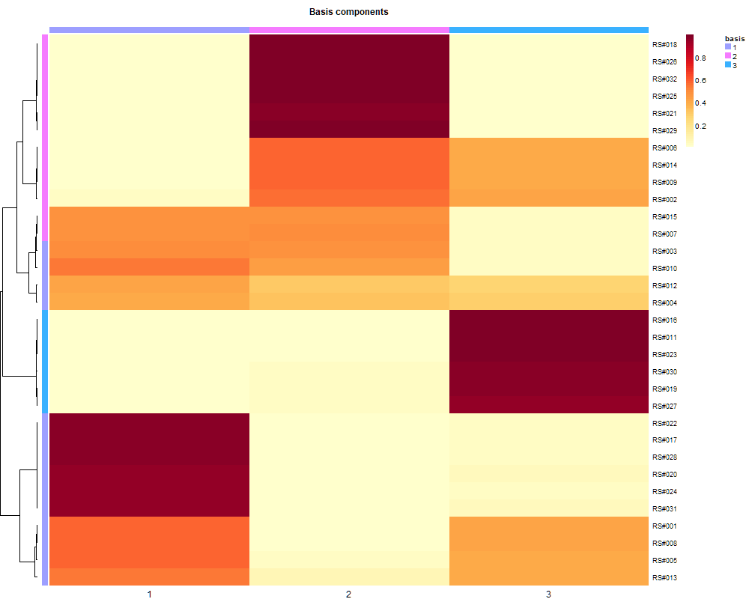
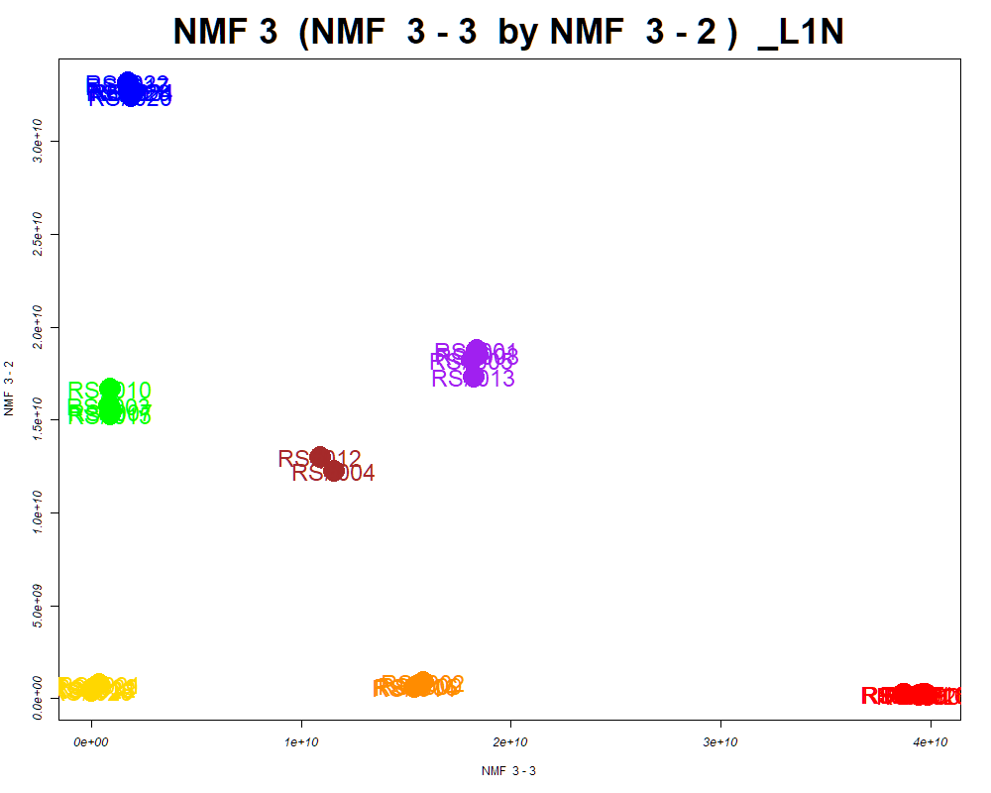
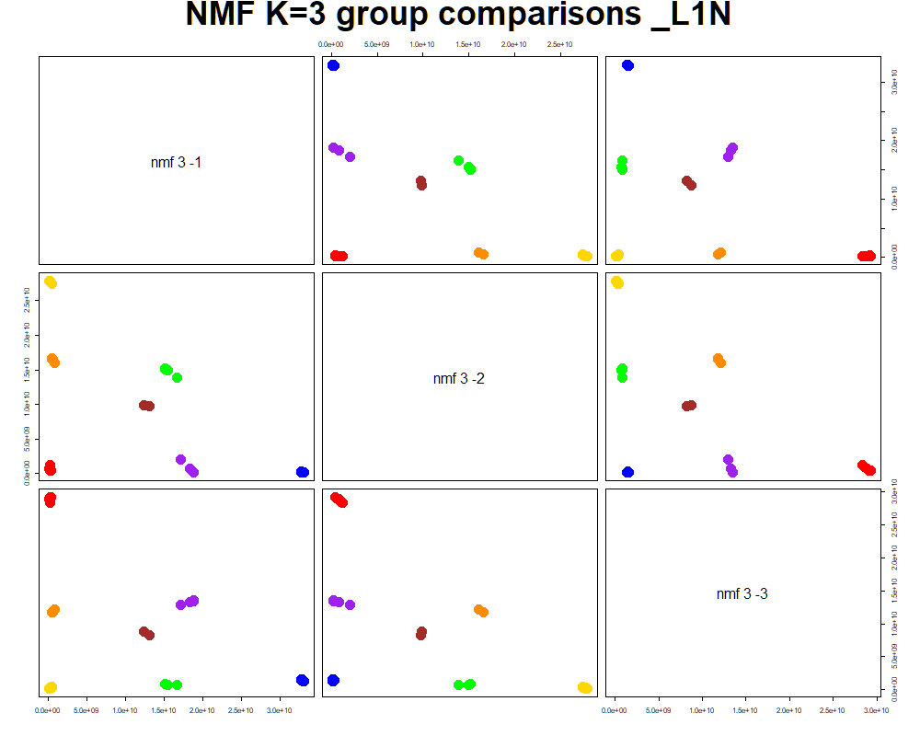
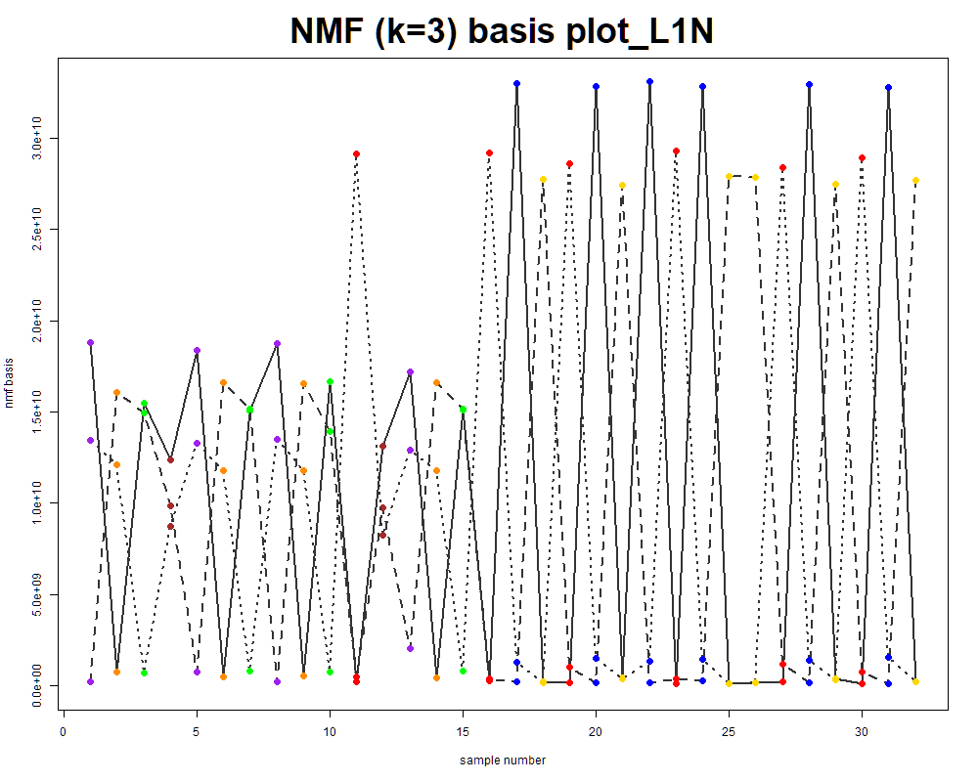
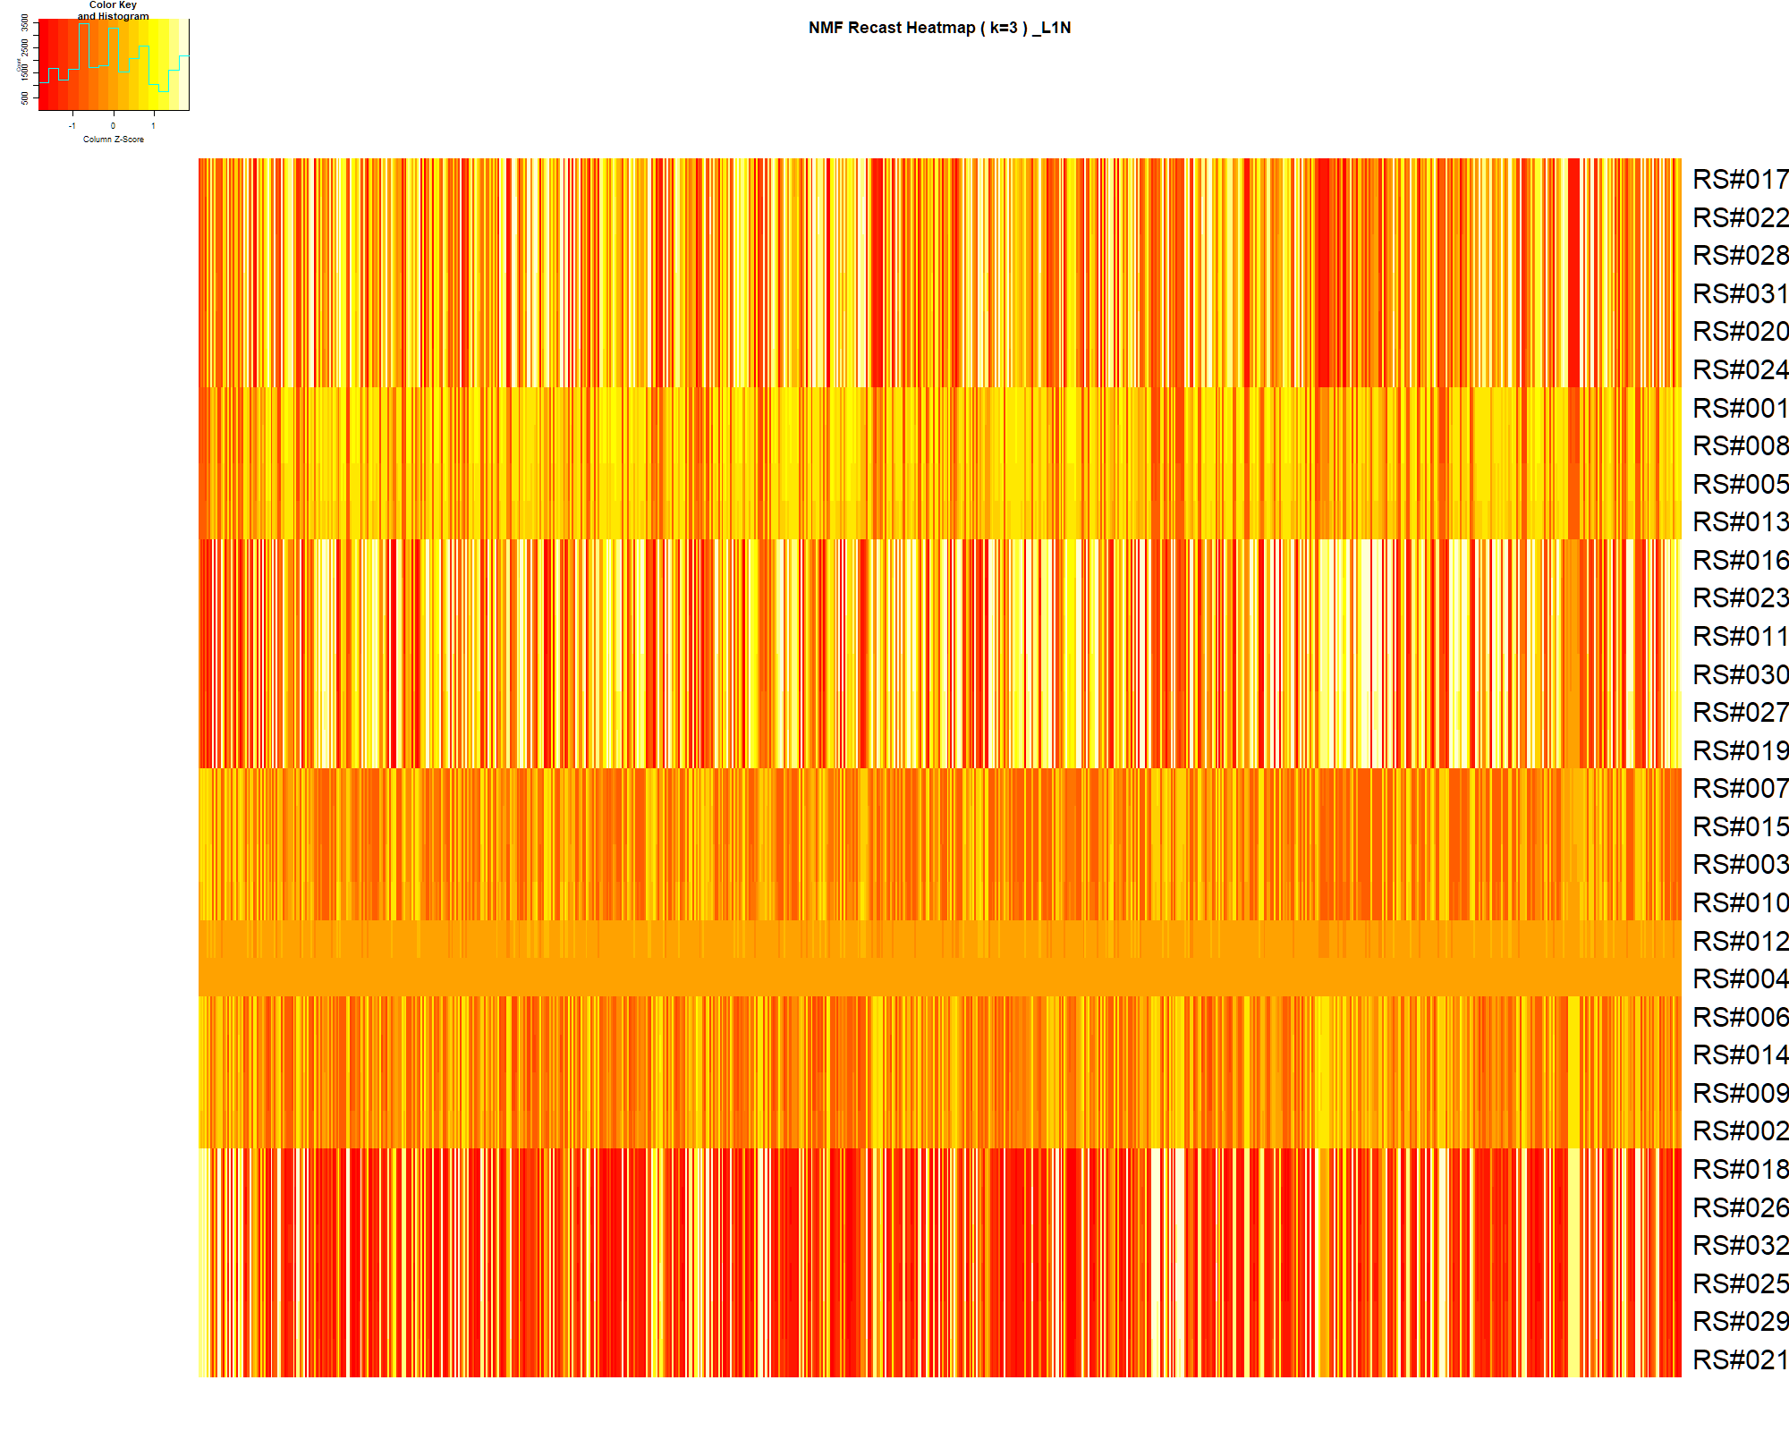

LabNum | BinID | Name | MF | BinC12mz | BinRT | nmf 3 -1 | nmf 3 -2 | nmf 3 -3 | Group |  | ExperimentalGroup | GroupFactor | nmf 3 -1 | nmf 3 -2 | nmf 3 -3 |  | p value
_L1N | LTRS_000012_SECIM-RP-Neg | Glycerylphosphorylethanolamine (M-H) | C5H14NO6P | 214.0486 | 0.69 | 8.8% | 24.1% | 67.2% | NotClr | RS#011 | GroupA | GroupA | 5.69E+08 | 2.07E+08 | 3.96E+10 | nmf 3 -1 | 3.20E-36
_L1N | LTRS_000017_SECIM-RP-Neg | Fumarate (M-H) | C4H4O4 | 115.0037 | 0.69 | 52.9% | 26.4% | 20.6% | - | RS#016 | GroupA | GroupA | 4.36E+08 | 2.44E+08 | 3.98E+10 | nmf 3 -2 | 8.90E-39
_L1N | LTRS_000018_SECIM-RP-Neg | L-Aspartate (M-H) | C4H7NO4 | 132.0302 | 0.69 | 70.5% | 19.9% | 9.6% | NotClr | RS#019 | GroupA | GroupA | 8.95E+08 | 2.19E+08 | 3.88E+10 | nmf 3 -3 | 3.19E-43
_L1N | LTRS_000024_SECIM-RP-Pos | Lys-Ser (M+H) | C9H19N3O4 | 234.1448 | 0.61 | 58.3% | 20.8% | 20.9% | - | RS#023 | GroupA | GroupA | 4.81E+08 | 1.51E+08 | 3.99E+10
_L1N | LTRS_000025_SECIM-RP-Neg | L-Glutamine (M-H) | C5H10N2O3 | 145.0619 | 0.70 | 5.6% | 65.9% | 28.5% | GroupB | RS#027 | GroupA | GroupA | 9.62E+08 | 2.25E+08 | 3.87E+10 | Average | 1.07E-36
_L1N | LTRS_000026_SECIM-RP-Neg | L-Homoserine (M-H) | C4H9NO3 | 118.0510 | 0.71 | 47.1% | 25.1% | 27.7% | - | RS#030 | GroupA | GroupA | 8.19E+08 | 1.68E+08 | 3.95E+10
_L1N | LTRS_000030_SECIM-RP-Neg | glycerophosphoglycerol (M-H) | C6H15O8P | 245.0432 | 0.72 | 13.5% | 39.8% | 46.6% | - | RS#017 | GroupB | GroupB | 1.37E+08 | 3.30E+10 | 1.75E+09
...

Random Forest
...
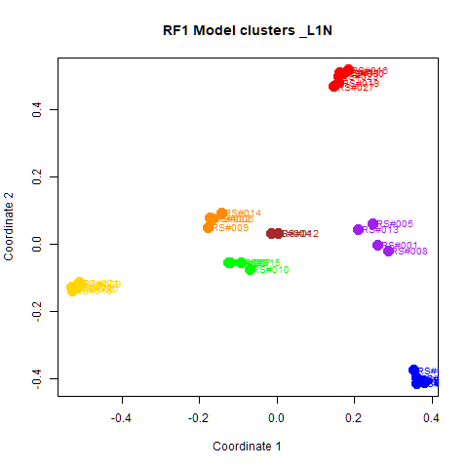
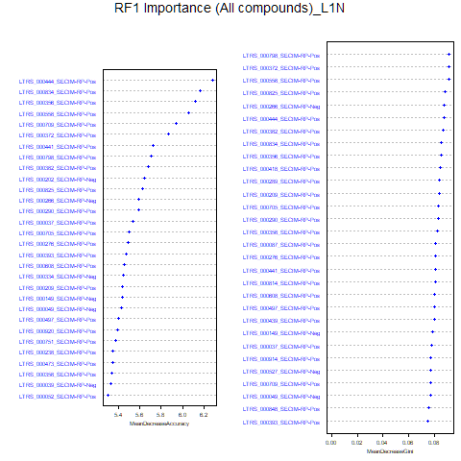
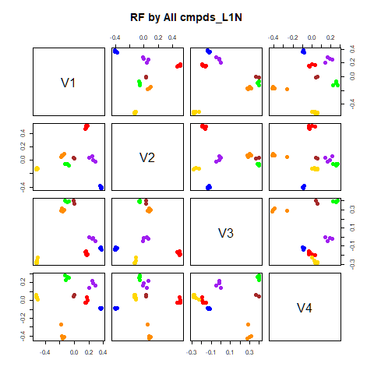
GroupD | GroupE | GroupF | GroupG | class.error
0 | 0 | 0 | 0 | 0
0 | 0 | 0 | 0 | 0
0 | 0 | 0 | 0 | 0
4 | 0 | 0 | 0 | 0
0 | 4 | 0 | 0 | 0
0 | 0 | 4 | 0 | 0
0 | 0 | 0 | 2 | 0
...
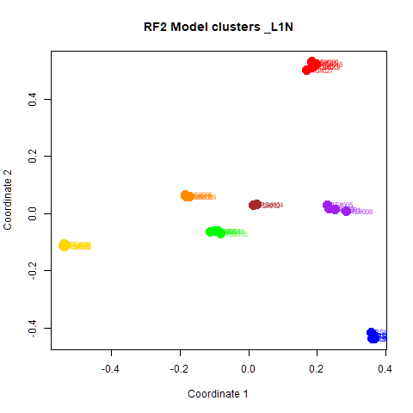
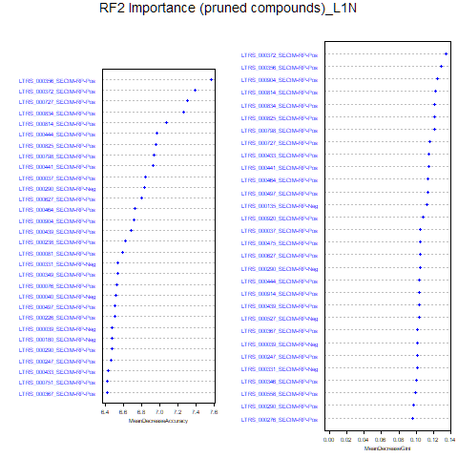
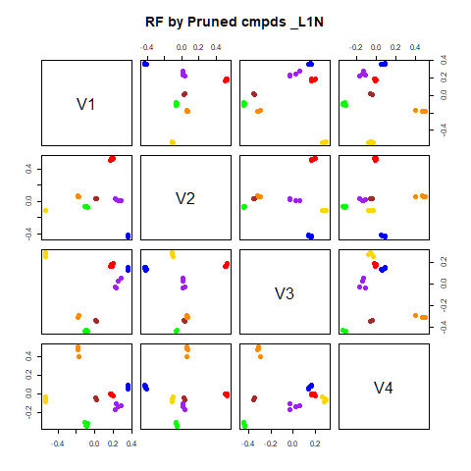
GroupD | GroupE | GroupF | GroupG | class.error
0 | 0 | 0 | 0 | 0
0 | 0 | 0 | 0 | 0
0 | 0 | 0 | 0 | 0
4 | 0 | 0 | 0 | 0
0 | 4 | 0 | 0 | 0
0 | 0 | 4 | 0 | 0
0 | 0 | 0 | 2 | 0

GroupC | GroupD | GroupE | GroupF | GroupG | MeanDecreaseAccuracy | MeanDecreaseGini |  | GroupA | GroupB | GroupC | GroupD | GroupE | GroupF | GroupG | MeanDecreaseAccuracy | MeanDecreaseGini
2.94032874713192 | 2.34736061426401 | 2.95365731636983 | 3.63567414530265 | 1.73291748303345 | 6.27477845967629 | 0.0875308057160355 | LTRS_000356_SECIM-RP-Pos | 4.242 | 4.533 | 3.741 | 3.647 | 4.124 | 4.172 | 2.832 | 7.569 | 0.129
3.4221277463065 | 2.66367645730677 | 3.07835467951409 | 4.05871669434974 | 1.73291748303345 | 6.16502484139642 | 0.085480447394596 | LTRS_000372_SECIM-RP-Pos | 5.347 | 4.463 | 3.690 | 2.431 | 3.459 | 3.674 | 2.832 | 7.394 | 0.135
2.75366176839108 | 2.06430705961193 | 2.84064520340907 | 3.76858008351362 | 0 | 6.11390717943167 | 0.085453852661425 | LTRS_000727_SECIM-RP-Pos | 4.603 | 4.036 | 3.965 | 2.714 | 4.535 | 3.985 | 1.733 | 7.306 | 0.116
3.14140431218772 | 2.66639009598435 | 1.73951318002576 | 4.49338769835184 | 2.23793369995829 | 6.05367972054704 | 0.0917290725909722 | LTRS_000834_SECIM-RP-Pos | 4.335 | 4.496 | 3.858 | 3.557 | 3.737 | 3.742 | 1.000 | 7.266 | 0.122
3.28744939993969 | 3.0494270008597 | 2.36194327704017 | 2.68650731839172 | 2.00133466814988 | 5.94134869404494 | 0.0770813283649042 | LTRS_000814_SECIM-RP-Pos | 5.161 | 4.310 | 4.209 | 2.649 | 2.941 | 3.838 | 2.238 | 7.075 | 0.123
3.39271992429478 | 1.73735963834978 | 2.26819972106002 | 3.86674271748013 | 1.63371942080257 | 5.86409302678441 | 0.0918083362137855 | LTRS_000444_SECIM-RP-Pos | 3.391 | 4.016 | 3.211 | 3.036 | 4.139 | 4.629 | 1.733 | 6.966 | 0.104
...

RF->NMF3
This tab has the report for k= 3

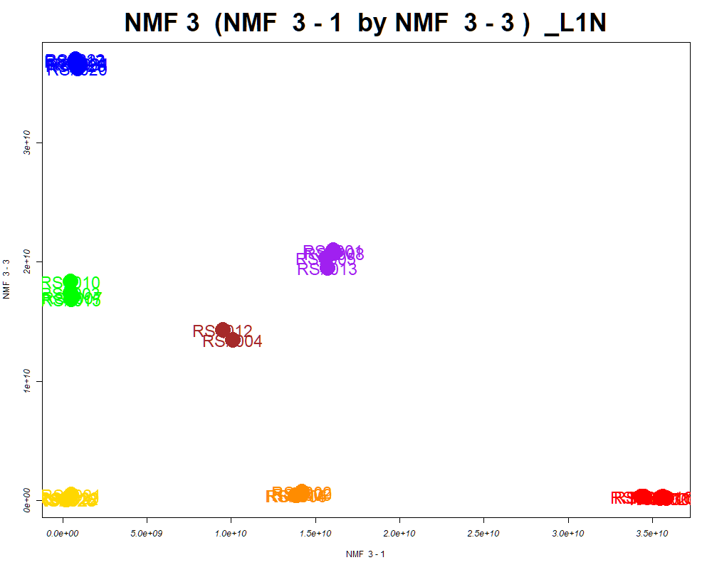

LabNum | BinID | Name | MF | BinC12mz | BinRT | nmf 3 -1 | nmf 3 -2 | nmf 3 -3 | Group |  | ExperimentalGroup | GroupFactor | nmf 3 -1
_L1N | LTRS_000012_SECIM-RP-Neg | Glycerylphosphorylethanolamine (M-H) | C5H14NO6P | 214.0486 | 0.69 | 69.8% | 8.7% | 21.5% | NotClr | RS#011 | GroupA | GroupA | 3.55E+10
_L1N | LTRS_000018_SECIM-RP-Neg | L-Aspartate (M-H) | C4H7NO4 | 132.0302 | 0.69 | 10.2% | 72.8% | 17.0% | GroupC | RS#016 | GroupA | GroupA | 3.56E+10
_L1N | LTRS_000019_SECIM-RP-Neg | 4-Phospho-D-Erythronohydroxamic Acid (M-H) | C4H10NO8P | 230.0071 | 0.69 | 57.4% | 27.4% | 15.1% | - | RS#019 | GroupA | GroupA | 3.45E+10
_L1N | LTRS_000025_SECIM-RP-Neg | L-Glutamine (M-H) | C5H10N2O3 | 145.0619 | 0.70 | 32.4% | 6.9% | 60.7% | NotClr | RS#023 | GroupA | GroupA | 3.58E+10
_L1N | LTRS_000026_SECIM-RP-Pos | Asn-Lys (M+H) | C10H20N4O4 | 261.1557 | 0.62 | 12.3% | 30.7% | 57.0% | - | RS#027 | GroupA | GroupA | 3.43E+10
_L1N | LTRS_000030_SECIM-RP-Neg | glycerophosphoglycerol (M-H) | C6H15O8P | 245.0432 | 0.72 | 50.2% | 14.3% | 35.4% | - | RS#030 | GroupA | GroupA | 3.55E+10
_L1N | LTRS_000036_SECIM-RP-Neg | (S)-malyl alpha-D-glucosaminide (M-H) | C10H17NO9 | 294.0831 | 0.72 | 14.6% | 44.0% | 41.4% | - | RS#017 | GroupB | GroupB | 7.47E+08
...

PCA
This tab shows results from PCA analyses on the two RF datasets.
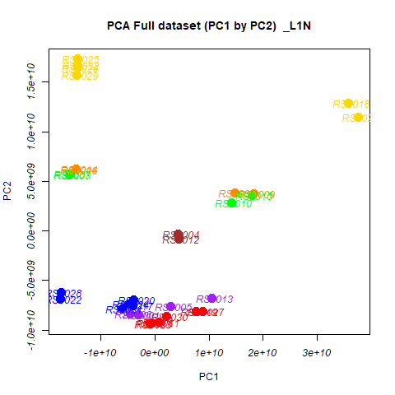
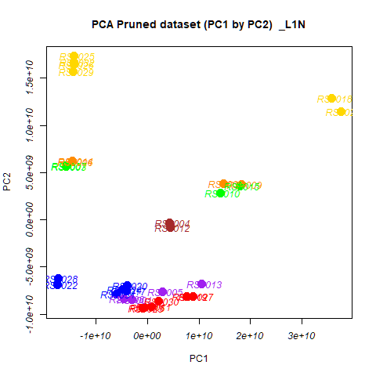
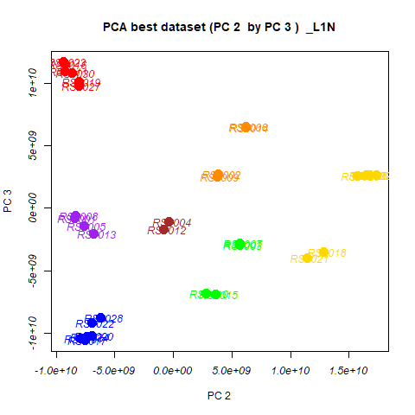
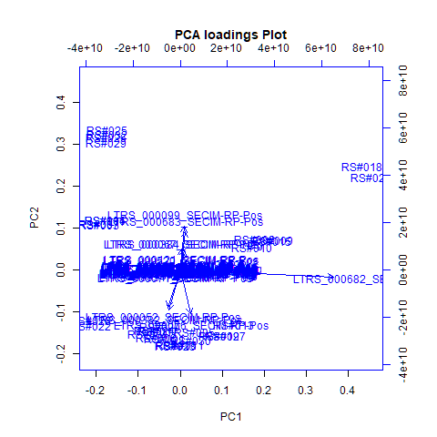
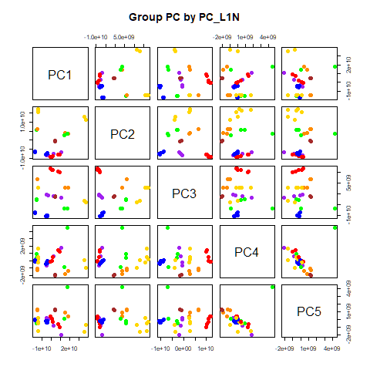
 | %TotVar | SD | p Design | p Lab1
PC1 | 60.24% | 1.45E+10 | 8.40E-01 | 8.40E-01
PC2 | 24.02% | 9.16E+09 | 1.18E-20 | 1.18E-20
PC3 | 14.59% | 7.14E+09 | 3.58E-14 | 3.58E-14
PC4 | 0.46% | 1.27E+09 | 7.57E-03 | 7.57E-03
PC5 | 0.36% | 1.12E+09 | 3.33E-02 | 3.33E-02
PC6 | 0.12% | 6.38E+08 | 3.65E-02 | 3.65E-02
PC7 | 0.08% | 5.34E+08 | 1.00E+00 | 1.00E+00
PC8 | 0.04% | 3.88E+08 | 6.45E-01 | 6.45E-01
PC9 | 0.03% | 3.01E+08 | 9.86E-01 | 9.86E-01
PC10 | 0.01% | 2.19E+08 | 6.78E-02 | 6.78E-02

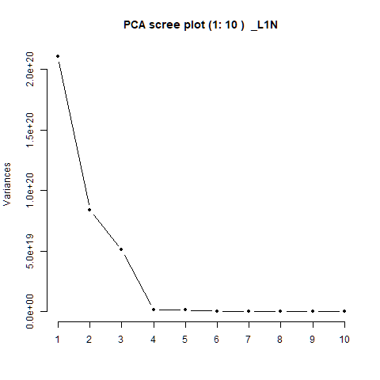
 |  | PC1 | PC2 | PC3 | PC4 | PC5 |  | PC1 | PC2 | PC3 | PC4 | PC5
 | LTRS_000001_SECIM-RP-Neg | 2.20E-06 | 5.87E-06 | 6.50E-06 | 6.71E-06 | 5.13E-06 | RS#001 | -2.98E+09 | -8.46E+09 | -7.79E+08 | -2.40E+08 | -4.55E+07
 | LTRS_000002_SECIM-RP-Neg | -3.79E-07 | -1.20E-05 | 1.86E-06 | -1.45E-04 | 1.34E-04 | RS#002 | 1.47E+10 | 3.84E+09 | 2.76E+09 | -1.82E+09 | 8.58E+08
 | LTRS_000003_SECIM-RP-Neg | 5.31E-06 | -1.79E-04 | 8.79E-05 | 2.83E-04 | -7.43E-05 | RS#003 | -1.57E+10 | 5.66E+09 | -2.93E+09 | 4.35E+08 | -2.42E+08
 | LTRS_000004_SECIM-RP-Neg | -2.88E-04 | -4.18E-03 | 9.47E-04 | 1.03E-03 | 2.82E-04 | RS#004 | 4.36E+09 | -3.48E+08 | -1.09E+09 | -1.93E+09 | 1.21E+09
 |  |  |  |  |  |  |  | 2.95E+09 | -7.63E+09 | -1.39E+09 | 5.82E+08 | -7.77E+08
 |  |  |  |  |  |  |  | -1.45E+10 | 6.15E+09 | 6.57E+09 | -1.24E+09 | 1.33E+09
 |  |  |  |  |  |  |  | -1.57E+10 | 5.69E+09 | -2.79E+09 | 9.14E+08 | -5.49E+08
 |  |  |  |  |  |  |  | -4.51E+09 | -8.34E+09 | -5.75E+08 | -6.00E+08 | 2.35E+08
 |  |  |  |  |  |  |  | 1.83E+10 | 3.72E+09 | 2.56E+09 | -1.38E+09 | 3.88E+08
 |  |  |  |  |  |  |  | 1.41E+10 | 2.80E+09 | -6.87E+09 | -8.48E+08 | 5.10E+07
 |  |  |  |  |  |  |  | 7.59E+08 | -9.25E+09 | 1.10E+10 | -1.45E+07 | 1.22E+08
 |  |  |  |  |  |  |  | 4.42E+09 | -8.22E+08 | -1.67E+09 | -2.04E+09 | 1.27E+09
 |  |  |  |  |  |  |  | 1.05E+10 | -6.80E+09 | -2.01E+09 | 1.79E+09 | -2.06E+09
 |  |  |  |  |  |  |  | -1.45E+10 | 6.21E+09 | 6.51E+09 | -1.02E+09 | 1.17E+09
 |  |  |  |  |  |  |  | 1.79E+10 | 3.59E+09 | -6.90E+09 | 4.50E+09 | 4.28E+09
 |  |  |  |  |  |  |  | -5.47E+08 | -9.26E+09 | 1.15E+10 | -1.34E+08 | 3.60E+08
 |  |  |  |  |  |  |  | -4.14E+09 | -7.56E+09 | -1.06E+10 | -3.81E+08 | -1.84E+08
 |  |  |  |  |  |  |  | 3.58E+10 | 1.28E+10 | -3.53E+09 | 3.54E+07 | -1.58E+09
 |  |  |  |  |  |  |  | 7.70E+09 | -8.09E+09 | 1.02E+10 | 1.43E+09 | -6.45E+08
...

PCA->NMF3
This tab has the report for k= 3

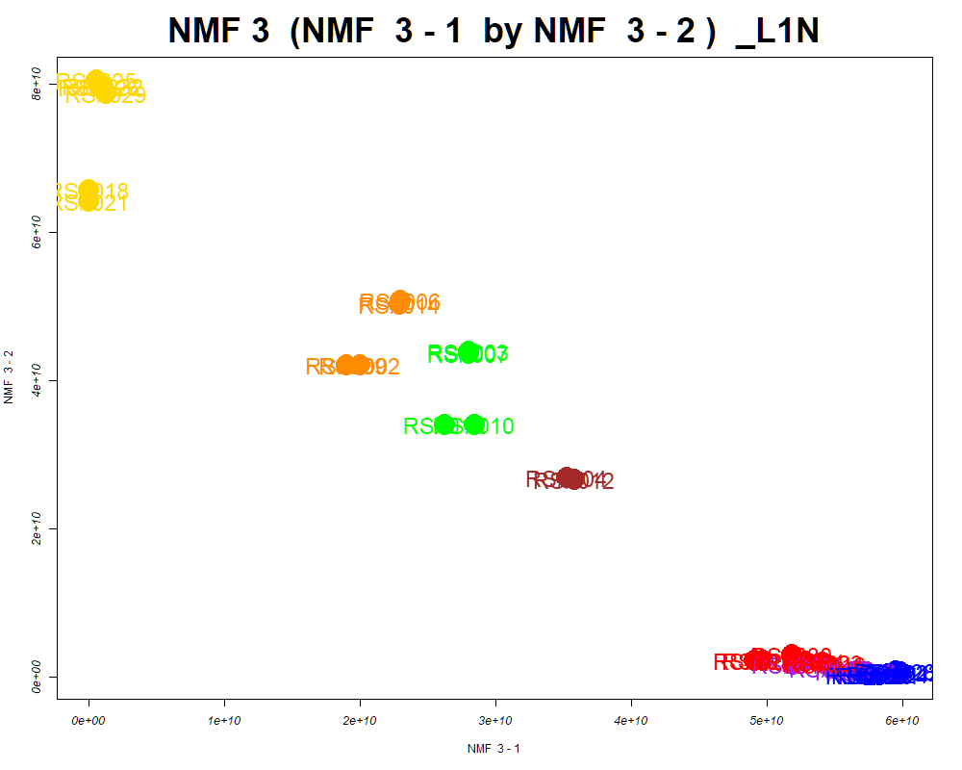

LabNum | BinID | Name | MF | BinC12mz | BinRT | nmf 3 -1 | nmf 3 -2 | nmf 3 -3 | Group |  | ExperimentalGroup | GroupFactor | nmf 3 -1
_L1N | LTRS_000004_SECIM-RP-Neg | C5H11NO11 (M-H) | C5H11NO11 | 260.0259 | 0.68 | 92.2% | 3.5% | 4.3% | NotClr | RS#011 | GroupA | GroupA | 5.29E+10
_L1N | LTRS_000012_SECIM-RP-Neg | Glycerylphosphorylethanolamine (M-H) | C5H14NO6P | 214.0486 | 0.69 | 79.2% | 8.6% | 12.2% | NotClr | RS#016 | GroupA | GroupA | 5.43E+10
_L1N | LTRS_000018_SECIM-RP-Neg | L-Aspartate (M-H) | C4H7NO4 | 132.0302 | 0.69 | 22.2% | 71.8% | 6.0% | GroupC | RS#019 | GroupA | GroupA | 4.98E+10
_L1N | LTRS_000025_SECIM-RP-Neg | L-Glutamine (M-H) | C5H10N2O3 | 145.0619 | 0.70 | 91.7% | 7.5% | 0.8% | NotClr | RS#023 | GroupA | GroupA | 5.41E+10
_L1N | LTRS_000025_SECIM-RP-Pos | Gly-lys (M+H) | C8H17N3O3 | 204.1343 | 0.61 | 66.3% | 33.7% | 0.0% | NotClr | RS#027 | GroupA | GroupA | 4.91E+10
_L1N | LTRS_000026_SECIM-RP-Neg | L-Homoserine (M-H) | C4H9NO3 | 118.0510 | 0.71 | 37.7% | 45.1% | 17.1% | - | RS#030 | GroupA | GroupA | 5.19E+10
_L1N | LTRS_000027_SECIM-RP-Neg | C6H14N6O3P2 (M-H) | C6H14N6O3P2 | 279.0530 | 0.71 | 25.2% | 22.3% | 52.5% | - | RS#017 | GroupB | GroupB | 5.74E+10
...

SOM
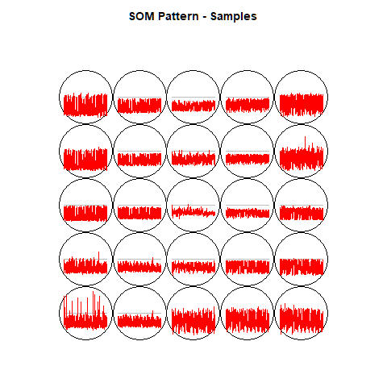
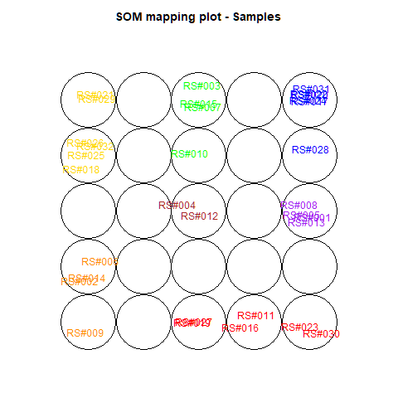
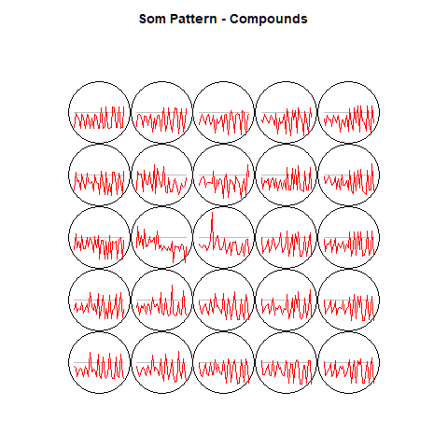
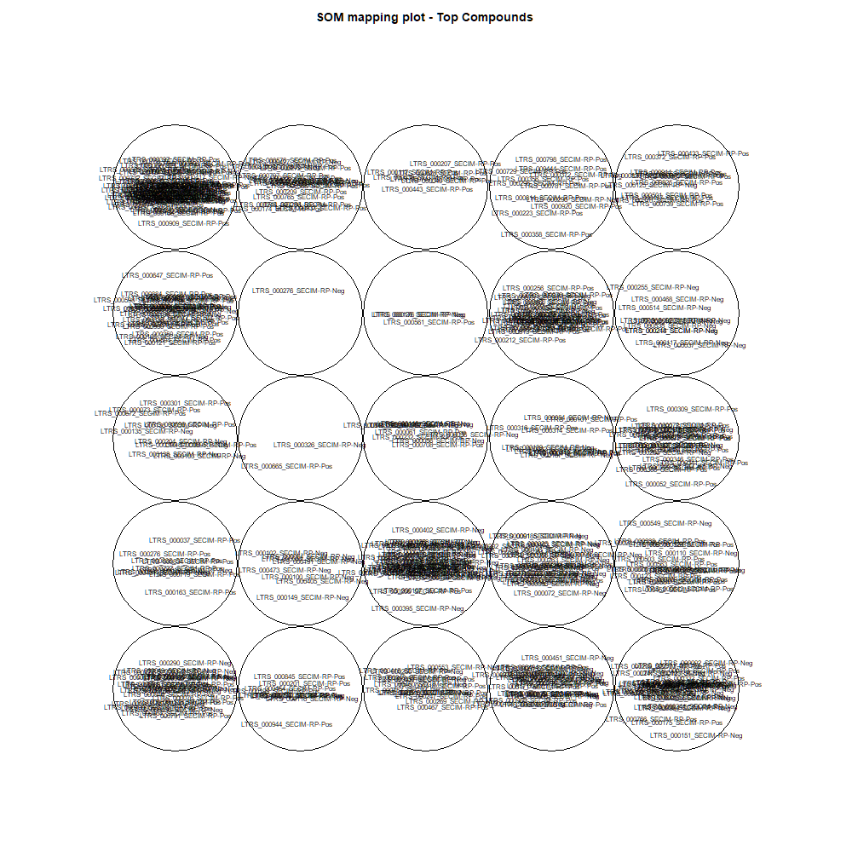
This tab show the output from a SOM analysis

NMF(full)->NMF3
This tab has the report for k= 3

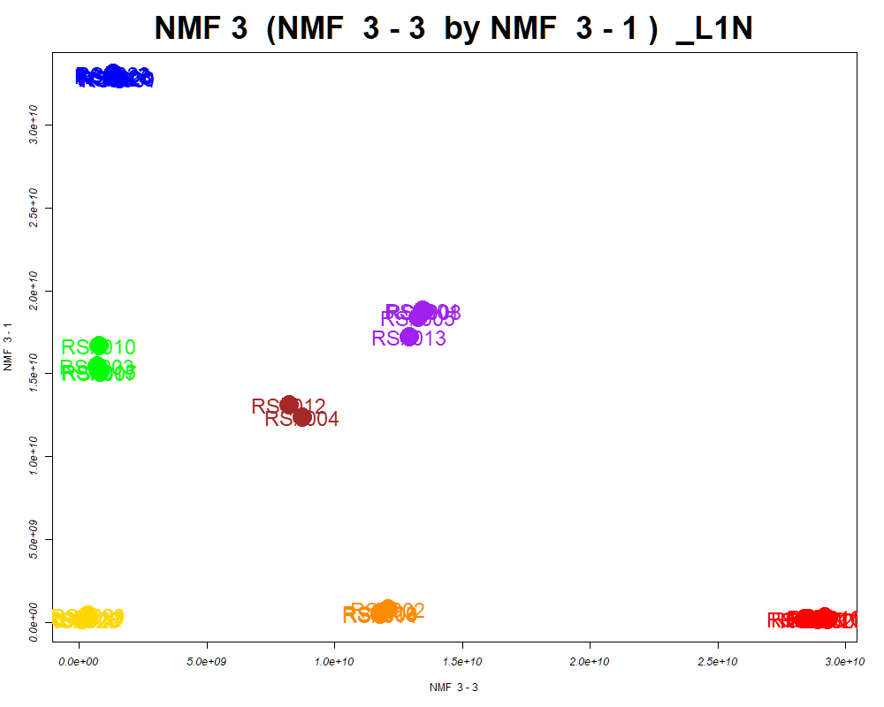

LabNum | BinID | Name | MF | BinC12mz | BinRT | nmf 3 -1 | nmf 3 -2 | nmf 3 -3 | Group |  | ExperimentalGroup | GroupFactor | nmf 3 -1
_L1N | LTRS_000001_SECIM-RP-Neg | Lys-Ser (M-H) | C9H19N3O4 | 232.1303 | 0.64 | 17.6% | 51.6% | 30.7% | - | RS#011 | GroupA | GroupA | 2.15E+08
_L1N | LTRS_000002_SECIM-RP-Neg | L-Lysine (M-H) | C6H14N2O2 | 145.0983 | 0.65 | 28.6% | 40.3% | 31.1% | - | RS#016 | GroupA | GroupA | 2.91E+08
_L1N | LTRS_000005_SECIM-RP-Neg | 3-Ureidopropionate (M-H) | C4H8N2O3 | 131.0462 | 0.67 | 24.1% | 47.3% | 28.6% | - | RS#019 | GroupA | GroupA | 2.05E+08
_L1N | LTRS_000005_SECIM-RP-Pos | Spermidine (M+H) | C7H19N3 | 146.1652 | 0.55 | 29.1% | 41.3% | 29.5% | - | RS#023 | GroupA | GroupA | 1.51E+08
_L1N | LTRS_000006_SECIM-RP-Neg | Dihydrouracil (M-H) | C4H6N2O2 | 113.0357 | 0.67 | 22.6% | 48.0% | 29.4% | - | RS#027 | GroupA | GroupA | 2.20E+08
_L1N | LTRS_000008_SECIM-RP-Neg | L-Arginine (M-H) | C6H14N4O2 | 173.1044 | 0.68 | 33.1% | 40.2% | 26.7% | - | RS#030 | GroupA | GroupA | 1.43E+08
_L1N | LTRS_000011_SECIM-RP-Neg | maleamate (M+e) | [C4H4NO3]- | 114.0197 | 0.68 | 21.1% | 57.2% | 21.7% | - | RS#017 | GroupB | GroupB | 3.30E+10
...

Scored_Cmpds
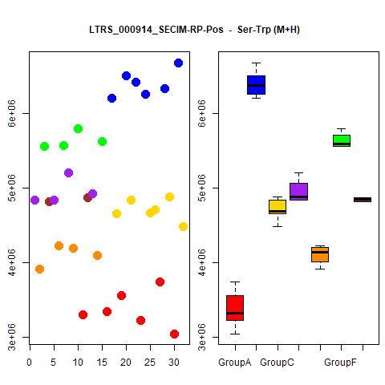
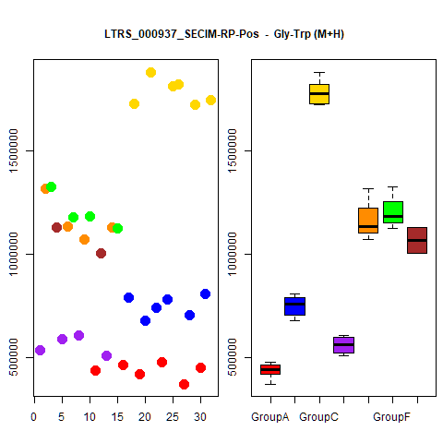
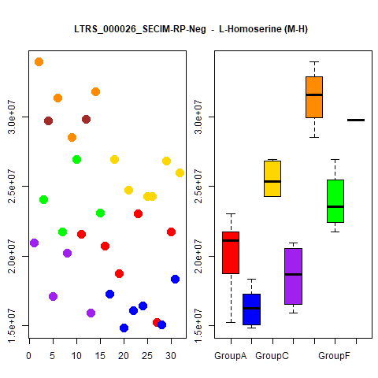
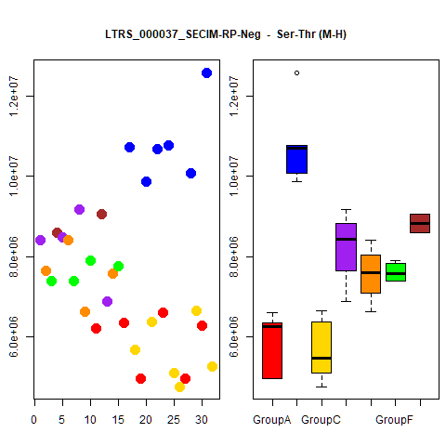
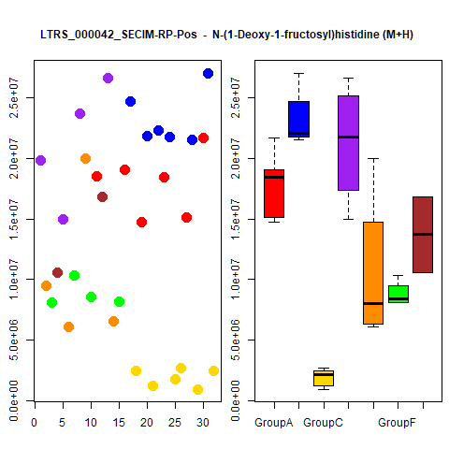
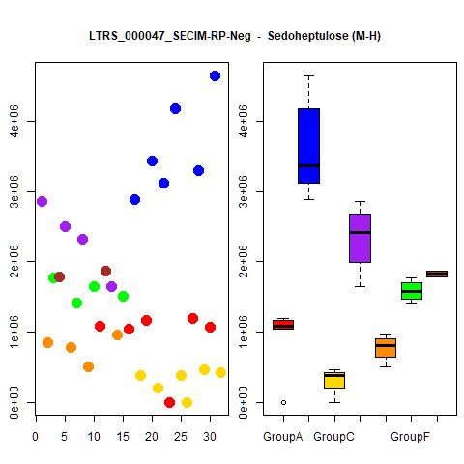
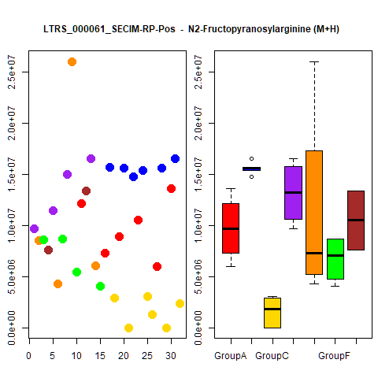
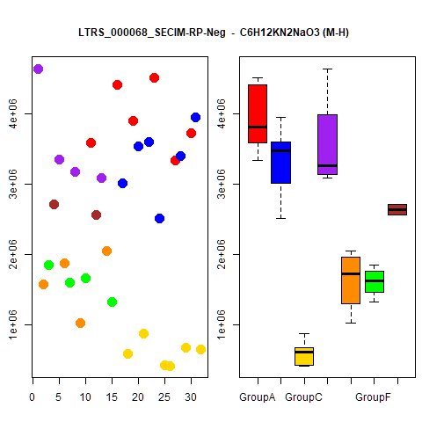
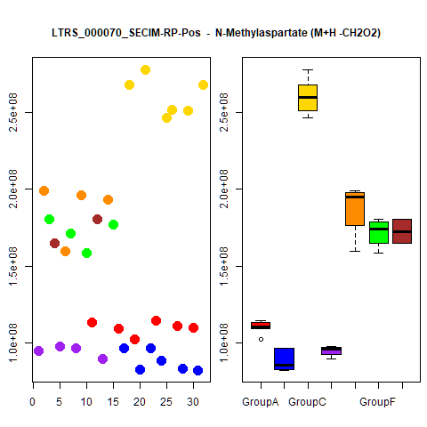
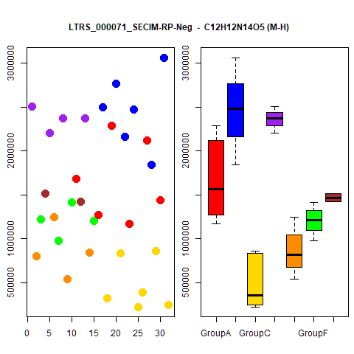
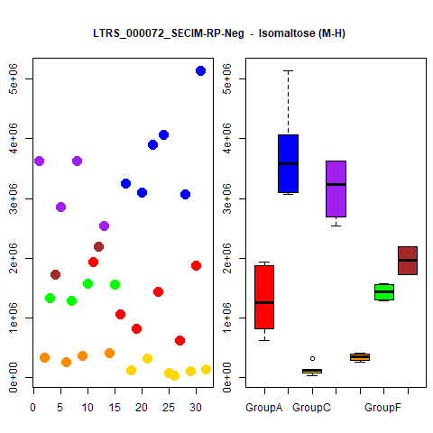
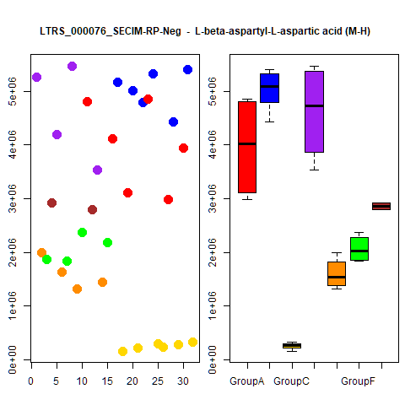
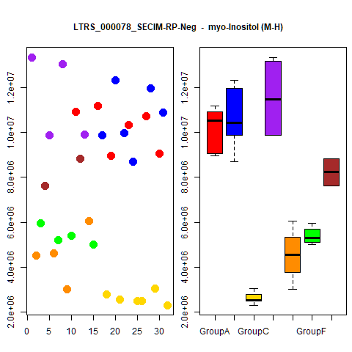
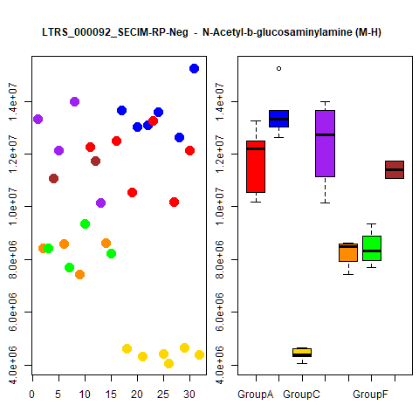
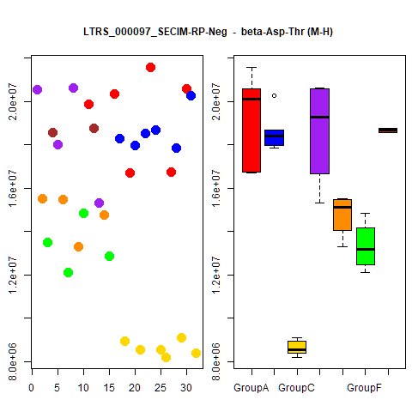
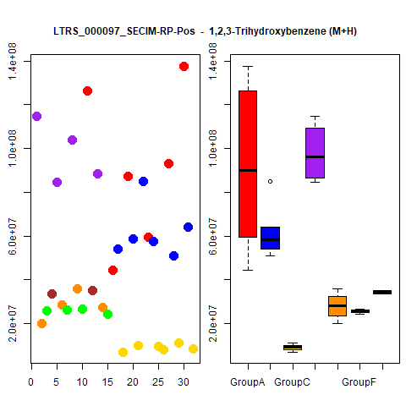
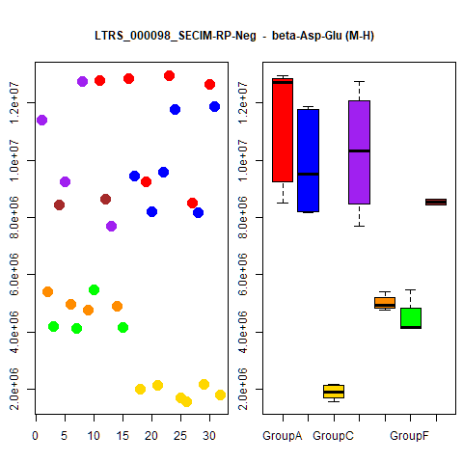
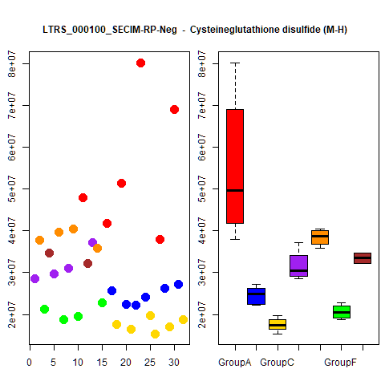
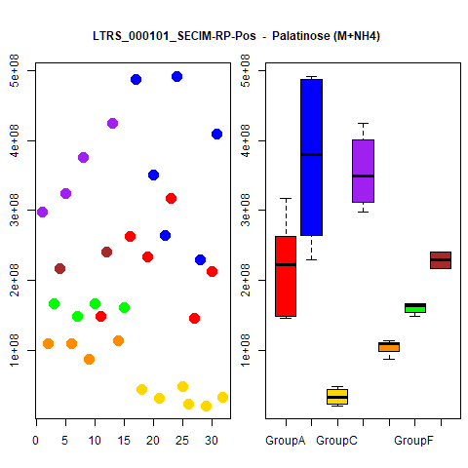
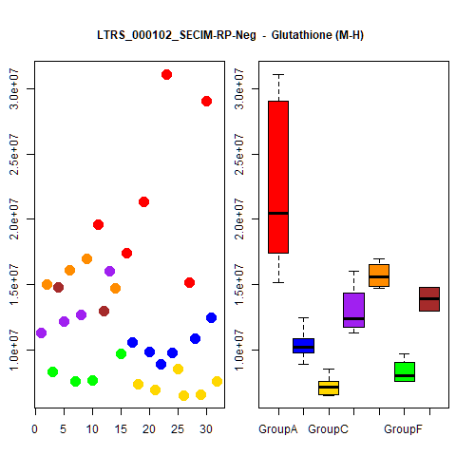
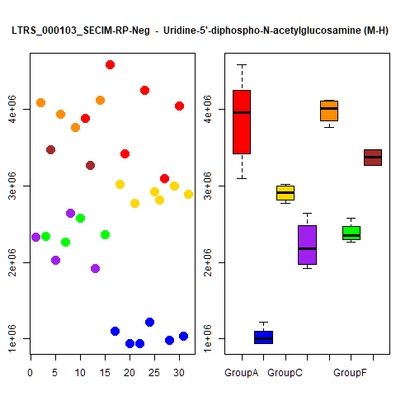
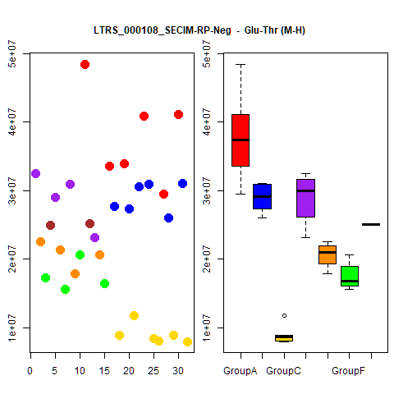
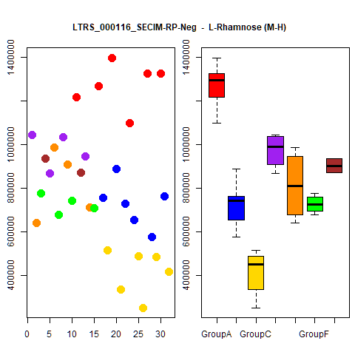



























































































































































































...




 |  |  | Count
1 | 1 | 1 | 4
1 | 1 | 1 | 4
1 | 1 | 1 | 4
1 | 1 | 1 | 4
1 | 1 | 1 | 4
1 | 1 | 1 | 4
1 | 1 | 1 | 4
1 | 1 | 1 | 4
1 | 1 | 1 | 4
1 | 1 | 1 | 4





1 | 1 | 1 | 4
1 | 1 | 1 | 4
1 | 1 | 1 | 4
1 | 1 | 1 | 4
1 | 1 | 1 | 4
1 | 1 | 1 | 4
1 | 1 | 1 | 4
1 | 1 | 1 | 4
1 | 1 | 1 | 4
1 | 1 | 1 | 4





1 | 1 | 1 | 4
1 | 1 | 1 | 4
1 | 1 | 1 | 4
1 | 1 | 1 | 4
1 | 1 | 1 | 4
1 | 1 | 1 | 4
1 | 1 | 1 | 4
1 | 1 | 1 | 4
1 | 1 | 1 | 4
1 | 1 | 1 | 4





1 | 1 | 1 | 4
1 | 1 | 1 | 4
1 | 1 | 1 | 4
1 | 1 | 1 | 4
1 | 1 | 1 | 4
1 | 1 | 1 | 4
1 | 1 | 1 | 4
1 | 1 | 1 | 4
1 | 1 | 1 | 4
1 | 1 | 1 | 4





1 | 1 | 1 | 4
1 | 1 | 1 | 4
1 | 1 | 1 | 4
1 | 1 | 1 | 4
1 | 1 | 1 | 4
1 | 1 | 1 | 4
1 | 1 | 1 | 4
1 | 1 | 1 | 4
1 | 1 | 1 | 4
1 | 1 | 1 | 4





1 | 1 | 1 | 4
1 | 1 | 1 | 4
1 | 1 | 1 | 4
1 | 1 | 1 | 4
1 | 1 | 1 | 4
1 | 1 | 1 | 4
1 | 1 | 1 | 4
1 | 1 | 1 | 4
1 | 0 | 1 | 3
1 | 0 | 1 | 3





1 | 0 | 1 | 3
1 | 0 | 1 | 3
1 | 0 | 1 | 3
1 | 0 | 1 | 3
1 | 0 | 1 | 3
1 | 0 | 1 | 3
1 | 0 | 1 | 3
1 | 0 | 1 | 3
1 | 0 | 1 | 3
1 | 0 | 1 | 3





1 | 0 | 1 | 3
1 | 0 | 1 | 3
1 | 0 | 1 | 3
1 | 0 | 1 | 3
1 | 0 | 1 | 3
1 | 0 | 1 | 3
1 | 0 | 1 | 3
1 | 0 | 1 | 3
1 | 0 | 1 | 3
1 | 0 | 1 | 3





1 | 0 | 1 | 3
1 | 0 | 1 | 3
1 | 0 | 1 | 3
1 | 0 | 1 | 3
1 | 0 | 1 | 3
1 | 0 | 1 | 3
1 | 0 | 1 | 3
1 | 0 | 1 | 3
1 | 0 | 1 | 3
1 | 0 | 1 | 3





1 | 0 | 1 | 3
1 | 0 | 1 | 3
1 | 0 | 1 | 3
1 | 0 | 1 | 3
1 | 0 | 1 | 3
1 | 0 | 1 | 3
1 | 1 | 0 | 3
1 | 0 | 1 | 3
1 | 0 | 1 | 3
1 | 0 | 1 | 3





1 | 0 | 1 | 3
1 | 0 | 1 | 3
1 | 0 | 1 | 3
1 | 0 | 1 | 3
1 | 0 | 1 | 3
1 | 0 | 1 | 3
1 | 1 | 0 | 3
1 | 0 | 1 | 3
1 | 0 | 1 | 3
1 | 0 | 1 | 3





1 | 0 | 1 | 3
1 | 0 | 1 | 3
1 | 0 | 1 | 3
1 | 0 | 1 | 3
1 | 0 | 1 | 3
1 | 0 | 1 | 3
1 | 0 | 1 | 3
1 | 0 | 1 | 3
1 | 0 | 1 | 3
1 | 0 | 1 | 3





1 | 0 | 1 | 3
1 | 0 | 1 | 3
1 | 0 | 1 | 3
1 | 0 | 1 | 3
1 | 1 | 0 | 3
1 | 1 | 0 | 3
1 | 1 | 0 | 3
1 | 0 | 1 | 3
1 | 0 | 1 | 3
1 | 1 | 0 | 3





1 | 1 | 0 | 3
1 | 1 | 0 | 3
1 | 0 | 1 | 3
1 | 0 | 1 | 3
1 | 0 | 1 | 3
1 | 0 | 1 | 3
1 | 1 | 0 | 3
1 | 0 | 1 | 3
1 | 1 | 0 | 3
1 | 0 | 1 | 3





1 | 0 | 1 | 3
1 | 0 | 1 | 3
1 | 0 | 1 | 3
1 | 0 | 1 | 3
1 | 0 | 1 | 3
1 | 0 | 1 | 3
1 | 1 | 0 | 3
1 | 0 | 1 | 3
1 | 0 | 1 | 3
1 | 0 | 1 | 3





1 | 1 | 0 | 3
1 | 1 | 0 | 3
1 | 0 | 1 | 3
1 | 0 | 1 | 3
1 | 0 | 1 | 3
1 | 0 | 1 | 3
1 | 0 | 1 | 3
1 | 0 | 1 | 3
1 | 1 | 0 | 3
1 | 1 | 0 | 3





1 | 1 | 0 | 3
1 | 0 | 1 | 3
1 | 0 | 1 | 3
1 | 0 | 1 | 3
1 | 1 | 0 | 3
1 | 1 | 0 | 3
1 | 0 | 1 | 3
1 | 0 | 1 | 3
1 | 0 | 1 | 3
1 | 0 | 1 | 3





1 | 0 | 1 | 3
1 | 0 | 1 | 3
1 | 1 | 0 | 3
1 | 0 | 1 | 3
1 | 0 | 1 | 3
1 | 0 | 1 | 3
1 | 0 | 1 | 3
1 | 1 | 0 | 3
1 | 0 | 1 | 3
1 | 0 | 1 | 3





1 | 0 | 1 | 3
1 | 0 | 1 | 3
1 | 0 | 1 | 3
1 | 0 | 1 | 3
1 | 0 | 1 | 3
1 | 0 | 1 | 3
1 | 0 | 1 | 3
1 | 1 | 0 | 3
1 | 1 | 0 | 3
1 | 0 | 1 | 3





1 | 0 | 1 | 3
1 | 1 | 0 | 3
1 | 0 | 1 | 3
1 | 0 | 1 | 3
1 | 0 | 1 | 3
1 | 0 | 1 | 3
1 | 1 | 0 | 3
1 | 1 | 0 | 3
1 | 0 | 1 | 3
1 | 0 | 1 | 3





1 | 1 | 0 | 3
1 | 0 | 1 | 3
1 | 0 | 1 | 3
1 | 0 | 1 | 3
1 | 1 | 0 | 3
1 | 0 | 1 | 3
1 | 1 | 0 | 3
1 | 1 | 0 | 3
1 | 0 | 1 | 3
1 | 0 | 1 | 3





1 | 0 | 1 | 3
1 | 0 | 1 | 3
1 | 1 | 0 | 3
1 | 1 | 0 | 3
1 | 1 | 0 | 3
1 | 1 | 0 | 3
0 | 0 | 1 | 2
1 | 0 | 0 | 2
0 | 0 | 1 | 2
1 | 0 | 0 | 2





1 | 0 | 1 | 2
1 | 0 | 0 | 2
0 | 0 | 1 | 2
1 | 0 | 0 | 2
1 | 0 | 0 | 2
1 | 0 | 0 | 2
1 | 0 | 0 | 2
1 | 0 | 0 | 2
0 | 0 | 1 | 2
1 | 0 | 1 | 2





1 | 0 | 0 | 2
1 | 0 | 1 | 2
1 | 0 | 1 | 2
1 | 0 | 1 | 2
1 | 0 | 0 | 2
0 | 0 | 1 | 2
1 | 0 | 0 | 2
1 | 0 | 0 | 2
1 | 0 | 0 | 2
1 | 0 | 0 | 2





1 | 0 | 0 | 2
1 | 0 | 0 | 2
1 | 0 | 0 | 2
1 | 0 | 0 | 2
1 | 0 | 0 | 2
1 | 0 | 0 | 2
1 | 0 | 0 | 2
1 | 0 | 0 | 2
1 | 0 | 0 | 2
1 | 0 | 0 | 2





1 | 0 | 0 | 2
1 | 0 | 0 | 2
1 | 0 | 0 | 2
1 | 0 | 0 | 2
1 | 0 | 0 | 2
1 | 0 | 0 | 2
1 | 0 | 0 | 2
1 | 0 | 1 | 2
1 | 0 | 0 | 2
1 | 0 | 1 | 2





1 | 0 | 1 | 2
1 | 0 | 0 | 2
1 | 0 | 0 | 2
1 | 0 | 0 | 2
1 | 0 | 0 | 2
1 | 0 | 0 | 2
1 | 0 | 0 | 2
1 | 0 | 0 | 2
1 | 0 | 1 | 2
1 | 0 | 1 | 2





0 | 0 | 1 | 2
1 | 0 | 0 | 2
1 | 0 | 0 | 2
1 | 0 | 0 | 2
1 | 0 | 0 | 2
1 | 0 | 0 | 2
1 | 0 | 1 | 2
1 | 0 | 0 | 2
0 | 0 | 1 | 2
1 | 0 | 0 | 2





0 | 0 | 1 | 2
1 | 0 | 0 | 2
1 | 0 | 0 | 2
1 | 0 | 0 | 2
0 | 0 | 1 | 2
1 | 0 | 0 | 2
1 | 0 | 0 | 2
1 | 0 | 0 | 2
1 | 0 | 0 | 2
0 | 0 | 1 | 2





1 | 0 | 0 | 2
1 | 0 | 0 | 2
1 | 0 | 0 | 2
1 | 0 | 0 | 2
1 | 0 | 0 | 2
1 | 0 | 0 | 2
1 | 0 | 0 | 2
1 | 0 | 0 | 2
1 | 0 | 0 | 2
1 | 0 | 1 | 2





1 | 0 | 1 | 2
1 | 0 | 0 | 2
1 | 0 | 0 | 2
1 | 0 | 0 | 2
1 | 0 | 0 | 2
1 | 0 | 0 | 2
1 | 0 | 0 | 2
1 | 0 | 0 | 2
1 | 0 | 0 | 2
1 | 0 | 0 | 2





1 | 0 | 0 | 2
1 | 0 | 0 | 2
0 | 0 | 1 | 2
1 | 0 | 0 | 2
1 | 0 | 0 | 2
1 | 0 | 0 | 2
1 | 0 | 0 | 2
1 | 0 | 0 | 2
1 | 0 | 0 | 2
1 | 0 | 0 | 2





1 | 0 | 0 | 2
1 | 0 | 0 | 2
1 | 0 | 0 | 2
1 | 0 | 0 | 2
1 | 0 | 0 | 2
1 | 0 | 1 | 2
1 | 0 | 0 | 2
1 | 0 | 0 | 2
1 | 0 | 0 | 2
1 | 0 | 0 | 2





1 | 0 | 0 | 2
1 | 0 | 0 | 2
1 | 0 | 0 | 2
1 | 0 | 0 | 2
1 | 0 | 0 | 2
1 | 0 | 0 | 2
1 | 0 | 0 | 2
1 | 0 | 0 | 2
1 | 0 | 0 | 2
1 | 0 | 0 | 2





1 | 0 | 0 | 2
1 | 0 | 0 | 2
0 | 0 | 1 | 2
0 | 0 | 1 | 2
1 | 0 | 0 | 2
1 | 0 | 0 | 2
1 | 0 | 0 | 2
1 | 0 | 0 | 2
1 | 0 | 1 | 2
1 | 0 | 0 | 2





1 | 0 | 0 | 2
1 | 0 | 0 | 2
1 | 0 | 1 | 2
1 | 0 | 0 | 2
1 | 0 | 0 | 2
1 | 0 | 0 | 2
1 | 0 | 0 | 2
1 | 0 | 0 | 2
1 | 0 | 0 | 2
1 | 0 | 0 | 2





1 | 0 | 0 | 2
1 | 0 | 0 | 2
1 | 0 | 0 | 2
1 | 0 | 0 | 2
1 | 0 | 0 | 2
1 | 0 | 0 | 2
1 | 0 | 1 | 2
1 | 0 | 0 | 2
1 | 0 | 0 | 2
1 | 0 | 0 | 2





1 | 0 | 1 | 2
1 | 0 | 0 | 2
1 | 0 | 0 | 2
1 | 0 | 0 | 2
1 | 0 | 0 | 2
1 | 0 | 1 | 2
1 | 0 | 0 | 2
1 | 0 | 0 | 2
1 | 0 | 0 | 2
1 | 0 | 0 | 2





1 | 0 | 0 | 2
1 | 0 | 0 | 2
1 | 0 | 0 | 2
1 | 0 | 0 | 2
1 | 0 | 0 | 2
1 | 0 | 0 | 2
1 | 0 | 0 | 2
1 | 0 | 0 | 2
1 | 0 | 0 | 2
1 | 0 | 0 | 2





1 | 0 | 0 | 2
1 | 0 | 0 | 2
1 | 0 | 0 | 2
1 | 0 | 0 | 2
1 | 0 | 0 | 2
1 | 0 | 0 | 2
1 | 0 | 0 | 2
1 | 0 | 0 | 2
1 | 0 | 0 | 2
1 | 0 | 0 | 2





1 | 0 | 0 | 2
1 | 0 | 0 | 2
1 | 0 | 0 | 2
1 | 0 | 0 | 2
1 | 0 | 0 | 2
1 | 0 | 0 | 2
1 | 0 | 0 | 2
1 | 0 | 0 | 2
1 | 0 | 0 | 2
1 | 0 | 0 | 2





1 | 0 | 0 | 2
1 | 0 | 0 | 2
1 | 0 | 0 | 2
1 | 0 | 0 | 2
1 | 0 | 0 | 2
1 | 0 | 0 | 2
1 | 0 | 0 | 2
1 | 0 | 0 | 2
1 | 0 | 0 | 2
1 | 0 | 0 | 2





1 | 0 | 0 | 2
1 | 0 | 0 | 2
1 | 0 | 0 | 2
1 | 0 | 0 | 2

Grouped_Cmpds








...
RF | PCA | NMF3 | NMF2 | Count
 |  | GroupB |  | 2
 |  | GroupB |  | 2
 |  | GroupB |  | 2
GroupC | GroupC |  |  | 2
 |  | GroupB |  | 2
 |  | GroupB |  | 2
GroupC | GroupC |  |  | 2
GroupC | GroupC |  |  | 2
 |  | GroupB |  | 2
 |  |  |  | 1

 |  |  |  | 1
 |  |  |  | 1
 |  | GroupB |  | 1
 |  |  |  | 1
 |  |  |  | 1
 |  |  |  | 1
GroupC |  |  |  | 1
 |  |  |  | 1
 |  |  |  | 1
 |  |  |  | 1
GroupC |  |  |  | 1
 |  |  |  | 1
 |  |  |  | 1
 |  |  |  | 1
GroupC |  |  |  | 1
GroupC |  |  |  | 1
GroupC |  |  |  | 1
GroupC |  |  |  | 1
 |  |  |  | 1
 |  |  |  | 1
...
RF | PCA | NMF3 | NMF2 | Count
GroupC |  |  |  | 1
 |  |  |  | 1
 |  |  |  | 1
 |  |  |  | 1
 |  |  |  | 1
 |  |  |  | 1
GroupC |  |  |  | 1
GroupC |  |  |  | 1
GroupC |  |  |  | 1
GroupC |  |  |  | 1


 |  |  |  | 1
GroupC |  |  |  | 1
 |  |  |  | 1
GroupC |  |  |  | 1
GroupC |  |  |  | 1
GroupC |  |  |  | 1
 |  |  |  | 1
GroupC |  |  |  | 1
 |  | GroupB |  | 1
GroupC |  |  |  | 1
GroupC |  |  |  | 1
GroupC |  |  |  | 1
 |  | GroupB |  | 1
GroupC |  |  |  | 1
GroupC |  |  |  | 1
GroupC |  |  |  | 1
 |  |  |  | 1
GroupC |  |  |  | 1
 |  |  |  | 1
 |  |  |  | 1
...
 |  |  | NMF2 | Count
 |  |  |  | 1
 |  |  |  | 1
 |  |  |  | 1
 |  |  |  | 1
 |  |  |  | 1

