Setup
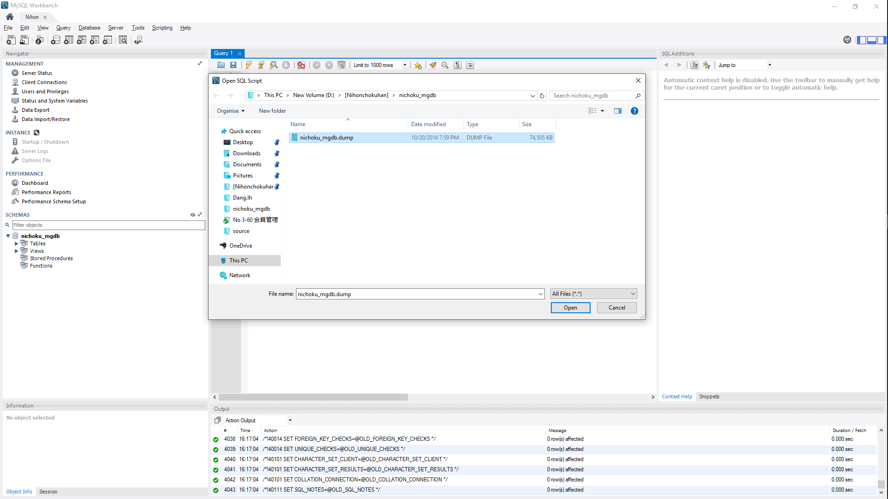
First, setup database .
- Create a database named nichoku_mgdb.
- Import data from files into the database nichoku_mgdb.dump

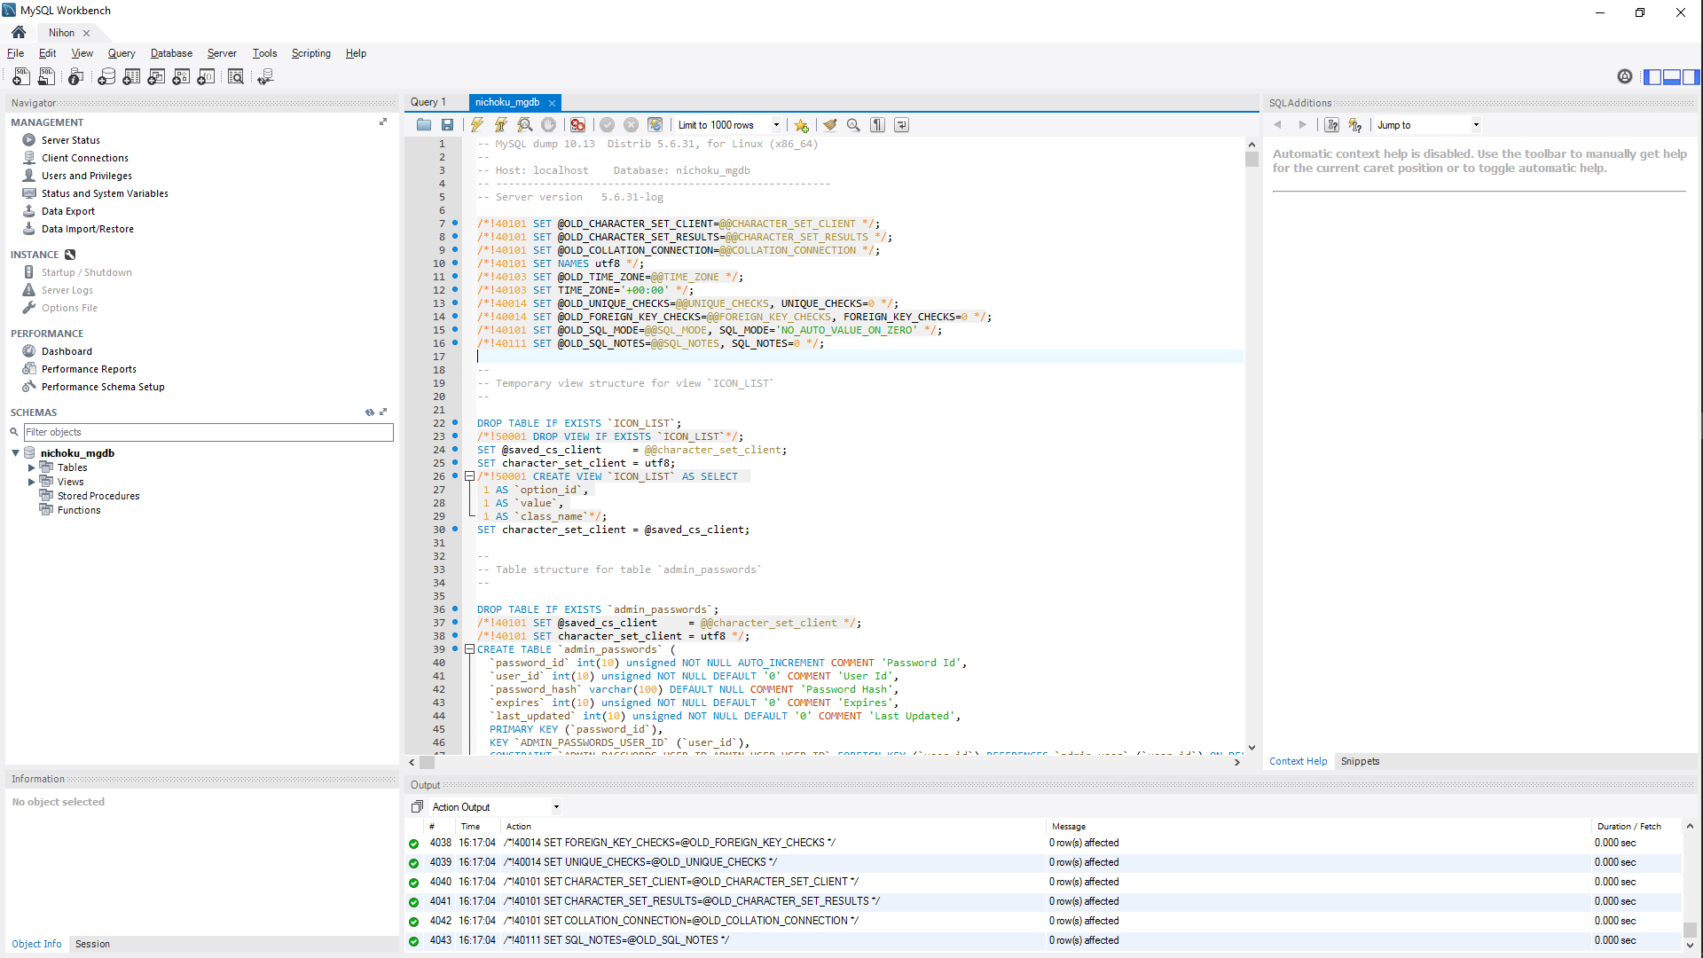

Run script

After install the database is complete, the link setup localhost start magento follow these steps

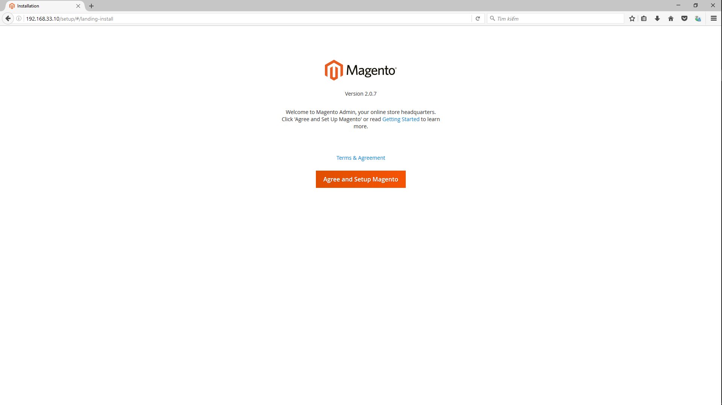

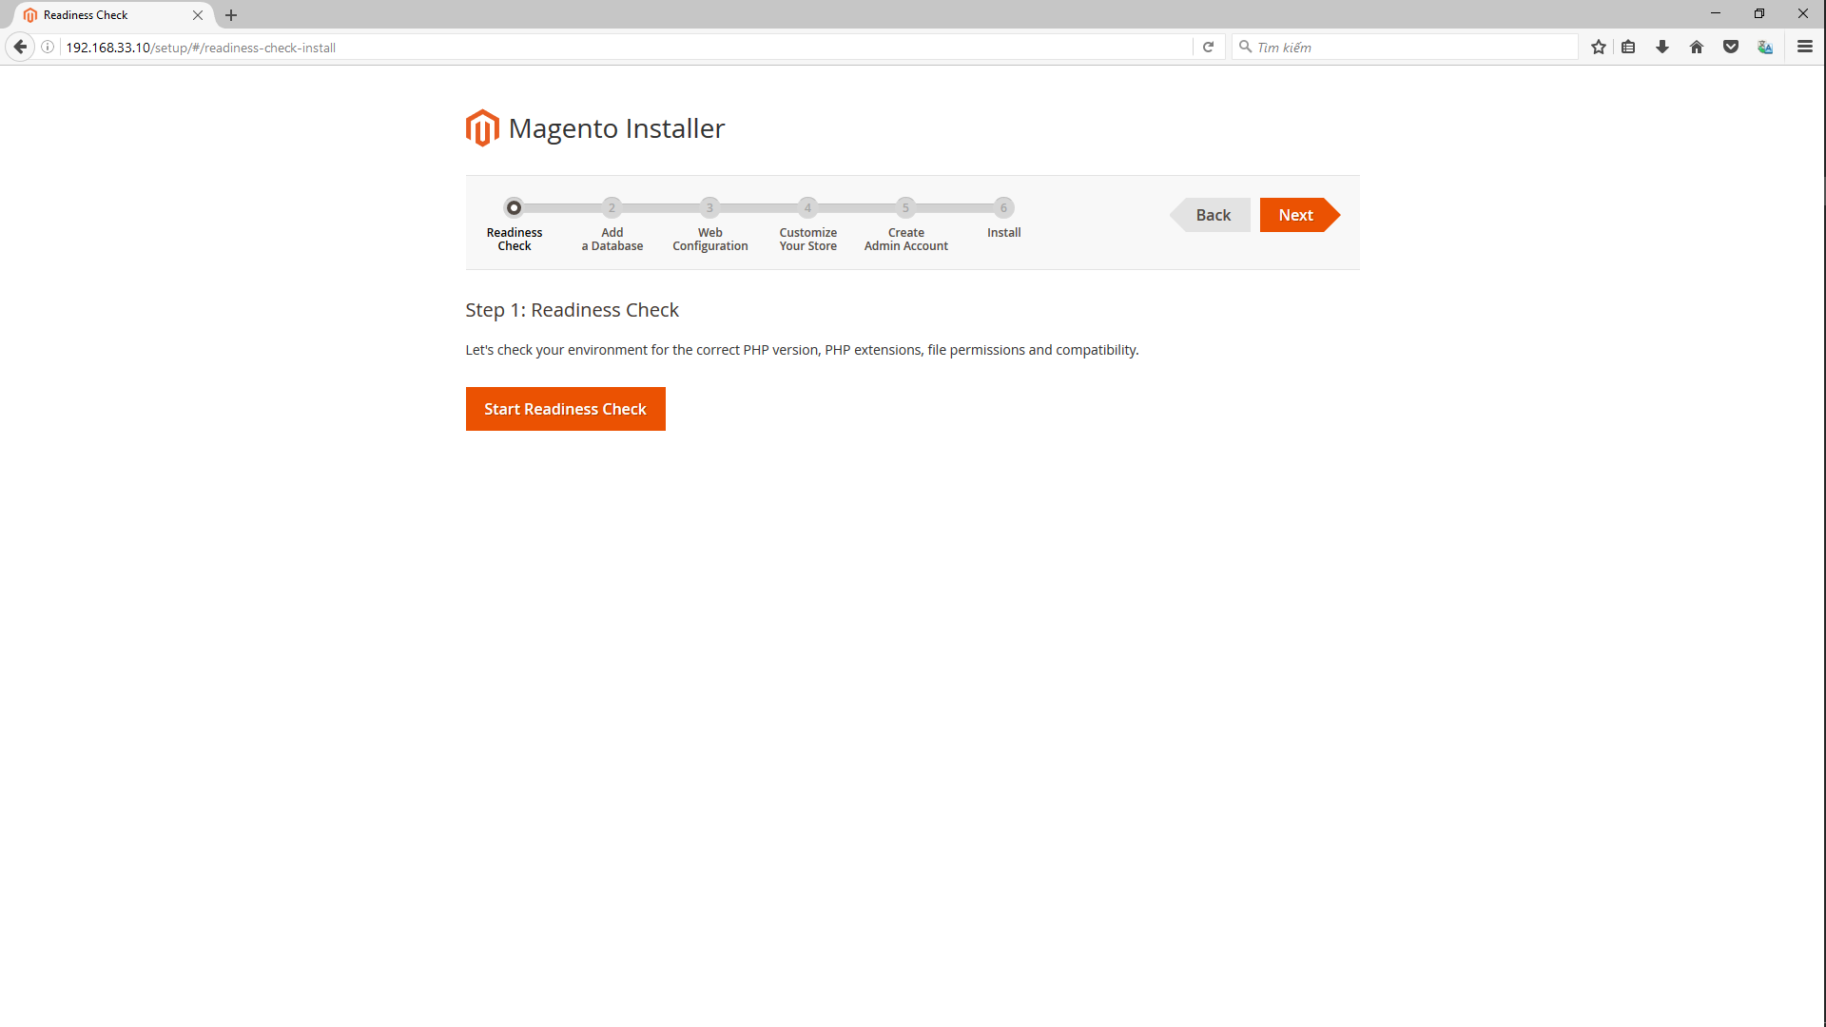
Start Readiness Check for check your environment

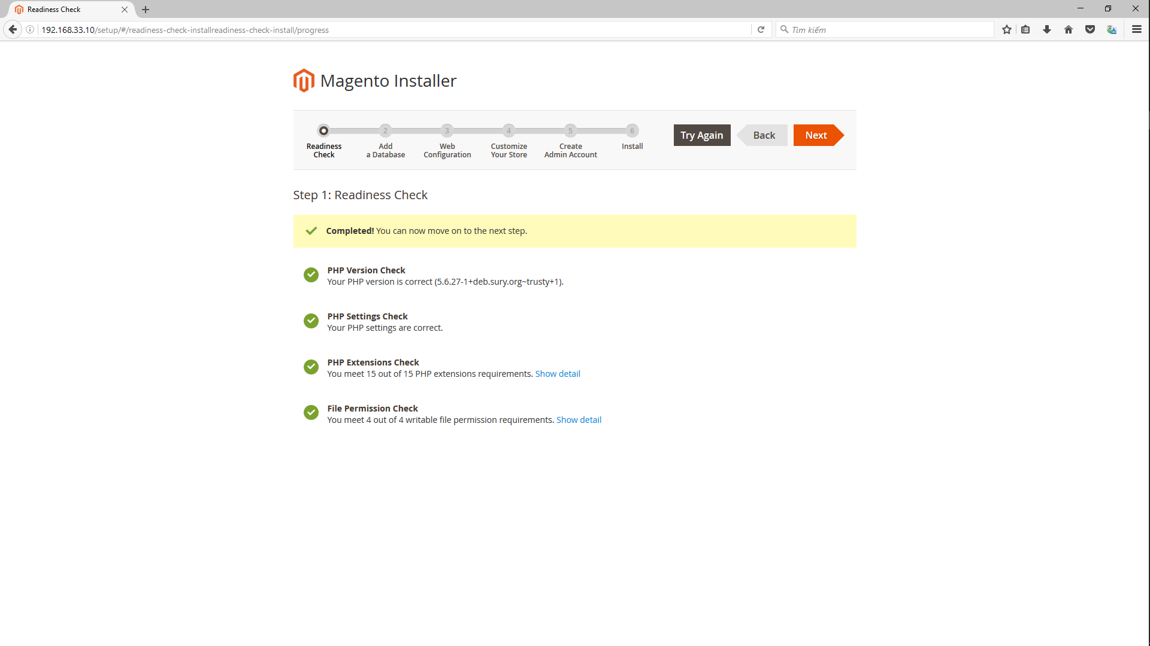
After check is complete click button Next to the next step

Fill information database server host, username, password, name
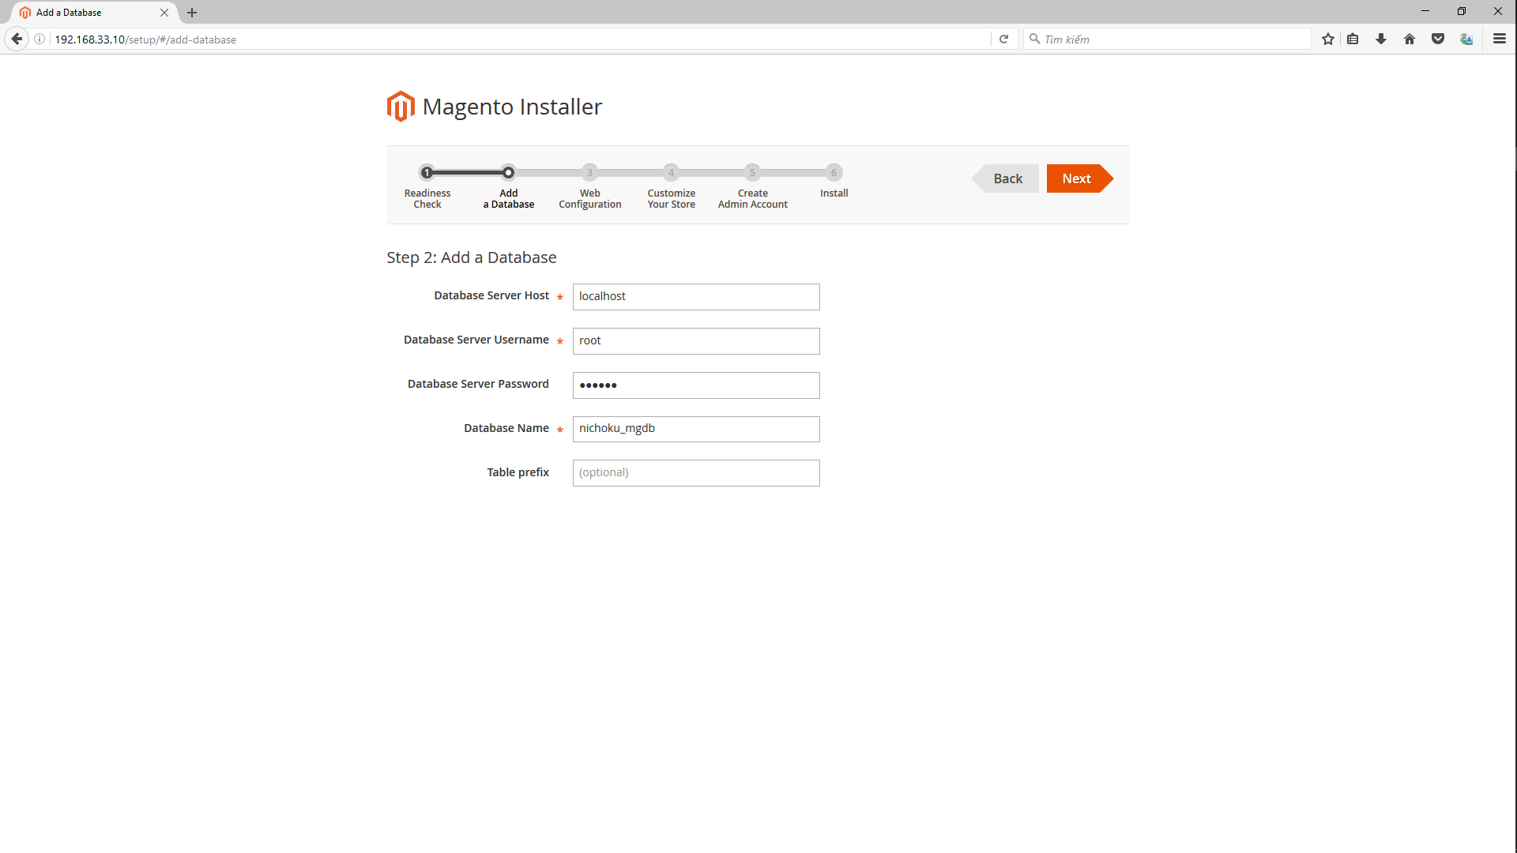

Establish link admin
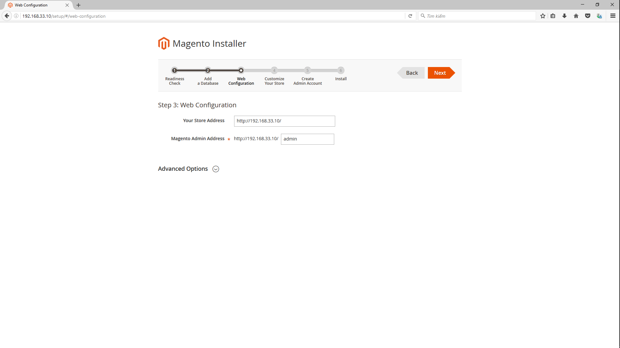

Configure time zone, currenccy, language for store.
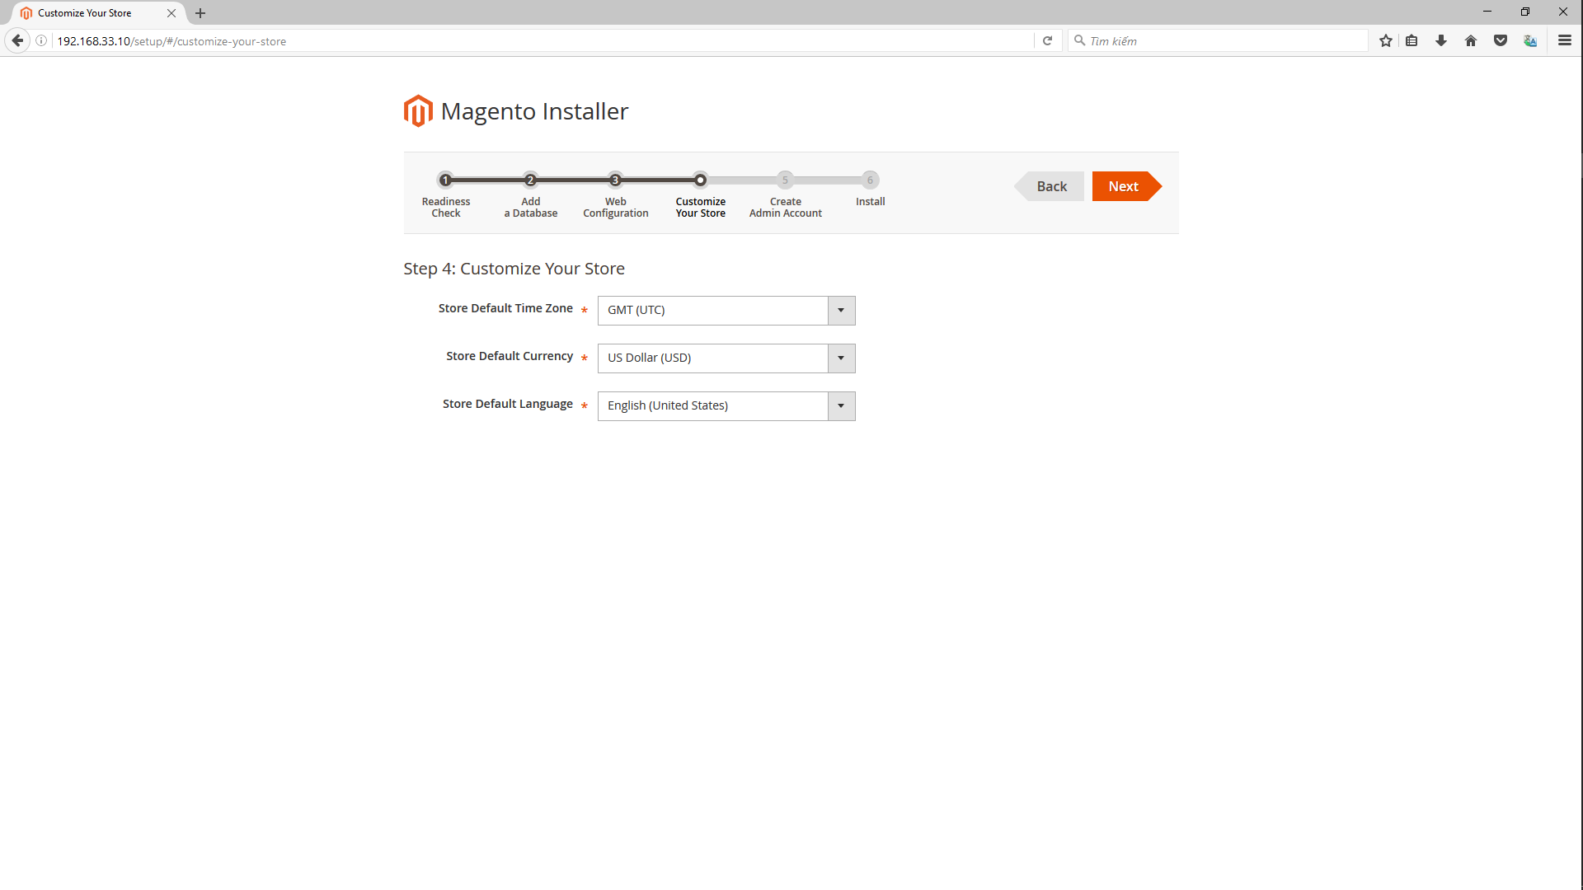

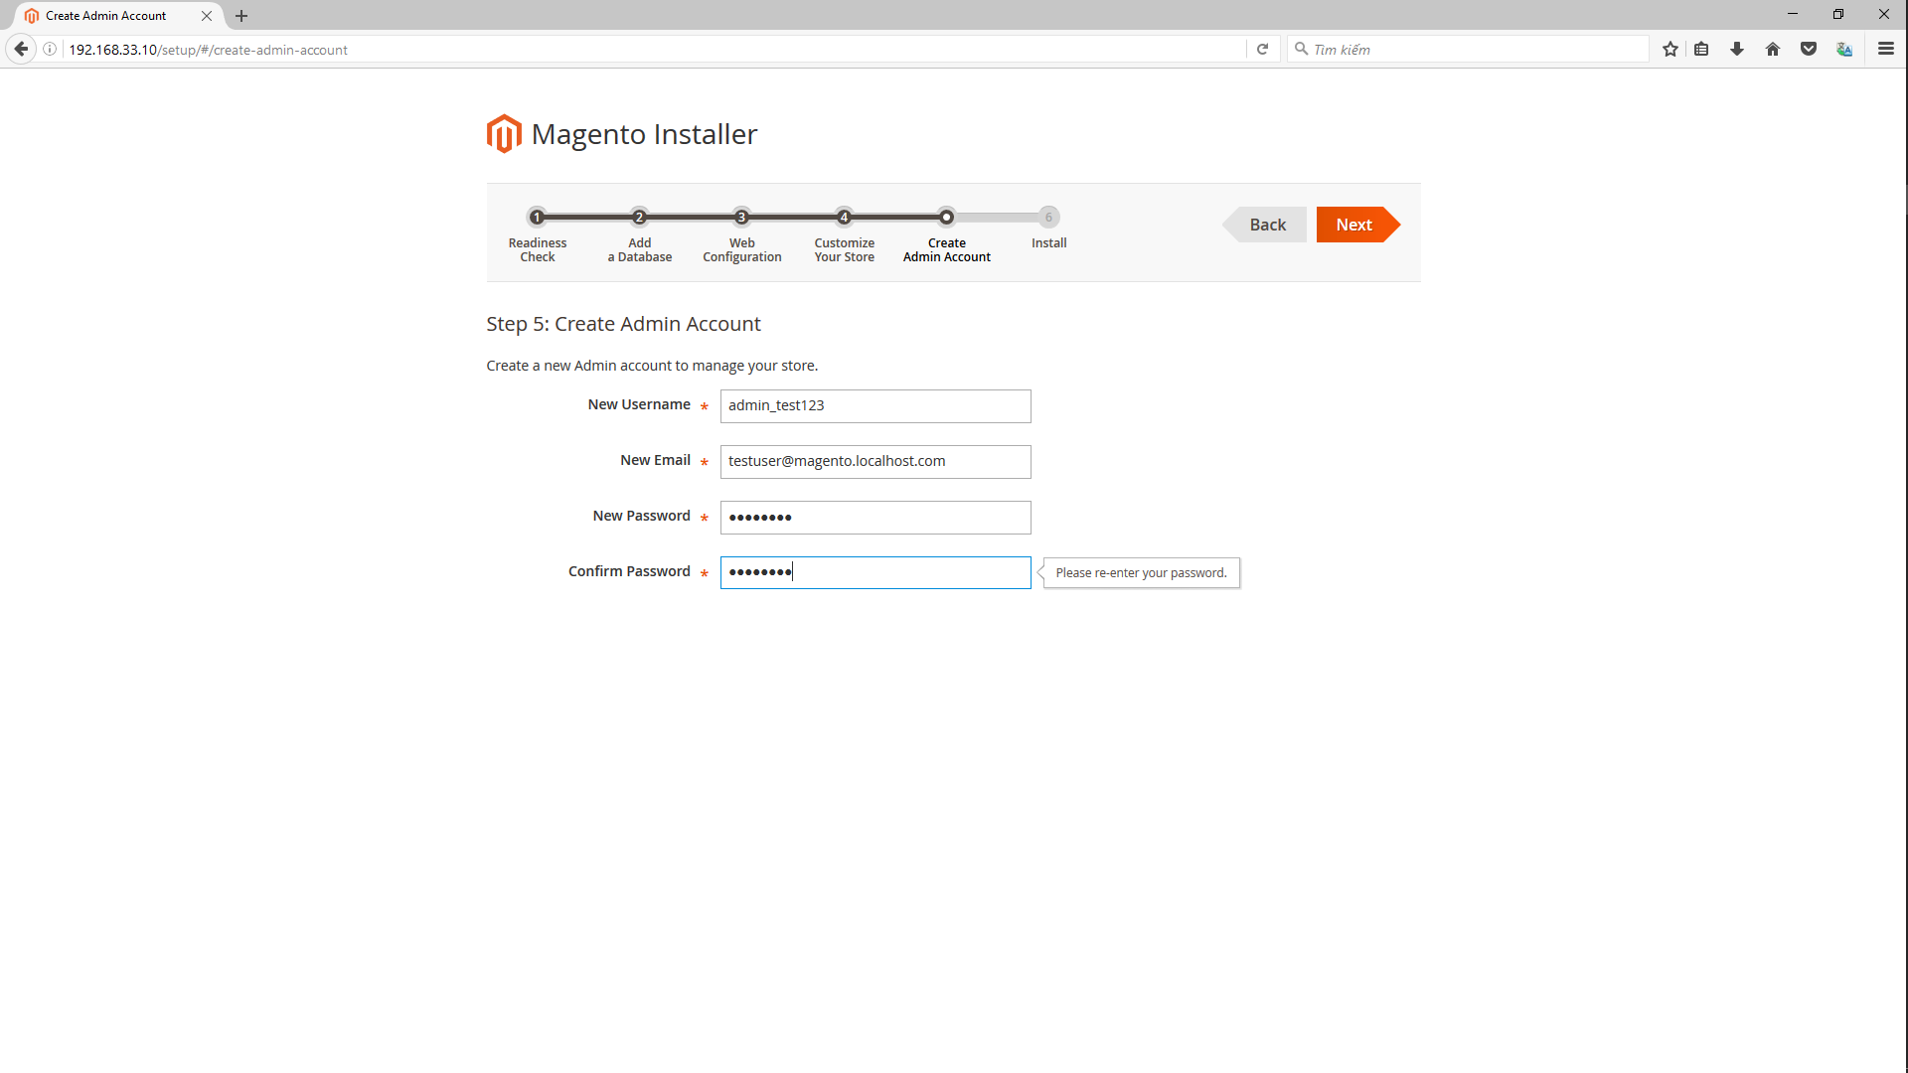
Create account admin

Screen setup success

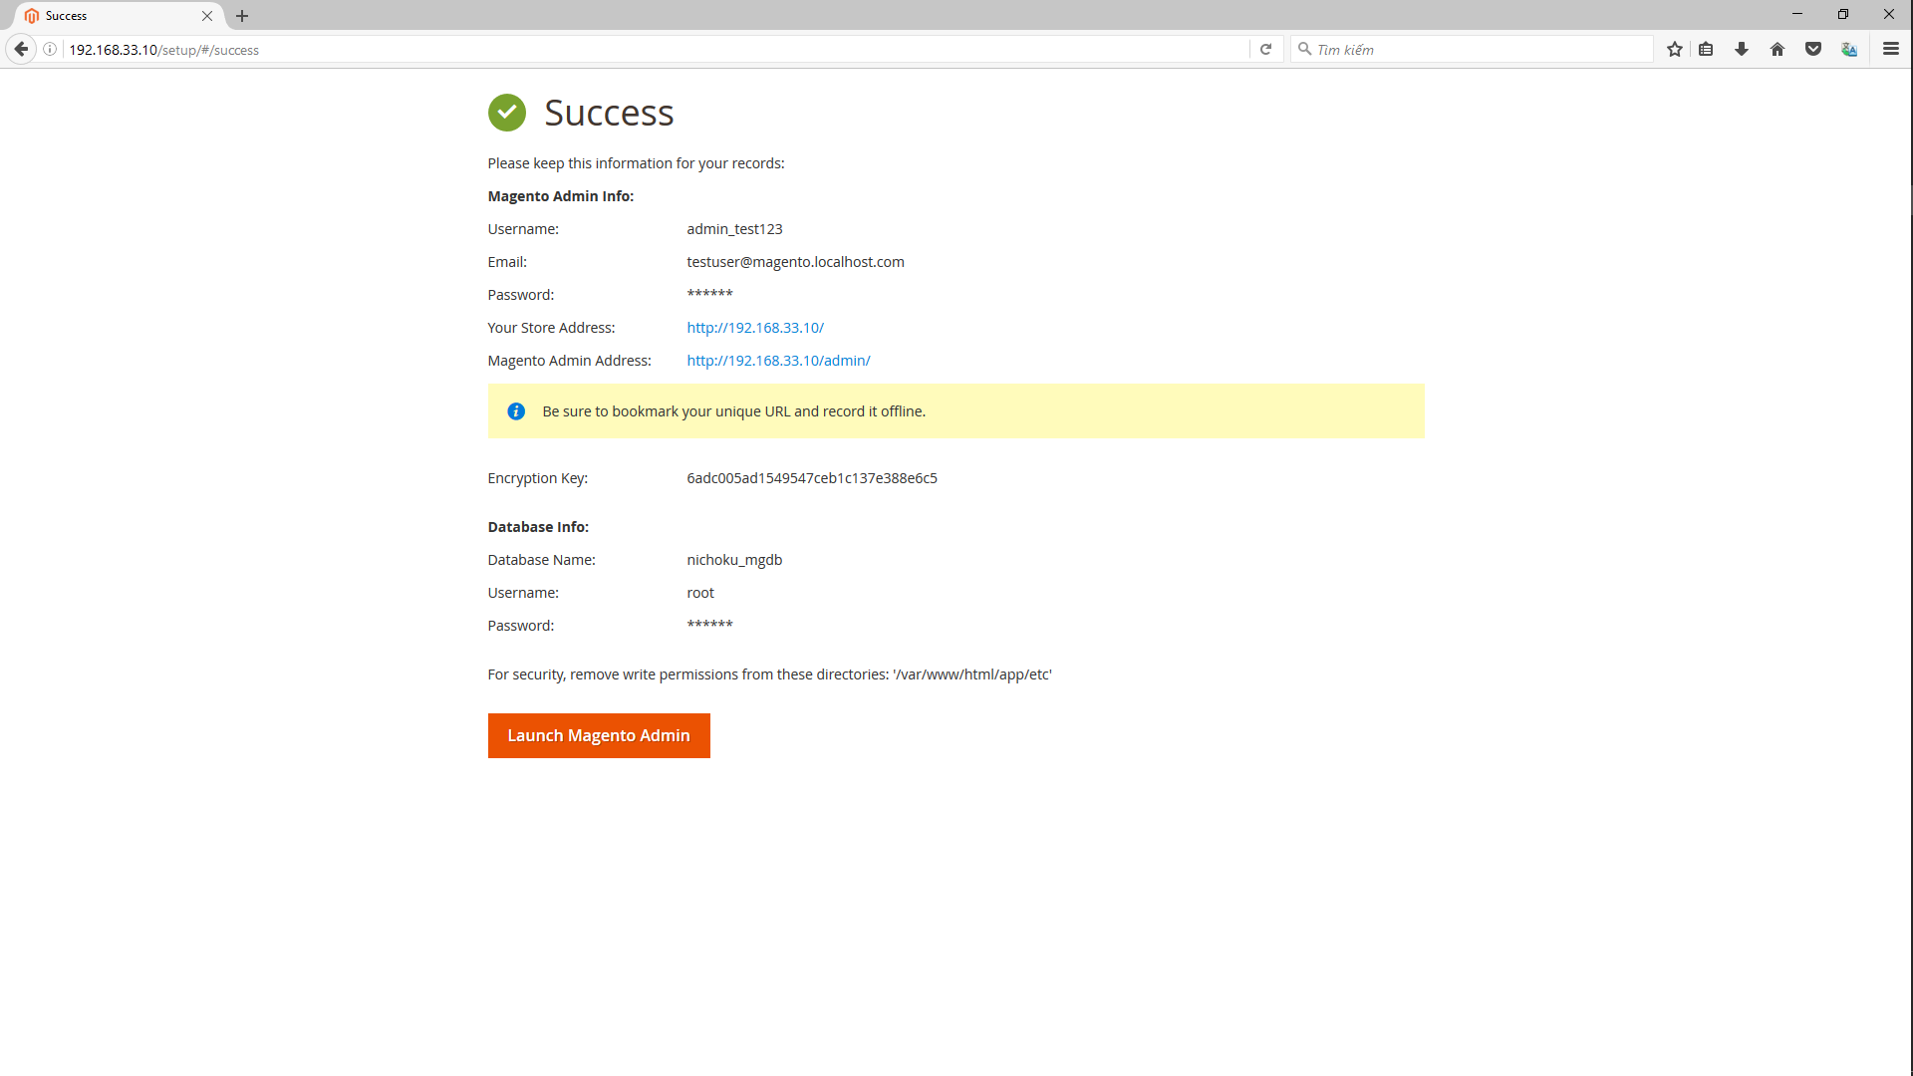

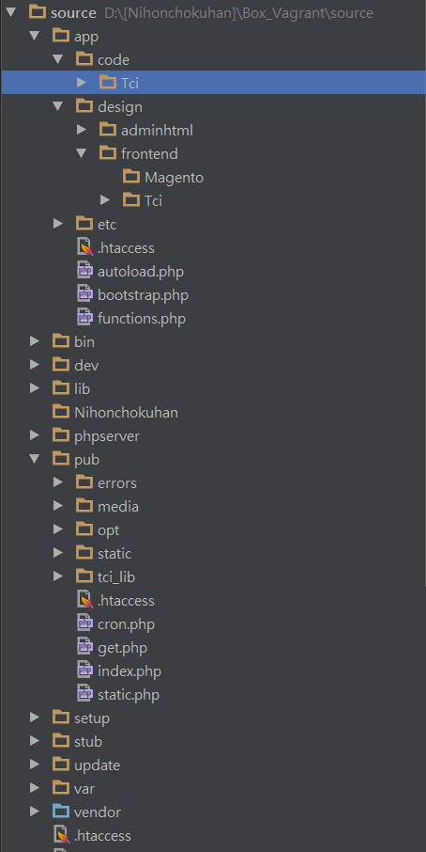

After install success, copy folders to source as follows:
- trunk\tools\01．extensions_tci\Tci (except module Batch)
- trunk\tools\02．design_tci\Tci
- trunk\tools\03．pub\tci_lib
- trunk\src\stub
And then run command:
php bin/magento setup:upgrade
php bin/magento setup:static-content:deploy
php bin/magento setup:static-content:deploy ja_JP

In table theme
Changed type of theme Tci/Nic to 0

Run command:
php bin/magento cache:clean
Go to link home page, and result like the image below

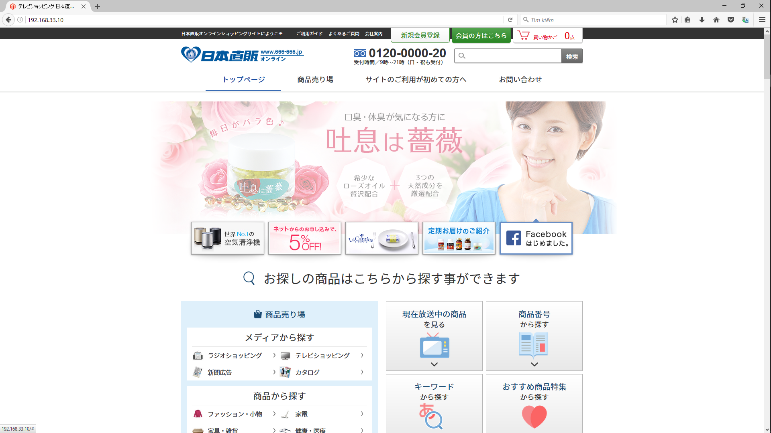

End

