How To Use
1. Vị trí của file validation trong JS
2. Ví dụ sử dụng trong JS
3. Vị Trí file validation trong PHP
4. Vị trí sử dụng trong PHP

1. Vị trí của file validation trong JS
 | lib/web/mage/validation.js |  | pub/static/frontend/Magento/blank/en_US/mage/validation.js | Is use
 | lib/web/mage/validation/validation.js |  | pub/static/frontend/Magento/blank/en_US/mage/validation/validation.js
 | lib/web/prototype/validation.js |  | pub/static/frontend/Magento/blank/en_US/protype/validation.js | Not use

 | vendor/magento/magento2-base/lib/web/mage/validation.js |  | pub/static/adminhtml/Magento/backend/en_US/mage/validation.js
 | vendor/magento/magento2-base/lib/web/mage/validation/validation.js |  | pub/static/adminhtml/Magento/backend/en_US/mage/validation/validation.js
 | vendor/magento/magento2-base/lib/web/prototype/validation.js |  | pub/static/adminhtml/Magento/backend/en_US/protype/validation.js

2. Ví dụ sử dụng trong JS
 | File .php

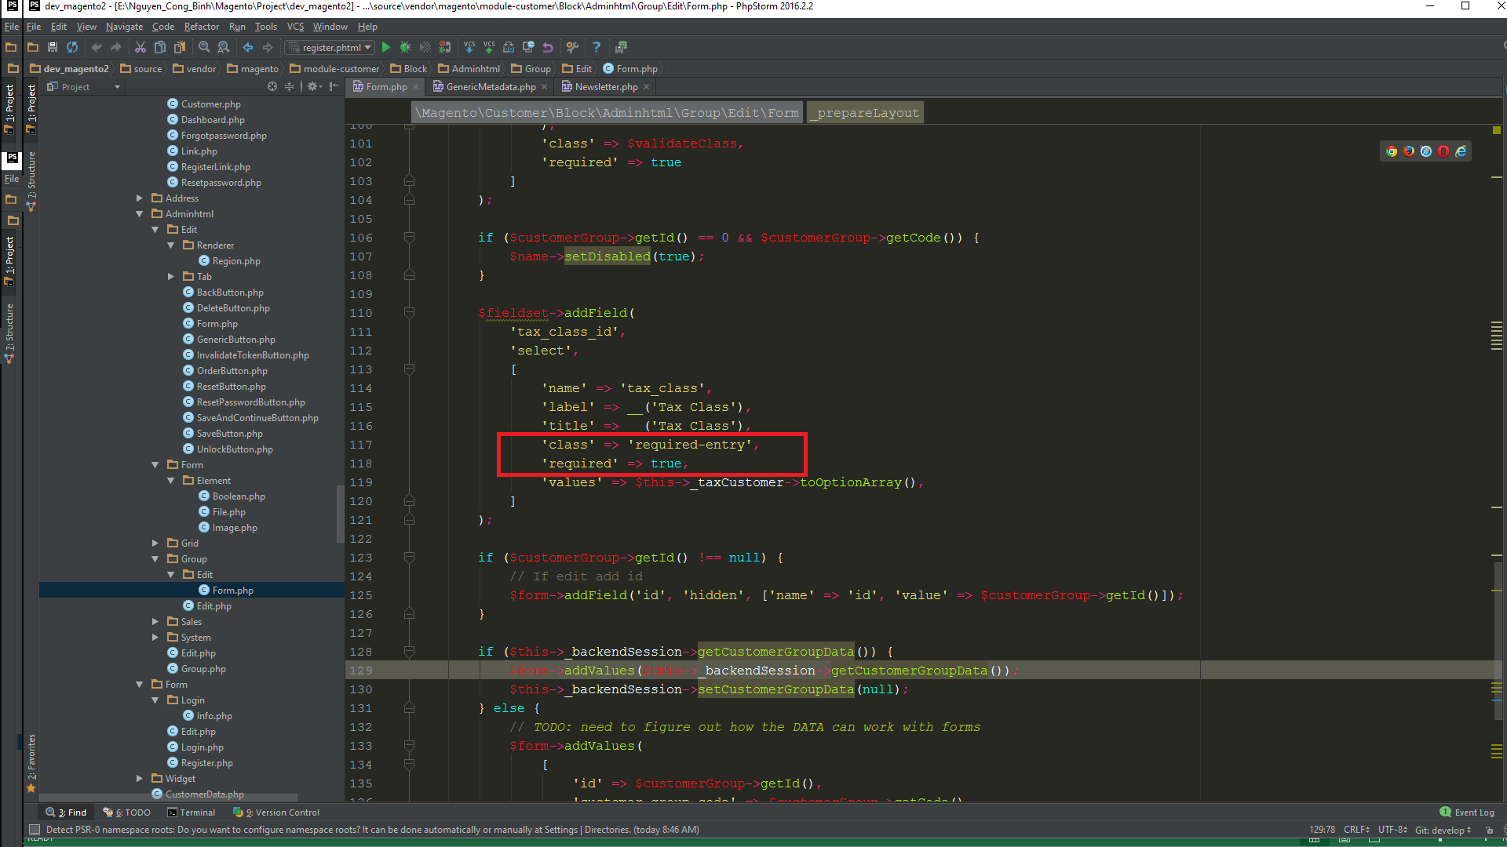

 | => Dùng nhiều validation: 'class' => 'required-entry validate-email'
 |  | Validation sẽ check từ trái qua phải

 | File .phtml

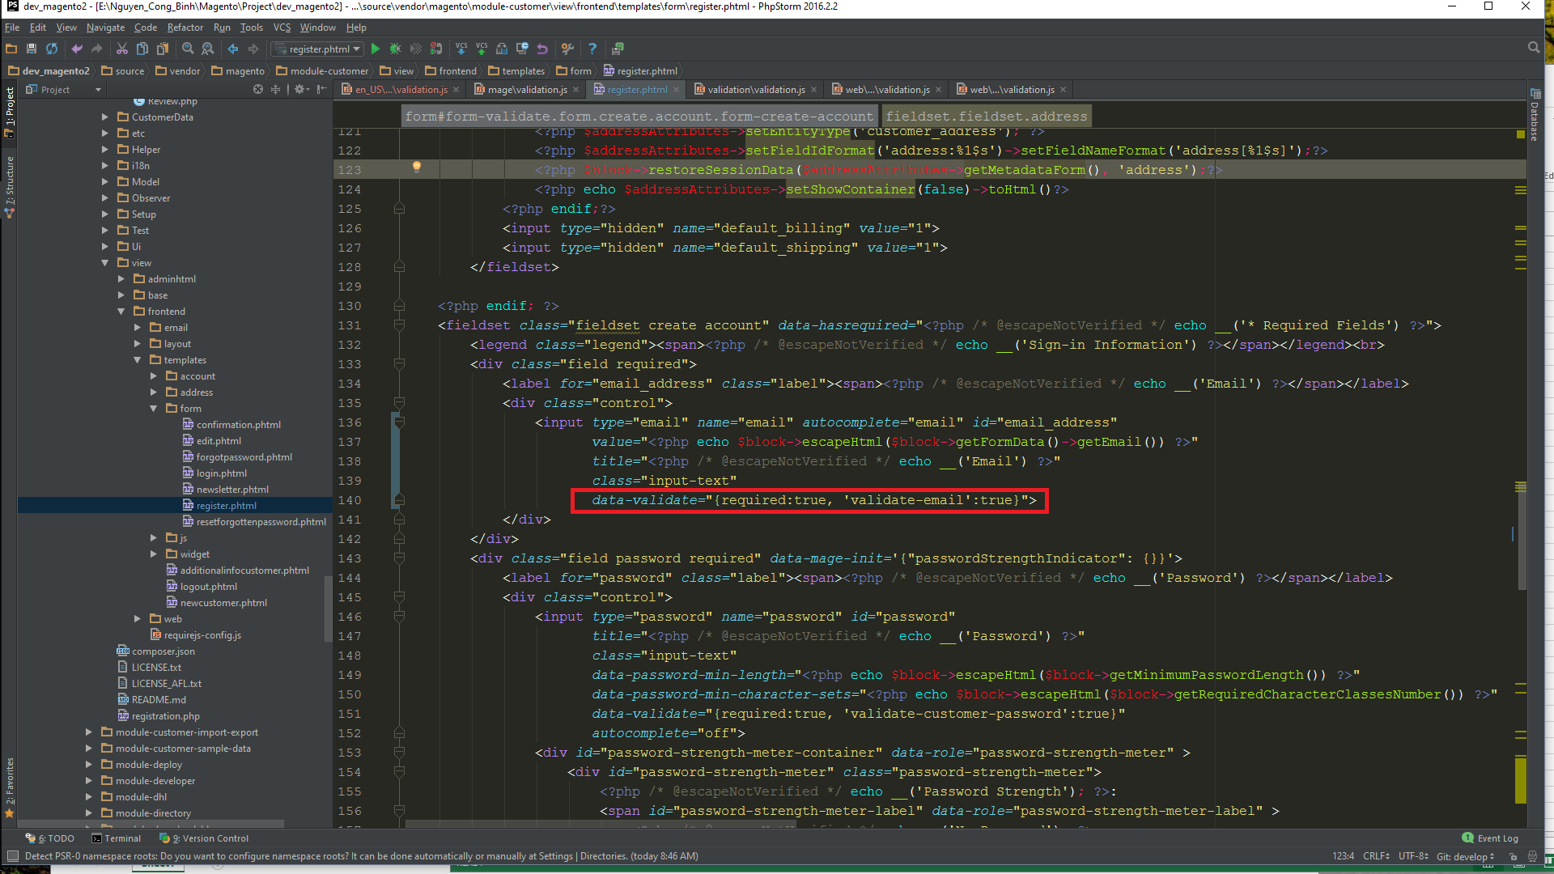

 | => Dùng nhiều validation: data-validate="{required:true, 'validate-email':true, 'max_words':true}"
 |  | Validation sẽ check từ trái qua phải

3. Vị Trí file validation trong PHP
4. Vị trí sử dụng trong PHP

