habqindex_model
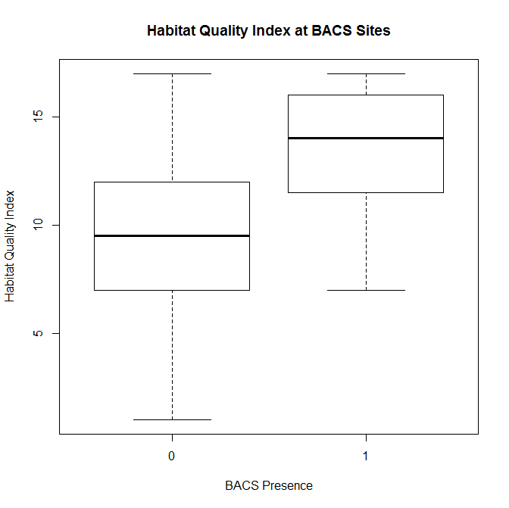
glm(formula = BACS_BIN ~ HabQIndex, family = binomial(), data = habq_survey)

 | Estimate | Std. Error | z value | Pr(>|z|) | Upper 95%CI | Lower 95% CI | Odds | Odds U95 | Odds L95
(Intercept) | -6.3117761465 | 0.57882192483 | -10.904521539 | 0.0000000000 | -5.2 | -7.4 | 0.0 | 0.0056433062324 | 0.00058361612052
HabQIndex | 0.41115044878 | 0.044225483313 | 9.2966863894 | 0.0000000000 | 0.5 | 0.3 | 1.5 | 1.6451513665 | 1.3832952312

 | 0.001811519454
 | 0.601363702777

