Backpropogation
Forward Pass - Step 1

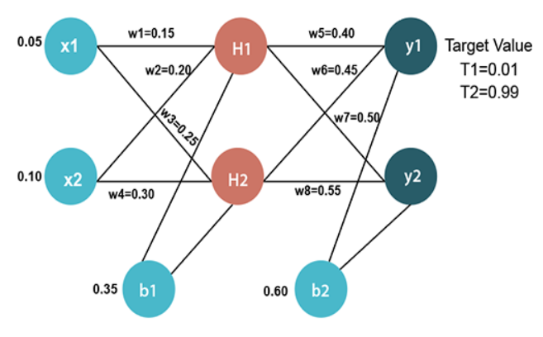
X1 | X2
0.06 | 0.2

w1 | w2 | w3 | w4 | b1
0.15 | 0.2 | 0.25 | 0.3 | 0.35

H1 | H2 |  | H1_Final | H2_Final
0.399 | 0.425 |  | 0.59844737567 | 0.60467908471

w5 | w6 | w7 | w8 | b2
0.4 | 0.45 | 0.5 | 0.55 | 0.6

Y1 | Y2 |  | Y1_Final | Y2_Final
1.1114845384 | 1.2317971844 |  | 0.75240577168 | 0.77413296878

Y1_Target | Y2_Target |  |  |  |  |  |  |  |  |  | Yx_Wx Correction | Bias Correction
0.01 | 0.99

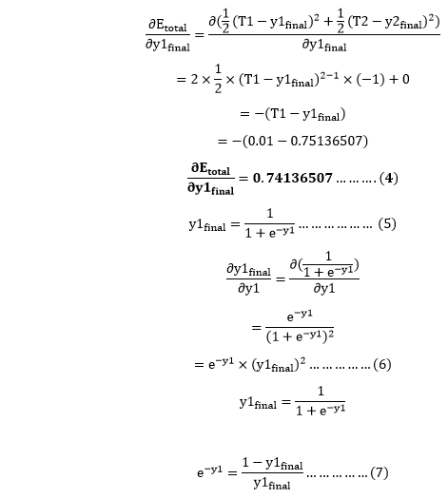
$$\frac{∂E_{total}}{∂b_{2}}=\frac{∂E_{1}}{∂b_{2}}+\frac{∂E_{2}}{∂b_{2}}$$
Loss Calculation

$$\frac{∂E_{1}}{∂b_{2}}=\frac{∂E1}{∂y_{1_{final}}}×\frac{∂y_{1_{final}}}{∂y_{1}}×\frac{∂y_{1}}{∂b_{2}}$$
E1 | E2 | E_Total
0.27558316491 | 0.023299287584 | 0.2988824525

Backpropogation |  |  |  |  | Learning Rate
 |  |  |  |  | 0.5
$$\frac{∂E_{Total}}{∂b1}= \frac{∂E_{1}}{∂b1}+\frac{∂E_{1}}{∂b_{1}}$$
$$\frac{∂E_{1}}{∂b_{1}}=\frac{∂E1}{∂y_{1_{final}}}×\frac{∂y_{1_{final}}}{∂y_{1}}×\frac{∂y_{1}}{∂b_{1}}$$
$$\frac{∂y_{1}}{∂b_{1}}=\frac{∂y_{1}}{∂H_{1_{Final}}}×\frac{∂H_{1_{Final}}}{∂H_{1}}×\frac{∂H_{1}}{∂b_{1}}+\frac{∂y_{1}}{∂H_{2_{Final}}}×\frac{∂H_{2_{Final}}}{∂H_{2}}×\frac{∂H_{2}}{∂b_{1}}$$
$$\frac{∂E_{t}}{∂y_{xFinal}}$$
$$\frac{∂y_{xFinal}}{∂y_{x}}$$
$$\frac{∂y_{x}}{∂w_{x}}$$
$${Error}_{w_{x}}=\frac{∂E_{t}}{∂w_{x}}$$
$$w_{x_{new}}=w_{x}−η×\frac{∂E_{t}}{∂w_{x}}$$
Yx_Wx Correction

W5 Correction | 0.74240577168 | 0.18629132642 | 0.59844737567 | 0.082767519794 | 0.3586162401
W6 Correction | 0.74240577168 | 0.18629132642 | 0.60467908471 | 0.08362938856 | 0.40818530572
W7 Correction | -0.21586703122 | 0.17485111543 | 0.59844737567 | -0.022588151545 | 0.51129407577
W8 Correction | -0.21586703122 | 0.17485111543 | 0.60467908471 | -0.022823364856 | 0.56141168243

$$\frac{∂E_{x}}{∂y_{xFinal}}$$
$$\frac{∂y_{xFinal}}{∂y_{x}}$$
$$\frac{∂y_{x}}{∂b_{2}}$$
$$\frac{∂E_{x}}{∂b_{2}}$$
$$\frac{∂E_{t}}{∂b_{2}}$$
$$b_{2_{new}}=b_{2}−η×\frac{∂E_{t}}{∂b_{2}}$$
Yx_b2 Correction

Y1_b2 Correction | 0.74240577168 | 0.18629132642 | 1 | 0.13830375595 | 0.10055916476 | 0.54972041762
Y2_b2 Correction | -0.21586703122 | 0.17485111543 | 1 | -0.037744591193

$$\frac{∂E_{1}}{∂y_{1}}$$
$$\frac{∂E_{2}}{∂y_{2}}$$
$$\frac{∂E_{1}}{∂H_{xFinal}}$$
$$\frac{∂E_{2}}{∂H_{xFinal}}$$
$$\frac{∂E_{t}}{∂H_{xFinal}}$$
$$\frac{∂H_{x_{Final}}}{∂H_{x}}$$
$$\frac{∂H_{x}}{∂w_{x}}$$
$${Error}_{w_{x}}=\frac{∂E_{t}}{∂w_{x}}$$
$$w_{x_{new}}=w_{x}−η×\frac{∂E_{t}}{∂w_{x}}$$
Xx_Wx Correction |  |  |  |  |  |  |  |  |  |  | Xx_Wx Correction

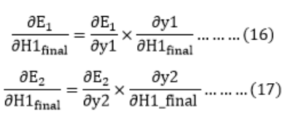
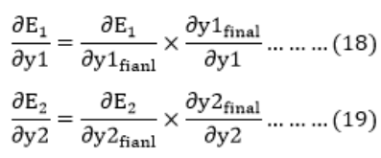
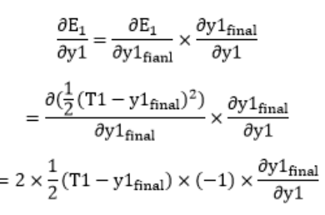
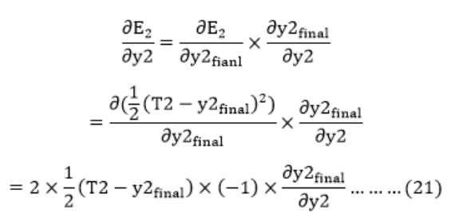
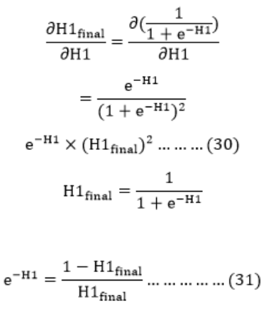
$$\frac{∂H_{1}}{∂w_{1}}=\frac{∂\left(x_{1}×w_{1 }+ x_{2}×w_{2}+b_{1}\right)}{∂w_{1}}=x_{1}$$
W1 Correction | 0.13830375595 | -0.037744591193 | 0.05532150238 | -0.018872295597 | 0.036449206783 | 0.24030811422 | 0.06 | 0.00052554240882 | 0.1497372288
W2 Correction | 0.13830375595 | -0.037744591193 | 0.05532150238 | -0.018872295597 | 0.036449206783 | 0.24030811422 | 0.2 | 0.0017518080294 | 0.19912409599
W3 Correction | 0.13830375595 | -0.037744591193 | 0.062236690177 | -0.020759525156 | 0.041477165021 | 0.23904228922 | 0.06 | 0.00059488778863 | 0.24970255611
W4 Correction | 0.13830375595 | -0.037744591193 | 0.062236690177 | -0.020759525156 | 0.041477165021 | 0.23904228922 | 0.2 | 0.0019829592954 | 0.29900852035

$$\frac{∂E_{x}}{∂y_{xFinal}}$$
$$\frac{∂y_{xFinal}}{∂y_{x}}$$
$$\frac{∂y_{x}}{∂H_{1_{Final}}}$$
$$\frac{∂y_{x}}{∂H_{2_{Final}}}$$
$$\frac{∂H_{x_{Final}}}{∂H_{x}}$$
$$\frac{∂H_{x}}{∂b_{1}}$$
$$\frac{∂y_{x}}{∂b_{1}}$$
$$\frac{∂E_{x}}{∂b_{1}}$$
$$\frac{∂E_{t}}{∂b_{1}}$$
$$b_{1_{new}}=b_{2}−η×\frac{∂E_{t}}{∂b_{1}}$$
Xx_b2 Correction

X1_b1 Correction | 0.74240577168 | 0.18629132642 | 0.4 | 0.45 | 0.24030811422 | 1 | 0.20369227584 | 0.028171406807 | 0.018673836624 | 0.34066308169
X2_b1 Correction | -0.21586703122 | 0.17485111543 | 0.5 | 0.55 | 0.23904228922 | 1 | 0.25162731618 | -0.0094975701824

Forward Pass - Step 2

X1 | X2
0.05 | 0.1

w1 | w2 | w3 | w4 | b1
0.1497372288 | 0.19912409599 | 0.24970255611 | 0.29900852035 | 0.34066308169

H1 | H2 |  | H1_Final | H2_Final
0.38947213461 | 0.41544693912 |  | 0.59615562 | 0.60239323069

w5 | w6 | w7 | w8 | b2
0.3586162401 | 0.40818530572 | 0.51129407577 | 0.56141168243 | 0.54972041762

Y1 | Y2 |  | Y1_Final | Y2_Final
1.0093995696 | 1.0870458099 |  | 0.73290262761 | 0.74782502026

Y1_Target | Y2_Target
0.01 | 0.99

Loss Calculation

E1 | E2 | E_Total
0.27558316491 | 0.023299287584 | 0.2988824525

