ABO gene model
ABO gene (Ref Seq genes 105v2, NCBI) |  |  |  |  | ABO gene start | 136,131,744
 | Start | Length | End |  | ABO gene end | 136,150,631
Exon 1 | 136,150,578 | 53 | 136,150,631 |  | Gene length | 18,887
Exon 2 | 136,137,502 | 70 | 136,137,572 |  | Exons total length
Exon 3 | 136,136,721 | 57 | 136,136,778 |  | RefSeq | 1,579
Exon 4 | 136,135,223 | 48 | 136,135,271 |  | Ensemble | 6,341
Exon 5 | 136,133,487 | 36 | 136,133,523
Exon 6 | 136,132,796 | 134 | 136,132,930
Exon 7 | 136,130,563 | 1181 | 136,131,744 |  | Intron between Ex6 and Ex7 | 1,052

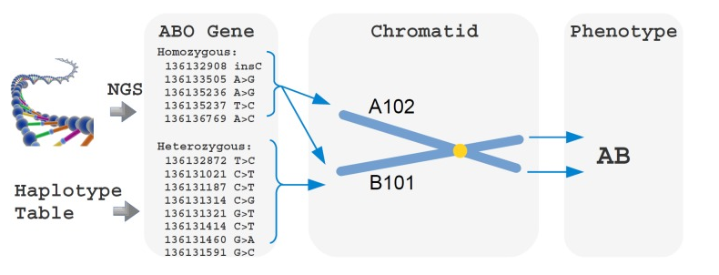
Ensemble genes
 | Start | Length | End
Exon 1 | 136,150,578 | 40 | 136,150,618
Exon 2 | 136,137,502 | 70 | 136,137,572
Exon 3 | 136,136,721 | 57 | 136,136,778
Exon 4 | 136,135,223 | 48 | 136,135,271
Exon 5 | 136,133,487 | 36 | 136,133,523
Exon 6 | 136,132,796 | 134 | 136,132,930
Exon 7 | 136,125,788 | 5956 | 136,131,744

Article 2 -- based on internal BGMUT notation
Exon | Pos in exome | Pos in chromosome | rsID
Exon 6 | 261 | 136,132,908 | rs8176719 | homozygous | insC
Exon 6 | 297 | 136,132,872 |  | heterozygous | T>C
Exon 7 | 681 | 136,131,437
Exon 7 | 703 | 136,131,415 | rs8176743
Exon 7 | 802 | 136,131,316 | rs41302905
Exon 7 | 803 | 136,131,315 | rs8176747 | heterozygous | C>G

SNPedia

 | 11 SNPs from 23andMe | Pos in chromosome (according to SNPedia) | Pos in chromosome (according to Genome Browse) | Ref | Alt | Sample (Finnish guy) | Coverage
Exon 7 | rs8176749 | 133,255,801 | 136,131,188 | C | T | C/T | 2
Exon 7 | rs8176747 | 133,255,928 | 136,131,315 | C | G | G | 1
Exon 7 | rs41302905 | 133,255,929 | 136,131,316 | C | T | C | 1
Exon 7 | rs8176746 | 133,255,935 | 136,131,322 | G | A/T | T | 1
Exon 7 | rs8176743 | 133,256,028 | 136,131,415 | С | T | No coverage | 0
Exon 7 | rs8176740 | 133,256,085 | 136,131,472 | A | T | A | 1
Exon 7 | rs7853989 | 133,256,205 | 136,131,592 | G | A/C | G | 1
Exon 7 | rs1053878 | 133,256,264 | 136,131,651 | G | A | No coverage | 0
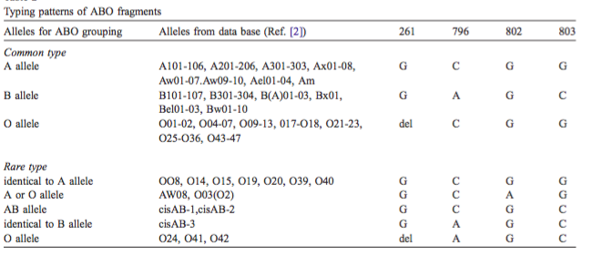
Exon 6 | rs8176719 | 133,257,521 | 136,132,908 | T | C | T | 1 | plus insertion of C to the right
 | i4000505 | 136,131,064 | internal 23andMe id
 | i4000504 | 136,131,247 | internal 23andMe id
 |  | НЕПРАВДА!!!

Article 1 -- based on internal BGMUT notation -- не работает нихера
Exon | Pos in exome | Pos in chromosome | rsId |  | Finnish guy
Exon 6 | 261 | 136,132,908 | rs8176719 |  | T
Exon 7 | 796 | 136,131,322 | rs8176746 |  | T
Exon 7 | 802 | 136,131,316 | rs41302905 |  | C
Exon 7 | 803 | 136,131,315 | rs8176747 |  | G

Exon | Pos in exome | O | A101 | B101 | AB
Exon 6 | 261 | del | G | G | G
Exon 7 | 796 | C | C | A | C
Exon 7 | 802 | G | G | G | G
Exon 7 | 803 | C | G | C | C

ABO BLOOD GROUP SYSTEM, A/B POLYMORPHISM

Position | A | B
294 | A | G
523 | C | G
654 | C | T
700 | G | A
793 | C | A
800 | G | C
927 | G | A

