Sheet1
DATE | 20181009
# Individuals | 72
# Sublibraries | 8
# Individuals per sublibrary | 12
#ind+10%more | 79.2
#sublib+10%more | 8.8

STEP 1 - DIGESTION

Reagent | Stock Concentration | uL per rxn | uL for Master Mix
Cutsmart Buffer | 10X | 2.5 | 198
MilliQ Water | NA | 2 | 158.4
Sbf1-HF | 20000 U/mL | 0.5 | 39.6
RNAse A* | 100mg/mL | 0.1 | 7.92

Total |  | 5 | 396
Total w RNAse* |  | 5.1 | 403.92

STEP 2 - LIGATION

Reagent | Stock Concentration | uL per rxn | uL for Master Mix
MilliQ Water | NA | 1.95 | 154.44
NEBuffer 2 | 10X | 1 | 79.2
rATP | 100mM | 0.3 | 23.76
T4 DNA ligase | 2000000 u/mL | 0.25 | 19.8

Total |  | 3.5 | 277.2

STEP 3 - POOLING INTO SUBLIBRARIES

uL per sublibrary | 14
total volume of sublibrary | 168

STEP 4 - REMAINING VOLUME AFTER SHEARING |  |  |  | NOTE | If you did not shear because the DNA was too degraded, remember to enter 0s for uL for gel and number of gels

Final Volume | 156

uL for gel visualization | 3
number of gels | 4

STEP 5 - BEAD CLEAN-UP

Library Volume | 156
1X Bead Volume | 156

STEP 7 - BLUNT END REPAIR

Reagent | Stock Concentration | uL per rxn | uL for Master Mix
Blunting Buffer | 10X | 2.5 | 22
dNTP mix | 1mM | 2.5 | 22
Blunting Enzyme mix | NA | 1 | 8.8

Total |  | 6 | 52.8

STEP 8 - BEAD CLEAN-UP

Library Volume | 26
.9X Bead Volume | 23.4

STEP 9 - ADD A OVERHANG

Reagent | Stock Concentration | uL per rxn | uL for Master Mix
NEBuffer 2 | 10X | 5 | 44
dATP | 10mM | 1 | 8.8
Klenow fragment | 5000 U/mL | 3 | 26.4

Total |  | 9 | 79.2

STEP 10 - BEAD CLEAN-UP

Library Volume | 50
.9X Bead Volume | 45

STEP 11 - LIGATE P2 ADAPTERS

Reagent | Stock Concentration | uL per rxn | uL for Master Mix
NEBuffer 2 | 10X | 5 | 44
P2 Adapter | 10uM | 1 | 8.8
rATP | 100uM | 0.5 | 4.4
T4 DNA Ligase | 2000000 U/mL | 0.5 | 4.4

Total |  | 7 | 61.6

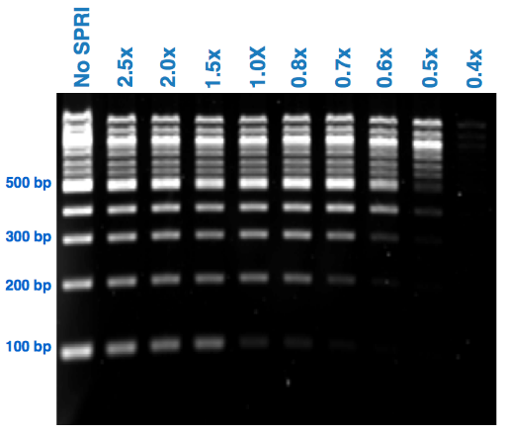
STEP 12 - DOUBLE BEAD CLEAN-UP |  |  |  | NOTE
 |  |  |  | The concentration of beads depends on what fragments you want to keep, and how well you trust bead size selection. Use this as a guiding figure:
Library Volume | 50
.7X Bead Volume | 35
.8X Bead Volume | 40

STEP 13 - TEST PCR

Herculase Taq:
Reagent | Stock Concentration | uL per rxn | uL for Master Mix
MilliQ Water | NA | 17.775 | 156.42
Herculase II Buffer | 5X | 5 | 44
dNTPs | 100mM | 0.25 | 2.2
Primer | 10uM | 0.625 | 5.5
Herculase Taq | NA | 0.35 | 3.08
Template | NA | 1

Total |  | 25 | 211.2

Phusion Taq:
Reagent | Stock Concentration | uL per rxn | uL for Master Mix
Phusion HSF M Mix | 2X | 12.5 | 110
MilliQ Water | NA | 10.5 | 92.4
RAD Primer mix | 10uM | 1 | 8.8
Template | NA | 1

Total |  | 25 | 211.2

STEP 14 - FINAL PCR |  |  |  | NOTE
 |  |  |  | You can update the template field, and the water will re-calculate to make a total reaction volume of 25 uL
Herculase Taq:
Reagent | Stock Concentration | uL per rxn | uL for Master Mix
MilliQ Water | NA | 24.55 | 216.04
Herculase II Buffer | 5X | 10 | 88
dNTPs | 100mM | 0.5 | 4.4
Primer | 10uM | 1.25 | 11
Herculase Taq | NA | 0.7 | 6.16
Template | NA | 13 | 114.4

Total |  | 50 | 440

STEP 15 - BEAD CLEAN-UP

Library Volume | 50
.9X Bead Volume | 45

