Design Converter
 | LM5155/56 DC/DC Coupled Inductor SEPIC Controller Design Tool

ABOUT |  | =Input Box |  |  |  | TERMS OF USE

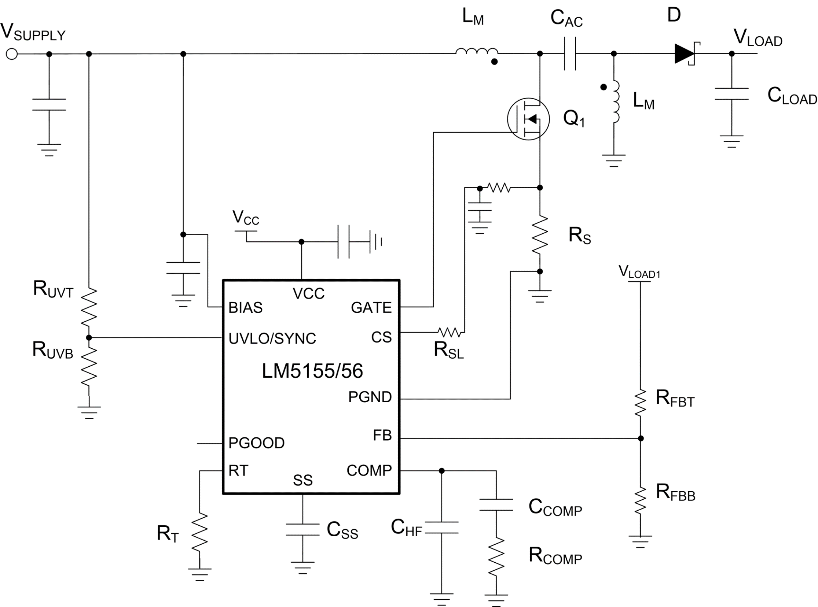
 |  |  |  |  |  | Rev 1 | June-2020
Step 1: Design Specifications
 |  |  | Minimum Input Supply Voltage , VSUPPLY(min) | 8 | V
 |  |  | Typical Input Supply Voltage, VSUPPLY(typ) | 12 | V
 |  |  | Maximum Input Supply Voltage , VSUPPLY(max) | 18 | V
 |  |  | Output Target Voltage, VLOAD | 10 | V
 |  |  | Maximum Output Current , ILOAD | 1 | A
 |  |  | Free Running Switching Frequency, FSW | 2000 | kHz
 |  |  | Free running Oscillator Set Resistor, RT | 10.10 | kΩ
 |  |  | Output Power, POUT | 10 | W
 |  |  | SEPIC Regulator Duty Cycle Limit by LM5155/56 at VSUPPLY(MIN) | 81.8 | %
 |  |  | Ideal Duty Cycle at VSUPPLY(MIN) | 55.6 | %

Step 2: Filter Inductor
 |  |  | Required Mode of Operation: | CCM
 |  |  | Desired Maximum Inductor Current Ripple Ratio (IRR_MAX) | 50 | %
 |  |  | Recommended Inductance (LM_CALC) | 3.27 | uH
 |  |  | User Selection. Inductance, (LM) | 3.3 | uH
 |  |  | Peak inductor current, ILPK | 2.92 | A

Step 3: Current Sense Resistor Selection
 |  |  | Peak Current Limit Margin | 30 | %
 |  |  | Selected Peak Current limit (ILSW_select) | 3.80 | A
 |  |  | Recommended current sense Resistor (RS) | 26.31 | mΩ
 |  |  | Recommended external slope compensation Resistor (RSL) | 0 | Ω
 |  |  | Selected current sense Resistor (RS) | 27 | mΩ
 |  |  | Selected external slope compensation Resistor (RSL) | 0 | Ω
 |  |  | Actual switch peak current limit | 3.70 | A

Step 4: CAC Capacitor Selection
 |  |  | Minimum couplpling capacitor value (CAC_min) | 0.31 | uF
 |  |  | Selected Coupling Capacitor (CAC) | 3.3 | uF
 |  |  | Minimuum require CAC RMS current Rating | 1.12 | A

Step 5: Output Capacitor Selection
 |  |  | Desired load step ripple voltage (ΔvOUT) | 100 | mV
 |  |  | Minimum output capacitance | 27.84 | uF
 |  |  | Capacitor RMS current (IRMS_COUT) | 1.12 | A
 |  |  | Selected Output Capacitance (COUT) | 100 | uF
 |  |  | Equivalent COUT ESR (RESR) | 10 | mΩ

Step 6: Soft-Start Capacitor Selection
 |  |  | Suggested minimum soft-start capacitor (CSS_MIN) | 10.00 | nF
 |  |  | Desied soft-start time at minimum input voltage (TSS) | 20 | ms
 |  |  | Calculated soft-start capacitor (CSS) | 1000 | nF

V_{IN} =
13
V
Bode Plot
 | Gain (dB) |  | f_LP |  | fz_rhp |  | f_esr |  | fz_ea |  | fp_ea |  | Phase (deg)
10.23 | 57.111523353 | 228 | 27.357228993 | 354377 | -63.531224266 | 159155 | -56.388693515 | 999.71069963 | 7.2670460182 | 14898.127743 | -21.914822676 | 10.23 | 87.98240654
10.47 | 56.91113453 |  |  |  |  |  |  |  |  |  |  | 10.47 | 87.935492443
10.72 | 56.710727423 |  |  |  |  |  |  |  |  |  |  | 10.72 | 87.887491408
10.96 | 56.510301176 |  |  |  |  |  |  |  |  |  |  | 10.96 | 87.838378534
11.22 | 56.309854889 |  |  |  |  |  |  |  |  |  |  | 11.22 | 87.788128368
11.48 | 56.109387625 |  |  |  |  |  |  |  |  |  |  | 11.48 | 87.736714896
11.75 | 55.908898398 |  |  |  |  |  |  |  |  |  |  | 11.75 | 87.684111532
12.02 | 55.708386181 |  |  |  |  |  |  |  |  |  |  | 12.02 | 87.630291108
12.30 | 55.507849896 |  |  |  |  |  |  |  |  |  |  | 12.30 | 87.57522586
12.59 | 55.307288415 |  |  |  |  |  |  |  |  |  |  | 12.59 | 87.518887422
12.88 | 55.106700558 |  |  |  |  |  |  |  |  |  |  | 12.88 | 87.461246809
13.18 | 54.906085091 |  |  |  |  |  |  |  |  |  |  | 13.18 | 87.40227441
13.49 | 54.705440722 |  |  |  |  |  |  |  |  |  |  | 13.49 | 87.341939976
13.80 | 54.504766099 |  |  |  |  |  |  |  |  |  |  | 13.80 | 87.280212606
14.13 | 54.304059806 |  |  |  |  |  |  |  |  |  |  | 14.13 | 87.21706074
14.45 | 54.103320363 |  |  |  |  |  |  |  |  |  |  | 14.45 | 87.152452146
14.79 | 53.902546221 |  |  |  |  |  |  |  |  |  |  | 14.79 | 87.086353905
15.14 | 53.701735759 |  |  |  |  |  |  |  |  |  |  | 15.14 | 87.018732408
15.49 | 53.500887281 |  |  |  |  |  |  |  |  |  |  | 15.49 | 86.949553335
15.85 | 53.299999013 |  |  |  |  |  |  |  |  |  |  | 15.85 | 86.878781652
16.22 | 53.099069098 |  |  |  |  |  |  |  |  |  |  | 16.22 | 86.806381597
16.60 | 52.898095594 |  |  |  |  |  |  |  |  |  |  | 16.60 | 86.73231667
16.98 | 52.69707647 |  |  |  |  |  |  |  |  |  |  | 16.98 | 86.656549618
17.38 | 52.496009601 |  |  |  |  |  |  |  |  |  |  | 17.38 | 86.579042434
17.78 | 52.294892763 |  |  |  |  |  |  |  |  |  |  | 17.78 | 86.499756336
18.20 | 52.093723633 |  |  |  |  |  |  |  |  |  |  | 18.20 | 86.418651766
18.62 | 51.892499777 |  |  |  |  |  |  |  |  |  |  | 18.62 | 86.335688375
19.05 | 51.691218653 |  |  |  |  |  |  |  |  |  |  | 19.05 | 86.250825016
19.50 | 51.489877601 |  |  |  |  |  |  |  |  |  |  | 19.50 | 86.164019736
19.95 | 51.288473839 |  |  |  |  |  |  |  |  |  |  | 19.95 | 86.075229767
20.42 | 51.087004461 |  |  |  |  |  |  |  |  |  |  | 20.42 | 85.984411515
20.89 | 50.885466424 |  |  |  |  |  |  |  |  |  |  | 20.89 | 85.89152056
21.38 | 50.68385655 |  |  |  |  |  |  |  |  |  |  | 21.38 | 85.796511643
21.88 | 50.482171514 |  |  |  |  |  |  |  |  |  |  | 21.88 | 85.699338664
22.39 | 50.280407843 |  |  |  |  |  |  |  |  |  |  | 22.39 | 85.599954673
22.91 | 50.078561906 |  |  |  |  |  |  |  |  |  |  | 22.91 | 85.498311873
23.44 | 49.876629905 |  |  |  |  |  |  |  |  |  |  | 23.44 | 85.394361608
23.99 | 49.674607875 |  |  |  |  |  |  |  |  |  |  | 23.99 | 85.288054369
24.55 | 49.472491669 |  |  |  |  |  |  |  |  |  |  | 24.55 | 85.179339787
25.12 | 49.270276957 |  |  |  |  |  |  |  |  |  |  | 25.12 | 85.068166636
25.70 | 49.067959212 |  |  |  |  |  |  |  |  |  |  | 25.70 | 84.954482837
26.30 | 48.865533708 |  |  |  |  |  |  |  |  |  |  | 26.30 | 84.838235454
26.92 | 48.662995505 |  |  |  |  |  |  |  |  |  |  | 26.92 | 84.719370708
27.54 | 48.460339445 |  |  |  |  |  |  |  |  |  |  | 27.54 | 84.597833974
28.18 | 48.257560143 |  |  |  |  |  |  |  |  |  |  | 28.18 | 84.473569797
28.84 | 48.054651972 |  |  |  |  |  |  |  |  |  |  | 28.84 | 84.346521899
29.51 | 47.851609062 |  |  |  |  |  |  |  |  |  |  | 29.51 | 84.216633189
30.20 | 47.648425282 |  |  |  |  |  |  |  |  |  |  | 30.20 | 84.083845782
30.90 | 47.445094232 |  |  |  |  |  |  |  |  |  |  | 30.90 | 83.948101017
31.62 | 47.241609236 |  |  |  |  |  |  |  |  |  |  | 31.62 | 83.809339469
...
Step 7: UVLO Resistor Divider Selection
 |  |  | Desired voltage On (VUVLO_ON) | 7.5 | V
 |  |  | Desired voltage OFF (VUVLO_OFF) | 6.5 | V |  |  | 8
 |  |  | Calculated top UVLO resistor value (RUVT_CALC) | 150.50 | kΩ
 |  |  | Selected top UVLO resistor value (RUVT) | 143 | kΩ
 |  |  | Bottom UVLO Resistor (RUVB) | 35.750 | kΩ

Step 8: Loop Compensation
 |  |  | Voltage selected (VIN_VAR) | 13V

 |  |  | Feedback Resistor Selection
 |  |  | Select a top feedback resistor(RFBT) | 150 | kΩ
 |  |  | Calculated bottom feedback resistor (RFBB_cala) | 16.67 | kΩ
 |  |  | Select a bottomresistor based on calculated balue(RFBB) | 10.71 | kΩ

 |  |  | Suggested bandwidth | 28.580 | kHz
 |  |  | Selected band width (FCO) | 2.728 | kHz

 |  | Calculated |  | Selected
 | RCOMP | 3.591 | kΩ | 2.793 | kΩ
 | CCOMP | 53.94 | nF | 57 | nF
 | CHF | 258 | pF | 4100 | pF

Efficiency / Power Loss Analyzer

η
 | Eff |  | MOSFET |  | Diode |  | RCS
0 | 0 | 0 | 0 | 0.0066666666667 | 0.47866666667 | 0 | 0
0.0066666666667 | 8.5069790225 | 0.0066666666667 | 0.0029498984543 | 0.013333333333 | 0.48333333333 | 0.0066666666667 | 3.7052230684E-05
0.013333333333 | 15.539351247 | 0.013333333333 | 0.0059063841518 | 0.02 | 0.488 | 0.013333333333 | 0.00011362792061
0.02 | 21.449103373 | 0.02 | 0.008868132086 | 0.026666666667 | 0.49266666667 | 0.02 | 0.00022177703073
0.026666666667 | 26.484531655 | 0.026666666667 | 0.011834722022 | 0.033333333333 | 0.49733333333 | 0.026666666667 | 0.00035897815078
0.033333333333 | 30.825764008 | 0.033333333333 | 0.014805938346 | 0.04 | 0.502 | 0.033333333333 | 0.00052393759908
0.04 | 34.606640043 | 0.04 | 0.017781653983 | 0.046666666667 | 0.50666666667 | 0.04 | 0.00071589292602
0.046666666667 | 37.928677358 | 0.046666666667 | 0.020761789308 | 0.053333333333 | 0.51133333333 | 0.046666666667 | 0.00093436638105
0.053333333333 | 40.870270736 | 0.053333333333 | 0.023746293357 | 0.06 | 0.516 | 0.053333333333 | 0.001179052182
0.06 | 43.492919537 | 0.06 | 0.02673513388 | 0.066666666667 | 0.52066666667 | 0.06 | 0.0014497568252
0.066666666667 | 45.845545784 | 0.066666666667 | 0.029728291534 | 0.073333333333 | 0.52533333333 | 0.066666666667 | 0.0017463642521
0.073333333333 | 47.96755254 | 0.073333333333 | 0.032725756249 | 0.08 | 0.53 | 0.073333333333 | 0.002068814051
0.08 | 49.89103138 | 0.08 | 0.035727524836 | 0.086666666667 | 0.53466666667 | 0.08 | 0.0024170870769
0.086666666667 | 51.691857933 | 0.086666666667 | 0.038504136615 | 0.093333333333 | 0.53933333333 | 0.086666666667 | 0.0014144192512
0.093333333333 | 53.30065351 | 0.093333333333 | 0.041475576631 | 0.1 | 0.544 | 0.093333333333 | 0.0015807208575
0.1 | 54.777979154 | 0.1 | 0.044448025083 | 0.10666666667 | 0.54866666667 | 0.1 | 0.0017530730722
0.10666666667 | 56.139285662 | 0.10666666667 | 0.047421447735 | 0.11333333333 | 0.55333333333 | 0.10666666667 | 0.0019312704891
0.11333333333 | 57.397694971 | 0.11333333333 | 0.050395813621 | 0.12 | 0.558 | 0.11333333333 | 0.0021151273079
0.12 | 58.564422923 | 0.12 | 0.053371094552 | 0.12666666667 | 0.56266666667 | 0.12 | 0.0023044743998
0.12666666667 | 59.649113165 | 0.12666666667 | 0.056347264727 | 0.13333333333 | 0.56733333333 | 0.12666666667 | 0.0024991569531
0.13333333333 | 60.660103254 | 0.13333333333 | 0.05932430041 | 0.14 | 0.572 | 0.13333333333 | 0.0026990325603
0.14 | 61.604638478 | 0.14 | 0.062302179674 | 0.14666666667 | 0.57666666667 | 0.14 | 0.0029039696449
0.14666666667 | 62.489045023 | 0.14666666667 | 0.065280882174 | 0.15333333333 | 0.58133333333 | 0.14666666667 | 0.0031138461538
0.15333333333 | 63.318871196 | 0.15333333333 | 0.068260388975 | 0.16 | 0.586 | 0.15333333333 | 0.003328548461
0.16 | 64.099003402 | 0.16 | 0.071240682387 | 0.16666666667 | 0.59066666667 | 0.16 | 0.0035479704402
0.16666666667 | 64.833761967 | 0.16666666667 | 0.074221745842 | 0.17333333333 | 0.59533333333 | 0.16666666667 | 0.003772012674
0.17333333333 | 65.526980785 | 0.17333333333 | 0.077203563775 | 0.18 | 0.6 | 0.17333333333 | 0.0040005817759
0.18 | 66.18207389 | 0.18 | 0.080186121528 | 0.18666666667 | 0.60466666667 | 0.18 | 0.0042335898036
0.18666666667 | 66.802091389 | 0.18666666667 | 0.083169405269 | 0.19333333333 | 0.60933333333 | 0.18666666667 | 0.0044709537499
0.19333333333 | 67.389766679 | 0.19333333333 | 0.086153401909 | 0.2 | 0.614 | 0.19333333333 | 0.0047125950977
0.2 | 67.947556508 | 0.2 | 0.089138099047 | 0.20666666667 | 0.61866666667 | 0.2 | 0.004958439429
0.20666666667 | 68.477675101 | 0.20666666667 | 0.092123484905 | 0.21333333333 | 0.62333333333 | 0.20666666667 | 0.0052084160801
0.21333333333 | 68.982123362 | 0.21333333333 | 0.09510954828 | 0.22 | 0.628 | 0.21333333333 | 0.0054624578365
0.22 | 69.462713946 | 0.22 | 0.0980962785 | 0.22666666667 | 0.63266666667 | 0.22 | 0.0057205006608
0.22666666667 | 69.921092889 | 0.22666666667 | 0.10108366538 | 0.23333333333 | 0.63733333333 | 0.22666666667 | 0.0059824834501
0.23333333333 | 70.358758316 | 0.23333333333 | 0.10407169919 | 0.24 | 0.642 | 0.23333333333 | 0.0062483478182
0.24 | 70.777076684 | 0.24 | 0.10706037062 | 0.24666666667 | 0.64666666667 | 0.24 | 0.0065180379006
0.24666666667 | 71.27734055 | 0.24666666667 | 0.10935479232 | 0.25333333333 | 0.65133333333 | 0.24666666667 | 0.0026222295774
0.25333333333 | 71.664318577 | 0.25333333333 | 0.11230739114 | 0.26 | 0.656 | 0.25333333333 | 0.0026754840152
0.26 | 72.035322871 | 0.26 | 0.11526022665 | 0.26666666667 | 0.66066666667 | 0.26 | 0.0027301585715
0.26666666667 | 72.391320035 | 0.26666666667 | 0.11821329884 | 0.27333333333 | 0.66533333333 | 0.26666666667 | 0.002786253246
0.27333333333 | 72.733200226 | 0.27333333333 | 0.12116660772 | 0.28 | 0.67 | 0.27333333333 | 0.0028437680389
0.28 | 73.061784566 | 0.28 | 0.12412015329 | 0.28666666667 | 0.67466666667 | 0.28 | 0.0029027029501
0.28666666667 | 73.377831706 | 0.28666666667 | 0.12707393554 | 0.29333333333 | 0.67933333333 | 0.28666666667 | 0.0029630579797
0.29333333333 | 73.682043657 | 0.29333333333 | 0.13002795449 | 0.3 | 0.684 | 0.29333333333 | 0.0030248331277
0.3 | 73.975070981 | 0.3 | 0.13298221011 | 0.30666666667 | 0.68866666667 | 0.3 | 0.0030880283939
0.30666666667 | 74.257517414 | 0.30666666667 | 0.13593670243 | 0.31333333333 | 0.69333333333 | 0.30666666667 | 0.0031526437786
0.31333333333 | 74.529944011 | 0.31333333333 | 0.13889143142 | 0.32 | 0.698 | 0.31333333333 | 0.0032186792815
0.32 | 74.792872848 | 0.32 | 0.14184639711 | 0.32666666667 | 0.70266666667 | 0.32 | 0.0032861349028
0.32666666667 | 75.046790351 | 0.32666666667 | 0.14480159948 | 0.33333333333 | 0.70733333333 | 0.32666666667 | 0.0033550106425
...
V_{IN} =
13
V
MOSFET parameters
 |  |  | On-State Resistance, RDS(on) | 4.5 | mΩ
 |  |  | Total Gate Charge, QG | 17 | nC
 |  |  | Gate-Drain Charge, QGD | 2.7 | nC
 |  |  | Gate-Source Charge, QGS | 3.6 | nC
 |  |  | Gate Resistance, RG | 1.5 | Ω
 |  |  | Transconductance, gFS | 50 | S
 |  |  | Gate-Source Threshold Voltage, VTH | 1.6 | V

Diode Parameters
 |  |  | Recommended minimum average current rating (ID_AVG) | 1 | A
 |  |  | Forward Voltage Drop (VD) | 700 | mV
 |  |  | Reverse recovery charge of Schottky Diode (QRR) | 10 | nC

