Design Converter
 | LM5155/56 DC/DC Coupled Inductor SEPIC Controller Design Tool

ABOUT |  | =Input Box |  |  |  | TERMS OF USE

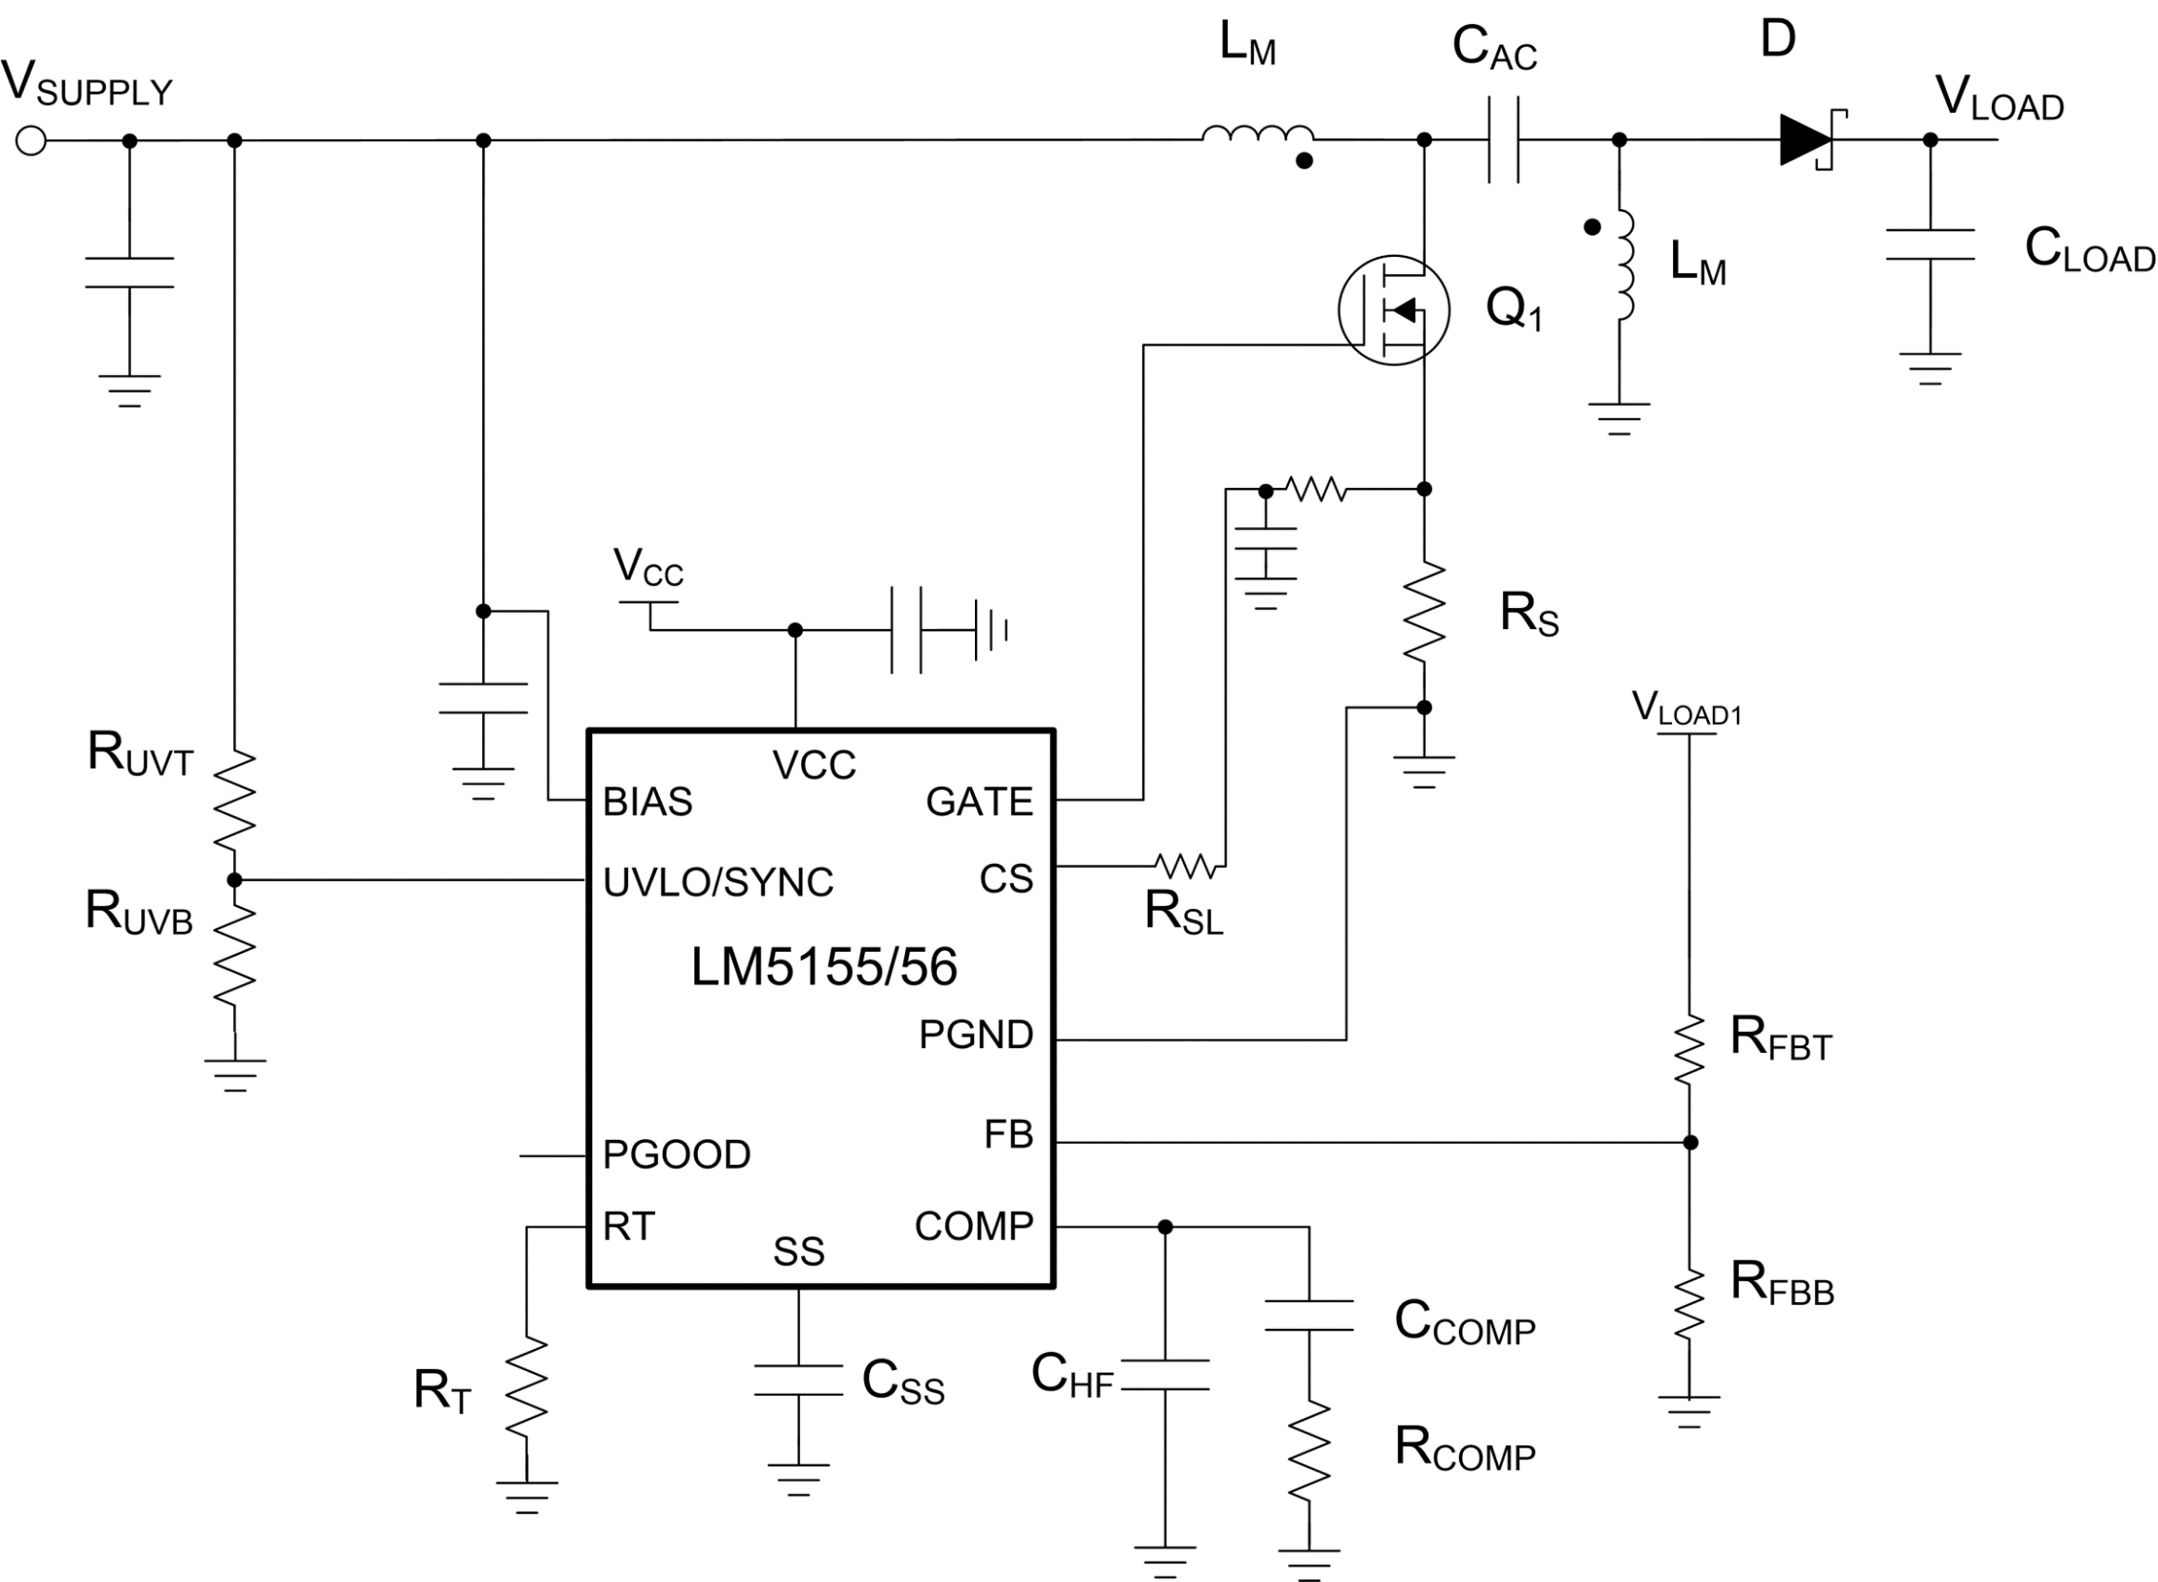
 |  |  |  |  |  | Rev 1 | June-2020
Step 1: Design Specifications
 |  |  | Minimum Input Supply Voltage , VSUPPLY(min) | 8 | V
 |  |  | Typical Input Supply Voltage, VSUPPLY(typ) | 14.8 | V
 |  |  | Maximum Input Supply Voltage , VSUPPLY(max) | 18 | V
 |  |  | Output Target Voltage, VLOAD | 12 | V
 |  |  | Maximum Output Current , ILOAD | 8 | A
 |  |  | Free Running Switching Frequency, FSW | 1000 | kHz
 |  |  | Free running Oscillator Set Resistor, RT | 21.15 | kΩ
 |  |  | Output Power, POUT | 96 | W
 |  |  | SEPIC Regulator Duty Cycle Limit by LM5155/56 at VSUPPLY(MIN) | 90.0 | %
 |  |  | Ideal Duty Cycle at VSUPPLY(MIN) | 60.0 | %

Step 2: Filter Inductor
 |  |  | Required Mode of Operation: | CCM
 |  |  | Desired Maximum Inductor Current Ripple Ratio (IRR_MAX) | 40 | %
 |  |  | Recommended Inductance (LM_CALC) | 1.28 | uH
 |  |  | User Selection. Inductance, (LM) | 3.3 | uH
 |  |  | Peak inductor current, ILPK | 21.45 | A

Step 3: Current Sense Resistor Selection
 |  |  | Peak Current Limit Margin | 15 | %
 |  |  | Selected Peak Current limit (ILSW_select) | 24.67 | A
 |  |  | Recommended current sense Resistor (RS) | 4.05 | mΩ
 |  |  | Recommended external slope compensation Resistor (RSL) | 0 | Ω
 |  |  | Selected current sense Resistor (RS) | 4 | mΩ
 |  |  | Selected external slope compensation Resistor (RSL) | 0 | Ω
 |  |  | Actual switch peak current limit | 25.00 | A

Step 4: CAC Capacitor Selection
 |  |  | Minimum couplpling capacitor value (CAC_min) | 5.33 | uF
 |  |  | Selected Coupling Capacitor (CAC) | 20 | uF
 |  |  | Minimuum require CAC RMS current Rating | 9.80 | A

Step 5: Output Capacitor Selection
 |  |  | Desired load step ripple voltage (ΔvOUT) | 750 | mV
 |  |  | Minimum output capacitance | 264.00 | uF
 |  |  | Capacitor RMS current (IRMS_COUT) | 9.80 | A
 |  |  | Selected Output Capacitance (COUT) | 354 | uF
 |  |  | Equivalent COUT ESR (RESR) | 5 | mΩ

Step 6: Soft-Start Capacitor Selection
 |  |  | Suggested minimum soft-start capacitor (CSS_MIN) | 5.31 | nF
 |  |  | Desied soft-start time at minimum input voltage (TSS) | 20 | ms
 |  |  | Calculated soft-start capacitor (CSS) | 600 | nF

V_{IN} =
18
V
Bode Plot
 | Gain (dB) |  | f_LP |  | fz_rhp |  | f_esr |  | fz_ea |  | fp_ea |  | Phase (deg)
10.23 | 64.233305288 | 420 | 29.626847248 | 65109 | -26.433425561 | 89918 | -29.691866828 | 1035.3561221 | 18.628185489 | 19671.76632 | -11.785254938 | 10.23 | 89.132598616
10.47 | 64.033203585 |  |  |  |  |  |  |  |  |  |  | 10.47 | 89.112406701
10.72 | 63.833097093 |  |  |  |  |  |  |  |  |  |  | 10.72 | 89.091745347
10.96 | 63.632985585 |  |  |  |  |  |  |  |  |  |  | 10.96 | 89.070603681
11.22 | 63.432868827 |  |  |  |  |  |  |  |  |  |  | 11.22 | 89.048970586
11.48 | 63.232746571 |  |  |  |  |  |  |  |  |  |  | 11.48 | 89.026834686
11.75 | 63.032618558 |  |  |  |  |  |  |  |  |  |  | 11.75 | 89.004184349
12.02 | 62.832484517 |  |  |  |  |  |  |  |  |  |  | 12.02 | 88.981007675
12.30 | 62.632344166 |  |  |  |  |  |  |  |  |  |  | 12.30 | 88.957292495
12.59 | 62.432197207 |  |  |  |  |  |  |  |  |  |  | 12.59 | 88.93302636
12.88 | 62.232043329 |  |  |  |  |  |  |  |  |  |  | 12.88 | 88.908196541
13.18 | 62.031882208 |  |  |  |  |  |  |  |  |  |  | 13.18 | 88.882790019
13.49 | 61.831713501 |  |  |  |  |  |  |  |  |  |  | 13.49 | 88.856793478
13.80 | 61.631536854 |  |  |  |  |  |  |  |  |  |  | 13.80 | 88.830193303
14.13 | 61.431351893 |  |  |  |  |  |  |  |  |  |  | 14.13 | 88.802975568
14.45 | 61.231158226 |  |  |  |  |  |  |  |  |  |  | 14.45 | 88.775126034
14.79 | 61.030955445 |  |  |  |  |  |  |  |  |  |  | 14.79 | 88.74663014
15.14 | 60.830743121 |  |  |  |  |  |  |  |  |  |  | 15.14 | 88.717472999
15.49 | 60.630520806 |  |  |  |  |  |  |  |  |  |  | 15.49 | 88.687639386
15.85 | 60.430288031 |  |  |  |  |  |  |  |  |  |  | 15.85 | 88.657113736
16.22 | 60.230044304 |  |  |  |  |  |  |  |  |  |  | 16.22 | 88.625880135
16.60 | 60.029789111 |  |  |  |  |  |  |  |  |  |  | 16.60 | 88.593922313
16.98 | 59.829521914 |  |  |  |  |  |  |  |  |  |  | 16.98 | 88.561223636
17.38 | 59.629242148 |  |  |  |  |  |  |  |  |  |  | 17.38 | 88.527767099
17.78 | 59.428949224 |  |  |  |  |  |  |  |  |  |  | 17.78 | 88.493535321
18.20 | 59.228642525 |  |  |  |  |  |  |  |  |  |  | 18.20 | 88.458510533
18.62 | 59.028321404 |  |  |  |  |  |  |  |  |  |  | 18.62 | 88.422674575
19.05 | 58.827985184 |  |  |  |  |  |  |  |  |  |  | 19.05 | 88.386008883
19.50 | 58.627633157 |  |  |  |  |  |  |  |  |  |  | 19.50 | 88.348494487
19.95 | 58.427264583 |  |  |  |  |  |  |  |  |  |  | 19.95 | 88.310112
20.42 | 58.226878685 |  |  |  |  |  |  |  |  |  |  | 20.42 | 88.27084161
20.89 | 58.026474651 |  |  |  |  |  |  |  |  |  |  | 20.89 | 88.230663073
21.38 | 57.826051632 |  |  |  |  |  |  |  |  |  |  | 21.38 | 88.189555703
21.88 | 57.625608738 |  |  |  |  |  |  |  |  |  |  | 21.88 | 88.147498368
22.39 | 57.425145039 |  |  |  |  |  |  |  |  |  |  | 22.39 | 88.104469478
22.91 | 57.22465956 |  |  |  |  |  |  |  |  |  |  | 22.91 | 88.060446978
23.44 | 57.024151282 |  |  |  |  |  |  |  |  |  |  | 23.44 | 88.015408341
23.99 | 56.823619138 |  |  |  |  |  |  |  |  |  |  | 23.99 | 87.969330558
24.55 | 56.623062013 |  |  |  |  |  |  |  |  |  |  | 24.55 | 87.922190134
25.12 | 56.422478738 |  |  |  |  |  |  |  |  |  |  | 25.12 | 87.873963073
25.70 | 56.22186809 |  |  |  |  |  |  |  |  |  |  | 25.70 | 87.824624875
26.30 | 56.021228792 |  |  |  |  |  |  |  |  |  |  | 26.30 | 87.774150528
26.92 | 55.820559506 |  |  |  |  |  |  |  |  |  |  | 26.92 | 87.722514499
27.54 | 55.619858831 |  |  |  |  |  |  |  |  |  |  | 27.54 | 87.669690725
28.18 | 55.419125303 |  |  |  |  |  |  |  |  |  |  | 28.18 | 87.615652606
28.84 | 55.21835739 |  |  |  |  |  |  |  |  |  |  | 28.84 | 87.560373
29.51 | 55.017553489 |  |  |  |  |  |  |  |  |  |  | 29.51 | 87.503824212
30.20 | 54.816711923 |  |  |  |  |  |  |  |  |  |  | 30.20 | 87.445977989
30.90 | 54.615830939 |  |  |  |  |  |  |  |  |  |  | 30.90 | 87.386805513
31.62 | 54.414908703 |  |  |  |  |  |  |  |  |  |  | 31.62 | 87.326277392
...
Step 7: UVLO Resistor Divider Selection
 |  |  | Desired voltage On (VUVLO_ON) | 7 | V
 |  |  | Desired voltage OFF (VUVLO_OFF) | 6 | V |  |  | 8
 |  |  | Calculated top UVLO resistor value (RUVT_CALC) | 153.80 | kΩ
 |  |  | Selected top UVLO resistor value (RUVT) | 42 | kΩ
 |  |  | Bottom UVLO Resistor (RUVB) | 11.455 | kΩ

Step 8: Loop Compensation
 |  |  | Voltage selected (VIN_VAR) | 18V

 |  |  | Feedback Resistor Selection
 |  |  | Select a top feedback resistor(RFBT) | 150 | kΩ
 |  |  | Calculated bottom feedback resistor (RFBB_cala) | 13.64 | kΩ
 |  |  | Select a bottomresistor based on calculated balue(RFBB) | 14 | kΩ

 |  |  | Suggested bandwidth | 3.215 | kHz
 |  |  | Selected band width (FCO) | 3.5 | kHz

 |  | Calculated |  | Selected
 | RCOMP | 3.221 | kΩ | 4.27 | kΩ
 | CCOMP | 38.14 | nF | 36 | nF
 | CHF | 2561 | pF | 2000 | pF

Efficiency / Power Loss Analyzer

η
 | Eff |  | MOSFET |  | Diode |  | RCS
0 | 0 | 0 | 0 | 0.053333333333 | 4.8138666667 | 0 | 0
0.053333333333 | 11.399331388 | 0.053333333333 | 0.030688422846 | 0.10666666667 | 4.8173333333 | 0.053333333333 | 0.00020928173393
0.10666666667 | 20.351999462 | 0.10666666667 | 0.061698845561 | 0.16 | 4.8208 | 0.10666666667 | 0.00067616336258
0.16 | 27.567339761 | 0.16 | 0.09299322539 | 0.21333333333 | 4.8242666667 | 0.16 | 0.0013702106827
0.21333333333 | 33.504709931 | 0.21333333333 | 0.12456442109 | 0.26666666667 | 4.8277333333 | 0.21333333333 | 0.0022857106979
0.26666666667 | 38.474638627 | 0.26666666667 | 0.15641171467 | 0.32 | 4.8312 | 0.26666666667 | 0.0034220890236
0.32 | 42.694570966 | 0.32 | 0.18853695734 | 0.37333333333 | 4.8346666667 | 0.32 | 0.0047808266162
0.37333333333 | 46.321310687 | 0.37333333333 | 0.2209432626 | 0.42666666667 | 4.8381333333 | 0.37333333333 | 0.006364414281
0.42666666667 | 49.470780227 | 0.42666666667 | 0.25363443438 | 0.48 | 4.8416 | 0.42666666667 | 0.0081758951616
0.48 | 52.230527759 | 0.48 | 0.28661467796 | 0.53333333333 | 4.8450666667 | 0.48 | 0.01021863348
0.53333333333 | 54.667907744 | 0.53333333333 | 0.31988843945 | 0.58666666667 | 4.8485333333 | 0.53333333333 | 0.012496186126
0.58666666667 | 56.835585742 | 0.58666666667 | 0.35346031059 | 0.64 | 4.852 | 0.58666666667 | 0.015012226496
0.64 | 58.775335677 | 0.64 | 0.38733496953 | 0.69333333333 | 4.8554666667 | 0.64 | 0.017770497109
0.69333333333 | 60.702861383 | 0.69333333333 | 0.39860038681 | 0.74666666667 | 4.8589333333 | 0.69333333333 | 0.0024413743904
0.74666666667 | 62.307422797 | 0.74666666667 | 0.42919787416 | 0.8 | 4.8624 | 0.74666666667 | 0.0025779077237
0.8 | 63.768170569 | 0.8 | 0.45980800348 | 0.85333333333 | 4.8658666667 | 0.8 | 0.0027245546373
0.85333333333 | 65.103592329 | 0.85333333333 | 0.49043077478 | 0.90666666667 | 4.8693333333 | 0.85333333333 | 0.0028813151311
0.90666666667 | 66.329137072 | 0.90666666667 | 0.52106618805 | 0.96 | 4.8728 | 0.90666666667 | 0.0030481892052
0.96 | 67.457814807 | 0.96 | 0.5517142433 | 1.0133333333 | 4.8762666667 | 0.96 | 0.0032251768595
1.0133333333 | 68.500659593 | 1.0133333333 | 0.58237494052 | 1.0666666667 | 4.8797333333 | 1.0133333333 | 0.0034122780941
1.0666666667 | 69.46709095 | 1.0666666667 | 0.61304827972 | 1.12 | 4.8832 | 1.0666666667 | 0.0036094929089
1.12 | 70.365198745 | 1.12 | 0.64373426089 | 1.1733333333 | 4.8866666667 | 1.12 | 0.0038168213039
1.1733333333 | 71.201969809 | 1.1733333333 | 0.67443288404 | 1.2266666667 | 4.8901333333 | 1.1733333333 | 0.0040342632793
1.2266666667 | 71.983469735 | 1.2266666667 | 0.70514414916 | 1.28 | 4.8936 | 1.2266666667 | 0.0042618188348
1.28 | 72.71498987 | 1.28 | 0.73586805626 | 1.3333333333 | 4.8970666667 | 1.28 | 0.0044994879706
1.3333333333 | 73.401167031 | 1.3333333333 | 0.76660460533 | 1.3866666667 | 4.9005333333 | 1.3333333333 | 0.0047472706867
1.3866666667 | 74.046081673 | 1.3866666667 | 0.79735379638 | 1.44 | 4.904 | 1.3866666667 | 0.005005166983
1.44 | 74.653338906 | 1.44 | 0.82811562941 | 1.4933333333 | 4.9074666667 | 1.44 | 0.0052731768595
1.4933333333 | 75.226135752 | 1.4933333333 | 0.85889010441 | 1.5466666667 | 4.9109333333 | 1.4933333333 | 0.0055513003163
1.5466666667 | 75.767317303 | 1.5466666667 | 0.88967722138 | 1.6 | 4.9144 | 1.5466666667 | 0.0058395373533
1.6 | 76.279423846 | 1.6 | 0.92047698033 | 1.6533333333 | 4.9178666667 | 1.6 | 0.0061378879706
1.6533333333 | 76.764730618 | 1.6533333333 | 0.95128938126 | 1.7066666667 | 4.9213333333 | 1.6533333333 | 0.0064463521681
1.7066666667 | 77.225281496 | 1.7066666667 | 0.98211442416 | 1.76 | 4.9248 | 1.7066666667 | 0.0067649299459
1.76 | 77.662917676 | 1.76 | 1.012952109 | 1.8133333333 | 4.9282666667 | 1.76 | 0.0070936213039
1.8133333333 | 78.079302189 | 1.8133333333 | 1.0438024359 | 1.8666666667 | 4.9317333333 | 1.8133333333 | 0.0074324262422
1.8666666667 | 78.475940941 | 1.8666666667 | 1.0746654047 | 1.92 | 4.9352 | 1.8666666667 | 0.0077813447607
1.92 | 78.854200842 | 1.92 | 1.1055410155 | 1.9733333333 | 4.9386666667 | 1.92 | 0.0081403768595
1.9733333333 | 79.215325481 | 1.9733333333 | 1.1364292683 | 2.0266666667 | 4.9421333333 | 1.9733333333 | 0.0085095225385
2.0266666667 | 79.56044873 | 2.0266666667 | 1.167330163 | 2.08 | 4.9456 | 2.0266666667 | 0.0088887817978
2.08 | 79.890606575 | 2.08 | 1.1982436998 | 2.1333333333 | 4.9490666667 | 2.08 | 0.0092781546373
2.1333333333 | 80.206747464 | 2.1333333333 | 1.2291698785 | 2.1866666667 | 4.9525333333 | 2.1333333333 | 0.009677641057
2.1866666667 | 80.509741356 | 2.1866666667 | 1.2601086992 | 2.24 | 4.956 | 2.1866666667 | 0.010087241057
2.24 | 80.800387679 | 2.24 | 1.2910601618 | 2.2933333333 | 4.9594666667 | 2.24 | 0.010506954637
2.2933333333 | 81.079422335 | 2.2933333333 | 1.3220242664 | 2.3466666667 | 4.9629333333 | 2.2933333333 | 0.010936781798
2.3466666667 | 81.347523885 | 2.3466666667 | 1.353001013 | 2.4 | 4.9664 | 2.3466666667 | 0.011376722539
2.4 | 81.60531903 | 2.4 | 1.3839904016 | 2.4533333333 | 4.9698666667 | 2.4 | 0.01182677686
2.4533333333 | 81.853387472 | 2.4533333333 | 1.4149924322 | 2.5066666667 | 4.9733333333 | 2.4533333333 | 0.012286944761
2.5066666667 | 82.092266236 | 2.5066666667 | 1.4460071047 | 2.56 | 4.9768 | 2.5066666667 | 0.012757226242
2.56 | 82.322453531 | 2.56 | 1.4770344192 | 2.6133333333 | 4.9802666667 | 2.56 | 0.013237621304
2.6133333333 | 82.544412191 | 2.6133333333 | 1.5080743757 | 2.6666666667 | 4.9837333333 | 2.6133333333 | 0.013728129946
...
V_{IN} =
18
V
MOSFET parameters
 |  |  | On-State Resistance, RDS(on) | 5 | mΩ
 |  |  | Total Gate Charge, QG | 18 | nC
 |  |  | Gate-Drain Charge, QGD | 5.9 | nC
 |  |  | Gate-Source Charge, QGS | 7.4 | nC
 |  |  | Gate Resistance, RG | 2 | Ω
 |  |  | Transconductance, gFS | 50 | S
 |  |  | Gate-Source Threshold Voltage, VTH | 1.77 | V

Diode Parameters
 |  |  | Recommended minimum average current rating (ID_AVG) | 8 | A
 |  |  | Forward Voltage Drop (VD) | 65 | mV
 |  |  | Reverse recovery charge of Schottky Diode (QRR) | 160 | nC

