LM5156H_Datasheet_Calculations
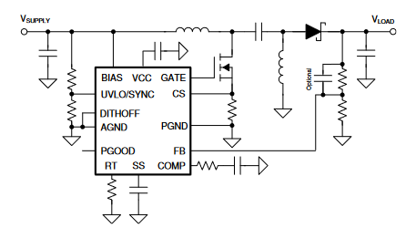
Device Properties (Constants)
V_UVLO (falling) | 1.575 | V
V_UVLO (rising) | 1.37 | V
I_UVLO | 5.00E-06 | A
I_SS | 1.00E-05 | A

Design Parameters
Vin (min) | 8 | V
Vin (max) | 18 | V
Vout | 12 | V
Iout (max) | 8 | A
Desired Soft Start Time (t_SS) | 20 | ms
f_SW | 1.00E+06 | Hz
f_RT | 1.00E+06 | Hz | Same as f_SW b/c clock sync not used
V_D1 | 6.00E-01 | V | Voltage drop across output diode D1
L | 3.30E-06 | H

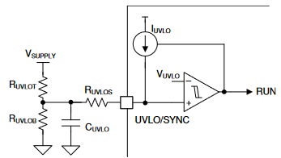
UVLO Design
V_SUPPLY (ON) | 7 | V | These voltages selected as they avoiddamage by overcurrenting FET, inductor, diode, etc
V_SUPPLY (OFF) | 6 | V
R_UVLOT | 4.09E+05 | Ohms
R_UVLOB | 9.96E+04 | Ohms
C_UVLO | ??? | F | Datasheet states these may be needed, but don't provide may specifics for when…
R_UVLOS | ??? | Ohms

BIAS, VCC Design
C_VCC | 2.20E-06 | F | Datasheet recommends 1uF to 4.7uF

SS Pin
C_SS | 2.00E-07 | F

RT Pin
R_T | 2.11E+04 | Ohms

DRSS
Connect DITHOFF to VCC |  |  | This disables DRSS

Clock Synchronization
f_SYNC | 1.00E+06 | Hz | Same as f_RT b/c clock sync not used
Not used |  |  | Not used. UVLO / SYNC connected with components previously calculated

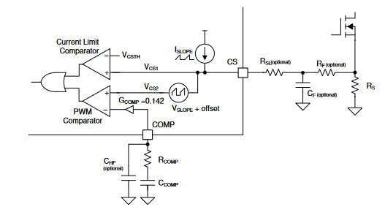
CS Pin
Margin | 1.2 |  | TODO SOME OF THIS IS INCORRECT
I_SLOPE | 3.00E-05 | A
V_SLOPE | 4.00E-02 | V
R_S (max) | 4.78E-02 | Ohms
Selected RS | 4.00E-03 | Ohms

