Design Converter
 | LM5155/56 DC/DC Coupled Inductor SEPIC Controller Design Tool

ABOUT |  | =Input Box |  |  |  | TERMS OF USE

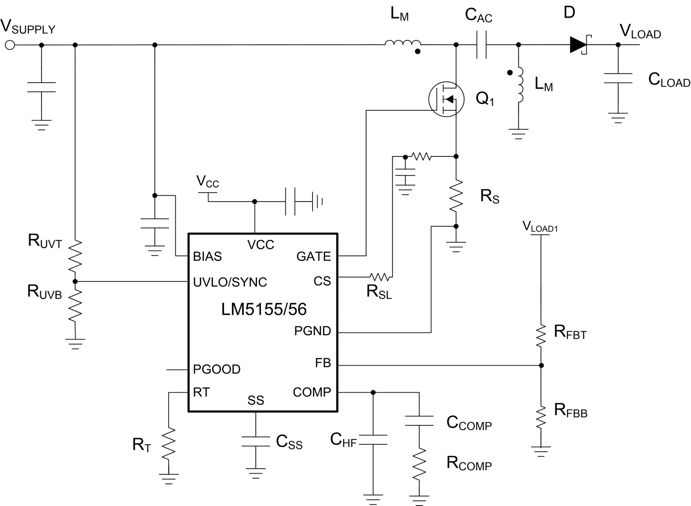
 |  |  |  |  |  | Rev 1 | June-2020
Step 1: Design Specifications
 |  |  | Minimum Input Supply Voltage , VSUPPLY(min) | 8 | V
 |  |  | Typical Input Supply Voltage, VSUPPLY(typ) | 14.8 | V
 |  |  | Maximum Input Supply Voltage , VSUPPLY(max) | 18 | V
 |  |  | Output Target Voltage, VLOAD | 12 | V
 |  |  | Maximum Output Current , ILOAD | 8 | A
 |  |  | Free Running Switching Frequency, FSW | 1000 | kHz
 |  |  | Free running Oscillator Set Resistor, RT | 21.15 | kΩ
 |  |  | Output Power, POUT | 96 | W
 |  |  | SEPIC Regulator Duty Cycle Limit by LM5155/56 at VSUPPLY(MIN) | 90.0 | %
 |  |  | Ideal Duty Cycle at VSUPPLY(MIN) | 60.0 | %

Step 2: Filter Inductor
 |  |  | Required Mode of Operation: | CCM
 |  |  | Desired Maximum Inductor Current Ripple Ratio (IRR_MAX) | 40 | %
 |  |  | Recommended Inductance (LM_CALC) | 1.28 | uH
 |  |  | User Selection. Inductance, (LM) | 3.3 | uH
 |  |  | Peak inductor current, ILPK | 21.45 | A

Step 3: Current Sense Resistor Selection
 |  |  | Peak Current Limit Margin | 15 | %
 |  |  | Selected Peak Current limit (ILSW_select) | 24.67 | A
 |  |  | Recommended current sense Resistor (RS) | 4.05 | mΩ
 |  |  | Recommended external slope compensation Resistor (RSL) | 0 | Ω
 |  |  | Selected current sense Resistor (RS) | 4 | mΩ
 |  |  | Selected external slope compensation Resistor (RSL) | 0 | Ω
 |  |  | Actual switch peak current limit | 25.00 | A

Step 4: CAC Capacitor Selection
 |  |  | Minimum couplpling capacitor value (CAC_min) | 5.33 | uF
 |  |  | Selected Coupling Capacitor (CAC) | 20 | uF
 |  |  | Minimuum require CAC RMS current Rating | 9.80 | A

Step 5: Output Capacitor Selection
 |  |  | Desired load step ripple voltage (ΔvOUT) | 750 | mV
 |  |  | Minimum output capacitance | 264.00 | uF
 |  |  | Capacitor RMS current (IRMS_COUT) | 9.80 | A
 |  |  | Selected Output Capacitance (COUT) | 500 | uF
 |  |  | Equivalent COUT ESR (RESR) | 2 | mΩ

Step 6: Soft-Start Capacitor Selection
 |  |  | Suggested minimum soft-start capacitor (CSS_MIN) | 7.50 | nF
 |  |  | Desied soft-start time at minimum input voltage (TSS) | 20 | ms
 |  |  | Calculated soft-start capacitor (CSS) | 600 | nF

V_{IN} =
18
V
Bode Plot
 | Gain (dB) |  | f_LP |  | fz_rhp |  | f_esr |  | fz_ea |  | fp_ea |  | Phase (deg)
10.23 | 64.230737843 | 297 | 32.310146926 | 65109 | -30.591365858 | 159155 | -40.740235492 | 1035.3561221 | 15.945328255 | 19671.76632 | -14.92079973 | 10.23 | 88.554004919
10.47 | 64.030515253 |  |  |  |  |  |  |  |  |  |  | 10.47 | 88.520360061
10.72 | 63.830282187 |  |  |  |  |  |  |  |  |  |  | 10.72 | 88.485934135
10.96 | 63.630038153 |  |  |  |  |  |  |  |  |  |  | 10.96 | 88.450709135
11.22 | 63.429782635 |  |  |  |  |  |  |  |  |  |  | 11.22 | 88.414666649
11.48 | 63.229515093 |  |  |  |  |  |  |  |  |  |  | 11.48 | 88.377787849
11.75 | 63.029234964 |  |  |  |  |  |  |  |  |  |  | 11.75 | 88.340053485
12.02 | 62.828941656 |  |  |  |  |  |  |  |  |  |  | 12.02 | 88.301443877
12.30 | 62.628634549 |  |  |  |  |  |  |  |  |  |  | 12.30 | 88.261938899
12.59 | 62.428312996 |  |  |  |  |  |  |  |  |  |  | 12.59 | 88.22151798
12.88 | 62.227976319 |  |  |  |  |  |  |  |  |  |  | 12.88 | 88.180160087
13.18 | 62.027623808 |  |  |  |  |  |  |  |  |  |  | 13.18 | 88.137843721
13.49 | 61.82725472 |  |  |  |  |  |  |  |  |  |  | 13.49 | 88.094546903
13.80 | 61.626868277 |  |  |  |  |  |  |  |  |  |  | 13.80 | 88.050247168
14.13 | 61.426463665 |  |  |  |  |  |  |  |  |  |  | 14.13 | 88.004921553
14.45 | 61.226040032 |  |  |  |  |  |  |  |  |  |  | 14.45 | 87.958546592
14.79 | 61.025596485 |  |  |  |  |  |  |  |  |  |  | 14.79 | 87.911098298
15.14 | 60.825132093 |  |  |  |  |  |  |  |  |  |  | 15.14 | 87.862552162
15.49 | 60.624645877 |  |  |  |  |  |  |  |  |  |  | 15.49 | 87.812883136
15.85 | 60.424136815 |  |  |  |  |  |  |  |  |  |  | 15.85 | 87.762065628
16.22 | 60.223603837 |  |  |  |  |  |  |  |  |  |  | 16.22 | 87.710073488
16.60 | 60.023045823 |  |  |  |  |  |  |  |  |  |  | 16.60 | 87.656880001
16.98 | 59.822461602 |  |  |  |  |  |  |  |  |  |  | 16.98 | 87.602457876
17.38 | 59.621849946 |  |  |  |  |  |  |  |  |  |  | 17.38 | 87.546779233
17.78 | 59.421209573 |  |  |  |  |  |  |  |  |  |  | 17.78 | 87.489815598
18.20 | 59.220539139 |  |  |  |  |  |  |  |  |  |  | 18.20 | 87.431537888
18.62 | 59.01983724 |  |  |  |  |  |  |  |  |  |  | 18.62 | 87.371916404
19.05 | 58.819102404 |  |  |  |  |  |  |  |  |  |  | 19.05 | 87.310920819
19.50 | 58.618333094 |  |  |  |  |  |  |  |  |  |  | 19.50 | 87.248520168
19.95 | 58.4175277 |  |  |  |  |  |  |  |  |  |  | 19.95 | 87.18468284
20.42 | 58.216684537 |  |  |  |  |  |  |  |  |  |  | 20.42 | 87.119376566
20.89 | 58.015801844 |  |  |  |  |  |  |  |  |  |  | 20.89 | 87.05256841
21.38 | 57.814877778 |  |  |  |  |  |  |  |  |  |  | 21.38 | 86.98422476
21.88 | 57.613910411 |  |  |  |  |  |  |  |  |  |  | 21.88 | 86.914311316
22.39 | 57.412897726 |  |  |  |  |  |  |  |  |  |  | 22.39 | 86.842793085
22.91 | 57.211837613 |  |  |  |  |  |  |  |  |  |  | 22.91 | 86.769634369
23.44 | 57.010727865 |  |  |  |  |  |  |  |  |  |  | 23.44 | 86.694798757
23.99 | 56.809566175 |  |  |  |  |  |  |  |  |  |  | 23.99 | 86.618249116
24.55 | 56.608350129 |  |  |  |  |  |  |  |  |  |  | 24.55 | 86.539947587
25.12 | 56.407077204 |  |  |  |  |  |  |  |  |  |  | 25.12 | 86.459855571
25.70 | 56.205744759 |  |  |  |  |  |  |  |  |  |  | 25.70 | 86.377933727
26.30 | 56.004350034 |  |  |  |  |  |  |  |  |  |  | 26.30 | 86.294141964
26.92 | 55.802890145 |  |  |  |  |  |  |  |  |  |  | 26.92 | 86.208439435
27.54 | 55.601362074 |  |  |  |  |  |  |  |  |  |  | 27.54 | 86.120784532
28.18 | 55.399762667 |  |  |  |  |  |  |  |  |  |  | 28.18 | 86.03113488
28.84 | 55.198088627 |  |  |  |  |  |  |  |  |  |  | 28.84 | 85.939447334
29.51 | 54.996336509 |  |  |  |  |  |  |  |  |  |  | 29.51 | 85.84567798
30.20 | 54.79450271 |  |  |  |  |  |  |  |  |  |  | 30.20 | 85.749782125
30.90 | 54.592583465 |  |  |  |  |  |  |  |  |  |  | 30.90 | 85.651714304
31.62 | 54.390574843 |  |  |  |  |  |  |  |  |  |  | 31.62 | 85.551428275
...
Step 7: UVLO Resistor Divider Selection
 |  |  | Desired voltage On (VUVLO_ON) | 5.8 | V
 |  |  | Desired voltage OFF (VUVLO_OFF) | 5.4 | V |  |  | 8
 |  |  | Calculated top UVLO resistor value (RUVT_CALC) | 41.72 | kΩ
 |  |  | Selected top UVLO resistor value (RUVT) | 42 | kΩ
 |  |  | Bottom UVLO Resistor (RUVB) | 14.651 | kΩ

Step 8: Loop Compensation
 |  |  | Voltage selected (VIN_VAR) | 18V

 |  |  | Feedback Resistor Selection
 |  |  | Select a top feedback resistor(RFBT) | 150 | kΩ
 |  |  | Calculated bottom feedback resistor (RFBB_cala) | 13.64 | kΩ
 |  |  | Select a bottomresistor based on calculated balue(RFBB) | 14 | kΩ

 |  |  | Suggested bandwidth | 3.215 | kHz
 |  |  | Selected band width (FCO) | 3.5 | kHz

 |  | Calculated |  | Selected
 | RCOMP | 4.550 | kΩ | 4.27 | kΩ
 | CCOMP | 32.09 | nF | 36 | nF
 | CHF | 1813 | pF | 2000 | pF

Efficiency / Power Loss Analyzer

η
 | Eff |  | MOSFET |  | Diode |  | RCS
0 | 0 | 0 | 0 | 0.053333333333 | 4.8138666667 | 0 | 0
0.053333333333 | 10.970114698 | 0.053333333333 | 0.081606034083 | 0.10666666667 | 4.8173333333 | 0.053333333333 | 0.00020928173393
0.10666666667 | 19.512626646 | 0.10666666667 | 0.16349542805 | 0.16 | 4.8208 | 0.10666666667 | 0.00067616336258
0.16 | 26.351347486 | 0.16 | 0.24563470428 | 0.21333333333 | 4.8242666667 | 0.16 | 0.0013702106827
0.21333333333 | 31.948403505 | 0.21333333333 | 0.32801757847 | 0.26666666667 | 4.8277333333 | 0.21333333333 | 0.0022857106979
0.26666666667 | 36.612648802 | 0.26666666667 | 0.41064341881 | 0.32 | 4.8312 | 0.26666666667 | 0.0034220890236
0.32 | 40.558333279 | 0.32 | 0.49351385433 | 0.37333333333 | 4.8346666667 | 0.32 | 0.0047808266162
0.37333333333 | 43.938744774 | 0.37333333333 | 0.57663162494 | 0.42666666667 | 4.8381333333 | 0.37333333333 | 0.006364414281
0.42666666667 | 46.866450077 | 0.42666666667 | 0.66000007808 | 0.48 | 4.8416 | 0.42666666667 | 0.0081758951616
0.48 | 49.425974168 | 0.48 | 0.74362291441 | 0.53333333333 | 4.8450666667 | 0.48 | 0.01021863348
0.53333333333 | 51.682020012 | 0.53333333333 | 0.8275040465 | 0.58666666667 | 4.8485333333 | 0.53333333333 | 0.012496186126
0.58666666667 | 53.684957298 | 0.58666666667 | 0.91164751508 | 0.64 | 4.852 | 0.58666666667 | 0.015012226496
0.64 | 55.474583154 | 0.64 | 0.99605743693 | 0.69333333333 | 4.8554666667 | 0.64 | 0.017770497109
0.69333333333 | 57.233939032 | 0.69333333333 | 1.0605712261 | 0.74666666667 | 4.8589333333 | 0.69333333333 | 0.0024413743904
0.74666666667 | 58.708061701 | 0.74666666667 | 1.142097237 | 0.8 | 4.8624 | 0.74666666667 | 0.0025779077237
0.8 | 60.048380502 | 0.8 | 1.2236343727 | 0.85333333333 | 4.8658666667 | 0.8 | 0.0027245546373
0.85333333333 | 61.272307686 | 0.85333333333 | 1.3051826335 | 0.90666666667 | 4.8693333333 | 0.85333333333 | 0.0028813151311
0.90666666667 | 62.394359905 | 0.90666666667 | 1.3867420191 | 0.96 | 4.8728 | 0.90666666667 | 0.0030481892052
0.96 | 63.426736098 | 0.96 | 1.4683125297 | 1.0133333333 | 4.8762666667 | 0.96 | 0.0032251768595
1.0133333333 | 64.379762291 | 1.0133333333 | 1.5498941652 | 1.0666666667 | 4.8797333333 | 1.0133333333 | 0.0034122780941
1.0666666667 | 65.26223775 | 1.0666666667 | 1.6314869257 | 1.12 | 4.8832 | 1.0666666667 | 0.0036094929089
1.12 | 66.081707094 | 1.12 | 1.7130908111 | 1.1733333333 | 4.8866666667 | 1.12 | 0.0038168213039
1.1733333333 | 66.844676219 | 1.1733333333 | 1.7947058215 | 1.2266666667 | 4.8901333333 | 1.1733333333 | 0.0040342632793
1.2266666667 | 67.55678511 | 1.2266666667 | 1.8763319568 | 1.28 | 4.8936 | 1.2266666667 | 0.0042618188348
1.28 | 68.222947265 | 1.28 | 1.957969217 | 1.3333333333 | 4.8970666667 | 1.28 | 0.0044994879706
1.3333333333 | 68.847463014 | 1.3333333333 | 2.0396176022 | 1.3866666667 | 4.9005333333 | 1.3333333333 | 0.0047472706867
1.3866666667 | 69.434112282 | 1.3866666667 | 2.1212771123 | 1.44 | 4.904 | 1.3866666667 | 0.005005166983
1.44 | 69.986230991 | 1.44 | 2.2029477473 | 1.4933333333 | 4.9074666667 | 1.44 | 0.0052731768595
1.4933333333 | 70.506774397 | 1.4933333333 | 2.2846295073 | 1.5466666667 | 4.9109333333 | 1.4933333333 | 0.0055513003163
1.5466666667 | 70.998369881 | 1.5466666667 | 2.3663223922 | 1.6 | 4.9144 | 1.5466666667 | 0.0058395373533
1.6 | 71.463361191 | 1.6 | 2.448026402 | 1.6533333333 | 4.9178666667 | 1.6 | 0.0061378879706
1.6533333333 | 71.903845712 | 1.6533333333 | 2.5297415368 | 1.7066666667 | 4.9213333333 | 1.6533333333 | 0.0064463521681
1.7066666667 | 72.321706007 | 1.7066666667 | 2.6114677966 | 1.76 | 4.9248 | 1.7066666667 | 0.0067649299459
1.76 | 72.718636632 | 1.76 | 2.6932051812 | 1.8133333333 | 4.9282666667 | 1.76 | 0.0070936213039
1.8133333333 | 73.096167037 | 1.8133333333 | 2.7749536908 | 1.8666666667 | 4.9317333333 | 1.8133333333 | 0.0074324262422
1.8666666667 | 73.455681195 | 1.8666666667 | 2.8567133254 | 1.92 | 4.9352 | 1.8666666667 | 0.0077813447607
1.92 | 73.798434497 | 1.92 | 2.9384840849 | 1.9733333333 | 4.9386666667 | 1.92 | 0.0081403768595
1.9733333333 | 74.125568346 | 1.9733333333 | 3.0202659693 | 2.0266666667 | 4.9421333333 | 1.9733333333 | 0.0085095225385
2.0266666667 | 74.438122806 | 2.0266666667 | 3.1020589787 | 2.08 | 4.9456 | 2.0266666667 | 0.0088887817978
2.08 | 74.737047607 | 2.08 | 3.183863113 | 2.1333333333 | 4.9490666667 | 2.08 | 0.0092781546373
2.1333333333 | 75.023211742 | 2.1333333333 | 3.2656783722 | 2.1866666667 | 4.9525333333 | 2.1333333333 | 0.009677641057
2.1866666667 | 75.297411869 | 2.1866666667 | 3.3475047564 | 2.24 | 4.956 | 2.1866666667 | 0.010087241057
2.24 | 75.560379683 | 2.24 | 3.4293422655 | 2.2933333333 | 4.9594666667 | 2.24 | 0.010506954637
2.2933333333 | 75.812788406 | 2.2933333333 | 3.5111908995 | 2.3466666667 | 4.9629333333 | 2.2933333333 | 0.010936781798
2.3466666667 | 76.055258513 | 2.3466666667 | 3.5930506585 | 2.4 | 4.9664 | 2.3466666667 | 0.011376722539
2.4 | 76.288362799 | 2.4 | 3.6749215425 | 2.4533333333 | 4.9698666667 | 2.4 | 0.01182677686
2.4533333333 | 76.512630875 | 2.4533333333 | 3.7568035513 | 2.5066666667 | 4.9733333333 | 2.4533333333 | 0.012286944761
2.5066666667 | 76.728553157 | 2.5066666667 | 3.8386966851 | 2.56 | 4.9768 | 2.5066666667 | 0.012757226242
2.56 | 76.936584431 | 2.56 | 3.9206009439 | 2.6133333333 | 4.9802666667 | 2.56 | 0.013237621304
2.6133333333 | 77.13714703 | 2.6133333333 | 4.0025163276 | 2.6666666667 | 4.9837333333 | 2.6133333333 | 0.013728129946
...
V_{IN} =
18
V
MOSFET parameters
 |  |  | On-State Resistance, RDS(on) | 4.4 | mΩ
 |  |  | Total Gate Charge, QG | 43 | nC
 |  |  | Gate-Drain Charge, QGD | 18.2 | nC
 |  |  | Gate-Source Charge, QGS | 12 | nC
 |  |  | Gate Resistance, RG | 2.24 | Ω
 |  |  | Transconductance, gFS | 50 | S
 |  |  | Gate-Source Threshold Voltage, VTH | 1.8 | V

Diode Parameters
 |  |  | Recommended minimum average current rating (ID_AVG) | 8 | A
 |  |  | Forward Voltage Drop (VD) | 65 | mV
 |  |  | Reverse recovery charge of Schottky Diode (QRR) | 160 | nC

