Categorical Variables
variable | category | definition | data_type | current_observed_top_values | current_unique_values | current_mode | distribution_visual | distribution_assumption | current_distribution_check | My Assumptions/Notes
case_manager_name | Demographics | Assigned case manager identifier/name. | object | CM_04 (79); CM_12 (76); CM_01 (73); CM_08 (73); CM_03 (70) | 15 | CM_04 | 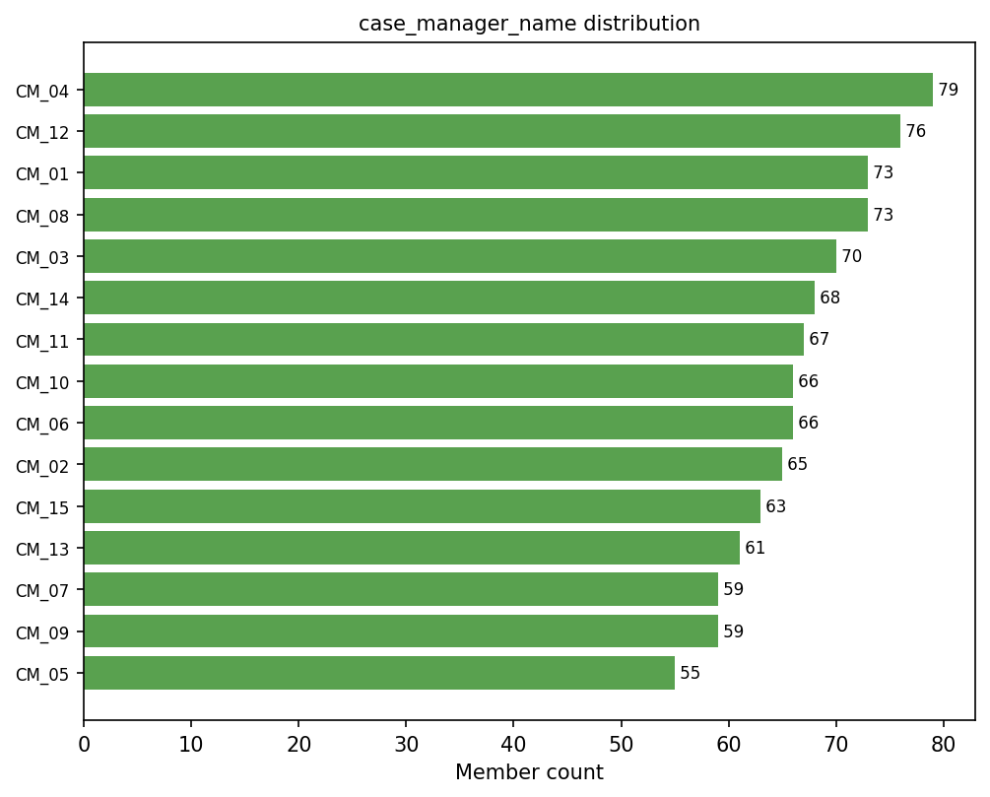 | • Case manager assignment is operational, not a stable member characteristic. • Uneven volume by case manager is realistic. • Use for QA and operational review, not primary prediction. | YELLOW: Distribution is acceptable for operations, but this field should not drive the model. | • Recommendation: drop from primary model. • No stratified sampling needed for modeling. • Use only for post-model review or sensitivity testing. • Watch for workflow/staffing shortcut learning.
client_contract | Demographics | Client contract or line of business associated with the member. | object | Contract_A (436); Contract_B (360); Contract_C (204) | 3 | Contract_A | 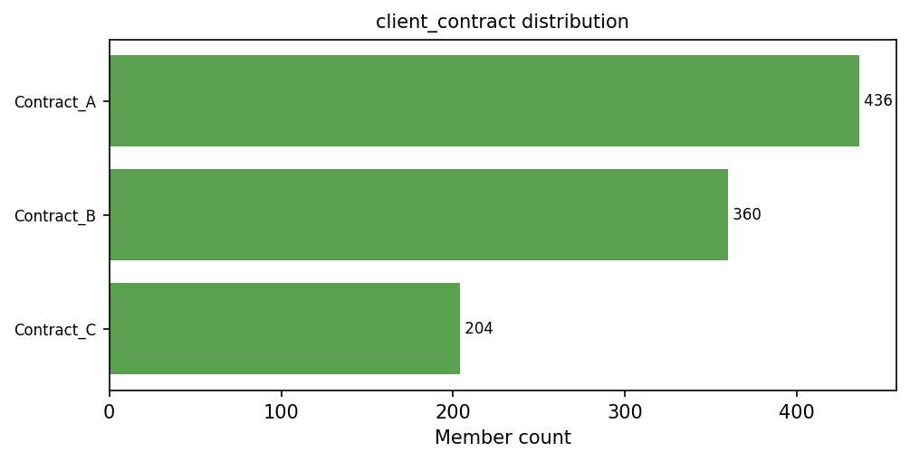 | • Contract sizes can be naturally uneven. • Current mix has enough volume for each contract. • Contract may reflect benefits, network access, and population mix. | GREEN: Current distribution is usable for modeling and subgroup review. | • Recommendation: keep as candidate predictor. • Do not artificially balance contracts. • Use post-split checks; stratify only if a contract becomes underrepresented. • Compare model results with and without this field.
county | Demographics | Member county of residence. | object | County_E (180); County_C (171); County_A (170); County_D (167); County_B (161) | 6 | County_E | 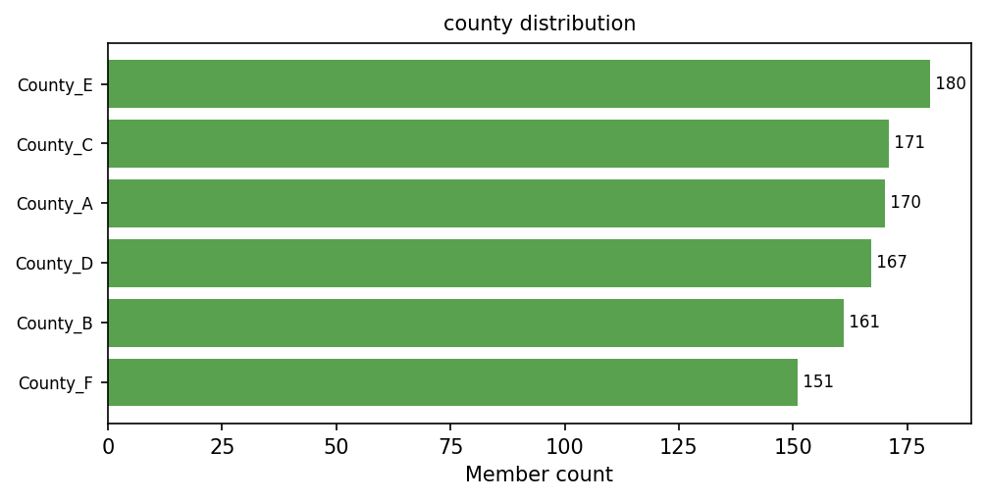 | • Counties are well represented and close to uniform. • Geography may reflect access, transportation, and provider availability. • Rare counties would create unstable one-hot features. | GREEN: Current county distribution is strong and usable as-is. | • Recommendation: keep. • Standard random split is acceptable currently. • Use post-split checks by county. • If future counties are sparse, group rare counties or stratify.
gender | Demographics | Member gender category. | object | Female (550); Male (450) | 2 | Female | 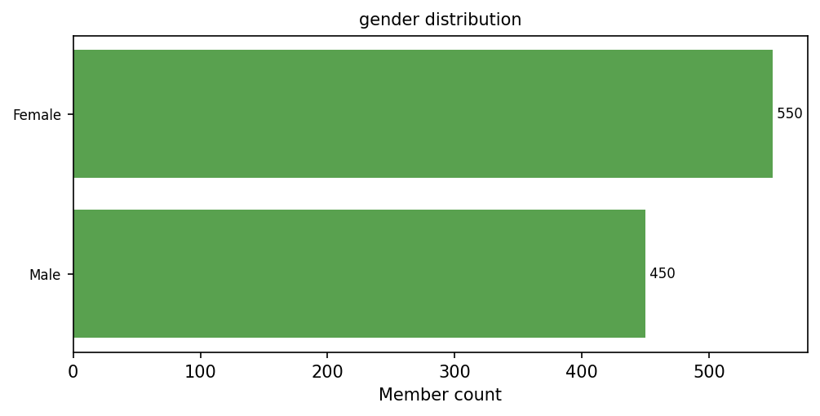 | • Female/Male split is balanced enough. • Dataset should support additional real-world gender values. • Small additional categories are useful for data handling, not subgroup claims. | YELLOW: Current split is usable, but missing Other/Unknown category. | • Recommendation: keep. • Add small Other/Unknown category for realism. • No stratified sampling needed currently. • Check model performance and benefit by gender.
language | Demographics | Preferred or primary language. | object | English (750); Spanish (194); Other (56) | 3 | English | 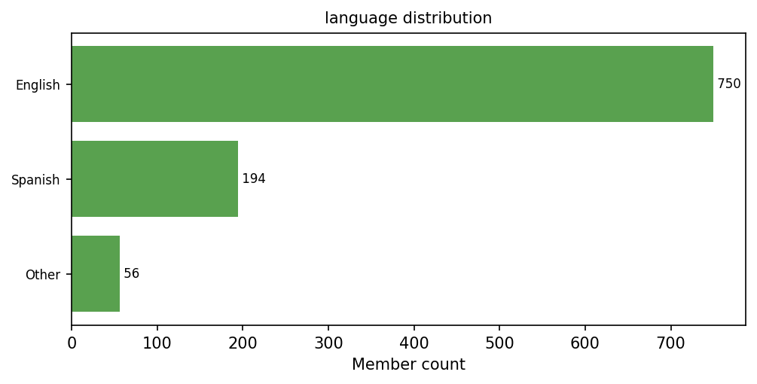 | • English dominance is realistic. • Spanish has enough volume; Other is smaller. • Language may reflect access and outreach barriers. | YELLOW: Usable, but minority language representation needs monitoring. | • Recommendation: keep. • Use post-split checks for Spanish/Other representation. • Stratify by language only if subgroup evaluation is important. • Group rare languages if future categories are sparse.
plan_type | Demographics | Health plan product or plan type. | object | Medicaid (482); Medicare (233); Dual (201); Commercial (84) | 4 | Medicaid | 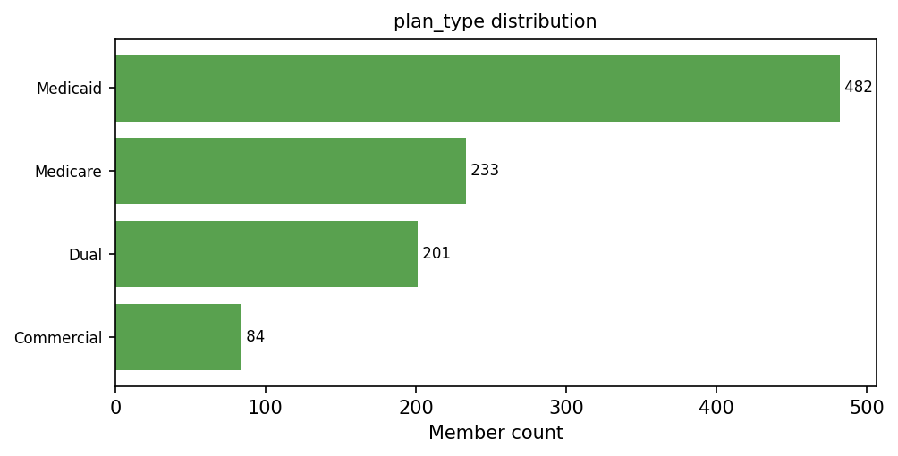 | • Plan mix can be uneven in real populations. • Current groups are mostly usable; Commercial is smaller. • Plan type may reflect benefits, eligibility, and care access. | GREEN: Distribution is acceptable for modeling; smaller Commercial group should be monitored. | • Recommendation: keep as candidate predictor. • Do not artificially balance plan types. • Use post-split checks by plan type. • Be cautious with subgroup claims for smaller groups.
program | Demographics | Care management program or operational program assignment. | object | CM (543); BH_CM (254); Complex_CM (203) | 3 | CM | 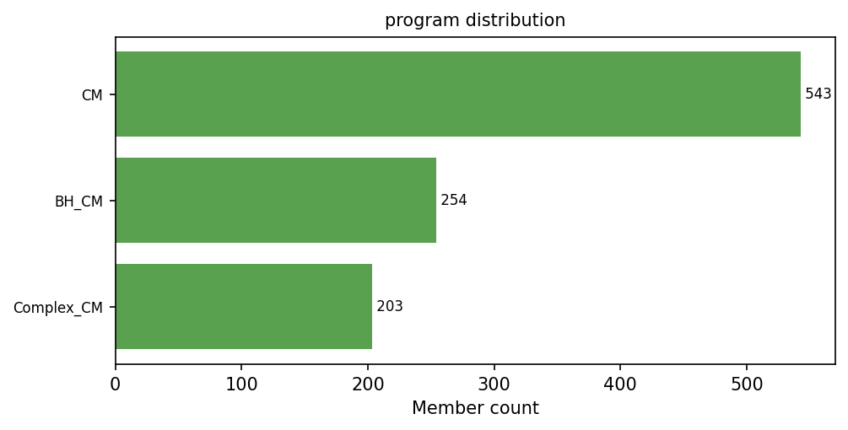 | • Program categories have usable volume. • Program may reflect care pathway and clinical complexity. • Must be confirmed as pre-treatment information. | YELLOW: Distribution is usable, but timing/leakage risk must be checked. | • Recommendation: keep only if known before intervention. • Drop if assigned after treatment selection. • No stratified sampling needed currently. • Run sensitivity model without program.
service_region | Demographics | Service region where the member receives care management support. | object | East (208); North (206); South (205); West (196); Central (185) | 5 | East | 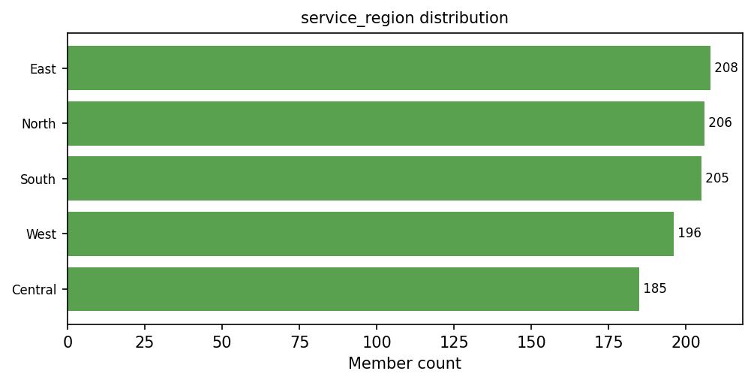 | • Regions are evenly represented. • Region can reflect local access, workflows, and provider availability. • Current spread is strong for synthetic testing. | GREEN: Distribution is well balanced and model-ready. | • Recommendation: keep. • Standard random split is acceptable currently. • Use post-split checks by region. • Review calibration and benefit by region.
risk_tier | Risk Scores | Categorical risk tier assignment. | object | Medium (720); Low (161); High (117); Very High (2) | 4 | Medium | 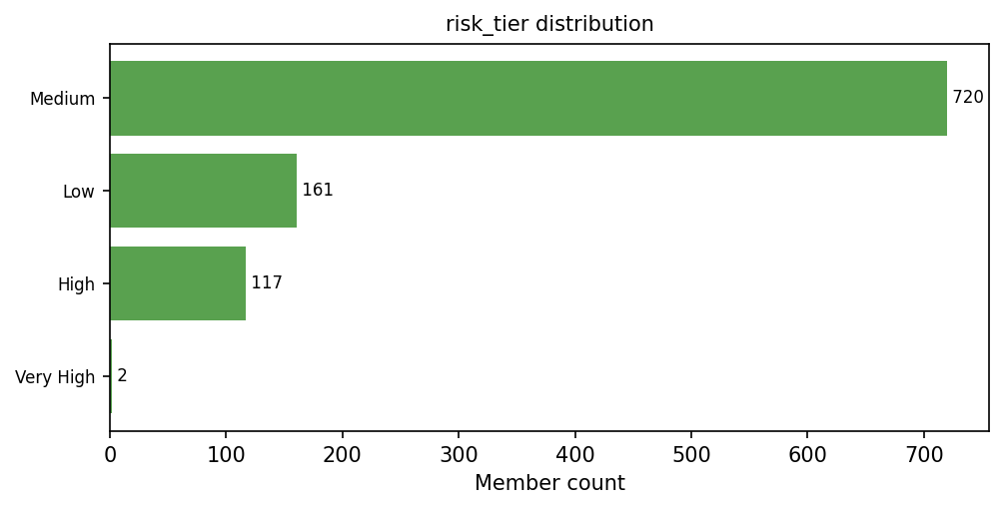 | • Risk tier should support meaningful low-to-very-high comparisons. • Very High tier is too small for reliable learning or evaluation. • Risk tier may overlap with numeric risk scores. | RED: Very High tier is too sparse and should be fixed. | • Recommendation: keep after fixing distribution. • Increase Very High count or combine High + Very High. • Use stratified split after tier distribution is fixed. • Consider ordinal encoding and check redundancy with risk scores.

Continuous Numeric Variables
variable | category | definition | data_type | expected_possible_values_or_range | current_observed_range | current_mean | current_median | distribution_assumption | current_distribution_check | distribution_visual | modeling_use | notes | Ben's Rec
anxiety_flag | Clinical Conditions | Indicator for anxiety diagnosis/history. | int64 | Binary indicator: 0 = no / absent, 1 = yes / present. | 0 to 1 | 0.273 | 0 | • Binary clinical flag; imbalance is expected. • Positive prevalence should be large enough for model learning. • Useful for behavioral-health risk signal. | GREEN: Prevalence is usable and distribution is model-ready. | 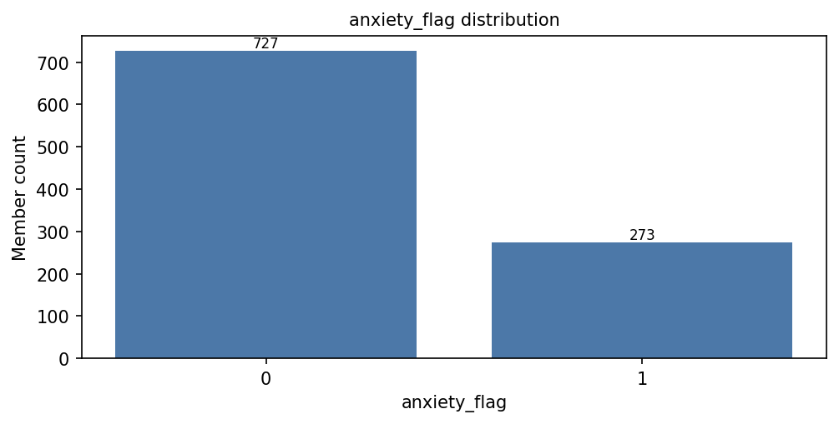 | Risk, uplift, propensity, explainability | • Keep. • No stratified sampling needed for this flag alone. • Check subgroup performance if used in benefit-driver story. | 18%-28% propensity 1
asthma_flag | Clinical Conditions | Indicator for asthma diagnosis/history. | int64 | Binary indicator: 0 = no / absent, 1 = yes / present. | 0 to 1 | 0.168 | 0 | • Binary clinical flag; imbalance is expected. • Should retain enough positive cases for clinical-risk signal. • May interact with utilization and age. | GREEN: Prevalence is usable and distribution is model-ready. | 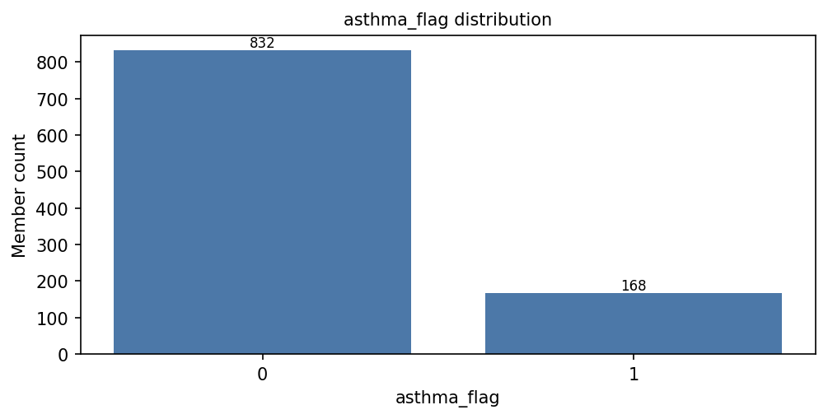 | Risk, uplift, propensity, explainability | • Keep. • No stratified sampling needed for this flag alone. • Monitor feature importance and interactions. | 12%-18% propensity 1
behavioral_health_risk_flag | Clinical Conditions | Indicator for behavioral health risk. | int64 | Binary indicator: 0 = no / absent, 1 = yes / present. | 0 to 1 | 0.407 | 0 | • Binary clinical/behavioral risk flag. • Higher prevalence is acceptable for care-management population. • Important for intervention-benefit heterogeneity. | GREEN: Strong prevalence for modeling and subgroup review. | 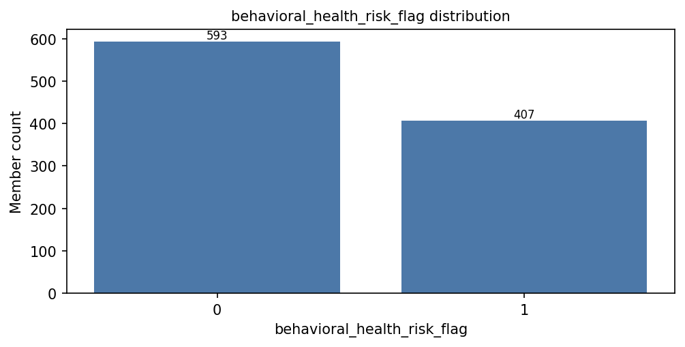 | Risk, uplift, propensity, explainability | • Keep. • Consider benefit-driver interpretation. • Use post-split checks if reporting behavioral-health subgroup results. | 20-30% propensity 1
chf_flag | Clinical Conditions | Indicator for congestive heart failure diagnosis/history. | int64 | Binary indicator: 0 = no / absent, 1 = yes / present. | 0 to 1 | 0.149 | 0 | • Binary chronic-condition flag; imbalance is realistic. • Should have enough positives because CHF is clinically important. • May interact with CKD and utilization. | GREEN: Prevalence is usable for modeling. | 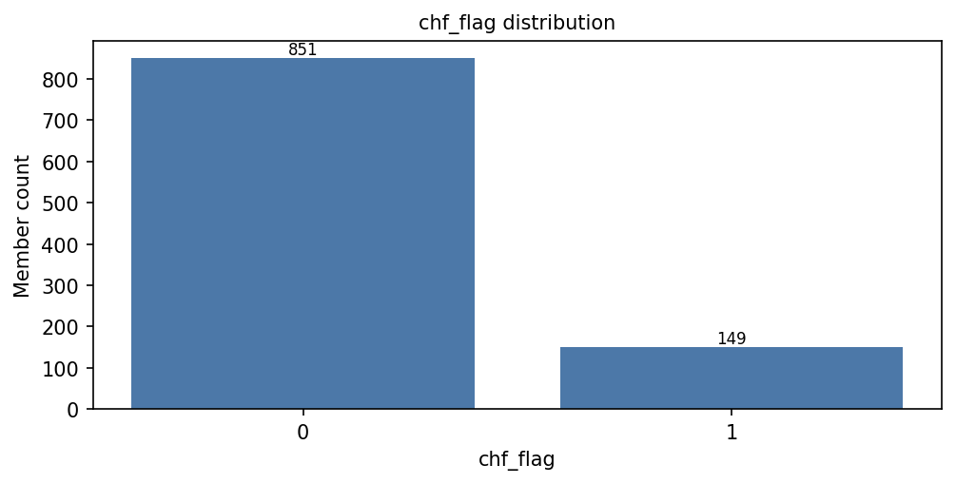 | Risk, uplift, propensity, explainability | • Keep. • No stratified sampling needed alone. • Check CHF + CKD/high-utilization interactions. | 14% propensity 1
ckd_flag | Clinical Conditions | Indicator for chronic kidney disease diagnosis/history. | int64 | Binary indicator: 0 = no / absent, 1 = yes / present. | 0 to 1 | 0.153 | 0 | • Binary chronic-condition flag; imbalance is realistic. • Should support interaction with CHF/diabetes/cost. • Important risk feature for ED outcomes. | GREEN: Prevalence is usable for modeling. |  | Risk, uplift, propensity, explainability | • Keep. • No stratified sampling needed alone. • Review interactions with CHF and diabetes. | 15% propensity 1
copd_flag | Clinical Conditions | Indicator for COPD diagnosis/history. | int64 | Binary indicator: 0 = no / absent, 1 = yes / present. | 0 to 1 | 0.174 | 0 | • Binary chronic-condition flag; imbalance is realistic. • Should have enough positives for respiratory-risk signal. • May interact with ED history. | GREEN: Prevalence is usable for modeling. | 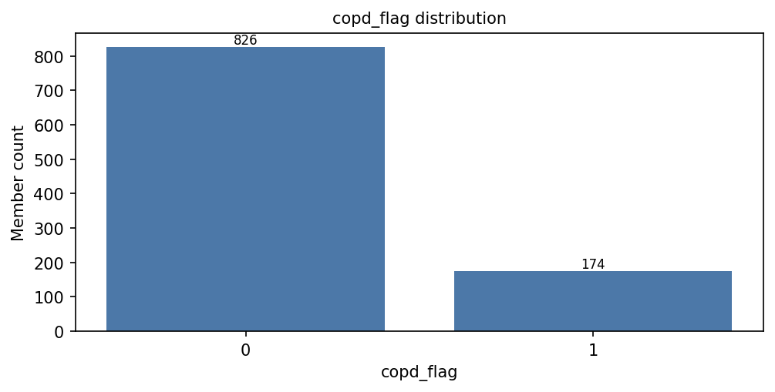 | Risk, uplift, propensity, explainability | • Keep. • No stratified sampling needed alone. • Monitor contribution to risk and benefit. | 11% propensity 1
depression_flag | Clinical Conditions | Indicator for depression diagnosis/history. | int64 | Binary indicator: 0 = no / absent, 1 = yes / present. | 0 to 1 | 0.287 | 0 | • Binary behavioral-health flag; imbalance is expected. • Positive rate should be high enough for stable learning. • Important for outreach-benefit hypotheses. | GREEN: Prevalence is usable and informative. | 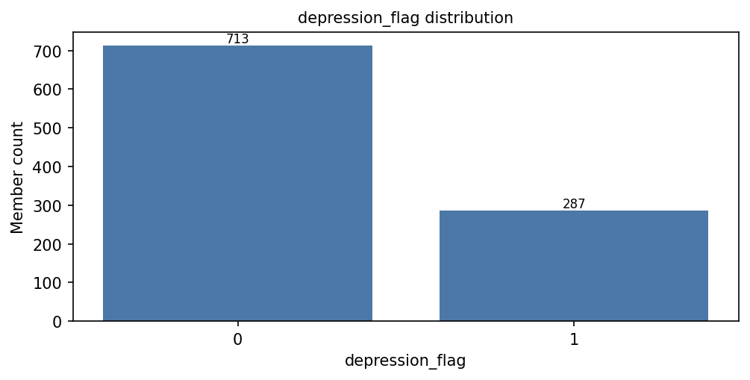 | Risk, uplift, propensity, explainability | • Keep. • No stratified sampling needed alone. • Check behavioral-health benefit patterns. | 20%-30% propensity 1
diabetes_flag | Clinical Conditions | Indicator for diabetes diagnosis/history. | int64 | Binary indicator: 0 = no / absent, 1 = yes / present. | 0 to 1 | 0.314 | 0 | • Binary chronic-condition flag. • Prevalence should be substantial in managed-care population. • Useful for risk and comorbidity interactions. | GREEN: Prevalence is strong and model-ready. | 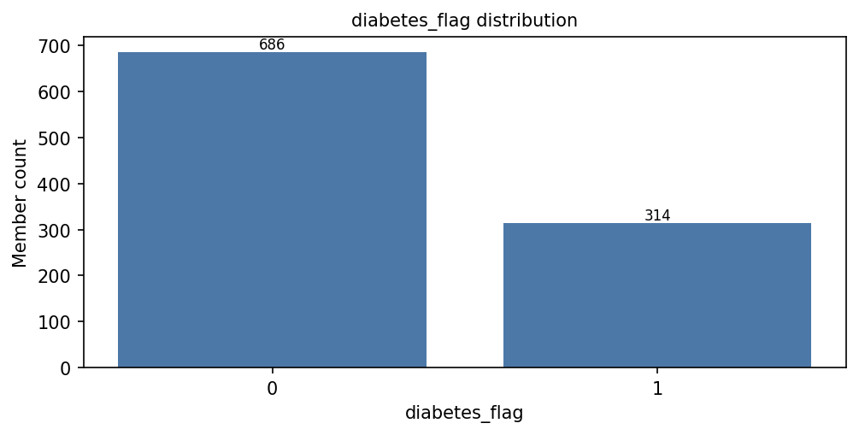 | Risk, uplift, propensity, explainability | • Keep. • No stratified sampling needed alone. • Review interactions with CKD, cost, and utilization. | 28% propensity 1
pregnancy_flag | Clinical Conditions | Indicator for pregnancy status/history. | int64 | Binary indicator: 0 = no / absent, 1 = yes / present. | 0 to 0 | 0 | 0 | • Binary flag should have at least some positive cases if included. • Current field has no variation. • No-variation predictors cannot help the model. | RED: All values are 0; distribution is not usable. | 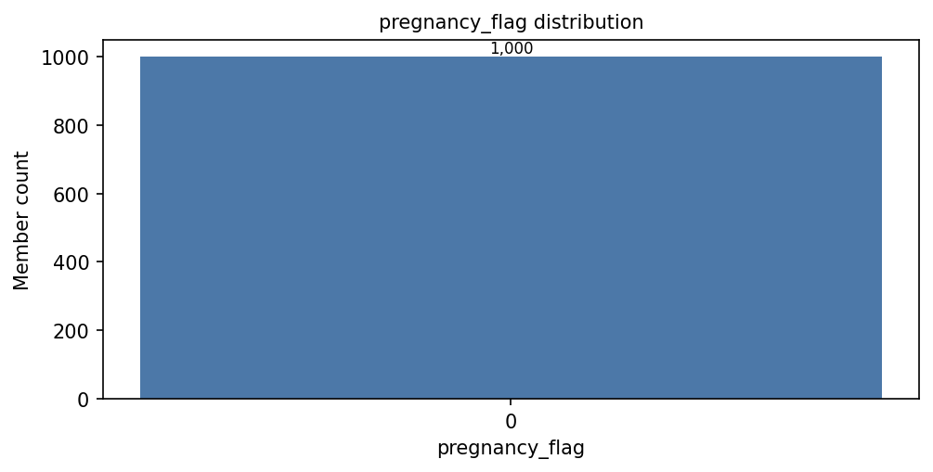 | Risk, uplift, propensity, explainability | • Drop or regenerate with positive cases. • Do not stratify; there is no variation. • If important, add realistic low prevalence and validate by age/gender logic. | 3%-6% propensity 1
substance_use_flag | Clinical Conditions | Indicator for substance use-related risk or diagnosis. | int64 | Binary indicator: 0 = no / absent, 1 = yes / present. | 0 to 1 | 0.16 | 0 | • Binary behavioral-health flag; imbalance is expected. • Positive prevalence should support model learning. • May affect ED risk and intervention benefit. | GREEN: Prevalence is usable for modeling. | 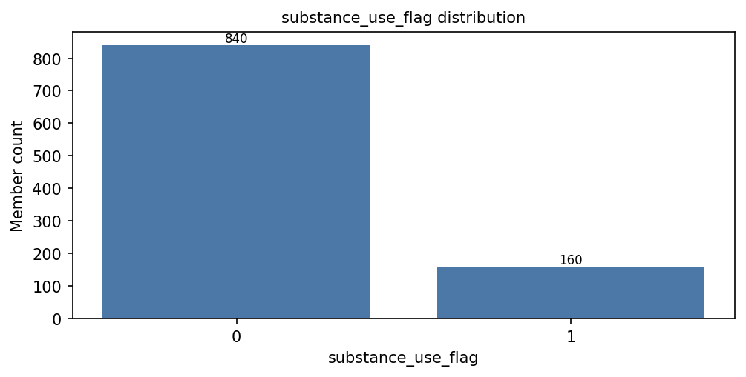 | Risk, uplift, propensity, explainability | • Keep. • No stratified sampling needed alone. • Check benefit patterns with behavioral-health variables. | 8%-15% propensity 1
age | Demographics | Member age at the index point. | int64 | Adult member age; expected valid range approximately 18-100. | 18 to 90 | 57.354 | 57 | • Adult ages should cover working-age and older members. • Range should avoid unrealistic values. • Age may have nonlinear risk effects. | GREEN: Range and central tendency are plausible. | 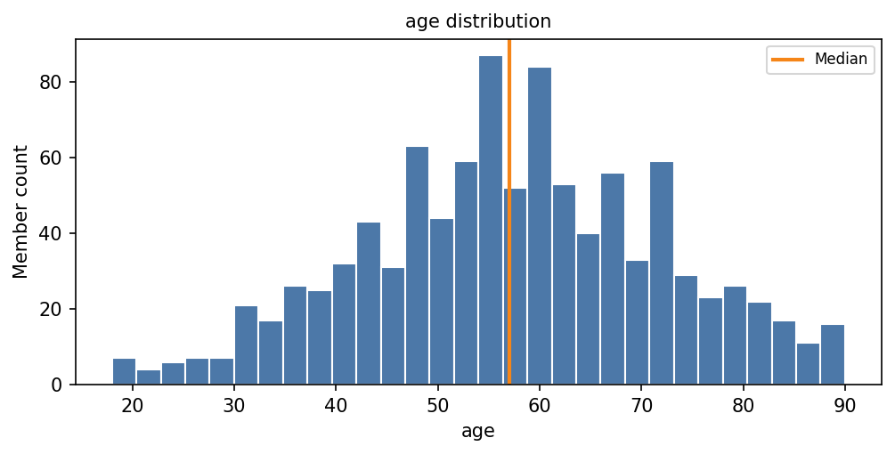 | Risk, uplift, propensity, subgroup reporting | • Keep. • No stratified sampling needed by age unless reporting age groups. • Consider age bands for subgroup reporting. | #VALUE!
dual_eligible | Demographics | Indicator or category for Medicare/Medicaid dual eligibility. | int64 | Binary indicator: 0 = no / absent, 1 = yes / present. | 0 to 1 | 0.283 | 0 | • Binary eligibility flag; imbalance is realistic. • Positive rate should support subgroup review. • May reflect higher complexity and access constraints. | GREEN: Prevalence is usable and model-ready. | 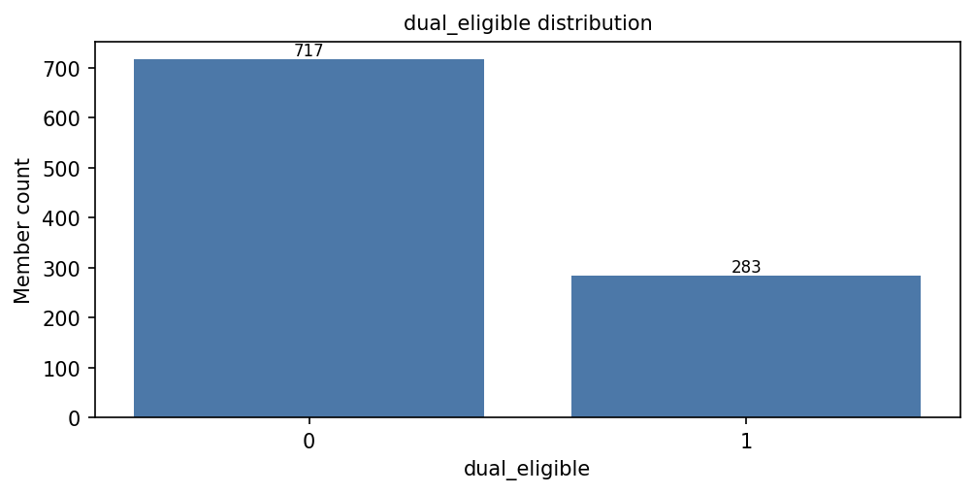 | Risk, uplift, propensity, subgroup reporting | • Keep. • Use post-split checks if reporting dual subgroup. • Monitor for overlap with plan_type. | 18%-25% propensity 1
living_alone_flag | Demographics | Indicator that the member lives alone. | int64 | Binary indicator: 0 = no / absent, 1 = yes / present. | 0 to 1 | 0.249 | 0 | • Binary social-context flag. • Positive rate should support outreach-benefit signal. • May interact with age and SDOH. | GREEN: Prevalence is usable for modeling. | 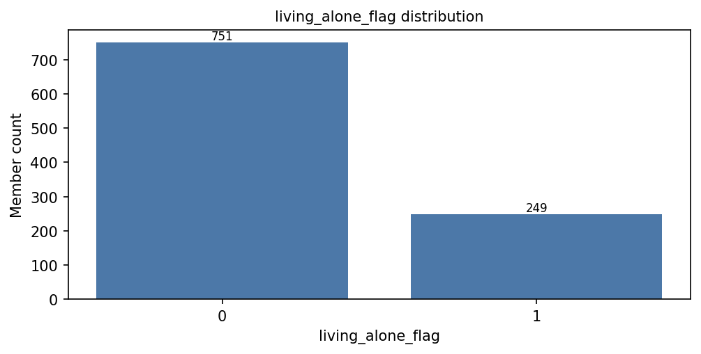 | Risk, uplift, propensity, subgroup reporting | • Keep. • No stratified sampling needed alone. • Review benefit patterns for social isolation. | NEED
high_cost_drug_flag | Pharmacy | Indicator for high-cost drug use. | int64 | Binary indicator: 0 = no / absent, 1 = yes / present. | 0 to 1 | 0.149 | 0 | • Binary pharmacy flag; imbalance is realistic. • Positive cases should be enough for pharmacy-risk signal. • May proxy for severity or specialty conditions. | GREEN: Prevalence is usable for modeling. | 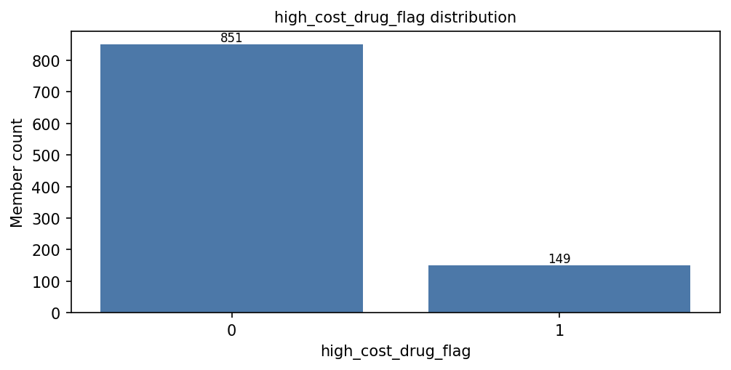 | Risk, uplift, propensity, operational review | • Keep. • No stratified sampling needed alone. • Watch overlap with total cost and rx count. | 5%-10% propensity 1
med_adherence_pdc | Pharmacy | Medication adherence proportion of days covered. | float64 | Continuous proportion from 0 to 1. | 0.238 to 0.997 | 0.757421 | 0.7775 | • Bounded 0-1 adherence measure. • Should include low, moderate, and high adherence members. • Clustering near high adherence is realistic. | GREEN: Range is plausible and useful. | 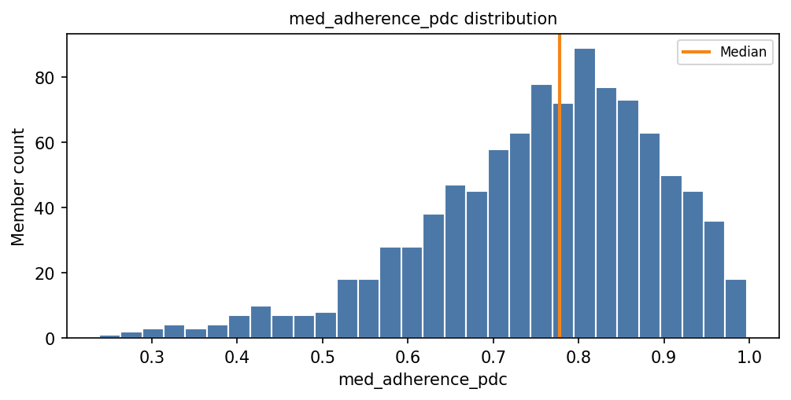 | Risk, uplift, propensity, operational review | • Keep. • No stratified sampling needed. • Consider nonlinear effect or adherence bands for interpretation. | #VALUE!
opioid_flag | Pharmacy | Indicator for opioid medication use. | int64 | Binary indicator: 0 = no / absent, 1 = yes / present. | 0 to 1 | 0.135 | 0 | • Binary pharmacy flag; imbalance is expected. • Positive rate should support risk signal. • May relate to pain, complexity, and utilization. | GREEN: Prevalence is usable for modeling. | 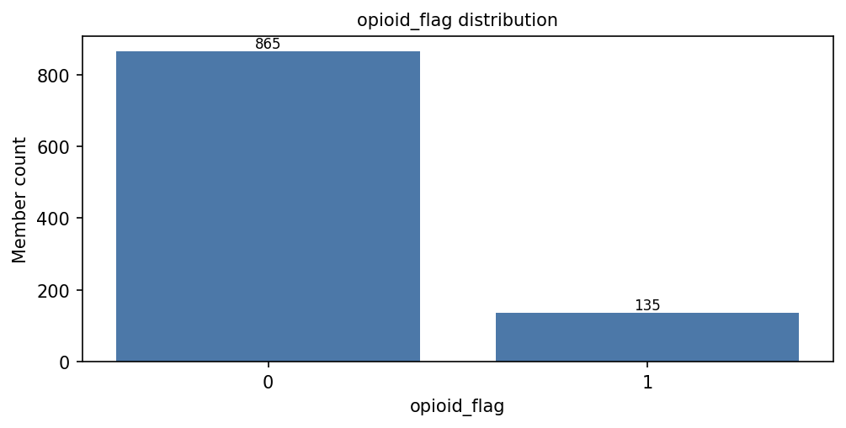 | Risk, uplift, propensity, operational review | • Keep. • No stratified sampling needed alone. • Monitor for overlap with behavioral-health flags. | 5%-10% propensity 1
polypharmacy_flag | Pharmacy | Indicator for polypharmacy risk. | int64 | Binary indicator: 0 = no / absent, 1 = yes / present. | 0 to 1 | 0.086 | 0 | • Binary pharmacy-complexity flag. • Positive rate is expected to be lower. • Still needs enough positives for stable learning. | YELLOW: Positive rate is usable but somewhat sparse. | 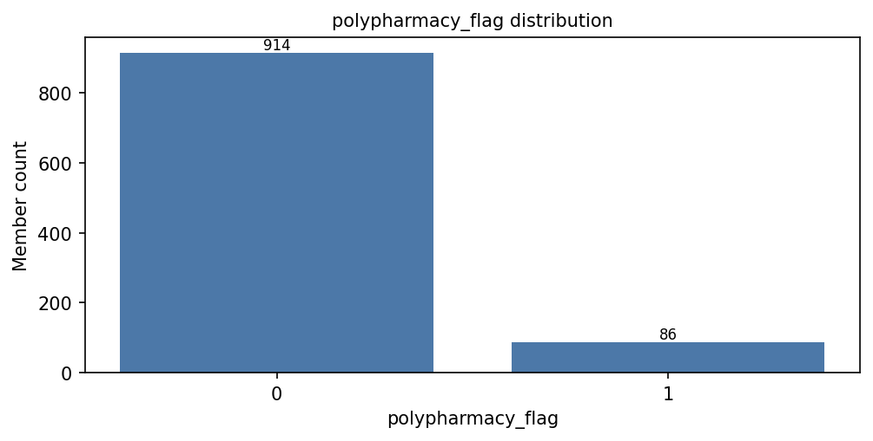 | Risk, uplift, propensity, operational review | • Keep with monitoring. • No stratified sampling needed unless subgroup reporting. • Consider increasing prevalence if synthetic data should stress-test pharmacy risk. | 15%-25% propensity 1
rx_count_last_6m | Pharmacy | Number of prescriptions or medication fills in the last 6 months. | int64 | Nonnegative integer count; 0 or greater. | 0 to 20 | 6.2 | 6 | • Nonnegative count; right-skew is expected. • Should include low and high medication users. • Useful for pharmacy complexity. | GREEN: Range and distribution are usable. | 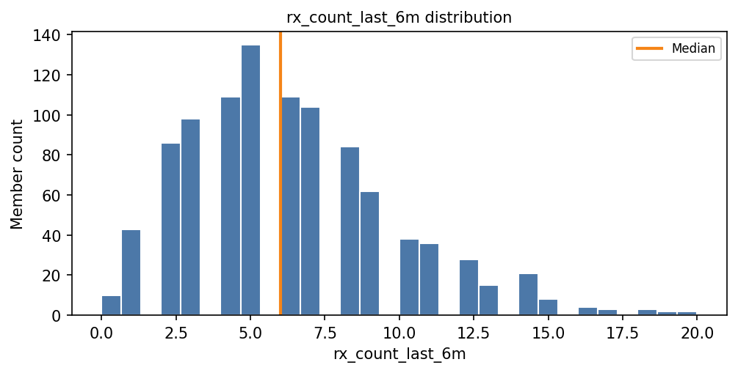 | Risk, uplift, propensity, operational review | • Keep. • No stratified sampling needed. • Consider winsorization only if future outliers are extreme. | NEED
total_cost_last_6m | Pharmacy | Total healthcare cost in the last 6 months. | float64 | Nonnegative currency amount; 0 or greater. | 1092.95 to 12520.1 | 4102.29899 | 3658.57 | • Nonnegative cost; right-skew is expected. • Should include high-cost members for risk testing. • Outliers should be plausible, not data errors. | GREEN: Right-skewed cost range is plausible. | 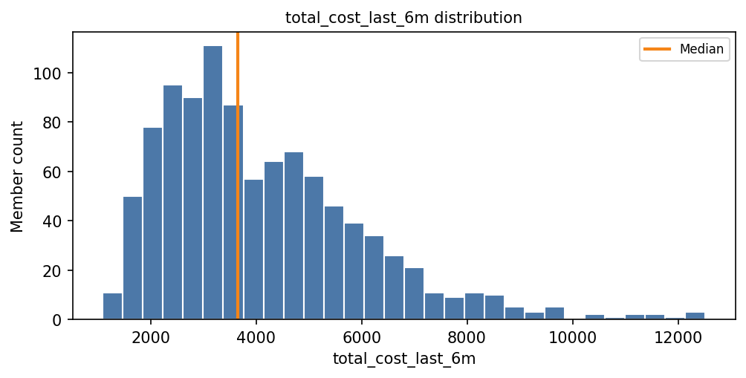 | Risk, uplift, propensity, operational review | • Keep. • No stratified sampling needed. • Consider log transform or winsorization if model sensitivity is high. | NEED
current_risk_score | Risk Scores | Current overall risk score. | float64 | Numeric score; expected to stay within the synthetic score scale used for this dataset. | 14.5 to 79.8 | 43.6183 | 42.8 | • Risk score should have broad spread. • Should support thresholds and ranking. • Should not be a direct duplicate of outcome. | GREEN: Broad usable range for modeling. | 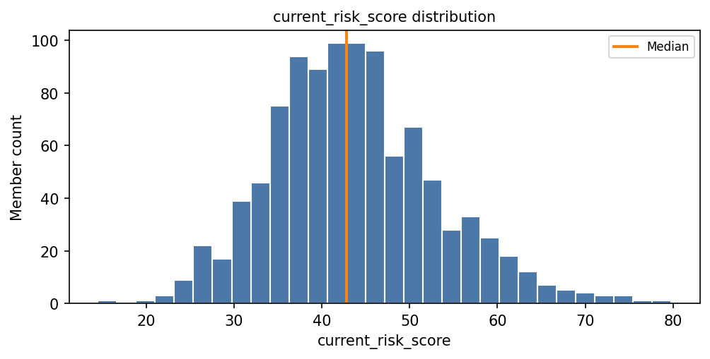 | Risk ranking, uplift modeling, policy simulation, explainability | • Keep. • No stratified sampling needed by score. • Check redundancy with risk_tier and percolator scores. | NEED
percolator_clinical_score | Risk Scores | Composite clinical risk score. | float64 | Numeric score; expected to stay within the synthetic score scale used for this dataset. | 12.7 to 96.5 | 46.24 | 44.7 | • Clinical score should vary broadly. • Should support nonlinear effects. • Expected to relate to chronic-condition burden. | GREEN: Broad usable range for modeling. | 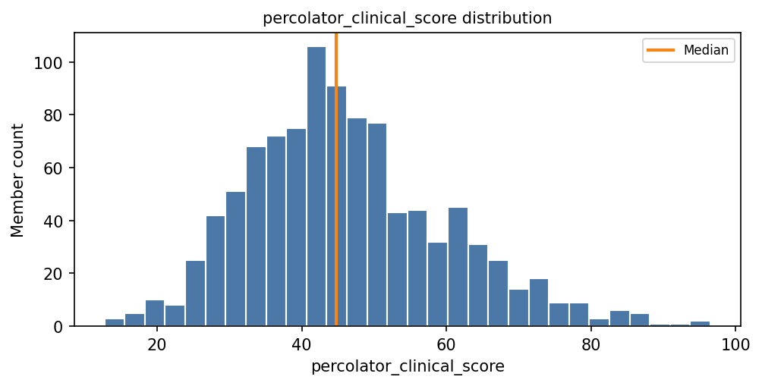 | Risk ranking, uplift modeling, policy simulation, explainability | • Keep. • No stratified sampling needed. • Check correlation with clinical flags. | NEED
percolator_sdoh_score | Risk Scores | Composite social determinants of health risk score. | float64 | Numeric score; expected to stay within the synthetic score scale used for this dataset. | 2.9 to 85 | 35.5232 | 33.9 | • SDOH score should vary broadly. • Should support benefit heterogeneity. • Expected to align with SDOH flags. | GREEN: Broad usable range for modeling. | 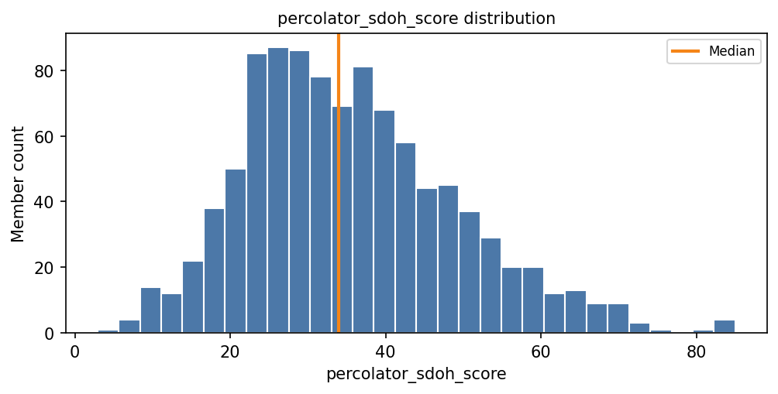 | Risk ranking, uplift modeling, policy simulation, explainability | • Keep. • No stratified sampling needed. • Check correlation with SDOH flags. | NEED
percolator_utilization_score | Risk Scores | Composite utilization risk score. | float64 | Numeric score; expected to stay within the synthetic score scale used for this dataset. | 13.9 to 100 | 45.1728 | 44 | • Utilization score should vary broadly. • Upper tail is important for targeting. • Expected to align with prior utilization counts. | GREEN: Broad usable range with high-risk tail. | 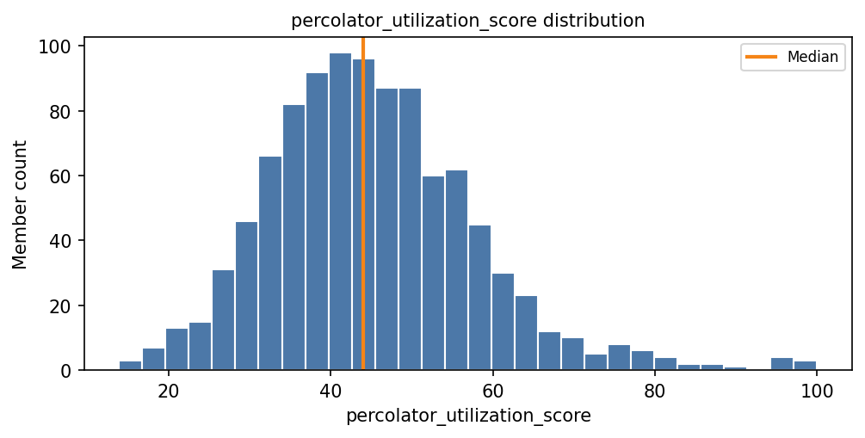 | Risk ranking, uplift modeling, policy simulation, explainability | • Keep. • No stratified sampling needed. • Check correlation with utilization counts. | NEED
food_insecurity_flag | SDOH | Indicator for food insecurity. | int64 | Binary indicator: 0 = no / absent, 1 = yes / present. | 0 to 1 | 0.223 | 0 | • Binary SDOH flag; imbalance is realistic. • Positive cases should support benefit heterogeneity. • Important outreach/access feature. | GREEN: Prevalence is usable for modeling. | 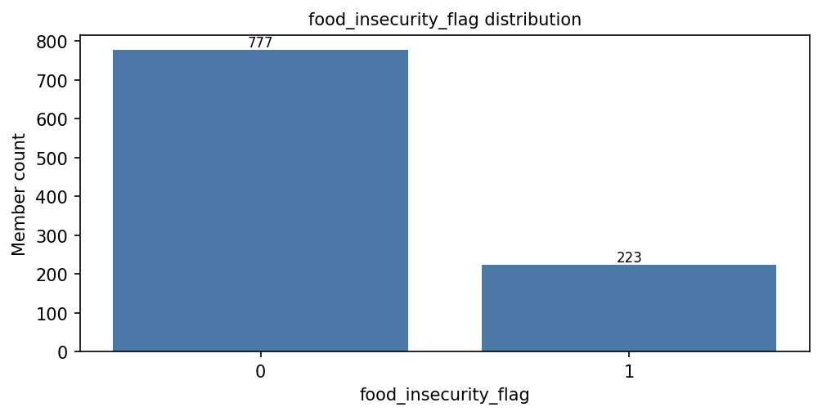 | Risk, uplift, propensity, benefit-driver discovery | • Keep. • No stratified sampling needed alone. • Review benefit patterns by SDOH burden. | 15%-25% propensity 1
housing_instability_flag | SDOH | Indicator for housing instability. | int64 | Binary indicator: 0 = no / absent, 1 = yes / present. | 0 to 1 | 0.181 | 0 | • Binary SDOH flag; imbalance is realistic. • Positive rate should support subgroup review. • May strongly affect ED risk and outreach needs. | GREEN: Prevalence is usable for modeling. | 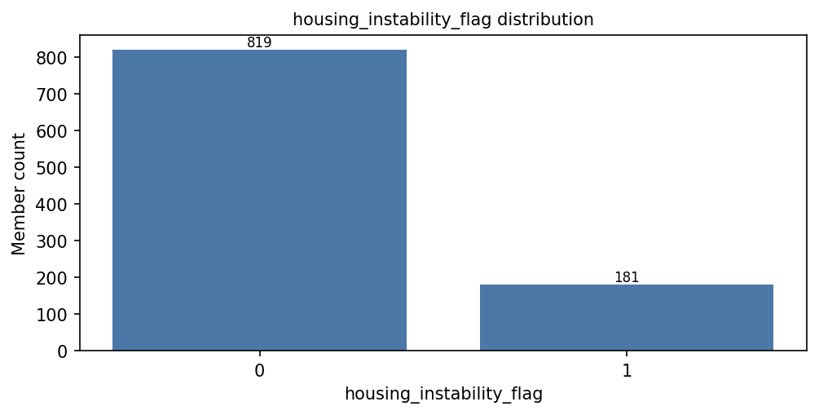 | Risk, uplift, propensity, benefit-driver discovery | • Keep. • No stratified sampling needed alone. • Review interaction with utilization and SDOH score. | 8%-15% propensity 1
transportation_barrier_flag | SDOH | Indicator for transportation barriers. | int64 | Binary indicator: 0 = no / absent, 1 = yes / present. | 0 to 1 | 0.246 | 0 | • Binary SDOH flag; imbalance is realistic. • Positive cases should support access-barrier signal. • Relevant to preventable ED use and intervention benefit. | GREEN: Prevalence is usable and informative. |  | Risk, uplift, propensity, benefit-driver discovery | • Keep. • No stratified sampling needed alone. • Review benefit patterns for access-barrier members. | 12%-20% propensity 1
utilities_insecurity_flag | SDOH | Indicator for utility insecurity. | int64 | Binary indicator: 0 = no / absent, 1 = yes / present. | 0 to 1 | 0.168 | 0 | • Binary SDOH flag; imbalance is realistic. • Positive rate should support social-risk signal. • May contribute to broader SDOH burden. | GREEN: Prevalence is usable for modeling. | 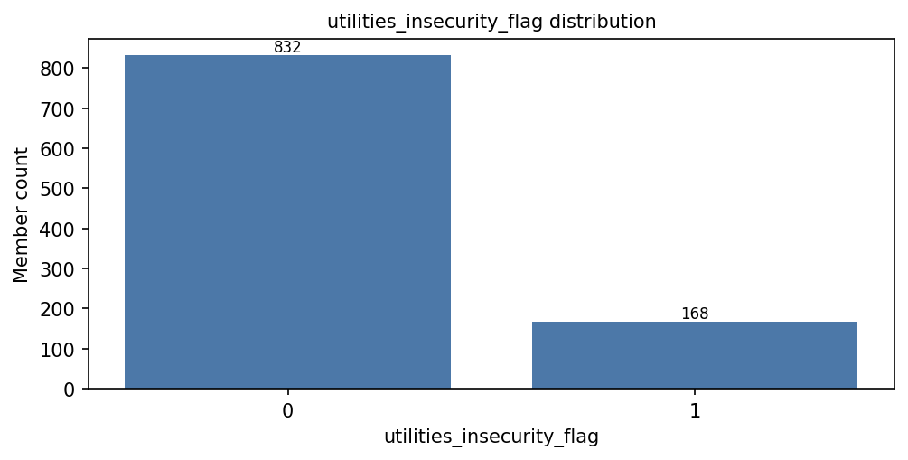 | Risk, uplift, propensity, benefit-driver discovery | • Keep. • No stratified sampling needed alone. • Consider combined SDOH burden in interpretation. | 12% propensity 1
admits_last_6m | Utilization | Number of inpatient admissions in the last 6 months. | int64 | Nonnegative integer count; 0 or greater. | 0 to 4 | 0.339 | 0 | • Nonnegative count; many zeros are expected. • Should include enough prior-admission members. • Important high-risk utilization signal. | GREEN: Zero-inflated count is plausible and usable. | 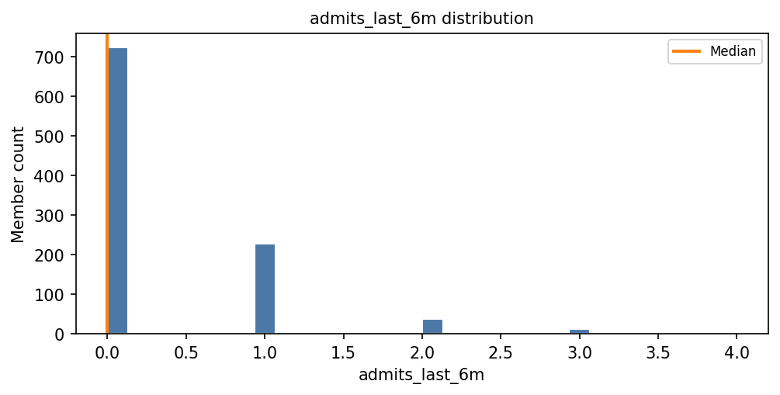 | Risk, uplift, propensity, policy simulation | • Keep. • No stratified sampling needed. • Consider high-utilization flags/bands for interpretation. | #VALUE!
ed_visits_last_30d | Utilization | Number of ED visits in the last 30 days. | int64 | Nonnegative integer count; 0 or greater. | 0 to 2 | 0.222 | 0 | • Nonnegative short-window ED count. • Many zeros and small counts are expected. • Strong near-term risk signal. | GREEN: Distribution is plausible for recent ED use. | 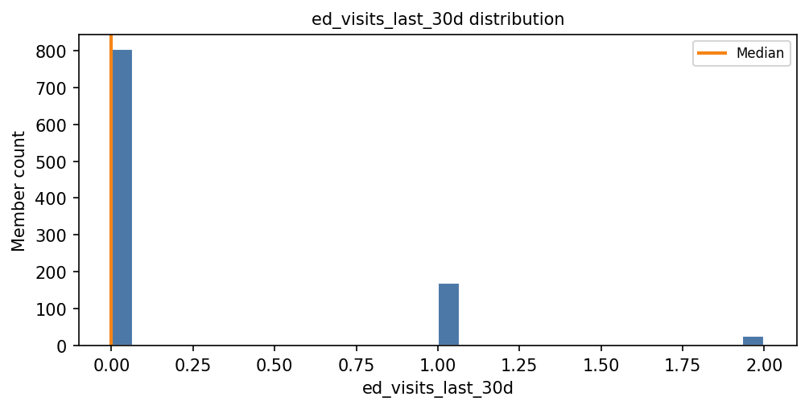 | Risk, uplift, propensity, policy simulation | • Keep. • No stratified sampling needed. • Check for leakage timing relative to index date. | NEED
ed_visits_last_6m | Utilization | Number of ED visits in the last 6 months. | int64 | Nonnegative integer count; 0 or greater. | 0 to 5 | 0.85 | 1 | • Nonnegative 6-month ED count. • Should include enough repeat ED users. • Key variable for risk and intervention targeting. | GREEN: Range supports utilization-risk modeling. | 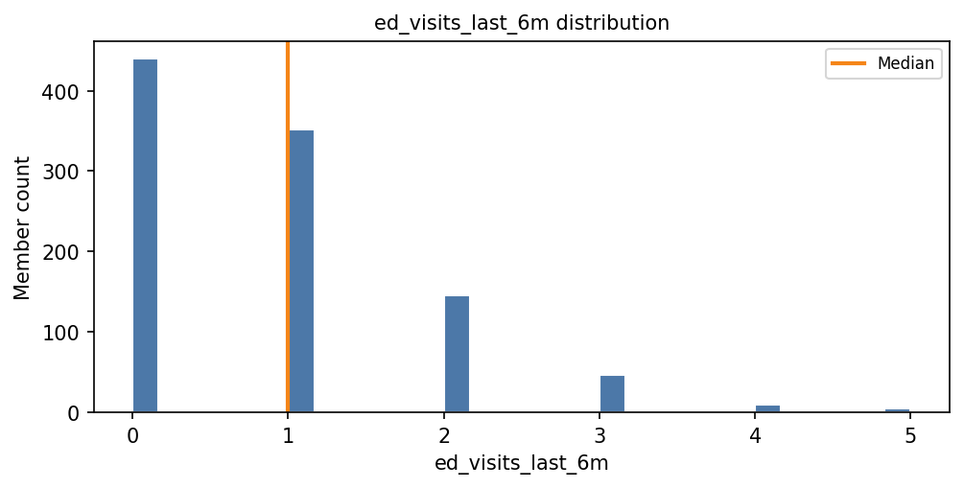 | Risk, uplift, propensity, policy simulation | • Keep. • No stratified sampling needed. • Consider nonlinear or threshold effect. | #VALUE!
observation_stays_last_6m | Utilization | Number of observation stays in the last 6 months. | int64 | Nonnegative integer count; 0 or greater. | 0 to 4 | 0.278 | 0 | • Nonnegative count; many zeros are expected. • Should include some positive cases. • Useful secondary utilization signal. | GREEN: Distribution is plausible and usable. | 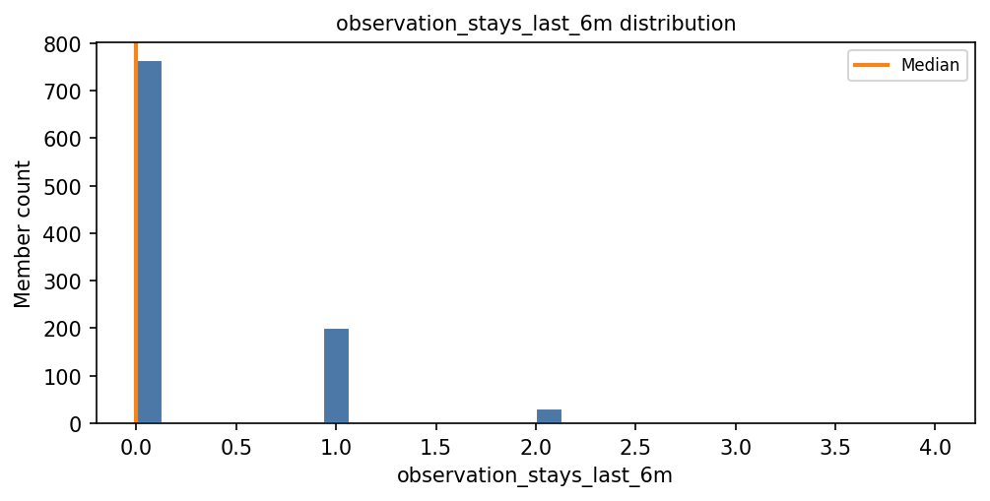 | Risk, uplift, propensity, policy simulation | • Keep. • No stratified sampling needed. • Monitor overlap with ED/admission history. | NEED
pcp_visits_last_6m | Utilization | Number of primary care visits in the last 6 months. | int64 | Nonnegative integer count; 0 or greater. | 0 to 9 | 3.269 | 3 | • Nonnegative count with moderate spread. • Should not be all zero in managed-care data. • May indicate access or care engagement. | GREEN: Distribution is plausible and usable. | 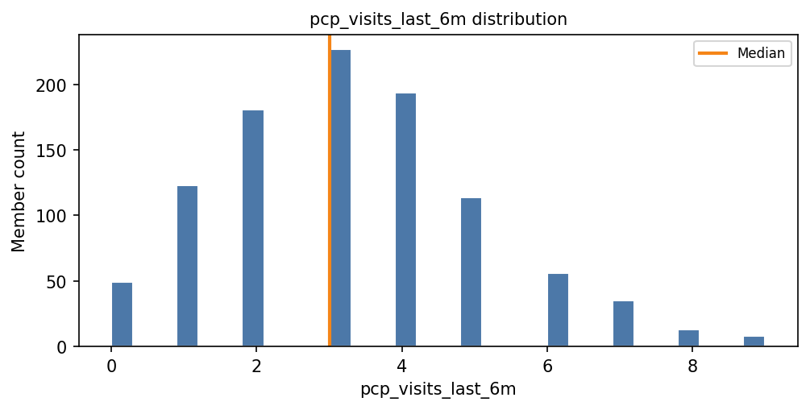 | Risk, uplift, propensity, policy simulation | • Keep. • No stratified sampling needed. • Interpret carefully: more PCP use can mean higher need or better access. | #VALUE!
specialist_visits_last_6m | Utilization | Number of specialist visits in the last 6 months. | int64 | Nonnegative integer count; 0 or greater. | 0 to 7 | 1.369 | 1 | • Nonnegative count; right-skew is expected. • Should include many low users and some high users. • May indicate complexity and access. | GREEN: Distribution is plausible and usable. | 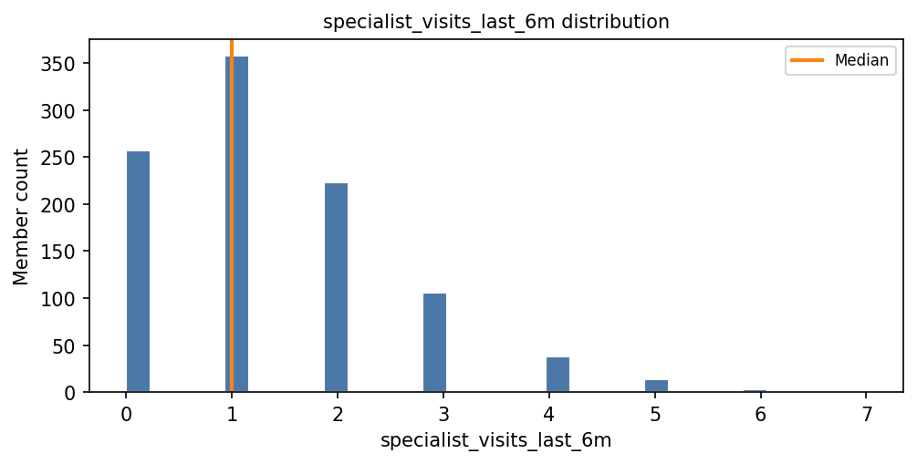 | Risk, uplift, propensity, policy simulation | • Keep. • No stratified sampling needed. • Consider nonlinear effect if high specialist use matters. | #VALUE!

