Constants
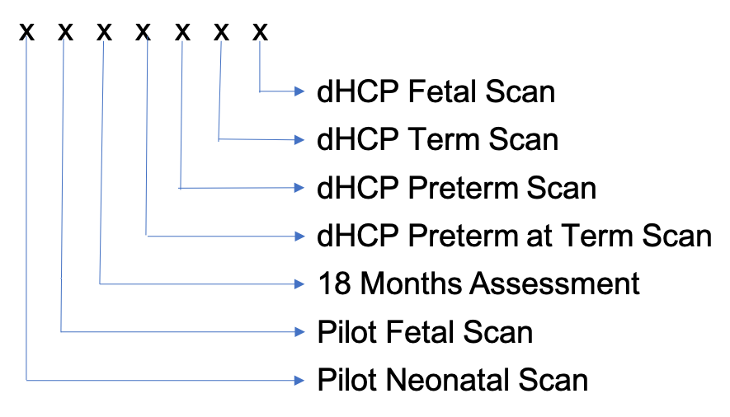
Constants
 | Fetal Pilot Scans, validated or not | Neonatal Pilot Scans, validated or not | Fetal dHCP Scans, Validated | Neonatal dHCP Term Scans, Validated | Neonatal dHCP Preterm Scans, Validated | Neonatal dHCP Preterm-at- Term Scans, Validated | Has child had an 18 month assessment. NB this includes limited data, courtesy assessments etc
Code_Mask | 1 | 0 | 6 | 5 | 4 | 3 | 2

Code Format

