MayaaID
HOW TO INPUT Mayaa id

■MOCK-UP |  | ■MayaaID Sample
 |  | <Before> | <After>
<input type="text" name="xxx" /> <input type="hidden" name="xxx" />
<input type="image" name="xxx" />
<input type="text" name="xxx" m:id="mayaaId"/> <input type="hidden" name="xxx" m:id="mayaaId"/>
<input type="image" name="xxx" m:id="mayaaId"/>
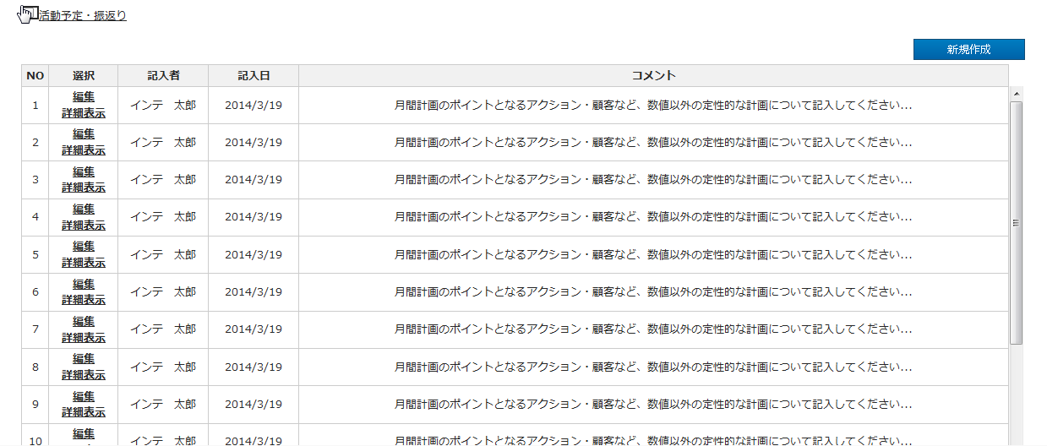

<input type="submit" name="xxx" /> <input type="button" name="xxx" /> <input type="reset" name="xxx" /> <input type="file" name="xxx" />
No Mayaa id

<input type="radio" name="xxx" />
<input type="checkbox" name="xxx" />
<input type="radio" name="xxx" m:id="mayaaId"/>
<input type="checkbox" name="xxx" m:id="mayaaId" />

<tr>
<td>aaaaa</td>
<td>bbbbb</td>
<td>ccccc</td>
</tr>
<tr>
<td>ddddd</td>
<td>eeeee</td>
<td>fffff</td>
</tr>
<tr m:id="mayaaItems">
<td><span m:id="mayaaId">aaaaa</span></td>
<td><span m:id="mayaaId">bbbbb</span></td>
<td><span m:id="mayaaId">ccccc</span></td>
</tr>
<span m:id="forMokUp">
<tr>
<td>ddddd</td>
<td>eeeee</td>
<td>fffff</td>
</tr>
</span>

■Screen Design File(画面設計書) <https://122.208.204.43/svn/ToyosuID-42-HMW-S1/10-画面設計/00_成果物>
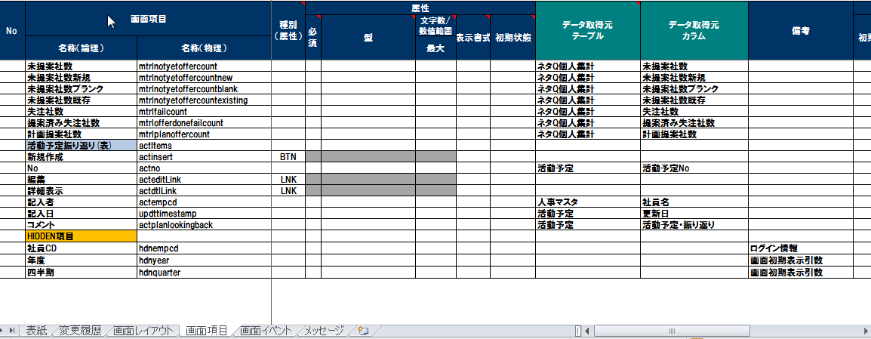

<select name="xxx">
<option value="1">aaa</option>
<option value="2">bbb</option>
<option value="3">ccc</option>
<option value="4">ddd</option>
</select>
<select name="xxx">
<span m:id="mayaaLoop">
<option m:id="mayaaCombo" value="1">aaa</option>
<span m:id="mayaaId"></span>
</span>
<span id="forMokUp">
<option value="2">bbb</option>
<option value="3">ccc</option>
<option value="4">ddd</option>
</span>
</select>

<a m:id="mayaaId" href="xxxxx">新規作成</a>
<a href="xxxxx">新規作成</a>

■MOCK-UP HTML <https://122.208.204.43/svn/ToyosuID-42-HMW-S1/MOCK-UP/OUTPUT/HTML> |  | ■HTML with MayaaID <https://122.208.204.43/svn/ToyosuID-42-HMW-S1/MOCK-UP/OUTPUT/HTMLwithMayaaID>
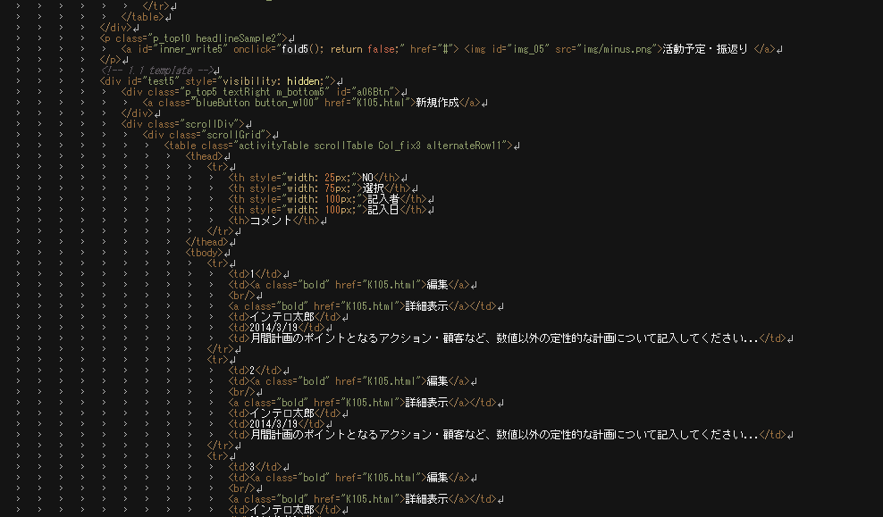

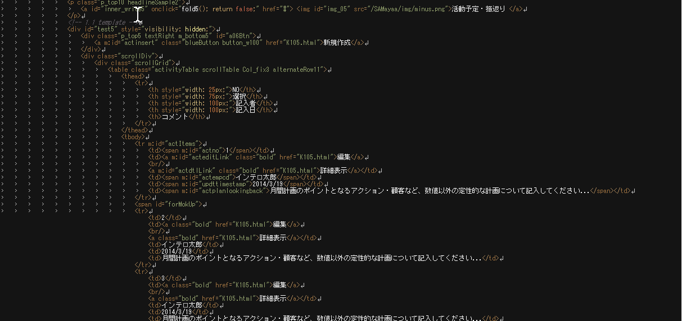

Repeated <tr></tr> surrounding <span m:id="forMokUp"></span>

■add the source below to the html at HTMLwithMayaaID

■Table for Ajax Load
K100.html(Sample)
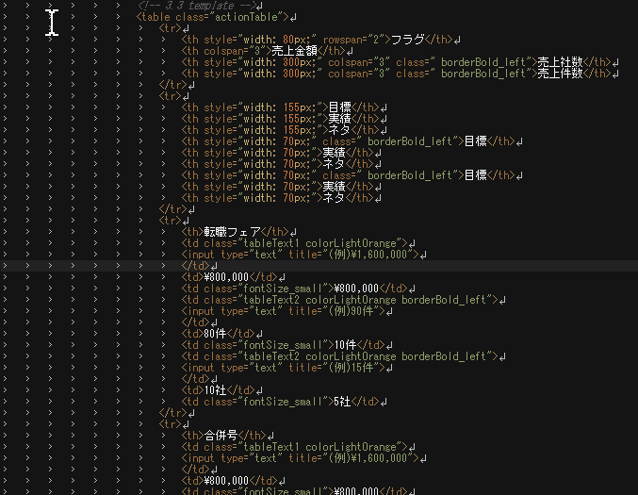
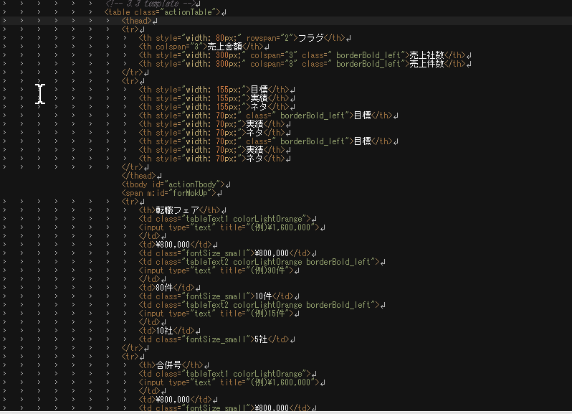

1.Add <thead></thead> and <tbody></tbody>

2.Add tbody id for Ajax load

3.Inside of tbody surrounding <span m:id="forMokUp"></span>

4.Create new HTML file(ScreenID + "_"+tbody id)

5.add the source below to <tr> tag

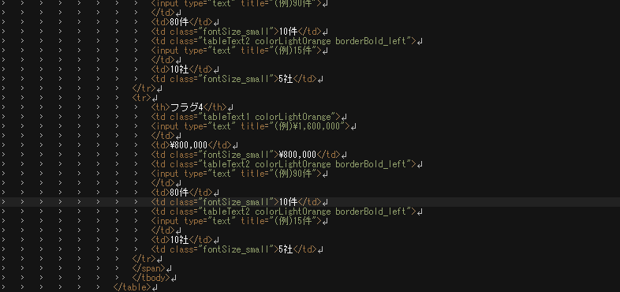

 | K100_actionTbody.html(Sample)
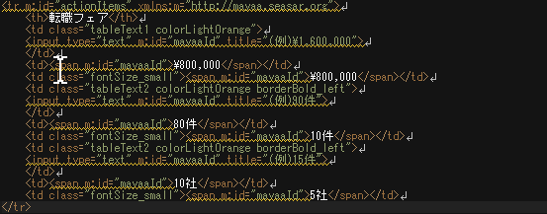

6.add the MayaaId

embedTaget
Target of embeding MayaaID is the items which will connect to DB.
 | H100 is already input MayaaID. Please refer as sample.
 | https://122.208.204.43/svn/ToyosuID-42-HMW-S1/MOCK-UP/OUTPUT/HTMLwithMayaaID/H100.html
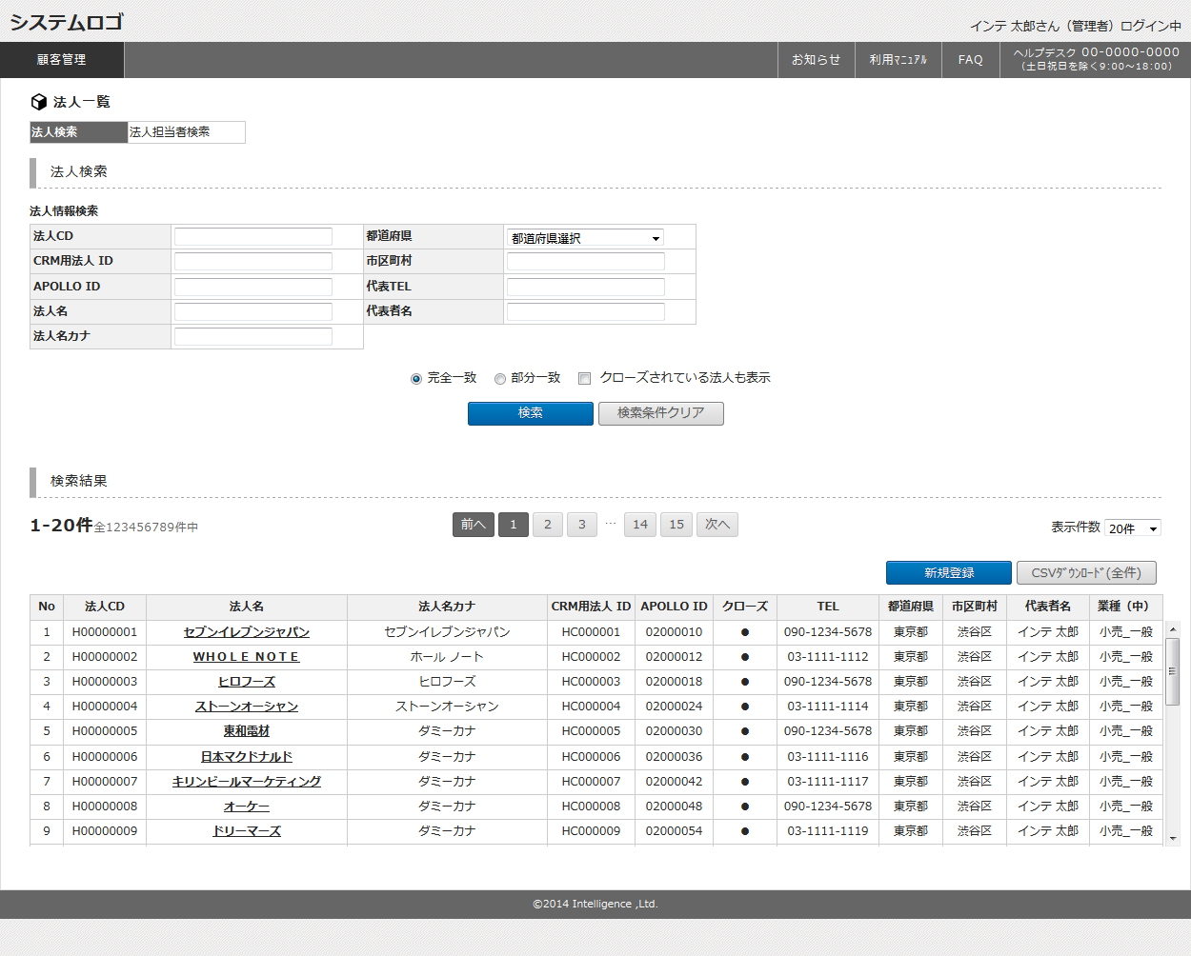

input Target is such as <td> of table, textbox, radio button, dropdown list etc.

Do not need to input to Result table or buttons for Result table for now.

Review
Review Point of mayaaid
 | Screen layout is the same as before and after embed MayaaID. [Before] https://122.208.204.43/svn/ToyosuID-42-HMW-S1/MOCK-UP/OUTPUT/beforeMayaaidHtml [After] https://122.208.204.43/svn/ToyosuID-42-HMW-S1/MOCK-UP/OUTPUT/HTML
 | Check the Screen Design File, and compare to the embeded mayaaID.
 | If there are any excess or deficiency in Screen Design File, please write down to QA File. [QA File Path] https://122.208.204.43/svn/ToyosuID-42-HMW-S1/MOCK-UP/OUTPUT/CHECKLIST/MayaaID_QA.xlsx

1. Self-check along to Review Point.

2. Thi-san or Quoc Anh-san reviews after finish self-check.
 | use mockup_internal_review_record.xlsx for any fix.

Before
After

the same

