MayaaID
HOW TO INPUT Mayaa id

 | ■MayaaID Sample
■MOCK-UP | <Before> | <After>
<input type="text" name="xxx" /> <input type="hidden" name="xxx" />
<input type="image" name="xxx" />
<input type="text" name="xxx" m:id="mayaaId"/> <input type="hidden" name="xxx" m:id="mayaaId"/>
<input type="image" name="xxx" m:id="mayaaId"/>
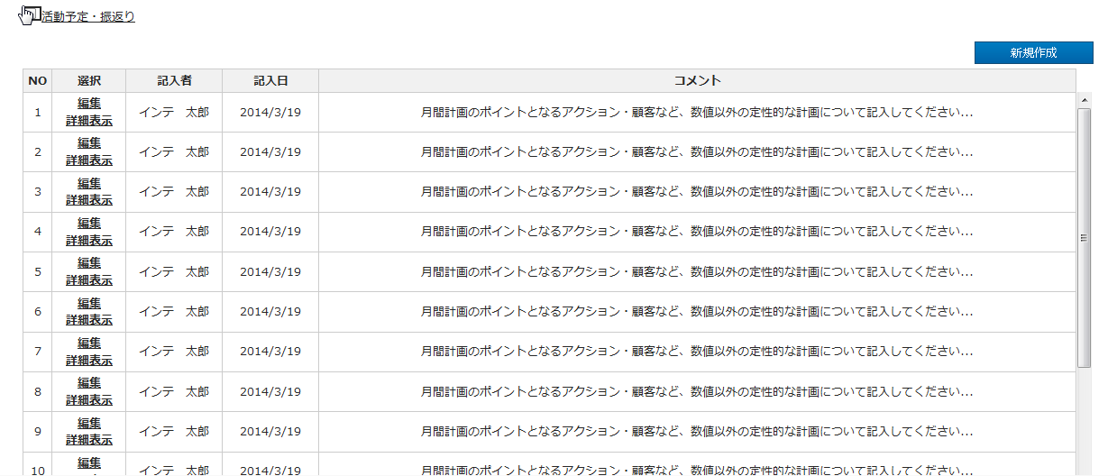

<input type="submit" name="xxx" /> <input type="button" name="xxx" /> <input type="reset" name="xxx" /> <input type="file" name="xxx" />
No Mayaa id

<input type="radio" name="xxx" />
<input type="radio" name="xxx" m:id="mayaaId"/>

<tr>
<td>XXXXX</td>
<td>XXXXX</td>
<td>XXXXX</td>
</tr>
<tr m:id="mayaaItems">
<td><span m:id="mayaaId">XXXXX</span></td>
</tr>

<select name="xxx">
<option value="1">aaa</option>
<option value="2">bbb</option>
<option value="3">ccc</option>
<option value="4">ddd</option>
</select>
<select name="xxx">
<span m:id="mayaaLoop">
<option m:id="mayaaCombo"><span m:id="mayaaId">dummy</span></option>
</span>
</select>

■Detail Design File(画面設計書) <https://122.208.204.43/svn/ToyosuID-42-HMW-S1/10-画面設計/00_成果物>
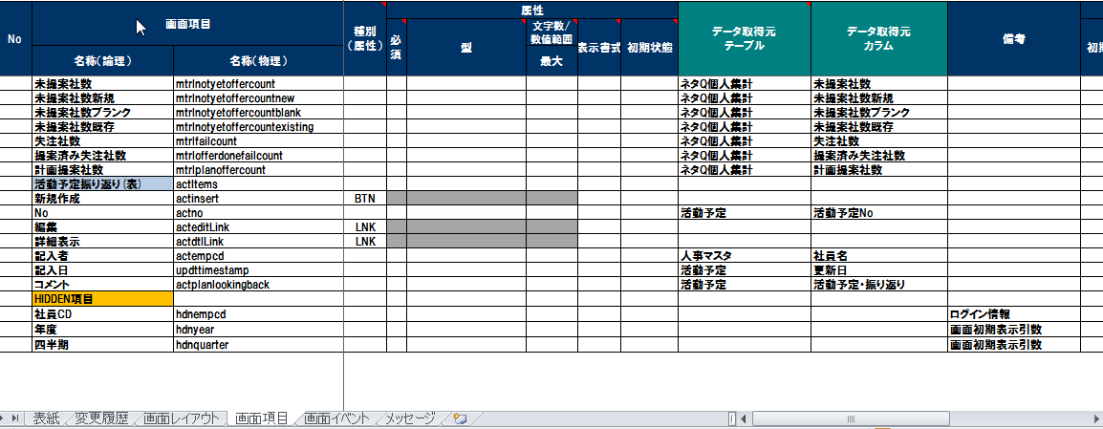

<a href="xxxxx">新規作成</a>
<a m:id="mayaaId" href="xxxxx">新規作成</a>

■MOCK-UP HTML <https://122.208.204.43/svn/ToyosuID-42-HMW-S1/MOCK-UP/OUTPUT/HTML> | ■HTML with MayaaID <https://122.208.204.43/svn/ToyosuID-42-HMW-S1/MOCK-UP/OUTPUT/HTMLwithMayaaID>
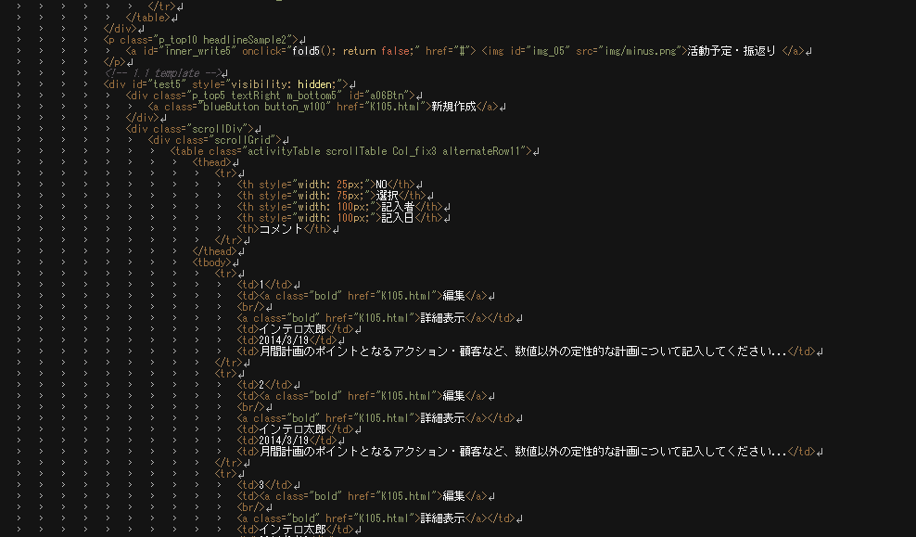
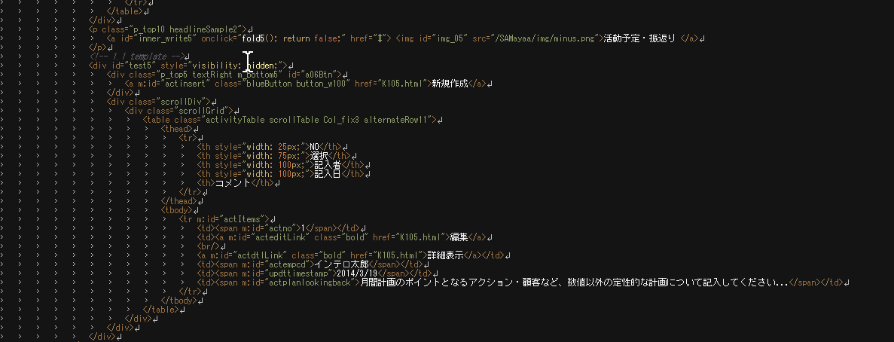

Delete Repeated <tr></tr>

