review record list
 | Lock when you update this file

 | No | screenID | file name | source code | method Line | kind | pointing out | reviewer | person in charge | reply | status
 | 1 | K106 | K106.html | <div class="pagingArea"> <div class="pageNationCell"> <div class="pageNation"></div><!--pageNation END--> </div> </div> |  |  | delete unneeded tag if margin is using with commmon.css example:<div class="m_top10"></div> | Miyagi | Anh Tran | I have updated the source code already | complete
 | 2 | K106 | K106.html | <div class="leftBox1 m_right5"> <p>出力項目選択</p> <select name="example"> <option value="サンプル1">計画1Qデータ</option> <option value="サンプル2">計画2Qデータ</option> <option value="サンプル3">計画3Qデータ</option> <option value="サンプル3">計画4Qデータ</option> <option value="サンプル3">年間集計データ</option> </select> </div> |  |  | Add "必須" next to list box | MIyagi | Anh Tran | I have updated the source code already | complete
 | 3 | K106 | K106.html | <div class="leftBox1 m_right5"> <p>出力項目選択</p> <select name="example"> <option value="サンプル1">計画1Qデータ</option> <option value="サンプル2">計画2Qデータ</option> <option value="サンプル3">計画3Qデータ</option> <option value="サンプル3">計画4Qデータ</option> <option value="サンプル3">年間集計データ</option> </select> </div> |  |  | please set "-- 選択してください --" to list box default | Miyagi | Anh Tran | I have updated the source code already | complete
 | 4 | K106 | K106.html | <div class="leftBox1 m_right5"></div> |  |  | delete unneeded tag "<div class="leftBox1 m_right5">" example:<div></div> | Miyagi | Anh Tran | I have updated the source code already | complete
 | 5 | K103 | K103.html | <h2 class="headlineSample2">他の月・Q 計画・集計選択</h2> | 26 |  | Add h3 with "headlineSample2" class. and delete "headlineSample2" class from h2. In screen doc, you will see two titles, they are H2 and H3. And the line with blue color in screen doc should be the H3. H2 -> H3 -> | Enomoto | Thi Nguyen | Fixed | complete
 | 6 | K103 | K103.html |  |  |  | Please do source-format befor you request review. I see some spaces instead of [tab] space for indent. [Ctrl] + [Shift] + [F] is the short cut key. | Enomoto | Thi Nguyen | Fixed.I corrected source format as your request | complete
 | 7 | K103 | K103.html | <p style="width: 100px;float: left;">年度</p> | 30,31,41,43,44 |  | You can not use style on html. You can create a file "K103.css" in css folder based on base.css. And add your style as class. | Enomoto | Thi Nguyen | Fixed.I created new K103.css and removed style in html. | complete
 | 8 | K103 | K103.html | <option value="sample3">-4月集計</option> <option value="sample4">-5月集計</option> <option value="sample5">-6月集計</option> <option value="sample6">-日商</option> | 47 to 49 52 to 55 |  | use this character "└" instead of hyphen. | Enomoto | Thi Nguyen | Fixed | complete
 | 9 | K105 | K105.html | <h2 class="headlineSample2">活動予定・振返り 編集画面</h2> | Line No 27 |  | Please change, h2tag→h3tag | Miyagi | Thi Nguyen | Fixed | complete
 | 10 | K105 | K105.html | <td>12/26/2013</td> | Line No 37 |  | Please change ,YYYY/MM/DD example:2013/12/26 | Miyagi | Thi Nguyen | Fixed | complete
 | 11 | K105 | K105.html | <br></br> | Line No 47 |  | During the buttons and table, please specify in the margin example: <!-- 2.4 template --> <div class="textRight m_top10"> | Miyagi | Thi Nguyen | Fixed | complete
 | 12 | K105 | K105.html | <!-- 2.4 template --> <div class="textRight"> | Line No 48 |  | Please fix HTML indentation | Miyagi | Thi Nguyen | Fixed | complete
 | 13 | K105 | K105.html | <select name="items" style="float: left;"> <p class="warning_clor" style="padding-top: 3px;"> | Line No 36 44 |  | You can not use style on html. You can create a file "K105.css" in css folder based on base.css. And add your style as class. | Miyagi | Thi Nguyen | Fixed.I created new K105.css and removed style in html. | complete
 | 14 | K111 | K111.html |  |  |  | now fix | Miyagi | Thi Nguyen | Fixed | complete
 | 15 | K111 | K111.html | <h3 class="headlineSample2">アクション集計 編集</h3> | Line No 29 |  | please input h2 tag example:<h2><img src="img/ico_01.png">アクション集計編集</h2> <h3 class="headlineSample2">アクション集計 編集</h3> | Miyagi | Thi Nguyen | Fixed. I added more H2 tag | complete
 | 16 | K111 | K111.html | <p class="cssP"> 統括部の選択 </p> | Line No 31 |  | Please delete class="cssP" no need text color | Miyagi | Thi Nguyen | Fixed. I deleted that class | complete
pulldownlist
 | 17 | K111 | K111.html | <table class="cssTable"> <tr class="bottom" > <td>統括部の選択選択</td> </tr> <tr> <td>MSA統括 GE営業部</td> </tr> <tr> <td>MSA統括 HR営業部</td> </tr> <tr > <td>首都圏エリア 第1営業部</td> </tr> </table> | Line No 37 |  | Please use the pull-down list example: <select> <option >統括部の選択</option> <option >MSA統括 GE営業部</option> <option >MSA統括 HR営業部</option> <option >首都圏エリア 第1営業部</option> </select> | Miyagi | Thi Nguyen | Fixed | complete
 | 18 | K111 | K111.html | <td>統括部の選択選択</td> | Line No 39 |  | Fixed character before:統括部の選択選択 after:統括部の選択 | Miyagi | Thi Nguyen | Fixed | complete
 | 19 | K111 | K111.html | <select class="cssSelect"> <option >フラグ1</option> </select></th>… | Line No 60 |  | Change the background color of the pull-down list of tables color:#F1F1F1 | Miyagi | Thi Nguyen | Fixed | complete
 | 20 | K111 | K111.html | <select class="cssSelect" disabled> |  |  | Delete disabled pulldown list | Miyagi | Thi Nguyen | Fixed | complete
 | 21 | K111 | K111.html |  |  |  | Change pulldownlist | Miyagi | Thi Nguyen | Fixed | complete
 | 22 | K111 | K111.html |  |  |  | Please center on table | Miyagi | Thi Nguyen | Fixed | complete
 | 23 | K111 | K111.html | <div class="CenterLine"> | Line No 35 |  | Delete <div class="CenterLine"> Does not refer to it is | Miyagi | Thi Nguyen | Fixed.I deleted that class | complete
 | 24 | K111 | K111.html |  |  |  | Please entry is https://122.208.204.43/svn/ToyosuID-42-HMW-S1/MOCK-UP/OUTPUT/CHECKLIST/CheckList.xlsx | Miyagi | Thi Nguyen | Fixed. I inputed data to that file | complete
 | 25 | K111 | K111.html | <br> </br> | Line 54 |  | Please do not use <br> tag Margin, please refer to the one used in the css example:<div class="left m_top10"> | Miyagi | Thi Nguyen | Fixed | complete
 | 26 | K110 | K110.html | <td> <p>入力不可</p> <input type="button" value="担当営業選択"> </td> | 48 |  | move the place of 担当営業選択 button to above the table. Like below | Enomoto | Anh Tran | Fixed | complete
 | 27 | K110 | K110.html |  | 45, 52 |  | use the icon instead of the text "必須". And it should be in between <th> and </th> tag. The icon "ico_requiredEntry.png" is there in "img" folder. | Enomoto | Anh Tran | Fixed | complete
 | 28 | K110 | K110.html |  |  |  | set left align for all table's column or row header <th>. | Enomoto | Anh Tran | Fixed | complete
 | 29 | K110 | K110.html |  | 415 - 435 |  | Delete the blank low. | Enomoto | Anh Tran | Fixed by delete them like you suggest | complete
 | 30 | K110 | K110.html | <th>合計</th> | 156 |  | set wider width for "合計" column to show money value as one line. Other cell which will show the money need to be set the same width. | Enomoto | Anh Tran | Increase the width already | complete
 | 31 | K110 | K110.html | <p>1/6/2014</p> | 278 |  | Please change date format to YYYY/MM/DD. And also other date. example:2013/12/26 | Enomoto | Anh Tran | I changed | complete
 | 32 | H201 | H201.html |  |  |  | add H2 with text "法人クローズ・クローズ解除" It is ok to be the same text as H3 | Enomoto | Anh Tran | Fixed | complete
 | 33 | H201 | H201.html | <label for="radio2">'法人クローズ解除</label> | 79 |  | delete the extra apostrophe in '法人クローズ解除 some times it happens when copy and paste from Excel, so be careful | Enomoto | Anh Tran | Fixed | complete
 | 34 | H201 | H201.html | <p class="warning_clor" style="margin-left: 42px;">※まとめ先法人CDがあれば記載</p> | 110 |  | delete this line | Enomoto | Anh Tran | Fixed | complete
 | 35 | H201 | H201.html | <input type="text" title="●●●●を入力してください" class="tableText"> | 94 |  | use dropdown list instead of input text option with "廃業/倒産" and "名寄せ/2重登録" initial value is "-- 選択してください --" | Enomoto | Anh Tran | Fixed | complete
 | 36 | H201 | H201.html |  | 100 116 131 |  | wider the width as the same as it of クローズ解除理由備考 text area input box is also the same ---added-- set full width of its column for Textbox or textarea. And also add the style to the css. Not to use style in html. | Enomoto | Anh Tran | I changed the source code. ---added-- I fixed like your suggest | complete
 | 37 | H202 | H202.html |  |  |  | add H2 with text "法人登録/変更" | Enomoto | Anh Tran | Fixed | complete
 | 38 | H202 | H202.html |  | 35,41,47 |  | change to the deffault color. And set the sample date from the screen doc. | Enomoto | Anh Tran | Fixed | complete
 | 39 | H202 | H202.html |  |  |  | take a left margin to the icon "必須". | Enomoto | Anh Tran | Fixed | complete
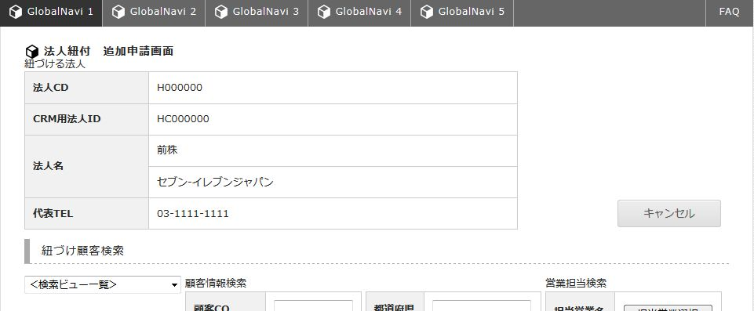
Please put a space
 | 40 | H202 | H202.html |  |  |  | wider the textbox and textarea to be full of the cell ---added--- Make it little longer width for textbox or textarea of 事業内容, 番地ビル. And also add the style to the css. Not to use style in html. | Enomoto | Anh Tran | Fixed ---added-- I fixed like your suggest | complete
 | 41 | H202 | H202.html |  | 149, 158, 167, 176 |  | do not use text box in the second table which contains "郵便番号", "都道府県" etc. And set the sample date from the screen doc. But only use textbox for "番地ビル". | Enomoto | Anh Tran | Fixed | complete
 | 42 | H202 | H202.html |  | 228 |  | set the text "類似法人一覧" to the H3. It is a miss spell of the screen doc. | Enomoto | Anh Tran | Fixed | complete
 | 43 | H202 | H202.html | <a class="greyButton button_w100" href="#" onClick="return false;" style="margin-left: 42px;">住所設定</a> | 136 |  | Use the small button for ”住所選択” as it like the "担当営業選択" button at the other screen. And move to the place like below. ---added--- sorry, move to the right side of the table. | Enomoto | Anh Tran | Fixed ---added-- I fixed like your suggest | complete
 | 44 | H202 | H202.html |  |  |  | Wider the width of the 4th table. It can be the 100% width of the page width. ---added--- delete left-magin for all tables. | Enomoto | Anh Tran | Made it more beautiful ---added-- I fixed like your suggest | complete
 | 45 | H202 | H202.html |  | 116 to 121 |  | 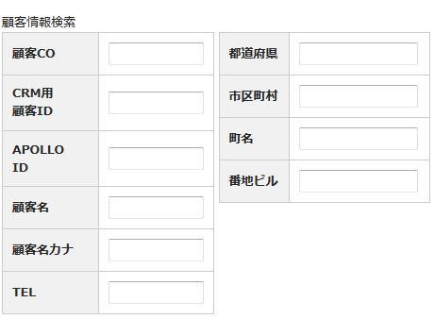 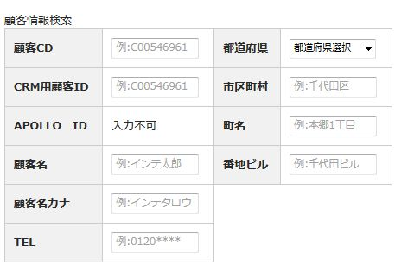 set as <th> for "姓" and "名" You may need to put together some other col. | Enomoto | Anh Tran | Fixed | complete
 | 46 | H202 | H202.html |  | 75 to 81 |  | set the appropriate "for" value. If you click this label, the left-located radio button is going to be changed. | Enomoto | Anh Tran | Fixed | complete
 | 47 | H204 | H204.html |  |  |  | 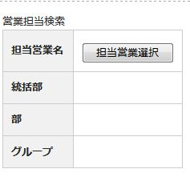 Please move the H3 tag | Miyagi | Thi Nguyen | Fixed | complete
 | 48 | H204 | H204.html |  |  |  | 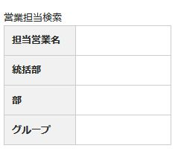 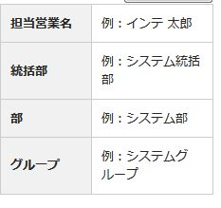 Please connect to the table. Please refer to / MOCK-UP/OUTPUT/HTML/N102.html | Miyagi | Thi Nguyen | Fixed | complete
 | 49 | H204 | H204.html |  |  |  | Please fix the position of the button | Miyagi | Thi Nguyen | Fixed | complete
Sorry, Please change the checkbox
 | 50 | H204 | H204.html |  |  |  | Please include the wording of the contents table | Miyagi | Thi Nguyen | Fixed | complete
 | 51 | H204 | H204.html |  |  |  | Sorry,Please put pulldown list Please refer to / MOCK-UP/OUTPUT/HTML/N102.html | Miyagi | Thi Nguyen | Fixed | complete
 | 52 | H204 | H204.html |  |  |  | Please put a placeholder in the text. Input field placeholder, please refer to this. / MOCK-UP/OUTPUT/HTML/N102.html | Miyagi | Thi Nguyen | Fixed | complete
 | 53 | H204 | H204.html |  |  |  | 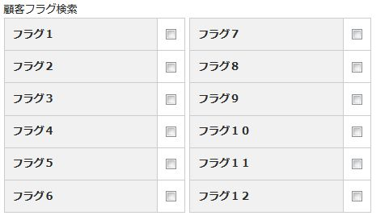 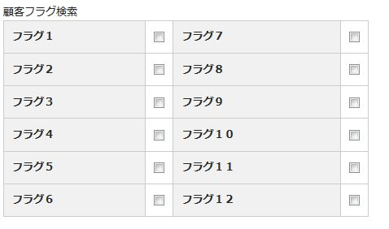 Please put this left side View () - When you open View (+) Closing Please refer to / MOCK-UP/OUTPUT/HTML/N102.html | Miyagi | Thi Nguyen | Fixed | complete
Please ,When you press this button, check to enter the check box
 | 54 | H204 | H204.html |  |  |  |  | Miyagi | Thi Nguyen | Fixed | complete
check on
 | 55 | H204 | H204.html |  |  |  | please refer to this. / MOCK-UP/OUTPUT/HTML/N102.html | Miyagi | Thi Nguyen | Fixed | complete
Please,When you press this button, check to clear the check box
 | 56 | H204 | H204.html |  |  |  | Please connect to the table. Please refer to / MOCK-UP/OUTPUT/HTML/N102.html Please make as a single table. | Miyagi | Thi Nguyen | Fixed | complete
Please adjust the width of the pull-down list so that it appears that the string of title of the table.
 | 57 | H204 | H204.html |  |  |  | Please ,When you press the Select All button, check to enter the check box | Miyagi | Thi Nguyen | Fixed | complete
 | 58 | H204 | H204.html |  |  |  |  | Miyagi | Thi Nguyen | Fixed | complete
 | 59 | H204 | H204.html |  |  |  |  | Miyagi | Thi Nguyen | Fixed | complete
 | 60 | H204 | H204.html | <tr> <td rowspan="2">3</td> <td rowspan="2"><label> <p> <input type="checkbox" name="checkBotton" value=""> </p> </label></td> <td rowspan="2"></td> <td></td> <td></td> <td></td> <td rowspan="2"></td> <td></td> <td></td> <td></td> <td></td> <td rowspan="2"></td> </tr> | 654 |  | Do not blank column of the table. Please put the value. | Miyagi | Thi Nguyen | Fixed | complete
 | 61 | K105 | K105.html | <title>顧客選択</title> | 5 |  | set the appropriate page title. Refer to CheckList No.7 | Enomoto | Thi Nguyen | Fixed | complete
 | 62 | K105 | K105.html | <td><textarea rows="4" cols="3"></textarea></td> | 41 |  | set wider width to text area. | Enomoto | Thi Nguyen | Fixed | complete
 | 63 | K106 | K106.html |  | 37, 44 to 46 |  | delte "必須". And also delete "-- 選択してください --" 計画1Qデータ can be selected at first. | Enomoto | Anh Tran | Fixed | complete
 | 64 | K110 | K110.html |  | 41 |  | change "顧客情報検索" to "営業検索" And the dropbox and the table on right should be be the same line. So locate the table little higher to be the same line of dropdown list. | Enomoto | Anh Tran | Fixed | complete
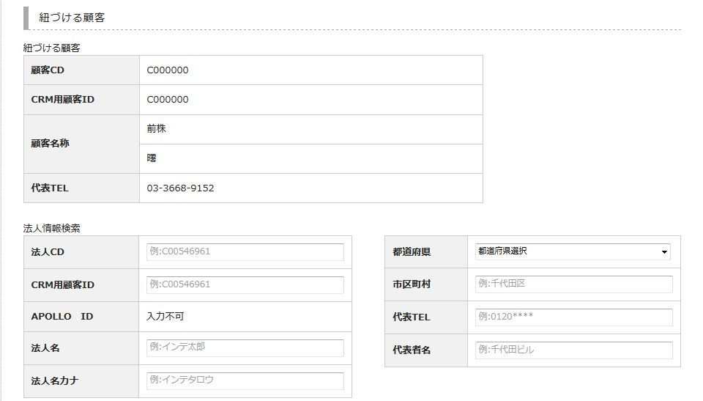
Please put the H3 tag.
 | 65 | K110 | K110.html |  |  |  | Set the place of 担当営業選択 button to the right end of the table. | Enomoto | Anh Tran | Fixed | complete
 | 66 | K110 | K110.html |  |  |  | do not use input text for 担当営業名. And set the text "例：インテ 太郎" just as <td>. do not use input text for 月選択. And use dropbox. The option of the dorpbox is "1月", "2月", "3月". And delete "必須" icon for 担当営業名. But For 月選択 is needed | Enomoto | Anh Tran | Fixed | complete
 | 67 | K110 | K110.html |  | 101 |  | Change "Wed曜日" to the appropriate value "水曜日" | Enomoto | Anh Tran | Fixed | complete
 | 68 | K110 | K110.html |  |  |  | move the two tables to the Left side. The tables are under カレンダー and 本日日商 | Enomoto | Anh Tran | Fixed | complete
 | 69 | K110 | K110.html |  |  |  | move the both 保存 and キャンセルボタン to the right side. Also the buttons, which are bottom of the page. | Enomoto | Anh Tran | Fixed | complete
 | 70 | K110 | K110.html |  |  |  | Use textbox for the column "目標金額 （手入力）" for each table which have column "手入れ". "手入れ" means "you can input by yourself" | Enomoto | Anh Tran | Fixed | complete
 | 71 | K111 | K111.html |  |  |  | Add --選択してください-- to the first option of the dropdown list. | Enomoto |  |  | complete
 | 72 | H302 | K302.css | margin-left: 42px; | 74 |  | no need for the left-margin for the table at left side. | Enomoto | Anh Tran | Fixed | complete
 | 73 | H302 | K302.html |  |  |  | put the all tables in the page width. Set the shorter width for the column if you need. | Enomoto | Anh Tran | Fixed | complete
 | 74 | H302 | K302.html |  | 133 to 180 |  | set the wider width for the textbox or the textarea. The width of Textbox or textarea can be full width of its column. | Enomoto | Anh Tran | Fixed | complete
 | 75 | H302 | K302.html |  |  |  | the table with 住所設定 button should be the same align as the tables besides. | Enomoto | Anh Tran | Fixed | complete
 | 76 | H302 | K302.html |  |  |  | set the same width to the four tables on left side of page. | Enomoto | Anh Tran | Fixed | complete
 | 77 | H305 | K305.html |  |  |  | Move the "登録" and "キャンセル" to between Paging area and the table. | Enomoto | Anh Tran | Fixed | complete
Please delete
 | 78 | C203 | C203.html |  |  |  | 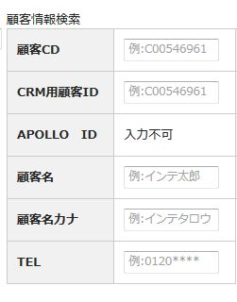 example:<h3 class="headlineSample2">紐づける 法人検索</h3> | Miyagi | Thi Nguyen | Fixed | complete
Please narrow the width of the tab
 | 79 | C203 | C203.html | <tr> <td>5</td> <td ><label> <p> <input type="checkbox" name="checkBotton" value=""> </p> </label></td> <td ></td> <td></td> <td></td> <td></td> <td></td> <td></td> <td></td> <td></td> <td></td> <td></td> </tr> | 338 |  | Do not blank column of the table. Please put the value. | Miyagi | Thi Nguyen | Fixed | complete
Please add this
 | 80 | C104 | C104.html |  |  |  |  | Miyagi | Thi Nguyen | Fixed | complete
Please put a space
 | 81 | C104 | C104.html | <p> 顧客ステータス条件!! </p> | 272 |  | Please change the word 顧客ステータス条件!! →顧客ステータス条件 | Miyagi | Thi Nguyen | Fixed | complete
 | 82 | C104 | C104.html |  |  |  | Can you be placed in order? | Miyagi | Thi Nguyen | Fixed | complete
 | 83 | C104 | C104.html |  |  |  |  | Miyagi | Thi Nguyen | Fixed | complete
 | 84 | C104 | C104.html |  |  |  | Do not blank column of the table. Please put the value. | Miyagi | Thi Nguyen | Fixed | complete
 | 85 | C104 | C104.html |  |  |  |  | Miyagi | Thi Nguyen | Fixed | complete
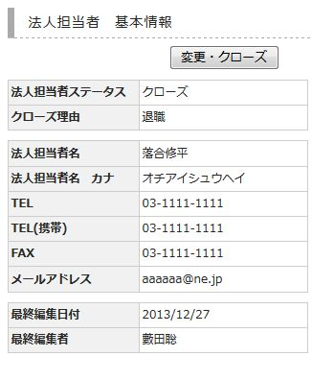
 | 86 | C104 | C104.html |  |  |  | When you Mausuon, gray portion is protruding from the line | Miyagi | Thi Nguyen | Fixed | complete
 | 87 | H100 | H100.html |  |  |  | Set "=検索" as the initial value of radio button | Enomoto | Thi Nguyen | Fixed | complete
 | 88 | H100 | H100.html |  |  |  | Set ”インテ 太郎” for the all "代表者名" column value as a sample. So You need to replace "田中 幸三" and "鈴木 正平" to "インテ 太郎" | Enomoto | Thi Nguyen | Fixed | complete
 | 89 | H100 | H100.html |  |  |  | Use one table for the two tables in 法人情報検索. It will be 4 comuns such as <th>, <td>, <th>, <td> | Enomoto | Thi Nguyen | Fixed | complete
 | 90 | H100 | H100.html |  |  |  | use dropdown list for 都道府県. The option is as the same as at H205 | Enomoto | Thi Nguyen | Fixed | complete
 | 91 | H100 | H100.html |  |  |  | set the place holder which is as the same as at H205 of 法人情報検索. | Enomoto | Thi Nguyen | Fixed | complete
 | 92 | H205 | H205.html |  |  |  | Use one table for the two tables in 法人情報検索. It will be 4 comuns such as <th>, <td>, <th>, <td> | Enomoto | Thi Nguyen | Fixed | complete
 | 93 | H205 | H205.html |  |  |  | move 紐づけ顧客検索 to above the 法人情報検索. You do not need H3 right under the H2 in this case. | Enomoto | Thi Nguyen | Fixed | complete
 | 94 | H205 | H205.html |  |  |  | Replace "薮田 聡" to "インテ 太郎" for 担当営業 | Enomoto | Thi Nguyen | Fixed | complete
 | 95 | H205 | H205.html |  |  |  | Set any value to the blank cell in the bottom table. It can be the same value as the row No.4. but I want you to set the "インテ 太郎" for the all 代表者名 column. | Enomoto | Thi Nguyen | Fixed | complete
 | 96 | H205 | H205.html |  |  |  | Set "=検索" as the initial value of radio button. Sorry that my comment on screen doc was wrong. | Enomoto | Thi Nguyen | Fixed | complete
 | 97 | H200 | H200.html |  |  |  | Not need textare for the bottommost table. Sorry that my comment on screen doc was wrong. | Enomoto | Anh Tran | Fixed | complete
 | 98 | H200 | H200.html |  |  |  | Set bold to Some sample data in "年間合計" colmn which is not set Bold. | Enomoto | Anh Tran | Fixed | complete
 | 99 | H200 | H200.html |  |  |  | Set "インテ 太郎" for the all sample data in 営業担当名 and 顧客担当者名 column. | Enomoto | Anh Tran | Fixed | complete
 | 100 | H200 | H200.html |  |  |  | Set Higher height for the 事業内容 row which is in right table of 法人基本情報 area. To be the same height for the three tables. | Enomoto | Anh Tran | Fixed | complete
 | 101 | H202 | H202.html |  |  |  | set the same width to the row header which is in the table under 住所設定 button and above or under other table. | Enomoto | Anh Tran | Fixed | complete
 | 102 | H202 | H202.html |  |  |  | set the place holder to the text area. "事業内容を入力してください" And other placeholder "●●●●" should be the same value of the its row header. | Enomoto | Anh Tran | Fixed | complete
 | 103 | H202 | H202.html |  |  |  | meke it grey string-color of the the textbox of 番地ビル. | Enomoto | Anh Tran | Fixed | complete
 | 104 | H301 | H301.html |  |  |  | 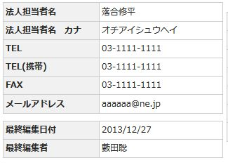 Please fix for position of the botton Please move to the line of the table | Miyagi | Thi Nguyen | Fixed | complete
Please reduce the height.
 | 105 | H301 | H301.html |  |  |  | Please fix design for button | Miyagi | Thi Nguyen | Fixed | complete
 | 106 | H301 | H301.html | <tr> <th>メールアドレス</th> <td>aaaaaa@ne.jp</td> </tr> | 126 |  | Please fix for below <tr> <th>メールアドレス</th> <td><a href="mailto:aaaaaa@ne.jp">aaaaaa@ne.jp</a></td> </tr> | Miyagi | Thi Nguyen | Fixed | complete
 | 107 | H301 | H301.html |  |  |  |  | Miyagi | Thi Nguyen | Fixed | complete
 | 108 | C105 | C105.html |  |  |  | use the the grey button for 担当営業選択 button which is as the same as "検索条件クリア" | Enomoto | Anh Tran | Fixed | complete
 | 109 | C105 | C105.html |  |  |  | set the "=検索" for radio button at 検索方式 | Enomoto | Anh Tran | Fixed | complete
 | 110 | C105 | C105.html |  |  |  | the dashed border does not need to be displayed. You can set the border color #FFFFFF at css | Enomoto | Anh Tran | Fixed | complete
 | 111 | C105 | C105.html |  | 253, 263 |  | set wider width for the both input text at 登録日 row of 登録日検索 table | Enomoto | Anh Tran | Fixed | complete
 | 112 | C105 | C105.html |  |  |  | no need initial value for the check box of 表示対象 | Enomoto | Anh Tran | Fixed | complete
 | 113 | C105 | C105.html |  |  |  | move 顧客統合 button to the left side | Enomoto | Anh Tran | Fixed | complete
 | 114 | C105 | C105.html |  |  |  | set wider width for column which have 都道府県. Not to be the two lines in the cell. | Enomoto | Anh Tran | Fixed | complete
 | 115 | C105 | C105.html |  |  |  | use dropdown list for 都道府県. The option is as the same as at C104 | Enomoto | Anh Tran | Fixed | complete
 | 116 | C105 | C105.html |  |  |  | split to two tab contents. And adjust short the whole width of the contents ---added--------------------------- little strange when over mouse cursor look C104 as sample which is made by Thi-san | Enomoto | Anh Tran | Fixed ---added--------------------------- Fixed | complete
 | 117 | C105 | C105.html |  |  |  | Set the same width of <th> at 顧客フラグ検索 table | Enomoto | Anh Tran | Fixed | complete
 | 118 | C105 | C105.html |  |  |  | move the 法人検索 and 代理店検索 table to right side. | Enomoto | Anh Tran | Fixed | complete
 | 119 | C106 | C106.html |  |  |  | use the the grey button for 担当営業選択 button which is as the same as "検索条件クリア" | Enomoto | Anh Tran | Fixed | complete
 | 120 | C106 | C106.html |  |  |  | set the "=検索" for radio button at 検索方式 | Enomoto | Anh Tran | Fixed | complete
 | 121 | C106 | C106.html |  |  |  | the dashed border does not need to be displayed. You can set the border color #FFFFFF at css | Enomoto | Anh Tran | Fixed | complete
Please to the left, the data in the table.
 | 122 | C106 | C106.html |  |  |  | use the same content for the 登録日 of 登録日検索 like you did at C105 | Enomoto | Anh Tran | Fixed | complete
 | 123 | C106 | C106.html |  |  |  | no need initial value for the check box of 表示対象 | Enomoto | Anh Tran | Fixed | complete
 | 124 | C106 | C106.html |  |  |  | move 顧客統合 button to the left side | Enomoto | Anh Tran | Fixed | complete
 | 125 | C106 | C106.html |  |  |  | set wider width for column which have 都道府県. Not to be the two lines in the cell. | Enomoto | Anh Tran | Fixed | complete
 | 126 | C106 | C106.html |  |  |  | use dropdown list for 都道府県. The option is as the same as at C104 | Enomoto | Anh Tran | Fixed | complete
Please put the right end of the H2 tag
 | 127 | C106 | C106.html |  |  |  | split to two tab contents. And adjust short the whole width of the contents ---added--------------------------- little strange when over mouse cursor look C104 as sample which is made by Thi-san | Enomoto | Anh Tran | Fixed ---added--------------------------- Fixed | complete
 | 128 | H100 | H100.html |  |  |  | Set hyperlink for the text in all table data which color is blue in screen doc. | Enomoto | Thi Nguyen | Fixed | complete
Please to the left, the data in the table.
 | 129 | H200 | H200.html |  |  |  | not to be hand shape icon when mouse over the disabled button now to be ----- added ----- please apply to other buttons which is not active such as below | Enomoto | Anh Tran | Fixed ----- added ----- Fixed | complete
 | 130 | H200 | H200.html |  |  |  | in all table, there are two "2009". Replace to appropriate value "2008" and check all talble. | Enomoto | Anh Tran | Fixed | complete
 | 131 | H200 | H200.html |  |  |  | set bold to Some sample data in "年間合計" colmn which is not set Bold. | Enomoto | Anh Tran | Fixed | complete
 | 132 | H200 | H200.html |  |  |  | Set hyperlink for the text in all table which color is blue in screen doc. | Enomoto | Anh Tran | Fixed | complete
Please align the beginning of a character.
n | 133 | C207 | C207.html |  |  |  |  | Miyagi | Thi Nguyen | Fixed | complete
 | 134 | C209 | C209.html |  |  |  |  | Miyagi | Thi Nguyen | Fixed | complete
 | 135 | C210 | C210.html |  |  |  |  | Miyagi | Thi Nguyen | Fixed | complete
 | 136 | C210 | C210.html |  |  |  |  | Miyagi | Thi Nguyen | Fixed | complete
 | 137 | C202 | C202.html |  | 160 |  | set place holder. Do not set to value, set to title for the text box. The string to set is "(例) 浜町".町名浜町 | Enomoto | Anh Tran | Fixed | complete
 | 138 | H100,H200,H201,H202,H203,H204,H205 |  |  |  |  | the small 担当営業名 button should use <a> . Check the screen and change it if it is not. | Enomoto | Thi Nguyen | Fixed in H204 <Anh Tran> No any change in H200, H201, H202 | complete
 | 139 | H100,H200,H201,H202,H203,H204,H205 |  |  |  |  | use 必須 icon like below. ***now*** <p><img style="margin-top: 2px;" src="img/ico_requiredEntry.png"></p> ***to be*** <span class="requiredEntry"></span> Check the screen and change it if it is not. | Enomoto |  | Thi comment : H100, H203, H204, H205 had checked but not use 必須 icon <Anh Tran> Fixed H202 and K110 and K110_grid | complete
 | 140 | H100,H200,H201,H202,H203,H204,H205 |  |  |  |  | take wider width for the column which contanins money value. Not to be two lines. | Enomoto |  | Thi comment : H100, H203, H204, H205 had checked but not contain money value <Anh Tran> No any change in H200, H201, H202 | complete
 | 141 | H100,H200,H201,H202,H203,H204,H205 |  |  |  |  | Check the screen doc and confirm the grouping, + or - icon. And make sure it is made in screen you made. Even if grouping is in table, it need to be mead. | Enomoto |  | Thi comment : H204 is OK in grouping, no change <Anh Tran> checked H200, H201, H202 and they obeyed the design | complete
 | 142 | H100,H200,H201,H202,H203,H204,H205 |  |  |  |  | chck screen doc and confirm the blue line for table. The blue line needs to be link. And email address needs a href like below <td><a href="mailto:aaaaaa@ne.jp">aaaaaa@ne.jp</a></td> | Enomoto | Thi Nguyen | Fix blue link in H204, H205 <Anh Tran> Fixed H200 and H202 | complete
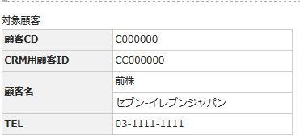
Please input red color character
 | 143 | H100,H200,H201,H202,H203,H204,H205 |  |  |  |  | not to be hand shape icon when mouse over the disabled button now to be Check the screen and change it if it is not. | Enomoto |  | Thi comment : H100, H203, H204, H205 had checked but not use disabled button <Anh Tran> Fixed H200 | complete
 | 144 | H100,H200,H201,H202,H203,H204,H205 |  |  |  |  | do not use height style in table. | Enomoto |  | Thi comment : H100, H203, H204, H205 had checked but not use style in table <Anh Tran> Fixed H200 | complete
 | 145 | H100,H200,H201,H202,H203,H204,H205 |  |  |  |  | do not use <p> style in <th> or <td>. | Enomoto | Thi Nguyen | Fixed in H204, H205 <Anh Tran> Fixed in H200, H201, H202 | complete
Please put textbox
 | 146 | H100,H200,H201,H202,H203,H204,H205 |  |  |  |  | use the scroll bar table for the table which is out of the page | Enomoto | Thi Nguyen | Fixed in H100, H204 <Anh Tran> Fixed H200 and H202 | complete
Please put the margin
 | 147 | H100,H200,H201,H202,H203,H204,H205 |  |  |  |  | set bold for which is set bold in screen doc. Example H300 will be the example I prepared the bold class for it in common | Enomoto | Thi Nguyen | Fixed in H100, H204, H205 <Anh Tran> Fixed H200 and H202 | complete
Please input red color character
Please delete the character
 | 148 | H100,H200,H201,H202,H203,H204,H205 |  |  |  |  | set font size for which set small or big font size in screen doc. Example H300 will be the example I prepared the bigFont and smallFont class for it in common | Enomoto | Thi Nguyen | Fixed in H100, H204, H205 <Anh Tran> Fixed H200 and H202 | complete
Please fix narrow the height.
 | 149 | C212 | C212.html |  |  |  | 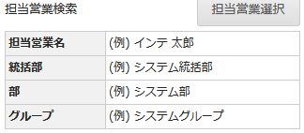 | Miyagi | Thi Nguyen | Fixed | complete
 | 150 | C212 | C212.html |  |  |  | 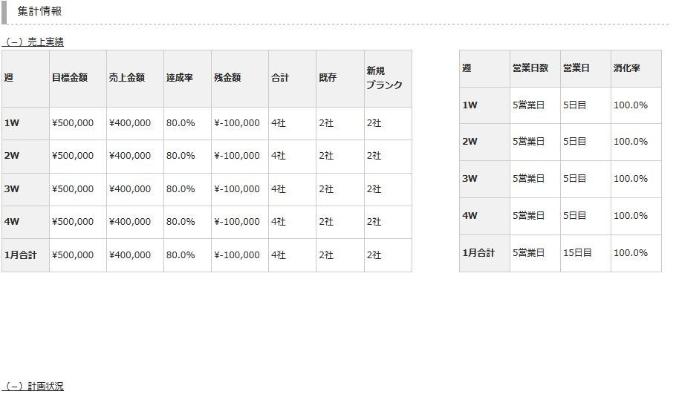 | Miyagi | Thi Nguyen | Fixed | complete
Please fix to this line the width of the table
 | 151 | C212 | C212.html |  |  |  |  | Miyagi | Thi Nguyen | Fixed | complete
 | 152 | C212 | C212.html |  |  |  | 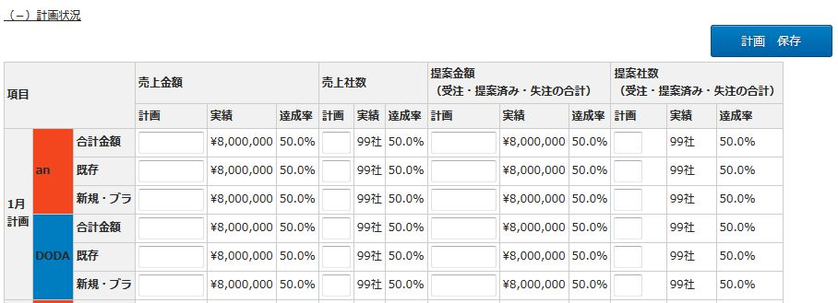 | Miyagi | Thi Nguyen | Fixed | complete
following items
アクション状況
活動予定・振り返り
Please spread the width of the table 100%
 | 153 | K100 K104 K108 K109 N102 | K100.html K104.html K108.html K109.html N102.html |  |  |  |  | Miyagi | Anh Tran | Fixed K100, K104, K108, K109 and N102 | complete
Please fix to refer to this
 | 154 | K100 K101 K107 | K100.html K101.html K107.html |  |  |  |  | Miyagi | Anh Tran | Fixed K100 and K101 | complete
Please be the same as the picture on the right the look of the table
 | 155 | K100 | K100.html |  |  |  |  | Miyagi | Anh Tran | Fixed K100, K101 by making a scroll bar | complete
 | 156 | K100 K101 | K100.html K101.html |  |  |  |  | Miyagi | Anh Tran | Fixed K100 and K101 | complete
Please place the table to match this line
 | 157 | K101 | K101.html |  |  |  | 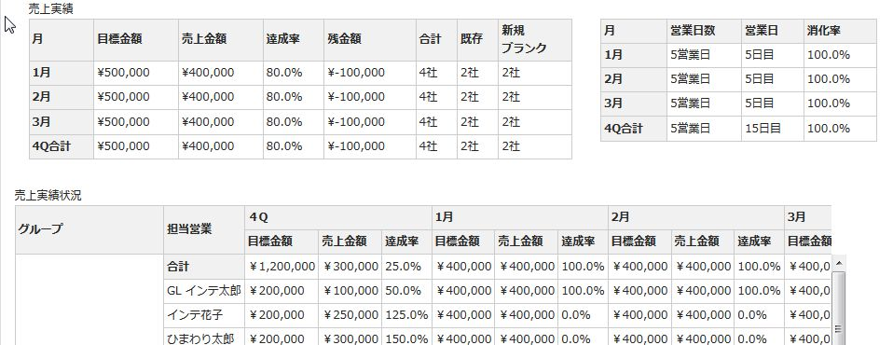 | Miyagi | Anh Tran | Fixed K101 | complete
Please fix character the place
 | 158 | K100 K101 K107 K108 K109 K110 N102 | K100.html K101.html K107.html K108.html K109.html K110.html N102.html |  |  |  | please put scrollbar in the table | Miyagi | Anh Tran | Fixed K100, K101, K107, K108, K109, K110, N102, | complete
Please put textbox in the table
Please delete this
 | 159 | K104 K107 K108 K109 | K104.html K107.html K108.html K109.html |  |  |  |  | Miyagi | Anh Tran | Fixed K104, K107, K108, K109 | complete
 | 160 | K104 K107 K108 K109 K110 N102 | K104.html K107.html K108.html K109.html K110.html N102.html |  |  |  | Please fix design for button | Miyagi | Anh Tran | Skiped as request of Miyagi-san | complete
 | 161 | K107 | K107.html |  |  |  |  | Miyagi | Anh Tran | Fixed K107 | complete
 | 162 | K100.html K101.html K104.html K107.html K108.html | K100.html K101.html K104.html K107.html K108.html |  |  |  | 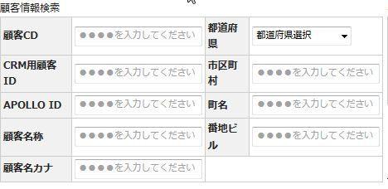 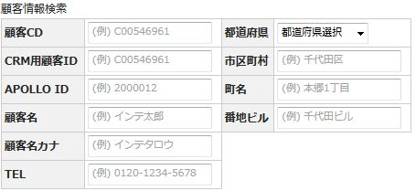 | Miyagi | Anh Tran | Fixed K100, K101, K104, K107, K108 | complete
Please change character in the table
Please separate the table
 | 163 | K111 | K111.html |  |  |  |  | Miyagi | Thi Nguyen | Fixed | complete
 | 164 | N103 | N103.html |  |  |  |  | Miyagi | Anh Tran | Fixed | complete
 | 165 | N104 | N104.html |  |  |  | Please fix character →ネタフラグ名称 | Miyagi | Anh Tran | Fixed | complete
 | 166 | N104 | N104.html |  |  |  | File has been updated Check the contents, please fix. INPUT/SCREEN_DOCUMENT/04_画面定義_計画画面_ネタ画面ver.1.2.xlsx | Miyagi | Anh Tran | Fixed | complete
 | 167 | C106 | C106.html |  |  |  | Please put placeholder in textbox Please be to hide the line of red frame /MOCK-UP/OUTPUT/HTML/N102.html | Miyagi | Anh Tran | Fixed | complete
 | 168 | C106 | C106.html |  |  |  | Reference /MOCK-UP/OUTPUT/HTML/N102.html | Miyagi | Anh Tran | Fixed | complete
 | 169 | C105 | C105.html |  |  |  | please put scrollbar in the table | Miyagi | Anh Tran | Fixed | complete
 | 170 | C105 | C105.html |  |  |  |  | Miyagi | Anh Tran | Fixed | complete
 | 171 | C105 | C105.html |  |  |  | Please fix in the same way as C105.html | Miyagi | Anh Tran | Fixed | complete
 | 172 | C100 | C100.html |  |  |  | set the place holder for textbox like C105. Not to use ●●●●. The value at 担当営業検索-table is also the same. | Enomoto | Anh Tran | Fixed both C100 and C102 | complete
 | 173 | C100 | C100.html |  |  |  | Tab contents is strange when mouse over the button. Split to two contents. To take margen between first tab and second. See C104 | Enomoto | Anh Tran | Fixed both C100, C102, C105 and C106 | complete
 | 174 | C100 | C100.html |  |  |  | set wider title width | Enomoto | Anh Tran | Fixed | complete
 | 175 | C100 | C100.html |  |  |  | move "（＋）その他検索" to the left side of page. | Enomoto | Anh Tran | Fixed | complete
 | 176 | C100 | C100.html |  |  |  | move the contents "検索方法" and "表示対象" to the left side of 検索 button. | Enomoto | Anh Tran | Fixed | complete
 | 177 | C100 | C100.html |  |  |  | the vertical scroll should be next side of the table. Not in the table. | Enomoto | Anh Tran | Run well in IE10 and IE8. It doesn't work on IE9… | complete
 | 178 | C100 | C100.html |  |  |  | add 18 more sample data for the bottom table. They can be the same data as the No2, but No. should be counted. | Enomoto | Anh Tran | Fixed | complete
 | 179 | C102 | C102.html |  |  |  | all place holder for textbox needs "(例) ". Label does not need "(例) ". "例" means "example". Please refer to C104 as a sample of place holder. | Enomoto | Anh Tran | Fixed both C102, C100, C105 and C106 | complete
 | 180 | C102 | C102.html |  |  |  | set column title like below. フラグ1 フラグ2 フラグ3 フラグ4 フラグ5 フラグ6 フラグ7 フラグ8 フラグ9 フラグ10 フラグ11 フラグ12 | Enomoto | Anh Tran | Fixed both C102 and C100 | complete
 | 181 | C205 | C205.html |  |  |  | set plece holder "(例) 橋浜ビル" for 拠点名 And add "(例) " to string of place holder of 番地ビル, 代表TEL, FAX. | Enomoto | Anh Tran | Fixed | complete
 | 182 | C205 | C205.html |  |  |  | Add 「閉じる」 above the table --- added --- move 閉じる to above H2 like C208 and set link for 閉じる like C208 | Enomoto | Anh Tran | Fixed | complete
 | 183 | C205 | C205.html |  |  |  | delete （必須・自動反映） for 郵便番号 | Enomoto | Anh Tran | Fixed | complete
Please match the table to red line
 | 184 | C205 | C205.html |  |  |  | change 編集日 to 更新日 | Enomoto | Anh Tran | Fixed | complete
 | 185 | C103 | C103.html |  |  |  | Add "TEL" row for 顧客情報検索 table. See C105 as a sample. | Enomoto | Thi Nguyen | Fixed | complete
Please to lower the height
 | 186 | C103 | C103.html |  |  |  | Add 法人検索 table and 代理店検索 table. See C105 as a sample. | Enomoto | Thi Nguyen | Fixed | complete
 | 187 | C103 | C103.html |  |  |  | You do not need deffault value for check box of "表示対象". | Enomoto | Thi Nguyen | Fixed | complete
 | 188 | C103 | C103.html |  |  |  | Please set about 20 sample data in bottom table. You can add as the same as the No.2, but No should be counted. | Enomoto | Thi Nguyen | Fixed | complete
 | 189 | C103 | C103.html |  |  |  |  | Enomoto | Thi Nguyen | As discussed via Lync, I skip it | complete
 | 190 | C103 | C103.html |  |  |  | Delete the check box "非表示にしたものも表示する" | Enomoto | Thi Nguyen | As discussed via Lync, this will be confirmed later, I skip it | complete
 | 191 | C103 | C103.html |  |  |  | textbox is not neede for "from" and "to" at 登録日検索 table. | Enomoto | Thi Nguyen | As discussed via Lync, textbox is need, so I skip it | complete
 | 192 | C103 | C103.html |  |  |  | set wider width for text box. | Enomoto | Thi Nguyen | Fixed | complete
 | 193 | C107 | C107 |  |  |  | please fix all the same poits of C103. C103 and C107 are alike. | Enomoto | Thi Nguyen | Fixed | complete
 | 194 | C104 | C104.html |  |  |  |  | Miyagi | Thi Nguyen | Fixed | complete
 | 195 | C104 | C104.html |  |  |  |  | Miyagi | Thi Nguyen | Fixed | complete
 | 196 | C104 C107 | C104.html C107.html |  |  |  | move the contents "検索方法" and "表示対象" to the left side of 検索 button. | Miyagi | Thi Nguyen | Fixed | complete
Please change the value of this item
→20000120
Please change the value of this item
→C000001
 | 197 | All | C203.html |  |  |  | check the width of the column header or data. Set wider widtie8,h if the the text is two lines. Also check by IE8,IE9,IE10. example: | Enomoto | Giang | Enomoto fixed for C103 C100,C102 are ok. Giang fixed : C203 Except : N103, K110 , K101, K100, C400 | complete
 | 198 | All |  |  |  |  | 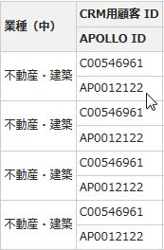 use "/" for date divider. Not to use "年","月","日". Example: 2014年3月30日 → 2014/03/30 | Enomoto |  | Enomoto fixed for C103 C100,C102 are ok. | complete
 | 199 | All |  |  |  |  | set 1188px to the table width which has horizontal scroll. | Enomoto |  | Long verified/fixed: C106, C213, C216, C401, H100, H204, H305, K101, K107 | complete
Please put html 'a' tag on this character
 | 200 | All |  |  |  |  |  | Enomoto | Anh Tran | C100, C102, C103, C104, C105, C106 and C107: Have been fixed already. Fixed N102 Fixed H204 | complete
 | 201 | All |  |  |  |  | set sample date for all table. | Enomoto |  | Enomoto-C100,C102,C103 are done. | complete
 | 202 | All |  |  |  |  | set onley half space between "APOLLO" and "ID". Not Double-byte space. | Enomoto |  | Enomoto-C100,C102,C103 are ok. | complete
 | 203 | All |  |  |  |  | set 9 digit number for お客CD. Example: "(例) C00000001" | Enomoto | Anh Tran | Enomoto-C100,C102,C103 are ok. <Anh Tran> Fixed 104, 107, C201, C203, C207 Fixed C211, C213, C216, H100, H200, H201, H202 Fixed H204, H205, H300, H305 | complete
 | 204 | C104 | C104.html |  |  |  | Please put Vertical scroll to table | Miyagi |  |  | complete
 | 205 | C104 C105 C106 | C104.html C105.html C106.html |  |  |  | Please move the table to the left of the screen | Miyagi |  |  | complete
 | 206 | C100 |  |  |  |  | delete paging area at bottom. One contents is enough. | Enomoto | Enomoto | Enomoto-C100,C102 are fixed | complete
 | 207 | C103 |  |  |  |  | set link for some item below at the bottom table. | Enomoto | Enomoto | fixed | complete
 | 208 | C103 |  |  |  |  | put sample data to the empty item of the table. | Enomoto | Enomoto | fixed | complete
 | 209 | C103 |  |  |  |  | add "\" for money at the bottom table | Enomoto | Enomoto | fixed | complete
 | 210 | C100 C102 C103 | C100.html C102.html C103.html |  |  |  | add the 法人検索 table、代理店検索 like C103 table and slide to left side for these screen. | Enomoto |  |  | complete
 | 211 | All |  |  |  |  | Please fix change the button size Please refer to the C100.html. | Miyagi |  | - Quynh Anh- C214,M500 are fixed - [Long]: Fixed for C201, C205, H202 | complete
 | 212 | All |  |  |  |  | I changed the design of the tab Please put a border tab Please refer to the C100.html. | Miyagi |  | Fixed(Miyagi) | complete
 | 213 | C201 | C201.html |  |  |  | put the cells together | Enomoto | Long | Fixed | complete
 | 214 | C201 | C201.html |  |  |  | set text "000000001" for APOLLO ID | Enomoto | Long | Fixed | complete
 | 215 | C201 | C201.html |  |  |  | half space is neede for APOLLO and ID | Enomoto | Long | Fixed | complete
 | 216 | C201 | C201.html |  |  |  | use small button for [担当営業検索] and [住所設定] C100 can be the sample using small button | Enomoto | Long | Fixed | complete
 | 217 | C201 | C201.html |  |  |  | delete icon [必須] for 都道府県, 町名, 郵便番号. But 番地ビル and TEL are needed | Enomoto | Long | Fixed | complete
 | 218 | C201 | C201.html |  |  |  | textbox is neede for 顧客名, 顧客名カナ, 支店名, 番地ビル, TEL, FAX, 業種, both 姓, 名 H202 can be the sample | Enomoto | Long | Fixed | complete
 | 219 | C201 | C201.html |  |  |  | delete all text (任意) and (自動反映) | Enomoto | Long | Fixed | complete
 | 220 | C201 | C201.html |  |  |  | put them together | Enomoto | Long | Fixed | complete
 | 221 | C201 | C201.html |  |  |  | delete the button "ログインユーザーを設定" | Enomoto | Long | Fixed | complete
 | 222 | C201 | C201.html |  |  |  | add the text bottom | Enomoto | Long | Fixed | complete
 | 223 | C201 | C201.html |  |  |  | add sample data for the table bottom about 20 row. And also add sample data for the blank cell. | Enomoto | Long | Fixed | complete
 | 224 | C208 | C208.html |  |  |  | 新担当者 is just <a>. And move it between h3 and table | Enomoto | Giang | Fixed | complete
 | 225 | C208 | C208.html |  |  |  | move 担当営業検索 button to above and right side of the table. | Enomoto | Giang | Fixed | complete
 | 226 | C208 | C208.html |  |  |  | move 閉じる to above and right side of H2 tag. Not needed to be bold. | Enomoto | Giang | Fixed | complete
 | 227 | C208 | C208.html |  |  |  | text box is not needed for 担当営業検索. Set "ひまわり太郎" as value of the <td>. | Enomoto | Giang | Fixed | complete
 | 228 | C300 | C300.html |  |  |  | delete button "ログインユーザーを設定" and move button "担当営業選択" to above right side of the table like below | Enomoto | Giang | Fixed | complete
 | 229 | C300 | C300.html |  |  |  | set place holder to "新宿" instead of "Shinjuku" at 町名 | Enomoto | Giang | Fixed | complete
 | 230 | C300 | C300.html |  |  |  | set インテ太郎 instead of 熊崎 志の. All item in the screen please | Enomoto | Giang | Fixed | complete
 | 231 | C300 | C300.html |  |  |  | set インテ花子 instead of 飯田 勉 | Enomoto | Giang | Fixed | complete
 | 232 | C300 | C300.html |  |  |  | set インテ次郎 instead of 竹下 壮太郎 | Enomoto | Giang | Fixed | complete
 | 233 | C300 | C300.html |  |  |  | set Japanese data for both 統括部 and 部 | Enomoto | Giang | Fixed | complete
 | 234 | C300 | C300.html |  |  |  | delete paging area at bottom. only One content is needed. | Enomoto | Giang | Fixed | complete
 | 235 | C300 | C300.html |  |  |  | Lately, it is desided that no need to set small or big fonnt at any table. So please delete the font-size setting. And tell other member about this. | Enomoto | Giang | Fixed | complete
 | 236 | C214 | C214.html |  |  |  | Please fix placeholder (例)\3,000 | Miyagi | Quynh Anh | Fixed | complete
 | 237 | C214 | C214.html |  |  |  | Please put the data in the table | Miyagi | Quynh Anh | Fixed | complete
 | 238 | C214 | C214.html |  |  |  | Please put scrollbar in the table | Miyagi | Quynh Anh | Fixed | complete
 | 239 | C214 | C214.html |  |  |  | Please put 'CSV出力' | Miyagi | Quynh Anh | Fixed | complete
 | 240 | C211 | C211.html |  |  |  | set wider width for the row title. Because クレーム内容・対応内容 is being two lines. | Enomoto | Anh Tran | Fixed | complete
 | 241 | C211 | C211.html |  |  |  | set "(例) 00000" for the <td> of クレームID | Enomoto | Anh Tran | Fixed | complete
 | 242 | C211 | C211.html |  |  |  | use small button for [住所設定], [全選択], [全解除] C100 can be the sample using small button | Enomoto | Anh Tran | Fixed | complete
 | 243 | C211 | C211.html |  |  |  | set "インテ太郎" for 先方担当者 and set "インテ次郎" for 対応担当者. in case of setting sample data, use below for human name. "インテ太郎", "インテ次郎", "インテ三郎", "インテ四郎", "インテ花子" setting your name is nice try though | Enomoto | Anh Tran | Fixed | complete
 | 244 | C211 | C211.html |  |  |  | put sample data for the bottom table. | Enomoto | Anh Tran | Fixed | complete
 | 245 | C211 | C211.html |  |  |  | add the string below to above the [全選択], [全解除]. | Enomoto | Anh Tran | Fixed | complete
 | 246 | C217 | C217.html |  |  |  | move 決定 and キャンセル buttons to center | Enomoto | Thi Nguyen | Fixed | complete
 | 247 | C217 | C217.html |  |  |  | set the dropdown list items as below 1Qデータ 2Qデータ 3Qデータ 4Qデータ 年間集計データ | Enomoto | Thi Nguyen | Fixed | complete
 | 248 | C211 | C211.html |  |  |  | use thick border for under row of the table. Only for <td> please | Enomoto | Anh Tran | Fixed | complete
 | 249 | C211 | C211.html |  |  |  | set little higher height of the button for 全選択, 全解除 | Enomoto | Anh Tran | Fixed | complete
 | 250 | C211 | C211.html |  |  |  | set the same bottom align for both table. | Enomoto | Anh Tran | Fixed | complete
 | 251 | C211 to C301 | C211 to C301 |  |  | UI/UX | use class for table title. C200 will be a good example E.x. <p class="tableTitle"> | Enomoto | Anh Tran | <Anh Tran> Fixed c212 <Quynh Anh> Fixed C214 | complete
 | 252 | C212 | C212.html |  |  | UI/UX | move クローズ解除詳細 to right side of クローズ詳細 | Enomoto | Anh Tran | Fixed | complete
 | 253 | C212 | C212.html |  |  | UI/UX | set narrrow width for 対象顧客テーブル | Enomoto | Anh Tran | Fixed | complete
 | 254 | C213 | C213.html |  |  | UI/UX | set shorter width for the first table with and set appropriate width for th | Enomoto | Long | Fixed | complete
 | 255 | C214 | C214.html |  |  | UI/UX | set 2014/01 for 計上月 center align for 計上週 this is kind a exception | Enomoto | Quynh Anh | Fixed | complete
 | 256 | C214 | C214.html |  |  | UI/UX | delete the text "金額検索は、引継した顧客で過去どのような受注を検索する際に、単価で検索をかけることがある。 その場合、単価の高い受注はどのような商品だったか、を一発で検索したいと考えるため、必要" | Enomoto | Quynh Anh | Fixed | complete
 | 257 | C216 | C216.html |  |  | UI/UX | Move two 顧客選択 buttons to little right to the end of the table set small button for 全選択・全解除 buttons | Enomoto | Long | Fixed | complete
 | 258 | C216 | C216.html |  |  | UI/UX | use class "sampleOverflow" for 備考 td. And set little narrow width for the bottom table. Not be horizontal scroll. | Enomoto | Long | Fixed | complete
 | 259 | C216 | C216.html |  |  | UI/UX | set shorter width for hyphen of 郵便番号 | Enomoto | Long | Fixed | complete
 | 260 | C216 | C216.html |  |  | UI/UX | align left for td of first two tables and second one table | Enomoto | Long | Fixed | complete
 | 261 | C301 | C301.html |  |  |  | set shorter width for drop down list. Now is too wide for it. | Enomoto | Thi Nguyen | Fixed | complete
 | 262 | C301 | C301.html |  |  |  | set left align for <td> of all table's. | Enomoto | Thi Nguyen | Fixed | complete
 | 263 | C301 | C301.html |  |  |  | add comment "注意）この情報は3か月しか保持されません。重要な情報は顧客詳細へと記載してください" | Enomoto | Thi Nguyen | Fixed | complete
 | 264 | C301 | C301.html |  |  |  | use these buttons. And they can be right align. | Enomoto | Thi Nguyen | Fixed | complete
 | 265 | C301 | C301.html |  |  |  | set shorter width for the dark grey table | Enomoto | Thi Nguyen | Fixed | complete
 | 266 | C301 | C301.html |  |  |  | use 9:00 to 22:00 by a ascending order for dropdown list | Enomoto | Thi Nguyen | Fixed | complete
 | 267 | C300 | C300.html |  |  |  | use grey button for 担当営業選択 | Enomoto | Giang | Fixed | complete
 | 268 | C300 | C300.html |  |  |  | move 顧客ステータス条件 to right side of 引継ぎ先営業担当検索 | Enomoto | Giang | Fixed | complete
 | 269 | C300 | C300.html |  |  |  | clear bold for td of 顧客名 at bottom table | Enomoto | Giang | Fixed | complete
 | 270 | C300 | C300.html |  |  |  | use sampleOverflow for td of お知らせ | Enomoto | Giang | Fixed | complete
 | 271 | C213 | C213.html |  |  |  | move only [法人 新規登録] to left side. | Enomoto | Long | Fixed | complete
 | 272 | C213 | C213.html |  |  |  | delete "法人情報 工数しだいで法人側の担当者追加顧客紐付け代用しても可 " | Enomoto | Long | Fixed | complete
 | 273 | C213 | C213.html |  |  |  | add red text "※該当する法人担当が無い場合は法人担当者を「新規登録」してください" to under the 法人 [新規登録] button | Enomoto | Long | Fixed | complete
 | 274 | C216 | C216.html |  |  |  | Please specify the class of the following in this character 統合する先の顧客情報/統合される顧客情報 <p class="tableTitle> | Miyagi | Long | Fixed | complete
 | 275 | C216 | C216.html |  |  |  | 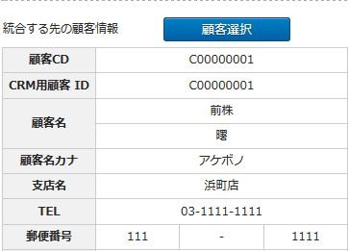 Please place the botton | Miyagi | Long | Fixed | complete
 | 276 | C211 | C211.html |  |  | Tokyo review | [保存] button does not need modal message | Enomoto | Thi Nguyen | Fixed | complete
 | 277 | C211 | C211.html |  |  | Tokyo review | do not need link for TEL and 所属 in bottom table. | Enomoto | Thi Nguyen | Fixed | complete
 | 278 | C211 | C211.html |  |  | Tokyo review | For checkbox in table, put checkbox in column title instead of using [全選択] or [全解除] buttons. Which means delete [全選択], [全解除] buttons | Enomoto | Thi Nguyen | Fixed | complete
 | 279 | C211 | C211.html |  |  | Tokyo review | change the button text [削除] to [削除する] and [登録] to [登録する] and move only [削除する] to the left side of screen. | Enomoto | Thi Nguyen | Fixed | complete
 | 280 | C211 | C211.html |  |  | Tokyo review | adjust vertical align for the right-end of bottom table. → | Enomoto | Thi Nguyen | Fixed | complete
 | 281 | C211 | C211.html |  |  | Tokyo review | set appropriate sample data for [APPOLO ID] and [クローズ] in bottom table. Set "2000012" for all [APPOLO ID] item and set "退職" for all [クローズ] item | Enomoto | Thi Nguyen | Fixed | complete
 | 282 | C212 | C212.html |  |  | Tokyo review | when choose アクション内容 radio button, either クローズ詳細 or クローズ解除詳細 should be hidden. | Enomoto | Giang | Fixed | complete
 | 283 | C213 | C213.html |  |  | Tokyo review | change button text of [法人新規登録] to [法人担当者登録画面へ] and set blue for [法人担当者登録画面へ] | Enomoto | Long | Fixed | complete
 | 284 | C213 | C213.html |  |  | Tokyo review | change button text of [紐付登録] to [紐付登録する]. And move [紐付登録する] and [キャンセル] buttons to under H3 of 法人担当者一覧. | Enomoto | Long | Fixed | complete
 | 285 | C213 | C213.html |  |  | Tokyo review | set セブン-"イレブンジャパン" for sample data of 法人名称 and 法人名カナ. | Enomoto | Long | Fixed | complete
 | 286 | C213 | C213.html |  |  | Tokyo review | set "マネージャー" or "部長" for [役職] column. Set "人事部" or "営業部" for [所属部署] column. Set "クローズ" for [クローズ] column. | Enomoto | Long | Fixed | complete
 | 287 | C214 | C214.html |  |  | Tokyo review | Express by one table for 計上月, 受注日, 掲載開始日, 金額 like below | Enomoto | Quynh Anh | Fixed | complete
 | 288 | C214 | C214.html |  |  | Tokyo review | delete "円" at the out side of the table of [金額] | Enomoto | Quynh Anh | Fixed | complete
 | 289 | C214 | C214.html |  |  | Tokyo review | change "第3週" to "3W" for bothc change "3" to "3W" for all [計上週] item at the bottom table. | Enomoto | Quynh Anh | Fixed | complete
 | 290 | C214 | C214.html |  |  | Tokyo review | add H3 of "自社実績詳細検索" under H2. and add H3 of "自社実績詳細一覧" under H2. and delete the frame border of search area. | Enomoto | Quynh Anh | Fixed | complete
 | 291 | C214 | C214.html |  |  | Tokyo review | change "an/DODA" to "an/DODA/Green" at the column title of table | Enomoto | Quynh Anh | Fixed | complete
 | 292 | C214 | C214.html |  |  | Tokyo review | use the table like below for the table "an・その他 / DODA" set "媒体" as row title. and add "Green" as checkbox item. | Enomoto | Quynh Anh | Fixed | complete
 | 293 | C214 | C214.html |  |  | Tokyo review | use thick border for under row of the table. | Enomoto | Quynh Anh | Fixed | complete
 | 294 | C214 | C214.html |  |  | Tokyo review | use paging contents above the bottom table. | Enomoto | Quynh Anh | Fixed | complete
 | 295 | C216 | C216.html |  |  | Tokyo review | set "統合される顧客情報" for the right side table title | Enomoto | Long | Fixed | complete
 | 296 | C216 | C216.html |  |  | Tokyo review | set shorter height for the result tables. The showing rows can be 5 rows. Refer to below screen as a sample. \MOCK-UP\INPUT\HTML_TEMPLATE\ux\T100.html | Enomoto | Thi Nguyen | Fixed | complete
 | 297 | C217 | C217.html |  |  | Tokyo review | change text "出力項目選択" to "出力情報選択". | Enomoto | Thi Nguyen | Fixed | complete
 | 298 | C217 | C217.html |  |  | Tokyo review | change text "Q" to "四半期". | Enomoto | Thi Nguyen | Fixed | complete
 | 299 | C217 | C217.html |  |  | Tokyo review | change button text "決定" to "CSVｴｸｽﾎﾟｰﾄﾞ". | Enomoto | Thi Nguyen | Fixed | complete
 | 300 | C300 | C300.html |  |  | Tokyo review | need to show […] like below 備考 of bottom table | Enomoto | Giang | Fixed | complete
 | 301 | C300 | C300.html |  |  | Tokyo review | clear all place holder at 顧客検索 area | Enomoto | Giang | Fixed | complete
 | 302 | N102 | N102.html |  |  |  | Please remove the link | Miyagi | Quynh Anh | Fixed | complete
 | 303 | N102 | N102.html |  |  | UI/UX | Please put a space ex: CRM用顧客 ID | Miyagi | Quynh Anh | Fixed | complete
 | 304 | N102 | N102.html |  |  | UI/UX | Please change the character in the center. | Miyagi | Quynh Anh | Fixed | complete
 | 305 | N103 | N103.html |  |  |  | Please put "アクション集計設定" botton | Miyagi | Quynh Anh | Fixed | complete
 | 306 | N104 K109 | N104.html K109.html |  |  |  | Please change textbox width width :85px | Miyagi | Giang | Fixed | complete
 | 307 | K104 | K104.html |  |  |  | Please change little wide width Please be the same ex:K101.html | Miyagi | Quynh Anh | Fixed | complete
 | 308 | K104 | K104.html |  |  | UI/UX | Please change in the center position of this button | Miyagi | Quynh Anh | Fixed | complete
 | 309 | K105 | K105.html |  |  | UI/UX | Please change placeholder ex:(例)計画のポイントとなるアクション・顧客など、 数値以外の定性的な計画について記入してください。 | Miyagi | Enomoto | Fixed | complete
 | 310 | K109 | K109.html |  |  | UI/UX | Please change table color ex:background-color: #FFFF83 | Miyagi | Quynh Anh | Fixed | complete
 | 311 | K109 | K109.html |  |  |  | Please remove the link | Miyagi | Quynh Anh | Fixed | complete
 | 312 | K109 | K109.html |  |  |  | Please narrow the width of the table | Miyagi | Quynh Anh | Fixed | complete
 | 313 | K110 | K110.html |  |  |  | Please narrow the width of the table | Miyagi | Quynh Anh | Fixed | complete
 | 314 | K110 | K110.html |  |  | UI/UX | Please change the format ex:2014/01/15 | Miyagi | Quynh Anh | Fixed | complete
 | 315 | K110 | K110.html |  |  |  | Please change the background color of the table | Miyagi | Quynh Anh | Fixed | complete
 | 316 | C300 | C300.html |  |  | Tokyo review | change text "Like検索" and "=検索" to "完全一致" and "部分一致". And select "完全一致" as default. | Enomoto | Giang | Fixed | complete
 | 317 | K101 | K101.html |  |  | UI/UX | at 検索画面 area, set 80px for the default <th> width of row header and increase by each 5px if you need. And move both tables to left if the space is too much | Enomoto | Long | Fixed | complete
 | 318 | K101 | K101.html |  |  | UI/UX | adjust vertical interval when open/close contens are closed. | Enomoto | Long | Fixed | complete
 | 319 | K101 | K101.html |  |  | UI/UX | 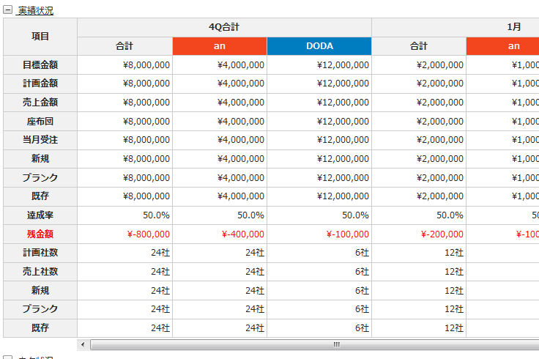 change 4Q合計 to 4Q and move the row to to of 売上実績 table like below image \MOCK-UP\INPUT\HTML_TEMPLATE\ux\T100 can be sample -----added----- set double border for the under border of 4Q row. | Enomoto | Long | Fixed | complete
 | 320 | K101 | K101.html |  |  | UI/UX | use the color below for "an" and "DODA" \MOCK-UP\INPUT\HTML_TEMPLATE\ux\T100 can be sample | Enomoto | Long | Fixed | complete
 | 321 | K101 | K101.html |  |  | UI/UX | adjust the vertical align of the right end of the tables. 売上実績 table's width is little wider now. --- added --- narrow the table width at right side. It is little wider now.. | Enomoto | Long | Fixed | complete
 | 322 | K101 | K101.html |  |  | UI/UX | use red color for minus money like below | Enomoto | Long | Fixed | complete
 | 323 | K101 | K101.html |  |  | UI/UX | adjust the table height. \MOCK-UP\INPUT\HTML_TEMPLATE\ux\T100 can be sample some tables are much too height. | Enomoto | Long | Fixed | complete
 | 324 | K101 | K101.html |  |  | UI/UX | need to show […] like below for コメント of bottom table like below ---added--- set the class "sampleOverFlow" for コメント see 活動詳細メモ at T100 as a sample. and do not display by putting [...], set the above class and use long textline instead. | Enomoto | Long | Fixed | complete
 | 325 | K103 | K103.html |  |  | UI/UX | take off both 必須 icon. | Enomoto | Thi Nguyen | Fixed | complete
 | 326 | K107 | K107.html |  |  | UI/UX | 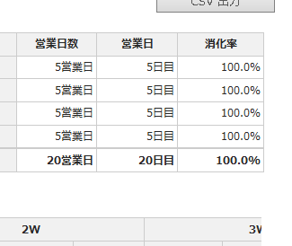 Adjust the width of 売上実績 area. To be the same vertical align for the end of table. The same like K108 ---added--- also change the table layout like below ---2014.4.23 miyagi added--- | Enomoto | Long | Fixed | complete
 | 327 | K107 | K107.html |  |  | UI/UX | adjust the table height. \MOCK-UP\INPUT\HTML_TEMPLATE\ux\T100 can be sample some tables are much too height. | Enomoto | Long | Fixed | complete
 | 328 | K107 | K107.html |  |  | UI/UX | move 検索 and 検索条件クリア buttons to center align. | Enomoto | Long | Fixed | complete
 | 329 | K107 | K107.html |  |  | UI/UX | change text "CSV出力" to "CSVｴｸｽﾎﾟｰﾄ". | Enomoto | Long | Fixed | complete
 | 330 | K107 | K107.html |  |  | UI/UX | use double border under 合計 row like below | Enomoto | Long | Fixed | complete
 | 331 | K108 | K108.html |  |  | UI/UX | delete link for <td> of "担当営業名" column | Enomoto |  |  | complete
 | 332 | H100 | H100.html |  |  | UI/UX | set the same width for two <th> comuns of 法人情報検索 table. | Enomoto | Long | Fixed | complete
 | 333 | H100 | H100.html |  |  | UI/UX | change text "Like検索" and "=検索" to "完全一致" and "部分一致". And select "完全一致" as default. ---added--- also move 検索方法 and 表示対象 contentes above the 検索 buttons like this image. And delete contens title "検索方法" and "表示対象" | Enomoto | Long | Fixed | complete
 | 334 | H100 | H100.html |  |  | UI/UX | take margin between buttons and the bottom table | Enomoto | Long | Fixed | complete
 | 335 | H200 | H200.html |  |  | UI/UX | change button text "法人クローズ・クローズ解除" to "法人クローズ・クローズ解除画面へ" and align right for this button. | Enomoto | Thi Nguyen | Fixed | complete
 | 336 | H200 | H200.html |  |  | UI/UX | delete 印刷 [button] | Enomoto | Thi Nguyen | Fixed | complete
 | 337 | H200 | H200.html |  |  | UI/UX | adjust the three tables width to be the same width for each. | Enomoto | Thi Nguyen | Fixed | complete
 | 338 | H200 | H200.html |  |  | UI/UX | change button text [新規登録] in 法人担当者一覧 content to [法人担当者登録画面へ] | Enomoto | Thi Nguyen | Fixed | complete
 | 339 | H200 | H200.html |  |  | UI/UX | change [法人紐付 追加登録] to [法人紐付追加登録画面へ] | Enomoto | Thi Nguyen | Fixed | complete
 | 340 | H200 | H200.html |  |  | UI/UX | change [法人紐付 変更画面] to [法人紐付変更画面へ] | Enomoto | Thi Nguyen | Fixed | complete
 | 341 | H200 | H200.html |  |  | UI/UX | left align for <td> of the bottom table [備考] | Enomoto | Thi Nguyen | Fixed | complete
 | 342 | H200 | H200.html |  |  | UI/UX | take a little magin for H3 | Enomoto | Thi Nguyen | As discussed with Enomoto san, we skip this | complete
 | 343 | H201 | H201.html |  |  | UI/UX | delete dashed border at アクション内容 | Enomoto | Anh Tran | Fixed | complete
 | 344 | H201 | H201.html |  |  | UI/UX | change [登録] to [登録する]. | Enomoto | Anh Tran | Fixed | complete
 | 345 | H201 | H201.html |  |  | UI/UX | use dark grey table for the first table. | Enomoto | Anh Tran | Fixed | complete
 | 346 | H201 | H201.html |  |  | UI/UX | add contents, check the latest screen document | Enomoto | Anh Tran | Fixed | complete
 | 347 | H203 | H203.html |  |  | UI/UX | set shorter width for dark grey table. As the th size shoude be the same. | Enomoto | Giang | Fixed | complete
 | 348 | H203 | H203.html |  |  | UI/UX | change [保存] to [保存する]. | Enomoto | Giang | Fixed | complete
 | 349 | H204 | H204.html |  |  | UI/UX | change [登録] to [登録する]. | Enomoto | Long | Fixed | complete
 | 350 | H204 | H204.html |  |  | UI/UX | do like about the center align for contents "その他"\INPUT\HTML_TEMPLATE\ux\N100_GroNavi_None.html --- added --- do the samething to C100, C102, C103, C104, C105, C106, C107 | Enomoto | Long Anh Tran | Fixed <Quynh Anh> Fixed C100, C107 <Anh Tran> Fixed C104 Giang fixed C105 Long fixed C106 | complete
 | 351 | H204 | H204.html |  |  | UI/UX | delete place holder for all textbox at 紐付顧客検索 content. | Enomoto | Long | Fixed | complete
 | 352 | H204 | H204.html |  |  | UI/UX | set appropriate whidth for <th>. 80px is the basic width add by 5px if you need. | Enomoto | Long | Fixed | complete
 | 353 | H204 | H204.html |  |  | UI/UX | use small button for 担当営業選択 | Enomoto | Long | Fixed | complete
 | 354 | H205 | H205.html |  |  | UI/UX | change [登録] to [登録する]. | Enomoto | Quynh Anh | Fixed | complete
 | 355 | H205 | H205.html |  |  | UI/UX | move to center and put them like below | Enomoto | Quynh Anh | Fixed | complete
 | 356 | H205 | H205.html |  |  | UI/UX | delete place holder for all textbox at 紐付顧客検索 content. | Enomoto | Quynh Anh | Fixed | complete
 | 357 | H305 | H305.html |  |  | UI/UX | Please change to the thick line --- added --- not fixed yet. | Miyagi | Long | Fixed | complete
 | 358 | H305 | H305.html |  |  | UI/UX | Please change the background color of the table | Miyagi | Long | Fixed | complete
 | 359 | H302 | H302.html |  |  |  | Please change the wording of the button ex:住所設定 | Miyagi | Giang | Fixed | complete
 | 360 | H302 | H302.html |  |  |  | Please change the text box. | Miyagi | Giang | Fixed | complete
 | 361 | H301 | H301.html |  |  | UI/UX | Please narrow the width of the table, 法人情報 and 法人担当者 基本情報 | Miyagi | Anh Tran | Fixed | complete
 | 362 | H300 | H300.html |  |  | UI/UX | Please narrow the width of the table, 法人担当者一覧 and 法人担当者検索 | Miyagi | Thi Nguyen | Fixed | complete
 | 363 | C100 | C100.html |  |  |  | Please fix the wording ex:顧客名 | Miyagi | Quynh Anh | Fixed | complete
 | 364 | C211 | C211.html |  |  | Tokyo review | Please delete character '選択' | Miyagi | Thi Nguyen | Fixed | complete
 | 365 | C211 | C211.html |  |  | Tokyo review | Please change character 'インテ 太郎' | Miyagi | Thi Nguyen | Fixed | complete
 | 366 | C211 | C211.html |  |  | Tokyo review | 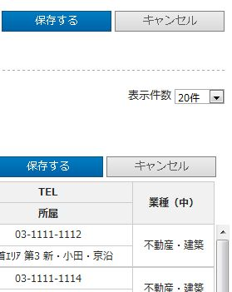 Please correct the position to match this line | Miyagi | Thi Nguyen | Fixed | complete
 | 367 | C216 | C216.html |  |  | Tokyo review | For checkbox in table, put checkbox in column title instead of using [全選択] or [全解除] buttons. Which means delete [全選択], [全解除] buttons like below | Enomoto | Long | Fixed | complete
 | 368 | C216 | C216.html |  |  | Tokyo review | use small button for both 顧客選択 | Enomoto | Long | Fixed | complete
 | 369 | K100 | K100.html |  |  | UI/UX | 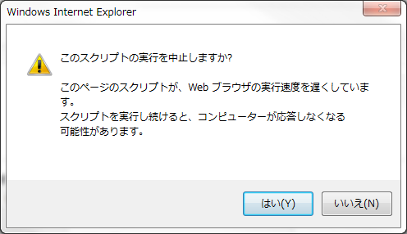 it takes long time to display. And sometims, the warning window showup. Please confirm if it happens in your environment. | Enomoto | Giang | It's happen before, but now don't happen. I think that reason : have many placeholder ... I would suggest you to run the fixit available at the following link: Fix Internet Explorer issues to make IE fast, safe and stable http://support.microsoft.com/mats/ie_performance_and_safety/en-us | complete
 | 370 | K100 | K100.html |  |  | UI/UX | set shorter width for 担当営業名 table | Enomoto | Giang | Fixed | complete
 | 371 | K100 | K100.html |  |  | UI/UX | 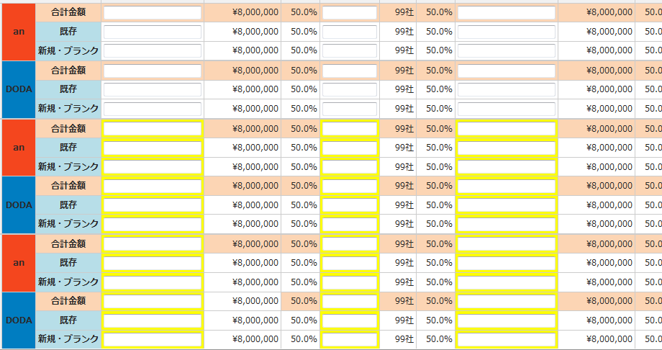 use thick line like this | Enomoto | Giang | Fixed | complete
 | 372 | K100 | K100.html |  |  | UI/UX | by IE9 some table show two horizon scroll bar. Please check in your environment. | Enomoto | Giang | I don't see it in my enviroment, but I also fixed it by narrow table width & auto roll is none | complete
 | 373 | K100 | K100.html |  |  | UI/UX | use double border under 合計金額 row like below | Enomoto | Giang | Fixed | complete
 | 374 | K100 | K100.html |  |  | UI/UX | use color like T100 | Enomoto | Giang | Fixed | complete
 | 375 | C100 | C100.html |  |  | UI/UX | set full width of the cell for [見込化], [ネタ入力], [非表示] buttons. They need to be the same width each other. | Enomoto | Quynh Anh | Fixed | complete
 | 376 | C100, C102, C103, C104, C105, C106, C107 |  |  |  | UI/UX | move 法人検索 table under 顧客情報検索 table. 業種・顧客ランク検索 , 顧客ステータス条件 tables are also to be the same vertical line of 顧客情報検索 table. --- added --- How about C106? Thi Nguyen : Long san is fixing C106 | Enomoto |  | Giang fixed C105 <Anh Tran> fixed C104 Quynh Anh Fixed C100, C107 Thi Nguyen Fixed C102, C103 <Anh Tran> Fixed C106 | complete
 | 377 | C100, C102, C103, C104, C105, C106, C107 |  |  |  | UI/UX | move to center and put them like below --- added --- How about C106? Thi Nguyen : Long san is fixing C106 | Enomoto | Anh Tran | Thi Nguyen fixed C102, C103 Giang fixed C105 <Anh Tran> fixed C104 Quynh Anh Fixed C100, C107 [Long Nguyen] fixed C106 | complete
 | 378 | C100, C107 | C100.html C107.html |  |  | UI/UX | Please change to thick line like below at 顧客一覧 table. | Enomoto | Quynh Anh | Fixed | complete
 | 379 | C100, C102, C103, C104, C105, C106, C107 |  |  |  | UI/UX | does not need place holder for searching area --- added --- How about C106? Thi Nguyen : Long san is fixing C106 | Enomoto | Anh Tran | Thi Nguyen fixed C102, C103 Giang : Fixed C105 <Anh Tran> Fixed 104 Quynh Anh Fixed C100, C107 | complete
 | 380 | C100 | C100.html |  |  | UI/UX | set link for the item for 最終接触日 and 次回接触日 in bottom table | Enomoto | Quynh Anh | Fixed | complete
 | 381 | C103 | C103.html |  |  | UI/UX | set wider width for result table. ---added--- to set the same vertical line of table and button. → | Enomoto | Thi Nguyen | Fixed on 22-April | complete
 | 382 | C102, C103, |  |  |  | UI/UX | delete link for 業種（中） in result table | Enomoto | Thi Nguyen | Fixed | complete
 | 383 | C100,C102 C103,C104 C105,C106 C107,C108 C300 |  |  |  | Tokyo review | Please place a check box in the table Please refer to the figure on the right --- added --- How about C106? Thi Nguyen : Long san is fixing C106 | Miyagi |  | Giang fixed : C105, C300 <Anh Tran> Fixed 104 Quynh Anh Fixed C100, C107 Thi Nguyen Fixed C102, C103 <Anh Tran> Fixed C106 | complete
 | 384 | T101 | T101.html |  |  |  | delete [日商計画画面へ] button | Enomoto | Quynh Anh | Fixed | complete
 | 385 | T101 | T101.html |  |  |  | set grey color for [編集画面へ] button | Enomoto | Quynh Anh | Fixed | complete
 | 386 | T101 | T101.html |  |  |  | 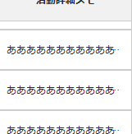 set a class "sampleOverflow" to <td> of "活動詳細コメント" and "コメント" and "お知らせ内容". To be like.. | Enomoto | Quynh Anh | Fixed | complete
 | 387 | T101 | T101.html |  |  |  | see a sample below and try to be similar to it about the layout. \MOCK-UP\INPUT\HTML_TEMPLATE\ux\T100.html | Enomoto | Quynh Anh | Fixed | complete
 | 388 | T101 | T101.html |  |  |  | change grouping to H3 for "本日の接触予定一覧" and "本日の提案・クロージング 売上・ネタ一覧". | Enomoto | Quynh Anh | Fixed | complete
 | 389 | T101 | T101.html |  |  |  | use dark grey table for the first table. And delete the link. | Enomoto | Quynh Anh | Fixed | complete
 | 390 | C217.html |  |  |  | Tokyo review | Please change the wording csvエクスポート→CSVﾀﾞｳﾝﾛｰﾄﾞ In addition,Run grep, please correct the wording of all Ex:エクスポート→ｱｯﾌﾟﾛｰﾄﾞ Ex:インポート→ﾀﾞｳﾝﾛｰﾄﾞ | Miyagi | Thi Nguyen | Fixed. (fixed in last week) | complete
 | 391 | C300.html |  |  |  | Tokyo review | Horizontal scrolling of the table was displayed double in IE9, please fix | Miyagi | Giang | Fixed base on the email from Miyagi-san on Fri 04/18/2014 1:23 PM | complete
 | 392 | L100.html |  |  |  | Tokyo review | Please correct the Documents item. Please refer to the \INPUT\SCREEN_DOCUMENT 01_画面定義_ログイン_共通ver.1.1.xlsx --- added --- set link for all item, not only [初めに]. at Documens content, do the same setting to ohtere scrrn. And | Miyagi | Anh Tran | Fixed | complete
 | 393 | T100.html |  |  |  | Tokyo review | Please correct the wording of the following Ex:クォーター→四半期 In addition,Run grep, please correct the wording of all | Miyagi | Enomoto | Fixed | complete
 | 394 | K100.html |  |  |  | Tokyo review | Please change the radio button from the check box of the ’検索結果’ table display If there is a screen similar fixes please | Miyagi | Giang | Fixed base on the email from Miyagi-san on Fri 04/18/2014 1:23 PM | complete
 | 395 | K100.html |  |  |  | Tokyo review | Please correct to open always grouping of the table | Miyagi | Giang | Fixed base on the email from Miyagi-san on Fri 04/18/2014 1:23 PM | complete
 | 396 | K105.html |  |  |  | Tokyo review | Please be placed to the left the '削除' button. Please add the ’キャンセル’ button in the space that was occupied by the '削除' button | Miyagi | Anh Tran | Fixed | complete
 | 397 | K103.html |  |  |  | Tokyo review | Please change the wording of the Q of the items in the pull-down ex: Q → 四半期 | Miyagi | Quynh Anh | Fixed | complete
 | 398 | K103.html |  |  |  | Tokyo review | Please change to follow this wording ex:他の月・Q 集計画面選択 →他のQ集計画面選択 | Miyagi | Quynh Anh | Fixed | complete
 | 399 | K103.html |  |  |  | Tokyo review | Please delete any ’’必須 icon. | Miyagi | - | Someone fixed | complete
 | 400 | C107.html |  |  |  | Tokyo review | Please change the link from button that is placed in the table ex:見込化 ネタ入力 | Miyagi | Quynh Anh | Fixed | complete
 | 401 | K111.html |  |  |  | Tokyo review | Please delete textbox | Miyagi | Giang | Fixed | complete
 | 402 | N103 | N103.html |  |  | Tokyo review | When you press the button, please close the window bottonName:利用フラグの変更を保存 | Miyagi | Anh Tran | Fixed | complete
 | 403 | N104 | N104.html |  |  | Tokyo review | Please separate the table is '更新日' and Please change as shown in the figure background color | Miyagi | Giang | Fixed | complete
 | 404 | H100 | H100.html |  |  | Tokyo review | Please remove the setting of the placeholder in this screen | Miyagi | Long | Fixed | complete
 | 405 | H100 | H100.html |  |  | Tokyo review | Please narrow the width of the table of the '法人情報検索' | Miyagi | Long | Fixed | complete
 | 406 | H100 | H100.html |  |  | Tokyo review | Please change the pull-down from text box of '都道府県' | Miyagi | Long | Fixed | complete
 | 407 | H200 | H200.html |  |  | Tokyo review | Please fix Left-aligns the characters in the table of '法人ステータス情報' and '法人基本情報'. | Miyagi | Thi Nguyen | Fixed | complete
 | 408 | K100 to K108 |  |  |  | Tokyo review | make serching area completly the same for K100 to K108 you can copy the source and css from K107 to other screens | Miyagi | VN team | Giang fixed : K100 Quynh Anh fixed: K108 Thi Nguyen fixed : K104 Long Nguyen fixed K101 (K107 was fixed by JP team) | complete
 | 409 | C400 | C400.html |  |  | Tokyo review | change column header "フラグ名称（編集可能）" to "フラグ名称" | Enomoto | Giang | Fixed | complete
 | 410 | C400 | C400.html |  |  | Tokyo review | change textbox to label for all columns of "フラグ名称" and "開始日" and "終了日" | Enomoto | Giang | Fixed | complete
 | 411 | C400 | C400.html |  |  | Tokyo review | set transition for 編集 to link to C401.html | Enomoto | Giang | Fixed | complete
 | 412 | C401 | C401.html |  |  | Tokyo review | narrow the width for the first table to be the same width of textbox | Enomoto | Long | Fixed | complete
 | 413 | C401 | C401.html |  |  | Tokyo review | narrow the width for the second table. This width can be different from the first table | Enomoto | Long | Fixed | complete
 | 414 | C500 | C500.html |  |  | Tokyo review | narrow the width of 項目 column. | Enomoto | Quynh Anh | Fixed | complete
 | 415 | M500 | M500.html |  |  | Tokyo review | open for all grouping as default. This screen is kind a exception from the rule. | Enomoto | Quynh Anh | Fixed | complete
 | 416 | M501 | M501.html |  |  | Tokyo review | change h2 "顧客一覧 CSV出力画面" to "統括部門選択画面". Because screen doc is wrong about it. | Enomoto | Quynh Anh | Fixed | complete
 | 417 | M600 | M600.html |  |  | Tokyo review | add folder-select-content to 取込 area. You can take it from L300. It will be like below. | Enomoto | Giang | Fixed | complete
 | 418 | M600 | M600.html |  |  | Tokyo review | delete [更新] button. But leave [エラー詳細] though. | Enomoto | Giang | Fixed | complete
 | 419 | T103 | T103.html |  |  | Tokyo review | change the name of [削除] button to [削除する]. And move only [削除する] button to left side of the page at the same line. | Enomoto | Quynh Anh | Fixed | complete
 | 420 | K101 | K101.html |  |  |  | make them the same space for the bottom margin of each open/close title. | Enomoto | Long | Enomoto-san said that, ignore it | complete
 | 421 | K101 | K101.html |  |  |  | 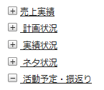 adjust the vertical align of the start position of the title. | Enomoto | Long | Fixed | complete
 | 422 | L100 | L100.html |  |  |  | please put borders in the table | Miyagi | Anh Tran | Fixed | complete
 | 423 | L100 | L100.html |  |  |  | 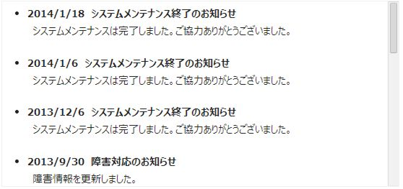 please put Borders in the table and put height scrollbar | Miyagi | Anh Tran | Fixed | complete
 | 424 | H200.html | H200.html |  |  | Tokyo review | Please change the radio button from check box in the table '顧客一覧' | Miyagi | Thi Nguyen | Fixed | complete
 | 425 | H200.html | H200.html |  |  | Tokyo review | Please fix the Left-align the characters in the table of '法人基本情報' and '法人ステータス情報' | Miyagi | Thi Nguyen | Fixed | complete
 | 426 | H200.html | H200.html |  |  | Tokyo review | Please enable button | Miyagi | Thi Nguyen | Fixed | complete
 | 427 | H201.html | H201.html |  |  | Tokyo review | 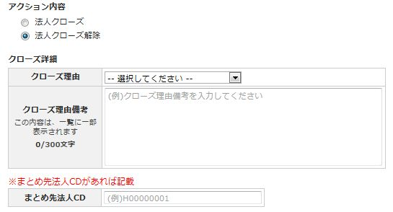 Please do the same as the C212 | Miyagi | Anh Tran | Fixed | complete
 | 428 | H202.html | H202.html |  |  | Tokyo review | Please put this wording below the button ex:※ALADDINへ法人登録依頼をする場合は、サポート宛てに 内容を「印刷」ボタンで印刷して渡すか、「メール」にて内容を送信してください。 | Miyagi | Anh Tran | Fixed | complete
Please change the background color of the table
 | 429 | H301.html | H301.html |  |  | Tokyo review | Please rearranged as follows table | Miyagi | Anh Tran | Fixed | complete
textbox
‐
textbox
 | 430 | H302.html C205.html | H302.html C205.html |  |  | Tokyo review | Please be divided into two text box | Miyagi | Anh Tran | Giang fixed : H302 <Anh Tran> Fixed C205 | complete
 | 431 | H204 | H204.html |  |  | Tokyo review | Please change the pull-down list Please do also fixed the same screen at the other screen | Miyagi | Long | Thi-san said that not change it for now | complete
 | 432 | C100.html C102.html C103.html C104.html C105.html C106.html C107.html | C100.html C102.html C103.html C104.html C105.html C106.html C107.html |  |  | Tokyo review | Please change the background color to blue two buttons | Miyagi | Quynh Anh | Fixed Giang fixed : C105 Long fixed C106 | complete
 | 433 | C100.html C103.html | C100.html C103.html |  |  | Tokyo review | Please place as follows: the placement of the button | Miyagi | Quynh Anh | Fixed | complete
 | 434 | C100.html | C100.html |  |  | Tokyo review | Please correct to be able to transition in a separate tab '見込化 and 'ネタ入力' ex:<a target="blank"> | Miyagi | Quynh Anh | Fixed | complete
 | 435 | C100.html C107.html C103.html C104.html | C100.html C107.html C103.html C104.html |  |  | Tokyo review | 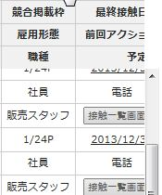 Please correct the width of the table. | Miyagi | VN team | <Anh Tran> Fixed C104 <Quynh Anh> Fixed C100, C107 <Thi Nguyen> Fixed C103, C02 | complete
 | 436 | C104 C105 C106 C103 | C104.html C105.html C106.html C103.html |  |  | Tokyo review | Please correct in the same way as C100.html --- added --- 非表示 button is needed. Add extra row for each row and unite row span to make a cell for 非表示 button like below. C103 is OK cuz the screen has three rows.. | Miyagi | VN team | Giang fixed : C105 <Anh Tran> Fixed C104 <Thi Nguyen> Fixed C103, C02 | complete
Please fix the bold character
 | 437 | C105.html C106.html | C105.html C106.html |  |  | Tokyo review | Please remove the background color of the table | Miyagi | VN team | Giang fixed : C105 Long fixed C106 | complete
 | 438 | C106.html | C106.html |  |  | Tokyo review | Please correct the placement of the table Please be the same as the C104.html | Miyagi | Long | Fixed | complete
 | 439 | C106.html | C106.html |  |  | Tokyo review | Please be the same as the C104.html | Miyagi | - | Someone fixed it | complete
 | 440 | C106.html | C106.html |  |  | Tokyo review | Please correct the wording ex:顧客一覧（月個社計画） | Miyagi | Long | Fixed | complete
 | 441 | C106.html | C106.html |  |  | Tokyo review | Please correct all the bold title of the table | Miyagi | Long | Fixed | complete
 | 442 | C106.html | C106.html |  |  | Tokyo review | Please remove the pull-down of this item Please correct screen also similar | Miyagi | Long | Fixed | complete
 | 443 | C106.html | C106.html |  |  | Tokyo review |  Add a column to the data table, please put a horizontal scroll ex:5W | Miyagi | Long | Fixed | complete
 | 444 | C107.html | C107.html |  |  | Tokyo review | Please correct the bold | Miyagi | - | Someone fixed | complete
 | 445 | C200.html | C200.html |  |  | Tokyo review | Please correct in the same way as '自社・競合実績（アルバイト・パート領域情報）' grouping. | Miyagi | Thi Nguyen | Fixed | complete
 | 446 | C200.html | C200.html |  |  | Tokyo review | 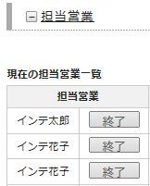 Please replace the item | Miyagi | Thi Nguyen | Fixed | complete
 | 447 | C200.html | C200.html |  |  | Tokyo review | Please fix to 100% the width of the text area of the '備考' | Miyagi | Thi Nguyen | Fixed | complete
 | 448 | C214 | C214.html |  |  | Tokyo review | Please fix the text box and set this as placeholders ex:(例)2014/03 (例)2014/12 | Miyagi | Quynh Anh | Fixed | complete
 | 449 | T103 | T103.html |  |  |  | Please fix left-aligned character of the table and fix screen also similar | Miyagi | Quynh Anh | Fixed for T103, H203 Thi Nguyen : after discussed with Enomoto san, we fixed as following rule : th is center alignment, td is left alignment. Pages had been fixed : C203, C212, C213, T103, H100, H201, H202, H203, H204, H205, H300, H301, H302,H305, K100, K101, K104, K107, K108, N101, T100, T101, T103 | complete
 | 450 | C214 | C214.html |  |  |  | Please place in the center '検索' and '条件クリア' button | Miyagi |  | <Quynh Anh> Fixed C214 | complete
 | 451 | C104 | C104.html |  |  |  | Please change the character Please fix also other screens this fix ex:顧客検索 | Miyagi | Anh Tran | Fixed C100 to C107 | complete
 | 452 | C211 | C211.html |  |  |  | Please fix the position of the table | Miyagi | Anh Tran | Fixed | complete
 | 453 | C200 | C200.html |  |  |  | Please fix left-aligned character of the table | Miyagi | Thi Nguyen | Fixed | complete
 | 454 | C214 | C214.html |  |  |  | Please fix Left-aligns the characters in the table of '自社実績詳細検索' and '自社実績詳細一覧' | Miyagi | Quynh Anh | Fixed | complete
 | 455 | C201 | C201.html |  |  |  | 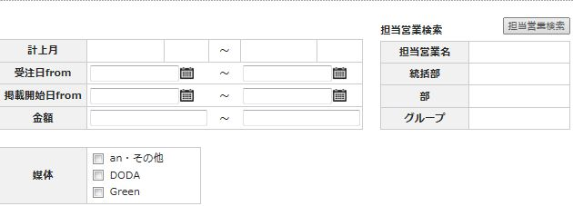 Content is opened in check on Content is closed in check off | Miyagi | Long | Fixed | complete
 | 456 | C210 C213 H201 H305 | C210.html C213.html H201.html H305.html |  |  |  | Please fix the bold deficit | Miyagi | VN team | <Anh Tran> Fixed C210, H201 Long Nguyen fixed: C213, H305 | complete
 | 457 | C208 | C208.html |  |  |  | Please fix Left-aligns the characters in Table | Miyagi | Giang | Fixed | complete
 | 458 | C208 | C208.html |  |  |  | Please change the character ex:新規担当者を追加 | Miyagi | Giang | Fixed | complete
 | 459 | C211 | C211.html |  |  |  | Please fix the wording of the html title ex:クレーム情報登録・変更 | Miyagi | Anh Tran | Fixed | complete
 | 460 | C200 | C200.html |  |  |  | Please remove the tab of '商談' Please fix also other screens this fix | Miyagi | Thi Nguyen | Fixed C107, C106, C105, C104, C103, C102, C100, C200, | complete
 | 461 | C209 | C209.html |  |  |  | Please change the character ex:既存担当者を終了 | Miyagi | Giang | Fixed | complete
 | 462 | K101 | K101.html |  |  |  | Please remove the '詳細表示' | Miyagi | Long | Fixed | complete
 | 463 | N100 | N100.html |  |  |  | Please fix the wording ex:計上週 | Miyagi | Thi Nguyen | Fixed | complete
 | 464 | N100 | N100.html |  |  |  | Table has broken in IE9 | Miyagi | Thi Nguyen | Fixed | complete
 | 465 | H200 | H200.html |  |  |  | Please fix the wording of the table 自社・競合売上実績（アルバイト・パート領域情報） | Miyagi | Thi Nguyen | Fixed | complete
textbox
textbox
 | 466 | C202 | C202.html |  |  |  | Please add the items in the '郵便番号' | Miyagi | Quynh Anh | Fixed | complete
 | 467 | C103 | C103.html |  |  |  | unite the cells like below → | Enomoto | Thi Nguyen | Fixed | complete
 | 468 | M500 | M500.html |  |  | customer review | clear default select for the radio button "人事". Default select is not needed for this screen. | Enomoto | Anh Tran | Fixed | complete
 | 469 | M600 | M600.html |  |  | customer review | delete all red text on right side of this screen. | Enomoto | Giang | Fixed | complete
 | 470 | L300 | L300.html |  |  | customer review | delete 閉じる on top-right side of this screen. | Enomoto | Giang | Fixed | complete
 | 471 | L300 | L300.html |  |  | customer review | set wider width for text box. | Enomoto | Giang | Fixed | complete
 | 472 | T101,C200, H200,K100, K101,K104, K107,K108, |  |  |  | customer review | 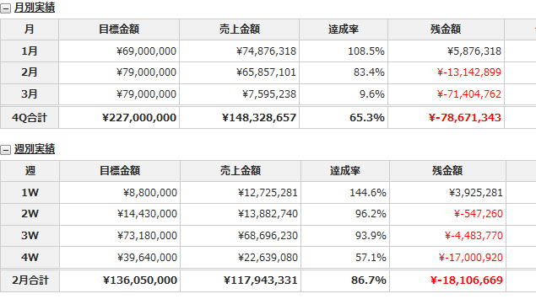 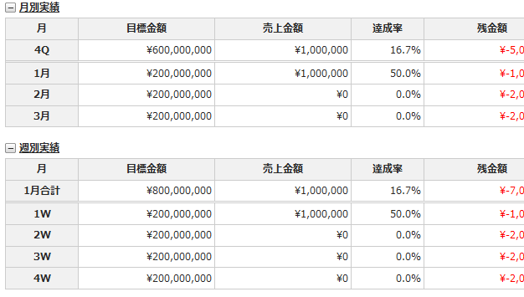 move "合計" row to top of the item row. And delete bold. Set double border for the row. Not thick border. T100 can be the sample of this. Set double border and erase bold for 実績状況 and ネタ状況 too. | Enomoto | VN team | Giang fixed : K100 Quynh Anh fixed T101, K108 Thi Nguyen fixed : K107 Thi Nguyen comment : As discussed with Enomoto san, skip C200, H200 | complete
 | 473 | T101,K107, K108, |  |  |  | customer review | use light blue button for 実績情報 table and ネタ状況 table like below. The light blue color is used on T100. | Enomoto | VN team | <Quynh Anh> Fixed T101, K108 Long fixed: K107 | complete
 | 474 | K101 | K101.html |  |  | customer review | 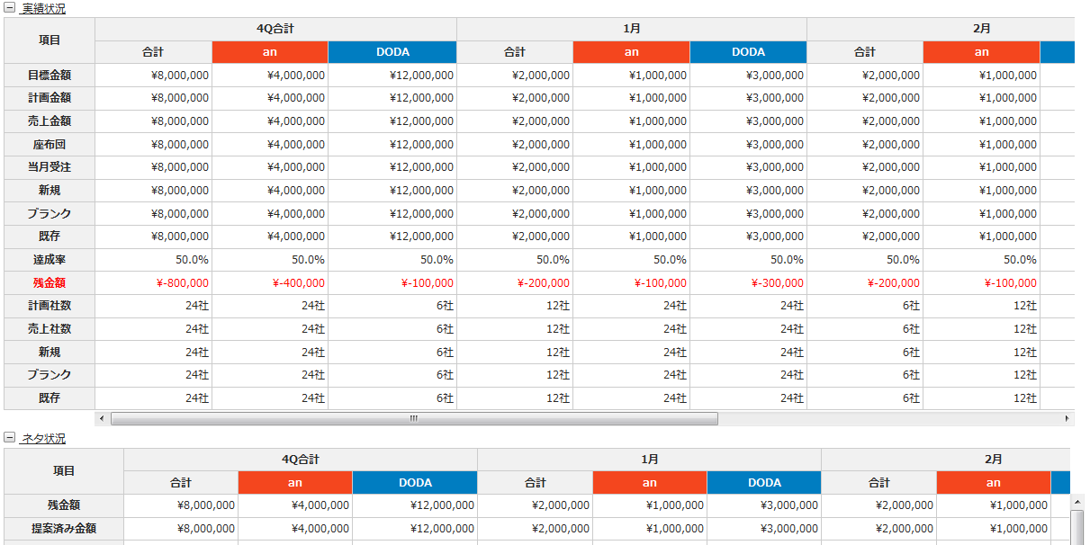 set the same color as T100 | Enomoto | Long | Fixed | complete
 | 475 | C400.html N103.html | C400.html N103.html |  |  | customer review | Please delete any dialog | Miyagi | VN team | Giang fixed : C400 <Anh Tran> Fixed N103 | complete
 | 476 | C100.html C102.html C103.html C104.html C105.html C106.html C107.html H204.html N102.html | C100.html C102.html C103.html C104.html C105.html C106.html C107.html H204.html N102.html |  |  | customer review | Please change the pull-down list '業種中分類' and '顧客ランク' | Miyagi | VN team | Giang fixed: C105 Long fixed: C106, H204 <Anh Tran> Fixed C104 Quynh Anh fixed: C100, C107 Thi Nguyen fixed : C102, C103, N102 | complete
 | 477 | C400.html | C400.html |  |  | customer review | Please adjust the width to match the number of characters '統括部別 利用選択項目' | Miyagi | Giang | Fixed Make for more width for the ['統括部別 利用選択] columns | complete
 | 478 | all |  |  |  | customer review | * you can skip if the screen doesn’t have table like below similar to No.472 If there is quarter row and with 1月 or 2月… like that. The quarter row need to be above of the month like below. And with double border under the row. | Enomoto |  |  | complete
 | 479 | C107 | C107.html |  |  | Tokyo Review | delete the link at bottom table | Enomoto | Quynh Anh |  | complete
 | 480 | C400 and other which have same problem | C400.html |  |  | Tokyo Review | when mouse over the common header "顧客管理", the list is hidden under the the item. Fix if other screen has same problem. | Enomoto | VN team | Giang fixed:C400 by changed common.css | complete
 | 481 | C400 | C400.html |  |  | Tokyo Review | narrow the width of [No] [開始日] [終了予定日] [更新日] column | Enomoto | Giang | Fixed | complete
 | 482 | C401 | C401.html |  |  | Tokyo Review | delete the [No] row from the table. | Enomoto | Long | Fixed | complete
 | 483 | C214 | C214.html |  |  | Tokyo Review | set wider width for 媒体 table to be the same row for an・その他, DODA, Green | Enomoto | Long | Fixed | complete
 | 484 | C214 | C214.html |  |  | Tokyo Review | change the row header text [受注日from] to [受注日] and [掲載開始日from] to [掲載開始日] | Enomoto | Long | Fixed | complete
 | 485 | C214 | C214.html |  |  | Tokyo Review | move the text "～" at the first table not to make extra space between date-picker icon and the text. to | Enomoto | Giang | Fixed | complete
 | 486 | N100 | N100.html |  |  | Tokyo Review | some column at the bottom table can be narrowed like フラグ1, フラグ2... | Enomoto | Giang | Fixed | complete
 | 487 | C201 | C201.html |  |  | Tokyo Review | move the radio button into the 顧客ステータス row of the 顧客情報 table. Then delete the text 登録するステータスを選択 | Enomoto | Quynh Anh | Fixed | complete
 | 488 | K101 | K101.html |  |  | Tokyo Review | set the same color as K100 | Enomoto | Thi Nguyen | Fixed | complete
 | 489 | K100 K101 | K100.html K101.html |  |  | customer review | set inner open/close function for 計画状況, 売上状況, ネタ状況 | Enomoto |  | Giang fixed: K100 Long fixed K101 | Fixed
 | 490 | K100 K101 K104 K107 K108 | K100.html K101.html K104.html K107.html K108.html |  |  | customer review | move the place of 表示期間 table and tab content under the 検索 button. To be the alike layout of C***. | Enomoto | VN team | Giang fixed K100 Long fixed K101, K107 Quynh Anh fixed K108 Thi Nguyen fixed K104 | complete
 | 491 | K100 K101 K104 K107 K108 | K100.html K101.html K104.html K107.html K108.html |  |  | customer review | change the name of tabl [他の月・Q] to [他の年度・Q]. | Enomoto | VN team | Giang fixed : K100 Long fixed K101, K107 Quynh Anh fixed K108 Thi Nguyen fixed K104 | complete
 | 492 | H200 | H200.html |  |  | customer review | narrow the width of [No] and [選択] column. | Enomoto | Thi Nguyen | Fixed | complete
 | 493 | H200 | H200.html |  |  | customer review | change the column header text [法人担当] to [法人担当クローズ] at 法人担当者一覧 table | Enomoto | Thi Nguyen | Fixed | complete
 | 494 | H204 | H204.html |  |  | customer review | change tha value of [CRM用顧客ID] to [CC00000000] and and of [APOLLO ID] to [0000000] on bottom table, | Enomoto | Thi Nguyen | Fixed | complete
 | 495 | H302 | H302.html |  |  | customer review | change the button name [変更・クローズ] to [登録する・クローズする] | Enomoto | Giang | Fixed | complete
 | 496 | H302 | H302.html |  |  | customer review | the layout of C202.html, when you click [住所設定] button, is collapsed. Please adjust the layout | Enomoto | Anh Tran | Fixed on C202.html | complete
 | 497 | N102 | N102.html |  |  | customer review | change checkbox on bottom table to radio button | Enomoto | Thi Nguyen | Fixed | complete
 | 498 | N102 | N102.html |  |  | customer review | narrow the width of column which can be narrowed. | Enomoto | Thi Nguyen | Fixed | complete
 | 499 | T101 | T101.html |  |  | customer review | change the text "首都圏エリア第1営業部 合計" to just "合計" For 実績状況 table and ネタ状況 table. | Enomoto | Anh Tran | Fixed | complete
 | 500 | T101 | T101.html |  |  | customer review | set the sample data on screen doc for グループ column of 実績状況 and ネタ状況. | Enomoto | Anh Tran | Fixed | complete
delete this row
 | 501 | T100 T101 | T100.html T101.html |  |  | customer review | delete the 提案ステータス and ヨミ column from the [本日の提案・クロージング 売上・ネタ] table | Enomoto | Anh Tran | Fixed | complete
delete these sell
 | 502 | T100 T101 | T100.html T101.html |  |  | customer review | delete theコピー｜削除 cell from the 本日の提案・クロージング 売上・ネタ table to be like below. And put the cells together to avoid blank cell. | Enomoto | Anh Tran | Fixed | complete
 | 503 | K111 | K111.html |  |  | customer review | change some dropdown on the table to dropdown which is not able to use. You pick up any dropdown at random. | Enomoto | Giang | Fixed | complete
 | 504 | K111 | K111.html |  |  | customer review | change some dropdown on the table to dropdown which contains just -- as select option. You pick up any dropdown at random. | Enomoto | Giang | Fixed | complete
 | 505 | H100 | H100.html |  |  | customer review | change 表示件数 layout like other screen to | Enomoto | Long | Fixed | complete
 | 506 | H200 | H200.html |  |  | customer review | 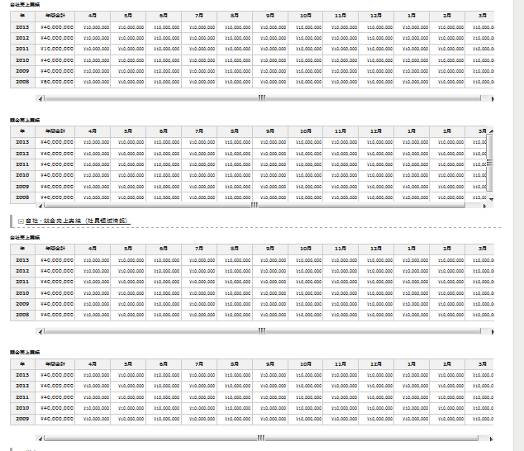 by IE9 some table show two horizon scroll bar. Please check in your environment. --- added --- I see some horizontal scroll by IE8. could you adjust width not to show it? Because the scroll moves just little. | Enomoto | Thi Nguyen | Fixed in 2nd | complete
 | 507 | H200 | H200.html |  |  | customer review | change the link of 顧客名 at 顧客一覧 table to C200.html. Now to N102 after to C200 | Enomoto | Thi Nguyen | Fixed | complete
 | 508 | H301 | H301.html |  |  | customer review | change the button name [全権表示] to [法人担当者 紐付顧客変更画面へ] | Enomoto | Anh Tran | Fixed | complete
 | 509 | C100 C102 C103 C104 C105 C106 C107 C201 C203 C300 H204 N102 |  |  |  | customer review | for the textbox of 顧客CD, add a character "C" on left side of the textbox. And max length reduce for 1 character. Now to be this is just a sample. "\" will be "C" for this fix. And you don't need to worry about placeholder about this. | Enomoto | VN team | Fixed | complete
 | 510 | screens which have textbox of CRM用顧客 ID |  |  |  |  | do the above fix for textbox of CRM用顧客 ID. The character is "CC" and reduce 2 for maxlength. | Enomoto | VN team | Fixed | complete
 | 511 | screens which have textbox of 法人CD |  |  |  |  | do the above fix for textbox of 法人CD. The character is "H" and reduce 1 for maxlength. | Enomoto | VN team | Fixed | complete
 | 512 | screens which have textbox of CRM用法人 ID |  |  |  |  | do the above fix for textbox of CRM用法人 ID. The character is "HC" and reduce 2 for maxlength. | Enomoto | VN team | Fixed | complete
 | 513 | C200 | C200.html |  |  |  | use vertical scroll for 訪問先住所一覧 and put some sample like C216. --- added --- please do the same fix to クレーム一覧 | Enomoto | Thi Nguyen | Fixed in 2nd | complete
 | 514 | C200 | C200.html |  |  |  | Add grey [ALログイン] button to the right next to [AL登録準備] of 顧客基本情報 table. | Enomoto | Thi Nguyen | Fixed | complete
 | 515 | T101 K107 | T101.html K107.html |  |  |  | make the width of [営業部] and [グループ] column flexible at 実績状況 and ネタ状況 table not to make new line for long value-length. now --- added --- could you confirm to fix without sampleOverFlow? I mean if the value is long, the column will be wider, and other column will slide. | Enomoto | VN team | <Anh Tran> Fixed T101 <Anh Tran> Fixed. Not using SampleOverFlow. Please help to take it.
 | 516 | C401 | C401.html |  |  |  | delete the red text ※変更可能なのは、管理者のみ | Enomoto | Long | Fixed | complete
 | 517 | M500 | M500.html |  |  |  | change 年月 row of 目標 content to be like [計上月] on C214. but just text box is needed to be | Enomoto | Anh Tran | Fixed | complete
 | 518 | M500 | M500.html |  |  |  | delete the text 出力中／○○件出力完了しました。 | Enomoto | Anh Tran | Fixed | complete
 | 519 | C211 | C211.html |  |  |  | Set the text of place holder to the value of the textare. | Enomoto | Anh Tran | Fixed | complete
 | 520 | C211 | C211.html |  |  |  | Delete the these three buttons [削除する], [保存する], [キャンセル] above the table. Just leave the buttons at bottom. | Enomoto | Anh Tran | Fixed | complete
 | 521 | C214 | C214.html |  |  |  | change the text "計上月" at the first table to "計上月・週". | Enomoto | Quynh Anh | Fixed | complete
 | 522 | All |  |  |  |  | try to narrow the width of the column which can be narrowed. | Enomoto | VN team | Giang fixed : Long fixed K101, C216
 | 523 | All |  |  |  |  | 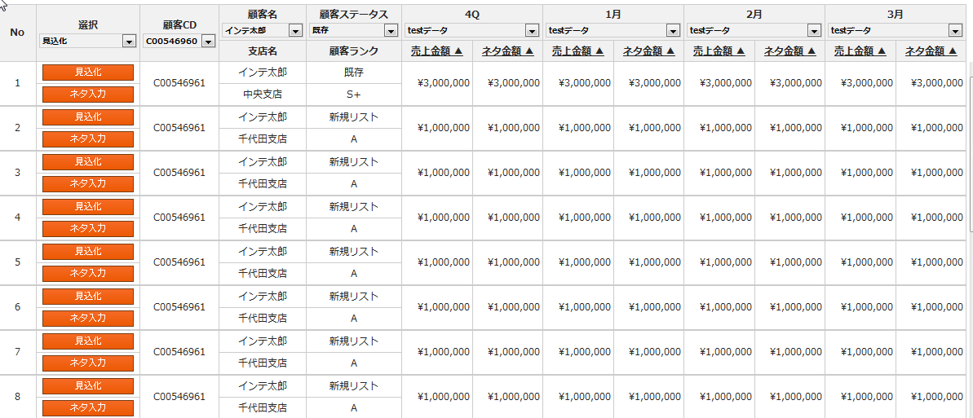 set thick vertical border to the column which has more than two columns in the one coluln. | Enomoto | VN team | Giang fixed : K100 Quynh Anh fixed : C107, K108, T101 <Anh Tran> Fixed N103 Thi Nguyen fixed : K104 Long fixed K101, K107
 | 524 | C104 | C104.html |  |  |  | narrow the space beside the "～" at 登録日 at 登録日検索 table. | Enomoto | Anh Tran | Fixed C100, C102, C103, C104, C105, C106 and C107
 | 525 | K*** which has tab content |  |  |  |  | set the same margin between first tabl and second tab contens. Tab for C** is ok. Set the same margin for K***. | Enomoto | VN team | <Quynh Anh> Fixed K101, K104, K107, K108
 | 526 | C*** | C104.html |  |  |  | changet text at tab contents "ｺｰﾙｾﾝﾀｰﾌﾟﾛｰﾁ" to "ｺｰﾙｾﾝﾀｰｱﾌﾟﾛｰﾁ" | Enomoto | VN team | <Anh Tran> Fixed C100, C102, C104, C106 and C107 <GiangDinh> Fixed : C105
 | 527 | C105 | C105.html |  |  |  | 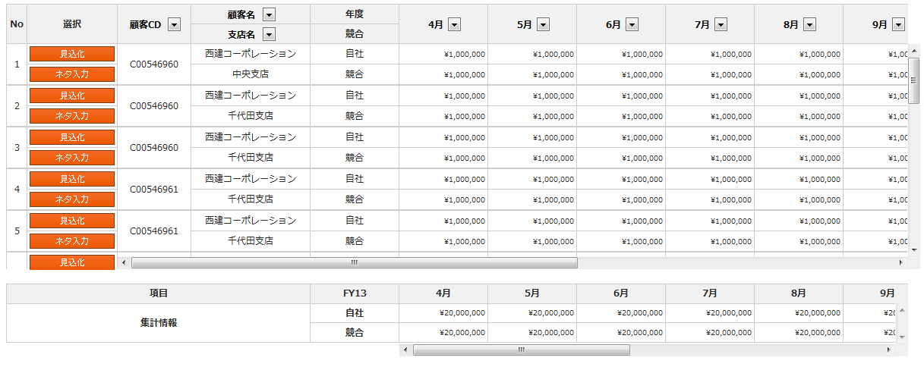 narrow the *月 columns of the these table. And adjust the width of bottom table to be the same width to above table. | Enomoto | Giang | Fixed
 | 528 | C105 | C105.html |  |  |  | ○顧客一覧の表の横スクロールは集計情報と合わせる。（※当画面での修正は対応済み、他画面未対応） set the same horizontal scroll of bottom table. | Enomoto | Giang | Fixed
 | 529 | C201 | C201.html |  |  |  | set dark grey <th> for [顧客ステータス], [顧客CD], [APPOLLO ID] on first table. | Enomoto | Long | Fixed
 | 530 | C201 | C201.html |  |  |  | change textbox of 業種（中）to dropdown. | Enomoto | Long | Fixed
 | 531 | C104 C105 C106 C107 | C104.html C105.html C106.html C107.html |  |  |  | set three buttons like C103 | Enomoto | VN team | Giang fixed : C105 <Anh Tran> Fixed C104 <Quynh Anh> Fixed C107 Long fixed C106 | Fixed
 | 532 | K107 | K107.html |  |  |  | change the layout of 売上実績状況 and ネタ状況 tables like at C108. | Enomoto | Long | Fixed
 | 533 | All screen which has 担当営業検索 table in searching area |  |  |  |  | use dropdown list for [統括部], [部], [グループ] in searching area. | Enomoto | VN team | Giang fixed : C105,K100 <Anh Tran> C104 <Quynh Anh> fixed C100, C102, C103, C106, C107, C214, C300, H204, K101, K108
 | 534 | All screen which has 担当営業検索 table in searching area |  |  |  |  | set the row-order of 担当営業検索 table to.. [グループ] [統括部] [部] [担当営業名] | Enomoto | VN team | Giang fixed : C105,K100 <Anh Tran> C104 <Quynh Anh> fixed C100, C102, C103, C106, C107, C214, C300, H204, K101, K108
 | 535 | C106 | C106.html |  |  |  | add column of [5W] as sample date for the bottom table. | Enomoto | Long | Fixed
 | 536 | C106 C107 | C106.html C107.html |  |  |  | set bold only for the text 集計情報 at bottom table. | Enomoto | VN team | Quynh Anh fixed for C107 Long fixed C106 | Fixed
 | 537 | C200 | C200.html |  |  |  | match the column width for 自社 table and 競合 table. You can match 最終売上担当営業 to 雇用形態 and 職種 to adjust. | Enomoto | Thi Nguyen | Fixed
 | 538 | C211 | C211.html |  |  |  | I want to hide H3 [同一法人ＣＤに紐づく顧客一覧] when I check off to the check box [同一法人ＣＤに紐づく顧客にもクレーム設定を行う。] | Enomoto | Anh Tran | Fixed
 | 539 | M600 | M600.html |  |  |  | I said to delete all red text on No.469. sorry, could you set them back again. They are needed now. | Enomoto | Giang | Fixed
 | 540 | M600 | M600.html |  |  |  | delete both text "取込完了/エラー " and both buttons "エラー詳細" you can also delete H3 of 更新 | Enomoto | Giang | Fixed
 | 541 | T103 | T103.html |  |  |  | delete the place holder | Enomoto | Thi Nguyen | Fixed
 | 542 | Y100 | Y100.html |  |  |  | set transition for 顧客選択 button to N102 as modal. | Enomoto | Anh Tran | Fixed
 | 543 | Y100 | Y100.html |  |  |  | use sampleOverflow for td of 件名 | Enomoto | Anh Tran | Checked and it had sampleOverflow already
 | 544 | Y100 | Y100.html |  |  |  | 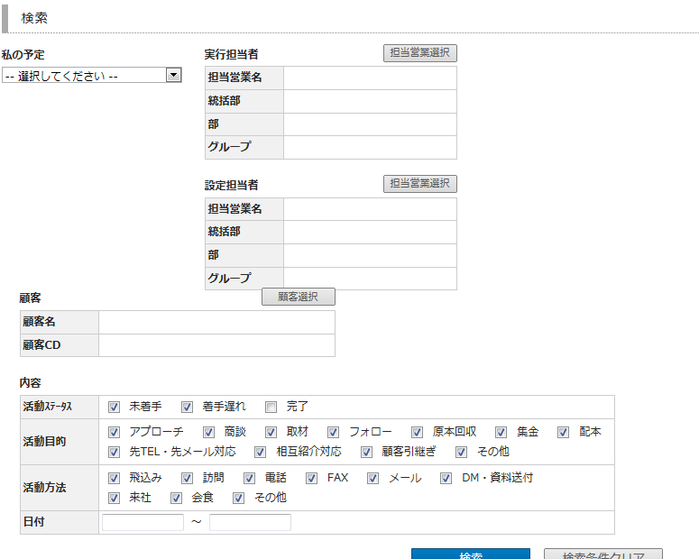 the layout of searching area colapses by IE9 IE8 IE9 | Enomoto | Anh Tran | Fixed
 | 545 | Y101 | Y101.html |  |  |  | could you set mailing function to both [予定を実行者にメール] buttons at the top and bottom of the screen | Enomoto | Thi Nguyen | Fixed
 | 546 | Y101 N100 C212 C216 | Y101.html N100.html C212.html C216.html |  |  |  | set transition for 顧客選択 button to N102 as modal. | Enomoto | VN team | <Anh Tran> Fixed N100, C212 Long fixed C216 (adjust popup width)
 | 547 | Y101 N100 | Y101.html N100.html |  |  |  | set modal message for clicking [削除する] button | Enomoto | VN team | <Anh Tran> Fixed N100
 | 548 | Y101 N100 N102 H204 C102 C103 C104 C105 C106 C107 C208 C214 C300 | Y101.html N100.html N102.html H204.html C102.html C103.html C104.thml C105.html C106.html C107.html C208.html C214.html C300.html |  |  |  | set transition for 担当営業検索 button to C207 as modal. | Enomoto | VN team | <Anh Tran> It seems that the button name is "担当営業選択", not 担当営業検索. Fixed N100, N102 (Fixed before), C104 Long fixed C106
 | 549 | H100 H201 | H100.html H201.html |  |  |  | use sampleOverflow for td of 顧客名 | Enomoto | VN team | Long: H100 doesnot have [ 顧客名] item <Anh Tran>. It looks like you are mentioning "法人名", not "顧客名" . I fixed H201
 | 550 | H200 | H200.html |  |  |  | set inner open/close function for 自社・競合売上実績（アルバイト・パート領域情報）, and 自社・競合売上実績（社員領域情報） on top of the year. | Enomoto
 | 551 | H200 | H200.html |  |  |  | add anchor for transition. | Enomoto
 | 552 | H205 | H205.html |  |  |  | use sampleOverflow for td of 法人名 | Enomoto
 | 553 | C100 C102 C103 C104 C105 C106 C107 | C100.html C102.html C103.html C104.html C105.html C106.html C107.html |  |  |  | set filtering and sorting. C105, C106, C107 are ok about filtering. | Enomoto
 | 554 | C100 | C100.html |  |  |  | set sampleOverFlow to 顧客名, 顧客名カナ, 顧客担当者名, 顧客担当者名カナ, 最終掲載媒体 | Enomoto
 | 555 | C102 | C102.html |  |  |  | set sampleOverFlow to 顧客名, 顧客名カナ, 顧客担当者名, 顧客担当者名カナ, 所属グループ | Enomoto
 | 556 | C103 | C103.html |  |  |  | set sampleOverFlow to 顧客名, 顧客名カナ, 顧客担当者名, 顧客担当者名カナ | Enomoto
 | 557 | C104 | C104.html |  |  |  | set sampleOverFlow to 所属グループ, 代理店名, 代理店営業名 | Enomoto
 | 558 | C105 C106 C107 | C105.html C106.html C107.html |  |  |  | set sampleOverFlow to 顧客名 | Enomoto | Long | Fixed
 | 559 | C201 | C201.html |  |  |  | Set place holder to the textbox which is not set such as 支店名 番地ビル 姓 名 セイ メイ. | Enomoto | Long | Fixed
 | 560 | C212 | C212.html |  |  |  | change the アクション内容 to the below * this is sample of 法人. The item of this will be 顧客クローズ and 顧客クローズ解除 | Enomoto
 | 561 | C300 | C300.html |  |  |  | set sampleOverFlow to [引継ぎ元 担当営業] [引継ぎ先 担当営業] [引継ぎ元 所属] [引継ぎ先 所属] [顧客名] [支店名] [顧客担当者名] [番地ビル] | Enomoto
 | 562 | C400 | C400.html |  |  |  | the layout is colapsed | Enomoto
 | 563
 | 564
 | 565
 | 566
 | 567
 | 568
 | 569
 | 570
 | 571
 | 572
 | 573
 | 574
 | 575
 | 576
 | 577
 | 578
 | 579
 | 580
 | 581
 | 582
 | 583
 | 584
 | 585

header fix
header for Home screen T100

Header for screen, after transit from Home - appropriate item is selected
- cannot click the system logo "システムロゴ"
- without login button

note: Y100 or N101_GroNavi_None.html can be sample of this fix

please enter your name to the item "name who fixed"

Screen ID | K100 | K101 | K103 | K104 | K105 | K107 | K108 | K111 | H100 | H200 | H201 | H202 | H203 | H204 | H205 | H300 | H301 | H302 | H305 | N102 | N103 | N104 | C100 | C102 | C103 | C104 | C105 | C106 | C107 | C200 | C201 | C202 | C203 | C205 | C206 | C207 | C208 | C209 | C210 | C211 | C212 | C213 | C214 | C216 | C217 | C300 | C301 | C400 | C401 | C500 | L300 | M500 | M600 | T103 | Y100 | Y101
selected item | 売上計画管理 | 売上計画管理 | 売上計画管理 | 売上計画管理 | 売上計画管理 | 売上計画管理 | 売上計画管理 | 売上計画管理 | 顧客管理 | 顧客管理 | 顧客管理 | 顧客管理 | 顧客管理 | 顧客管理 | 顧客管理 | 顧客管理 | 顧客管理 | 顧客管理 | 顧客管理 | 売上計画管理 | 売上計画管理 | 売上計画管理 | 顧客管理 | 顧客管理 | 顧客管理 | 顧客管理 | 顧客管理 | 顧客管理 | 顧客管理 | 顧客管理 | 顧客管理 | 顧客管理 | 顧客管理 | 顧客管理 | 顧客管理 | 顧客管理 | 顧客管理 | 顧客管理 | 顧客管理 | 顧客管理 | 顧客管理 | 顧客管理 | 顧客管理 | 顧客管理 | 顧客管理 | 顧客管理 | 顧客管理 | 顧客管理 | 顧客管理 | 顧客管理 | ﾀﾞｳﾝﾛｰﾄﾞ/ｱｯﾌﾟﾛｰﾄﾞ | ﾀﾞｳﾝﾛｰﾄﾞ/ｱｯﾌﾟﾛｰﾄﾞ | ﾀﾞｳﾝﾛｰﾄﾞ/ｱｯﾌﾟﾛｰﾄﾞ | nothing | アプローチ管理 | アプローチ管理
name who fixed |  |  |  |  |  |  |  |  |  |  |  |  |  |  |  |  |  |  |  |  |  |  |  |  |  |  |  |  |  |  |  |  |  |  |  |  |  |  |  |  |  |  |  |  |  |  |  |  |  |  |  |  |  |  | Enomoto | Enomoto

