Sheet1
Coding Development
※This file will be update timely in base of requirements, before read this document, first make SVN update.

Requirement of Coding Development

Firstly, refer to the following files
１）Sample Template written in English (Excel File)
2) Sample Template(html files)(filepath : doc\20.要件定義\10.UI改善\50.成果物\20.モック\mock\UIparts\template)(trunk\doc\20.要件定義\10.UI改善\50.成果物\20.モック\mock)
3) Installation Guidelines (filepath :doc\92.offshore\000_Management\01_kickoff\04_Operation)
4) UI/UX Guidelines
5) Rules and Regulations of coding

5) Rules and Regulation of coding

Related Project : DodaAssistRWeb
Related Folder:View

1. Form Naming

 | - This project using MVC control and that have so much form type for C# coding. Please decide among the 4 types of forms for given task.
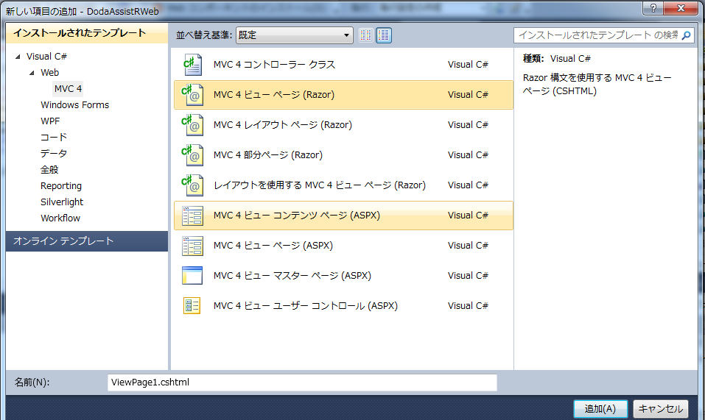

1

2

3

4

1
 | - Each form have the Screen ID, when we given to the offshore. Temporaly, that SCREEN_ID will be the Form name(e.g., C000001.cshtml)

 | - Each form have the related Folder under the View Folder. Firstly, need to be create folder in View Folder.
 |  |  |  | - View
 |  |  |  |  | - C000001
 |  |  |  |  |  | - C000001.cshtml

2
 | - If using common layout parts, please do firstly the common parts

 |  | Give name the following rule (_'FORM_NAME'_Layout_NO.cshtml)
 |  |  | _C000001_Layout_1.cshtml

3
 | - If using partial page type, the following is the rule for it.

 |  | (_'FORM_NAME'_Partial_NO.cshtml)

4
 | - If using using layout view page type, rule will be ('FORM_NAME'.cshtml) , the same as 1

2. Control Naming

 | - When we give specification file to offshore, each and evey form control has ID. That ID will be the control name.

 | e.g | ID : 201-1 => Control Name : 201_1

3. JavaScript and CSS File Creating Rule

- First stage of mock development is not need as much as java script and this project already have the common java script.
Please use the existing javascript file and don't add new javascript file freely. If surely require, add the javascript file and also add the comment when reviewing that Form Design Stage.

 | Java Script file add under the 'JSScripts' foler and Java Script File Nameing Format is ( 'FORM_NAME'.js)

- CSS files are siturated at under 'Css' folder and all common css class and controls are there. But if require espeically in each form, give ('FORM_NAME'.css)

- We need unity in CSS file, so, when finished one person who add common.cs file for form design, please share CSS file information to other as possible.

4. Menu Link Page
- To test your development web site, firstly add the link in Views\System\Desktop.cshtml file to go to your website. It is the main test link menu form.

Related Project : DodaAssistRWeb
Related Folder:Controllers

5. Controller

- Each form must have one controller, and name of the controller is same as the form name. (e.g., 'C000001Controller.cs') it makes under the Controllers folder.
In that class file, make ActionResult function is given the same FormName as function.

6. Picture File Path

- Logo, and icon picture are located in /doc/20.要件定義/10.UI改善/50.成果物/20.モック/mock/img file.

- All icon and image have name. If you add new icon, give the name of icon according rule. ('icon_CONTROL_ICONNAME.png') And all are .png file format.
 | e.g., icon_btn_show.png

 | The detail of icon image naming rule will be in other file. Please refer IconRules.xlsx file

7. Views Model Creating

Related Project : DodaAssistRService
Related Folder: ViewModels

1) Create New cs file for each screen under ViewModels folder . Please give name as (e.g., C000001ViewModel.cs)

*** Please refer DesktopViewModel.cs file. In creating UI, only GlobalNavigationViewModel is required.

