Executive Summary
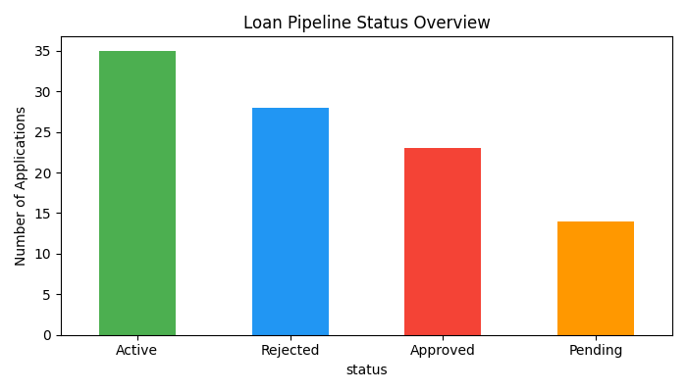
Metric | Value
Total Portfolio Value | $5,218,466.00
Number of Active Loans | 35
Loans Approved This Month | 23
Average Loan Size | $139,881.59

