Test Steps
Test Case: Add a new contact with name John Doe and phone 1234567890
Started: 2026-03-12 00:15:56 | Model: GUI-Owl-7B | Status: COMPLETED
Step | Agent | Thought | Plan / Action | Description | Outcome | Screenshot (Before) | Screenshot (After) | Timestamp

1 | Manager | To add a new contact named John Doe with the phone number 1234567890, I need to first open the Contacts app. Since it's not visible on the home screen, I'll access the app drawer by swiping up from the bottom of the screen. Once in the app drawer, I will locate and tap on the Contacts app icon to open it. After opening the Contacts app, I will follow the steps to create a new contact by tapping the '+' button, entering the name and phone number, and saving the information. | 1. Swipe up from the bottom of the screen to open the app drawer. 2. Locate and tap on the Contacts app icon to open it. 3. Tap the '+' button to start creating a new contact. 4. Enter 'John Doe' in the 'Name' field. 5. Enter '1234567890' in the 'Phone' field. 6. Tap 'Save' to store the new contact. 7. Perform the `answer` action. | No completed subgoal. | Planning |  |  | 00:16:05
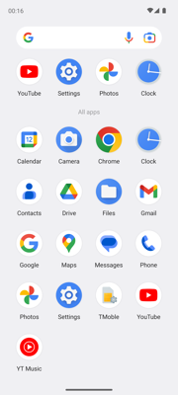
1 | Executor | To add a new contact, I need to first open the Contacts app. Since it's not visible on the home screen, I should swipe up from the bottom of the screen to access the app drawer where all apps are listed. | {"action": "swipe", "coordinate": [546, 1780], "coordinate2": [546, 739]} | Swipe up from the bottom of the screen. | A - Success |  |  | 00:16:27
2 | Manager | The app drawer is open, and the Contacts app icon is visible. The next step in the plan is to tap on the Contacts app icon to open it. This aligns with the current state of the screen where the Contacts app is accessible. | 1. Tap on the Contacts app icon to open it. 2. Tap the '+' button to start creating a new contact. 3. Enter 'John Doe' in the 'Name' field. 4. Enter '1234567890' in the 'Phone' field. 5. Tap 'Save' to store the new contact. 6. Perform the `answer` action. | - Swipe up from the bottom of the screen to open the app drawer. | Planning |  |  | 00:16:32
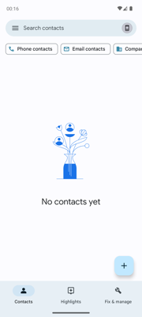
2 | Executor | To achieve the current subgoal, I need to open the Contacts app. The Contacts app icon is visible on the screen, so my next step should be to tap on it to proceed with adding a new contact. | {"action": "click", "coordinate": [178, 1190]} | Tap on the Contacts app icon. | A - Success |  |  | 00:16:42
3 | Manager | The Contacts app is now open, and the next step is to create a new contact. The '+' button at the bottom right corner of the screen is visible and should be tapped to proceed with adding a new contact. | 1. Tap the '+' button to start creating a new contact. 2. Enter 'John Doe' in the 'Name' field. 3. Enter '1234567890' in the 'Phone' field. 4. Tap 'Save' to store the new contact. 5. Perform the `answer` action. | - Swipe up from the bottom of the screen to open the app drawer. - Tap on the Contacts app icon to open it. | Planning |  |  | 00:16:47
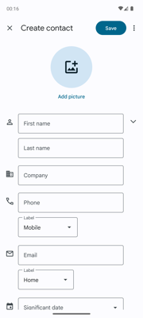
3 | Executor | To add a new contact, I need to tap the '+' button which is typically used for creating new entries. This aligns with the current subgoal of starting the process of adding a new contact. | {"action": "click", "coordinate": [954, 2016]} | Tap the '+' button. | A - Success |  |  | 00:16:56
4 | Manager | The previous action successfully opened the new contact creation screen. The next step is to enter 'John Doe' in the 'First name' field as per the plan. This aligns with the goal of adding a new contact with the specified details. | 1. Enter 'John Doe' in the 'First name' field. 2. Enter '1234567890' in the 'Phone' field. 3. Tap 'Save' to store the new contact. 4. Perform the `answer` action. | Swipe up from the bottom of the screen to open the app drawer, tap on the Contacts app icon, then tap the '+' button to start creating a new contact. | Planning |  |  | 00:17:00
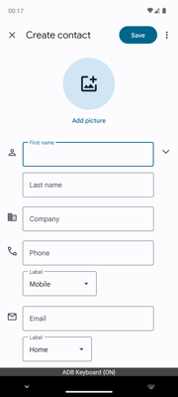
4 | Executor | The current subgoal is to enter 'John Doe' in the 'First name' field. The screenshot shows that the 'First name' input box is visible and ready for text entry. Therefore, the next logical step is to click on the 'First name' field to activate it so that I can type the name. | {"action": "click", "coordinate": [348, 935]} | Click on the 'First name' field. | A - Success |  |  | 00:17:09
5 | Manager | The 'First name' field is currently active, and the keyboard is ready for input. The next logical step is to enter the first name 'John' into this field as per the plan. Once this is done, I will proceed with entering the last name and phone number. | 1. Enter 'John' in the 'First name' field. 2. Tap on the 'Last name' field and enter 'Doe'. 3. Tap on the 'Phone' field and enter '1234567890'. 4. Tap 'Save' to store the new contact. 5. Perform the `answer` action. | Swipe up from the bottom of the screen to open the app drawer, tap on the Contacts app icon, then tap the '+' button to start creating a new contact and click on the 'First name' field. | Planning |  |  | 00:17:14

5 | Executor | The 'First name' field is already activated, and the keyboard is visible. The next step is to type 'John' into this field as per the user's request. | {"action": "type", "text": "John"} | Type 'John' into the currently active 'First name' field. | A - Success |  |  | 00:17:23
6 | Manager | The 'First name' field has been successfully filled with 'John'. The next step is to enter the last name 'Doe' in the 'Last name' field. After that, I will proceed to fill in the phone number and save the contact. | 1. Tap on the 'Last name' field and enter 'Doe'. 2. Tap on the 'Phone' field and enter '1234567890'. 3. Tap 'Save' to store the new contact. 4. Perform the `answer` action. | Swipe up from the bottom of the screen to open the app drawer, tap on the Contacts app icon, then tap the '+' button to start creating a new contact, and enter 'John' in the 'First name' field. | Planning |  |  | 00:17:28
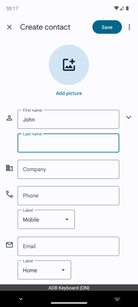
6 | Executor | The next step in the process is to enter the last name 'Doe' into the 'Last name' field. The current screenshot shows that the 'First name' field has been filled with 'John', and now I need to focus on the 'Last name' field. Since the keyboard is active, I can directly type the last name. | {"action": "click", "coordinate": [348, 1120]} | Tap on the 'Last name' field. | A - Success |  |  | 00:17:37
7 | Manager | The 'Last name' field is currently active, and the next step is to enter 'Doe'. The plan should be updated to reflect this action. After entering the last name, I will proceed to fill in the phone number. | 1. Enter 'Doe' in the 'Last name' field. 2. Tap on the 'Phone' field and enter '1234567890'. 3. Tap 'Save' to store the new contact. 4. Perform the `answer` action. | Swipe up from the bottom of the screen to open the app drawer, tap on the Contacts app icon, then tap the '+' button to start creating a new contact, enter 'John' in the 'First name' field, and tap on the 'Last name' field. | Planning |  |  | 00:17:42

7 | Executor | The current subgoal is to enter 'Doe' in the 'Last name' field. The screenshot shows that the 'Last name' field is already selected and ready for input, so the next logical step is to type 'Doe' into this field. | {"action": "type", "text": "Doe"} | Type 'Doe' into the currently active 'Last name' field. | A - Success |  |  | 00:17:51
8 | Manager | The 'Last name' field has been successfully filled with 'Doe'. The next step is to enter the phone number '1234567890' in the 'Phone' field. After entering the phone number, I will save the contact. | 1. Tap on the 'Phone' field and enter '1234567890'. 2. Tap 'Save' to store the new contact. 3. Perform the `answer` action. | Swipe up from the bottom of the screen to open the app drawer, tap on the Contacts app icon, then tap the '+' button to start creating a new contact. Enter 'John' in the 'First name' field, tap on the 'Last name' field, and type 'Doe'. | Planning |  |  | 00:17:56
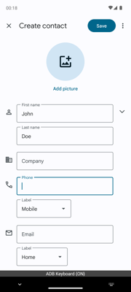
8 | Executor | The next step is to enter the phone number for the contact. The 'Phone' field is visible and ready for input, so I should click on it to activate it for typing. | {"action": "click", "coordinate": [348, 1529]} | Click on the 'Phone' field. | A - Success |  |  | 00:18:05
9 | Manager | The 'Phone' field is currently active, and the next step is to enter the phone number '1234567890'. The plan should focus on completing this action before saving the contact. | 1. Enter '1234567890' into the 'Phone' field. 2. Tap 'Save' to store the new contact. 3. Perform the `answer` action. | Swipe up from the bottom of the screen to open the app drawer, tap on the Contacts app icon, then tap the '+' button to start creating a new contact. Enter 'John' in the 'First name' field, 'Doe' in the 'Last name' field, and click on the 'Phone' field. | Planning |  |  | 00:18:10
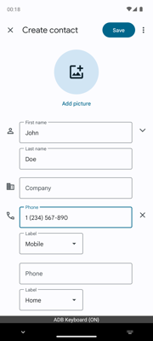
9 | Executor | The 'Phone' field is currently active, and the keyboard is ready for input. The next logical step is to type the phone number '1234567890' into this field as per the user's request. | {"action": "type", "text": "1234567890"} | Type '1234567890' into the currently active 'Phone' field. | A - Success |  |  | 00:18:19
10 | Manager | The phone number has been entered correctly as '1 (234) 567-890'. The next logical step is to save the new contact by tapping the 'Save' button. Once saved, the task will be complete, and I can perform the `answer` action. | 1. Tap 'Save' to store the new contact. 2. Perform the `answer` action. | Swipe up from the bottom of the screen to open the app drawer, tap on the Contacts app icon, then tap the '+' button to start creating a new contact. Enter 'John' in the 'First name' field, 'Doe' in the 'Last name' field, and type '1234567890' into the 'Phone' field. | Planning |  |  | 00:18:24
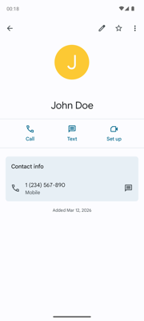
10 | Executor | The user's request is to add a new contact with the name "John Doe" and the phone number "1234567890". The necessary information has been entered into the appropriate fields. The next logical step is to save this new contact by tapping the 'Save' button, which is located at the top right corner of the screen. | {"action": "click", "coordinate": [849, 207]} | Tap the 'Save' button. | A - Success |  |  | 00:18:34
11 | Manager | The contact 'John Doe' has been successfully added with the correct phone number. The screenshot confirms that all fields are filled out correctly, and the contact is saved. Therefore, the user's request has been fully completed. | Finished | Swipe up from the bottom of the screen to open the app drawer, tap on the Contacts app icon, then tap the '+' button to start creating a new contact. Enter 'John' in the 'First name' field, 'Doe' in the 'Last name' field, type '1234567890' into the 'Phone' field, and tap 'Save' to store the new cont | Planning |  |  | 00:18:38
11 | System | Task completed | Finished | Add a new contact with name John Doe and phone 1234567890 | Finished |  |  | 00:18:39
FINAL STATUS: COMPLETED | Total Steps: 22 | Ended: 2026-03-12 00:18:39

