COVER
 |  |  |  |  | 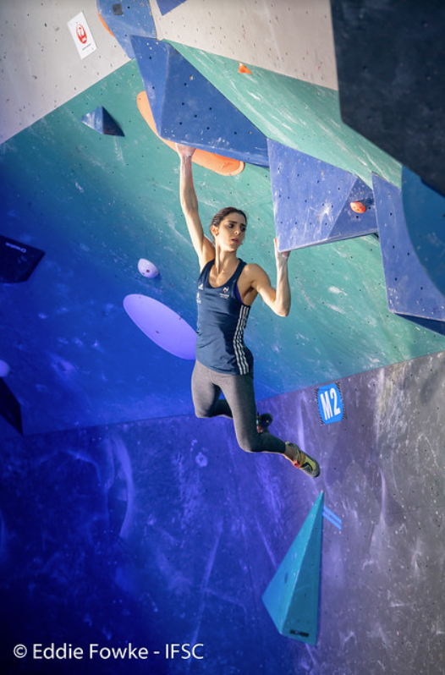
WOMEN'S BOULDERING |  |  |  | PROJECT PRESENTATION
CLIMBING WORLD CUPS 2016 - 2021

PROJECT | IFSC WORLD CUPS
The purpose of this project is to explore the data concerning the women's bouldering world cups of the last 5 years, the data used is from 2016 to 2021 and was scraped from the IFSC website. Furthermore, main aim of the project is to show the complete process of analysis. *The year of 2020 held no competitions by cause of the COVID pandemic.

The project was divided in the following phases:
I. Scrapping the raw data and cleaning (raw_data, clean_data and ultimately DATA sheet);
II. Widely analysing the data and concentrating the findings (ANALYSIS); and later working on the visualization (GRAPHS);
III. Summarizing main insights and findings of the analysis performed on a project presentation.

BOULDER | POWER, TECHNIQUE
An explosive performance on routes (problems) with a maximum height of 4 metres and safety mats below. The athlete who solves the most problems in the lowest number of attempts wins.

INFOS | Terms & Rules
Q: qualifications round |  | F: finals round | zone: scoring point
SF: semifinals round |  | top: end of the climbing route | att: attempt

For those unfamiliar with the rules and scoring system of bouldering they are displayed on the ANALYSIS sheet.

GRAPHS
VISUAL ANALYSIS
ATHLETES & COMPETITIONS | ATHLETES BY COUNTRY | COUNTRY HOSTS
Average athlete age
World cups per year

Host cities

Athlete success rate for winning a medal
Medals by Country
Medals by Athlete
MEDAL STATISTICS

Tops controlled in finals
Finals controlled tops 2021
Finals controlled tops 2019
Finals controlled tops 2018
ROUTE STATISTICS | CONTROLLED TOPS BY YEAR

Finals controlled tops 2017
Finals controlled tops 2016

Final routes difficulty by city
FINAL ROUTES DIFFICULTY BY CITY

