Jul
2020-07-01

SUNDAY | MONDAY | TUESDAY | WEDNESDAY | THURSDAY | FRIDAY | SATURDAY
2020-06-28 | 2020-06-29 | 2020-06-30 | 2020-07-01 | 2020-07-02 | 2020-07-03 | 2020-07-04
 |  |  |  |  | independence Day
2020-07-05 | 2020-07-06 | 2020-07-07 | 2020-07-08 | 2020-07-09 | 2020-07-10 | 2020-07-11
 |  |  |  |  |  | Club Meeting
2020-07-12 | 2020-07-13 | 2020-07-14 | 2020-07-15 | 2020-07-16 | 2020-07-17 | 2020-07-18
Control Line nats | Control Line nats Scale Flyig Electrons | Control Line nats | Control Line nats | Control Line nats | Control Line nats | Control Line nats Club meeting a teh field
2020-07-19 | 2020-07-20 | 2020-07-21 | 2020-07-22 | 2020-07-23 | 2020-07-24 | 2020-07-25


2020-07-26 | 2020-07-27 | 2020-07-28 | 2020-07-29 | 2020-07-30 | 2020-07-31 | 2020-08-01

2020-08-02 | 2020-08-03 | 2020-08-04 | 2020-08-05 | 2020-08-06 | 2020-08-07 | 2020-08-08

NOTES
Club Meeting Locatiom

Sep
2020-09-01

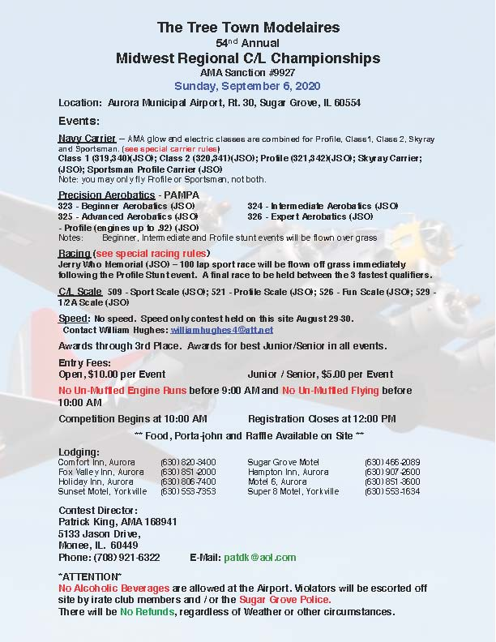
SUNDAY | MONDAY | TUESDAY | WEDNESDAY | THURSDAY | FRIDAY | SATURDAY
2020-08-30 | 2020-08-31 | 2020-09-01 | 2020-09-02 | 2020-09-03 | 2020-09-04 | 2020-09-05
 |  |  |  |  |  | Club Meeting
2020-09-06 | 2020-09-07 | 2020-09-08 | 2020-09-09 | 2020-09-10 | 2020-09-11 | 2020-09-12
Midwest champs tree town | Labor Day |  |  |  | EAA TBD
2020-09-13 | 2020-09-14 | 2020-09-15 | 2020-09-16 | 2020-09-17 | 2020-09-18 | 2020-09-19
 |  |  |  | EAA Sharon “Betty” Preszler and Kate “Jiga” Lowe Discuss Life in the United States Air Force |  | RC flying circus Beliot Broken Arrow Stunt scal St Louis
2020-09-20 | 2020-09-21 | 2020-09-22 | 2020-09-23 | 2020-09-24 | 2020-09-25 | 2020-09-26
Broken Arrow Stunt Scale |  | September Equinox |  | Speed World Cup St Louis | Speed World Cup St Louis | Speed Can MA cup St Louis
2020-09-27 | 2020-09-28 | 2020-09-29 | 2020-09-30 | 2020-10-01 | 2020-10-02 | 2020-10-03
Speed Can MA cup St Louis
2020-10-04 | 2020-10-05 | 2020-10-06 | 2020-10-07 | 2020-10-08 | 2020-10-09 | 2020-10-10

NOTES

