Sheet1
sorted_number | ballot | batch_label | which_ballot_in_batch | Location | County | Garfield
1 | 51 | 3 | 24 | Box 1 | # of ballots to audit | 361
2 | 66 | 3 | 39 | Box 1 | Contest | Garfield County Ballot Issue 1A
3 | 115 | 4 | 41 | Box 1 | # of candidates | 2
4 | 164 | 5 | 42 | Box 1 | Candidate 1 | Yes/For
5 | 186 | 6 | 14 | Box 1 | Candidate 2 | No/Against
6 | 242 | 7 | 30 | Box 1
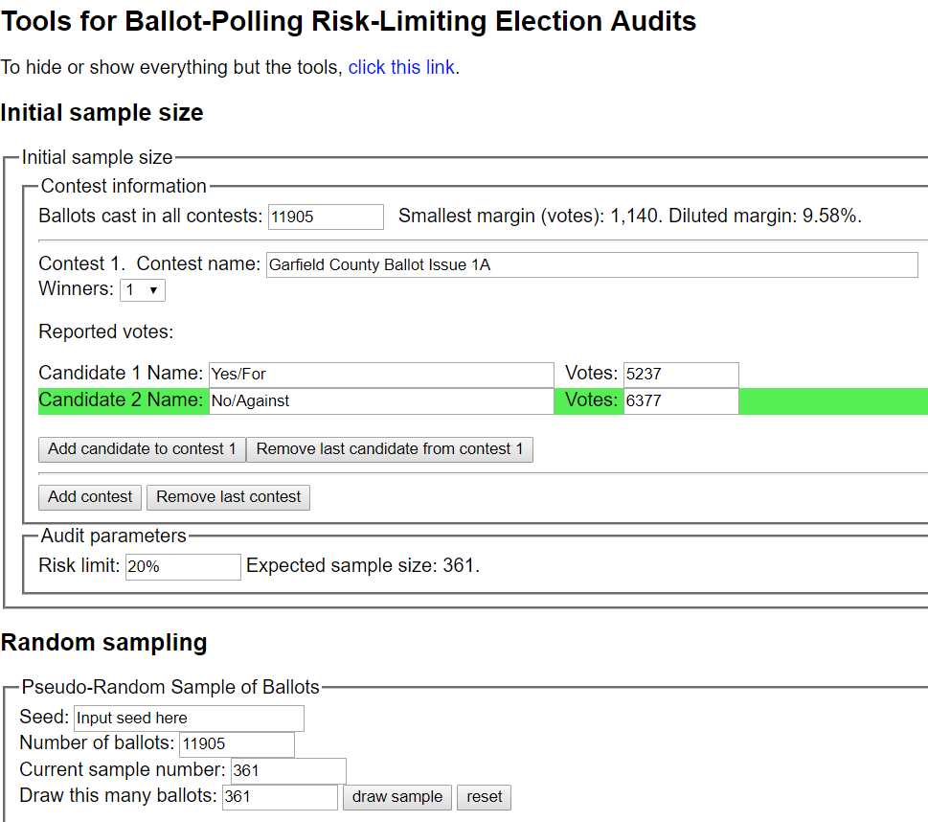
7 | 258 | 7 | 46 | Box 1
8 | 264 | 8 | 5 | Box 1
9 | 308 | 8 | 49 | Box 1
10 | 345 | 9 | 36 | Box 1
11 | 359 | 9 | 50 | Box 1
12 | 361 | 10 | 2 | Box 1
13 | 369 | 10 | 10 | Box 1
14 | 450 | 12 | 18 | Box 1
15 | 458 | 12 | 26 | Box 1
16 | 461 | 12 | 29 | Box 1
17 | 565 | 14 | 34 | Box 1
18 | 578 | 14 | 47 | Box 1
19 | 580 | 15 | 1 | Box 1
20 | 597 | 15 | 18 | Box 1
21 | 601 | 15 | 22 | Box 1
22 | 709 | 17 | 30 | Box 1
23 | 732 | 18 | 4 | Box 1
24 | 880 | 21 | 26 | Box 1
25 | 909 | 22 | 5 | Box 1
26 | 928 | 23 | 2 | Box 1
27 | 981 | 24 | 33 | Box 1
28 | 1001 | 25 | 3 | Box 1
29 | 1007 | 25 | 9 | Box 1
30 | 1107 | 27 | 44 | Box 1
31 | 1172 | 29 | 35 | Box 1
32 | 1173 | 29 | 36 | Box 1
33 | 1190 | 30 | 16 | Box 1
34 | 1196 | 30 | 22 | Box 1
35 | 1216 | 30 | 42 | Box 1
36 | 1283 | 32 | 9 | Box 1
37 | 1346 | 33 | 35 | Box 1
38 | 1394 | 34 | 19 | Box 2
39 | 1405 | 34 | 30 | Box 2
40 | 1433 | 35 | 9 | Box 2
41 | 1436 | 35 | 12 | Box 2
42 | 1482 | 36 | 10 | Box 2
43 | 1490 | 36 | 18 | Box 2
44 | 1492 | 36 | 20 | Box 2
45 | 1544 | 37 | 23 | Box 2
46 | 1547 | 37 | 26 | Box 2
47 | 1575 | 38 | 7 | Box 2
48 | 1606 | 38 | 38 | Box 2
49 | 1679 | 40 | 21 | Box 2
50 | 1685 | 40 | 27 | Box 2
51 | 1777 | 42 | 22 | Box 2
52 | 1799 | 42 | 44 | Box 2
53 | 1919 | 45 | 17 | Box 2
54 | 1941 | 45 | 39 | Box 2
55 | 1952 | 46 | 2 | Box 2
56 | 1982 | 46 | 32 | Box 2
57 | 2015 | 47 | 31 | Box 2
58 | 2157 | 50 | 44 | Box 2
59 | 2160 | 50 | 47 | Box 2
60 | 2194 | 51 | 32 | Box 2
61 | 2211 | 51 | 49 | Box 2
62 | 2255 | 52 | 44 | Box 2
63 | 2264 | 53 | 3 | Box 2
64 | 2272 | 53 | 11 | Box 2
65 | 2351 | 54 | 40 | Box 2
66 | 2351 | 54 | 40 | Box 2
67 | 2355 | 54 | 44 | Box 2
68 | 2370 | 55 | 9 | Box 2
69 | 2489 | 57 | 26 | Box 2
70 | 2518 | 59 | 4 | Box 2
71 | 2541 | 59 | 27 | Box 2
72 | 2565 | 60 | 14 | Box 2
73 | 2572 | 60 | 21 | Box 2
74 | 2616 | 61 | 15 | Box 2
75 | 2654 | 62 | 14 | Box 2
76 | 2667 | 62 | 27 | Box 2
77 | 2674 | 62 | 34 | Box 2
78 | 2695 | 63 | 3 | Box 2
79 | 2754 | 64 | 22 | Box 2
80 | 2771 | 64 | 39 | Box 2
81 | 2792 | 65 | 10 | Box 2
82 | 2826 | 66 | 28 | Box 3
83 | 2839 | 66 | 41 | Box 3
84 | 3030 | 70 | 34 | Box 3
85 | 3069 | 72 | 1 | Box 3
86 | 3100 | 73 | 3 | Box 3
87 | 3103 | 73 | 6 | Box 3
88 | 3114 | 73 | 17 | Box 3
89 | 3198 | 74 | 44 | Box 3
90 | 3205 | 75 | 3 | Box 3
91 | 3239 | 75 | 37 | Box 3
92 | 3284 | 77 | 12 | Box 3
93 | 3346 | 78 | 24 | Box 3
94 | 3474 | 81 | 25 | Box 3
95 | 3498 | 82 | 19 | Box 3
96 | 3532 | 83 | 14 | Box 3
97 | 3735 | 87 | 17 | Box 3
98 | 3737 | 87 | 19 | Box 3
99 | 3770 | 88 | 6 | Box 3
100 | 3790 | 88 | 26 | Box 3
101 | 3799 | 88 | 35 | Box 3
102 | 3880 | 90 | 36 | Box 3
103 | 3883 | 90 | 39 | Box 3
104 | 3897 | 91 | 3 | Box 3
105 | 3906 | 91 | 12 | Box 3
106 | 3952 | 92 | 31 | Box 3
107 | 3971 | 93 | 2 | Box 3
108 | 3977 | 93 | 8 | Box 3
109 | 4065 | 94 | 46 | Box 3
110 | 4088 | 95 | 21 | Box 3
111 | 4091 | 95 | 24 | Box 3
112 | 4153 | 96 | 36 | Box 4
113 | 4164 | 96 | 47 | Box 4
114 | 4172 | 97 | 5 | Box 4
115 | 4265 | 100 | 4 | Box 4
116 | 4367 | 101 | 56 | Box 4
117 | 4378 | 102 | 9 | Box 4
118 | 4403 | 102 | 34 | Box 4
119 | 4410 | 102 | 41 | Box 4
120 | 4417 | 103 | 1 | Box 4
121 | 4430 | 103 | 14 | Box 4
122 | 4478 | 104 | 42 | Box 4
123 | 4489 | 105 | 5 | Box 4
124 | 4503 | 105 | 19 | Box 4
125 | 4514 | 105 | 30 | Box 4
126 | 4562 | 107 | 10 | Box 4
127 | 4614 | 108 | 27 | Box 4
128 | 4654 | 110 | 17 | Box 4
129 | 4697 | 111 | 12 | Box 4
130 | 4745 | 112 | 13 | Box 4
131 | 4761 | 112 | 29 | Box 4
132 | 4765 | 113 | 1 | Box 4
133 | 4804 | 114 | 14 | Box 4
134 | 4837 | 114 | 47 | Box 4
135 | 4859 | 115 | 20 | Box 4
136 | 4885 | 116 | 18 | Box 4
137 | 4893 | 116 | 26 | Box 4
138 | 4931 | 118 | 13 | Box 4
139 | 4940 | 118 | 22 | Box 4
140 | 4958 | 118 | 40 | Box 4
141 | 4965 | 118 | 47 | Box 4
142 | 5016 | 119 | 50 | Box 4
143 | 5021 | 120 | 5 | Box 4
144 | 5031 | 120 | 15 | Box 4
145 | 5034 | 120 | 18 | Box 4
146 | 5073 | 121 | 27 | Box 4
147 | 5093 | 121 | 47 | Box 4
148 | 5094 | 121 | 48 | Box 4
149 | 5122 | 122 | 28 | Box 4
150 | 5166 | 123 | 22 | Box 4
151 | 5189 | 124 | 23 | Box 5
152 | 5189 | 124 | 23 | Box 5
153 | 5202 | 124 | 36 | Box 5
154 | 5227 | 125 | 15 | Box 5
155 | 5258 | 125 | 46 | Box 5
156 | 5376 | 129 | 27 | Box 5
157 | 5420 | 131 | 21 | Box 5
158 | 5456 | 132 | 7 | Box 5
159 | 5538 | 133 | 39 | Box 5
160 | 5555 | 134 | 13 | Box 5
161 | 5569 | 134 | 27 | Box 5
162 | 5592 | 135 | 1 | Box 5
163 | 5605 | 135 | 14 | Box 5
164 | 5636 | 135 | 45 | Box 5
165 | 5737 | 137 | 48 | Box 5
166 | 5783 | 138 | 42 | Box 5
167 | 5804 | 139 | 14 | Box 5
168 | 5806 | 139 | 16 | Box 5
169 | 5823 | 140 | 3 | Box 5
170 | 5833 | 140 | 13 | Box 5
171 | 5849 | 140 | 29 | Box 5
172 | 5916 | 141 | 46 | Box 5
173 | 5916 | 141 | 46 | Box 5
174 | 5963 | 142 | 47 | Box 5
175 | 5965 | 142 | 49 | Box 5
176 | 5980 | 143 | 14 | Box 5
177 | 5980 | 143 | 14 | Box 5
178 | 6106 | 145 | 44 | Box 5
179 | 6135 | 146 | 26 | Box 5
180 | 6136 | 146 | 27 | Box 5
181 | 6157 | 147 | 17 | Box 5
182 | 6233 | 148 | 34 | Box 5
183 | 6238 | 148 | 39 | Box 5
184 | 6277 | 150 | 6 | Box 5
185 | 6349 | 151 | 28 | Box 5
186 | 6365 | 151 | 44 | Box 5
187 | 6394 | 152 | 25 | Box 5
188 | 6449 | 154 | 37 | Box 5
189 | 6463 | 155 | 4 | Box 5
190 | 6493 | 155 | 34 | Box 5
191 | 6495 | 155 | 36 | Box 5
192 | 6584 | 157 | 27 | Box 6
193 | 6584 | 157 | 27 | Box 6
194 | 6586 | 157 | 29 | Box 6
195 | 6589 | 157 | 32 | Box 6
196 | 6627 | 158 | 20 | Box 6
197 | 6662 | 159 | 7 | Box 6
198 | 6667 | 159 | 12 | Box 6
199 | 6727 | 160 | 36 | Box 6
200 | 6732 | 160 | 41 | Box 6
201 | 6761 | 161 | 22 | Box 6
202 | 6842 | 163 | 20 | Box 6
203 | 6907 | 165 | 15 | Box 6
204 | 6915 | 165 | 23 | Box 6
205 | 6987 | 167 | 4 | Box 6
206 | 6995 | 167 | 12 | Box 6
207 | 7024 | 167 | 41 | Box 6
208 | 7032 | 167 | 49 | Box 6
209 | 7059 | 168 | 27 | Box 6
210 | 7088 | 169 | 7 | Box 6
211 | 7137 | 170 | 8 | Box 6
212 | 7144 | 170 | 15 | Box 6
213 | 7320 | 175 | 7 | Box 6
214 | 7383 | 176 | 20 | Box 6
215 | 7415 | 177 | 10 | Box 6
216 | 7418 | 177 | 13 | Box 6
217 | 7422 | 177 | 17 | Box 6
218 | 7466 | 178 | 16 | Box 6
219 | 7485 | 178 | 35 | Box 6
220 | 7500 | 178 | 50 | Box 6
221 | 7531 | 179 | 31 | Box 6
222 | 7548 | 180 | 8 | Box 6
223 | 7624 | 183 | 3 | Box 6
224 | 7674 | 184 | 25 | Box 6
225 | 7723 | 185 | 26 | Box 6
226 | 7784 | 186 | 37 | Box 6
227 | 7889 | 188 | 44 | Box 6
228 | 7903 | 189 | 9 | Box 6
229 | 7925 | 189 | 31 | Box 6
230 | 7929 | 189 | 35 | Box 6
231 | 7933 | 189 | 39 | Box 6
232 | 8000 | 191 | 14 | Box 7
233 | 8027 | 192 | 7 | Box 7
234 | 8057 | 192 | 37 | Box 7
235 | 8096 | 193 | 29 | Box 7
236 | 8097 | 193 | 30 | Box 7
237 | 8224 | 196 | 25 | Box 7
238 | 8271 | 197 | 24 | Box 7
239 | 8352 | 199 | 19 | Box 7
240 | 8355 | 199 | 22 | Box 7
241 | 8392 | 200 | 9 | Box 7
242 | 8394 | 200 | 11 | Box 7
243 | 8406 | 200 | 23 | Box 7
244 | 8420 | 200 | 37 | Box 7
245 | 8435 | 201 | 2 | Box 7
246 | 8452 | 201 | 19 | Box 7
247 | 8488 | 202 | 6 | Box 7
248 | 8520 | 202 | 38 | Box 7
249 | 8527 | 202 | 45 | Box 7
250 | 8573 | 203 | 41 | Box 7
251 | 8578 | 203 | 46 | Box 7
252 | 8580 | 203 | 48 | Box 7
253 | 8622 | 204 | 40 | Box 7
254 | 8635 | 205 | 3 | Box 7
255 | 8639 | 205 | 7 | Box 7
256 | 8645 | 205 | 13 | Box 7
257 | 8654 | 205 | 22 | Box 7
258 | 8675 | 206 | 10 | Box 7
259 | 8690 | 206 | 25 | Box 7
260 | 8698 | 206 | 33 | Box 7
261 | 8782 | 208 | 21 | Box 7
262 | 8865 | 210 | 29 | Box 7
263 | 8873 | 210 | 37 | Box 7
264 | 8895 | 211 | 10 | Box 7
265 | 8912 | 211 | 27 | Box 7
266 | 8930 | 211 | 45 | Box 7
267 | 8966 | 213 | 17 | Box 7
268 | 8986 | 213 | 37 | Box 7
269 | 9003 | 214 | 4 | Box 7
270 | 9040 | 214 | 41 | Box 7
271 | 9108 | 216 | 41 | Box 7
272 | 9155 | 217 | 38 | Box 7
273 | 9162 | 217 | 45 | Box 7
274 | 9174 | 218 | 8 | Box 7
275 | 9207 | 219 | 10 | Box 8
276 | 9260 | 220 | 41 | Box 8
277 | 9333 | 222 | 21 | Box 8
278 | 9334 | 222 | 22 | Box 8
279 | 9341 | 222 | 29 | Box 8
280 | 9352 | 222 | 40 | Box 8
281 | 9426 | 225 | 8 | Box 8
282 | 9428 | 225 | 10 | Box 8
283 | 9524 | 227 | 9 | Box 8
284 | 9536 | 227 | 21 | Box 8
285 | 9551 | 227 | 36 | Box 8
286 | 9654 | 229 | 40 | Box 8
287 | 9669 | 230 | 5 | Box 8
288 | 9743 | 231 | 33 | Box 8
289 | 9769 | 232 | 10 | Box 8
290 | 9770 | 232 | 11 | Box 8
291 | 9775 | 232 | 16 | Box 8
292 | 9800 | 232 | 41 | Box 8
293 | 9827 | 233 | 20 | Box 8
294 | 9846 | 234 | 19 | Box 8
295 | 9863 | 234 | 36 | Box 8
296 | 9882 | 235 | 6 | Box 8
297 | 9924 | 235 | 48 | Box 8
298 | 9966 | 236 | 41 | Box 8
299 | 9987 | 237 | 13 | Box 8
300 | 10008 | 237 | 34 | Box 8
301 | 10053 | 239 | 1 | Box 8
302 | 10143 | 240 | 30 | Box 8
303 | 10164 | 240 | 51 | Box 8
304 | 10268 | 243 | 6 | Box 8
305 | 10273 | 243 | 11 | Box 8
306 | 10286 | 243 | 24 | Box 8
307 | 10300 | 243 | 38 | Box 8
308 | 10321 | 244 | 4 | Box 8
309 | 10344 | 244 | 27 | Box 8
310 | 10359 | 244 | 42 | Box 8
311 | 10399 | 246 | 15 | Box 8
312 | 10515 | 248 | 35 | Box 8
313 | 10550 | 249 | 11 | Box 9
314 | 10625 | 250 | 36 | Box 9
315 | 10633 | 250 | 44 | Box 9
316 | 10664 | 251 | 30 | Box 9
317 | 10781 | 254 | 27 | Box 9
318 | 10796 | 254 | 42 | Box 9
319 | 10811 | 255 | 8 | Box 9
320 | 10831 | 255 | 28 | Box 9
321 | 10877 | 256 | 37 | Box 9
322 | 10884 | 256 | 44 | Box 9
323 | 10894 | 257 | 5 | Box 9
324 | 10915 | 257 | 26 | Box 9
325 | 10950 | 258 | 6 | Box 9
326 | 11002 | 259 | 9 | Box 9
327 | 11003 | 259 | 10 | Box 9
328 | 11109 | 262 | 1 | Box 9
329 | 11134 | 263 | 13 | Box 9
330 | 11160 | 263 | 39 | Box 9
331 | 11195 | 265 | 5 | Box 9
332 | 11232 | 265 | 42 | Box 9
333 | 11237 | 265 | 47 | Box 9
334 | 11290 | 266 | 50 | Box 9
335 | 11319 | 267 | 29 | Box 9
336 | 11348 | 268 | 8 | Box 9
337 | 11375 | 268 | 35 | Box 9
338 | 11391 | 269 | 1 | Box 9
339 | 11396 | 269 | 6 | Box 9
340 | 11397 | 269 | 7 | Box 9
341 | 11433 | 270 | 4 | Box 9
342 | 11476 | 270 | 47 | Box 9
343 | 11483 | 271 | 5 | Box 9
344 | 11485 | 271 | 7 | Box 9
345 | 11485 | 271 | 7 | Box 9
346 | 11516 | 271 | 38 | Box 9
347 | 11517 | 271 | 39 | Box 9
348 | 11560 | 273 | 5 | Box 9
349 | 11583 | 273 | 28 | Box 9
350 | 11597 | 274 | 1 | Box 9
351 | 11649 | 275 | 18 | Box 9
352 | 11673 | 276 | 9 | Box 9
353 | 11723 | 277 | 9 | Box 9
354 | 11797 | 278 | 35 | Box 9
355 | 11825 | 280 | 4 | Box 10
356 | 11843 | 280 | 22 | Box 10
357 | 11850 | 280 | 29 | Box 10
358 | 11853 | 281 | 3 | Box 10
359 | 11860 | 281 | 10 | Box 10
360 | 11893 | 284 | 9 | Box 10
361 | 11902 | 285 | 7 | Box 10

