Sheet1
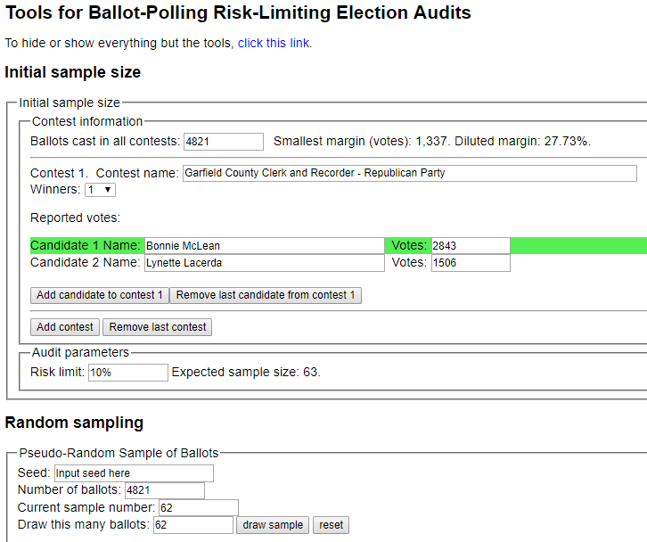
sorted_number | ballot | batch_label | which_ballot_in_batch | Location | Round # | County | Garfield
1 | 48 | 201 | 48 | Box 1 | 1 | # of ballots to audit | 62
2 | 107 | 203 | 7 | Box 1 | 1
3 | 232 | 205 | 32 | Box 1 | 1 | Contest | Garfield County Clerk and Recorder - Republican Party
4 | 287 | 206 | 37 | Box 1 | 1 | # of candidates | 2
5 | 349 | 207 | 49 | Box 1 | 1 | Candidate 1 | Bonnie McLean
6 | 447 | 209 | 47 | Box 1 | 1 | Candidate 2 | Lynette Lacerda
7 | 517 | 211 | 17 | Box 1 | 1 | Candidate 3 | Undervote
8 | 621 | 213 | 21 | Box 1 | 1 | Candidate 4 | Overvote
9 | 659 | 214 | 9 | Box 1 | 1
10 | 728 | 215 | 28 | Box 1 | 1
11 | 743 | 215 | 43 | Box 1 | 1
12 | 743 | 215 | 43 | Box 1 | 1
13 | 845 | 217 | 45 | Box 1 | 1
14 | 982 | 220 | 32 | Box 1 | 1
15 | 1007 | 221 | 7 | Box 1 | 1
16 | 1009 | 221 | 9 | Box 1 | 1
17 | 1084 | 222 | 34 | Box 1 | 1
18 | 1239 | 225 | 39 | Box 1 | 1
19 | 1327 | 227 | 27 | Box 3 | 1
20 | 1330 | 227 | 30 | Box 3 | 1
21 | 1569 | 232 | 19 | Box 3 | 1
22 | 1730 | 235 | 30 | Box 3 | 1
23 | 1766 | 236 | 16 | Box 3 | 1
24 | 1853 | 238 | 3 | Box 3 | 1
25 | 1931 | 239 | 31 | Box 3 | 1
26 | 1989 | 240 | 39 | Box 3 | 1
27 | 2109 | 243 | 9 | Box 3 | 1
28 | 2317 | 247 | 17 | Box 3 | 1
29 | 2470 | 250 | 20 | Box 3 | 1
30 | 2662 | 254 | 12 | Box 5 | 1
31 | 2680 | 254 | 30 | Box 5 | 1
32 | 2681 | 254 | 31 | Box 5 | 1
33 | 2723 | 255 | 23 | Box 5 | 1
34 | 2815 | 257 | 15 | Box 5 | 1
35 | 2834 | 257 | 34 | Box 5 | 1
36 | 2868 | 258 | 18 | Box 5 | 1
37 | 2890 | 258 | 40 | Box 5 | 1
38 | 2921 | 259 | 21 | Box 5 | 1
39 | 2997 | 260 | 47 | Box 5 | 1
40 | 3003 | 261 | 3 | Box 5 | 1
41 | 3014 | 261 | 14 | Box 5 | 1
42 | 3047 | 261 | 47 | Box 5 | 1
43 | 3048 | 261 | 48 | Box 5 | 1
44 | 3353 | 268 | 3 | Box 5 | 1
45 | 3363 | 268 | 13 | Box 5 | 1
46 | 3377 | 268 | 27 | Box 5 | 1
47 | 3450 | 269 | 50 | Box 5 | 1
48 | 3455 | 270 | 5 | Box 5 | 1
49 | 3476 | 270 | 26 | Box 5 | 1
50 | 3549 | 271 | 49 | Box 5 | 1
51 | 3558 | 272 | 8 | Box 5 | 1
52 | 3808 | 277 | 8 | Box 7 | 1
53 | 3819 | 277 | 19 | Box 7 | 1
54 | 3966 | 280 | 16 | Box 7 | 1
55 | 4228 | 285 | 28 | Box 7 | 1
56 | 4307 | 287 | 7 | Box 7 | 1
57 | 4356 | 288 | 6 | Box 7 | 1
58 | 4437 | 289 | 37 | Box 7 | 1
59 | 4480 | 290 | 30 | Box 7 | 1
60 | 4609 | 293 | 9 | Box 7 | 1
61 | 4730 | 295 | 30 | Box 7 | 1
62 | 4760 | 296 | 10 | Box 7 | 1

