費用報價
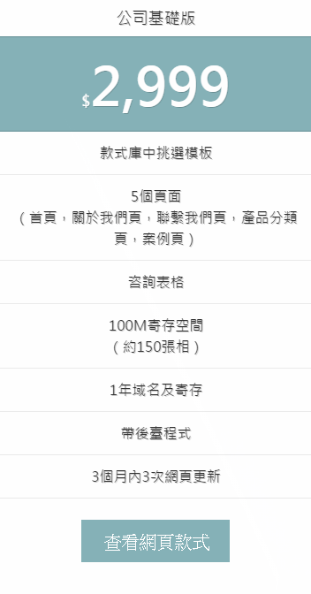
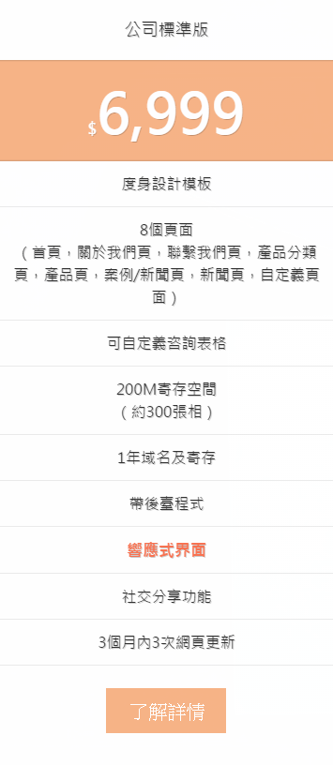
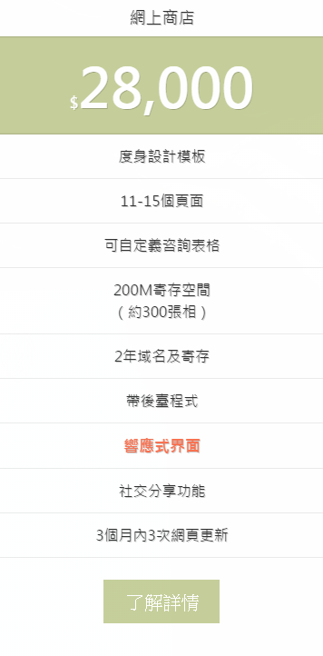
http://www.cmweb.hk/pricing/
網站參考右邊價格
A. 加功能，請向程序員詢價
B. 加一個頁面HK$1000
C. 加一種語言，是加網站總價的30%
D. 套餐中不包含產品信息及相片上傳，客戶可通過後台系統自行上傳。如需我們協助上傳，則按HKD$5/條計算。
E. 如需增加寄存空間，按HK$300每年500M（按每張相500KB計,約可寄存300張相）計算。
F. 如需增加域名，按HK$300每年收費。
G. 寄存續約費用是HK$1000
H. Banner設計HK$500- HK$1000一張。Google聯播網14個size，HK$1500。有5次適宜調整
I. AI宣傳單張HK$1500，5次適宜調整
J. 4個企業郵箱，每個用戶5G容量，一年费用HK$1000

 | php

