Checklist
# | Checklist Point | Yes/No
1 | Have no console errors in IE 11, Edge, Chrome and Firefox browsers by having query string "unmin = true" in the URL? | Yes
2 | Does visual render properly on resizing? | Yes
3 | Does visual render properly on increasing title/data labels font sizes? | Yes
4 | Does visual render properly on PBI desktop and PBI service? | Yes
5 | Is Selection and Highlight feature working properly by selecting the slice of the visual when we have multiple other visuals along with our visual present in the report? | Yes
6 | Does visual work properly on changing format in Modeling ribbon? Should match with other visuals behavior | Yes
7 | Have we handled Zero and NULL values for axis/data values and labels properly? Should match with other visuals behavior. | Yes
8 | Have we used default PBI methods? | Yes
9 | Does visual format values by default (K, M, B)? | Yes
10 | Are visual custom properties working or not? | Yes
11 | Are visual custom properties On/Off working or not? | Yes
12 | Does visual render properly in Windows, Android, iPhone and iPad devices? | Yes
13 | Is sorting functionality working fine by selecting different Sort by values and Order by values in Visual? | Yes
14 | Is visual colors options working fine? | Yes
15 | Is visual tested on msit.powerbi.com, app.powerbi.com, and dxt.powerbi.com services? | Yes
16 | Is the entire functionality set executed and 0 errors reported for | Yes
 | 1. query string parameters “unmin=true&approvedResourcesEnabled=false”
 | 2. Query string parameters "sandboxVisualsEnabled=1&approvedResourcesEnabled=false&unmin=true"
17 | Does visual work correctly after pinning visual to dashboard and pinning live report with the custom visual to the dashboard | Yes
18 | Does Custom properties followed proper casing? | 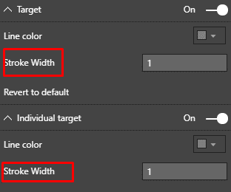 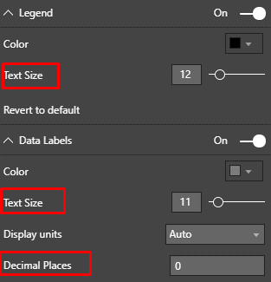 No
 | e.g., Data colors - Correct
 | Data Colors - Incorrect

 | Refer built-in charts for more details.
19 | Does visual fully utilized the available chart area? | Yes
20 | Does visual legends adjusted on resizing? | Yes

