Gal
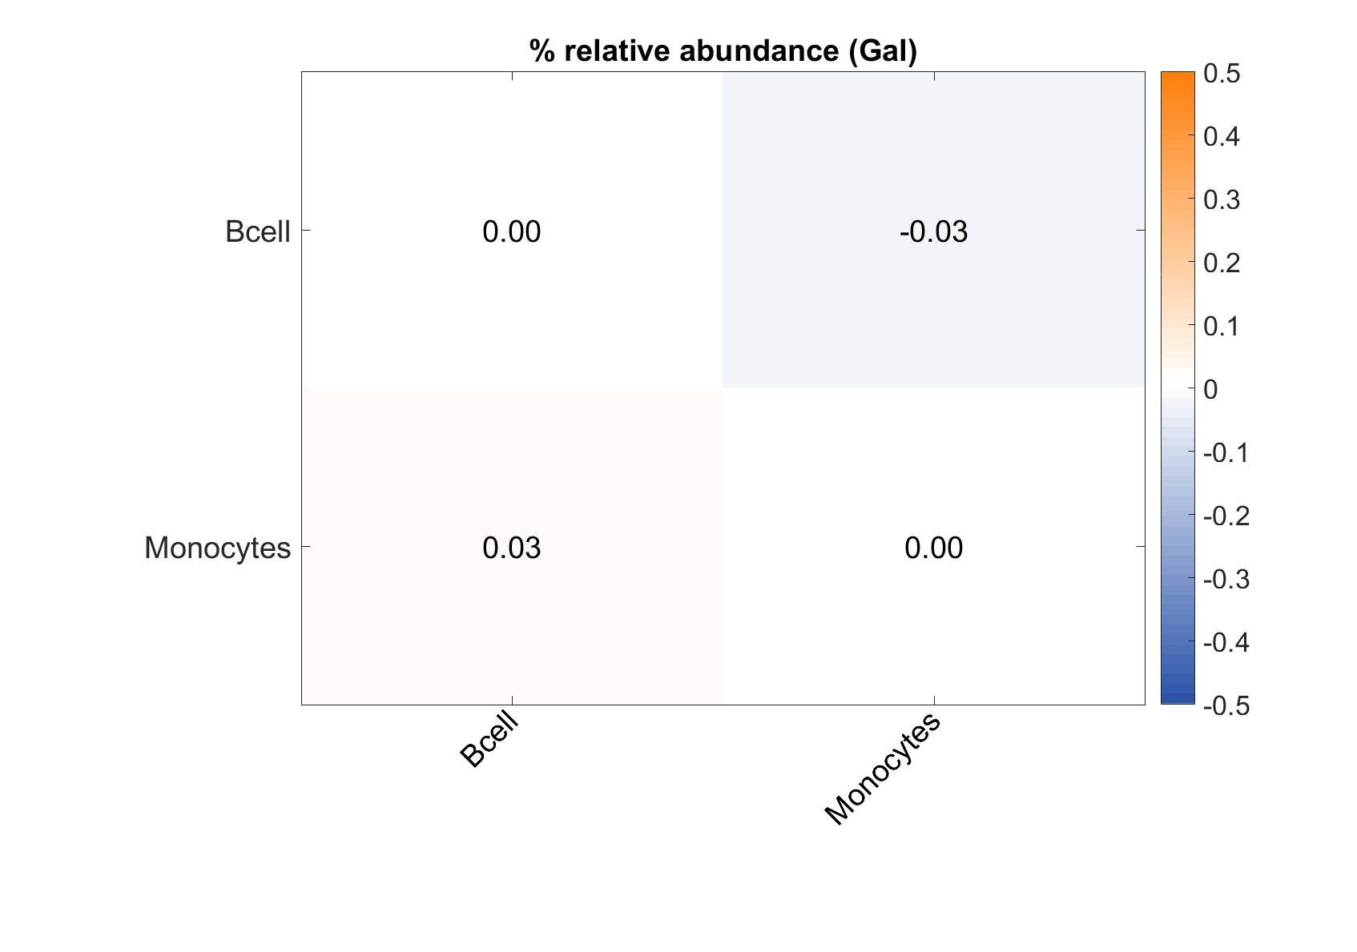
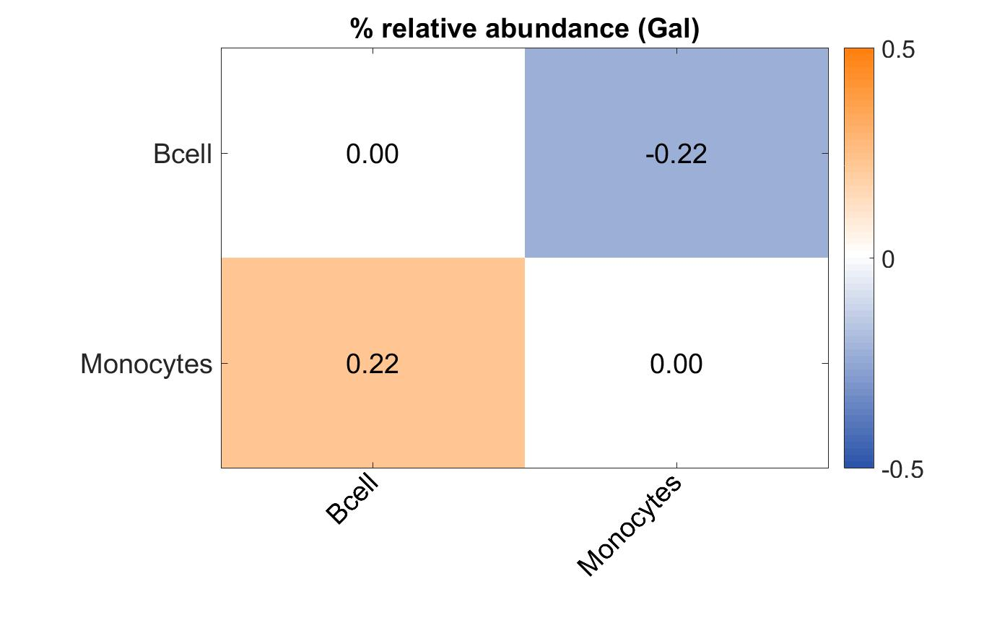
 | % relative abundance (Gal) | % relative abundance (Gal)
Bcell | 76.8 | 148.5
Monocytes | 81.6 | 248.4

GlcNAc
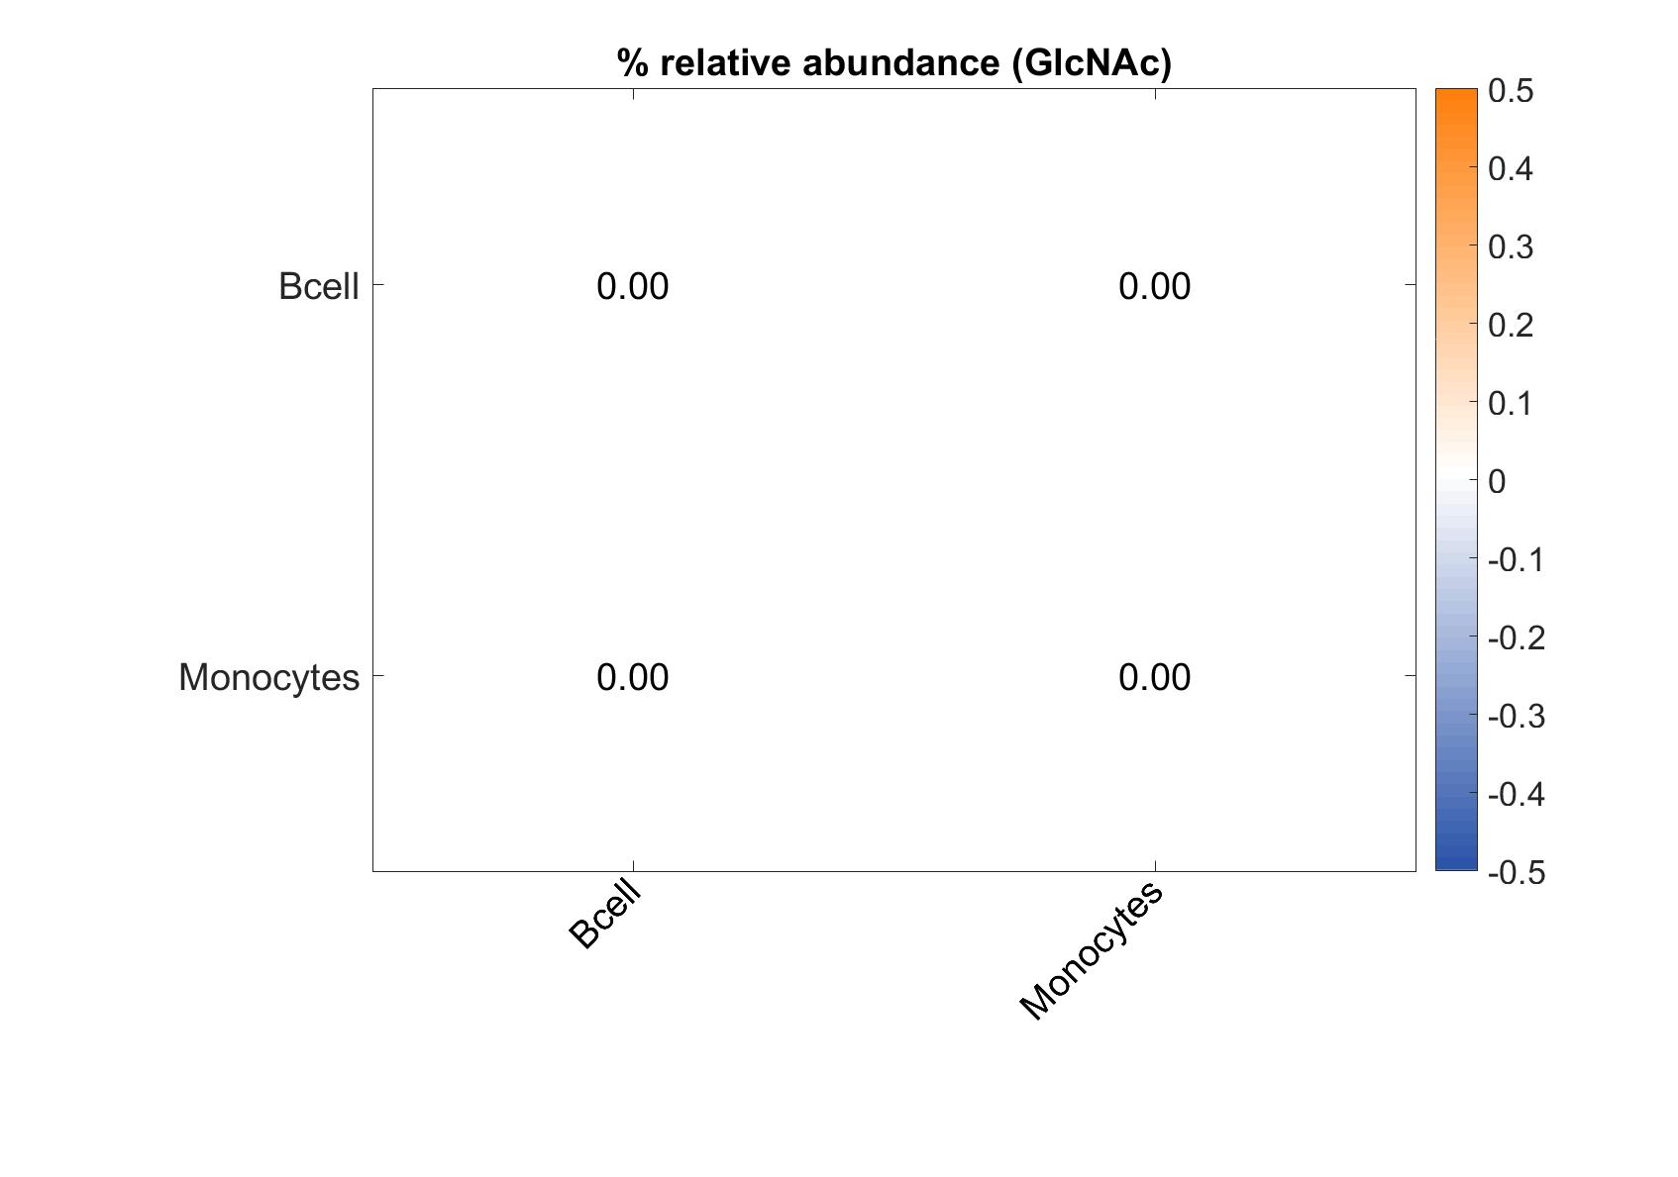
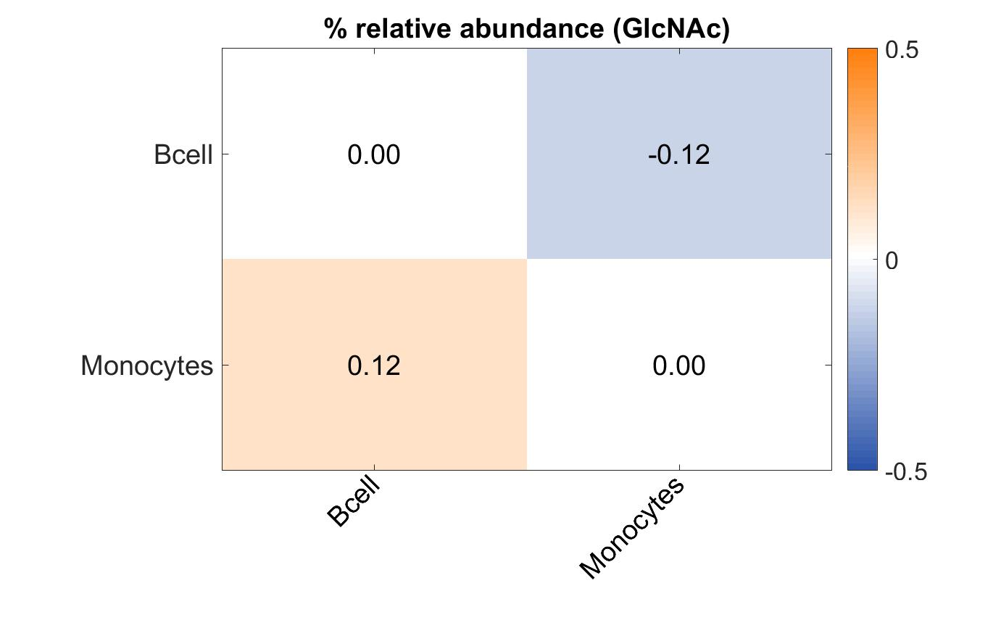
 | % relative abundance (GlcNAc) | % relative abundance (GlcNAc)
Bcell | 100 | 382.3
Monocytes | 100 | 508.6

Man
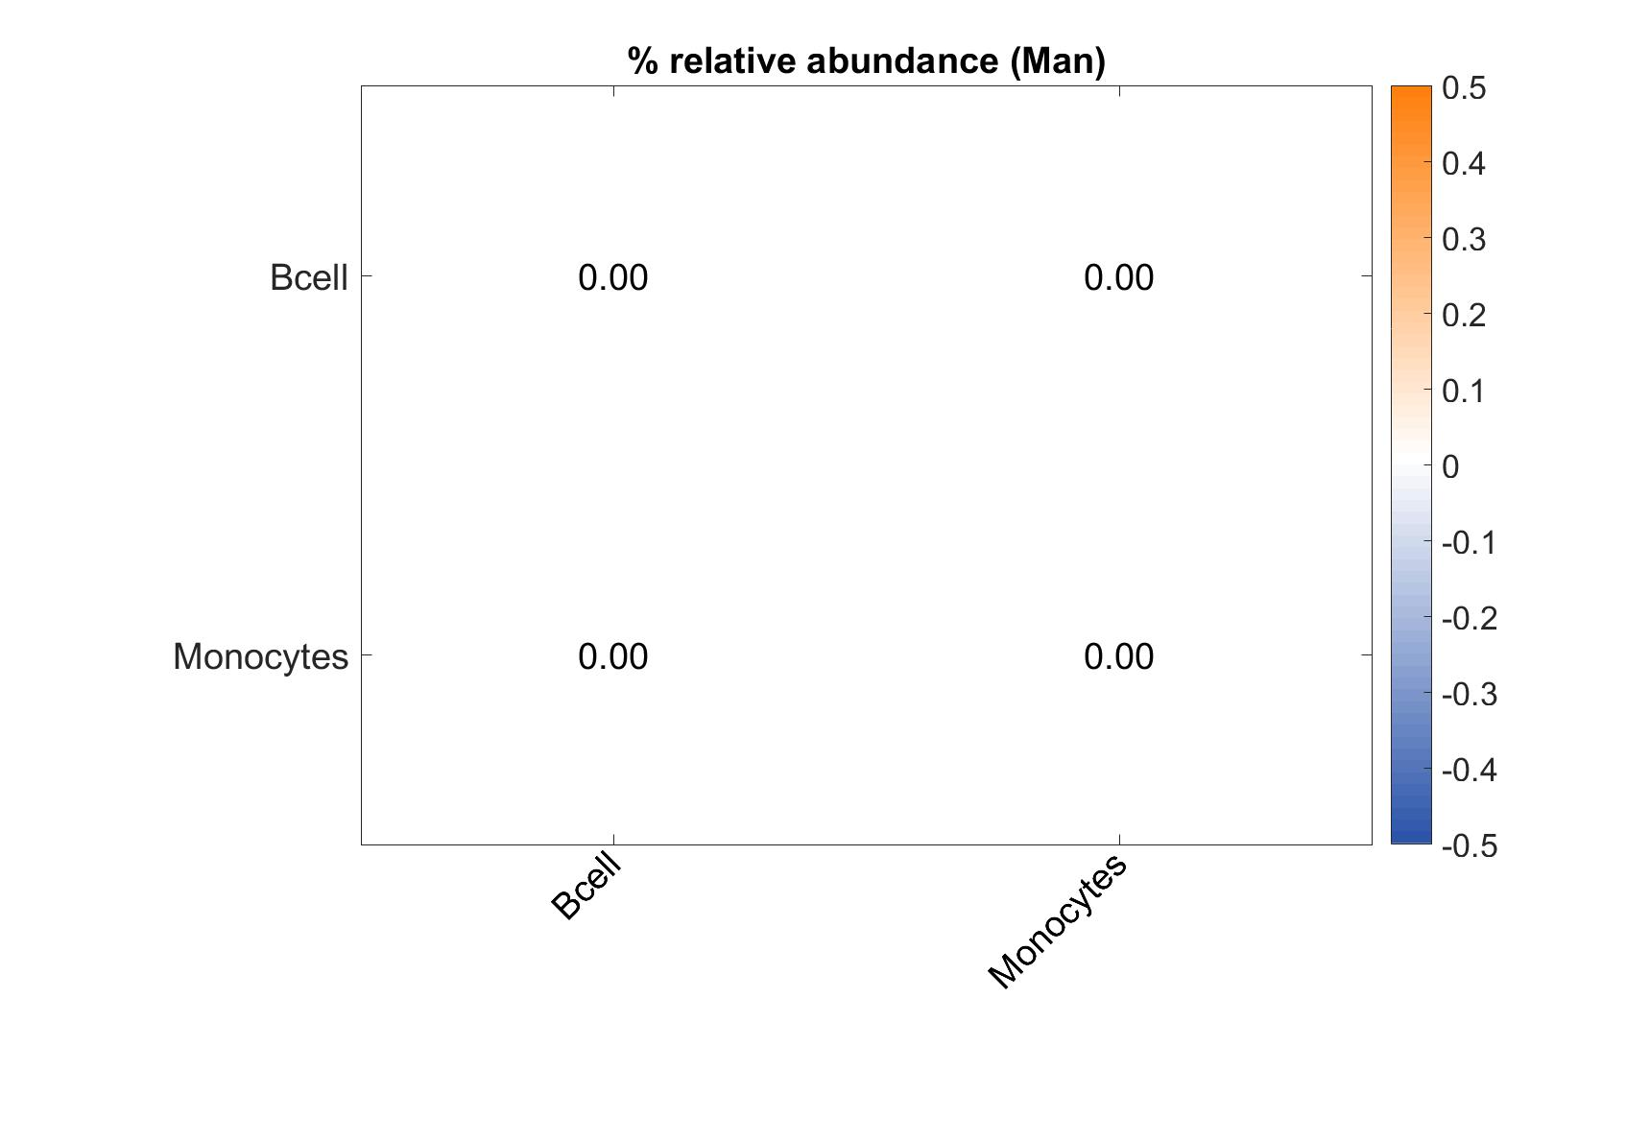
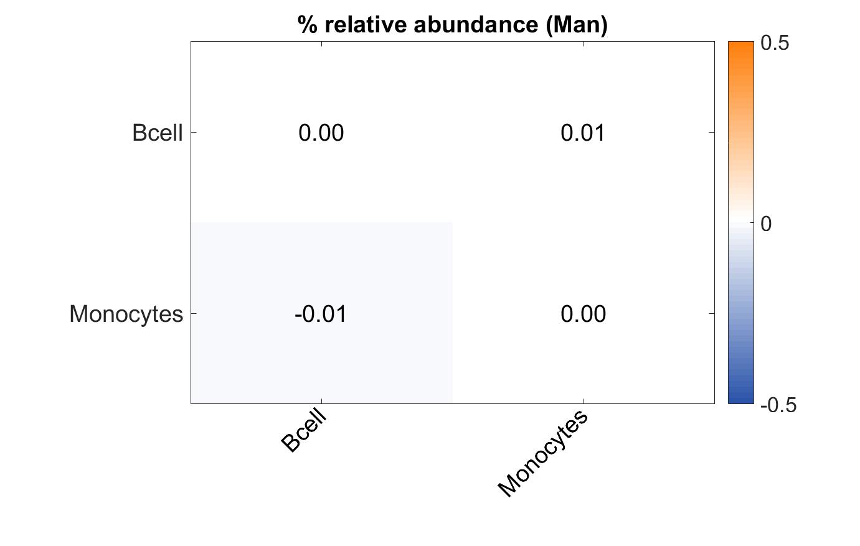
 | % relative abundance (Man) | % relative abundance (Man)
Bcell | 100 | 398.4
Monocytes | 100 | 388.2

Fuc
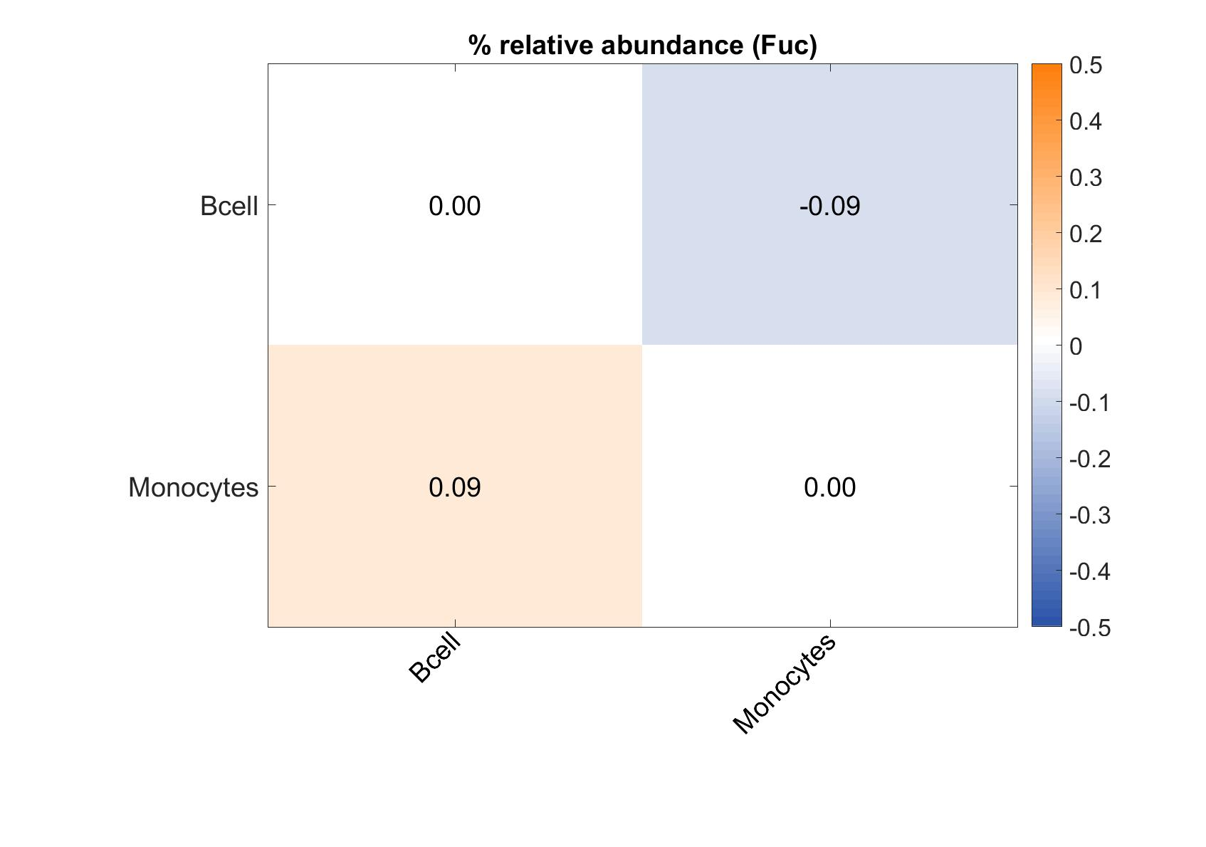

 | % relative abundance (Fuc) | % relative abundance (Fuc)
Bcell | 51.2 | 62.7
Monocytes | 62.4 | 106.7

NeuAc
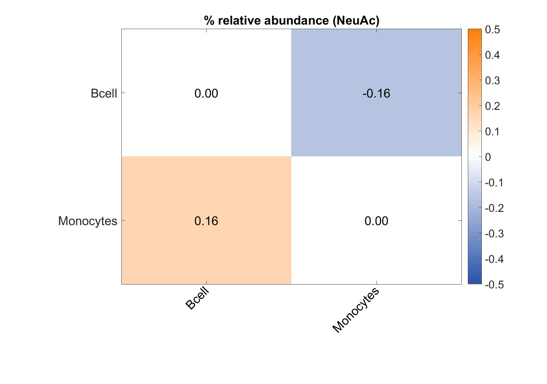

 | % relative abundance (NeuAc) | % relative abundance (NeuAc)
Bcell | 41.9 | 48.9
Monocytes | 60.6 | 92.1

LeX
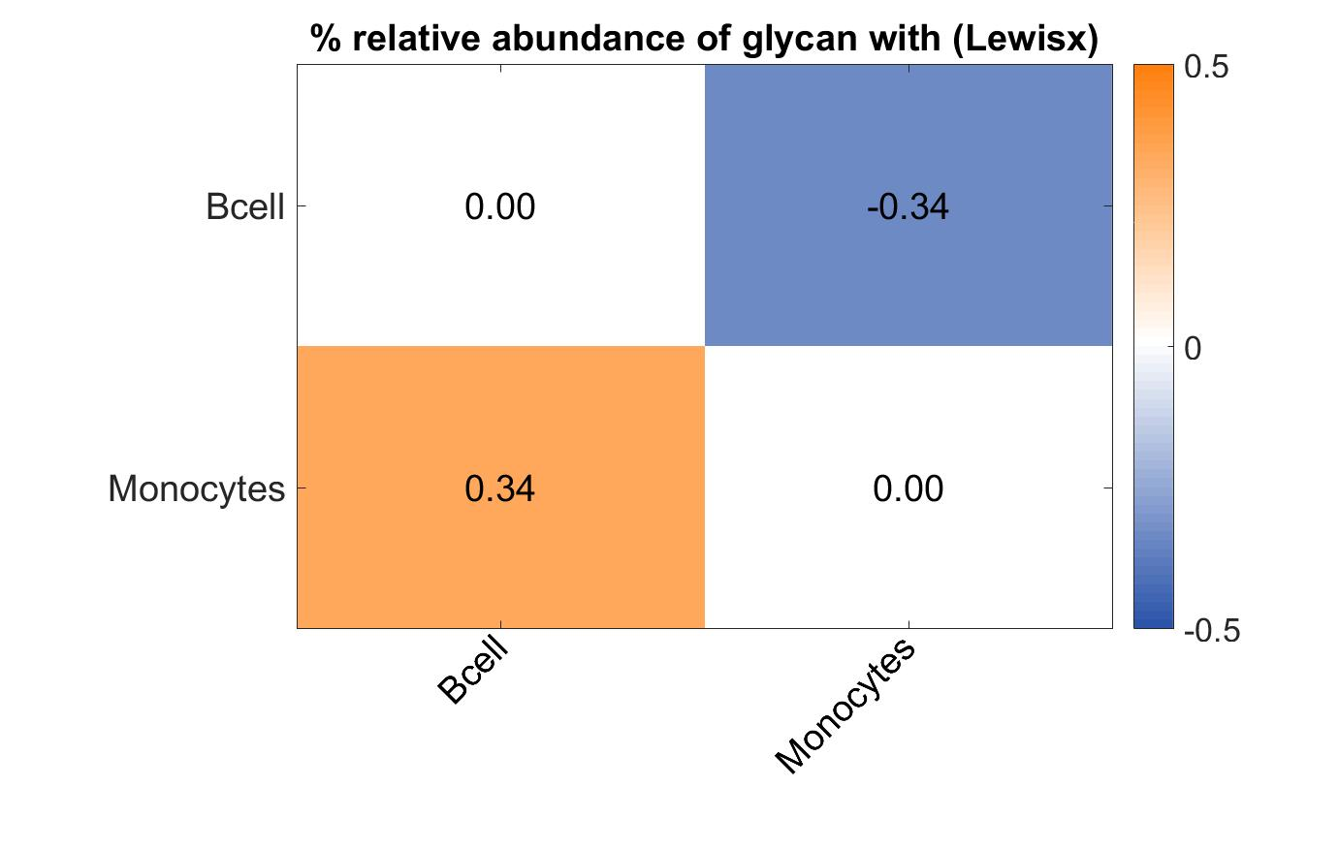
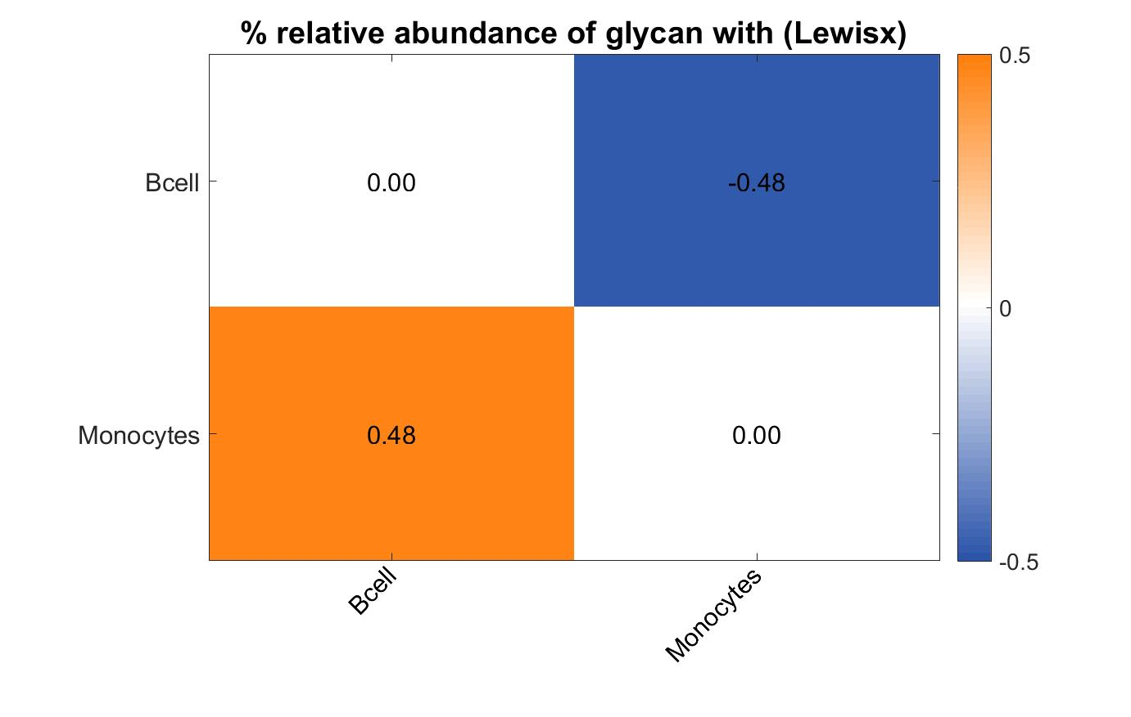
 | % relative abundance of glycan with (Lewisx) | % relative abundance of glycan with (Lewisx)
Bcell | 10.1 | 11.5
Monocytes | 21.9 | 34.4

sialylLeX

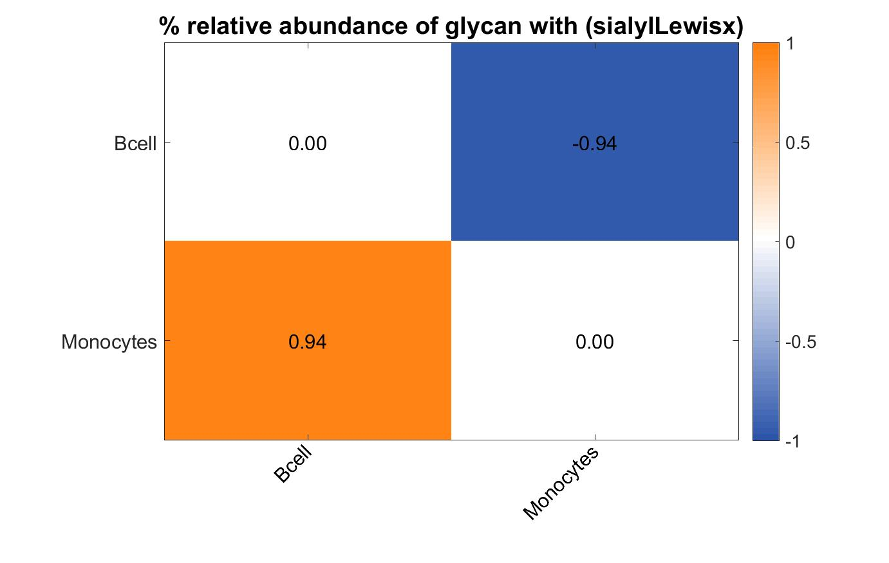
 | % relative abundance of glycan with (sialylLewisx) | % relative abundance of glycan with (sialylLewisx)
Bcell | 2.7 | 2.7
Monocytes | 18.2 | 23.4

LacNAc

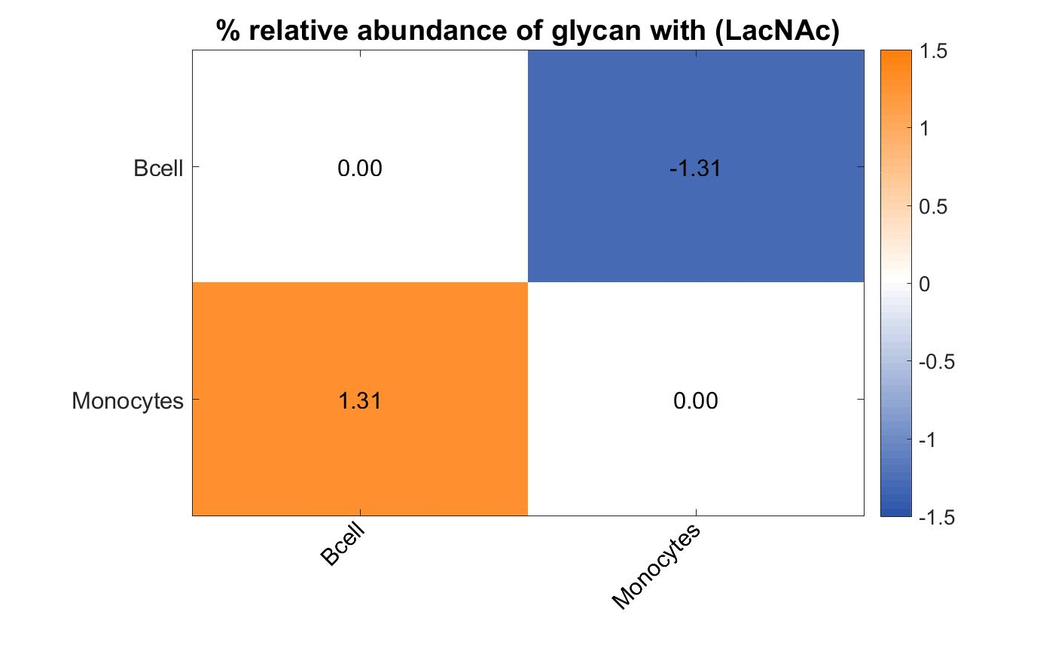
 | % relative abundance of glycan with (LacNAc) | % relative abundance of glycan with (LacNAc)
Bcell | 1.1 | 1.6
Monocytes | 22 | 32.3

Bisecting
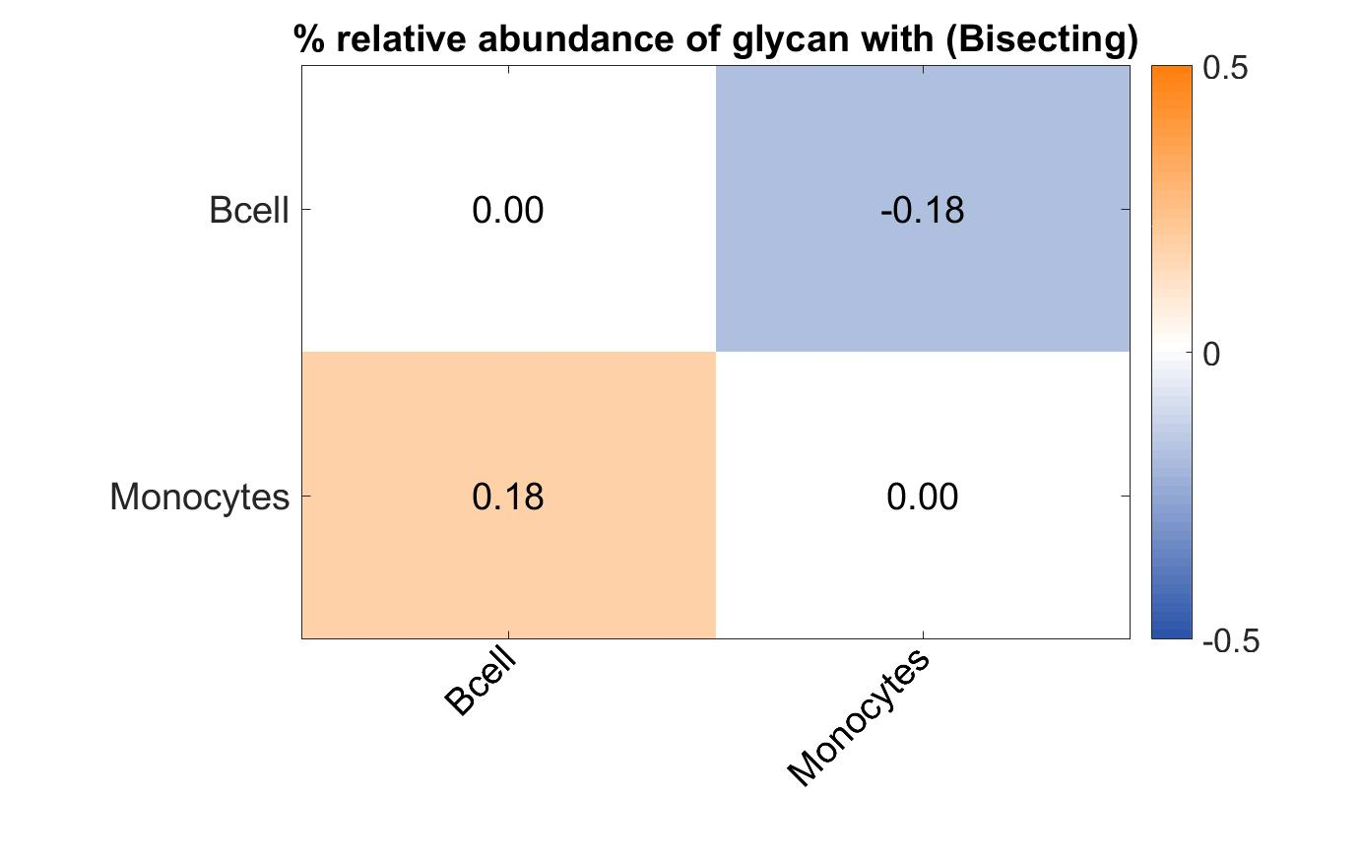
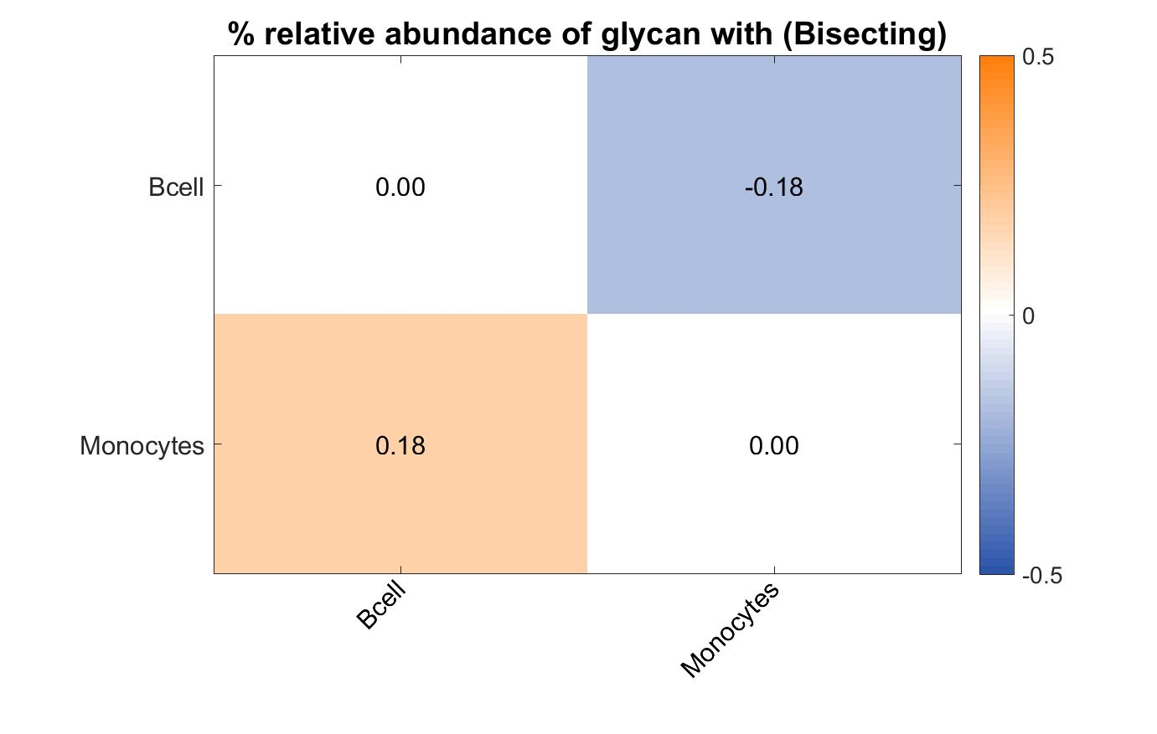
 | % relative abundance of glycan with (Bisecting) | % relative abundance of glycan with (Bisecting)
Bcell | 13.2 | 13.2
Monocytes | 20.2 | 20.2

coreFuc
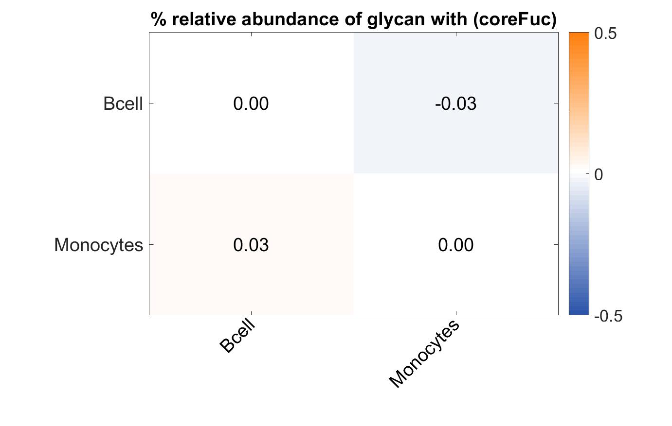
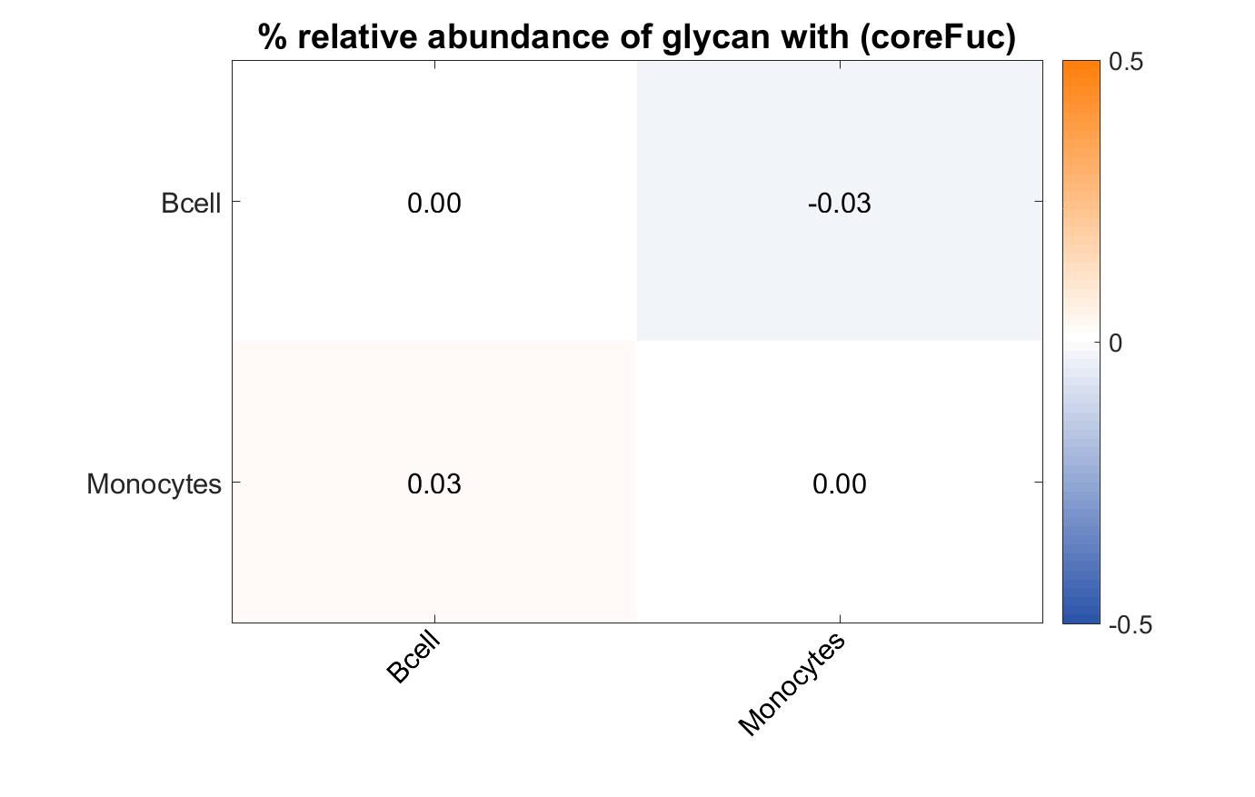
 | % relative abundance of glycan with (coreFuc) | % relative abundance of glycan with (coreFuc)
Bcell | 48.4 | 48.4
Monocytes | 51.7 | 51.7

