monosaccharide
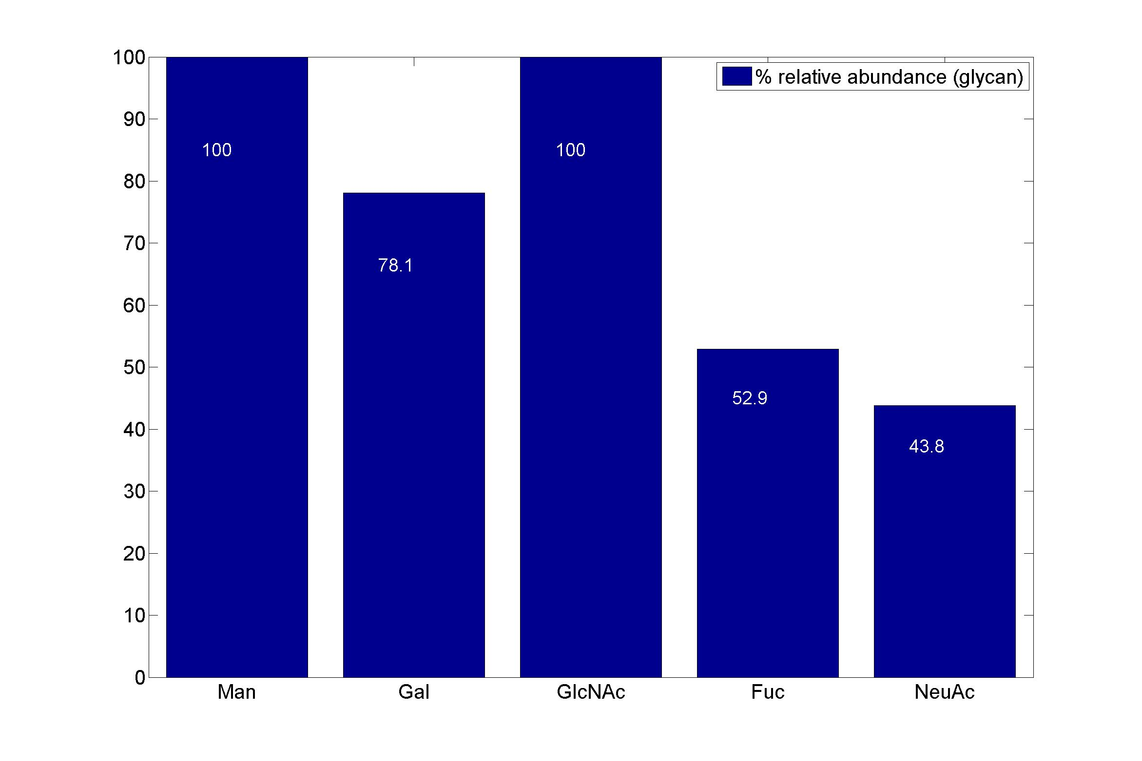
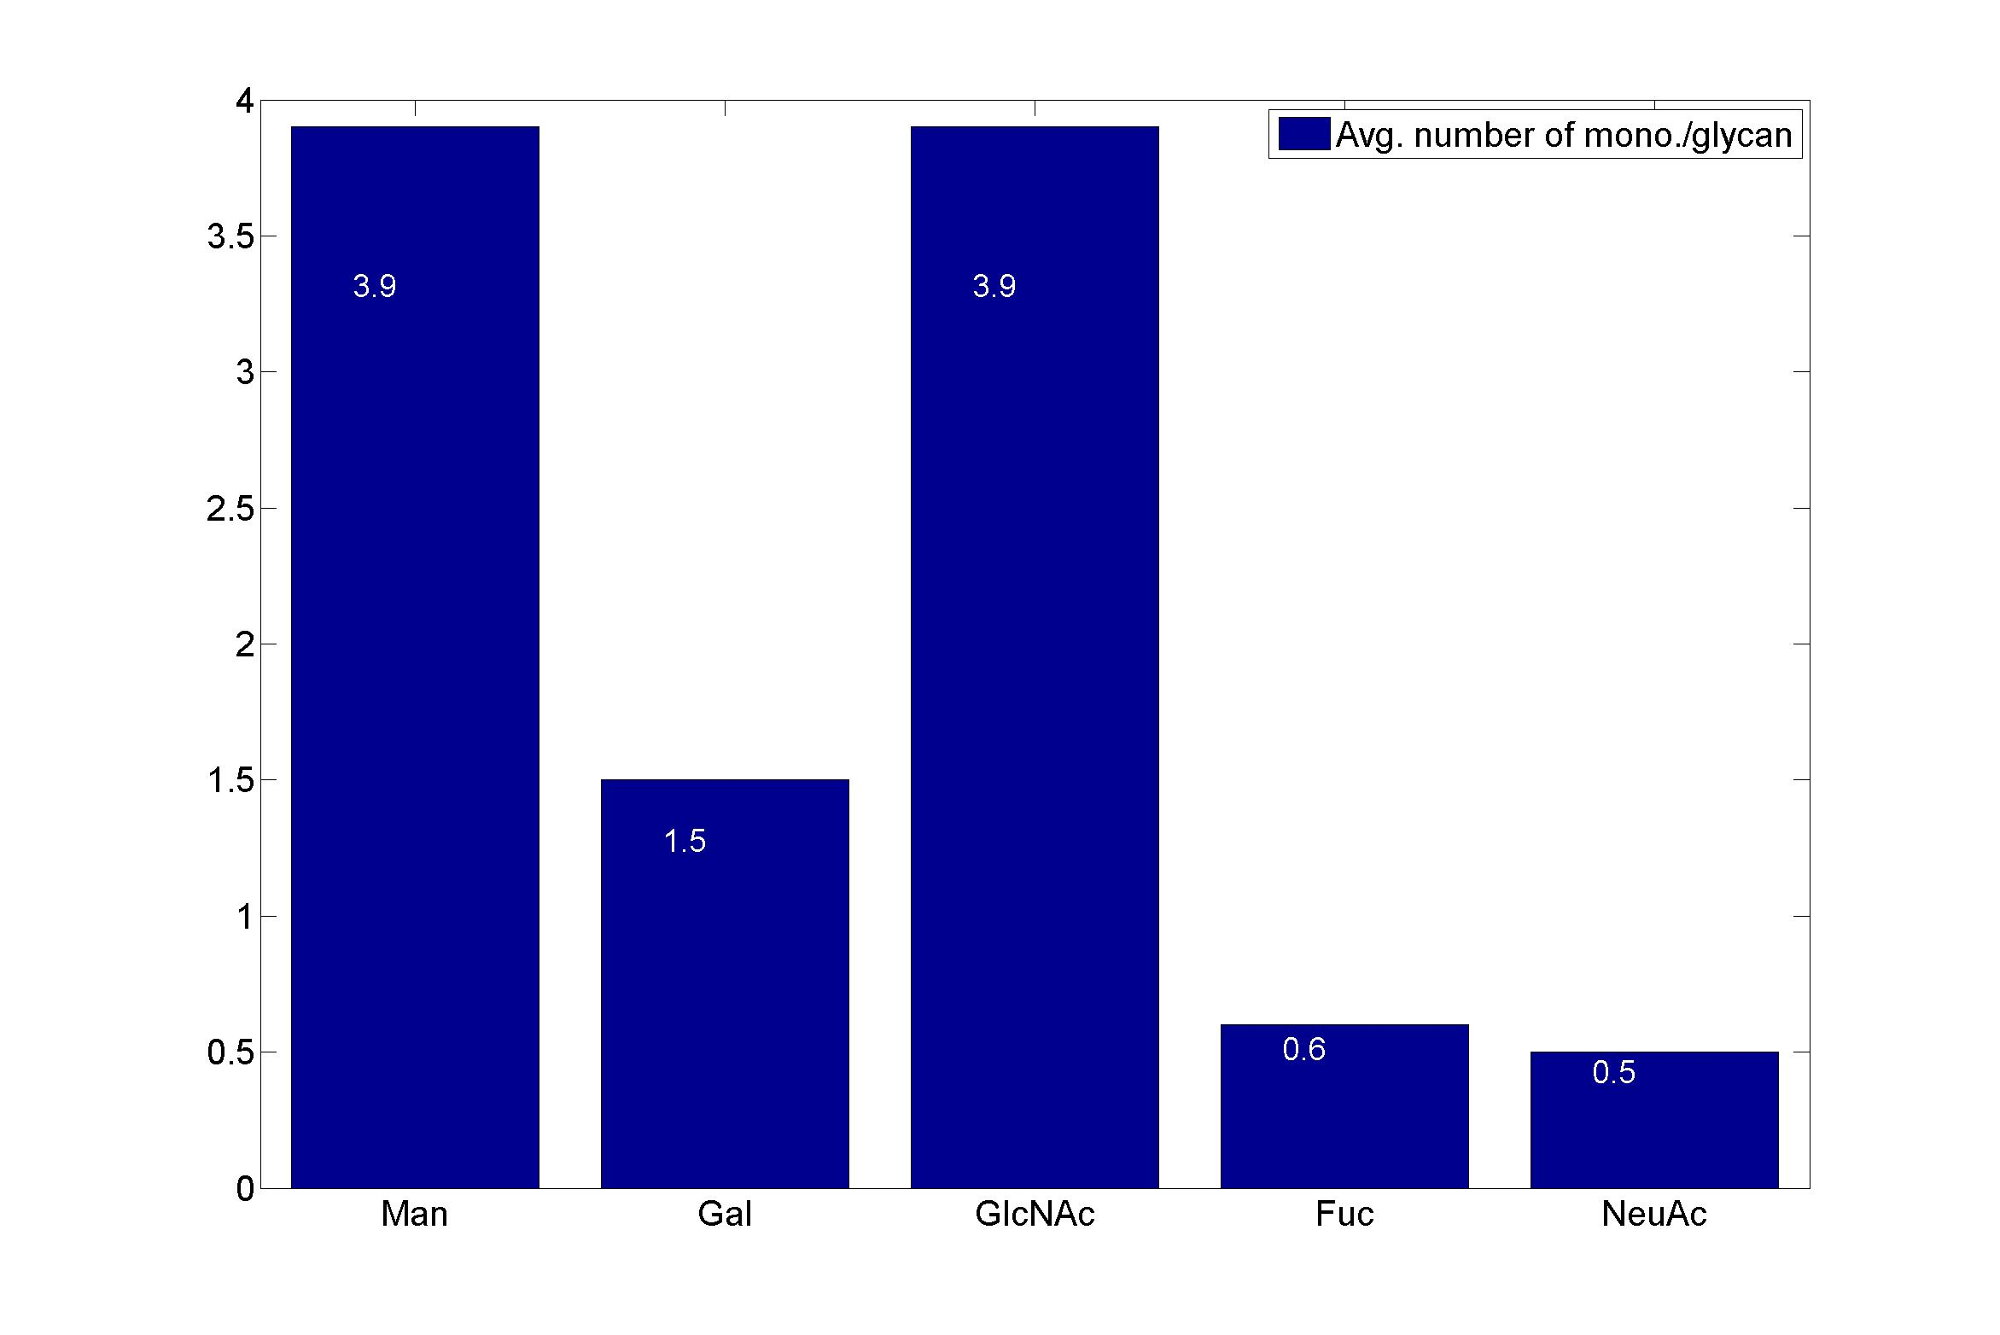
GlycanResidue Name | Relative Abundance of GlycanSpeices | Relative Abundance of GlycanResidue
Man | 100 | 3.9
Gal | 78.1 | 1.5
GlcNAc | 100 | 3.9
Fuc | 52.9 | 0.6
NeuAc | 43.8 | 0.5

sub-structure
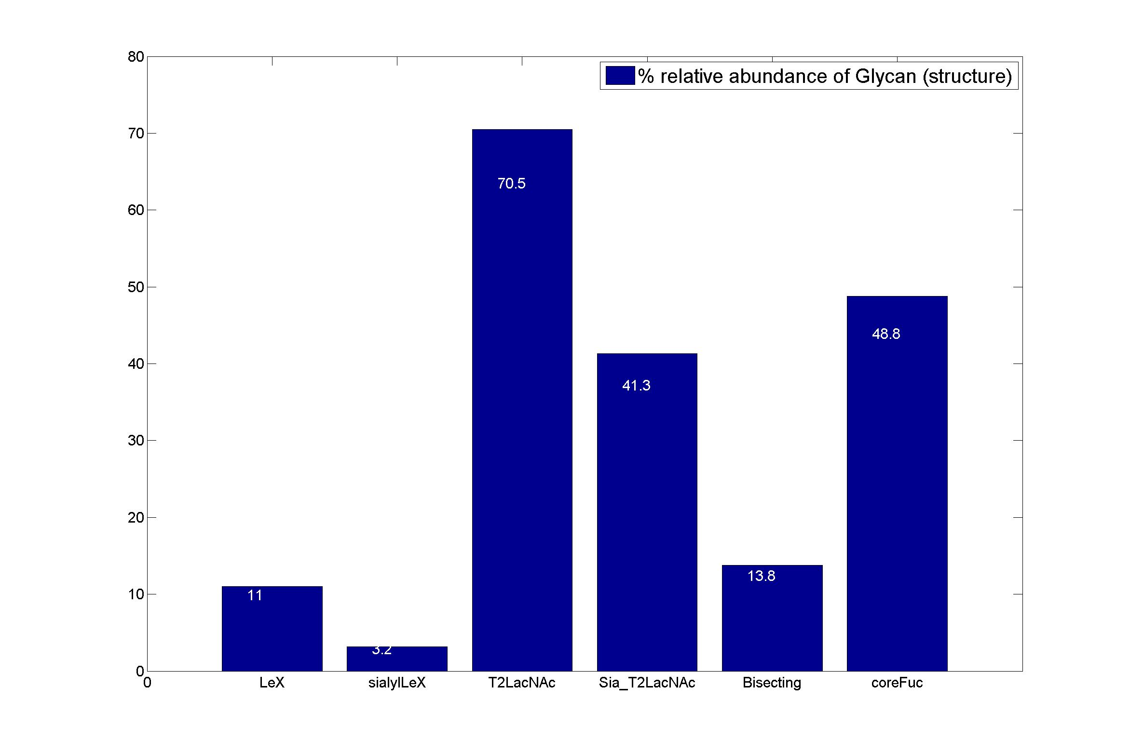


GlycanStruct Name | Relative Abundance of GlycanSpecies | Average # of GlycanStruct per Glycan
LeX | 11 | 0.13
sialylLeX | 3.2 | 0.03
T2LacNAc | 70.5 | 1.28
Sia_T2LacNAc | 41.3 | 0.5
Bisecting | 13.8 | 0.14
coreFuc | 48.8 | 0.49

